To Identify the Few Defects
Defect Name | Defect Description | Defect Steps | Screen shot | Sevirity | Priority | Time | Defect raised by
Setting drop down | Once the setting drop down click there is no elements in that | 1)Open chrome browser 2) Enter JALA UEL 3)Enter valid Credintioals 4)click on the settings drop down. |  | High | High | 11:39am | QA
Gust User profile | After login the JALA application if you want edit an any data in your profile but that is not clickble. | 1)Open chrome browser 2) Enter JALA UEL 3)Enter valid Credintioals 4)click on the Gust user profile |  | High | High | 11:47:00 | QA
Date of birth selection | Here Date of bith accept to the future date but that date of birth doen't the select future dates | 1)Open chrome browser 2) Enter JALA UEL 3)Enter valid Credintioals 4)click on the Employee drop down 5)click on the Create button 6)Slect the data of birth 7)click on the future date of birth . |  | low | High | 12:12pm | QA
Country Selection | In Country dropdown not visible to the all countries | 1)Open chrome browser 2) Enter JALA UEL 3)Enter valid Credintioals 4)click on the Employee drop down 5)click on the Create button 6)click on the country dropdown | 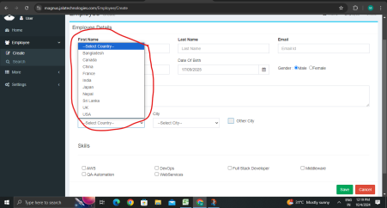 | low | High | 12:19pm | QA
State Selection | In State dropdown not visible to the all countries | 1)Open chrome browser 2) Enter JALA UEL 3)Enter valid Credintioals 4)click on the Employee drop down 5)click on the Create button 6)click on the State drop down | 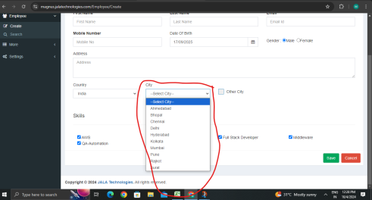 | low | High | 12:28pm | QA
validate to the Edit and delete button | it is accept to the any persons data edit and delete button is accept | 1)Open chrome browser 2) Enter JALA UEL 3)Enter valid Credintioals 4)click on the Employee drop down 5)click on Search button. 6)click on edit and delete button. | 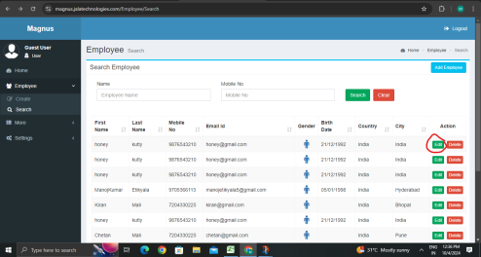 | High | High | 12:36pm | QA

