Sheet1
Hop | IP | Owner | Locartion

1 | 192.168.43.1 | FEDERAL ONLINE GROUP LLC | CA
2 | 66.174.12.241 | FEDERAL ONLINE GROUP LLC | CA
3 | 69.83.28.36 | Cellco Partnership DBA Verizon Wireless | NJ
4 | 69.83.28.18 | Cellco Partnership DBA Verizon Wireless | NJ
5 | 69.83.28.170 | Cellco Partnership DBA Verizon Wireless | NJ
6 | 69.83.16.192 | Cellco Partnership DBA Verizon Wireless | NJ
7 | 69.83.16.192 | Cellco Partnership DBA Verizon Wireless | NJ
8 | 66.174.9.85 | Cellco Partnership DBA Verizon Wireless | NJ
9 | 157.130.42.77 | MCI Communications Services, Inc. d/b/a Verizon Business | VA
10 | 140.222.239.77 | ANS CO+RE Systems, Inc | NY
11 | 204.148.11.177 | ANS Communications, Inc | VA
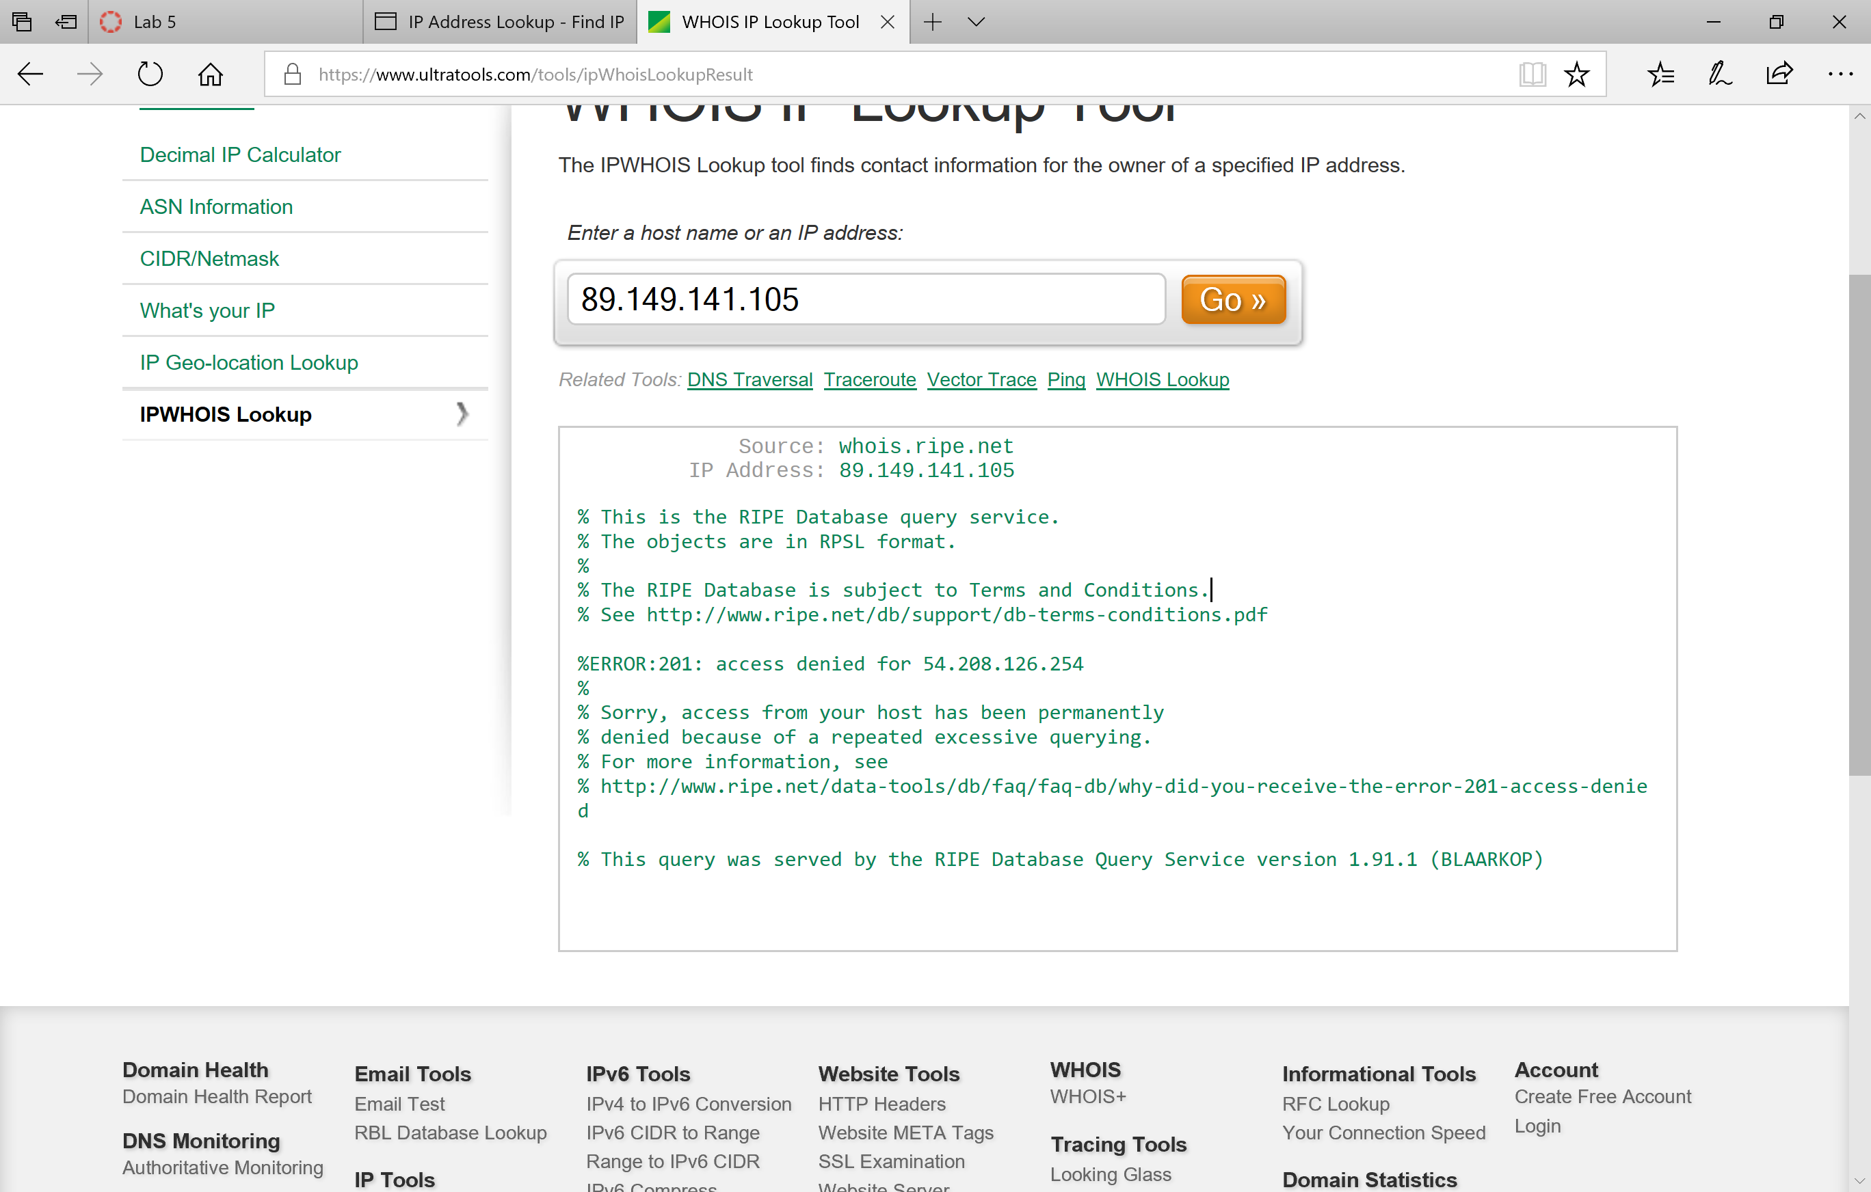
12 | 89.149.141.105
13 | 46.33.80.34
14 | 203.208.172.173
15 | 203.208.191.170
16 | 59.154.142.22
17 | 161.43.103.42
18 | 210.56.92.11
19 | 122.129.216.9
20 | 122.129.218.139

