Sheet1
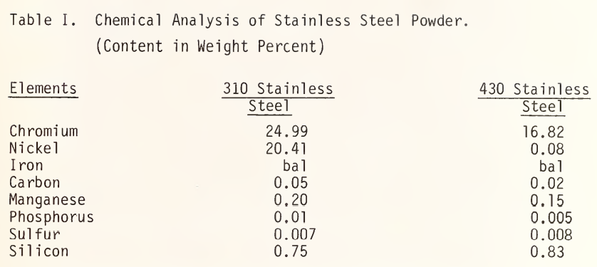
Species | Molecular Weight | 310 Low Composition |  | 310 High Composition |  | 430 Low Composition |  | 430 High Composition
Fe | 55.845 | Species | wt% | Species | wt% | Species | wt% | Species | wt%
Cr | 51.996 | Fe | 57 | Fe | 48.175 | Fe | 84 | Fe | 79.06
Ni | 58.693 | Cr | 24 | Cr | 26 | Cr | 16 | Cr | 18
Mn | 54.938 | Ni | 19 | Ni | 22 | Mn | 0 | Mn | 1
Si | 28.085 | Mn | 0 | Mn | 2 | Si | 0 | Si | 1
C | 12.011 | Si | 0 | Si | 1.5 | Ni | 0 | Ni | 0.75
P | 30.974 | C | 0 | C | 0.25 | C | 0 | C | 0.12
S | 32.06 | P | 0 | P | 0.045 | P | 0 | P | 0.04
 |  | S | 0 | S | 0.03 | S | 0 | S | 0.03
 |  | Species | at% | Species | at% | Species | at% | Species | at%
 |  | Fe | 56.5170 | Fe | 46.6164 | Fe | 83.0168 | Fe | 77.1061
 |  | Cr | 25.5582 | Cr | 27.0212 | Cr | 16.9832 | Cr | 18.8547
 |  | Ni | 17.9249 | Ni | 20.2552 | Mn | 0.0000 | Mn | 0.9280
 |  | Mn | 0 | Mn | 1.9672 | Si | 0.0000 | Si | 0.9914
 |  | Si | 0 | Si | 2.8861 | Ni | 0.0000 | Ni | 1.4545
 |  | C | 0 | C | 1.1248 | C | 0.0000 | C | 0.5441
 |  | P | 0 | P | 0.0785 | P | 0.0000 | P | 0.0703
 |  | S | 0 | S | 0.0506 | S | 0.0000 | S | 0.0510
 |  | CHECK | 100.0000 | CHECK | 100.0000 | CHECK | 100.0000 | CHECK | 100.0000

