PMI Representation Summary
 | nist_ctc_02_asme1_ap242-e2.stp (2021-02-15T09:46:00+09:00) | See CAx-IF Recommended Practice for Representation and Presentation of PMI (AP242)

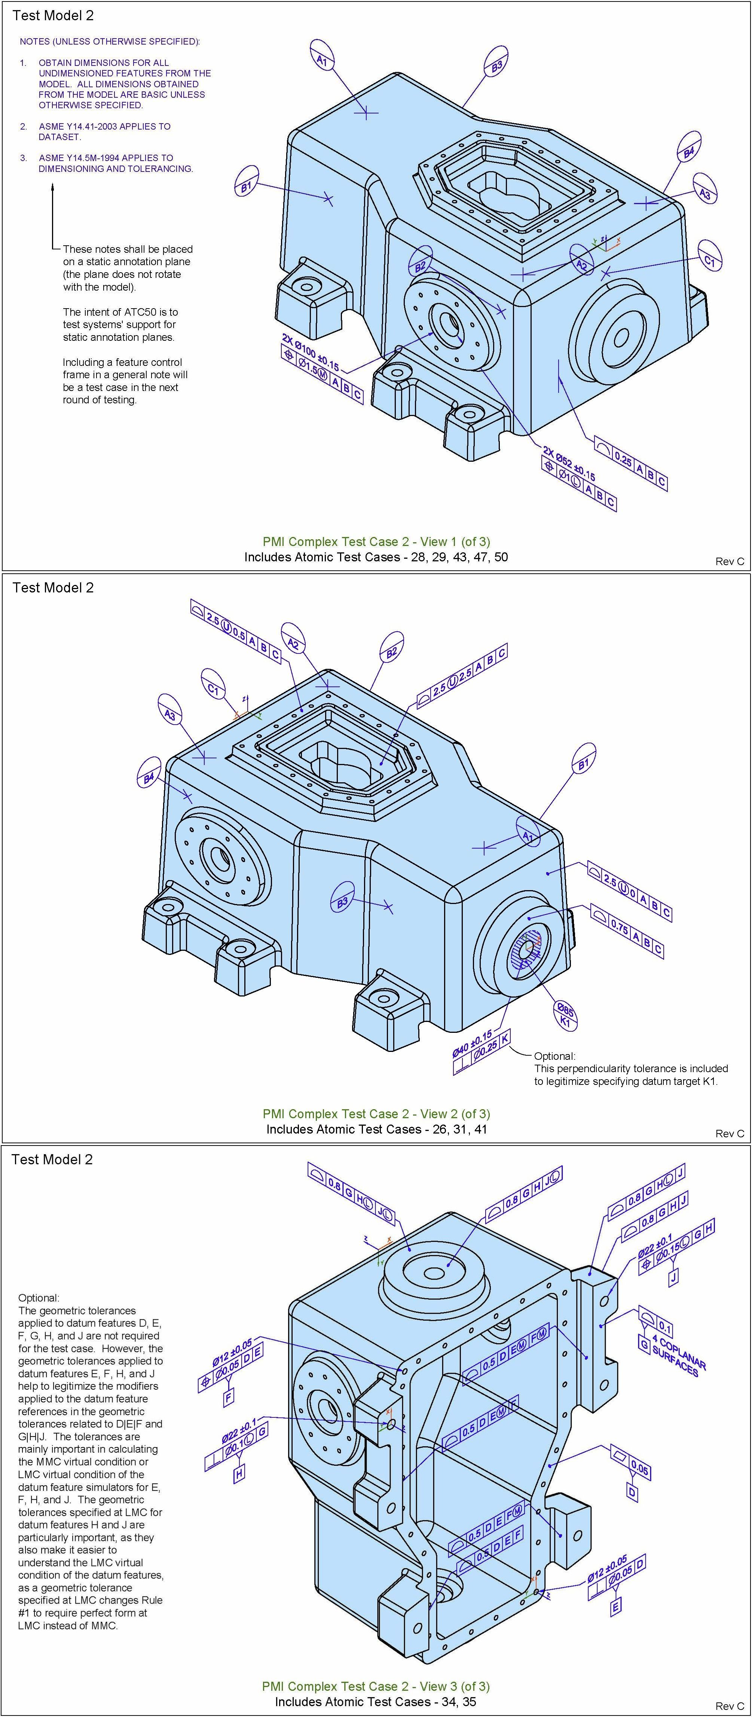
ID | Entity | PMI Representation | Test Case Drawing
169 | datum_system | A | B | C
170 | datum_system | D
171 | datum_system | D | E
172 | datum_system | G
173 | datum_system | G | H
174 | datum_system | G | H | J Ⓛ
175 | datum_system | G | H Ⓛ | J
176 | datum_system | G | H | J
177 | datum_system | D | E Ⓜ | F Ⓜ
178 | datum_system | D | E | F Ⓜ
179 | datum_system | D | E | F
180 | datum_system | D | E Ⓜ | F
181 | datum_system | K
182 | datum_system | G | H Ⓛ | J Ⓛ
396 | dimensional_characteristic_representation | 2X ∅100 ± 0.15
397 | dimensional_characteristic_representation | 2X ∅52 ± 0.15
398 | dimensional_characteristic_representation | ∅12 ± 0.05
399 | dimensional_characteristic_representation | ∅12 ± 0.05
400 | dimensional_characteristic_representation | ∅22 ± 0.1
401 | dimensional_characteristic_representation | ∅22 ± 0.1
402 | dimensional_characteristic_representation | ∅40 ± 0.15
54 | flatness_tolerance | ▱ | 0.05 ▽ ⎹ [D]
183 | (geometric_tolerance_with_datum_reference) (geometric_tolerance_with_modifiers) (position_tolerance) | 2X ∅100 ± 0.15 ⊕ | ∅1.5 Ⓜ | A | B | C
184 | (geometric_tolerance_with_datum_reference) (geometric_tolerance_with_modifiers) (position_tolerance) | 2X ∅52 ± 0.15 ⊕ | ∅1 Ⓛ | A | B | C
185 | (geometric_tolerance_with_datum_reference) (geometric_tolerance_with_modifiers) (position_tolerance) | ∅22 ± 0.1 ⊕ | ∅0.15 Ⓛ | G | H ▽ ⎹ [J]
83 | (geometric_tolerance_with_datum_reference) (line_profile_tolerance) | ⌒ | 0.25 | A | B | C
69 | (geometric_tolerance_with_datum_reference) (position_tolerance) | ∅12 ± 0.05 ⊕ | ∅0.05 | D | E ▽ ⎹ [F]
59 | (geometric_tolerance_with_datum_reference) (surface_profile_tolerance) | ⌓ | 0.8 | G | H | J Ⓛ
60 | (geometric_tolerance_with_datum_reference) (surface_profile_tolerance) | ⌓ | 0.8 | G | H Ⓛ | J
61 | (geometric_tolerance_with_datum_reference) (surface_profile_tolerance) | ⌓ | 0.8 | G | H | J
62 | (geometric_tolerance_with_datum_reference) (surface_profile_tolerance) | ⌓ | 0.5 | D | E Ⓜ | F Ⓜ
63 | (geometric_tolerance_with_datum_reference) (surface_profile_tolerance) | ⌓ | 0.5 | D | E | F Ⓜ
64 | (geometric_tolerance_with_datum_reference) (surface_profile_tolerance) | ⌓ | 0.5 | D | E | F
65 | (geometric_tolerance_with_datum_reference) (surface_profile_tolerance) | ⌓ | 0.5 | D | E Ⓜ | F
66 | (geometric_tolerance_with_datum_reference) (surface_profile_tolerance) | ⌓ | 0.75 | A | B | C
67 | (geometric_tolerance_with_datum_reference) (surface_profile_tolerance) | ⌓ | 0.8 | G | H Ⓛ | J Ⓛ
56 | (geometric_tolerance_with_datum_reference) (surface_profile_tolerance) (unequally_disposed_geometric_tolerance) | ⌓ | 2.5 Ⓤ 0.0 | A | B | C
57 | (geometric_tolerance_with_datum_reference) (surface_profile_tolerance) (unequally_disposed_geometric_tolerance) | ⌓ | 2.5 Ⓤ 0.5 | A | B | C
58 | (geometric_tolerance_with_datum_reference) (surface_profile_tolerance) (unequally_disposed_geometric_tolerance) | ⌓ | 2.5 Ⓤ 2.5 | A | B | C
68 | (geometric_tolerance_with_modifiers) (perpendicularity_tolerance) | ∅22 ± 0.1 ⏊ | ∅0.1 Ⓛ | G ▽ ⎹ [H]
81 | perpendicularity_tolerance | ∅12 ± 0.05 ⏊ | ∅0.05 | D ▽ ⎹ [E]
82 | perpendicularity_tolerance | ∅40 ± 0.15 ⏊ | ∅0.25 | K
102 | placed_datum_target_feature | A1 (point)
103 | placed_datum_target_feature | A2 (point)
104 | placed_datum_target_feature | A3 (point)
105 | placed_datum_target_feature | C1 (point)
106 | placed_datum_target_feature | B1 (point)
107 | placed_datum_target_feature | B2 (point)
108 | placed_datum_target_feature | B3 (point)
109 | placed_datum_target_feature | B4 (point)
110 | placed_datum_target_feature | ∅85 K1
53 | surface_profile_tolerance | ⌓ | 0.1 ▽ ⎹ [G]

 |  | Expected PMI
 |  | See Help > Analyze > NIST CAD Models
 |  | Exact match
 |  | Partial match
 |  | Possible match
 |  | No match

