invited_speakers
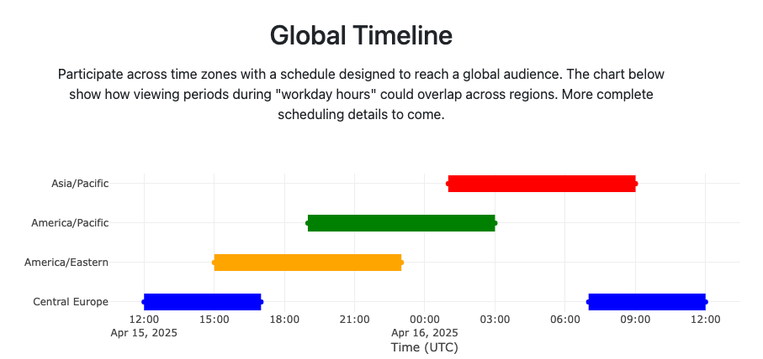
Invite Sent? | Accepted? | Abstract/title? | Email | Name | Institution | Description (Optional)
Yes | Yes - tentatively at different timezone | Requested | thellert@lbl.gov | Thorsten Hellert | ALS | accelerator team, LLM
Yes | Yes | Requested | wkoepp@lbl.gov | Wiebke Koepp | ALS | autonmous
 |  |  |  | Mathew J. Cherukara | Argonne National Lab | phasing and segmentation, tomography
Yes | Yes | Requested | mchan@anl.gov | Maria K. Chan | Argonne National Lab | similar to 4
 |  |  |  | Kevin Yager | Brookhaven National Lab | Autonomous data collection
Yes | Yes |  | pmaffetto@bnl.gov | Phil Maffettone | Brookhaven National Lab | Robotics and ML
 |  |  |  | Marina Ganeva | FZJ | VIPR, beyond BA, overview talk
Yes | Yes |  |  | Tim Snow | Diamond Light Source | Tomography ML for segmentation
Yes | Declined |  |  | Linus Pithan | DESY | autonomous experiment
 |  |  |  | Guannan Zhang | ORNL | Talk and demo AI-Assisted Neutron Experiment Steering
 |  |  |  | Alan Tennant | UTK | Talk Integrating AI with neutron scattering experiments: Quantum materials
Yes | Yes |  | chengy@ornl.gov | Yongqiang (YQ) Cheng | ORNL | Talk and Dermo Recent publication INSPIRED: Inelastic neutron scattering
Yes | Declined |  | frank.heinrich@nist.gov | Frank Heinrich | NIST | Information Theory Enhanced Neutron Reflectivity
Yes | Yes |  | etsai@bnl.gov | Esther Tsai | Brookhaven National Lab | Chat-based beamline control: https://arxiv.org/html/2312.17180v1
 |  |  |  | Duncan Sutherland | NIST | (AFL) Concurrent, multi-facility, AI-driven SAXS and SANS
 |  |  |  | Benedikt Sochor (DEMO) | DESY | DEMO: Pipeline at P03 using ML
Yes | Yes |  |  | Julian Heger | TUM | ML for GISAXS
 |  |  |  | Patrick Norman | KTH | MD and ML
 |  |  |  | Tomas Rosen | KTH | SAXS digital twin
 |  |  |  | Prof. Dr. Stephan Günnemann | TUM | reliable and efficient machine learning methods
 |  |  |  | Prof. Dr.sc. Reinhard Heckel | TUM | fundamentals of deep neural networks
 |  |  |  | Frank Schreiber | Uni Tübingen | ML and GIWAXS
 |  |  |  | Hiroshi Okuda | Department of Materials Science and Engineering, Kyoto University, Japan | Classification of grazing-incidence small-angle X-ray scattering patterns by convolutional neural network
 |  |  |  | Nico Hoffmann | Helmholtz-Zentrum Dresden-Rossendorf | Amortized Bayesian Inference of GISAXS Data with Normalizing Flows
 |  |  |  | Duane LOH (Ne-Te) | National University of Singapore | FEL based ML
 |  |  |  | Jeyan Thiyagalingam | STFC UK | Head of the Scientific Machine Learning (SciML) Group
 |  |  | fwang2@ornl.gov | Feiyi Wang | ORNL | gives fantastic talks on LLM
 |  |  |  | Simon Billing | Columbia | PDF
Yes | Yes | Requested | dratner@slac.stanford.edu | Dan Ratner | SLAC | ML for xray facilities
Yes | Declined |  | tassone@slac.stanford.edu | Chris Tassone | SLAC | https://pubs.aip.org/aip/jcp/article/154/22/224201/313373/Utilization-of-machine-learning-to-accelerate
Yes | Yes | Requested | dpozzo@u.washington.edu | Lilo Pozzo | University of Washington | ML for SAXS/SANS
 |  |  |  | Mingda Li | MIT | Machine learning for neutron spectroscopy
Yes | Yes |  | austin.mcdannald@nist.gov | Austin McDannald (DEMO) | NIST | ML tutorial or AE demo
 |  |  |  | Peter Beaucage or Tyler Martin (DEMO) | NIST | AFL Demo/tutorial
 | Yes |  |  | Tanny and Wiebke (DEMO) | ALS | demo
 |  |  |  | Peter Zwart | MBIB LBNL | demo
 |  |  |  | Junrong Zhang | https://people.ucas.edu.cn/~jrzhang?language=en | Data analysis for neutron scattering experiment
Yes | Yes | Requested | zwenzhao11@gmail.com | Zhuowen Zhao (industry) | Chan Zuckerberg Initiative
 |  |  |  |  | Google? (GAS)
 |  |  |  |  | Amazon?

