Flow Diagram
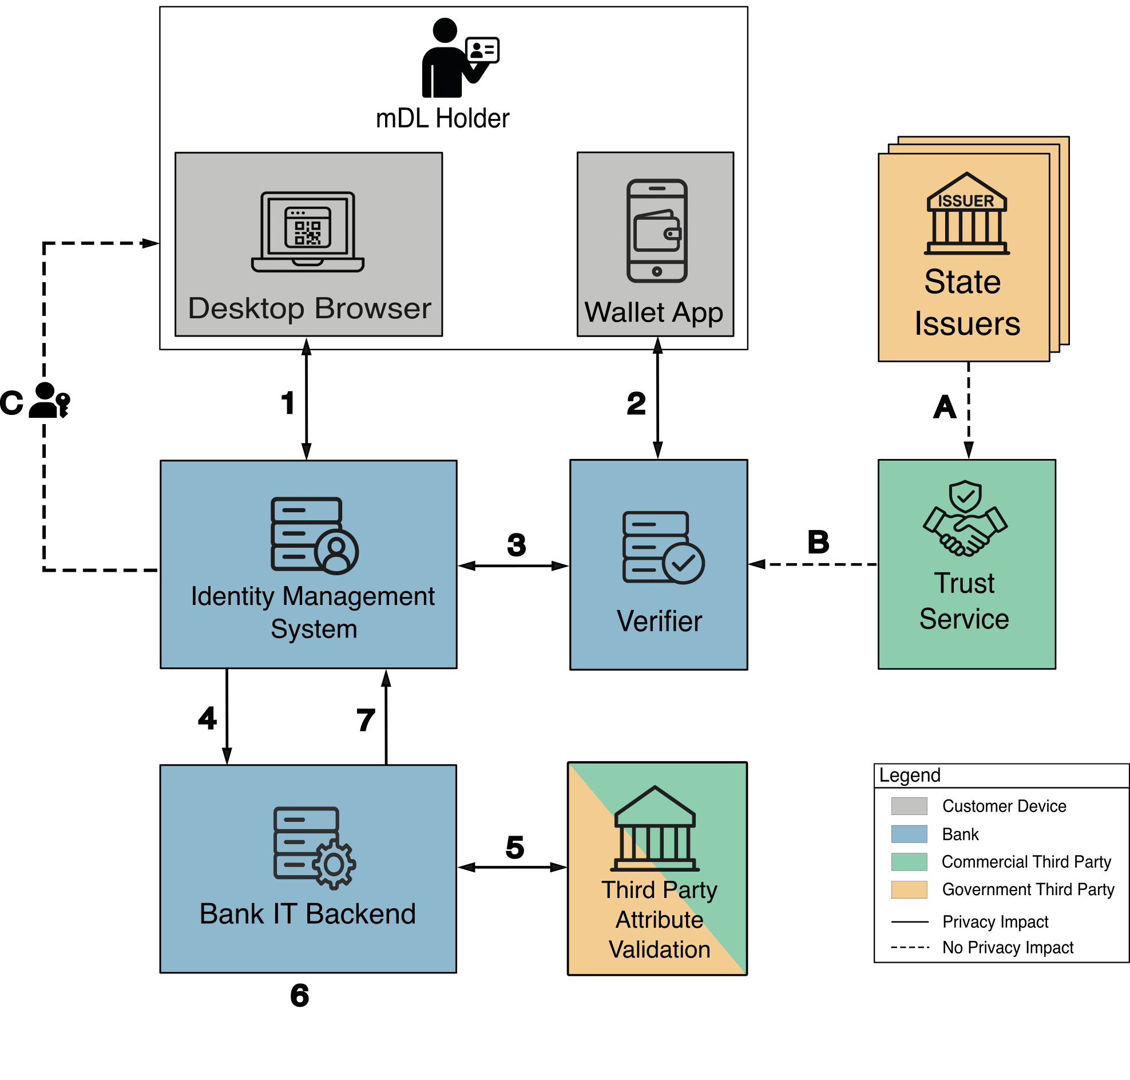

NIST mDL Privacy Flow Diagram.

Data Action | Data
(1) The IDMS collects personal attributes self-asserted by the applicant. | Phone number Email SSN Optionally, preferred names and alternate address
Data generation by applicant through a web browser.
Data collection by IDMS.

(2) The applicant presents requested attributes from their mDL stored in their digital wallet. The verifier collects the applicant’s attributes from the mDL. | Driver license number Issuing state Legal name Date of birth Legal address Issue date Expiry date
Request information passed through the browser.
Data collection by verifier.

(3) The verifier confirms that the mDL is valid and discloses the mDL attributes to the IDMS. The verifier disposes of all the mDL attributes in the verifier by deleting them immediately after disclosure. | Driver license number Issuing state Legal name Date of birth Legal address Issue date Expiry date
Data transfer from the verifier to IDMS.
Data collection by IDMS.
Data disposal by the verifier.

(4) The IDMS creates a unique user identifier (UUID) for the applicant and transfers the identifier along with all the attributes (both self-asserted and from the mDL) to the appropriate bank IT back-end applications. | Phone number Email SSN Preferred name Alternate address Driver license # Issuing state Legal name Date of birth Legal address Issue date Expiry date UUID
Data generation by IDMS.
Data transfer from the IDMS to the bank back-end.
Data retention by the back end.
Data disposal by the IDMS. (Note: FIs retain the attributes of the customer for 7 years from the closure of an account at the bank.)

(5) The bank validates that the application attributes match the Applicant SSN. SSN verifier responds with “yes” or “no” and disposes of the data sent by the bank back-end. The bank may also validate attributes with third party databases. | SSN Legal name Date of birth Phone number Email
Data transfer from the bank back-end to the SSN validator.
Data disposal by the SSN validator.
Self-asserted attributes are validated with a 3rd party.

(6) Bank IT back-end processes the information collected and uses its decision logic to determine what financial offering will be made to the customer. | Phone number Email SSN (verified) Preferred name Alternate address Driver license # Issuing state Legal name Date of birth Legal address Issue date Expiry date UUID
Data processed by bank IT back-end
Data disposal by the Bank IT back-end. (Note: FIs retain the attributes of the customer for 7 years from the closure of an account at the bank.)

(7) Bank creates an account for the applicant and initiates passkey set up via the IDMS. | UUID
Data transfer from the bank back-end to the IDMS.
Note: The below items happen outside of the identity verification flow
(A) The third-party trust service distributes the signing public key of mDL issuers. No information about the applicant is disclosed by the trust service in obtaining this public key or distributing these public keys.
(B) The verifier obtains an mDL issuer’s signing public key from the trust service to validate the mDL. No information about the applicant is disclosed to the verifier in obtaining this public key.
(C) A passkey is generated on the client device.

