FilteringInstructions
Steps to filter data for Living Wage
1. Place cursor in the worksheet !LIVING_WAGE_PL_CO_RE_ST
2. Click Data tab on top row of tool bar

3. Click Filter Icon
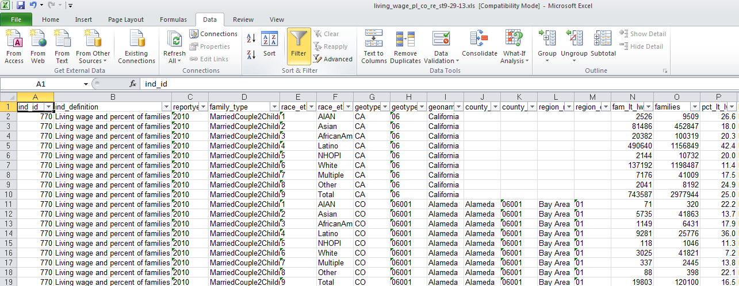
To select a family type for a race/ethncity (Latino) and specific county (Los Angeles)
4. Click on filter picklist arrow in the columns for family type, race_eth_name, and then the County name in the search box
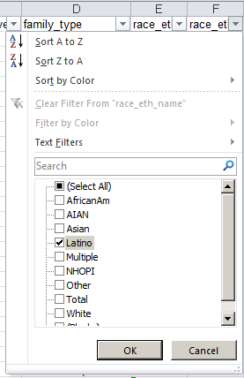 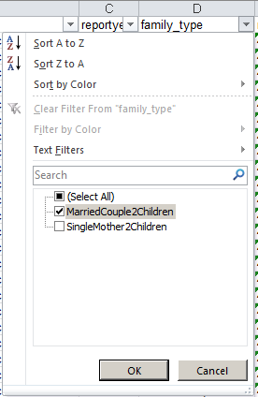 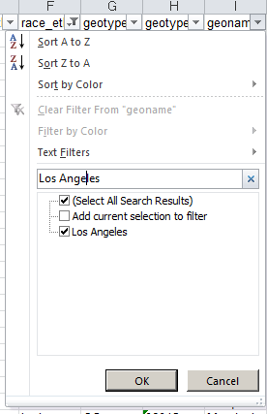
Results will look like this:

5. Click on Select all to start over again

