Medidas Osteofacial
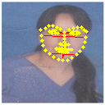
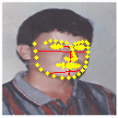
Nombre Imagen | n_sn px | al_al px | en_en px | ex_ex px | ch_ch px | zy_zy px | go_go px | g_gn px | sn_gn px | n_sn mm | al_al mm | en_en mm | ex_ex mm | ch_ch mm | zy_zy mm | go_go mm | g_gn mm | sn_gn mm | Imagen Procesada
de676ec57f8549248b6bcc51cc27001e1229527772b37245d57502ebcae871f5 | 16 | 10.05 | 16 | 36.06 | 19.03 | 54.04 | 33.02 | 34.06 | 18.11 | 42.6 | 26.76 | 42.6 | 96 | 50.66 | 143.88 | 87.9 | 90.68 | 48.22
0aad2507592c642223603f2e46cf1bdc601f8136fd5e7a4cc4cec59f844a68b5 | 14.04 | 11 | 16.03 | 34.01 | 23.02 | 57.01 | 38.12 | 34.13 | 20.4 | 39.61 | 31.05 | 45.25 | 96 | 64.97 | 160.9 | 107.58 | 96.33 | 57.56
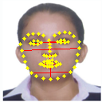
2ca115ab600426df607653ccc490d6aad3397f4d29d1cb2d19f30b78cf360a8c | 20.02 | 14 | 21.02 | 47.04 | 25 | 72.06 | 49.01 | 49.04 | 29.02 | 40.87 | 28.57 | 42.9 | 96 | 51.02 | 147.06 | 100.02 | 100.08 | 59.22
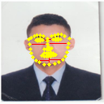
5de37119f0b278707b2860f98d5fac520cf30b04de1f3e6c8a2a3956d70496a0 | 14.04 | 9.06 | 13.04 | 30.02 | 17.03 | 48.01 | 33.02 | 32.06 | 18.03 | 44.89 | 28.96 | 41.7 | 96 | 54.46 | 153.55 | 105.59 | 102.54 | 57.66
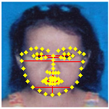
d78cfeea024a0f886cb93675f93dff079fd024643d4e349dc7d6d71b43c48488 | 20 | 13.04 | 18 | 46 | 22 | 72.01 | 46 | 46.01 | 26.02 | 41.74 | 27.21 | 37.57 | 96 | 45.91 | 150.28 | 96 | 96.02 | 54.3
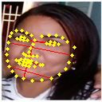
c0435953b335e1144e29adc36aff822ef06ce2f3d7c8f08c4c279346408859f9 | 21.19 | 17.26 | 24.33 | 52.47 | 33.54 | 81.58 | 55.08 | 50 | 28.86 | 38.77 | 31.58 | 44.52 | 96 | 61.37 | 149.27 | 100.78 | 91.48 | 52.81
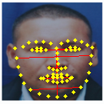
a93b3253cd5a906c67672b916e523f39eef2861b05cfefeb543b528675703bc4 | 27.02 | 20 | 25 | 58.01 | 38.01 | 92.05 | 62.07 | 60.01 | 33 | 44.71 | 33.1 | 41.37 | 96 | 62.91 | 152.33 | 102.73 | 99.31 | 54.61
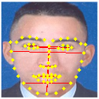
86756fd9e0a775c8d78481b15e7c043b12a308cdf8bb302c6e3e32ffe4cadc08 | 28.02 | 19 | 27.02 | 60.03 | 34 | 94.02 | 61 | 62.07 | 34.06 | 44.8 | 30.38 | 43.21 | 96 | 54.37 | 150.35 | 97.55 | 99.26 | 54.46
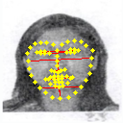
6f368762eaf5e94d5679b8645d8548afa0776d2bb8d3404598e69f9db847e577 | 23.02 | 14.04 | 18.03 | 43.05 | 28.07 | 66.07 | 43.01 | 50.09 | 27.07 | 51.34 | 31.3 | 40.2 | 96 | 62.6 | 147.34 | 95.92 | 111.71 | 60.38
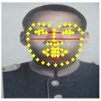
07659a58068154541b3c1eeaafd232f4975479b23b2ab733450ace5334ff0344 | 18.03 | 18.03 | 22 | 47.01 | 29 | 68 | 45 | 44.05 | 26.02 | 36.81 | 36.81 | 44.93 | 96 | 59.22 | 138.86 | 91.89 | 89.94 | 53.13
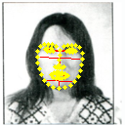
9871bf3d7c7f4d2c2c159538042114576135f7f8442c195bef848903bcba20ef | 18.03 | 9 | 14 | 31.06 | 17.03 | 46.04 | 31.02 | 39.01 | 21 | 55.71 | 27.81 | 43.26 | 96 | 52.63 | 142.29 | 95.85 | 120.56 | 64.9
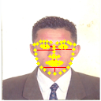
012a7a0b49462020cd1dc7144c6007c42d915dd78617687d15a9cc7d8b41f20d | 14 | 11 | 14 | 32.02 | 19 | 49.01 | 34 | 35.01 | 21.02 | 41.98 | 32.98 | 41.98 | 96 | 56.97 | 146.96 | 101.95 | 104.99 | 63.04

e150c2184bae177a021390e2024998648abf0118bd234088530d7bddf222df42 | 16.12 | 12 | 15.03 | 34.23 | 24.02 | 54.23 | 36.06 | 34.53 | 18.44 | 45.22 | 33.65 | 42.16 | 96 | 67.36 | 152.07 | 101.11 | 96.82 | 51.71
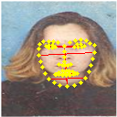
0c405081a1310067953bd525c372398cb5424c35da4882ff24bd973200157c93 | 21.02 | 13 | 21 | 42 | 24.02 | 61.07 | 40.01 | 44.1 | 23.09 | 48.05 | 29.71 | 48 | 96 | 54.9 | 139.6 | 91.46 | 100.8 | 52.77

0b31feda9f79d6b8321c13e8ae62a9dc82b102aad0f60f0cfdbe13b69a3c3431 | 15 | 8 | 11 | 25.02 | 17 | 38.01 | 25 | 33.02 | 18.03 | 57.55 | 30.7 | 42.21 | 96 | 65.23 | 145.85 | 95.92 | 126.68 | 69.17
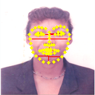
9f0a35f1716c69ff73849e95401bfe3f2c66258700dfbac06d5b56ec97fb6c8a | 18 | 12 | 16 | 37.01 | 25 | 53 | 35.01 | 41.01 | 23.02 | 46.69 | 31.12 | 41.5 | 96 | 64.84 | 137.46 | 90.81 | 106.37 | 59.71
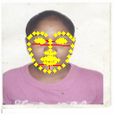
81f6356ab2d9dd9969ebffa6b921fba538a230e9b6a35a586993786b108d8727 | 15 | 10 | 15 | 33.02 | 18.03 | 49.04 | 31.02 | 35.01 | 20.02 | 43.62 | 29.08 | 43.62 | 96 | 52.42 | 142.6 | 90.19 | 101.81 | 58.23
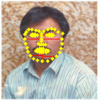
9cc035e5d1dc4c09a0ba21559baf3ece7cf0bc13073cfc6651f9ef160754aeac | 14 | 9.06 | 12 | 28 | 16 | 47 | 33.02 | 35.01 | 21.02 | 48 | 31.05 | 41.14 | 96 | 54.86 | 161.14 | 113.19 | 120.05 | 72.08
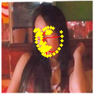
48e8b62307c205650af03d246a1fd46282b7edd970707974ff132fccd8441508 | 14.14 | 6.08 | 8.06 | 19.24 | 12.04 | 35.23 | 21.02 | 32.02 | 18.03 | 70.58 | 30.36 | 40.24 | 96 | 60.1 | 175.82 | 104.93 | 159.78 | 89.97
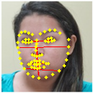
39f47eace8589a2f2730bbd1a4cd46daf6422e324890263690f38c6f424616f5 | 22 | 13 | 19.03 | 43.05 | 27.02 | 70.01 | 48.09 | 52.09 | 30.15 | 49.06 | 28.99 | 42.43 | 96 | 60.26 | 156.13 | 107.26 | 116.16 | 67.24
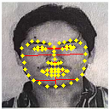
68062c00839d429588907db6198613453b2f9a0a10252246af965b828fdd3a33 | 20.02 | 15 | 20 | 46.04 | 30 | 74.03 | 51.01 | 46.04 | 26.02 | 41.75 | 31.27 | 41.7 | 96 | 62.55 | 154.35 | 106.35 | 96 | 54.25
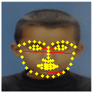
3c8e7ff44aa5aa647de49e7bd1b392203f117352e9de6b7563257a77c65662a2 | 19 | 13.04 | 21 | 49 | 26.02 | 73.06 | 45.01 | 40.01 | 21.02 | 37.22 | 25.54 | 41.14 | 96 | 50.98 | 143.14 | 88.19 | 78.39 | 41.19
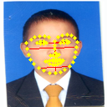
06ec8c2dc801a3045348f3a2fbf373fc33e7fb806b350877f60eac77400d8275 | 18.03 | 10.05 | 17 | 38.01 | 21.02 | 59.03 | 37.05 | 38.01 | 20 | 45.53 | 25.38 | 42.93 | 96 | 53.09 | 149.09 | 93.58 | 96 | 50.51
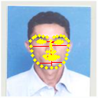
269b72167a918557d9293548b91f9072f7eea69690e3f893d0cee301fdfdd21e | 15.03 | 10 | 14.04 | 32 | 19.03 | 49.01 | 34.01 | 35.01 | 20 | 45.1 | 30 | 42.11 | 96 | 57.08 | 147.03 | 102.04 | 105.04 | 60
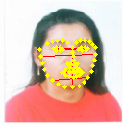
8019e1e2a55ab5c227233a5c09b077b349f74f47c6f73e4bcd32175ad0052ce1 | 18.03 | 10 | 16 | 36 | 21 | 57.04 | 37.12 | 41 | 23.02 | 48.07 | 26.67 | 42.67 | 96 | 56 | 152.09 | 98.99 | 109.33 | 61.39
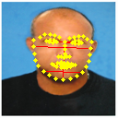
45fa5e6e35f7c264d1583bec80852e72ff35118520f5354cbcdd7965eeecf302 | 17.03 | 12 | 17.03 | 38.05 | 25.02 | 62.03 | 42.01 | 41.05 | 24.02 | 42.96 | 30.27 | 42.96 | 96 | 63.12 | 156.5 | 105.99 | 103.56 | 60.6
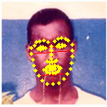
ab08c7daf7127a90b51826f3f5f179cb37098ed0f35cb588079152de369ef580 | 19.03 | 11.05 | 14.14 | 32.25 | 20.1 | 49.16 | 34.06 | 45.04 | 26.02 | 56.64 | 32.88 | 42.1 | 96 | 59.83 | 146.35 | 101.39 | 134.09 | 77.45
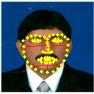
38aeb72301800eb5998b43597518a27f7ff1435e17d3f1795c8be922cc14c8b4 | 18.03 | 12 | 18 | 39 | 24 | 60.03 | 41.05 | 45 | 27.02 | 44.38 | 29.54 | 44.31 | 96 | 59.08 | 147.77 | 101.04 | 110.77 | 66.51
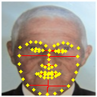
27169fea60c29126c2eb8171a214dbe96238faa8b9cd6d0b66a8626d3c2cf47d | 24.02 | 18 | 17.03 | 44.05 | 30 | 77.01 | 54.01 | 58.08 | 34.06 | 52.36 | 39.23 | 37.12 | 96 | 65.39 | 167.84 | 117.72 | 126.58 | 74.23
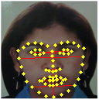
fc82f154d7a1ffbe8ef232eb49c8b9157fc021654baeae94c25220bbf8ce71f6 | 26.02 | 18.03 | 21 | 52.01 | 33.06 | 83.02 | 55.04 | 59.03 | 33.02 | 48.03 | 33.28 | 38.76 | 96 | 61.02 | 153.25 | 101.59 | 108.97 | 60.94
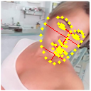
56ac545e571714688a095f21cf58a10e81311b30d5a2f1a4d1ace83e746cb55f | 22.47 | 12.81 | 15 | 35 | 24.41 | 56.3 | 37.22 | 51.04 | 28.6 | 61.64 | 35.13 | 41.14 | 96 | 66.96 | 154.43 | 102.08 | 139.99 | 78.45

25c77dc1d122c603a7c9e90af06d20522a61bfb0e18da7fc13bff75e6d820b07 | 12.04 | 8.06 | 9.22 | 24.33 | 13.34 | 41.19 | 27.02 | 34.53 | 22.56 | 47.51 | 31.81 | 36.38 | 96 | 52.64 | 162.54 | 106.6 | 136.22 | 89.02
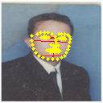
28e4e1962db5f32f286dc9f7948479e87d6818b13a337428fd62b3fa51aa9060 | 12 | 9.06 | 13.04 | 30.07 | 16.03 | 47.04 | 32 | 28.16 | 16.28 | 38.31 | 28.91 | 41.63 | 96 | 51.19 | 150.2 | 102.17 | 89.91 | 51.98
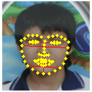
7ea5c83ffc25eb8a2078b92dbbb5f0cd97ba400c8957e1afb10dff66d96dbeb8 | 20.02 | 13.04 | 19.03 | 42.01 | 25.02 | 64.07 | 45.1 | 45.04 | 25.02 | 45.76 | 29.79 | 43.48 | 96 | 57.17 | 146.4 | 103.06 | 102.93 | 57.17

a8211eea48ca6da2c45260d25dea2f03331416de7a91c6e574ee9027ad12bdc3 | 9.06 | 6 | 8.25 | 17.26 | 11.18 | 26.68 | 18.03 | 20.62 | 11.7 | 50.36 | 33.37 | 45.86 | 96 | 62.18 | 148.39 | 100.25 | 114.65 | 65.09

74498a04f65a11a8720b4e9ce7538f8b0016184f093a6e6650ce4da6fe330dd4 | 13.93 | 8.25 | 10.2 | 26.68 | 16.49 | 41.48 | 26.57 | 30.08 | 16.28 | 50.11 | 29.67 | 36.69 | 96 | 59.34 | 149.25 | 95.59 | 108.23 | 58.57

e712fabffc163f4638f13ce3817c10bb357821f1dcf277a113dbc7f9a55262d3 | 13.15 | 10.05 | 13.15 | 29.15 | 20.1 | 46.27 | 30.15 | 32.39 | 19.24 | 43.31 | 33.09 | 43.31 | 96 | 66.18 | 152.36 | 99.28 | 106.65 | 63.34
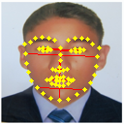
cf9f623f54666fda73e68f71bedf102e8911ea6e2f9053182792cb57257341e7 | 24.02 | 15 | 21.02 | 46.01 | 27 | 74.06 | 49.04 | 54.01 | 30 | 50.12 | 31.3 | 43.87 | 96 | 56.33 | 154.53 | 102.32 | 112.69 | 62.59
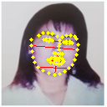
8be22f4c1d8a34f9202a6b19ba8ec25d587aab57e92357b9da03b6bd5628ac58 | 16.12 | 10.05 | 14.14 | 34.23 | 19.1 | 55.23 | 37.01 | 41.44 | 25.32 | 45.22 | 28.18 | 39.66 | 96 | 53.57 | 154.87 | 103.79 | 116.2 | 71
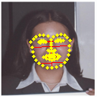
1e373f2cddceebd03cc352e50c80de11ca5e088247b53a9ceed9edca8f37ff5c | 15.03 | 9 | 13.04 | 32.06 | 21.02 | 49.04 | 34.01 | 37.01 | 22 | 45.01 | 26.95 | 39.04 | 96 | 62.95 | 146.84 | 101.85 | 110.82 | 65.87
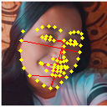
087077c964388c07513983139688136c285acab49d05febe507ff54bbc742c71 | 26.31 | 16.12 | 16.28 | 41.77 | 32.39 | 71.39 | 44.05 | 59.2 | 33.24 | 60.45 | 37.06 | 37.41 | 96 | 74.43 | 164.05 | 101.22 | 136.06 | 76.39
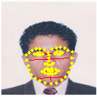
97fb04ae5936b33a9aa40b5b9e05331da80df19618b13c2d303093a9ad34326e | 16.12 | 11.05 | 16.03 | 37.05 | 22.02 | 59.08 | 40.05 | 41.19 | 25.08 | 41.78 | 28.62 | 41.53 | 96 | 57.06 | 153.06 | 103.76 | 106.73 | 64.98
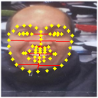
f5e5db41c1687a9bbf7dcf3884b55d93b2e62ca325f1a8c7f96ac6509126b655 | 22.02 | 21.02 | 24 | 55 | 42.01 | 82.02 | 59.01 | 52.15 | 30.15 | 38.44 | 36.7 | 41.89 | 96 | 73.33 | 143.17 | 103 | 91.03 | 52.62

3c7d3ba8e43d2817f1054ed0ada2989b71c504ce832dbd565139e4520813bae8 | 17 | 10 | 15 | 34 | 19.03 | 54 | 35.06 | 33 | 16 | 48 | 28.24 | 42.35 | 96 | 53.72 | 152.47 | 98.98 | 93.18 | 45.18
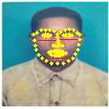
0dc59a3ef3cba556e62df7f7c93e49bcc3cea249de28eb942cebae9874660cbe | 14 | 11 | 15 | 34 | 20.02 | 53.01 | 36 | 34 | 20 | 39.53 | 31.06 | 42.35 | 96 | 56.54 | 149.67 | 101.65 | 96 | 56.47
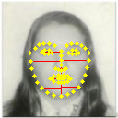
1e4bd3aa2516ec2507fe6038b89b43f81580f6881264784bfe412e3457bfa192 | 21 | 11 | 18 | 40.01 | 22 | 63.01 | 40.01 | 49 | 28 | 50.38 | 26.39 | 43.19 | 96 | 52.78 | 151.17 | 96 | 117.56 | 67.18

