Sheet1
 |  |  |  |  |  |  |  |  |  | Tested By
 |  |  |  |  | group 1 | group 2 | group 3 | group 4 | group 5 | group 6 | group 7 | group 8 | group 9 | group 10 | group 11 | group 12
ID | Group | Requirement | Implemented In | UI XREF
1 | 10 | The page shall show all available players in as a list on the Join Game page. | displayPlayers() | UI001 | test 1, steps 10-20 |  |  |  |  |  |  |  |  |  |  |  |  | cut and paste the screenshot of each page in this part of the spreadsheet, please. use as much space is needed.
2 | 34 | BOT II shall return a list of game move(s) to game manager | uta.cse3310.Bot.BotII.sendMove
3 | 34 | Bot II shall receive the game board from the gamemanger | uta.cse3310.Bot.BotII.requestMove
4 | 34 | Bot II shall implement a fixed strategy against either BotI or person to determine what move(s) should be made | uta.cse3310.Bot.BotII.implementBotStrategy
5 | 34 | Bot II shall be able to capture pieces | uta.cse3310.Bot.BotII.implement BotStrategy
6 | 34 | Bot II shall follow game rules of checkers according to https://en.wikipedia.org/wiki/English_draughts | uta.cse3310.Bot.BotII.determineMoves
7 | 34 | BotII shall be able to make one or more moves on the given game board/state | uta.cse3310.Bot.BotII.determineMoves
8 | 34 | Bot II shall be given a request to make its move and return its move within the same function call | uta.cse3310.Bot.BotII.requestMove
9 | 34 | Bot II shall evaluate multiple different moves | uta.cse3310.Bot.BotII.determineMoves
10 | 34 | BotII shall be able to play against BotI with the same interface | uta.cse3310.Bot.BotII.requestMove
11 | 34 | BotII shall be able handle logic where a piece is a king | uta.cse3310.Bot.BotII.determineMoves
12 | 34 | BotII Shall assign a basic elo rating to each set of moves (normal, jump move) | uta.cse3310.Bot.BotII.determineMoves
13 | 34 | BotII shall ensure the move attempted is valid move | uta.cse3310.Bot.BotII.isValidMove
14 | 34 | BotII shall ensure it can check both ways to move (diagonal left, diagonal right) | uta.cse3310.Bot.BotII.checkSingleMove
15 | 34 | BotII shall be able to check the validity of a normal move and a jump/capture move | uta.cse3310.Bot.BotII.isValidMove
16 | 34 | BotII shall be able to determine how many moves or rows a piece is away from becoming a king after a move | uta.cse3310.Bot.BotII.movesToKing
17 | 34 | BotII shall increase the ELO rating for a move depending on how far away the piece is from becoming king | uta.cse3310.Bot.BotII.determineMoves
18 | 34 | BotII shall increase the elo rating for a jump/capture move | uta.cse3310.Bot.BotII.determineMoves
19 | 34 | BotII shall sort possible moves according to the selected strategy (aggressive or passive) based on their ELO ratings | uta.cse3310.Bot.BotII.implementBotStrategy
20 | 34 | BotII shall select the highest ELO-rated move when playing aggressively and the lowest ELO-rated move when playing passively | uta.cse3310.Bot.BotII.implementBotStrategy
21 | 34 | BotII shall update its strategy during gameplay based on the current board state | uta.cse3310.Bot.BotII.playStyle
22 | 34 | BotII shall switch to defensive strategy when at a numerical disadvantage | uta.cse3310.Bot.BotII.playStyle
23 | 34 | BotII shall determine if thegiven board is a start board (i.e. BotII has made no moves and the opponent has made 0 or 1 moves) | uta.cse3310.Bot.BotII.isFirstMove
24 | 34 | BotII shall make a basic move if the given game board is a start game board | uta.cse3310.Bot.BotII.startMove
25 | 34 | BotII shall, before every move determination flush the moves object | uta.cse3310.Bot.BotII.requestMove
26 | 34 | BotII shall, for every piece that belongs to it, determine the moves that piece can make, add it to a list and sort that list by ELO rating | uta.cse3310.Bot.BotII.determineMoves
27 | 33 | Bot 1 shall use a fixed strategy to determine its moves when playing against the user or Bot II. | Bot1.java / requestMove()
28 | 33 | Bot 1 shall receive the current game board state from the Game Manager via the requestMove(Board board) method. | Bot1.java / requestMove()
29 | 33 | Bot 1 shall return its selected move(s) to the Game Manager via the sendMove()method. | Bot1.java / sendMove()
30 | 33 | Bot 1 shall communicate with the Game Manager via function calls | Bot1.java / requestMove(), sendMove()
31 | 33 | Bot 1 shall be able to play against Bot 2 using the same interface. | Bot1.java / requestMove(), sendMove()
32 | 33 | Bot 1 shall not store any game state locally; all state will reside with the Game Manager. | Bot1.java / requestMove(), flushMoves()
33 | 33 | Bot 1 shall correctly determine and evaluate all legal moves, including normal and capture moves, for all its pieces on the board. | Bot1.java / determineMoves(), playNormalMove(), playCapture()
34 | 33 | Bot 1 shall utilize a LinkedList<Move> to represent and manage sequences of moves, including potential chains for multi-jump captures. | Bot1.java / sendMove(), determineMoves()
35 | 33 | Bot 1 shall avoid moves that expose its pieces to immediate counter-capture, especially in the passive strategy. The defensive strategy will lower the score of such moves to discourage risky decisions. | Bot1.java / passiveStrategyImplementation()
36 | 33 | Bot 1 shall send all move(s) to the Game Manager in a single transmission when multiple captures occur. | Bot1.java / sendMove()
37 | 33 | Bot 1 shall follow the rules for the game that come from https://en.wikipedia.org/wiki/English_draughts | Bot1.java / requestMove()
38 | 33 | Bot I shall use this function to dynamically change the strategy depending on the output of countallPieces() | BotI.java / isAggressive()
39 | 33 | Bot I shall count the board for all the pieces | BotI.java / countallPieces()
40 | 33 | Bot I shall play more aggressively (push forward more) if it has more pieces than the player. | BotI.java / aggressiveStrategyImplementation
41 | 33 | Bot I shall play more cautiously if it has less pieces than player. | BotI.java / passiveStrategyImplementation
42 | 33 | Bot I shall advance a space if the square is empty given that the space does not have an enemy piece on it. | BotI.java / playNormalMove
43 | 33 | Bot I shall evaluate and add a capturing move if the move exists and is legal. | BotI.java / playCapture
44 | 33 | Bot I shall identify whether a given move is a capturing move by evaluating the distance between the start and destination squares and checking for an opponent piece in between. | BotI.java / isCapturingMove
45 | 33 | Bot I shall determine if a move places its piece in a vulnerable location where it can be captured by the opponent. | BotI.java / insideDangerRegion
46 | 33 | Bot I shall evaluate if a given board position can be used by the opponent to attack. | BotI.java / canBeAttackedFrom
47 | 33 | Bot I shall check if a move leaves the piece protected by an adjacent friendly piece. | BotI.java / hasBackupAfterMove
48 | 33 | Bot I shall detect if a square is occupied by a friendly piece to determine support. | BotI.java / hasSupportAt
49 | 33 | Bot I shall know the boundaries of the board so prevent plays made out of the board. | BotI.java / isInsideBoard
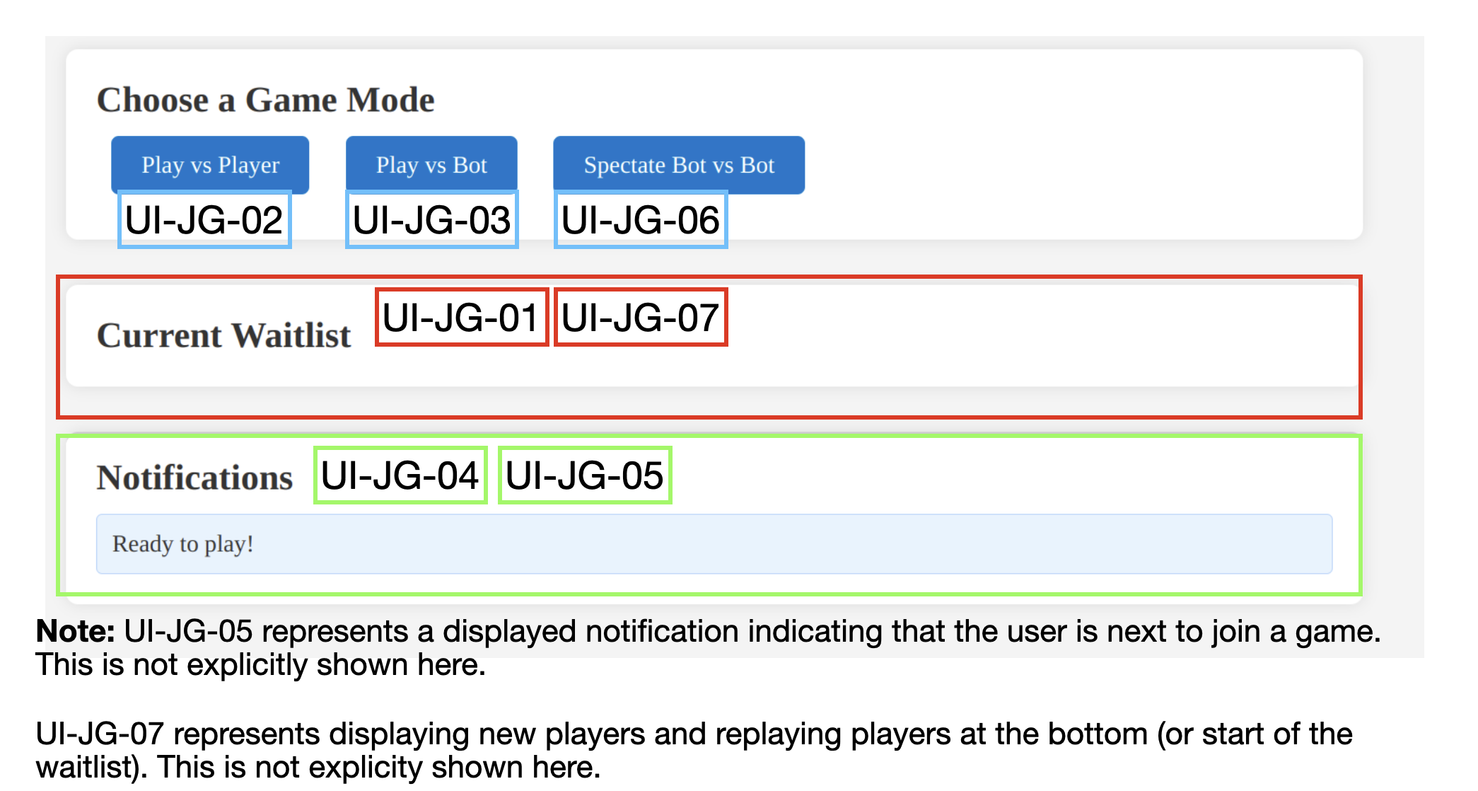
50 | 26 | The program shall display a waitlist of available players ready to play with their usernames and IDs in the order that the players joined. | joingame/Waitlist.js/displayWaitlist() | UI-JG-01
51 | 26 | The program shall display a button for a game against another user. | webapp/index.html | UI-JG-02
52 | 26 | The program shall display a button for a game against a bot. | webapp/index.html | UI-JG-03
53 | 26 | The program shall update the waitlist as players login and join/leave a game. | joingame/Waitlist.js/add(), joingame/Waitlist.js/remove() | N/A
54 | 26 | The program shall display a notification with updates to the waitlist. | joingame/DisplayNotification.js/displayNotification() | UI-JG-04
55 | 26 | The program will display a notification to the user when they are next to join a game. | joingame/DisplayNotification.js/displayNotification() | UI-JG-05
56 | 26 | The program shall have display a button to spectate a game of 2 bots playing against each other. | joingame/MatchMaker.js/requestSpectateBotVsBot() | UI-JG-06
57 | 26 | The program will display players that choose to replay and new players at the bottom of the waitlist. | joingame/Waitlist.js/displayWaitlist() | UI-JG-07
58 | 26 | The program will load usernames and IDs in waitlist and display them within 2 seconds of logging in/joining a game. | joingame/Waitlist.js/displayWaitlist() | N/A
59 | 26 | The web interface of the Join Game component will be written in HTML5. | webapp/index.html | N/A
60 | 26 | The program will be compatible with the web browsers Chrome, Firefox, and Safari. | joingame | N/A
61 | 26 | The interactive and dynamic functionality within the component will be written in JavaScript. | joingame/Communication.js, Data.js, Displaynotification.js, MatchMaking.js, Waitlist.js | N/A
62 | 26 | When the button to play against another player is pressed, the program will send the player information along with the game mode to the Page Manager component to initalize the pairing up process to begin a game. | joingame/MatchMaker.js/requestPlayerMatch() | N/A
63 | 26 | When the button to play against a bot is pressed, the program will send the player information along with the game mode to the Page Manager component to intialize the process to start a game against a bot. | joingame/MatchMaker.js/requestBotMatch() | N/A
64 | 26 | When a player(s) requests to join a game, the program removes their name from the waitlist. | joingame/Waitlist.js/remove() | N/A
65 | 26 | When a player(s) logins successfully, the program adds their name to the waitlist. | joingame/Waitlist.js/add() | N/A
66 | 26 | The program will receive player information (username and ID) from the Page Manager through a websocket. | joingame/Communication.js/handlePlayerData() | N/A
67 | 26 | The program will create a player instance based on the provided data from the Page Manager. | joingame/Data.js/constructor() | N/A
68 | 26 | The program will send player information (username and ID) and their selected game mode to the Page Manager through a websocket. | joingame/Communication.js/sendPlayerAttributes() | N/A
69 | 26 | When the button to spectate a game of two bots playing against each other, the program will send players' username and ID along with the game mode to Page Manager to intialize the process to start the game | joingame/MatchMaker.js/requestSpectateBotVsBot() | N/A
70 | 35 | After a game concludes, the players go to the end of the line waiting for the new game | GameTermination.java/checkGameOver()
71 | 35 | The results of every game played will be stored into a database, and shall be used for building the contents of the leaderboard. | GameResult.java/saveResultsToDatabase()
72 | 35 | The system will detect a draw, if one occurs | GameTermination.java/checkGameOver()
73 | 35 | The system will have an understanding of the game rules in order to detect winnings after each play, and check for legalMoves to terminate the game | GameResult.java/checkForLegalMoves(), getWinner()
74 | 35 | The subsytem will send game termination information to database, only when the game ends through a final summary | GameTermination.java/saveResultsToDatabase()
75 | 35 | The subsystem will send a final termination message to game play once a match is over | GameTermination.java/endGame(), sendResults()
76 | 35 | The subsystem will handle a confirmation response from the database. | GameResult.java/confirmDataStored()
77 | 35 | The subsytem will track the captured pieces, in order to determine who has lost the game | GameResult.java/trackCapturedPieces()
78 | 35 | The subsystem will keep track of the player scores after a move, as well as update them | GameResult.java/updateScores(), getScore()
79 | 27 | The game will run as a Java program with JavaScript/HTML clients. | Java WebSocket Server connection object in client JS
80 | 27 | The rules follow English Draughts from Wikipedia. | game_display_checkers.js/CheckersBoard.handle_checkers_piece_click()
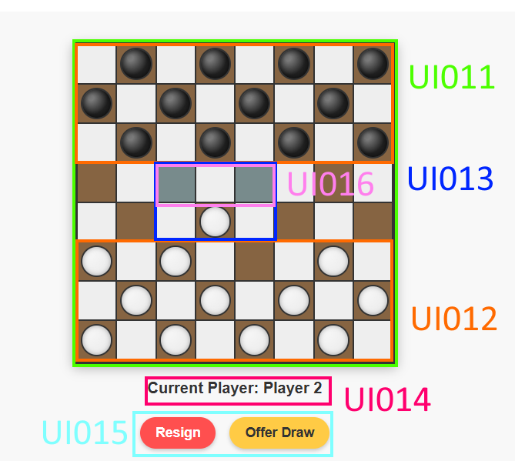
81 | 27 | Display a standard 8x8 checkers board grid with alternating dark and light squares. Board layout should be clear and consistent, with the dark square at the bottom left corner. | game_display_checkers.js/CheckersBoard.update_board_style(), game_display_checkers.js/CheckersBoard.create_checkers_board() | UI011
82 | 27 | Display checker pieces for both players. Regular and king pieces should be visually different, and valid moves must be highlighted when a piece is selected. | game_display_checkers.js/CheckersBoard.update_board_style(), CSS styling in game_display_checkers.js/update_board_style() | UI012
83 | 27 | The game will allow selection of pieces and display valid move destinations by commuicating with other teams. Display feedback for illegal moves, captures, and multiple jump possibilities, as provided by other responsible teams to the game display team. | game_display_checkers.js/CheckersBoard.handle_checkers_piece_click(), game_display_checkers.js/CheckersBoard.show_possible_moves() | UI013
84 | 27 | Display current player's turn, player names (ID). | game_display_checkers.js/CheckersBoard.update_current_player(), game_id | UI014
85 | 27 | Implement method for other teams to send messages to the players. | game_display_checkers.js/game_display_popup_messages()
86 | 27 | Keep game board hidden until the game starts. Enable or disable move interface based on game state and player's turn. This must be controlled by page manager. | game_display_checkers.js/CheckersBoard.create_checkers_board()
87 | 27 | Provide buttons for resigning, and offering draw. | game_display_checkers.js/handle_resign(), game_display_checkers.js/offer_draw(), game_display_checkers.js/add_game_display_user_control_event_listener() | UI015
88 | 27 | Indicate who moves first. | game_display_checkers.js/CheckersBoard constructor, game_display_checkers.js/update_current_player()
89 | 27 | Display all valid moves for a selected piece. Valid moves are determined by backend and visualized on the board. | game_display_checkers.js/CheckersBoard.show_possible_moves(), game_display_checkers.js/return_allowed_moves(), game_display_checkers.js/is_valid_move() | UI016
90 | 27 | Send all player moves to the backend. Game display collects and formats movement data. | game_display_checkers.js/CheckersBoard.move_checkers_piece(), WebSocket message: {type: "move", ...}
91 | 27 | Support multiple concurrent game instances by designing the checkers board as a reusable class. | CheckersBoard class construction and design pattern
92 | 27 | Automatically rotate the board 180 degrees for the black player to maintain player perspective. | game_display_checkers.js/CheckersBoard.rotateBoardIfBlack()
93 | 27 | Implement robust error handling in UI functions with clear feedback. | Try/catch blocks, game_display_checkers.js/game_display_popup_messages()
94 | 27 | Define a standardized JSON message format for client-server communications with type-based message handling. | WebSocket message formatting in game_display_checkers.js/game_display_handle_websocket_received_data()
95 | 27 | Automatically promote pieces to kings upon reaching the opponent's back row and update visuals. | game_display_checkers.js/move_checkers_piece(), game_display_checkers.js/update_board_style()
96 | 27 | Manage game state transitions and update UI appropriately during turn changes or game completion. | game_display_checkers.js/update_current_player(), game_display_checkers.js/game_display_handle_websocket_received_data()
97 | 27 | Notify players of game events such as opponent moves and game end. | Message handling in game_display_checkers.js/game_display_handle_websocket_received_data()
98 | 27 | Prevent duplication of event listeners. | game_display_checkers.js/register_buttons_to_event_listener()
99 | 36 | Game Play shall determine whether a move is legal or not and decides whether a piece has been captured. | GamePlay.GamePlay.returnBoard
100 | 36 | A checker's piece shall not move to a spot taken by another checker's piece. If the user attempts to move in a spot that is taken send an error message to Game Manager | GamePlay.rules.isLegal
101 | 36 | A checker's piece shall only move diagonally up the board unless it is marked by a crown, allowing the piece to move diagonally up and down. | GamePlay.rules.isLegal
102 | 36 | A checker's piece shall not move beyond the border of the playing field. | GamePlay.rules.inBounds
103 | 36 | Game Play shall communicate with Game Manager, notifying whether the requested move is legal and whether a piece has been captured. | GamePlay.GamePlay.returnBoard
104 | 36 | A player shall not be allowed to move checker pieces of their oponent | GamePlay.rules.canMovePiece
105 | 36 | The user is able to make multiple successive jumps during one turn, if each jump captures an opponents piece and follows the rules associated with the user's cheker piece (i.e a king could do this in either a backwards or forwards direction, and a regular piece is only able to do this in a forward direction) | GamePlay.rules.isLegal
106 | 36 | The user must capture an opponent's piece if a legal move is presented/available | GamePlay.rules.isLegal / GamePlay.GamePlay.returnBoard
107 | 36 | The bot should be subject to the same rules as the user | GamePlay.GamePlay.returnBoard
108 | 36 | A king checker piece is not able to move both up and down during one turn. It must choose to either move up or down | GamePlay.rules.isLegal
109 | 36 | If the user is presented two different opportunities to capture an opponents checker piece during their turn, they are allowed to chose which checker's piece they capture | GamePlay.rules.isLegal
110 | 36 | A king checker piece shall be held to the same capture rules as a regular checker piece. | GamePlay.rules.isLegal
111 | 36 | A captured piece shall be removed from the game | GamePlay.rules.isLegal
112 | 36 | A pieces move length shall be proportional to the amount of the opponent's pieces the moving piece jumps over. | GamePlay.rules.returnBoard
113 | 36 | GamePlay shall return a list of possible moves a player can take during their turn | GamePlay.GamePlay.returnMoves
114 | 31 | The PairUp subsystem shall allow the user to be matched with another user if the user desires to play against another user | PairUp/Matchmaking/pair
115 | 31 | The PairUp subsystem shall allow the user to be matched with a bot if the user desires to play against a bot | PairUp/Matchmaking/pair
116 | 31 | The PairUp subsystem shall allow a bot to play against another bot | PairUp/Matchmaking/pair
117 | 31 | The PairUp subsystem shall manage a "matchmaking" pool with players that are looking for a match against another player | PairUp/Matchmaking/matching
118 | 31 | The PairUp subsystem shall allow other subsystems to add/remove/search/clear players from the matchmaking pool | PairUp/PairUp
119 | 31 | The PairUp subsystem shall allow other subsystems to "ping" the matchmaking pool, which tells the matchmaker to look for possible pairs in the current pool | PairUp/ping
120 | 31 | The PairUp subsystem shall provide information of the two entities that were matched for a game to game manager | PairUp/Matchmaking/pair
121 | 31 | The PairUp subsystem shall keep track of information of players in queue, including their timeOfEntry, playerID, playerName, if their playAgainstBot, and wins | PairUp/PlayerInMatchmaking/N/A
122 | 31 | The PairUp subsystem shall keep track of all match information before sending it to game manager | PairUp/Match/N/A
123 | 31 | The PairUp subsystem shall implement a matchmaking algorithm to pair up players of the same skill range. The algorithm will instantly match those with a similar win count (+/- 1 win), but keep those that don't get matched instantly inside the matchmaking "pool". | PairUp/Matchmaking/matching
124 | 31 | The PairUp subsystem shall ensure that no player gets stuck in matchmaking for eternity, if a match can be made. A player will have a "priority" once they have been in queue for more than 60 seconds, pairing them with the next player that enters queue, regardless of their win count | PairUp/Matchmaking/matching
125 | 31 | The PairUp subsystem shall keep track of all players in the queue, using a LinkedHashMap that stores playerID as a key, and the "PlayerInMatchmaking" object as its value | PairUp/Matchmaking
126 | 31 | The PairUp subsystem shall routinely check for possible matches to prevent a standstill scenario. An asychrounous scheduler is used to "ping" the matching method, telling it to check for available pairings between players currently in the queue every 60 seconds. | PairUp/MatchmakingScheduler
127 | 31 | The PairUp subsystem will support direct matches, in which a player directly challenges another player to avoid going through the matchmaking process | PairUp/PairUp/pair
128 | 30 | The Database shall store player information and ranking of all users who create an account. | Uta.cse3310.DB.insertUser
129 | 30 | The Database shall retrieve player account when page manager interface requests it by matching it to a players unique Username. | Uta.cse3310.DB.getLeaderboard
130 | 30 | The Database will be created in SQLite3 | Uta.cse3310.DB. SQLiteConnector
131 | 30 | The Database shall update the rank for the winner and loser after a match has ended, which will be signaled by the game termination interface. | Uta.cse3310.DB. UpdatePlayer
132 | 30 | The Database shall display a query in which it orders all the accounts in ascending order by ranking having highest rank at the top. | Uta.cse3310.DB.getLeaderboard
133 | 30 | The query ranking the accounts shall be repeated after every match. | Uta.cse3310.DB.getLeaderboard
134 | 30 | The Database shall be updated, adding a new player if the player selects “create new account” button. Will also assign a unique ID to the player | Uta.cse3310.DB.insertUser
135 | 30 | The database shall store player information which includes the username and Unique ID. | Uta.cse3310.DB.insertUser
136 | 30 | The DB shall return an error message “username unavailable” if the username entered in the login interface matches any entries in the player table Database. | Uta.cse3310.DB.ValidateUser
137 | 30 | The DB will return player information and player ID to Pair up interface when it is requested and verified that a pair up is possible between players by the Pair up interface. | Uta.cse3310.DB.ValidateUser
138 | 30 | The player ranking shall be a calculated with the following formula Rn = Ro + K(W-We) Rn is the new rating. Ro the old (pre-event) rating. K a constant (32 for 0-2099, 24 for 2100-2399, 16 for 2400 and above). W the score in the event - i.e. for a single match win=1; draw=0.5; lose=0. We the expected score (Win Expectancy), from the following formula: We = 1/ (exp10(-dr/400) + 1) dr equals the difference in ratings. | Uta.cse3310.DB.GetRank
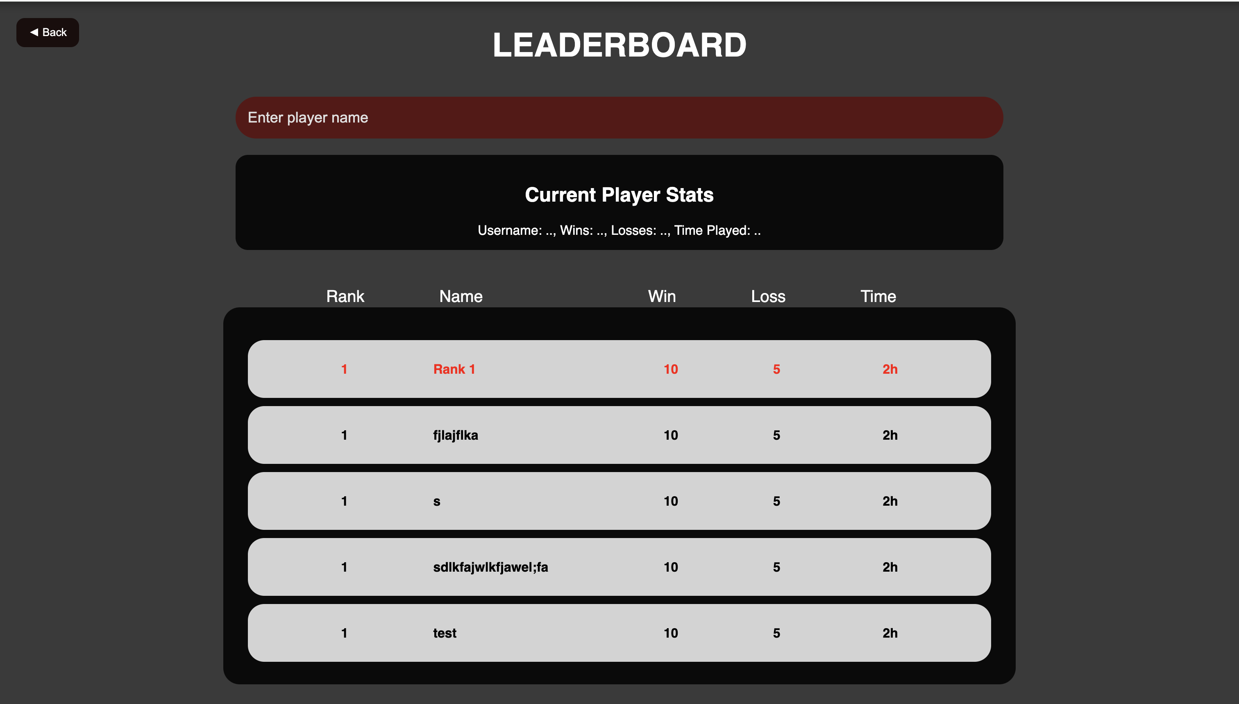
139 | 28 | A leaderboard will be displayed after each game | summary.html | U009 |  |  |  |  |  |  |  |  |  |  |  |  | Summary:
140 | 28 | The results of every game played will be stored into a database. And shall be used for building the contents of the leaderboard | summary.js | U010
141 | 28 | The leaderboard page shall display a search bar to search players ranks | summary.html
142 | 28 | The leaderboard page shall display the current players stats | summary.js
143 | 28 | The leaderboard page shall show a table that includes the top 100 players | summary.html
144 | 28 | The leaderboard shall display a players name, W/L, Wins, Losses, and Time played (most likely information) | summary.js
145 | 28 | The leaderboard page shall take information from the page manager and display that information | summary.js
146 | 28 | The leaderboard shall be coded in html | summary.html
147 | 28 | The leaderboard shall rank players based off highest win loss ratio | summary.js
148 | 28 | The leaderboard page shall have a back button that goes to main menu | summary.html
149 | 29 | The system shall convert JSON messages from the frontend into Java objects and send them to the correct part of the backend (like the database, matchmaking, or game logic). It shall also convert Java objects back into JSON to send responses. | JSONconverter in pairup_subsys.java, UserEvent.java, App.java
150 | 29 | The backend shall be written in Java and shall communicate with the frontend, which is made using JavaScript and HTML. The system shall work on any web browser. | PageManager.java
151 | 29 | After a game concludes, a leaderboard will be shown using score data sourced from the gameplay session. | getUserScore() in Summary.java
152 | 29 | The client interface will be a single HTML page that dynamically shows/hides relevant sections depending on the current game state. | Managed by frontend; enabled/disabled via received WebSocket events
153 | 29 | All messages sent and received over WebSockets will be in JSON format, converted to Java using a custom JSONconverter. | public class App in App.java (extends WebSocketServer)
154 | 29 | After a player makes a move, the system shall check the new game state and send an update to the players involved. | game_status in game_status.java, handleMoveRequest() in PageManager.java
155 | 29 | Each client that connects to the system shall be given a unique ID, which shall be used to send messages and manage game logic. | int clientId in App.java, linked via UserEvent.id
156 | 29 | The Java backend shall be event-driven. The GameManager shall run on a 1-second timer loop, and other parts of the system shall respond to events sent through WebSocket. | UserEvent in UserEvent.java, timer logic inside GameManager
157 | 29 | When the backend gets a move from the frontend, it shall check if the move is valid, apply it using the GameManager, and send the updated game status to both players. | handleMoveRequest(UserEvent) in PageManager.java, makeMove() in GameManager.java
158 | 29 | If a player resigns, the system shall log the event in the GameManager and send a message to both players to confirm the resignation and end the game. | handleResign(UserEvent) in PageManager.java, processResign() in GameDisplayConnector.java
159 | 29 | If a player offers a draw, the system shall notify the other player. If the draw is accepted, the game shall end and both players shall be notified. | handleDrawOffer(UserEvent) and handleDrawAccept(UserEvent) in PageManager.java
160 | 29 | All event handler methods shall return a `UserEventReply` that includes a `game_status` object and a list of client IDs who should receive the message. | UserEventReply in UserEventReply.java, game_status in game_status.java
161 | 29 | On game start, a show_game_display event will be sent to each player with their ID, assigned color, and starting player information. | buildShowGameDisplay() in GameDisplayConnector.java
162 | 29 | On game end (via win, resign, or draw), a hide_game_display event will be sent to all participants. | buildHideGameDisplay() in GameDisplayConnector.java
163 | 29 | The backend must support relaying move_made_by_other_player_or_bot messages to ensure clients update pieces visually. | processMove() in GameDisplayConnector.java
164 | 29 | Backend must support responding to get_allowed_moves requests and return a list of valid moves in valid_moves format. | processAllowedMovesRequest() in GameDisplayConnector.java
165 | 29 | The backend shall be able to send `notify_players` messages for things like game wins or losses, connection issues, or error alerts. | buildNotifyPlayers() in GameDisplayConnector.java
166 | 29 | The system shall return the game status for a player when given their player ID. | getGameinfo() in GameManagerSubsys.java
167 | 29 | The system shall retrieve game-related data such as the current turn, winner, loser, and draw status from the controller. | getGameinfo() in GameManagerSubsys.java
168 | 29 | Look up game sessions using client ID using GamePageController | getAllPlayerIDs(), processMove() in GamePageController.java
169 | 32 | The system shall have an object of squared data type for each individual board | GameManager/Board.getSquare, GameManager/Square.Square()
170 | 32 | The board shall be a 2D array of Square objects | GameManager/Board.Board()
171 | 32 | Move objects shall be linked list data structures to allow multiple steps in a single participant move | GameManager/Moves.Moves(), GameManager/move.Move()
172 | 32 | The system shall manage the game state for each active match | GameManager/Game.progressGame()
173 | 32 | The system shall enforce turn-based play using a boolean system | GameManager/Game.switchTurn()
174 | 32 | The system shall receive moves from players or bots and incorporate them from Square destination into the board | GameManager/Board.execute(), GameManager/Move.getStart()|.getDest()
175 | 32 | The system shall place each player ID to their designated board and team once they're matched together | GameManager/GamePairController.newMatch()
176 | 32 | The system shall receive moves performed by Bot 1 and Bot 2 | GameManager/Game, GameManager/GameManager.requestBotMoves
177 | 32 | The system shall have colors of white and black randomly assigned to each player, where one is white and the other is black | GameManager/Game.Game
178 | 32 | The system shall update the score of the player after a piece is captured | GameManager/Player.addScore()
179 | 32 | The system shall process a given Move object and respond with an disapproval alert if it is illegal | GameManager/GameManager.processMove()
180 | 32 | The system shall contain information of the position of the piece occupying a square | GameManager/Square.getRow()|.getColumn()
181 | 32 | The system shall contain information of the type of piece occupying a square | GameManager/Square.getColor()|.isKing()
182 | 32 | Move objects shall be utilized to encode the requested move from both players and bots | GameManager/Moves.makeMove()
183 | 32 | Checks whether the game is active | GameManager/Game.gameActive()
184 | 32 | Verfies whether slots are available to create a new game and creates one if so | GameManager/GameManager.createGame()
185 | 32 | Deals with game termination and notifies GameTermination | GameManager/GameManager.terminateGame()
186 | 32 | Deals with restarting the game | GameManager/GameManager.createGame()
187 | 32 | Initialises a new game with the relevant data to accomodate pairups | GameManager/GamePairController.newMatch()
188 | 32 | Deals with the piece count on the board | GameManager/Player.getPieces()
189 | 32 | Deals with the pieces taken | GameManager/Player.takePieces()
190 | 32 | PageManager shall be able to receive game ID's and the current board | GameManager/GamePageController.sendBoard()
191 | 32 | GamePlay shall be able to access a list of moves | GameManager/GamePageController.processMove()
192 | 32 | The system will support a maximum of 10 concurrent games | GameManager | U005
193 | 32 | Returns the game called by the searched player ID | GameManager/GamePageController.returnGame(), GameManager/GameManager.findGameByPlayerId
194 | 32 | Tracks captures being made | GameManager/Game.lastCapture()
195 | 32 | Returns the winner and loser of the game | GameManager/Game.getWinner()|.getLoser(), GameManager/GamePageController.getWinner()|.getLoser()
196 | 32 | Updates the state of the board | GameManager/Game.updateBoard(), GameManager/Board.getSquare()
197 | 32 | Checks whether the player is a bot or not | GameManager/Game.isPlayer1Bot()|.isPlayer2Bot()
198 | 32 | Checks if a player is in an active game | GameManager/GameManager.isPlayerInGame()
199 | 32 | Returns active game count | GameManager/GameManager.getActiveGameCount()
200 | 32 | Removes a player from game if needed | GameManager/GameManager.removePlayer()
201 | 32 | Processes player requests to quit game | GameManager/GameManager.playerQuit()
202 | 32 | Utilises pair made by GamePairController while creating games | GameManager/GameManager.createGame()
203 | 32 | Returns the player whose turn it is | GameManager/GamePageController.playerTurn()
204 | 32 | Returns that the game was declared a draw | GameManager/GamePageController.getDraw() |  |  |  |  |  |  |  |  |  |  |  |  |  | Input box:
205 | 25 | The login page must provide a text input field for the user to enter their username. | input-box in loginHander.js
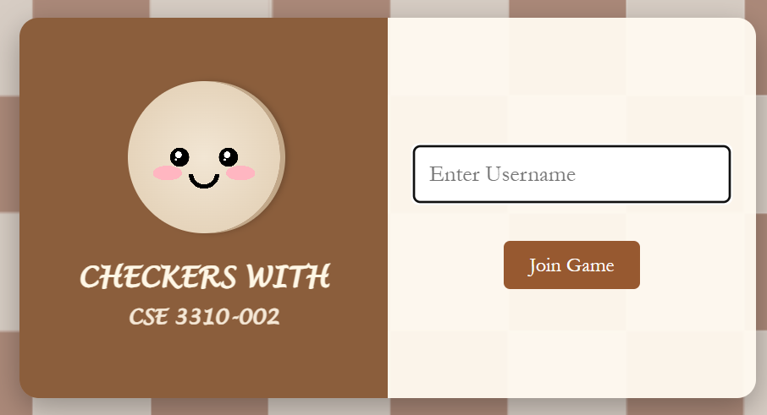
206 | 25 | Username must contain atleast 8 characters, 1 digit, and 1 special character. Message displays when wrong | onkeyup
207 | 25 | Pattern to be used for the username requirements: /^(?=.*\d)(?=.*[!@#$%^&*])[A-Za-z\d!@#$%^&*]{8,}$/ | onkeyup |  |  |  |  |  |  |  |  |  |  |  |  |  | Container:
208 | 25 | There are constraints on special characters that can be used in username. If found any, give an error message with the instructions. It should display | onkeyup, sendUsername()
209 | 25 | The login page shall display an alert if the username is invalid or missing upon form submission. | joinGame()
210 | 25 | The login page must have a button to "Join Game" once the user is done entering their username | button, .button-container, joinGame()
211 | 25 | Button hover shall darken the button to provide visual feedback on hover. | button:hoover
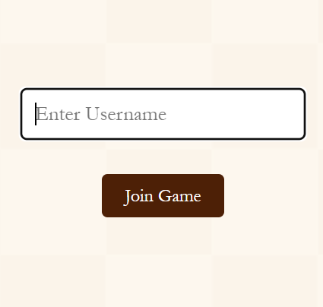
212 | 25 | Once the username is successfully submitted, the "join game" button should redirect the user to the game game. | joinGame() |  |  |  |  |  |  |  |  |  |  |  |  |  | button hoover:
213 | 25 | Communications between the html pages and the java code will be via a websockets. | loginHandler.js, WebSocket
214 | 25 | Websockets messages will be JSON encoded. | loginHandler.js, WebSocket
215 | 25 | Logic performed by other subsystems in Java, not in HTML | index.html only has structure, JS logic is in loginHandler.js
216 | 25 | The login page shall validate the username in real time as the user types. | onekeyup
217 | 25 | The login page shall show validation rules when the input field is focused. | uInput.onfocus, #message
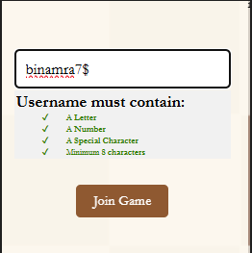
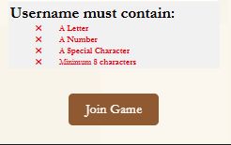
218 | 25 | The login page shall hide the validation message when the input field is blurred. | uInput.onblur |  |  |  |  |  |  |  |  |  |  |  |  |  | Instructions:
219 | 25 | The login page shall display ✓ or ✖ icons for each validation rule depending on input. | onkeyup, .valid, .invalid
220 | 25 | The login page shall alert the user with "Joining Game" upon valid submission. | joinGame()
221 | 25 | The username shall be unique, no duplicate usernames allowed. | recieveFromPageManager(msg), message

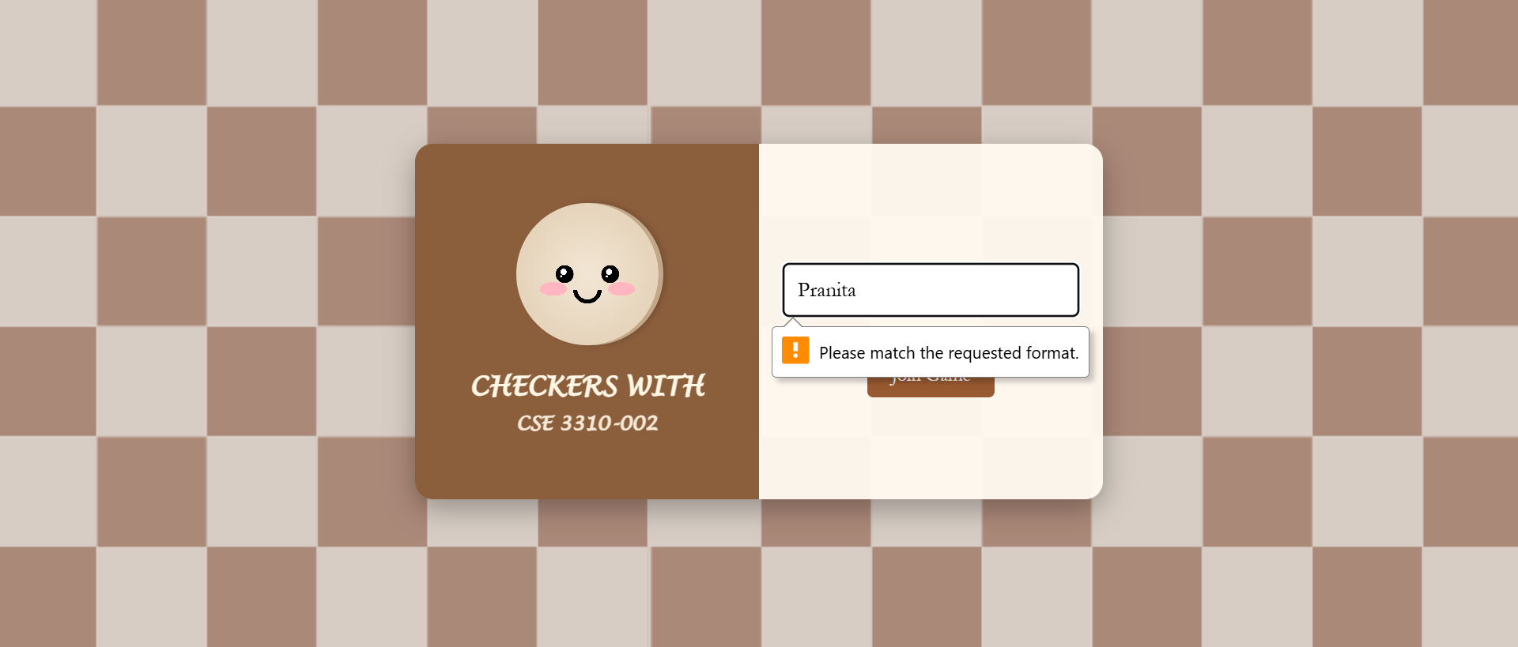
 |  |  |  |  |  |  |  |  |  |  |  |  |  |  |  |  | summary:

