Sheet1
 |  |  |  |  |  |  |  |  |  | Tested By
 |  |  |  |  | group 1 (Group 25) | group 2 (Group 26) - Join Game | group 3 (Group 27) | group 4 (Group 28) | group 5 (Group 29) | group 6 (Group 30) | group 7 (Group 31) | group 8 (Group 32) | group 9 (Group 33) | group 10 (Group 34) | group 11 (Group 35) | group 12 (Group 36)
ID | Group | Requirement | Implemented In | UI XREF
1 | 34 | BOT II shall return a list of game move(s) to game manager | uta.cse3310.Bot.BotII.sendMove |  |  | Unable to test |  | Unable to Test |  |  | Untestable |  | Unable to Test | Not Testable | Test 1, Steps 1-3
2 | 34 | Bot II shall receive the game board from the gamemanger | uta.cse3310.Bot.BotII.requestMove |  |  | Partially testable - may be observed by playing several games but full verfication would require code inspection |  | Unable to Test |  |  | Untestable |  | Unable to Test | Not Testable | This is not testable by the user
3 | 34 | Bot II shall implement a fixed strategy against either BotI or person to determine what move(s) should be made | uta.cse3310.Bot.BotII.implementBotStrategy |  |  |  |  |  |  |  |  |  |  |  | Test 1, Steps 1-5
4 | 34 | Bot II shall be able to capture pieces | uta.cse3310.Bot.BotII.implement BotStrategy |  |  |  |  |  |  |  |  |  |  |  | This is not testable by the user
5 | 34 | Bot II shall follow game rules of checkers according to https://en.wikipedia.org/wiki/English_draughts | uta.cse3310.Bot.BotII.determineMoves |  |  |  |  |  |  |  |  |  |  |  | Test 2, Steps 1-3
6 | 34 | BotII shall be able to make one or more moves on the given game board/state | uta.cse3310.Bot.BotII.determineMoves |  |  |  |  |  |  |  |  |  |  |  | Test 2, Steps 1-3
7 | 34 | Bot II shall be given a request to make its move and return its move within the same function call | uta.cse3310.Bot.BotII.requestMove |  |  | Unable to test |  | Unable to Test |  |  | Untestable |  | Unable to Test | Not Testable | Test 2, Steps 1-3
8 | 34 | Bot II shall evaluate multiple different moves | uta.cse3310.Bot.BotII.determineMoves |  |  | Unable to test - move evaluation is likely internal |  | Unable to Test |  |  | Untestable |  | Unable to Test | Not Testable | Test 2, Steps 1-3
9 | 34 | BotII shall be able to play against BotI with the same interface | uta.cse3310.Bot.BotII.requestMove |  |  |  |  |  |  |  |  |  |  |  | Test 2, Steps 1-2
10 | 34 | BotII shall be able handle logic where a piece is a king | uta.cse3310.Bot.BotII.determineMoves |  |  |  |  |  |  |  |  |  |  |  | Test 3, Steps 1-3
11 | 34 | BotII Shall assign a basic elo rating to each set of moves (normal, jump move) | uta.cse3310.Bot.BotII.determineMoves |  |  | Unable to test |  | Unable to Test |  |  | Untestable |  | Unable to Test | Not Testable | Test 2,Steps 1-3
12 | 34 | BotII shall ensure the move attempted is valid move | uta.cse3310.Bot.BotII.isValidMove |  |  | Unable to test |  | Unable to Test |  |  | Untestable |  | Unable to Test | Not Testable | This is not testable
13 | 34 | BotII shall ensure it can check both ways to move (diagonal left, diagonal right) | uta.cse3310.Bot.BotII.checkSingleMove |  |  | Unable to test |  | Unable to Test |  |  | Untestable |  | Unable to Test | Not Testable | This is redundant, we already have req 6
14 | 34 | BotII shall be able to check the validity of a normal move and a jump/capture move | uta.cse3310.Bot.BotII.isValidMove |  |  | Unable to test |  | Unable to Test |  |  | Untestable |  | Unable to Test | Not Testable | The user cannot control what moves the Bots actually chooses, therefore this cannot be tested
15 | 34 | BotII shall be able to determine how many moves or rows a piece is away from becoming a king after a move | uta.cse3310.Bot.BotII.movesToKing |  |  | Unable to test |  | Unable to Test |  |  | Untestable |  | Unable to Test | Not Testable | Test 2, steps 1-4
16 | 34 | BotII shall increase the ELO rating for a move depending on how far away the piece is from becoming king | uta.cse3310.Bot.BotII.determineMoves |  |  | Unable to test |  | Unable to Test |  |  | Untestable |  | Unable to Test | Not Testable | The user can test if the game approparitely identifies a piece that is eligble for king, but the user cannot determine the number of moves/rows
17 | 34 | BotII shall increase the elo rating for a jump/capture move | uta.cse3310.Bot.BotII.determineMoves |  |  | Unable to test |  | Unable to Test |  |  | Untestable |  | Unable to Test | Not Testable | This is not testable
18 | 34 | BotII shall sort possible moves according to the selected strategy (aggressive or passive) based on their ELO ratings | uta.cse3310.Bot.BotII.implementBotStrategy |  |  | Unable to test |  | Unable to Test |  |  | Untestable |  | Unable to Test | Not Testable | This is not testable
19 | 34 | BotII shall select the highest ELO-rated move when playing aggressively and the lowest ELO-rated move when playing passively | uta.cse3310.Bot.BotII.implementBotStrategy |  |  | Unable to test |  | Unable to Test |  |  | Untestable |  | Unable to Test | Not Testable | This is not testable
20 | 34 | BotII shall update its strategy during gameplay based on the current board state | uta.cse3310.Bot.BotII.playStyle |  |  | Req might be too unclear to test. |  |  |  |  |  |  |  |  | This not testable
21 | 34 | BotII shall switch to defensive strategy when at a numerical disadvantage | uta.cse3310.Bot.BotII.playStyle |  |  | Req might be too unclear to test. |  |  |  |  |  |  |  |  | This is not testable by the user
22 | 34 | BotII shall determine if thegiven board is a start board (i.e. BotII has made no moves and the opponent has made 0 or 1 moves) | uta.cse3310.Bot.BotII.isFirstMove |  |  | Unable to test |  | Unable to Test |  |  | Untestable |  | Unable to Test | Not Testable | This is not testable by the user
23 | 34 | BotII shall make a basic move if the given game board is a start game board | uta.cse3310.Bot.BotII.startMove |  |  | Unable to test |  | Unable to Test |  |  | Untestable |  | Unable to Test | Not Testable | This is not testable by the user
24 | 34 | BotII shall, before every move determination flush the moves object | uta.cse3310.Bot.BotII.requestMove |  |  | Unable to test |  | Unable to Test |  |  | Untestable |  | Unable to Test | Not Testable | Test 2, Steps 1-2
25 | 34 | BotII shall, for every piece that belongs to it, determine the moves that piece can make, add it to a list and sort that list by ELO rating | uta.cse3310.Bot.BotII.determineMoves |  |  | Unable to test |  | Unable to Test |  |  | Untestable |  | Unable to Test | Not Testable | This is not testable by the user
26 | 33 | Bot 1 shall use a fixed strategy to determine its moves when playing against the user or Bot II. | Bot1.java / requestMove() |  |  | Req might be too unclear as "fixed strategy" is not fully defined/ |  |  |  |  |  |  |  |  | This is not testable by the user
27 | 33 | Bot 1 shall receive the current game board state from the Game Manager via the requestMove(Board board) method. | Bot1.java / requestMove() |  |  | Unable to test |  | Unable to Test |  |  | Untestable |  | Unable to Test | Not Testable | Test 4, Steps 1-2
28 | 33 | Bot 1 shall return its selected move(s) to the Game Manager via the sendMove()method. | Bot1.java / sendMove() |  |  | Unable to test |  | Unable to Test |  |  | Untestable |  | Unable to Test | Not Testable | This is not testable by the user
29 | 33 | Bot 1 shall communicate with the Game Manager via function calls | Bot1.java / requestMove(), sendMove() |  |  | Unable to test |  | Unable to Test |  |  | Untestable |  | Unable to Test | Not Testable | This is not testable by the user
30 | 33 | Bot 1 shall be able to play against Bot 2 using the same interface. | Bot1.java / requestMove(), sendMove() |  |  |  |  |  |  |  |  |  |  |  | This is not testable by the user
31 | 33 | Bot 1 shall not store any game state locally; all state will reside with the Game Manager. | Bot1.java / requestMove(), flushMoves() |  |  | Unable to test |  | Unable to Test |  |  | Untestable |  | Unable to Test | Not Testable | Redundant, Req 10- covers this
32 | 33 | Bot 1 shall correctly determine and evaluate all legal moves, including normal and capture moves, for all its pieces on the board. | Bot1.java / determineMoves(), playNormalMove(), playCapture() |  |  | Unable to test |  | Unable to Test |  |  | Untestable |  | Unable to Test | Not Testable | This is not testable by the user
33 | 33 | Bot 1 shall utilize a LinkedList<Move> to represent and manage sequences of moves, including potential chains for multi-jump captures. | Bot1.java / sendMove(), determineMoves() |  |  | Unable to test |  | Unable to Test |  |  | Untestable |  | Unable to Test | Not Testable | Test 4, Steps 1-4
34 | 33 | Bot 1 shall avoid moves that expose its pieces to immediate counter-capture, especially in the passive strategy. The defensive strategy will lower the score of such moves to discourage risky decisions. | Bot1.java / passiveStrategyImplementation() |  |  | Unable to test |  | Unable to Test |  |  | Untestable |  | Unable to Test | Not Testable | This is not testable by the user
35 | 33 | Bot 1 shall send all move(s) to the Game Manager in a single transmission when multiple captures occur. | Bot1.java / sendMove() |  |  | Unable to test |  | Unable to Test |  |  | Untestable |  | Unable to Test | Not Testable | Test 4, Steps 1-4
36 | 33 | Bot 1 shall follow the rules for the game that come from https://en.wikipedia.org/wiki/English_draughts | Bot1.java / requestMove() |  |  |  |  |  |  |  |  |  |  |  | This is not testable by the user
37 | 33 | Bot I shall use this function to dynamically change the strategy depending on the output of countallPieces() | BotI.java / isAggressive() |  |  | Unable to test |  | Unable to Test |  |  | Untestable |  | Unable to Test | Not Testable | Test 4, Steps 1-4
38 | 33 | Bot I shall count the board for all the pieces | BotI.java / countallPieces() |  |  | Unable to test |  | Unable to Test |  |  | Untestable |  | Unable to Test | Not Testable | This is not testable by the user
39 | 33 | Bot I shall play more aggressively (push forward more) if it has more pieces than the player. | BotI.java / aggressiveStrategyImplementation |  |  | Req might be too unclear to test as "aggressively" is subjective. |  | Unable to Test |  |  | Untestable |  | Unable to Test | Not Testable | Test 4, Steps 1-4
40 | 33 | Bot I shall play more cautiously if it has less pieces than player. | BotI.java / passiveStrategyImplementation |  |  | Req might be too unclear to test. "Cautiously" is not precisely defined. |  |  |  |  |  |  |  |  | Test 4, Steps 1-4
41 | 33 | Bot I shall advance a space if the square is empty given that the space does not have an enemy piece on it. | BotI.java / playNormalMove |  |  |  |  |  |  |  |  |  |  |  | This is not testable by the user
42 | 33 | Bot I shall evaluate and add a capturing move if the move exists and is legal. | BotI.java / playCapture |  |  | Unable to test |  | Unable to Test |  |  | Untestable |  | Unable to Test | Not Testable | Test 4, Steps 1-4
43 | 33 | Bot I shall identify whether a given move is a capturing move by evaluating the distance between the start and destination squares and checking for an opponent piece in between. | BotI.java / isCapturingMove |  |  | Unable to test |  | Unable to Test |  |  | Untestable |  | Unable to Test | Not Testable | Test 4, Steps 1-4
44 | 33 | Bot I shall determine if a move places its piece in a vulnerable location where it can be captured by the opponent. | BotI.java / insideDangerRegion |  |  | Unable to test |  | Unable to Test |  |  | Untestable |  | Unable to Test | Not Testable | This is not testable by the user
45 | 33 | Bot I shall evaluate if a given board position can be used by the opponent to attack. | BotI.java / canBeAttackedFrom |  |  | Unable to test |  | Unable to Test |  |  | Untestable |  | Unable to Test | Not Testable | Test Case #1, Steps 1-4
46 | 33 | Bot I shall check if a move leaves the piece protected by an adjacent friendly piece. | BotI.java / hasBackupAfterMove |  |  | Unable to test |  | Unable to Test |  |  | Untestable |  | Unable to Test | Not Testable | Test Case #2, Steps 1-4
47 | 33 | Bot I shall detect if a square is occupied by a friendly piece to determine support. | BotI.java / hasSupportAt |  |  | Unable to test |  | Unable to Test |  |  | Untestable |  | Unable to Test | Not Testable | Test Case #3, Steps 1-3
48 | 33 | Bot I shall know the boundaries of the board so prevent plays made out of the board. | BotI.java / isInsideBoard |  |  |  |  |  |  |  |  |  |  |  | Test Case #4, Steps 1-4
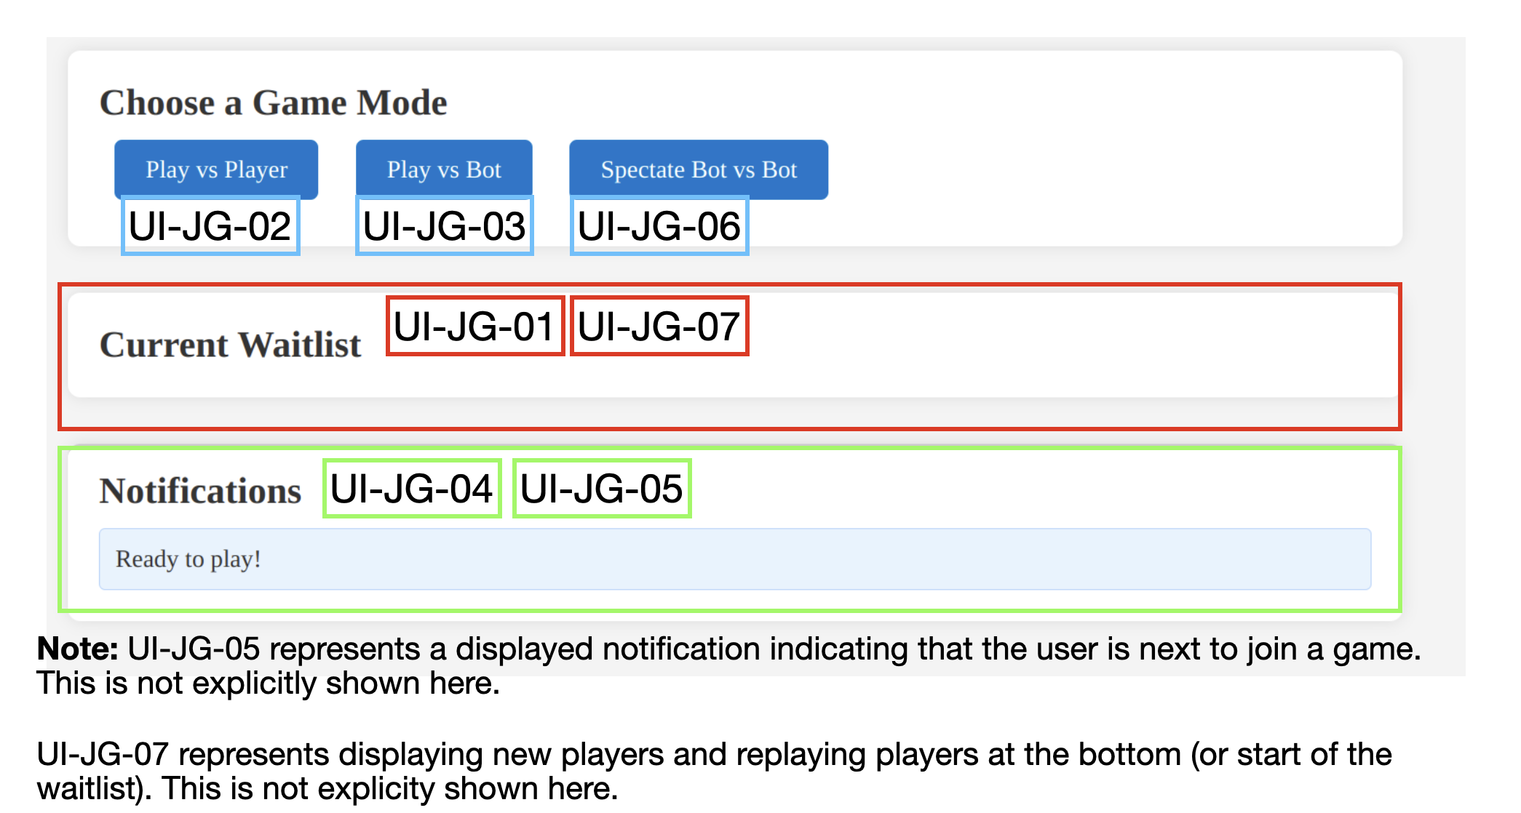
49 | 26 | The join game page shall display a waitlist of available players ready to play with their usernames and IDs in the order that the players joined under a section labeled 'Current Waitlist'. | joingame/Waitlist.js/displayWaitlist() | UI-JG-01 |  |  |  |  |  |  |  |  |  |  | Test Case #5, Steps 1-4
50 | 26 | The join game page shall display a button for a game against another user under a section labeled 'Choose a Game Mode'. | webapp/index.html | UI-JG-02 |  |  |  |  |  |  |  |  |  |  | Test Case #6, Steps 1-3
51 | 26 | The join game page shall display a button for a game against a bot under a section labeled 'Choose a Game Mode'. | webapp/index.html | UI-JG-03 |  |  |  |  |  |  |  |  |  |  | Test Case #7, Steps 1-2
52 | 26 | The program shall update the waitlist as players login and join/leave a game. | joingame/Waitlist.js/add(), joingame/Waitlist.js/remove() | N/A |  |  |  |  |  |  |  |  |  |  | Test Case #8, Steps 1-2
53 | 26 | The join game page shall display a notification with updates to the waitlist under a section labeled 'Notifications'. | joingame/DisplayNotification.js/displayNotification() | UI-JG-04 |  |  |  |  |  |  |  |  |  |  | Test Case #6, Steps 4-6
54 | 26 | The join game page will display a notification indicating that the user is next to join a game under a section labeled 'Notifications'. | joingame/DisplayNotification.js/displayNotification() | UI-JG-05 |  |  |  |  |  |  |  |  |  |  | Test Case #9, Steps 1-3
55 | 26 | The join game page shall have display a button to spectate a game of 2 bots playing against each other under a section labeled 'Choose a Game Mode'. | joingame/MatchMaker.js/requestSpectateBotVsBot() | UI-JG-06 |  |  |  |  |  |  |  |  |  |  | Test Case #10, Steps 1-3
56 | 26 | The join game page shall display new players and replaying players at the bottom (or start of the waitlist) under a section labeled 'Current Waitlist'. | joingame/Waitlist.js/displayWaitlist() | UI-JG-07 |  |  |  |  |  |  |  |  |  |  | Test Case #11, Steps 1-2
57 | 26 | The program will load usernames and IDs in waitlist and display them within 2 seconds of logging in/joining a game. | joingame/Waitlist.js/displayWaitlist() | N/A |  |  |  |  |  |  |  |  |  |  | Test Case #6, Steps 7-8
58 | 26 | The web interface of the Join Game component will be written in HTML5. | webapp/index.html | N/A |  | Unable to test |  | Unable to Test |  |  | Untestable |  | Unable to Test | Not Testable | Test Case #12, Steps 1-3
59 | 26 | The program will be compatible with the web browsers Chrome, Firefox, and Safari. | joingame | N/A |  |  |  | Unable to Test |  |  | Untestable |  | Unable to Test | Not Testable | Cannot be tested by the user.
60 | 26 | The interactive and dynamic functionality within the component will be written in JavaScript. | joingame/Communication.js, Data.js, Displaynotification.js, MatchMaking.js, Waitlist.js | N/A |  | Unable to test |  | Unable to Test |  |  | Untestable |  | Unable to Test | Not Testable | Test Case #13, Steps 1-4
61 | 26 | When the button to play against another player is pressed, the program will send the player information along with the game mode to the Page Manager component to initalize the pairing up process to begin a game. | joingame/MatchMaker.js/requestPlayerMatch() | N/A |  | Unable to test |  | Unable to Test |  |  | Untestable |  | Unable to Test | Not Testable | Cannot be tested by the user.
62 | 26 | When the button to play against a bot is pressed, the program will send the player information along with the game mode to the Page Manager component to intialize the process to start a game against a bot. | joingame/MatchMaker.js/requestBotMatch() | N/A |  | Unable to test |  | Unable to Test |  |  | Untestable |  | Unable to Test | Not Testable | Test Case #14, Steps 1-4
63 | 26 | When a player(s) requests to join a game, the program removes their name from the waitlist. | joingame/Waitlist.js/remove() | N/A |  |  |  |  |  |  |  |  |  |  | Test Case #15, Steps 1-4
64 | 26 | When a player(s) logins successfully, the program adds their name to the waitlist. | joingame/Waitlist.js/add() | N/A |  |  |  |  |  |  |  |  |  |  | Test Case #6, Steps 9-10
65 | 26 | The program will receive player information (username and ID) from the Page Manager through a websocket. | joingame/Communication.js/handlePlayerData() | N/A |  | Unable to test |  | Unable to Test |  |  | Untestable |  | Unable to Test | Not Testable | Test Case #6, Steps 11-12
66 | 26 | The program will create a player instance based on the provided data from the Page Manager. | joingame/Data.js/constructor() | N/A |  | Unable to test |  | Unable to Test |  |  | Untestable |  | Unable to Test | Not Testable | Cannot be tested by the user.
67 | 26 | The program will send player information (username and ID) and their selected game mode to the Page Manager through a websocket. | joingame/Communication.js/sendPlayerAttributes() | N/A |  | Unable to test |  | Unable to Test |  |  | Untestable |  | Unable to Test | Not Testable | Cannot be tested by the user.
68 | 26 | When the button to spectate a game of two bots playing against each other, the program will send players' username and ID along with the game mode to Page Manager to intialize the process to start the game | joingame/MatchMaker.js/requestSpectateBotVsBot() | N/A |  | Unable to test |  | Unable to Test |  |  | Untestable |  | Unable to Test | Not Testable | Cannot be tested by the user.
69 | 35 | After a game concludes, the players go to the end of the line waiting for the new game | GameTermination.java/checkGameOver() |  |  |  |  |  |  |  |  |  |  |  | Test Case #16, Steps 1-3
70 | 35 | The results of every game played will be stored into a database, and shall be used for building the contents of the leaderboard. | GameResult.java/saveResultsToDatabase() |  |  |  |  |  |  |  |  |  |  |  | Test Case #17, Steps 1-3
71 | 35 | The system will detect a draw, if one occurs | GameTermination.java/checkGameOver() |  |  |  |  |  |  |  |  |  |  |  | Cannot be tested by the user.
72 | 35 | The system will have an understanding of the game rules in order to detect winnings after each play, and check for legalMoves to terminate the game | GameResult.java/checkForLegalMoves(), getWinner() |  |  |  |  |  |  |  |  |  |  |  | Test Case #18, Steps 1-3
73 | 35 | The subsytem will send game termination information to database, only when the game ends through a final summary | GameTermination.java/saveResultsToDatabase() |  |  | Unable to test |  | Unable to Test |  |  | Untestable |  | Unable to Test | Not Testable | Test Case #19, Steps 1-4
74 | 35 | The subsystem will send a final termination message to game play once a match is over | GameTermination.java/endGame(), sendResults() |  |  | Unable to test |  | Unable to Test |  |  | Untestable |  | Unable to Test | Not Testable | Cannot be tested by the user.
75 | 35 | The subsystem will handle a confirmation response from the database. | GameResult.java/confirmDataStored() |  |  | Unable to test |  | Unable to Test |  |  | Untestable |  | Unable to Test | Not Testable | Cannot be tested by the user.
76 | 35 | The subsytem will track the captured pieces, in order to determine who has lost the game | GameResult.java/trackCapturedPieces() |  |  | Unable to test |  | Unable to Test |  |  | Untestable |  | Unable to Test | Not Testable | Cannot be tested by the user.
77 | 35 | The subsystem will keep track of the player scores after a move, as well as update them | GameResult.java/updateScores(), getScore() |  |  | Unable to test |  | Unable to Test |  |  | Untestable |  | Unable to Test | Not Testable | Test Case #20, Steps 1-3
78 | 27 | The game will run as a Java program with JavaScript/HTML clients. | Java WebSocket Server connection object in client JS |  |  | Unable to test |  | Unable to Test |  |  | Untestable |  | Unable to Test | Not Testable | Test Case #21, Steps 1-3
79 | 27 | The rules follow English Draughts from Wikipedia. | game_display_checkers.js/CheckersBoard.handle_checkers_piece_click() |  |  |  |  |  |  |  |  |  |  |  | Cannot be tested by the user.
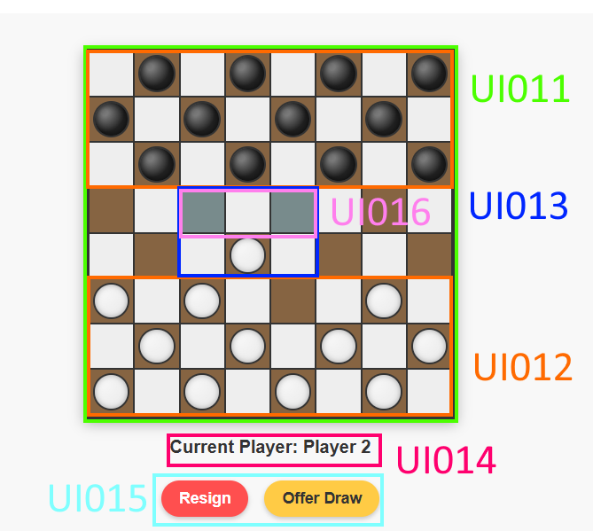
80 | 27 | Display a standard 8x8 checkers board grid with alternating dark and light squares. Board layout should be clear and consistent, with the dark square at the bottom left corner. | game_display_checkers.js/CheckersBoard.update_board_style(), game_display_checkers.js/CheckersBoard.create_checkers_board() | UI011 |  |  |  |  |  |  |  |  |  |  | Test Case #22, Steps 1-3
81 | 27 | Display checker pieces for both players. Regular and king pieces should be visually different, and valid moves must be highlighted when a piece is selected. | game_display_checkers.js/CheckersBoard.update_board_style(), CSS styling in game_display_checkers.js/update_board_style() | UI012 |  |  |  |  |  |  |  |  |  |  | Test Case #23, Steps 1-3
82 | 27 | The game will allow selection of pieces and display valid move destinations by commuicating with other teams. Display feedback for illegal moves, captures, and multiple jump possibilities, as provided by other responsible teams to the game display team. | game_display_checkers.js/CheckersBoard.handle_checkers_piece_click(), game_display_checkers.js/CheckersBoard.show_possible_moves() | UI013 |  |  |  |  |  |  |  |  |  |  | Test Case #24, Steps 1-4
83 | 27 | Display current player's turn, player names (ID). | game_display_checkers.js/CheckersBoard.update_current_player(), game_id | UI014 |  |  |  |  |  |  |  |  |  |  | Test Case #25, Steps 1-4
84 | 27 | Implement method for other teams to send messages to the players. | game_display_checkers.js/game_display_popup_messages() |  |  | Unable to test |  | Unable to Test |  |  | Untestable |  | Unable to Test | Not Testable | Test Case #26, Steps 1-3
85 | 27 | Keep game board hidden until the game starts. Enable or disable move interface based on game state and player's turn. This must be controlled by page manager. | game_display_checkers.js/CheckersBoard.create_checkers_board() |  |  |  |  |  |  |  |  |  |  |  | Cannot be tested by the user.
86 | 27 | Provide buttons for resigning, and offering draw. | game_display_checkers.js/handle_resign(), game_display_checkers.js/offer_draw(), game_display_checkers.js/add_game_display_user_control_event_listener() | UI015 |  |  |  |  |  |  |  |  |  |  | Test Case #27, Steps 1-4
87 | 27 | Indicate who moves first. | game_display_checkers.js/CheckersBoard constructor, game_display_checkers.js/update_current_player() |  |  |  |  |  |  |  |  |  |  |  | Test Case #28, Steps 1-3
88 | 27 | Display all valid moves for a selected piece. Valid moves are determined by backend and visualized on the board. | game_display_checkers.js/CheckersBoard.show_possible_moves(), game_display_checkers.js/return_allowed_moves(), game_display_checkers.js/is_valid_move() | UI016 |  |  |  |  |  |  |  |  |  |  | Test Case #29, Steps 1-2
89 | 27 | Send all player moves to the backend. Game display collects and formats movement data. | game_display_checkers.js/CheckersBoard.move_checkers_piece(), WebSocket message: {type: "move", ...} |  |  | Unable to test |  | Unable to Test |  |  | Untestable |  | Unable to Test | Not Testable | 99,113
90 | 27 | Support multiple concurrent game instances by designing the checkers board as a reusable class. | CheckersBoard class construction and design pattern |  |  | Unable to test |  | Unable to Test |  |  | Untestable |  | Unable to Test | Not Testable | 103,97
91 | 27 | Automatically rotate the board 180 degrees for the black player to maintain player perspective. | game_display_checkers.js/CheckersBoard.rotateBoardIfBlack() |  |  |  |  |  |  |  |  |  |  |  | 117,118
92 | 27 | Implement robust error handling in UI functions with clear feedback. | Try/catch blocks, game_display_checkers.js/game_display_popup_messages() |  |  |  |  |  |  |  |  |  |  |  | 89,90
93 | 27 | Define a standardized JSON message format for client-server communications with type-based message handling. | WebSocket message formatting in game_display_checkers.js/game_display_handle_websocket_received_data() |  |  | Unable to test |  | Unable to Test |  |  | Untestable |  | Unable to Test | Not Testable | 98
94 | 27 | Automatically promote pieces to kings upon reaching the opponent's back row and update visuals. | game_display_checkers.js/move_checkers_piece(), game_display_checkers.js/update_board_style() |  |  |  |  |  |  |  |  |  |  |  | none
95 | 27 | Manage game state transitions and update UI appropriately during turn changes or game completion. | game_display_checkers.js/update_current_player(), game_display_checkers.js/game_display_handle_websocket_received_data() |  |  |  |  |  |  |  |  |  |  |  | 108,110
96 | 27 | Notify players of game events such as opponent moves and game end. | Message handling in game_display_checkers.js/game_display_handle_websocket_received_data() |  |  |  |  |  |  |  |  |  |  |  | 90,97
97 | 27 | Prevent duplication of event listeners. | game_display_checkers.js/register_buttons_to_event_listener() |  |  | Unable to test |  | Unable to Test |  |  | Untestable |  | Unable to Test | Not Testable | 90,96
98 | 36 | Game Play shall determine whether a move is legal or not and decides whether a piece has been captured. | GamePlay.GamePlay.returnBoard |  |  | Unable to test |  | Unable to Test |  |  | Untestable |  | Unable to Test | Not Testable | 93
99 | 36 | A checker's piece shall not move to a spot taken by another checker's piece. If the user attempts to move in a spot that is taken send an error message to Game Manager | GamePlay.rules.isLegal |  |  |  |  |  |  |  |  |  |  |  | 89,100,101,102,104
100 | 36 | A checker's piece shall only move diagonally up the board unless it is marked by a crown, allowing the piece to move diagonally up and down. | GamePlay.rules.isLegal |  |  |  |  |  |  |  |  |  |  |  | 99
101 | 36 | A checker's piece shall not move beyond the border of the playing field. | GamePlay.rules.inBounds |  |  |  |  |  |  |  |  |  |  |  | 99
102 | 36 | Game Play shall communicate with Game Manager, notifying whether the requested move is legal and whether a piece has been captured. | GamePlay.GamePlay.returnBoard |  |  | Unable to test |  | Unable to Test |  |  | Untestable |  | Unable to Test | Not Testable | 99
103 | 36 | A player shall not be allowed to move checker pieces of their oponent | GamePlay.rules.canMovePiece |  |  |  |  |  |  |  |  |  |  |  | 90,97,98
104 | 36 | The user is able to make multiple successive jumps during one turn, if each jump captures an opponents piece and follows the rules associated with the user's cheker piece (i.e a king could do this in either a backwards or forwards direction, and a regular piece is only able to do this in a forward direction) | GamePlay.rules.isLegal |  |  |  |  |  |  |  |  |  |  |  | 99
105 | 36 | The user must capture an opponent's piece if a legal move is presented/available | GamePlay.rules.isLegal / GamePlay.GamePlay.returnBoard |  |  |  |  |  |  |  |  |  |  |  | 106,105
106 | 36 | The bot should be subject to the same rules as the user | GamePlay.GamePlay.returnBoard |  |  |  |  |  |  |  |  |  |  |  | 105,109
107 | 36 | A king checker piece is not able to move both up and down during one turn. It must choose to either move up or down | GamePlay.rules.isLegal |  |  |  |  |  |  |  |  |  |  |  | 99,106
108 | 36 | If the user is presented two different opportunities to capture an opponents checker piece during their turn, they are allowed to chose which checker's piece they capture | GamePlay.rules.isLegal |  |  |  |  |  |  |  |  |  |  |  | 95,110
109 | 36 | A king checker piece shall be held to the same capture rules as a regular checker piece. | GamePlay.rules.isLegal |  |  |  |  |  |  |  |  |  |  |  | 95,108
110 | 36 | A captured piece shall be removed from the game | GamePlay.rules.isLegal |  |  |  |  |  |  |  |  |  |  |  | 95,108
111 | 36 | A pieces move length shall be proportional to the amount of the opponent's pieces the moving piece jumps over. | GamePlay.rules.returnBoard |  |  |  |  |  |  |  |  |  |  |  | 105,106
112 | 36 | GamePlay shall return a list of possible moves a player can take during their turn | GamePlay.GamePlay.returnMoves |  |  | Unable to test |  | Unable to Test |  |  | Untestable |  | Unable to Test | Not Testable | 99
113 | 31 | The PairUp subsystem shall allow the user to be matched with another user if the user desires to play against another user | PairUp/Matchmaking/pair |  |  |  |  |  |  |  |  |  |  |  | 89,99
114 | 31 | The PairUp subsystem shall allow the user to be matched with a bot if the user desires to play against a bot | PairUp/Matchmaking/pair |  |  |  |  |  |  |  |  |  |  |  | 117
115 | 31 | The PairUp subsystem shall allow a bot to play against another bot | PairUp/Matchmaking/pair |  |  |  |  |  |  |  |  |  |  |  | 116
116 | 31 | The PairUp subsystem shall manage a "matchmaking" pool with players that are looking for a match against another player | PairUp/Matchmaking/matching |  |  | Unable to test |  | Unable to Test |  |  | Untestable |  | Unable to Test | Not Testable | 115
117 | 31 | The PairUp subsystem shall allow other subsystems to add/remove/search/clear players from the matchmaking pool | PairUp/PairUp |  |  | Unable to test |  | Unable to Test |  |  | Untestable |  | Unable to Test | Not Testable | 114,118
118 | 31 | The PairUp subsystem shall allow other subsystems to "ping" the matchmaking pool, which tells the matchmaker to look for possible pairs in the current pool | PairUp/ping |  |  | Unable to test |  | Unable to Test |  |  | Untestable |  | Unable to Test | Not Testable | 117,119
119 | 31 | The PairUp subsystem shall provide information of the two entities that were matched for a game to game manager | PairUp/Matchmaking/pair |  |  | Unable to test |  | Unable to Test |  |  | Untestable |  | Unable to Test | Not Testable | 118,116
120 | 31 | The PairUp subsystem shall keep track of information of players in queue, including their timeOfEntry, playerID, playerName, if their playAgainstBot, and wins | PairUp/PlayerInMatchmaking/N/A |  |  | Unable to test |  |  |  |  |  |  |  |  | 117,118,119
121 | 31 | The PairUp subsystem shall keep track of all match information before sending it to game manager | PairUp/Match/N/A |  |  | Unable to test |  | Unable to Test |  |  | Untestable |  | Unable to Test | Not Testable | 128,129
122 | 31 | The PairUp subsystem shall implement a matchmaking algorithm to pair up players of the same skill range. The algorithm will instantly match those with a similar win count (+/- 1 win), but keep those that don't get matched instantly inside the matchmaking "pool". | PairUp/Matchmaking/matching |  |  | Unable to test |  | Unable to Test |  |  | Untestable |  | Unable to Test | Not Testable | 119,120
123 | 31 | The PairUp subsystem shall ensure that no player gets stuck in matchmaking for eternity, if a match can be made. A player will have a "priority" once they have been in queue for more than 60 seconds, pairing them with the next player that enters queue, regardless of their win count | PairUp/Matchmaking/matching |  |  |  |  |  |  |  |  |  |  |  | 117,114
124 | 31 | The PairUp subsystem shall keep track of all players in the queue, using a LinkedHashMap that stores playerID as a key, and the "PlayerInMatchmaking" object as its value | PairUp/Matchmaking |  |  | Unable to test |  |  |  |  |  |  |  |  | 123,117
125 | 31 | The PairUp subsystem shall routinely check for possible matches to prevent a standstill scenario. An asychrounous scheduler is used to "ping" the matching method, telling it to check for available pairings between players currently in the queue every 60 seconds. | PairUp/MatchmakingScheduler |  |  | Unable to test |  | Unable to Test |  |  | Untestable |  | Unable to Test | Not Testable | 121,128
126 | 31 | The PairUp subsystem will support direct matches, in which a player directly challenges another player to avoid going through the matchmaking process | PairUp/PairUp/pair |  |  |  |  |  |  |  |  |  |  |  | 117,123
127 | 30 | The Database shall store player information and ranking of all users who create an account. | Uta.cse3310.DB.insertUser |  |  | Unable to test |  | Unable to Test |  |  | Untestable |  | Unable to Test | Not Testable | 117,114
128 | 30 | The Database shall retrieve player account when page manager interface requests it by matching it to a players unique Username. | Uta.cse3310.DB.getLeaderboard |  |  | Unable to test |  | Unable to Test |  |  | Untestable |  | Unable to Test | Not Testable | 121,125
129 | 30 | The Database will be created in SQLite3 | Uta.cse3310.DB. SQLiteConnector |  |  | Unable to tsst |  | Unable to Test |  |  | Untestable |  | Unable to Test | Not Testable | 128
130 | 30 | The Database shall update the rank for the winner and loser after a match has ended, which will be signaled by the game termination interface. | Uta.cse3310.DB. UpdatePlayer |  |  | Will need multiple games to verify |  | Unable to Test |  |  | Untestable |  | Unable to Test | Not Testable | 128,129
131 | 30 | The Database shall display a query in which it orders all the accounts in ascending order by ranking having highest rank at the top. | Uta.cse3310.DB.getLeaderboard |  |  |  |  |  |  |  |  |  |  |  | 128,129
132 | 30 | The query ranking the accounts shall be repeated after every match. | Uta.cse3310.DB.getLeaderboard |  |  |  |  |  |  |  |  |  |  |  | 131,128
133 | 30 | The Database shall be updated, adding a new player if the player selects “create new account” button. Will also assign a unique ID to the player | Uta.cse3310.DB.insertUser |  |  | Unable to test |  | Unable to Test |  |  | Untestable |  | Unable to Test | Not Testable | Test Case 1
134 | 30 | The database shall store player information which includes the username and Unique ID. | Uta.cse3310.DB.insertUser |  |  | Unable to test |  | Unable to Test |  |  | Untestable |  | Unable to Test | Not Testable | Test Case 2
135 | 30 | The DB shall return an error message “username unavailable” if the username entered in the login interface matches any entries in the player table Database. | Uta.cse3310.DB.ValidateUser |  |  |  |  |  |  |  |  |  |  |  | This requirement is not exactly testable by the user however under the hood, the following steps happen. Test Case 2: steps 4)a,b
136 | 30 | The DB will return player information and player ID to Pair up interface when it is requested and verified that a pair up is possible between players by the Pair up interface. | Uta.cse3310.DB.ValidateUser |  |  | Unable to test |  | Unable to Test |  |  | Untestable |  | Unable to Test | Not Testable | Test Case 2: Steps 4)a
137 | 30 | The player ranking shall be a calculated with the following formula Rn = Ro + K(W-We) Rn is the new rating. Ro the old (pre-event) rating. K a constant (32 for 0-2099, 24 for 2100-2399, 16 for 2400 and above). W the score in the event - i.e. for a single match win=1; draw=0.5; lose=0. We the expected score (Win Expectancy), from the following formula: We = 1/ (exp10(-dr/400) + 1) dr equals the difference in ratings. | Uta.cse3310.DB.GetRank |  |  | Unable to test |  | Unable to Test |  |  | Untestable |  | Unable to Test | Not Testable | This requirement is not testable by the user.
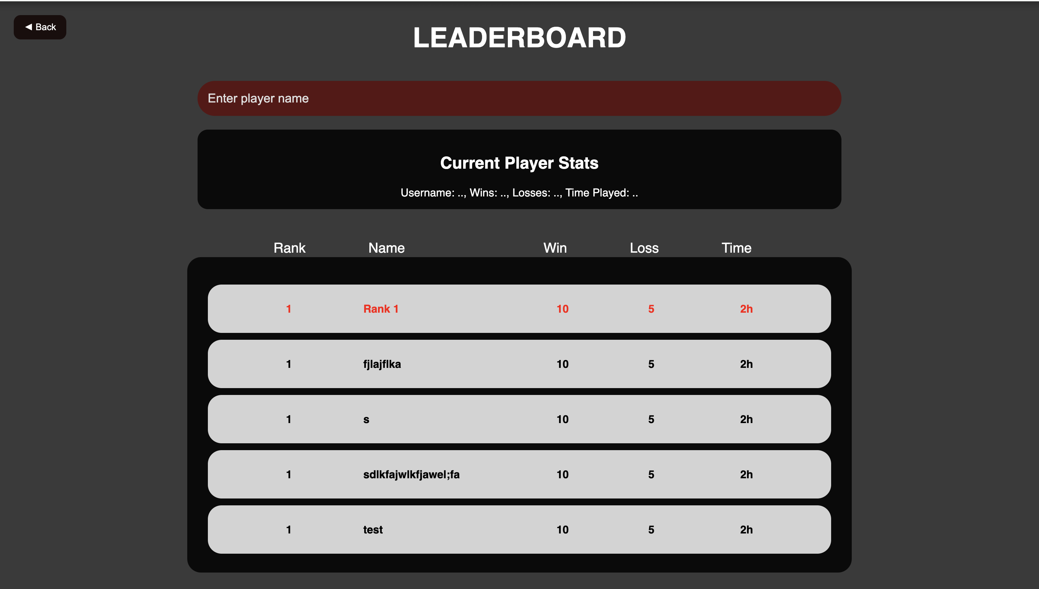
138 | 28 | A leaderboard will be displayed after each game | summary.html | U009 |  |  |  |  |  |  |  |  |  |  | Test Case 3 |  | Summary:
139 | 28 | The results of every game played will be stored into a database. And shall be used for building the contents of the leaderboard | summary.js | U010 |  | Unable to test |  | Unable to Test |  |  | Untestable |  | Unable to Test | Not Testable | Test Case 4
140 | 28 | The leaderboard page shall display a search bar to search players ranks | summary.html |  |  |  |  |  |  |  |  |  |  |  | This requirement is not testable by the user.
141 | 28 | The leaderboard page shall display the current players stats | summary.js |  |  |  |  |  |  |  |  |  |  |  | Test Case 5
142 | 28 | The leaderboard page shall show a table that includes the top 100 players | summary.html |  |  |  |  |  |  |  |  |  |  |  | Test Case 4
143 | 28 | The leaderboard shall display a players name, W/L, Wins, Losses, and Time played (most likely information) | summary.js |  |  |  |  |  |  |  |  |  |  |  | Test Case 4
144 | 28 | The leaderboard page shall take information from the page manager and display that information | summary.js |  |  | Unable to tsst |  | Unable to Test |  |  | Untestable |  | Unable to Test | Not Testable | Test Case 4
145 | 28 | The leaderboard shall be coded in html | summary.html |  |  | Unable to tsst |  | Unable to Test |  |  | Untestable |  | Unable to Test | Not Testable | Test Case 4
146 | 28 | The leaderboard shall rank players based off highest win loss ratio | summary.js |  |  |  |  |  |  |  |  |  |  |  | This is not testable by the user.
147 | 28 | The leaderboard page shall have a back button that goes to main menu | summary.html |  |  |  |  |  |  |  |  |  |  |  | Test Case 4
148 | 29 | The system shall convert JSON messages from the frontend into Java objects and send them to the correct part of the backend (like the database, matchmaking, or game logic). It shall also convert Java objects back into JSON to send responses. | JSONconverter in pairup_subsys.java, UserEvent.java, App.java |  |  | Unable to test |  | Unable to Test |  |  | Untestable |  | Unable to Test | Not Testable | Test Case 5
149 | 29 | The backend shall be written in Java and shall communicate with the frontend, which is made using JavaScript and HTML. The system shall work on any web browser. | PageManager.java |  |  | Unable to test |  | Unable to Test |  |  | Untestable |  | Unable to Test | Not Testable | This requirement is not testable by the user.
150 | 29 | After a game concludes, a leaderboard will be shown using score data sourced from the gameplay session. | getUserScore() in Summary.java |  |  |  |  | Duplicate Requirement (139) |  |  | Duplicate Requirement (139) |  |  | Duplicate Requirement (139) | This requirement is not testable by the user.
151 | 29 | The client interface will be a single HTML page that dynamically shows/hides relevant sections depending on the current game state. | Managed by frontend; enabled/disabled via received WebSocket events |  |  |  |  |  |  |  |  |  |  |  | Test Case 4
152 | 29 | All messages sent and received over WebSockets will be in JSON format, converted to Java using a custom JSONconverter. | public class App in App.java (extends WebSocketServer) |  |  | Unable to test |  | Unable to Test |  |  | Untestable |  | Unable to Test | Not Testable | This is not actually part of our application but user can see it through the browser.
153 | 29 | After a player makes a move, the system shall check the new game state and send an update to the players involved. | game_status in game_status.java, handleMoveRequest() in PageManager.java |  |  | Unable to test |  | Unable to Test |  |  | Untestable |  | Unable to Test | Not Testable | This requirement is not testable by the user.
154 | 29 | Each client that connects to the system shall be given a unique ID, which shall be used to send messages and manage game logic. | int clientId in App.java, linked via UserEvent.id |  |  | Unable to test |  | Unable to Test |  |  | Untestable |  | Unable to Test | Not Testable | Test Case 7
155 | 29 | The Java backend shall be event-driven. The GameManager shall run on a 1-second timer loop, and other parts of the system shall respond to events sent through WebSocket. | UserEvent in UserEvent.java, timer logic inside GameManager |  |  | Unable to test |  | Unable to Test |  |  | Untestable |  | Unable to Test | Not Testable | This requirement is not testable by the user.
156 | 29 | When the backend gets a move from the frontend, it shall check if the move is valid, apply it using the GameManager, and send the updated game status to both players. | handleMoveRequest(UserEvent) in PageManager.java, makeMove() in GameManager.java |  |  | Unable to test |  | Unable to Test |  |  | Untestable |  | Unable to Test | Not Testable | This requirement is not testable by the user.
157 | 29 | If a player resigns, the system shall log the event in the GameManager and send a message to both players to confirm the resignation and end the game. | handleResign(UserEvent) in PageManager.java, processResign() in GameDisplayConnector.java |  |  | Unable to test |  | Unable to Test |  |  | Untestable |  | Unable to Test | Not Testable | Test Case 8
158 | 29 | If a player offers a draw, the system shall notify the other player. If the draw is accepted, the game shall end and both players shall be notified. | handleDrawOffer(UserEvent) and handleDrawAccept(UserEvent) in PageManager.java |  |  |  |  |  |  |  |  |  |  |  | Test Case 9
159 | 29 | All event handler methods shall return a `UserEventReply` that includes a `game_status` object and a list of client IDs who should receive the message. | UserEventReply in UserEventReply.java, game_status in game_status.java |  |  | Unable to test |  | Unable to Test |  |  | Untestable |  | Unable to Test | Not Testable | Test Case 10
160 | 29 | On game start, a show_game_display event will be sent to each player with their ID, assigned color, and starting player information. | buildShowGameDisplay() in GameDisplayConnector.java |  |  |  |  |  |  |  |  |  |  |  | This requirement cannot be tested by the user.
161 | 29 | On game end (via win, resign, or draw), a hide_game_display event will be sent to all participants. | buildHideGameDisplay() in GameDisplayConnector.java |  |  |  |  |  |  |  |  |  |  |  | This requirement cannot be tested by the user.
162 | 29 | The backend must support relaying move_made_by_other_player_or_bot messages to ensure clients update pieces visually. | processMove() in GameDisplayConnector.java |  |  | Unable to test |  | Unable to Test |  |  | Untestable |  | Unable to Test | Not Testable | Test Case 11
163 | 29 | Backend must support responding to get_allowed_moves requests and return a list of valid moves in valid_moves format. | processAllowedMovesRequest() in GameDisplayConnector.java |  |  | Unable to test |  |  |  |  |  |  |  |  | Test Case 8
164 | 29 | The backend shall be able to send `notify_players` messages for things like game wins or losses, connection issues, or error alerts. | buildNotifyPlayers() in GameDisplayConnector.java |  |  |  |  |  |  |  |  |  |  |  | This requirement cannot be tested by the user.
165 | 29 | The system shall return the game status for a player when given their player ID. | getGameinfo() in GameManagerSubsys.java |  |  | Unable to test |  | Unable to Test |  |  | Untestable |  | Unable to Test | Not Testable | Test Case 11
166 | 29 | The system shall retrieve game-related data such as the current turn, winner, loser, and draw status from the controller. | getGameinfo() in GameManagerSubsys.java |  |  | Unable to test |  | Unable to Test |  |  | Untestable |  | Unable to Test | Not Testable | This requirement cannot be tested by the user because no user has access of ID which is an int of any other user, however, this is useful for backend to see: 1) If user is not in a game, and can be paired up. 2) To know the current state of the user. 3) To prevent user from playing 2 matches at once.
167 | 29 | Look up game sessions using client ID using GamePageController | getAllPlayerIDs(), processMove() in GamePageController.java |  |  | Unable to test |  | Unable to Test |  |  | Untestable |  | Unable to Test | Not Testable | Test Case 12, Test Case 11
168 | 32 | The system shall have an object of squared data type for each individual board | GameManager/Board.getSquare, GameManager/Square.Square() |  |  | Unable to test |  | Unable to Test |  |  | Untestable |  | Unable to Test | Not Testable | This requirement cannot be tested by the user.
169 | 32 | The board shall be a 2D array of Square objects | GameManager/Board.Board() |  |  | Unable to test |  | Unable to Test |  |  | Untestable |  | Unable to Test | Not Testable | This requirement cannot be tested by the user.
170 | 32 | Move objects shall be linked list data structures to allow multiple steps in a single participant move | GameManager/Moves.Moves(), GameManager/move.Move() |  |  | Unable to test |  | Unable to Test |  |  | Untestable |  | Unable to Test | Not Testable | This requirement cannot be tested by the user.
171 | 32 | The system shall manage the game state for each active match | GameManager/Game.progressGame() |  |  |  |  |  |  |  |  |  |  |  | This requirement cannot be tested by the user.
172 | 32 | The system shall enforce turn-based play using a boolean system | GameManager/Game.switchTurn() |  |  |  |  |  |  |  |  |  |  |  | The requirement is not testable.
173 | 32 | The system shall receive moves from players or bots and incorporate them from Square destination into the board | GameManager/Board.execute(), GameManager/Move.getStart()|.getDest() |  |  | Unable to test |  |  |  |  |  |  |  |  | Test Case 12
174 | 32 | The system shall place each player ID to their designated board and team once they're matched together | GameManager/GamePairController.newMatch() |  |  |  |  |  |  |  |  |  |  |  | The requirement is not testable.
175 | 32 | The system shall receive moves performed by Bot 1 and Bot 2 | GameManager/Game, GameManager/GameManager.requestBotMoves |  |  | Unable to test |  | Unable to Test |  |  | Untestable |  | Unable to Test | Not Testable | The requirement is not testable.
176 | 32 | The system shall have colors of white and black randomly assigned to each player, where one is white and the other is black | GameManager/Game.Game |  |  |  |  |  |  |  |  |  |  |  | This works same as for the user, bots are treated as users too. Test Case 8
177 | 32 | The system shall update the score of the player after a piece is captured | GameManager/Player.addScore() |  |  |  |  |  |  |  |  |  |  |  | Test 1, Steps 1-4
178 | 32 | The system shall process a given Move object and respond with an disapproval alert if it is illegal | GameManager/GameManager.processMove() |  |  |  |  | Unable to Test |  |  | Untestable |  | Unable to Test | Not Testable | Test 2, Steps 1-4
179 | 32 | The system shall contain information of the position of the piece occupying a square | GameManager/Square.getRow()|.getColumn() |  |  | Unable to test |  | Unable to Test |  |  | Untestable |  | Unable to Test | Not Testable | Test 3, Steps 1–3
180 | 32 | The system shall contain information of the type of piece occupying a square | GameManager/Square.getColor()|.isKing() |  |  | Unable to test |  | Unable to Test |  |  | Untestable |  | Unable to Test | Not Testable | Test 4, Steps 1–3
181 | 32 | Move objects shall be utilized to encode the requested move from both players and bots | GameManager/Moves.makeMove() |  |  | Unable to test |  | Unable to Test |  |  | Untestable |  | Unable to Test | Not Testable | Test 5, Steps 1-4
182 | 32 | Checks whether the game is active | GameManager/Game.gameActive() |  |  | Unable to test |  | Unable to Test |  |  | Untestable |  | Unable to Test | Not Testable | Not testable
183 | 32 | Verfies whether slots are available to create a new game and creates one if so | GameManager/GameManager.createGame() |  |  | Unable to test |  | Unable to Test |  |  | Untestable |  | Unable to Test | Not Testable | Test 6, Steps 1-4
184 | 32 | Deals with game termination and notifies GameTermination | GameManager/GameManager.terminateGame() |  |  | Unable to test |  | Unable to Test |  |  | Untestable |  | Unable to Test | Not Testable | Test 7, Steps 1-4
185 | 32 | Deals with restarting the game | GameManager/GameManager.createGame() |  |  | Unable to test |  | Unable to Test |  |  | Untestable |  | Unable to Test | Not Testable | Test 8, Steps 1-4
186 | 32 | Initialises a new game with the relevant data to accomodate pairups | GameManager/GamePairController.newMatch() |  |  | Unable to test |  | Unable to Test |  |  | Untestable |  | Unable to Test | Not Testable | Test 9, Steps 1-4
187 | 32 | Deals with the piece count on the board | GameManager/Player.getPieces() |  |  | Unable to test |  | Unable to Test |  |  | Untestable |  | Unable to Test | Not Testable | Test 10, Steps 1-3
188 | 32 | Deals with the pieces taken | GameManager/Player.takePieces() |  |  | Unable to test |  | Unable to Test |  |  | Untestable |  | Unable to Test | Not Testable | Test 11, Steps 1-3
189 | 32 | PageManager shall be able to receive game ID's and the current board | GameManager/GamePageController.sendBoard() |  |  | Unable to test |  | Unable to Test |  |  | Untestable |  | Unable to Test | Not Testable | Test 12, Steps 1-3
190 | 32 | GamePlay shall be able to access a list of moves | GameManager/GamePageController.processMove() |  |  | Unable to test |  | Unable to Test |  |  | Untestable |  | Unable to Test | Not Testable | Not testable
191 | 32 | The system will support a maximum of 10 concurrent games | GameManager | U005 |  |  |  |  |  |  |  |  |  |  | Not testable
192 | 32 | Returns the game called by the searched player ID | GameManager/GamePageController.returnGame(), GameManager/GameManager.findGameByPlayerId |  |  | Unable to test |  | Unable to Test |  |  | Untestable |  | Unable to Test | Not Testable | Test 13, Steps 1–3
193 | 32 | Tracks captures being made | GameManager/Game.lastCapture() |  |  | Unable to test |  | Unable to Test |  |  | Untestable |  | Unable to Test | Not Testable | Not testable
194 | 32 | Returns the winner and loser of the game | GameManager/Game.getWinner()|.getLoser(), GameManager/GamePageController.getWinner()|.getLoser() |  |  | Unable to test |  | Unable to Test |  |  | Untestable |  | Unable to Test | Not Testable | Test 14, Steps 1-2
195 | 32 | Updates the state of the board | GameManager/Game.updateBoard(), GameManager/Board.getSquare() |  |  | Req. might be too unlcear to test. What is the state of the board? |  | Unable to Test |  |  | Untestable |  | Unable to Test | Not Testable | Test 15, Steps 1-3
196 | 32 | Checks whether the player is a bot or not | GameManager/Game.isPlayer1Bot()|.isPlayer2Bot() |  |  | Unable to test |  | Unable to Test |  |  | Untestable |  | Unable to Test | Not Testable | Test 16, Steps 1–2
197 | 32 | Checks if a player is in an active game | GameManager/GameManager.isPlayerInGame() |  |  | Unable to test |  | Unable to Test |  |  | Untestable |  | Unable to Test | Not Testable | Not testable
198 | 32 | Returns active game count | GameManager/GameManager.getActiveGameCount() |  |  | Depends if the active game count is displayed |  | Unable to Test |  |  | Untestable |  | Unable to Test | Not Testable | Not testable
199 | 32 | Removes a player from game if needed | GameManager/GameManager.removePlayer() |  |  | Req. might be too unlcear to test.What does if needed mean? |  | Unable to Test |  |  | Untestable |  | Unable to Test | Not Testable | Not testable
200 | 32 | Processes player requests to quit game | GameManager/GameManager.playerQuit() |  |  |  |  |  |  |  |  |  |  |  | Test 17, Steps 1–3
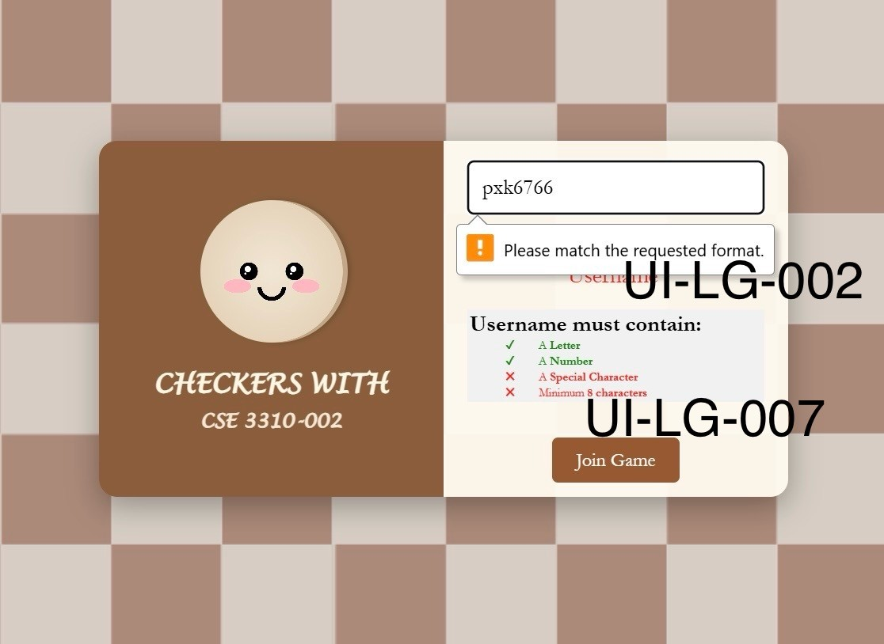
201 | 32 | Utilises pair made by GamePairController while creating games | GameManager/GameManager.createGame() |  |  | Unable to test |  | Unable to Test |  |  | Untestable |  | Unable to Test | Not Testable | Test 18, Steps 1–3
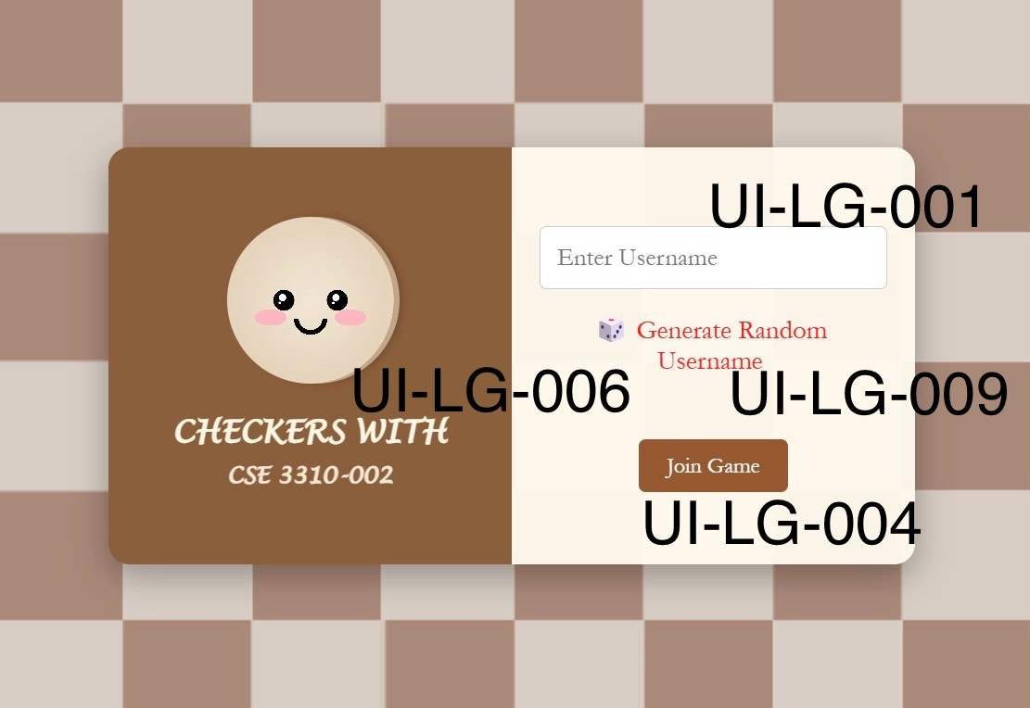
202 | 32 | Returns the player whose turn it is | GameManager/GamePageController.playerTurn() |  |  | Unable to test |  | Unable to Test |  |  | Untestable |  | Unable to Test | Not Testable | Not testable
203 | 32 | Returns that the game was declared a draw | GameManager/GamePageController.getDraw() |  |  | Unable to test |  | Unable to Test |  |  | Untestable |  | Unable to Test | Not Testable | Test 19, Steps 1–2
204 | 25 | The login page must provide a text input field for the user to enter their username. | input-box in loginHander.js | UI-LG-001 |  |  |  |  |  |  |  |  |  |  | Test 20, Steps 1–3
205 | 25 | Username must contain atleast 8 characters, 1 digit, and 1 special character. Message displays when requirements are not met with "Please match the required format" | onkeyup | UI-LG-002 |  |  |  |  |  |  |  |  |  |  | Test 21, Step 1
206 | 25 | Pattern to be used for the username requirements: /^(?=.*\d)(?=.*[!@#$%^&*])[A-Za-z\d!@#$%^&*]{8,}$/ | onkeyup |  |  |  |  |  |  |  |  |  |  |  | Test 22, Steps 1–3
207 | 25 | There are constraints on special characters that can be used in username. If found any, give an error message with the instructions. | onkeyup, sendUsername() |  |  |  |  |  |  |  |  |  |  |  | Test 23, Steps 1–3
208 | 25 | The login page shall display an alert if the username is invalid or missing upon form submission with the message "Please fill out this field". | joinGame() | UI-LG-003 |  |  |  |  |  |  |  |  |  |  | Test 24, Steps 1–3
209 | 25 | The login page must have a button to "Join Game" once the user is done entering their username | button, .button-container, joinGame() | UI-LG-004 |  |  |  |  |  |  |  |  |  |  | Test 25, Steps 1–2
210 | 25 | Button hover shall darken the button to provide visual feedback on hover. | button:hoover | UI-LG-005 |  |  |  |  |  |  |  |  |  |  | Test 26, Steps 1–2
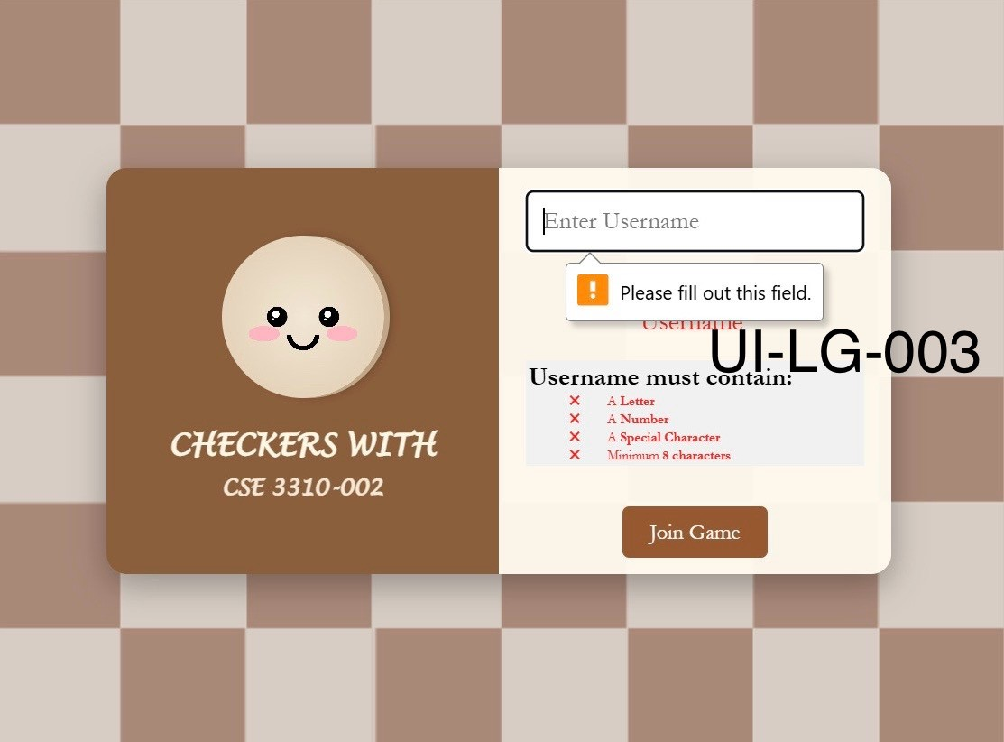
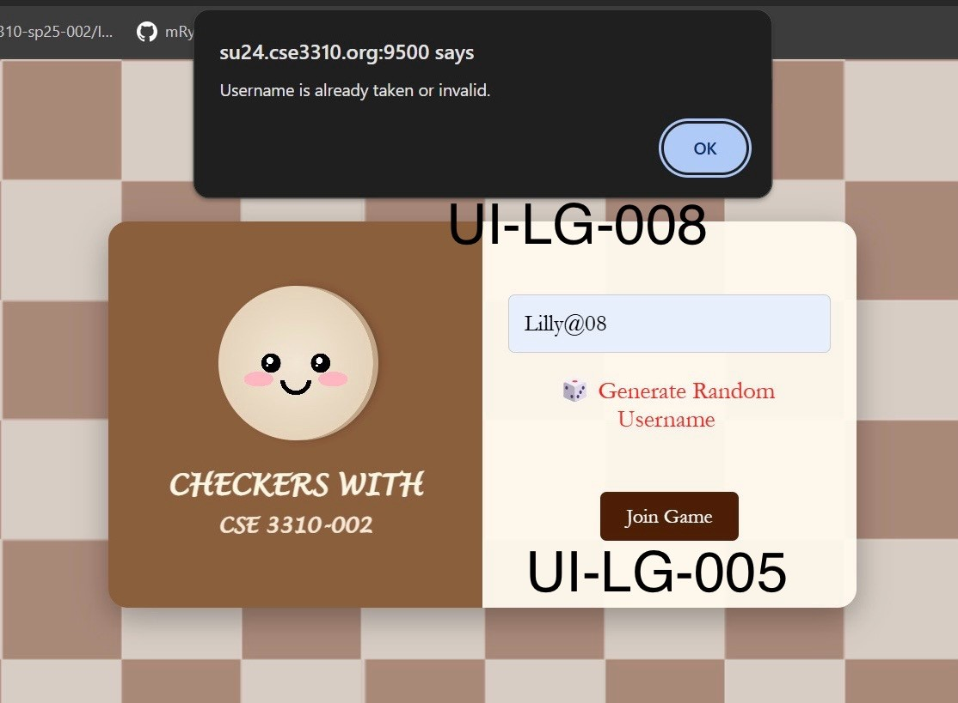
211 | 25 | Once the username is successfully submitted, the "join game" button should redirect the user to the game game. | joinGame() |  |  |  |  |  |  |  |  |  |  |  | Test 27, Steps 1–2
212 | 25 | Communications between the html pages and the java code will be via a websockets. | loginHandler.js, WebSocket |  |  | Unable to test |  | Unable to Test |  |  | Untestable |  | Unable to Test | Not Testable | Test 28, Steps 1–3
213 | 25 | Websockets messages will be JSON encoded. | loginHandler.js, WebSocket |  |  | Unable to test |  | Unable to Test |  |  | Untestable |  | Unable to Test | Not Testable | Not testable
214 | 25 | Logic performed by other subsystems in Java, not in HTML | index.html only has structure, JS logic is in loginHandler.js |  |  | Unable to test |  | Unable to Test |  |  | Untestable |  | Unable to Test | Not Testable | Not testable
215 | 25 | The login page shall validate the username in real time as the user types. | onkeyup |  |  |  |  |  |  |  |  |  |  |  | Not testable
216 | 25 | The login page shall show validation rules when the input field is focused. | uInput.onfocus, #message |  |  |  |  |  |  |  |  |  |  |  | Test 29, Steps 1-2
217 | 25 | The login page shall hide the validation message when the input field is blurred. | uInput.onblur | UI-LG-006 |  |  |  |  |  |  |  |  |  |  | Test 30, Steps 1–2
218 | 25 | The login page shall display ✓ or ✖ icons for each validation rule depending on input. | onkeyup, .valid, .invalid | UI-LG-007 |  |  |  |  |  |  |  |  |  |  | Test 31, Steps 1–3
219 | 25 | Duplicate usernames are not allowed and it will provide the alert saying "Username is already taken or invalid." | joinGame() | UI-LG-008 |  |  |  |  |  |  |  |  |  |  | Test 32, Steps 1–3
220 | 25 | The username shall be unique, no duplicate usernames allowed. | recieveFromPageManager(msg), message |  |  |  |  |  |  |  |  |  |  |  | Test 33, Steps 1-3
221 | 25 | Random usernames can be created and used by clicking on "Generate random username button" | generate-username-btn | UI-LG-009 |  |  |  |  |  |  |  |  |  |  | Test 34, Steps 1–3

