Sheet1
 |  |  |  |  |  |  |  |  |  |  | Tested By |  |  |  | Tested By
 |  |  |  |  |  | Group 1 | Group 2 | Group 3 | Group 4 | Group 5 | Group 6 | Group 7 | Group 8 | Group 18 | Group 19 | Group 20 | Group 21
ID | Group | UNTESTABLE | Text | Implemented In | UI XREF
1 | 10 |  | The page shall show all available players in as a list on the Join Game page. | displayPlayers() | UI001 | test 1, steps 10-20 |  |  |  |  |  |  |  |  |  |  |  |  | cut and paste the screenshot of each page in this part of the spreadsheet, please. use as much space is needed.
2
3
4
5
6
GP_2 | 21-Gameplay | X | The system shall implement the state of the current checker board as a 2d array | Class Board, initCheckers() |  |  |  |  | untestable | untestable |  | untestable | Untestable |  | Untestable | Untestable
GP_4 | 21-Gameplay | X | The system shall be able to receive and send information to the Game Manager and Game termination, Game manager will create an instance of Gameplay and Gameplay will use the Game Termination class | move(), getBoard() |  |  |  |  | untestable | untestable |  | untestable | Untestable |  | Untestable | Untestable
GP_5 | 21-Gameplay | X | The system shall create a starting game board on instance | Class Board, initCheckers() |  |  |  |  | untestable | untestable |  | untestable | Untestable |  | Untestable | Untestable
GP_6 | 21-Gameplay | X | The system shall receive Player ID, requested checker piece and requested designation place from the Game Manager | move(), getBoard() |  |  |  |  | untestable | untestable |  | untestable | Untestable |  | Untestable | Untestable
GP_7 | 21-Gameplay |  | The system shall ensure all checkers move diagonally and only diagonally | moveForwardCheck(), moveBackwardCheck() |  |  |  |  | pass | pass, TC-01 |  |  | Pass |  | Pass | Test 1, Step 6
GP_8 | 21-Gameplay |  | The system shall ensure that all 'men' (non kinged checkers) only move in the foward direction (away from the player controling them) | move() |  |  |  |  | pass | pass, TC-02 |  |  | Pass |  | Pass | Test 3, Step 5
GP_9 | 21-Gameplay |  | The system shall ensure the checkers are only allowed to move on the dark squares of the board | moveForwardCheck(), moveBackwardCheck() |  |  |  |  | pass | pass, TC-03 |  |  | pass |  | Pass | Test 3, Step 5
GP_10 | 21-Gameplay |  | The system shall allow checkers controlled by one player to 'jump' checkers controlled by the other player by "moving a piece that is diagonally adjacent an opponent's piece, to an empty square immediately beyond it in the same direction" | getPossibleForwardJump(), getPossibleBackwardJump() |  |  |  |  | pass | pass, TC-04 |  |  | pass |  |  | Test 1, Step 7
GP_11 | 21-Gameplay |  | The system shall mandate a 'jump' (or series of jumps) to be performed when they are available | concurrentJumps() |  |  |  |  | pass | pass, TC-05 |  |  | pass |  |  | Test 3, Step 7
GP_12 | 21-Gameplay |  | The system shall promote a player's 'men' checker into a 'king' checker with a king's privileges if the checker reaches the closest rank (row) to the opposing player | kingMe() |  |  |  |  | pass | pass, TC-06
GP_13 | 21-Gameplay |  | The system shall allow all king checkers to move in both forward and backwards directions (towards AND away from the player controlling them) | move() |  |  |  |  | pass | pass, TC-07
GP_14 | 21-Gameplay | X | The system shall send new game states to the Game Manager once a valid move is processed | getBoard() |  |  |  |  | untestable | untestable |  | untestable | Untestable |  | Untestable | Untestable
GP_18 | 21-Gameplay |  | The system shall require the player to make a jump with a checker to choose which series of jumps to be performed when multiple are available | concurrentJumps() |  |  |  |  |  | pass, TC-08
GP_19 | 21-Gameplay | X | The system shall be assigned an ID by Game Manager on instance | GamePlay class |  |  |  |  | untestable | untestable |  | untestable | Untestable |  | Untestable | Untestable
PU_1 | 7 Pair Up | X | The Player class shall be an abstract class which BotPlayer and HumanPlayer shall extend | botVBot |  | Untestable |  |  | untestable | untestable |  | untestable | Untestable |  | Untestable | Untestable
PU_2 | 7 Pair Up | X | The system shall have an ELO system to rank the players | ELO |  | Untestable |  |  | untestable | untestable |  | untestable | Untestable |  | Untestable | Untestable
PU_3 | 7 Pair Up |  | The system shall not pair players whose ELO is more than 200 apart | isInRange() |  | test2, step2, failed |  |  | untestable | untestable |  | untestable | Untestable
PU_4 | 7 Pair Up | X | The system shall have a linkedlist of all the players. PageManager shall hold it | plpayers |  | Untestable |  |  | untestable | untestable |  | untestable | Untestable |  | Untestable | Untestable
PU_5 | 7 Pair Up |  | The system shall have a queue of players who are waiting to join a match | Queue |  | test2, step2, passed |  |  |  | pass, TC-10 |  |  | Pass |  | Pass | Test 1, Step 3
PU_6 | 7 Pair Up |  | The system shall have a match request feature that allows players to match up against whomever they request despite elo disparity | requestChallenge() |  | test2, step2, passed |  |  |  | pass, TC-11 |  |  | Pass |  | Pass | Test 1, Step 3
PU_7 | 7 Pair Up |  | The Player class shall have a status field that is either "In Game" or "Waiting" | enum status{} |  | Untestable |  |  |  | untestable |  | untestable | Untestable |  | Untestable | Test 1, Step 3
PU_8 | 7 Pair Up |  | The system shall accept challenges between bots, between a bot and player, and between two players | Challenge() |  | test2, step2, failed |  |  |  | pass, TC-13 |  |  | Pass |  | Pass | Test 1, Step 3
PU_9 | 7 Pair Up |  | The system shall remove players from the queue if they disconnect before joining a game | removeFromQueue() |  | test2, step2, passed |  |  |  | pass, TC-14 |  |  | Pass |  | pass
GM_1 | 8 - Game Manager |  | The system shall initialize the first 10 games by creating new objects of games and adding them to the ArrayList games | initializeGames() |  |  |  |  | pass test 1 | pass GMTC01 |  |  | Test 1, Step 4 |  | Pass
GM_2 | 8 - Game Manager |  | The system shall check if a game is null or if the game is active and which returns the number of non-occupied Games | getNumofGames() |  |  |  |  | pass test 2 | pass GMTC02 |  |  | Test 2, Step 4 |  | Pass
GM_3 | 8 - Game Manager | X | The system shall assign gameID, player1, and player2 upon instantiation of a new Game object. | Game() |  |  |  |  | untestable | ut |  | untestable | Untestable |  | Untestable | Untestable
GM_4 | 8 - Game Manager | X | The system shall allow setting player2 using the setPlayer2(int playerId) method after game creation. | setPlayer1(), setPlayer2() |  |  |  |  | untestable | ut |  | untestable | Untestable |  | Untestable | Untestable
GM_5 | 8 - Game Manager | X | The system shall allow retrieval of player1, player2, and gameID using getter methods. | getPlayer1(), getPlayer2() |  |  |  |  | untestable | ut |  | untestable | Untestable |  | Untestable | Untestable
GM_6 | 8 - Game Manager | X | The system shall return the GamePlay board object | getBoard() |  |  |  |  | untestable | ut |  | untestable | Untestable |  | Untestable | Untestable
GM_7 | 8 - Game Manager | X | The system shall return a Updated GameMove object containing Checker piece and destination from Page Manager | processMove() |  |  |  |  | untestable | ut |  | untestable | Untestable |  | Untestable | Untestable
GM_8 | 8 - Game Manager | X | The system shall allow the creation of a new game from two Player objects | createGame() |  |  |  |  | untestable | ut |  | untestable | Untestable |  | Untestable | Untestable
GM_9 | 8 - Game Manager | X | The system shall remove a Game from the game ArrayList if game is finished | removeGame() |  |  |  |  | untestable | ut |  | untestable | Untestable |  | Untestable | Untestable
GM_10 | 8 - Game Manager |  | The system shall mark the game as during creation and inactive during initialization or removal. | setGameActive() |  |  |  |  | pass test 3 | Pass GmTc10 |  |  | Test 3, Step 4 |  | Pass
GM_11 | 8 - Game Manager | X | The system shall call both Player objects when a game is created to initialize their participation. | startGame() |  |  |  |  | untestable | ut |  | untestable | Untestable |  | Untestable | Untestable
GM_12 | 8 - Game Manager | X | The system shall send an updated board to the caller after updating the Checker piece's coordinates using processMove() | sendUpdateBoard() |  |  |  |  | untestable | ut |  | untestable | Untestable |  | Untestable | Untestable
GT-1 | 20 - Game Termination |  | A leaderboard shall be displayed after each game. | Class: GameTermination Method: generateLeaderboard() |  |  |  |  | fail | fail GtTC01
GT-2 | 20 - Game Termination |  | The results of every game played shall be stored in a database and used for generating the leaderboard. | Class: GameTermination Method: saveResults() |  |  |  |  | fail | fail GtTc02 |  |  |  |  |  | Test 1, Step 4
GT-3 | 20 - Game Termination |  | System Detects if a player leaves early | Class: GameTermination Method: endGame() |  |  |  |  | fail | fail GtTc03 |  |  |  |  | fail | Test 3, Step 12
GT-4 | 20 - Game Termination |  | The system shall detect a winning player when no moves are left or if all opponent's pieces are captured. | Class: gameState Method: checkForWinningPlayer() |  |  |  |  | fail | fail GtTc04 |  |  |  |  | fail
GT-5 | 20 - Game Termination |  | The system shall detect a draw when neither player has a valid move and display this outcome. | Class: gameState Method: gameStateDraw() |  |  |  |  | fail | fail GtTc05 |  |  |  |  | fail
GT-6 | 20 - Game Termination | X | The system shall receive the game board state from the Game Play module after every move. | Class: gameState gameState (stored in Board object) |  |  |  |  | untestable | ut |  | untestable | Untestable |  | Untestable | Untestable
GT-7 | 20 - Game Termination |  | The system shall check if the losing player has any available moves by verifying diagonal movement possibilities. | Class: gameState Method: canPlayerMove() |  |  |  |  | fail | fail GtTc07 |  |  |  |  | fail
GT-8 | 20 - Game Termination |  | If the losing player has no valid moves, the system shall declare the other player as the winner. | Class: gameState Method: checkForWinningPlayer() |  |  |  |  | fail | fail GtTc07 |  |  |  |  |  | Test 3, Step 10
GT-9 | 20 - Game Termination |  | If both players have the same number of checkers left, the system shall check if any moves are available for either player. If no moves are available, the game shall end in a draw. | Class: gameState Method: gameStateDraw() |  |  |  |  | fail | fail GtTc08
GT-10 | 20 - Game Termination |  | The system shall log the game termination details, including the winning player, losing player, and final board state, for debugging and analytics. | Class: GameTermination Method: saveResults() |  |  |  |  | fail | fail FtTc09 |  |  |  |  | fail
GT-11 | 20 - Game Termination |  | The system shall ensure all game terminations are processed before updating the leaderboard. | Class: GameTermination Method: generateLeaderboard() |  |  |  |  | fail | fail GtTc010 |  |  |  |  | fail
GT-12 | 20 - Game Termination | X | The system shall notify the Game Play module when a game has ended, indicating whether the result was a win, loss, or draw. | Class: GameTermination Method: endGame() |  |  |  |  | fail | fail GtTc11 |  | untestable | Untestable |  | Untestable | Untestable
T2_001 | 2 - Join game | X | Data with list of player names shall be fetched from PageManager with a list of players in String Json when a player is logged in | getActivePlayer() method from PageManager | Interface/Team2-Join_Game.md |  |  |  | untestable | untestable |  | untestable | Untestable |  | Untestable | Untestable
T2_002 | 3 - Join game | X | Data fetched from PageManager shall be parsed into JSON where a for each loop with iterate through the list of players to get the current player and call T2_33 to dyanmically add players to the html | displayJoinGame(player) , updateJoinGameList(data) |  |  |  |  | untestable | untestable |  | untestable | Untestable |  | Untestable | Untestable
T2_003 | 4 - Join game | X | any event from each player shall be sent to page manager directly to transfer to other element of the game | sendMessage({'action':typeEvent}) |  |  |  |  | untestable | untestable |  | untestable | Untestable |  | Untestable | Untestable
T2_005 | 6 - Join game |  | Human players shall have a "name, elo" tied to them | displayJoinGame(player) |  |  |  |  | untestable | untestable |  | untestable | Untestable |  |  |  |  |  | 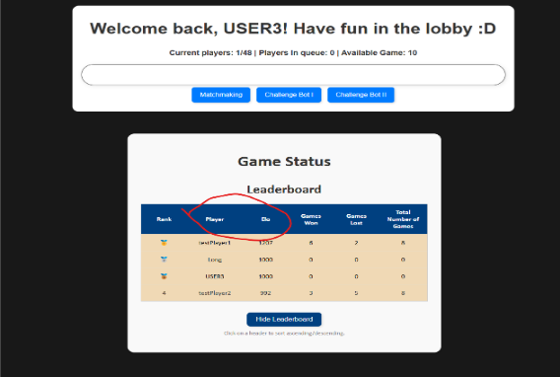
T2_006 | 7 - Join game | X | If selected to join queue shall update the json with message type on that user Id and refer the player to PageManager with type 'JoinQueue' | sendMessage({action:'joinQueue', playerClientId: globalClientID}) |  |  |  |  | untestable | untestable |  | untestable | Untestable |  | Untestable | Untestable
T2_007 | 8 - Join game |  | Once a player enters loggined their name shall be added to the list of players in lobby | case loginSuccessful; swapToPage("join_game"); |  |  |  |  |  | pass, TC-16 |  |  | Pass |  | pass | Test 1, Step 3 |  |  | 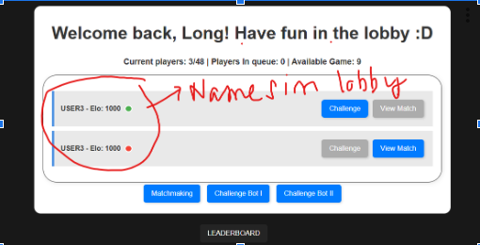
T2_008 | 9 - Join game | X | If user select to challenge shall update the json type for the challenger "req_challenge" and refer to page manager | sendMessage({ action: "challengePlayer", "opponentClientId": player_info.ClientID }); |  |  |  |  | untestable | untestable |  | untestable | Untestable |  | Untestable | Untestable
T2_009 | 10 - Join game | X | If select to view a match shall update the json along with the action | deprecated |  |  |  |  | untestable | untestable |  | untestable | Untestable |  | Untestable | Untestable
T2_010 | 11 - Join game |  | If a player is active shall be added to list of players for challenge | updateStatus(playerID, status) |  |  |  |  |  | pass, TC-17 |  |  | Pass |  | pass | Test 1, Step 3
T2_011 | 12 - Join game |  | Players in a challenge cannot be challenged until they have completed their current match | updateStatus(playerID, status) |  |  |  |  |  | pass, TC-18 |  |  | Pass |  | pass
T2_012 | 13 - Join game | X | If a player is not online, they won't be in the lobby list | getActivePlayer() method from PageManager |  |  |  |  | untestable | untestable |  | untestable | Untestable |  | Untestable | Untestable
T2_013 | 14 - Join game |  | If a player is online, status shall show as active | getActivePlayer() method from PageManager |  |  |  |  |  | pass, TC-19 |  |  | Pass |  | Pass | Test 1, Step 3 |  | 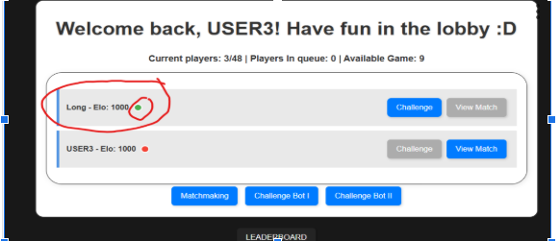
T2_014 | 15 - Join game |  | If player is in challenge, status shall show as in challenge | updateStatus(playerID, status) |  |  |  |  |  | pass, TC-20 |  |  | Pass |  | Pass | Test 1, Step 3 |  |  | 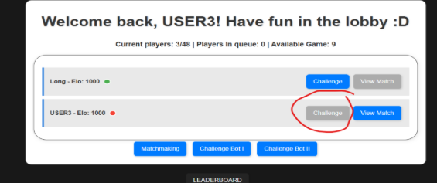
T2_015 | 16 - Join game |  | If player is in queue , status shall as busy | updateStatus(playerID, status) |  |  |  |  |  | pass, TC-21 |  |  | Pass |  | Pass
T2_016 | 17 - Join game |  | If player views a match, shall redirect through the updated json | deprecated |  |  |  |  | untestable | untestable |  | untestable | Untestable |  | Untestable
T2_017 | 18 - Join game |  | shall display number of players currently logged in | displayJoinGame(player) |  |  |  |  |  | pass, TC-23 |  |  | Pass |  | Pass | Test 1, Step 3 |  |  | 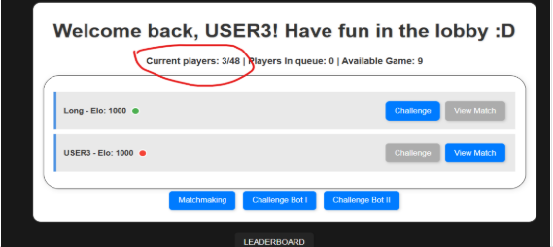
T2_019 | 20 - Join game | X | players shall have unique userIDs | globalClientID |  |  |  |  | untestable | untestable |  | untestable | Untestable |  | Untestable | Untestable
T2_020 | 21 - Join game |  | default shall have 2 bots to be played against | sendMessage({'action':'challengeBot', 'botId': 0/1}) |  |  |  |  |  | pass, TC-24 |  |  | Pass |  |  |  |  |  | 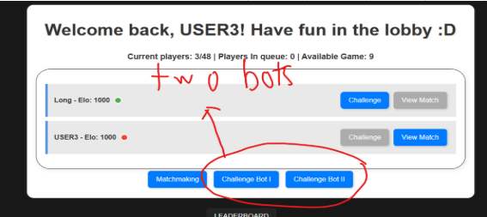
T2_021 | 22 - Join game | X | shall update html and send to Page manager JSON for player request | SwapToPage() |  |  |  |  | untestable | untestable |  | untestable | Untestable |  | Untestable | Untestable
T2_025 | 26 - Join game |  | shall try to reconnect if matchmaking failed in challenge mode | SwapToPage() |  |  |  |  | untestable | untestable |  | untestable | Untestable
T2_025 | 27 - Join game |  | shall have a button to request a checkers game between two bots | deprecated |  |  |  |  | untestable | untestable |  |  | Pass |  |  |  |  |  | 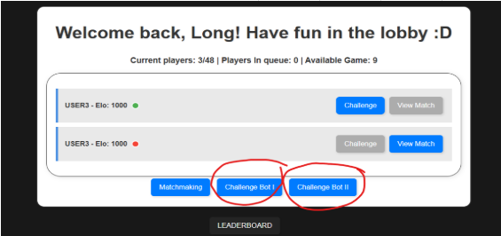
T2_026 | 28 - Join game |  | shall have a button for the player to play aganist a bot | sendMessage({'action':'challengeBot', 'botId': 0/1}) |  |  |  |  |  | pass, TC-24 |  |  | Pass |  |  | Test 1, Step 3 |  |  | 
T2_027 | 29 - Join game |  | There shall be a scroll controll in the lobby to preserve height of the div in index page | not implemented |  |  |  |  | untestable | untestable |  | untestable | Untestable
T2_029 | 31 - Join game | X | The join game front end shall show the user in the lobby menu with different action buttons and options | displayJoinGame(player) , updateJoinGameList(data) |  |  |  |  | untestable | untestable |  | untestable | Untestable |  | Untestable | Untestable |  |  | 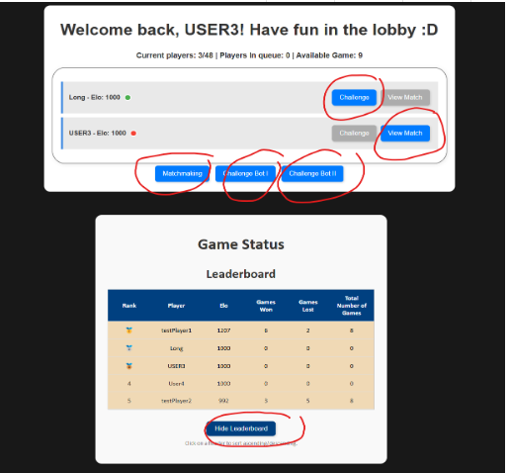
T2_030 | 32 - Join game |  | There shall be a color indicator to show the status of the player | updateStatus(playerID, status) |  |  |  |  |  | pass, TC-21 |  |  | Pass |  |  | Test 1, Step 3 |  |  | 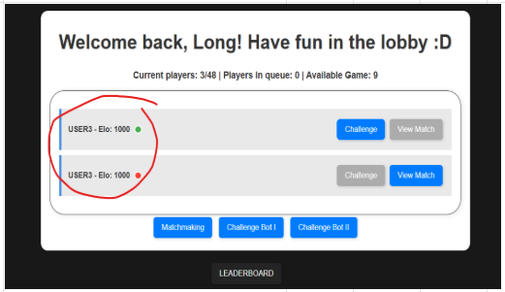
T2_031 | 33 - Join game |  | The color status indicator shall be green to show that the player is idle | updateStatus(playerID, status) |  |  |  |  |  | pass, TC-19 |  |  | Pass |  |  | Test 1, Step 3 |  |  | 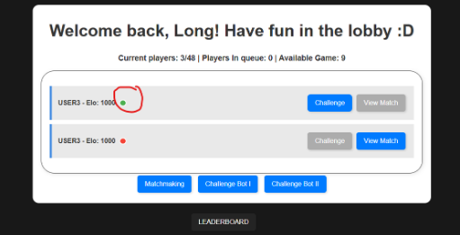
T2_032 | 34 - Join game |  | The color status indicator shall be red to show that the player is busy | updateStatus(playerID, status) |  |  |  |  |  | pass, TC-21 |  |  | Pass |  |  | Test 1, Step 3 |  |  | 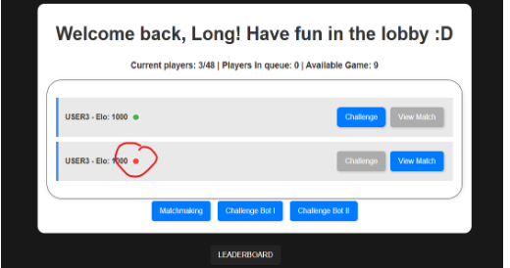
T2_33 | 35 - Join game |  | A function with the parameter of a player's info shall create a list element with the requirements T2_... and append to the id "lobby_list_items" | displayJoinGame(player) , updateJoinGameList(data) |  |  |  |  | untestable | untestable |  | untestable | Untestable
T2_34 | 36 - Join game |  | Create a paragraph element with the id "UID{player_id}" and the innerText of "{player_username} - (ELO: (player_elo})" and T2_35 | displayJoinGame(player) , updateJoinGameList(data) |  |  |  |  | untestable | untestable |  | untestable | Untestable
T2_35 | 37 - Join game |  | A span element shall have the class "status free" if the player_status is ONLINE else it will be initialized with "status busy" | displayJoinGame(player) , updateJoinGameList(data) |  |  |  |  | untestable | untestable |  | untestable | Untestable
T2_36 | 38 - Join game |  | A challange button shall have the id "chall_btn-{player_id}", an onclick function that calls T2_37, and the inner text "Challenge" | displayJoinGame(player) , updateJoinGameList(data) |  |  |  |  | untestable | untestable |  | untestable | Untestable
T2_37 | 39 - Join game | X | A challenge function shall take in the parameters of the challenged player and current player then send it to PageManager with the correct format | displayJoinGame(player) , updateJoinGameList(data) |  |  |  |  | untestable | untestable |  | untestable | Untestable |  | Untestable | Untestable
T2_38 | 40 - Join game |  | A view button shall have the id "view_btn-{player_id}", an onclick function that call T2_39, and inner text of "view match" | deprecated |  |  |  |  | untestable | untestable |  | untestable | Untestable
T2_39 | 41 - Join game |  | a view match function shall take in the requested player's info and send to page manager in the corrent JSON format | deprecated |  |  |  |  | untestable | untestable |  | untestable | Untestable
LS_01 | 01 - Login/Signup |  | System shall have a username box for the returning user to enter thier unique identifier | login |  | test2, step1, passed |  |  |  | Step 1, pass |  |  | Pass |  |  | Test 1, Step 1
LS_02 | 01 - Login/Signup |  | System shall have a password box for the returning user to enter their created password. | login |  | test2, step1, passed |  |  |  | Step 1, pass |  |  | Pass |  |  | Test 1, Step 1
LS_03 | 1 - Login/Signup |  | System shall have a login button for directing returning users to login page. | btn |  | test2, step1, passed |  |  |  | Step 4, pass |  |  | Pass |  |  | Test 1, Step 1
LS_04 | 1 - Login/Signup |  | System shall have a sign up button for directing new users to new account page. | btn |  | test2, step1, passed |  |  |  | Step 4, pass |  |  | Pass |  |  | Test 1, Step 2
LS_05 | 1 - Login/Signup |  | System shall have a game title (logo) | img |  |  |  |  |  | Step 2, pass |  |  | Pass |  |  | Test 1, Step 1
LS_06 | 1 - Login/Signup |  | System shall have a sign up information input to create new accounts for new users. | new_account |  | test2, step1, failed |  |  |  | Step 1, pass |  |  | Pass |  |  | Test 1, Step 2
LS_07 | 1 - Login/Signup |  | System users shall have a unique username with at least 4 characters. | uniqueUser, span |  | test2, step1, passed |  |  |  | Step 1, pass |  |  | pass |  |  | Test 2, step 4, pass
LS_08 | 1 - Login/Signup |  | System users shall have a password with at least 6 unique characters. | uniquePass, span |  | test2, step1, passed |  |  |  | Step 5, fail |  |  |  |  |  | Test 2, step 5, pass
LS_09 | 1 - Login/Signup |  | System shall display a message if no account is found matching the entered username. | span |  |  |  |  |  | Step 8, pass
LS_10 | 1 - Login/Signup | X | System will comunicate with Page Manager to send data to database | sendInfo |  | test2, step1, passed |  |  |  | Step 5, pass |  | untestable | Untestable |  | Untestable | Untestable
LS_11 | 1 - Login/Signup |  | System shall have a username box for the new user to enter thier unique identifier | new_account |  |  |  |  |  | Step 5, pass |  |  |  |  |  | Test 1, Step 2
LS_12 | 1 - Login/Signup |  | System shall have a password box for the new user to enter their created password. | new_account |  |  |  |  |  | Step 5, pass |  |  | ` |  |  | Test 1, Step 2
LS_13 | 1 - Login/Signup |  | System shall have a functioning button to log the user in using their entered credentials. | login (id) |  | test2, step1, passed |  |  | untestable | untestable |  |  |  |  |  | Test 1, Step 1
LS_14 | 1 - Login/Signup |  | System shall have a functioning button to create a user account using their entered credentials. | new_account (id) |  |  |  |  |  | Step 2, pass |  |  |  |  |  | Test 1, Step 1
LS_15 | 1 - Login/Signup |  | System shall have a function to show the signup page and simultaneuously hide the login screen upon click. Function for Requirement(4) | auth.js |  |  |  |  |  | Step 2, pass |  |  |  |  |  | Test 1, Step 1
LS_16 | 1 - Login/Signup |  | System shall have a function to show the login page and simultaneuously hide the signup screen upon click. Function for Requirement(3) | auth.js |  | test2, step1, passed |  |  |  | Step 3, pass |  |  |  |  |  | Test 1, Step 1
DB_1 | 6 - Database |  | The database shall ensure that each username is unique and associated with a UUID. | initializeDatabase() |  |  |  |  |  | Step 5, pass |  |  | pass
DB_2 | 6 - Database |  | The database shall generate a UUID for each new user record upon creation. | initializeDatabase() |  |  |  |  |  | Step 2, pass |  |  | pass
DB_3 | 6 - Database |  | The database shall provide an interface that allows the page manager to request and retrieve stored user information by username, UUID, or other attributes. | getPlayer(String username, String password) |  |  |  |  |  | Step 3, pass |  |  | pass
DB_4 | 6 - Database |  | The database shall support deletion of user records manually if needed. | deprecated |  |  |  |  |  |  |  |  | pass
DB_5 | 6 - Database |  | The database shall maintain data and value ranges for all fields to maintain consistency. | getPlayer(String username, String password) |  |  |  |  |  |  |  |  | Untestable
DB_6 | 6 - Database |  | The database shall respond to requests from page manager and deliver the requested information within a short span of time. | getPlayer(String username, String password) |  |  |  |  |  |  |  |  | pass
DB_7 | 6 - Database |  | The database shall ensure consistency by preventing duplicate names by using the UUID's. | addPlayer(String username, String password) |  |  |  |  |  |  |  |  | pass
DB_8 | 6 - Database |  | The database shall be scalable to handle an increasing number of user records. | addPlayer(String username, String password) |  |  |  |  |  |  |  |  | Untestable
DB_9 | 6 - Database |  | The database shall support the insertion of new user records. | addPlayer(String username, String password) |  |  |  |  |  |  |  |  | pass
DB_10 | 6 - Database |  | The database shall support the update of a user's win count. | recordMatchResult(int winnerId, int loserId) |  |  |  |  |  |  |  |  | pass
DB_11 | 6 - Database |  | The database shall support the update of a user's loss count. | recordMatchResult(int winnerId, int loserId) |  |  |  |  |  |  |  |  | pass
DB_12 | 6 - Database |  | The database shall support the update of a user's total games played. | recordMatchResult(int winnerId, int loserId) |  |  |  |  |  |  |  |  | pass
DB_13 | 6 - Database |  | The database shall support the update of a user's elo value. | getPlayer(String username, String password) |  |  |  |  |  |  |  |  | pass
DB_14 | 6 - Database |  | The database shall provide a user's elo value to pair up system upon request. | getPlayer(String username, String password) |  |  |  |  |  |  |  |  | pass
DB_15 | 6 - Database |  | The database shall store player's username. | updatePlayerStats(int playerId, int wins, int losses, int ELO, int gamesPlayed) |  |  |  |  |  |  |  |  | pass
DB_16 | 6 - Database |  | The database shall store player's UUID. | updatePlayerStats(int playerId, int wins, int losses, int ELO, int gamesPlayed) |  |  |  |  |  |  |  |  | untestable
DB_17 | 6 - Database |  | The database shall store player's wins. | updatePlayerStats(int playerId, int wins, int losses, int ELO, int gamesPlayed) |  |  |  |  |  |  |  |  | pass
DB_18 | 6 - Database |  | The database shall store player's losses. | updatePlayerStats(int playerId, int wins, int losses, int ELO, int gamesPlayed) |  |  |  |  |  |  |  |  | pass
DB_19 | 6 - Database |  | The database shall store player's total games. | updatePlayerStats(int playerId, int wins, int losses, int ELO, int gamesPlayed) |  |  |  |  |  |  |  |  | pass
DB_20 | 6 - Database |  | The database shall store player's elo. | updatePlayerStats(int playerId, int wins, int losses, int ELO, int gamesPlayed) |  |  |  |  |  |  |  |  | pass
BII-3 | Bot II - 19 |  | Bot 2 shall be able to prioritize defensive moves to protect its own pieces. | public void defendPieces() |  |  |  |  |  | Step 1, fail
BII-9 | Bot II - 19 | X | Bot 2 shall wait until the opponent has made a valid move. | public void waitForOpponent() |  |  |  |  |  | Step 2, pass |  | Untestable | Untestable |  | Untestable | Untestable
BII-10 | Bot II - 19 |  | Bot 2 shall adapt its strategy based on the game phase (e.g., early, mid, late game) | public void adjustStrategy() |  |  |  |  |  | Step 3,untestable
BII-11 | Bot II - 19 |  | Bot 2 shall be able to optimally figure out the best route to block their opponent in. | public void defendPieces() |  |  |  |  | step4, fail | Step 4, fail
BII-12 | Bot II - 19 |  | Bot 2 shall be able to recognize when to play "offensive" if there is an opportunity to capture an opponent's piece during a turn. | public void findOffensiveMove() |  |  |  |  | fail | Step 5, fail
BII-13 | Bot II - 19 |  | Bot 2 shall recognize when one of its checker pieces have been captured by the opponent. | public boolean isPieceCaptured(int pieceId) |  |  |  |  | fail | Step 6, fail
BII-14 | Bot II - 19 |  | Bot 2 shall recognize when more than one of its checker pieces have been captured by the opponent. | public void adjustStrategy() |  |  |  |  | fail | Step 7, fail
BII-15 | Bot II - 19 |  | Bot 2 shall keep the back line pieces in place unless needed | public void protectBackLine() |  |  |  |  | fail | Step 8, fail
BII-18 | Bot II - 19 |  | Bot 2 shall be able to detect if a move in the future will be within danger | private static boolean wouldBeInDangerAfterMove(Checker piece, Cord dest, Board board) |  |  |  |  | fail | Step 9, fail
BII-19 | Bot II - 19 |  | Bot 2 shall be able to create a list of all possible safe moves | public static ArrayList<Cord> getSafeMoves(Checker checker, Board board) |  |  |  |  | fail | Step 10, fail
BII-20 | Bot II - 19 |  | Bot 2 shall detect if a piece is in danger after opponent moves | public static boolean isInDanger(Checker checker, Board board) |  |  |  |  | fail | Step 11, fail
BII-21 | Bot II - 19 |  | Bot 2 shall be able to move in order to defend its pieces | public static Move defendPieces(Board board) |  |  |  |  | fail | Step 12, fail
BII-22 | Bot II -19 |  | Bot 2 shall act on its defensive strategy | public void makeDefensiveMove() |  |  |  |  | fail | Step 13, fail
BII-23 | Bot II -19 |  | Bot 2 shall determine the safest move for a piece in order to follow its defensive strategy | private boolean attemptDefensiveMove() |  |  |  |  | fail | Step 14, fail
BII-4 | Bot II - 19 |  | Bot 2 shall be able to capture opponent's pieces when diagonally passing over an opponent piece. | public void capturePiece() |  |  |  |  | fail | Step 15, fail
SM-001 | 4 - Summary |  | The leaderboard shall display gold, silver, and bronze medals for the top three players. | fillTable() |  |  |  |  | pass test 1 | pass Sm1 |  |  |  |  |  | Test 1, Step 5
SM-002 | 4 - Summary |  | The leaderboard shall be shown on page load, populated with sorted player data. | renderLeaderboard(), loadData() |  |  |  |  | pass test 2 | pass Sm1
SM-003 | 4 - Summary |  | The leaderboard shall sort players in descending order based on Elo rating. | loadData() |  |  |  |  | pass test 3 | passSm3 |  |  |  |  |  | Test 1, Step 5
SM-004 | 4 - Summary |  | The leaderboard shall display each player's total games as the sum of games won and games lost. | Player.getTotalGames(), fillTable() |  |  |  |  | pass test 4 | pass sm4 |  |  |  |  |  | Test 1, Step 5
SM-005 | 4 - Summary |  | The page shall request summary leaderboard data from the server on load. | renderLeaderboard(), sendMessage() |  |  |  |  | pass test 5 | pass sm5
SM-006 | 4 - Summary |  | The leaderboard shall clear previous data before displaying new player data. | renderLeaderboard() |  |  |  |  | pass test 6 | pass sm6
SM-007 | 4 - Summary |  | The system shall handle 'summaryData' server messages by passing the top 10 players to the leaderboard | loadData(jsonMsg.top10) |  |  |  |  | pass test 7 | sm7
SM-008 | 4 - Summary |  | The UI shall hide the 'LEADERBOARD' button and display the leaderboard on click | summaryShow() |  |  |  |  | pass test 8 | sm8
SM-009 | 4 - Summary |  | The UI shall display a 'Back to Home' button to hide the leaderboard and show the display button | summaryHide() |  |  |  |  | pass test 9 | pass sm9
SM-010 | 4 - Summary |  | The leaderboard shall be rendered inside a scrollable HTML table container | div.scrollable-table |  |  |  |  | pass test 10 | pass sm10
SM-011 | 4 - Summary |  | The leaderboard table columns shall support click-to-sort functionality | sortTable() |  |  |  |  | pass test 11 | pass sm11
SM-012 | 4 - Summary |  | The sortTable function shall handle numeric and string-based sorting in ascending/descending order | sortTable() |  |  |  |  | pass test 12 | pass sm12
BI - 1 | Bot1 - 18 |  | Two 'bots' shall be provided. They will play with different strategies | general case, makeMove() |  |  |  |  |  | untestable
BI - 2 | Bot1 - 18 | X | BotI shall play checkers like a real players | makeMove() |  |  |  |  |  | untestable |  | untestable | Untestable |  | Untestable | Untestable
BI - 3 | Bot1 - 18 |  | BotI shall negotiate with Bot II and Game Manager for game decisions and strategies | in general |  |  |  |  |  | untestable |  |  | Untestable |  |  | unstable
BI - 4 | Bot1 - 18 |  | BotI shall consistently follow game rules and strategies without failure, ensuring a fair playing environment | getAvailableCheckers(), getAllJumpMoves(), getAllNormalMoves() |  |  |  |  |  | untestable |  |  | Untestable |  |  | unstable
BI - 5 | Bot1 - 18 |  | BotI shall go before Bot II | updateBoard() ->game manager |  |  |  |  |  | untestable |  |  | Untestable |  |  | unstable
BI - 6 | Bot1 - 18 |  | BotI shall exceute each move within 1 second of the opponent's move | makeMove() |  |  |  |  | fail | Step 4, fail |  |  | fail |  |  | Test 2, Step 6; fail
BI - 7 | Bot1 - 18 |  | BotI shall execute moves correctly | executeMove() |  |  |  |  | fail | Step 4, fail |  |  | fail |  |  | Test 2, step 6; fail
BI - 8 | Bot1 - 18 |  | BotI shall respond and execute moves efficiently | moveChecker(), moveKing() |  |  |  |  |  | Step 4, fail |  |  | fail |  |  | Test 2, Step 6; fail
BI - 9 | Bot1 - 18 |  | BotI will go first during the bot match | updateBoard() ->game manager |  |  |  |  |  | untestable |  |  | untestable |  |  | Test 2, step 6; fail
BI - 10 | Bot1 - 18 |  | BotI wins if the opponent has no legal moves or the opponent has no pieces left. | makeMove() |  |  |  |  | fail | Step 4, fail |  |  | fail |  |  | Test 2, step 9; fail
BI - 11 | Bot1 - 18 |  | BotI shall be designed to accommodate future changes | general case |  |  |  |  |  | untestable |  |  | Untestable |  |  | unstable
BI - 12 | Bot1 - 18 |  | BotI shall attempt to block opponent's moves when possible | isSafeMove() |  |  |  |  | fail | Step 4, fail |  |  | fail |  |  | Test 2, step 6; fail
BI - 13 | Bot1 - 18 |  | BotI shall prioritize offensive moves when safe | selectBestJumpMove(), selectBestNormalMove() |  |  |  |  | fail | Step 4, fail |  |  | fail |  |  | Test2, Step 6; fail
BI - 14 | Bot1 - 18 |  | BotI shall avoid moving backline peices unless necessary | IsAdvancingMove() |  |  |  |  | fail | Step 4, fail |  |  | fail |  |  | Test 2, step 6; fail
BI - 15 | Bot1 - 18 |  | BotI shall support multiple kings on the board | isKing(), wouldBecomeKing() |  |  |  |  | fail | Step 4, fail |  |  | fail |  |  | Test2, Step 6; fail
BI - 16 | Bot1 - 18 |  | BotI shall check ande exectue multiple jumps if available | getAllJumpMoves() |  |  |  |  | fail | Step 4, fail |  |  | fail |  |  | Test2, Step 6; fail
BI - 17 | Bot1 - 18 |  | BotI shall support Player vs Bot 1 matches | updateBoard(), makeMove() |  |  |  |  | fail | Step 4, fail |  |  | fail |  |  | Test2, Step 6; fail
BI - 18 | Bot1 - 18 |  | BotI shall suppport Bot 1 vs Bot 2 | updateBoard(), makeMove() |  |  |  |  |  | untestable |  |  | untestable |  |  | unstable
BI - 19 | Bot1 - 18 |  | Bot I shall operate independently in Player vs Player matches | updateBoard(), makeMove() |  |  |  |  |  | untestable |  |  | Untestable |  |  | unstable
BI - 20 | Bot1 - 18 |  | BotI shall keep updating board after moves | updateBoard() |  |  |  |  | fail | Step 4, fail |  |  | fail |  |  | Test2, Step 6; fail
BI - 21 | Bot1 - 18 |  | BotI should end game | endGame() |  |  |  |  | fail | Step 4, fail |  |  | fail |  |  | Test 2, Step 7; fail
PG - 1 | Page Manager - 5 | X | The Page Manager should receive data from Pair Up in Java format and convert it into JSON format before sending it to the Game Display. | getGameMove(jsonObj, Id) to get the Json object and turn it to java class that can be sent to Game Manger |  |  |  |  | untestable | untestable |  | untestable | Untestable |  | Untestable | Untestable
PG - 2 | Page Manager - 5 | X | The Page Manager should send the player data (received from Pair Up) as a JSON-formatted string to the Game Display using WebSockets. | Using GameManager GM = new GameManager(); so that we can send them the Java objects |  |  |  |  | untestable | untestable |  | untestable | Untestable |  | Untestable | Untestable
PG - 3 | Page Manager - 5 | X | The Page Manager should receive a Java object from the Game Manager, containing game updates (e.g., move validity, game status), and convert it into a JSON-formatted string before sending it to the Game Display. | Created a pubic class GameUpdate to represent a move in the game. It alloess us to store updates |  |  |  |  | untestable | untestable |  | untestable | Untestable |  | Untestable | Untestable
PG - 4 | Page Manager - 5 | X | The Page Manager should send updates from the Game Manager as a JSON-formatted string to the Game Display, including whether the move was valid or invalid, the game status (win, loss, draw, or in progress), and the winner's name (if applicable). | Using import com.google.gson.Gson and import com.google.gson.GsonBuilder so that we can use gson.fromJson() and gson.toJson() to convert between JSON strings and Java objects. |  |  |  |  | untestable | untestable |  | untestable | Untestable |  | Untestable | Untestable
PG - 5 | Page Manager - 5 | X | The Page Manager should receive a JSON-formatted string from the Game Display with the move made in the game. The Page Manager should then convert this JSON data into a Java object (GameMove) and send it to the Game Manager. | Using import com.google.gson.Gson and import com.google.gson.GsonBuilder so that we can use gson.fromJson() and gson.toJson() to convert between JSON strings and Java objects. |  |  |  |  | untestable | untestable |  | untestable | Untestable |  | Untestable | Untestable
PG - 6 | Page Manager - 5 | X | The Page Manager should send a Java object (GameMove) to the Game Manager containing the move data. This data will be received from the Game Display and converted from JSON format. | Created a public class GameMove to represent a move in the game. It allows us to store move details and send them to GameManager for processing |  |  |  |  | untestable | untestable |  | untestable | Untestable |  | Untestable | Untestable
PG - 7 | Page Manager - 5 | X | The Page Manager shall recieve data from the client-side in the form of a JSON-formatted string | UserEvent class |  |  |  |  | untestable | untestable |  | untestable | Untestable |  | Untestable | Untestable
PG - 8 | Page Manager - 5 | X | The Page Manager shall send data to the client-side in the form of a JSON-formatted string | UserEventReply class, omMessage() or onSend() |  |  |  |  | untestable | untestable |  | untestable | Untestable |  | Untestable | Untestable
PG - 9 | Page Manager - 5 | X | The Page Manager shall associate each player as a HumanPlayer object | HumanPlayer() |  |  |  |  | untestable | untestable |  | untestable | Untestable |  | Untestable | Untestable
PG - 10 | Page Manager - 5 | X | The Page Manager shall store all player information in the respective HumanPlayer object | HumanPlayer class |  |  |  |  | untestable | untestable |  | untestable | Untestable |  | Untestable | Untestable
PG - 11 | Page Manager - 5 | X | The Page Manager shall send client ID to Pair Up subsystem if the client chooses to queue | joinQueue(jsonObj, Id) |  |  |  |  | untestable | untestable |  | untestable | Untestable |  | Untestable | Untestable
PG - 12 | Page Manager - 5 | X | The Page Manager shall send client ID and opponenets ID to Pair Up subsystem if the client chooses to challenge a player | challengePlayer(jsonObj, Id) , challengePlayerReply(jsonObj, Id) |  |  |  |  | untestable | untestable |  | untestable | Untestable |  | Untestable | Untestable
PG - 13 | Page Manager - 5 | X | The Page Manager shall send client ID and bot type to Pair Up subsystem if the client chooses to challenge a bot | challengeBot(jsonObj, Id) : requirement will be fufilled in implementation |  |  |  |  | untestable | untestable |  | untestable | Untestable |  | Untestable | Untestable
PG - 14 | Page Manager - 5 | X | The Page Manager shall recieve from the Join Game subsystem whether the client wants to queue, challenge a player, and challenge a bot | joinQueue(jsonObj, Id), challengeBot(jsonObj, Id), challengePlayer(jsonObj, Id), challengePlayerReply(jsonObj, Id) |  |  |  |  | untestable | untestable |  | untestable | Untestable |  | Untestable | Untestable
PG - 15 | Page Manager - 5 | X | The Page Manager shall send that the pair has failed to the Join Game subsystem if the request to challenge a player has expired or failed | challengePlayerReply(jsonObj, Id) |  |  |  |  | untestable | untestable |  | untestable | Untestable |  | Untestable | Untestable
PG - 16 | Page Manager - 5 | X | The Page Manager shall send the list of active players to the Join Game subsystem | getActivePlayers(jsonObj, Id) |  |  |  |  | untestable | untestable |  | untestable | Untestable |  | Untestable | Untestable
PG - 17 | Page Manager - 5 | X | The Page Manager will be updated on client's locations (such as if they are currently logging in or playing a game) | Human Player() |  |  |  |  | untestable | untestable |  | untestable | Untestable |  | Untestable | Untestable
PG - 18 | Page Manager - 5 | X | The Page Manager will produce Json with a "tag" to let other modules know if the information is for them | UserEventReply class |  |  |  |  | untestable | untestable |  | untestable | Untestable |  | Untestable | Untestable
PG - 19 | Page Manager - 5 | X | The Page Manager will provide the "Summary" module with Json-formatted data about the current players and top ten players. Java information will be converted to JSON to send to summary module. | JsonObject retrieveUserJson(int player_ID), JsonObject retrieveUserJson() |  |  |  |  | untestable | untestable |  | untestable | Untestable |  | Untestable | Untestable
PG - 20 | Page Manager - 5 | X | The Page Manager will get returning active player from the database to store on the active player list. New IDs created for new players | current player list and handleNewUser() |  |  |  |  | untestable | untestable |  | untestable | Untestable |  | Untestable | Untestable
PG - 21 | Page Manager - 5 |  | The Login module shall allow the player to input a handle upon loading the page. | onMessage() |  |  |  |  |  |  |  |  | pass |  |  | Test 1, Step 1
PG - 22 | Page Manager - 5 | X | The Login module shall send the inputted handle as a JSON-formatted WebSocket message to the Page Manager. | onMessage() |  |  |  |  | untestable |  |  | untestable | Untestable |  | Untestable | Untestable
PG - 23 | Page Manager - 5 |  | The Page Manager shall check with the Database subsystem to verify if the player handle already exists. | handleLogin(userEvent U) |  |  |  |  |  |  |  |  | pass
PG - 24 | Page Manager - 5 |  | If the handle exists, the Database shall return the associated player information to the Page Manager. | db.getPasswordForUser() |  |  |  |  |  |  |  |  | pass
PG - 25 | Page Manager - 5 | X | The Page Manager shall forward the existing player information to the Login module as a JSON response. | UserEventReply class |  |  |  |  | untestable |  |  | untestable | Untestable |  | Untestable | Untestable
PG - 26 | Page Manager - 5 |  | If the handle does not exist, the Page Manager shall create a new player record by sending the handle to the Database subsystem. | handleNewUser(UserEvent U) |  |  |  |  |  |  |  |  | pass
PG - 27 | Page Manager - 5 | X | The Database shall create a new player entry with a unique client ID and return it to the Page Manager. | db.adduser() |  |  |  |  | untestable |  |  | untestable | Untestable |  | Untestable | Untestable
PG - 28 | Page Manager - 5 | X | The Page Manager shall forward the new player’s information (including client ID) to the Login module as a JSON message | UserEventReply class |  |  |  |  | untestable |  |  | untestable | Untestable |  | Untestable | Untestable
PG - 29 | Page Manager - 5 |  | The Login module shall display a welcome message upon successful login or account creation. | frontend, but our response triggers it |  |  |  |  |  |  |  |  | pass |  |  | Test 1, Step 4
PG - 30 | Page Manager - 5 |  | The Login module shall alert the player if the handle is invalid (e.g., blank or too long). | frontend validation, but backed by backend enforcement |  |  |  |  |  |  |  |  | pass
PG - 31 | Page Manager - 5 |  | The Login module shall not allow the player to proceed unless a valid handle is entered and accepted. | frontend , but backed by our response |  |  |  |  |  |  |  |  | pass
PG - 32 | Page Manager - 5 |  | All communication between the Login module and the backend shall occur using JSON over WebSockets. | onMessage() + userEvent+userEventReplay |  |  |  |  |  |  |  |  | Untestable
PG - 33 | Page Manager - 5 | X | Page manager should store list of active players. | Hashtable<HumanPlayer, Integer> activePlayers = new Hashtable<>(); |  |  |  |  | untestable |  |  | untestable | Untestable |  | Untestable | Untestable
PG - 34 | Page Manager - 5 | X | Page manager should efficiently handle the converison back and forth between json and java. | handled inside each method. |  |  |  |  | untestable |  |  | untestable | Untestable |  | Untestable | Untestable
PG - 35 | Page Manager - 5 | X | Page manager should manage the process of switching webpage information when user goes from one subsystem to theh other | transitionPage(int clientId, GameState newState) - automatic transitions of pages, backToHome(int clientId) - transitions from summary to home page via button press |  |  |  |  | untestable |  |  | untestable | Untestable |  | Untestable | Untestable
PG - 36 | Page Manager - 5 | X | Page manager should track the player current state (in which subsytem they are at) - for transitioning purpose | HashMap<Integer, GameState> clientStates = new HashMap<>(); |  |  |  |  | untestable |  |  | untestable | Untestable |  | Untestable | Untestable
PG - 37 | Page Manager - 5 | X | Page Manager should handle the case a user closes the tab and update clients and player info accordingly | App.Java onClose, pm.userLeave |  |  |  |  | untestable |  |  | untestable | Untestable |  | Untestable | Untestable
GD - 1 | Game Display - 3 |  | Game Display shall display board with appropriate places | createBoard() | UI_001 | test2, step3, passed |  |  |  |  |  |  |  |  | Pass; Test 1, Step 5
GD - 2 | Game Display - 3 | X | Game display shall communicate with Page Manager through web sockets | socket.js |  |  |  |  | untestable |  |  | untestable | Untestable |  | Untestable | Untestable
GD - 3 | Game Display - 3 |  | Game Display shall display the piece movement | handleClick(clickedId), movePiece(fromId, toId), | UI_002 | test2, step3, passed |  |  |  |  |  |  |  |  | Pass; Test 1, Step 5 | Test 1, Step 6
GD - 4 | Game Display - 3 |  | Game Display shall display the current players of the game | updatePlayerTurn(), switchPlayer() | UI_003 | test2, step3, failed |  |  |  |  |  |  |  |  | Fail; Test 1, Step 5
GD - 5 | Game Display - 3 |  | game Display shall have a log that dislays the history of moves as well as status of the game | addLog(message, type='info') | UI_004 | test2, step3, passed |  |  |  |  |  |  |  |  | Pass; Test 1, Step 5 | Test 1, Step 5
GD - 6 | Game Display - 3 |  | Game Display shall allow users to quit and request draw with buttons | quitGame(), sendDrawRequest() | UI_005 | test2, step3, failed |  |  |  |  |  |  |  |  | Pass; Test 1, Step 6 | Test 1, Step 8
GD - 7 | Game Display - 3 |  | Game Display shall allow users to move pieces | movePiece(fromId, toId), handleClick(clickedId), sendGameMove(fromId, toId) | UI_006 | test2, step3, passed |  |  |  |  |  |  |  |  | Pass; Test 1, Step 5 | Test 1, Step 7
GD - 8 | Game Display - 3 |  | Game Display shall show whose turn it is | updatePlayerTurn(), switchPlayer() | UI_007 | test2, step3, passed |  |  |  |  |  |  |  |  | Pass;Test 1, Step 5
GD - 9 | Game Display - 3 |  | Game Display Shall validate if a move is legal with backend before executing | sendGameMove(fromtId, toId) | #VALUE! | Untestable |  |  |  |  |  |  |  |  | Pass; Test 1, Step 1
GD - 10 | Game Display - 3 |  | Game Display shall remove caputred pieces from the board upon successful jump | handleMoveResult(moveData) | #VALUE! | test2, step3, passed |  |  |  |  |  |  |  |  | Pass; Test 1, Step 1
GD- 11 | Game Display - 3 |  | Game Display shall implement CSS styling | display.css | #VALUE! | Untestable |  | group |  |  |  |  |  |  | Pass; Test 1, Step 1
GD-12 | Game Display - 3 |  | Game Display shall contain all HTML on one page | index.html | #VALUE! | Untestable

