bug report
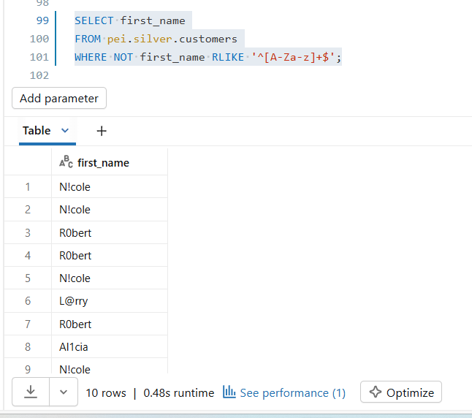
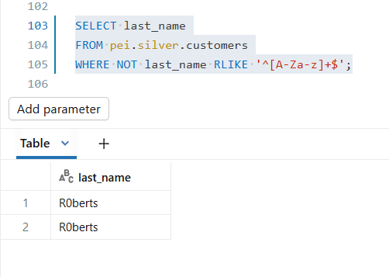
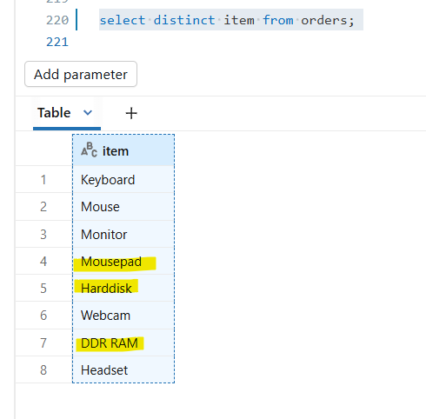
Test_ID | Test_Scenario | Test_Description | Target_Table | Validation_Query | Expected_Result | Status | Severity | QA_Comments
CUST_TC17 | First_name check | First_name column should not contain special characters , leading and trailing spaces It should only contain english alphabets(ex : John) | customers | SELECT first_name FROM pei.silver.customers WHERE NOT first_name RLIKE '^[A-Za-z]+$'; | No records | FAIL | High | Special characters and digits in First_name
CUST_TC18 | Last_name check | Last_name column should not contain special characters , leading and trailing spaces It should only contain english alphabets(ex : John) | customers | SELECT last_name FROM pei.silver.customers WHERE NOT last_name RLIKE '^[A-Za-z]+$'; | No records | FAIL | High | Special characters and digits in Last_name
ORD_TC20 | Item check | Item values should be valid | orders | SELECT DISTINCT item FROM pei.silver.orders | Valid values | FAIL | Low | Inconsistent naming style - Require more information/clarity on this Mousepad → single word DDR RAM → two words Harddisk → could also be Hard Disk

 | CUST_TC17 |  | CUST_TC18 |  |  | ORD_TC20

testcase execution - customers
CUST_TC01
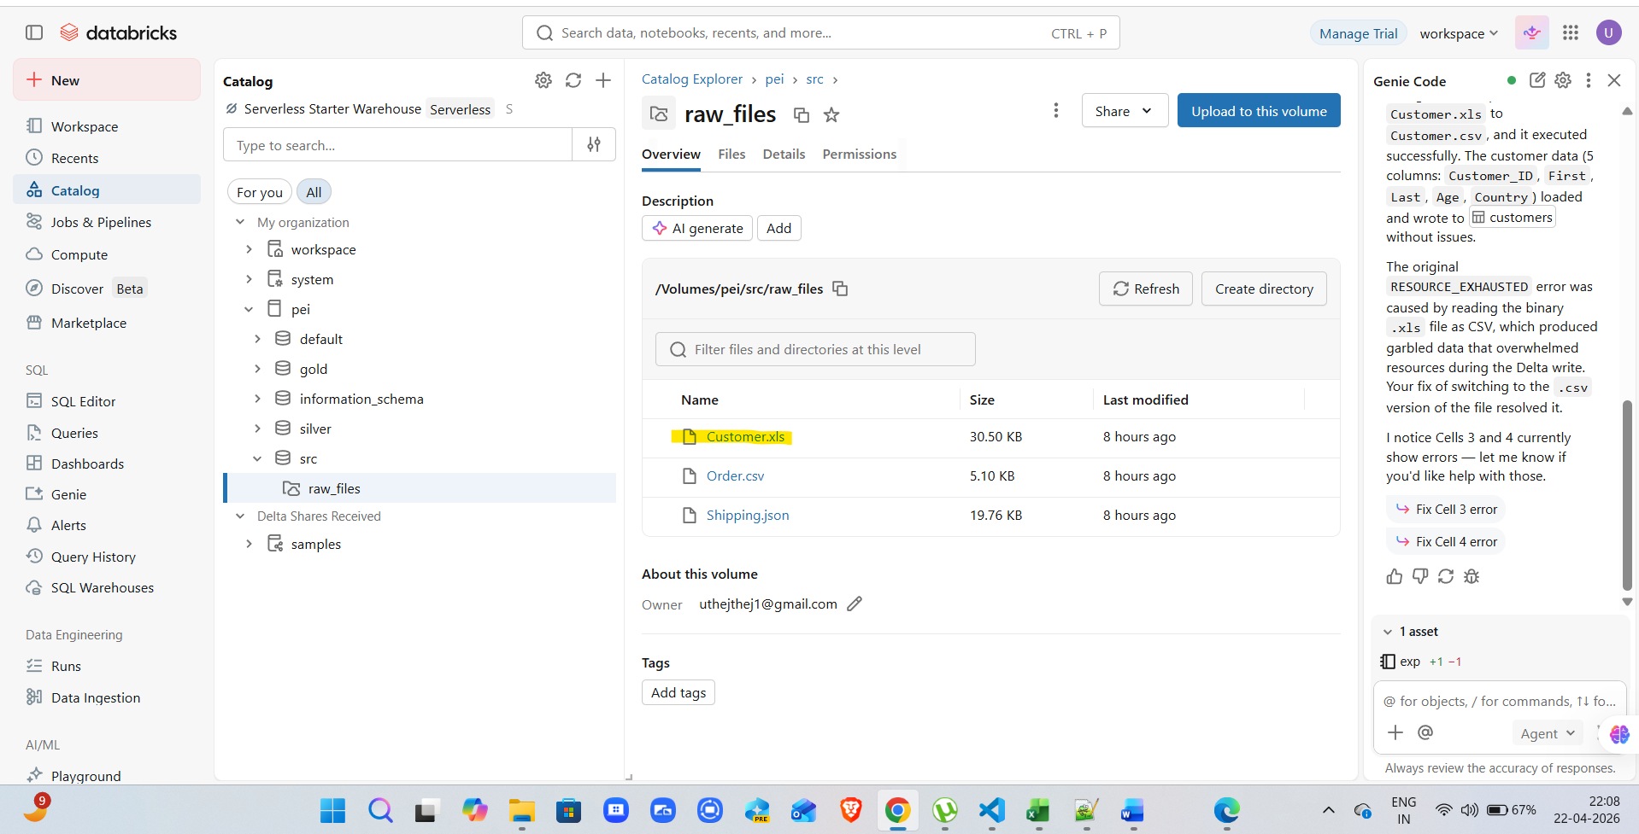

CUST_TC02

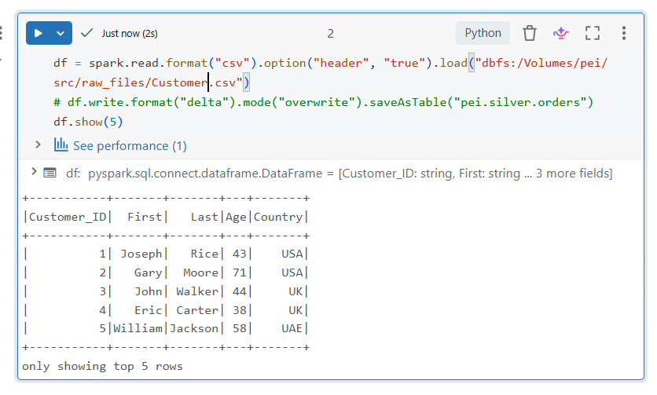

CUST_TC03

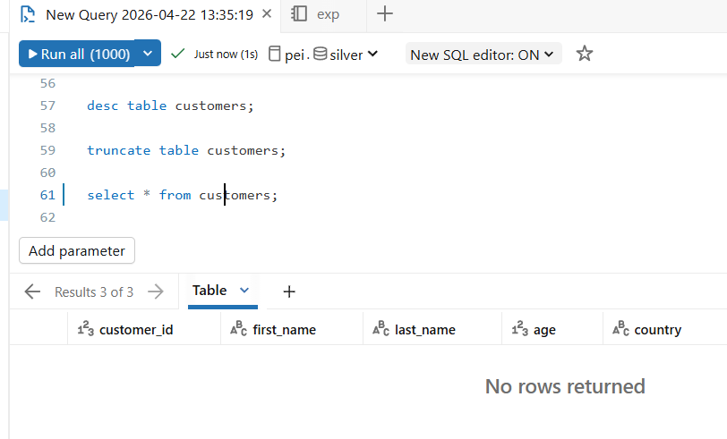

CUST_TC04

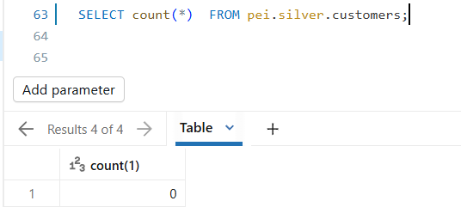

 | Post running workflow/job

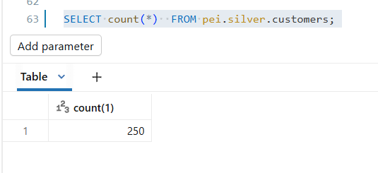

CUST_TC05
CUST_TC06
CUST_TC07
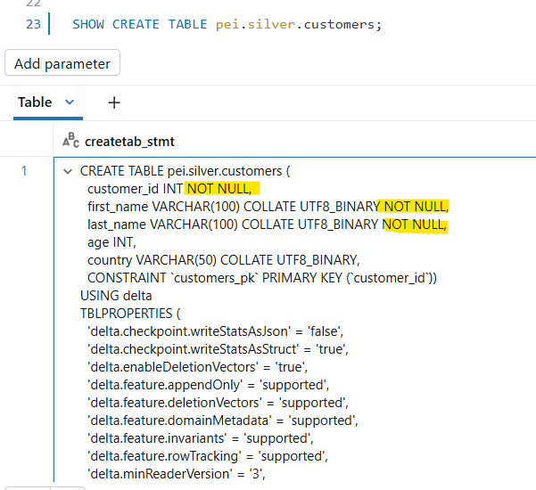
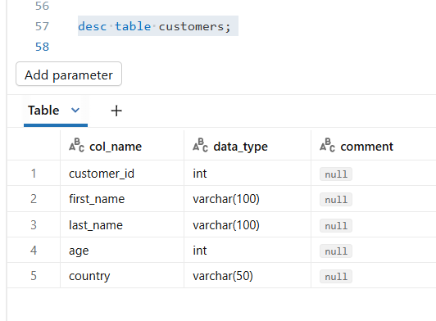

 | required metadata |  |  |  |  |  |  |  | actual metadata

 | Source_Column | Target_Column | Data_Type | Length | Nullable | Constraint |  |  | col_name | data_type | comment
 | Customer_ID | customer_id | INT |  | NOT NULL | PRIMARY KEY |  |  | customer_id | int | null | TRUE
 | First | first_name | VARCHAR | 100 | NOT NULL |  |  |  | first_name | varchar(100) | null | TRUE
 | Last | last_name | VARCHAR | 100 | NOT NULL |  |  |  | last_name | varchar(100) | null | TRUE
 | Age | age | INT |  | NULL |  |  |  | age | int | null | TRUE
 | Country | country | VARCHAR | 50 | NULL |  |  |  | country | varchar(50) | null | TRUE

 |  |  |  |  |  |  |  |  | customer_id INT NOT NULL,
 |  |  |  |  |  |  |  |  | first_name VARCHAR(100) COLLATE UTF8_BINARY NOT NULL,
 |  |  |  |  |  |  |  |  | last_name VARCHAR(100) COLLATE UTF8_BINARY NOT NULL,
 |  |  |  |  |  |  |  |  | age INT,
 |  |  |  |  |  |  |  |  | country VARCHAR(50) COLLATE UTF8_BINARY,
 |  |  |  |  |  |  |  |  | CONSTRAINT `customers_pk` PRIMARY KEY (`customer_id`))

CUST_TC08

 | source file |  | total no of records : 250 |  |  |  |  |  |  |  |  |  |  |  |  |  |  | silver layer

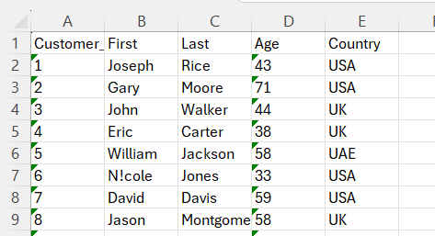
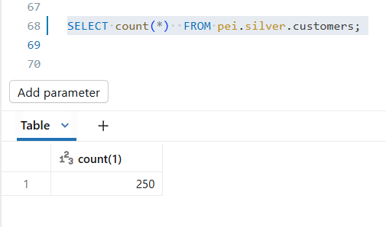

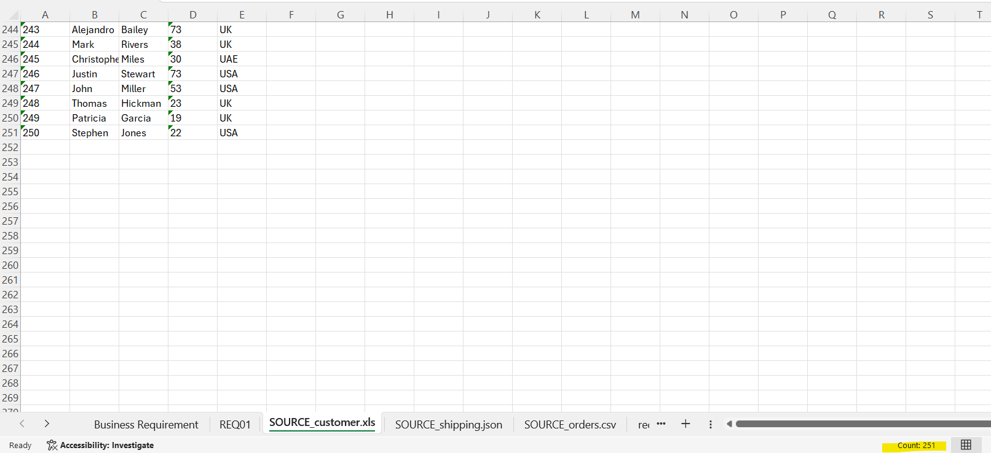

CUST_TC09

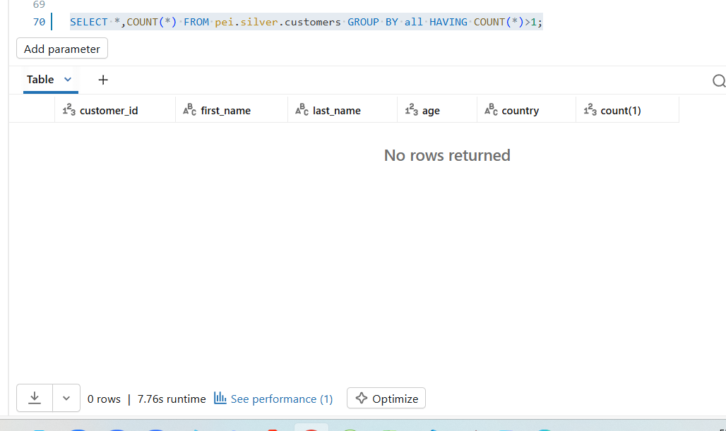

CUST_TC10

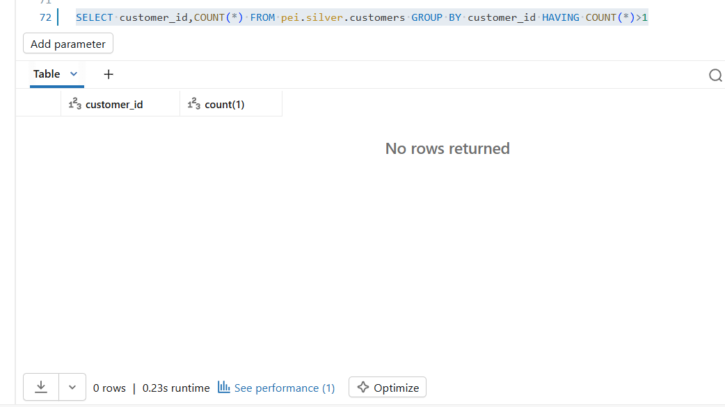

CUST_TC11

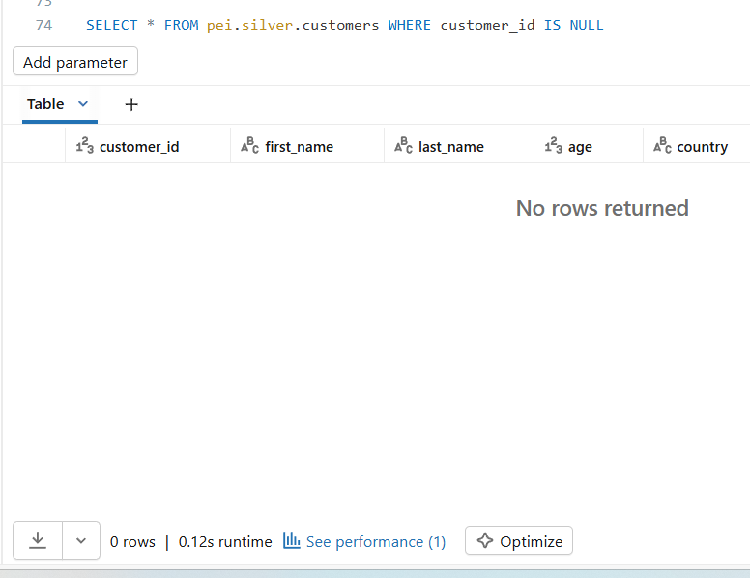

CUST_TC12

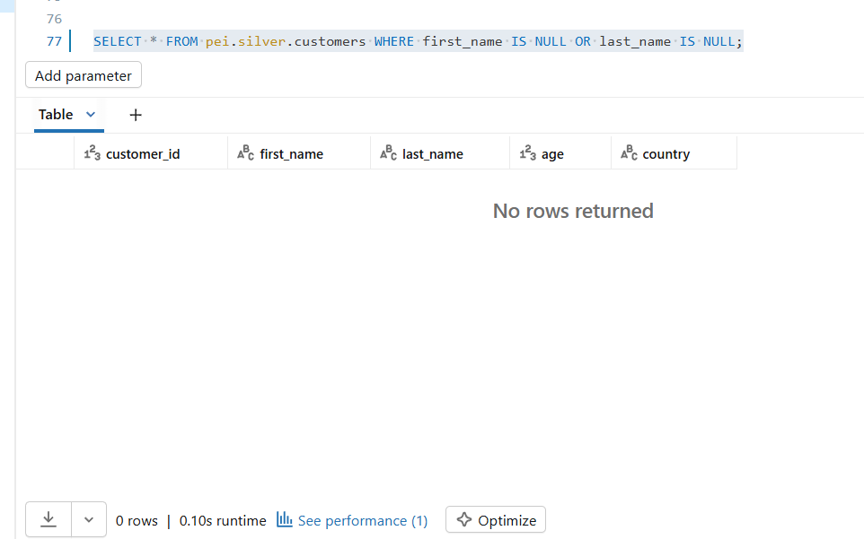

CUST_TC13

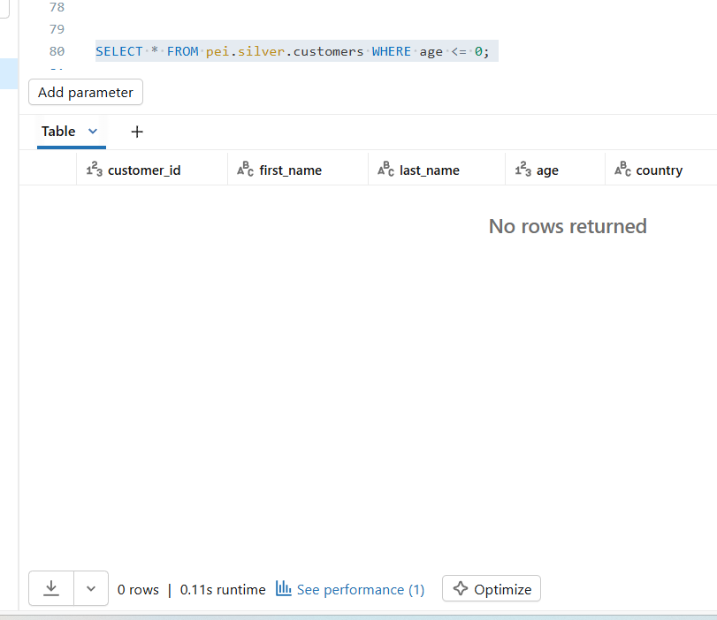

CUST_TC14

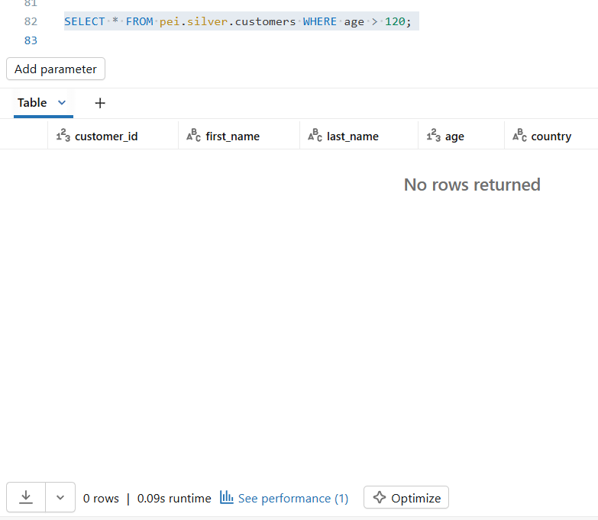

CUST_TC15

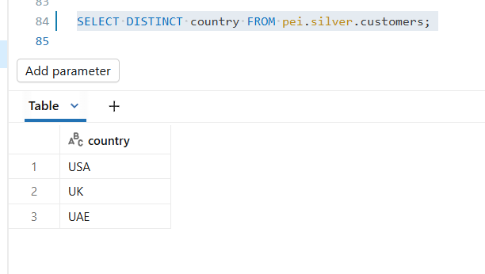

 |  |  |  |  |  |  |  |  | country
 |  |  |  |  |  |  |  |  | USA
 |  |  |  |  |  |  |  |  | UK
 |  |  |  |  |  |  |  |  | UAE

CUST_TC16

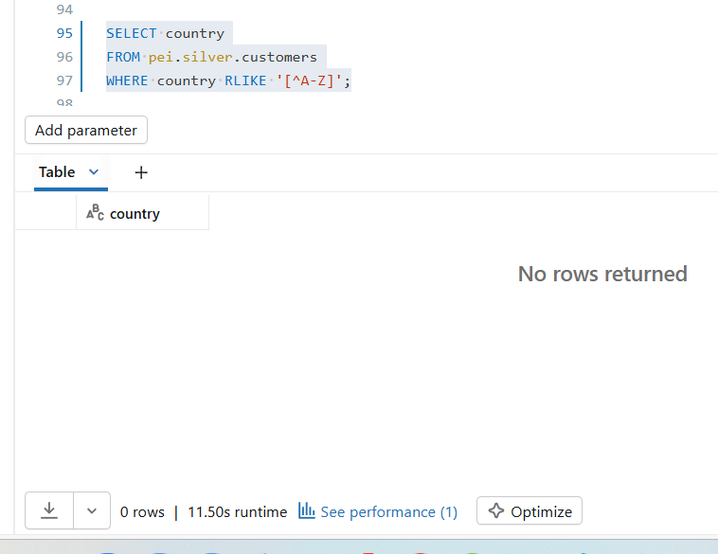

CUST_TC17

CUST_TC18

CUST_TC19

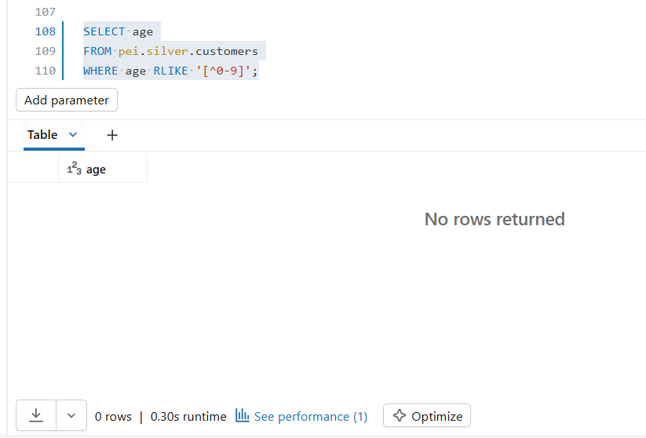

CUST_TC20

 | source file data |  |  |  |  |  | table data |  |  |  |  |  | data comparision
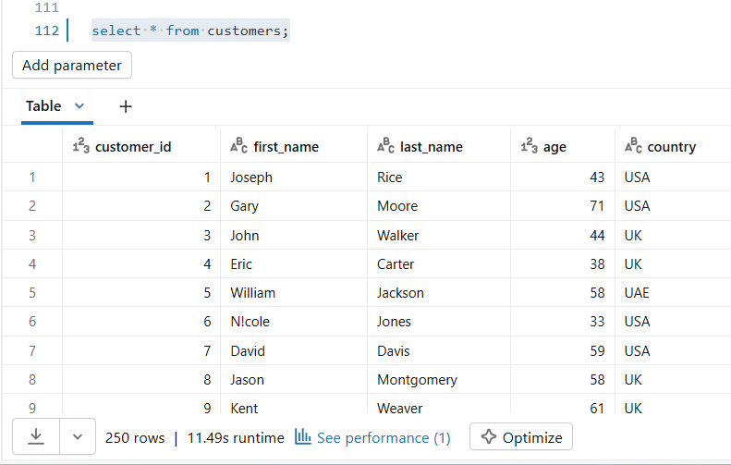

 |  |  |  |  |  |  |  |  |  |  |  |  |  |  |  |  |  | 250 | 250 | 250 | 250 | 250
 | Customer_ID | First | Last | Age | Country |  | customer_id | first_name | last_name | age | country
 | 1 | Joseph | Rice | 43 | USA |  | 1 | Joseph | Rice | 43 | USA |  | TRUE | TRUE | TRUE | TRUE | TRUE
 | 2 | Gary | Moore | 71 | USA |  | 2 | Gary | Moore | 71 | USA |  | TRUE | TRUE | TRUE | TRUE | TRUE
 | 3 | John | Walker | 44 | UK |  | 3 | John | Walker | 44 | UK |  | TRUE | TRUE | TRUE | TRUE | TRUE
 | 4 | Eric | Carter | 38 | UK |  | 4 | Eric | Carter | 38 | UK |  | TRUE | TRUE | TRUE | TRUE | TRUE
 | 5 | William | Jackson | 58 | UAE |  | 5 | William | Jackson | 58 | UAE |  | TRUE | TRUE | TRUE | TRUE | TRUE
 | 6 | N!cole | Jones | 33 | USA |  | 6 | N!cole | Jones | 33 | USA |  | TRUE | TRUE | TRUE | TRUE | TRUE
 | 7 | David | Davis | 59 | USA |  | 7 | David | Davis | 59 | USA |  | TRUE | TRUE | TRUE | TRUE | TRUE
 | 8 | Jason | Montgomery | 58 | UK |  | 8 | Jason | Montgomery | 58 | UK |  | TRUE | TRUE | TRUE | TRUE | TRUE
 | 9 | Kent | Weaver | 61 | UK |  | 9 | Kent | Weaver | 61 | UK |  | TRUE | TRUE | TRUE | TRUE | TRUE
 | 10 | Darrell | Dillon | 50 | UAE |  | 10 | Darrell | Dillon | 50 | UAE |  | TRUE | TRUE | TRUE | TRUE | TRUE
 | 11 | Jacqueline | Wang | 22 | USA |  | 11 | Jacqueline | Wang | 22 | USA |  | TRUE | TRUE | TRUE | TRUE | TRUE
 | 12 | Jodi | Gonzalez | 69 | USA |  | 12 | Jodi | Gonzalez | 69 | USA |  | TRUE | TRUE | TRUE | TRUE | TRUE
 | 13 | Omar | Martin | 28 | UK |  | 13 | Omar | Martin | 28 | UK |  | TRUE | TRUE | TRUE | TRUE | TRUE
 | 14 | N!cole | Lara | 77 | UK |  | 14 | N!cole | Lara | 77 | UK |  | TRUE | TRUE | TRUE | TRUE | TRUE
 | 15 | Jason | Brown | 63 | UAE |  | 15 | Jason | Brown | 63 | UAE |  | TRUE | TRUE | TRUE | TRUE | TRUE
 | 16 | David | Benson | 61 | USA |  | 16 | David | Benson | 61 | USA |  | TRUE | TRUE | TRUE | TRUE | TRUE
 | 17 | Kimberly | Mora | 34 | USA |  | 17 | Kimberly | Mora | 34 | USA |  | TRUE | TRUE | TRUE | TRUE | TRUE
 | 18 | Erik | Macias | 25 | UK |  | 18 | Erik | Macias | 25 | UK |  | TRUE | TRUE | TRUE | TRUE | TRUE
 | 19 | James | Johnson | 67 | UK |  | 19 | James | Johnson | 67 | UK |  | TRUE | TRUE | TRUE | TRUE | TRUE
 | 20 | Derek | Peterson | 36 | UAE |  | 20 | Derek | Peterson | 36 | UAE |  | TRUE | TRUE | TRUE | TRUE | TRUE
 | 21 | Diane | Henson | 74 | USA |  | 21 | Diane | Henson | 74 | USA |  | TRUE | TRUE | TRUE | TRUE | TRUE
 | 22 | Cody | Lyons | 47 | USA |  | 22 | Cody | Lyons | 47 | USA |  | TRUE | TRUE | TRUE | TRUE | TRUE
 | 23 | Margaret | Hardy | 25 | UK |  | 23 | Margaret | Hardy | 25 | UK |  | TRUE | TRUE | TRUE | TRUE | TRUE
 | 24 | Arthur | Hayes | 75 | UK |  | 24 | Arthur | Hayes | 75 | UK |  | TRUE | TRUE | TRUE | TRUE | TRUE
 | 25 | Raymond | Taylor | 36 | UAE |  | 25 | Raymond | Taylor | 36 | UAE |  | TRUE | TRUE | TRUE | TRUE | TRUE
 | 26 | Tina | Moore | 34 | USA |  | 26 | Tina | Moore | 34 | USA |  | TRUE | TRUE | TRUE | TRUE | TRUE
 | 27 | Kylie | White | 63 | USA |  | 27 | Kylie | White | 63 | USA |  | TRUE | TRUE | TRUE | TRUE | TRUE
 | 28 | Jonathan | Manning | 30 | UK |  | 28 | Jonathan | Manning | 30 | UK |  | TRUE | TRUE | TRUE | TRUE | TRUE
 | 29 | Angela | Bryant | 23 | UK |  | 29 | Angela | Bryant | 23 | UK |  | TRUE | TRUE | TRUE | TRUE | TRUE
 | 30 | Michael | Mann | 56 | UAE |  | 30 | Michael | Mann | 56 | UAE |  | TRUE | TRUE | TRUE | TRUE | TRUE
 | 31 | Craig | Myers | 42 | USA |  | 31 | Craig | Myers | 42 | USA |  | TRUE | TRUE | TRUE | TRUE | TRUE
 | 32 | Tiffany | Carter | 26 | USA |  | 32 | Tiffany | Carter | 26 | USA |  | TRUE | TRUE | TRUE | TRUE | TRUE
 | 33 | Erica | Owens | 22 | UK |  | 33 | Erica | Owens | 22 | UK |  | TRUE | TRUE | TRUE | TRUE | TRUE
 | 34 | Patricia | Parker | 28 | UK |  | 34 | Patricia | Parker | 28 | UK |  | TRUE | TRUE | TRUE | TRUE | TRUE
 | 35 | Brian | Palmer | 75 | UAE |  | 35 | Brian | Palmer | 75 | UAE |  | TRUE | TRUE | TRUE | TRUE | TRUE
 | 36 | Melissa | Smith | 75 | USA |  | 36 | Melissa | Smith | 75 | USA |  | TRUE | TRUE | TRUE | TRUE | TRUE
 | 37 | Connor | Adams | 21 | USA |  | 37 | Connor | Adams | 21 | USA |  | TRUE | TRUE | TRUE | TRUE | TRUE
 | 38 | Michael | Williams | 40 | UK |  | 38 | Michael | Williams | 40 | UK |  | TRUE | TRUE | TRUE | TRUE | TRUE
 | 39 | Ruth | Smith | 50 | UK |  | 39 | Ruth | Smith | 50 | UK |  | TRUE | TRUE | TRUE | TRUE | TRUE
 | 40 | Jonathan | Middleton | 79 | UAE |  | 40 | Jonathan | Middleton | 79 | UAE |  | TRUE | TRUE | TRUE | TRUE | TRUE
 | 41 | Francis | Velez | 25 | USA |  | 41 | Francis | Velez | 25 | USA |  | TRUE | TRUE | TRUE | TRUE | TRUE
 | 42 | Matthew | Velez | 71 | USA |  | 42 | Matthew | Velez | 71 | USA |  | TRUE | TRUE | TRUE | TRUE | TRUE
 | 43 | Kim | Shaw | 39 | UK |  | 43 | Kim | Shaw | 39 | UK |  | TRUE | TRUE | TRUE | TRUE | TRUE
 | 44 | Gary | Jones | 40 | UK |  | 44 | Gary | Jones | 40 | UK |  | TRUE | TRUE | TRUE | TRUE | TRUE
 | 45 | Nicholas | Clayton | 25 | UAE |  | 45 | Nicholas | Clayton | 25 | UAE |  | TRUE | TRUE | TRUE | TRUE | TRUE
 | 46 | Anthony | Chavez | 36 | USA |  | 46 | Anthony | Chavez | 36 | USA |  | TRUE | TRUE | TRUE | TRUE | TRUE
 | 47 | Carolyn | Green | 31 | USA |  | 47 | Carolyn | Green | 31 | USA |  | TRUE | TRUE | TRUE | TRUE | TRUE
 | 48 | Janice | Roman | 78 | UK |  | 48 | Janice | Roman | 78 | UK |  | TRUE | TRUE | TRUE | TRUE | TRUE
 | 49 | Erin | Taylor | 54 | UK |  | 49 | Erin | Taylor | 54 | UK |  | TRUE | TRUE | TRUE | TRUE | TRUE
 | 50 | Charles | Garcia | 24 | UAE |  | 50 | Charles | Garcia | 24 | UAE |  | TRUE | TRUE | TRUE | TRUE | TRUE
 | 51 | John | Huber | 51 | USA |  | 51 | John | Huber | 51 | USA |  | TRUE | TRUE | TRUE | TRUE | TRUE
 | 52 | Haley | Martinez | 75 | USA |  | 52 | Haley | Martinez | 75 | USA |  | TRUE | TRUE | TRUE | TRUE | TRUE
 | 53 | Adam | Holmes | 41 | UK |  | 53 | Adam | Holmes | 41 | UK |  | TRUE | TRUE | TRUE | TRUE | TRUE
 | 54 | Patricia | Jones | 46 | UK |  | 54 | Patricia | Jones | 46 | UK |  | TRUE | TRUE | TRUE | TRUE | TRUE
 | 55 | Christy | Rodriguez | 23 | UAE |  | 55 | Christy | Rodriguez | 23 | UAE |  | TRUE | TRUE | TRUE | TRUE | TRUE
 | 56 | Jose | Poole | 60 | USA |  | 56 | Jose | Poole | 60 | USA |  | TRUE | TRUE | TRUE | TRUE | TRUE
 | 57 | Lacey | Mercado | 29 | USA |  | 57 | Lacey | Mercado | 29 | USA |  | TRUE | TRUE | TRUE | TRUE | TRUE
 | 58 | Danielle | Garcia | 68 | UK |  | 58 | Danielle | Garcia | 68 | UK |  | TRUE | TRUE | TRUE | TRUE | TRUE
 | 59 | Amanda | Cohen | 72 | UK |  | 59 | Amanda | Cohen | 72 | UK |  | TRUE | TRUE | TRUE | TRUE | TRUE
 | 60 | Jeremy | Rodriguez | 28 | UAE |  | 60 | Jeremy | Rodriguez | 28 | UAE |  | TRUE | TRUE | TRUE | TRUE | TRUE
 | 61 | Jade | Wall | 51 | USA |  | 61 | Jade | Wall | 51 | USA |  | TRUE | TRUE | TRUE | TRUE | TRUE
 | 62 | Janice | Garcia | 28 | USA |  | 62 | Janice | Garcia | 28 | USA |  | TRUE | TRUE | TRUE | TRUE | TRUE
 | 63 | Sarah | Greer | 49 | UK |  | 63 | Sarah | Greer | 49 | UK |  | TRUE | TRUE | TRUE | TRUE | TRUE
 | 64 | Sandra | Golden | 42 | UK |  | 64 | Sandra | Golden | 42 | UK |  | TRUE | TRUE | TRUE | TRUE | TRUE
 | 65 | David | Fritz | 47 | UAE |  | 65 | David | Fritz | 47 | UAE |  | TRUE | TRUE | TRUE | TRUE | TRUE
 | 66 | Hannah | Wu | 59 | USA |  | 66 | Hannah | Wu | 59 | USA |  | TRUE | TRUE | TRUE | TRUE | TRUE
 | 67 | Guy | Bennett | 44 | USA |  | 67 | Guy | Bennett | 44 | USA |  | TRUE | TRUE | TRUE | TRUE | TRUE
 | 68 | Regina | Wong | 64 | UK |  | 68 | Regina | Wong | 64 | UK |  | TRUE | TRUE | TRUE | TRUE | TRUE
 | 69 | Desiree | Webster | 38 | UK |  | 69 | Desiree | Webster | 38 | UK |  | TRUE | TRUE | TRUE | TRUE | TRUE
 | 70 | Juan | Cruz | 21 | UAE |  | 70 | Juan | Cruz | 21 | UAE |  | TRUE | TRUE | TRUE | TRUE | TRUE
 | 71 | Michelle | Edwards | 77 | USA |  | 71 | Michelle | Edwards | 77 | USA |  | TRUE | TRUE | TRUE | TRUE | TRUE
 | 72 | Alexander | Griffin | 76 | USA |  | 72 | Alexander | Griffin | 76 | USA |  | TRUE | TRUE | TRUE | TRUE | TRUE
 | 73 | Laura | House | 78 | UK |  | 73 | Laura | House | 78 | UK |  | TRUE | TRUE | TRUE | TRUE | TRUE
 | 74 | Brittany | Hanna | 32 | UK |  | 74 | Brittany | Hanna | 32 | UK |  | TRUE | TRUE | TRUE | TRUE | TRUE
 | 75 | Allen | Wright | 49 | UAE |  | 75 | Allen | Wright | 49 | UAE |  | TRUE | TRUE | TRUE | TRUE | TRUE
 | 76 | Ricky | Phillips | 49 | USA |  | 76 | Ricky | Phillips | 49 | USA |  | TRUE | TRUE | TRUE | TRUE | TRUE
 | 77 | Adrian | Cross | 27 | USA |  | 77 | Adrian | Cross | 27 | USA |  | TRUE | TRUE | TRUE | TRUE | TRUE
 | 78 | Thomas | Wood | 33 | UK |  | 78 | Thomas | Wood | 33 | UK |  | TRUE | TRUE | TRUE | TRUE | TRUE
 | 79 | Jillian | Massey | 76 | UK |  | 79 | Jillian | Massey | 76 | UK |  | TRUE | TRUE | TRUE | TRUE | TRUE
 | 80 | Kevin | Watkins | 53 | UAE |  | 80 | Kevin | Watkins | 53 | UAE |  | TRUE | TRUE | TRUE | TRUE | TRUE
 | 81 | Allison | Sweeney | 75 | USA |  | 81 | Allison | Sweeney | 75 | USA |  | TRUE | TRUE | TRUE | TRUE | TRUE
 | 82 | Joseph | Hernandez | 41 | USA |  | 82 | Joseph | Hernandez | 41 | USA |  | TRUE | TRUE | TRUE | TRUE | TRUE
 | 83 | Steven | Little | 69 | UK |  | 83 | Steven | Little | 69 | UK |  | TRUE | TRUE | TRUE | TRUE | TRUE
 | 84 | John | Bennett | 32 | UK |  | 84 | John | Bennett | 32 | UK |  | TRUE | TRUE | TRUE | TRUE | TRUE
 | 85 | Michele | Maxwell | 80 | UAE |  | 85 | Michele | Maxwell | 80 | UAE |  | TRUE | TRUE | TRUE | TRUE | TRUE
 | 86 | Emily | Thomas | 74 | USA |  | 86 | Emily | Thomas | 74 | USA |  | TRUE | TRUE | TRUE | TRUE | TRUE
 | 87 | Mark | Rogers | 22 | USA |  | 87 | Mark | Rogers | 22 | USA |  | TRUE | TRUE | TRUE | TRUE | TRUE
 | 88 | John | Cruz | 76 | UK |  | 88 | John | Cruz | 76 | UK |  | TRUE | TRUE | TRUE | TRUE | TRUE
 | 89 | David | Yoder | 79 | UK |  | 89 | David | Yoder | 79 | UK |  | TRUE | TRUE | TRUE | TRUE | TRUE
 | 90 | James | Reynolds | 29 | UAE |  | 90 | James | Reynolds | 29 | UAE |  | TRUE | TRUE | TRUE | TRUE | TRUE
 | 91 | Stephanie | Hicks | 53 | USA |  | 91 | Stephanie | Hicks | 53 | USA |  | TRUE | TRUE | TRUE | TRUE | TRUE
 | 92 | Paul | Brown | 78 | USA |  | 92 | Paul | Brown | 78 | USA |  | TRUE | TRUE | TRUE | TRUE | TRUE
 | 93 | Alexandra | Morales | 73 | UK |  | 93 | Alexandra | Morales | 73 | UK |  | TRUE | TRUE | TRUE | TRUE | TRUE
 | 94 | Krystal | Carroll | 43 | UK |  | 94 | Krystal | Carroll | 43 | UK |  | TRUE | TRUE | TRUE | TRUE | TRUE
 | 95 | Alyssa | Walker | 35 | UAE |  | 95 | Alyssa | Walker | 35 | UAE |  | TRUE | TRUE | TRUE | TRUE | TRUE
 | 96 | Eric | Harvey | 52 | USA |  | 96 | Eric | Harvey | 52 | USA |  | TRUE | TRUE | TRUE | TRUE | TRUE
 | 97 | Debbie | Rogers | 76 | USA |  | 97 | Debbie | Rogers | 76 | USA |  | TRUE | TRUE | TRUE | TRUE | TRUE
 | 98 | Steve | Braun | 72 | UK |  | 98 | Steve | Braun | 72 | UK |  | TRUE | TRUE | TRUE | TRUE | TRUE
 | 99 | Ryan | Rojas | 51 | UK |  | 99 | Ryan | Rojas | 51 | UK |  | TRUE | TRUE | TRUE | TRUE | TRUE
 | 100 | Andrew | Levine | 67 | UAE |  | 100 | Andrew | Levine | 67 | UAE |  | TRUE | TRUE | TRUE | TRUE | TRUE
 | 101 | Brian | Olson | 38 | USA |  | 101 | Brian | Olson | 38 | USA |  | TRUE | TRUE | TRUE | TRUE | TRUE
 | 102 | Jessica | Welch | 28 | USA |  | 102 | Jessica | Welch | 28 | USA |  | TRUE | TRUE | TRUE | TRUE | TRUE
 | 103 | Stephanie | Faulkner | 18 | UK |  | 103 | Stephanie | Faulkner | 18 | UK |  | TRUE | TRUE | TRUE | TRUE | TRUE
 | 104 | Dawn | Johnson | 77 | UK |  | 104 | Dawn | Johnson | 77 | UK |  | TRUE | TRUE | TRUE | TRUE | TRUE
 | 105 | Monique | Wright | 72 | UAE |  | 105 | Monique | Wright | 72 | UAE |  | TRUE | TRUE | TRUE | TRUE | TRUE
 | 106 | Veronica | Stein | 18 | USA |  | 106 | Veronica | Stein | 18 | USA |  | TRUE | TRUE | TRUE | TRUE | TRUE
 | 107 | Breanna | Santos | 26 | USA |  | 107 | Breanna | Santos | 26 | USA |  | TRUE | TRUE | TRUE | TRUE | TRUE
 | 108 | Jeremy | Lee | 26 | UK |  | 108 | Jeremy | Lee | 26 | UK |  | TRUE | TRUE | TRUE | TRUE | TRUE
 | 109 | R0bert | Moore | 40 | UK |  | 109 | R0bert | Moore | 40 | UK |  | TRUE | TRUE | TRUE | TRUE | TRUE
 | 110 | Tiffany | Pearson | 77 | UAE |  | 110 | Tiffany | Pearson | 77 | UAE |  | TRUE | TRUE | TRUE | TRUE | TRUE
 | 111 | Audrey | Richardson | 53 | USA |  | 111 | Audrey | Richardson | 53 | USA |  | TRUE | TRUE | TRUE | TRUE | TRUE
 | 112 | Maureen | Bryant | 64 | USA |  | 112 | Maureen | Bryant | 64 | USA |  | TRUE | TRUE | TRUE | TRUE | TRUE
 | 113 | Derrick | R0berts | 72 | UK |  | 113 | Derrick | R0berts | 72 | UK |  | TRUE | TRUE | TRUE | TRUE | TRUE
 | 114 | Jeffrey | Sullivan | 61 | UK |  | 114 | Jeffrey | Sullivan | 61 | UK |  | TRUE | TRUE | TRUE | TRUE | TRUE
 | 115 | Amy | Harris | 25 | UAE |  | 115 | Amy | Harris | 25 | UAE |  | TRUE | TRUE | TRUE | TRUE | TRUE
 | 116 | Rhonda | Flores | 52 | USA |  | 116 | Rhonda | Flores | 52 | USA |  | TRUE | TRUE | TRUE | TRUE | TRUE
 | 117 | Steven | Black | 41 | USA |  | 117 | Steven | Black | 41 | USA |  | TRUE | TRUE | TRUE | TRUE | TRUE
 | 118 | R0bert | Shepherd | 28 | UK |  | 118 | R0bert | Shepherd | 28 | UK |  | TRUE | TRUE | TRUE | TRUE | TRUE
 | 119 | Robin | Snyder | 19 | UK |  | 119 | Robin | Snyder | 19 | UK |  | TRUE | TRUE | TRUE | TRUE | TRUE
 | 120 | Elijah | Cook | 80 | UAE |  | 120 | Elijah | Cook | 80 | UAE |  | TRUE | TRUE | TRUE | TRUE | TRUE
 | 121 | Dennis | Hill | 42 | USA |  | 121 | Dennis | Hill | 42 | USA |  | TRUE | TRUE | TRUE | TRUE | TRUE
 | 122 | Charles | Nunez | 80 | USA |  | 122 | Charles | Nunez | 80 | USA |  | TRUE | TRUE | TRUE | TRUE | TRUE
 | 123 | Philip | Robinson | 52 | UK |  | 123 | Philip | Robinson | 52 | UK |  | TRUE | TRUE | TRUE | TRUE | TRUE
 | 124 | Rachel | Larson | 21 | UK |  | 124 | Rachel | Larson | 21 | UK |  | TRUE | TRUE | TRUE | TRUE | TRUE
 | 125 | Stephen | Sharp | 35 | UAE |  | 125 | Stephen | Sharp | 35 | UAE |  | TRUE | TRUE | TRUE | TRUE | TRUE
 | 126 | Aimee | Jacobs | 54 | USA |  | 126 | Aimee | Jacobs | 54 | USA |  | TRUE | TRUE | TRUE | TRUE | TRUE
 | 127 | Brittany | Miller | 49 | USA |  | 127 | Brittany | Miller | 49 | USA |  | TRUE | TRUE | TRUE | TRUE | TRUE
 | 128 | Sabrina | Mclaughlin | 50 | UK |  | 128 | Sabrina | Mclaughlin | 50 | UK |  | TRUE | TRUE | TRUE | TRUE | TRUE
 | 129 | Amber | Banks | 54 | UK |  | 129 | Amber | Banks | 54 | UK |  | TRUE | TRUE | TRUE | TRUE | TRUE
 | 130 | Casey | Todd | 62 | UAE |  | 130 | Casey | Todd | 62 | UAE |  | TRUE | TRUE | TRUE | TRUE | TRUE
 | 131 | Miranda | Williams | 48 | USA |  | 131 | Miranda | Williams | 48 | USA |  | TRUE | TRUE | TRUE | TRUE | TRUE
 | 132 | Alexander | Williams | 48 | USA |  | 132 | Alexander | Williams | 48 | USA |  | TRUE | TRUE | TRUE | TRUE | TRUE
 | 133 | Jesus | Higgins | 57 | UK |  | 133 | Jesus | Higgins | 57 | UK |  | TRUE | TRUE | TRUE | TRUE | TRUE
 | 134 | James | Keith | 50 | UK |  | 134 | James | Keith | 50 | UK |  | TRUE | TRUE | TRUE | TRUE | TRUE
 | 135 | Shawn | Johnson | 18 | UAE |  | 135 | Shawn | Johnson | 18 | UAE |  | TRUE | TRUE | TRUE | TRUE | TRUE
 | 136 | Natalie | Page | 75 | USA |  | 136 | Natalie | Page | 75 | USA |  | TRUE | TRUE | TRUE | TRUE | TRUE
 | 137 | Zachary | Fowler | 28 | USA |  | 137 | Zachary | Fowler | 28 | USA |  | TRUE | TRUE | TRUE | TRUE | TRUE
 | 138 | Brian | Bowman | 55 | UK |  | 138 | Brian | Bowman | 55 | UK |  | TRUE | TRUE | TRUE | TRUE | TRUE
 | 139 | Ryan | Martin | 61 | UK |  | 139 | Ryan | Martin | 61 | UK |  | TRUE | TRUE | TRUE | TRUE | TRUE
 | 140 | Jennifer | Silva | 45 | UAE |  | 140 | Jennifer | Silva | 45 | UAE |  | TRUE | TRUE | TRUE | TRUE | TRUE
 | 141 | Joseph | Sparks | 66 | USA |  | 141 | Joseph | Sparks | 66 | USA |  | TRUE | TRUE | TRUE | TRUE | TRUE
 | 142 | Mary | Bishop | 60 | USA |  | 142 | Mary | Bishop | 60 | USA |  | TRUE | TRUE | TRUE | TRUE | TRUE
 | 143 | Stacey | Welch | 46 | UK |  | 143 | Stacey | Welch | 46 | UK |  | TRUE | TRUE | TRUE | TRUE | TRUE
 | 144 | Brett | Burns | 41 | UK |  | 144 | Brett | Burns | 41 | UK |  | TRUE | TRUE | TRUE | TRUE | TRUE
 | 145 | Michael | Case | 29 | UAE |  | 145 | Michael | Case | 29 | UAE |  | TRUE | TRUE | TRUE | TRUE | TRUE
 | 146 | Terry | Bailey | 68 | USA |  | 146 | Terry | Bailey | 68 | USA |  | TRUE | TRUE | TRUE | TRUE | TRUE
 | 147 | Christopher | Mcdonald | 43 | USA |  | 147 | Christopher | Mcdonald | 43 | USA |  | TRUE | TRUE | TRUE | TRUE | TRUE
 | 148 | Andres | Becker | 31 | UK |  | 148 | Andres | Becker | 31 | UK |  | TRUE | TRUE | TRUE | TRUE | TRUE
 | 149 | Chase | Mcdaniel | 26 | UK |  | 149 | Chase | Mcdaniel | 26 | UK |  | TRUE | TRUE | TRUE | TRUE | TRUE
 | 150 | Sherry | Parsons | 52 | UAE |  | 150 | Sherry | Parsons | 52 | UAE |  | TRUE | TRUE | TRUE | TRUE | TRUE
 | 151 | Javier | Jones | 80 | USA |  | 151 | Javier | Jones | 80 | USA |  | TRUE | TRUE | TRUE | TRUE | TRUE
 | 152 | Jill | Kane | 32 | USA |  | 152 | Jill | Kane | 32 | USA |  | TRUE | TRUE | TRUE | TRUE | TRUE
 | 153 | Janet | Valdez | 29 | UK |  | 153 | Janet | Valdez | 29 | UK |  | TRUE | TRUE | TRUE | TRUE | TRUE
 | 154 | Karen | Ford | 33 | UK |  | 154 | Karen | Ford | 33 | UK |  | TRUE | TRUE | TRUE | TRUE | TRUE
 | 155 | Jamie | Johnson | 28 | UAE |  | 155 | Jamie | Johnson | 28 | UAE |  | TRUE | TRUE | TRUE | TRUE | TRUE
 | 156 | Jessica | Marshall | 21 | USA |  | 156 | Jessica | Marshall | 21 | USA |  | TRUE | TRUE | TRUE | TRUE | TRUE
 | 157 | Sharon | Warner | 55 | USA |  | 157 | Sharon | Warner | 55 | USA |  | TRUE | TRUE | TRUE | TRUE | TRUE
 | 158 | Zachary | Williams | 19 | UK |  | 158 | Zachary | Williams | 19 | UK |  | TRUE | TRUE | TRUE | TRUE | TRUE
 | 159 | Brooke | Durham | 33 | UK |  | 159 | Brooke | Durham | 33 | UK |  | TRUE | TRUE | TRUE | TRUE | TRUE
 | 160 | Ryan | Murray | 77 | UAE |  | 160 | Ryan | Murray | 77 | UAE |  | TRUE | TRUE | TRUE | TRUE | TRUE
 | 161 | Gabrielle | Smith | 44 | USA |  | 161 | Gabrielle | Smith | 44 | USA |  | TRUE | TRUE | TRUE | TRUE | TRUE
 | 162 | N!cole | Bennett | 51 | USA |  | 162 | N!cole | Bennett | 51 | USA |  | TRUE | TRUE | TRUE | TRUE | TRUE
 | 163 | Heather | Ali | 75 | UK |  | 163 | Heather | Ali | 75 | UK |  | TRUE | TRUE | TRUE | TRUE | TRUE
 | 164 | Sandra | Mcmahon | 34 | UK |  | 164 | Sandra | Mcmahon | 34 | UK |  | TRUE | TRUE | TRUE | TRUE | TRUE
 | 165 | Bailey | Mercado | 42 | UAE |  | 165 | Bailey | Mercado | 42 | UAE |  | TRUE | TRUE | TRUE | TRUE | TRUE
 | 166 | Morgan | Cooper | 18 | USA |  | 166 | Morgan | Cooper | 18 | USA |  | TRUE | TRUE | TRUE | TRUE | TRUE
 | 167 | Matthew | Stokes | 42 | USA |  | 167 | Matthew | Stokes | 42 | USA |  | TRUE | TRUE | TRUE | TRUE | TRUE
 | 168 | Timothy | Mullins | 51 | UK |  | 168 | Timothy | Mullins | 51 | UK |  | TRUE | TRUE | TRUE | TRUE | TRUE
 | 169 | Kenneth | Rubio | 74 | UK |  | 169 | Kenneth | Rubio | 74 | UK |  | TRUE | TRUE | TRUE | TRUE | TRUE
 | 170 | Mary | Zamora | 62 | UAE |  | 170 | Mary | Zamora | 62 | UAE |  | TRUE | TRUE | TRUE | TRUE | TRUE
 | 171 | L@rry | Cole | 50 | USA |  | 171 | L@rry | Cole | 50 | USA |  | TRUE | TRUE | TRUE | TRUE | TRUE
 | 172 | Jeffrey | Diaz | 69 | USA |  | 172 | Jeffrey | Diaz | 69 | USA |  | TRUE | TRUE | TRUE | TRUE | TRUE
 | 173 | Joseph | Brown | 29 | UK |  | 173 | Joseph | Brown | 29 | UK |  | TRUE | TRUE | TRUE | TRUE | TRUE
 | 174 | Emily | Jones | 60 | UK |  | 174 | Emily | Jones | 60 | UK |  | TRUE | TRUE | TRUE | TRUE | TRUE
 | 175 | Tara | Davis | 80 | UAE |  | 175 | Tara | Davis | 80 | UAE |  | TRUE | TRUE | TRUE | TRUE | TRUE
 | 176 | Tiffany | Bowers | 39 | USA |  | 176 | Tiffany | Bowers | 39 | USA |  | TRUE | TRUE | TRUE | TRUE | TRUE
 | 177 | Linda | Craig | 25 | USA |  | 177 | Linda | Craig | 25 | USA |  | TRUE | TRUE | TRUE | TRUE | TRUE
 | 178 | Christine | Smith | 74 | UK |  | 178 | Christine | Smith | 74 | UK |  | TRUE | TRUE | TRUE | TRUE | TRUE
 | 179 | Matthew | Williams | 29 | UK |  | 179 | Matthew | Williams | 29 | UK |  | TRUE | TRUE | TRUE | TRUE | TRUE
 | 180 | Brenda | Lewis | 21 | UAE |  | 180 | Brenda | Lewis | 21 | UAE |  | TRUE | TRUE | TRUE | TRUE | TRUE
 | 181 | Adrian | West | 51 | USA |  | 181 | Adrian | West | 51 | USA |  | TRUE | TRUE | TRUE | TRUE | TRUE
 | 182 | Amy | Scott | 28 | USA |  | 182 | Amy | Scott | 28 | USA |  | TRUE | TRUE | TRUE | TRUE | TRUE
 | 183 | April | Beck | 80 | UK |  | 183 | April | Beck | 80 | UK |  | TRUE | TRUE | TRUE | TRUE | TRUE
 | 184 | Anthony | Nicholson | 22 | UK |  | 184 | Anthony | Nicholson | 22 | UK |  | TRUE | TRUE | TRUE | TRUE | TRUE
 | 185 | Shari | Garcia | 78 | UAE |  | 185 | Shari | Garcia | 78 | UAE |  | TRUE | TRUE | TRUE | TRUE | TRUE
 | 186 | Xavier | Miles | 45 | USA |  | 186 | Xavier | Miles | 45 | USA |  | TRUE | TRUE | TRUE | TRUE | TRUE
 | 187 | Rachael | Gilbert | 42 | USA |  | 187 | Rachael | Gilbert | 42 | USA |  | TRUE | TRUE | TRUE | TRUE | TRUE
 | 188 | Michele | Rogers | 48 | UK |  | 188 | Michele | Rogers | 48 | UK |  | TRUE | TRUE | TRUE | TRUE | TRUE
 | 189 | Derek | Dixon | 33 | UK |  | 189 | Derek | Dixon | 33 | UK |  | TRUE | TRUE | TRUE | TRUE | TRUE
 | 190 | Grace | Hartman | 26 | UAE |  | 190 | Grace | Hartman | 26 | UAE |  | TRUE | TRUE | TRUE | TRUE | TRUE
 | 191 | Joseph | Miller | 36 | USA |  | 191 | Joseph | Miller | 36 | USA |  | TRUE | TRUE | TRUE | TRUE | TRUE
 | 192 | David | Arnold | 62 | USA |  | 192 | David | Arnold | 62 | USA |  | TRUE | TRUE | TRUE | TRUE | TRUE
 | 193 | Yesenia | White | 25 | UK |  | 193 | Yesenia | White | 25 | UK |  | TRUE | TRUE | TRUE | TRUE | TRUE
 | 194 | Nancy | Miller | 65 | UK |  | 194 | Nancy | Miller | 65 | UK |  | TRUE | TRUE | TRUE | TRUE | TRUE
 | 195 | Christopher | Doyle | 43 | UAE |  | 195 | Christopher | Doyle | 43 | UAE |  | TRUE | TRUE | TRUE | TRUE | TRUE
 | 196 | Taylor | Reed | 74 | USA |  | 196 | Taylor | Reed | 74 | USA |  | TRUE | TRUE | TRUE | TRUE | TRUE
 | 197 | Katherine | Ferguson | 41 | USA |  | 197 | Katherine | Ferguson | 41 | USA |  | TRUE | TRUE | TRUE | TRUE | TRUE
 | 198 | R0bert | Bryan | 49 | UK |  | 198 | R0bert | Bryan | 49 | UK |  | TRUE | TRUE | TRUE | TRUE | TRUE
 | 199 | Zachary | Kane | 75 | UK |  | 199 | Zachary | Kane | 75 | UK |  | TRUE | TRUE | TRUE | TRUE | TRUE
 | 200 | Rebecca | Robinson | 50 | UAE |  | 200 | Rebecca | Robinson | 50 | UAE |  | TRUE | TRUE | TRUE | TRUE | TRUE
 | 201 | Bethany | Anderson | 43 | USA |  | 201 | Bethany | Anderson | 43 | USA |  | TRUE | TRUE | TRUE | TRUE | TRUE
 | 202 | Mary | Williams | 22 | USA |  | 202 | Mary | Williams | 22 | USA |  | TRUE | TRUE | TRUE | TRUE | TRUE
 | 203 | Carlos | Wallace | 58 | UK |  | 203 | Carlos | Wallace | 58 | UK |  | TRUE | TRUE | TRUE | TRUE | TRUE
 | 204 | Rhonda | Matthews | 62 | UK |  | 204 | Rhonda | Matthews | 62 | UK |  | TRUE | TRUE | TRUE | TRUE | TRUE
 | 205 | Donald | Barker | 39 | UAE |  | 205 | Donald | Barker | 39 | UAE |  | TRUE | TRUE | TRUE | TRUE | TRUE
 | 206 | Courtney | Lopez | 66 | USA |  | 206 | Courtney | Lopez | 66 | USA |  | TRUE | TRUE | TRUE | TRUE | TRUE
 | 207 | Chelsea | Moyer | 20 | USA |  | 207 | Chelsea | Moyer | 20 | USA |  | TRUE | TRUE | TRUE | TRUE | TRUE
 | 208 | Brittany | Golden | 24 | UK |  | 208 | Brittany | Golden | 24 | UK |  | TRUE | TRUE | TRUE | TRUE | TRUE
 | 209 | Russell | Berry | 25 | UK |  | 209 | Russell | Berry | 25 | UK |  | TRUE | TRUE | TRUE | TRUE | TRUE
 | 210 | Joshua | Jackson | 57 | UAE |  | 210 | Joshua | Jackson | 57 | UAE |  | TRUE | TRUE | TRUE | TRUE | TRUE
 | 211 | Al1cia | Thompson | 38 | USA |  | 211 | Al1cia | Thompson | 38 | USA |  | TRUE | TRUE | TRUE | TRUE | TRUE
 | 212 | Clifford | Gray | 23 | USA |  | 212 | Clifford | Gray | 23 | USA |  | TRUE | TRUE | TRUE | TRUE | TRUE
 | 213 | Gloria | Miller | 68 | UK |  | 213 | Gloria | Miller | 68 | UK |  | TRUE | TRUE | TRUE | TRUE | TRUE
 | 214 | N!cole | Mcintyre | 18 | UK |  | 214 | N!cole | Mcintyre | 18 | UK |  | TRUE | TRUE | TRUE | TRUE | TRUE
 | 215 | Vincent | Kline | 57 | UAE |  | 215 | Vincent | Kline | 57 | UAE |  | TRUE | TRUE | TRUE | TRUE | TRUE
 | 216 | Amber | Hunter | 78 | USA |  | 216 | Amber | Hunter | 78 | USA |  | TRUE | TRUE | TRUE | TRUE | TRUE
 | 217 | Shelby | Gomez | 28 | USA |  | 217 | Shelby | Gomez | 28 | USA |  | TRUE | TRUE | TRUE | TRUE | TRUE
 | 218 | Thomas | Mclaughlin | 29 | UK |  | 218 | Thomas | Mclaughlin | 29 | UK |  | TRUE | TRUE | TRUE | TRUE | TRUE
 | 219 | Nathan | Graham | 47 | UK |  | 219 | Nathan | Graham | 47 | UK |  | TRUE | TRUE | TRUE | TRUE | TRUE
 | 220 | Thomas | Guzman | 69 | UAE |  | 220 | Thomas | Guzman | 69 | UAE |  | TRUE | TRUE | TRUE | TRUE | TRUE
 | 221 | Sarah | Gilbert | 56 | USA |  | 221 | Sarah | Gilbert | 56 | USA |  | TRUE | TRUE | TRUE | TRUE | TRUE
 | 222 | Jeremy | Andrews | 24 | USA |  | 222 | Jeremy | Andrews | 24 | USA |  | TRUE | TRUE | TRUE | TRUE | TRUE
 | 223 | Megan | Morris | 41 | UK |  | 223 | Megan | Morris | 41 | UK |  | TRUE | TRUE | TRUE | TRUE | TRUE
 | 224 | Zachary | Davis | 25 | UK |  | 224 | Zachary | Davis | 25 | UK |  | TRUE | TRUE | TRUE | TRUE | TRUE
 | 225 | Michael | Phelps | 72 | UAE |  | 225 | Michael | Phelps | 72 | UAE |  | TRUE | TRUE | TRUE | TRUE | TRUE
 | 226 | Christopher | Robinson | 23 | USA |  | 226 | Christopher | Robinson | 23 | USA |  | TRUE | TRUE | TRUE | TRUE | TRUE
 | 227 | Aaron | Mckee | 37 | USA |  | 227 | Aaron | Mckee | 37 | USA |  | TRUE | TRUE | TRUE | TRUE | TRUE
 | 228 | Andrea | Velasquez | 55 | UK |  | 228 | Andrea | Velasquez | 55 | UK |  | TRUE | TRUE | TRUE | TRUE | TRUE
 | 229 | Philip | Newton | 74 | UK |  | 229 | Philip | Newton | 74 | UK |  | TRUE | TRUE | TRUE | TRUE | TRUE
 | 230 | Kathleen | Palmer | 64 | UAE |  | 230 | Kathleen | Palmer | 64 | UAE |  | TRUE | TRUE | TRUE | TRUE | TRUE
 | 231 | Eric | Levine | 25 | USA |  | 231 | Eric | Levine | 25 | USA |  | TRUE | TRUE | TRUE | TRUE | TRUE
 | 232 | Michael | Lopez | 47 | USA |  | 232 | Michael | Lopez | 47 | USA |  | TRUE | TRUE | TRUE | TRUE | TRUE
 | 233 | Samantha | Smith | 28 | UK |  | 233 | Samantha | Smith | 28 | UK |  | TRUE | TRUE | TRUE | TRUE | TRUE
 | 234 | Diane | Tanner | 79 | UK |  | 234 | Diane | Tanner | 79 | UK |  | TRUE | TRUE | TRUE | TRUE | TRUE
 | 235 | Melissa | Gaines | 25 | UAE |  | 235 | Melissa | Gaines | 25 | UAE |  | TRUE | TRUE | TRUE | TRUE | TRUE
 | 236 | Al1cia | Jensen | 19 | USA |  | 236 | Al1cia | Jensen | 19 | USA |  | TRUE | TRUE | TRUE | TRUE | TRUE
 | 237 | Donna | Bird | 63 | USA |  | 237 | Donna | Bird | 63 | USA |  | TRUE | TRUE | TRUE | TRUE | TRUE
 | 238 | Kyle | Ruiz | 48 | UK |  | 238 | Kyle | Ruiz | 48 | UK |  | TRUE | TRUE | TRUE | TRUE | TRUE
 | 239 | Janet | Holmes | 36 | UK |  | 239 | Janet | Holmes | 36 | UK |  | TRUE | TRUE | TRUE | TRUE | TRUE
 | 240 | Edward | Bray | 32 | UAE |  | 240 | Edward | Bray | 32 | UAE |  | TRUE | TRUE | TRUE | TRUE | TRUE
 | 241 | Brenda | Hines | 44 | USA |  | 241 | Brenda | Hines | 44 | USA |  | TRUE | TRUE | TRUE | TRUE | TRUE
 | 242 | Mark | R0berts | 61 | USA |  | 242 | Mark | R0berts | 61 | USA |  | TRUE | TRUE | TRUE | TRUE | TRUE
 | 243 | Alejandro | Bailey | 73 | UK |  | 243 | Alejandro | Bailey | 73 | UK |  | TRUE | TRUE | TRUE | TRUE | TRUE
 | 244 | Mark | Rivers | 38 | UK |  | 244 | Mark | Rivers | 38 | UK |  | TRUE | TRUE | TRUE | TRUE | TRUE
 | 245 | Christopher | Miles | 30 | UAE |  | 245 | Christopher | Miles | 30 | UAE |  | TRUE | TRUE | TRUE | TRUE | TRUE
 | 246 | Justin | Stewart | 73 | USA |  | 246 | Justin | Stewart | 73 | USA |  | TRUE | TRUE | TRUE | TRUE | TRUE
 | 247 | John | Miller | 53 | USA |  | 247 | John | Miller | 53 | USA |  | TRUE | TRUE | TRUE | TRUE | TRUE
 | 248 | Thomas | Hickman | 23 | UK |  | 248 | Thomas | Hickman | 23 | UK |  | TRUE | TRUE | TRUE | TRUE | TRUE
 | 249 | Patricia | Garcia | 19 | UK |  | 249 | Patricia | Garcia | 19 | UK |  | TRUE | TRUE | TRUE | TRUE | TRUE
 | 250 | Stephen | Jones | 22 | USA |  | 250 | Stephen | Jones | 22 | USA |  | TRUE | TRUE | TRUE | TRUE | TRUE

testcase execution - orders
ORD_TC01

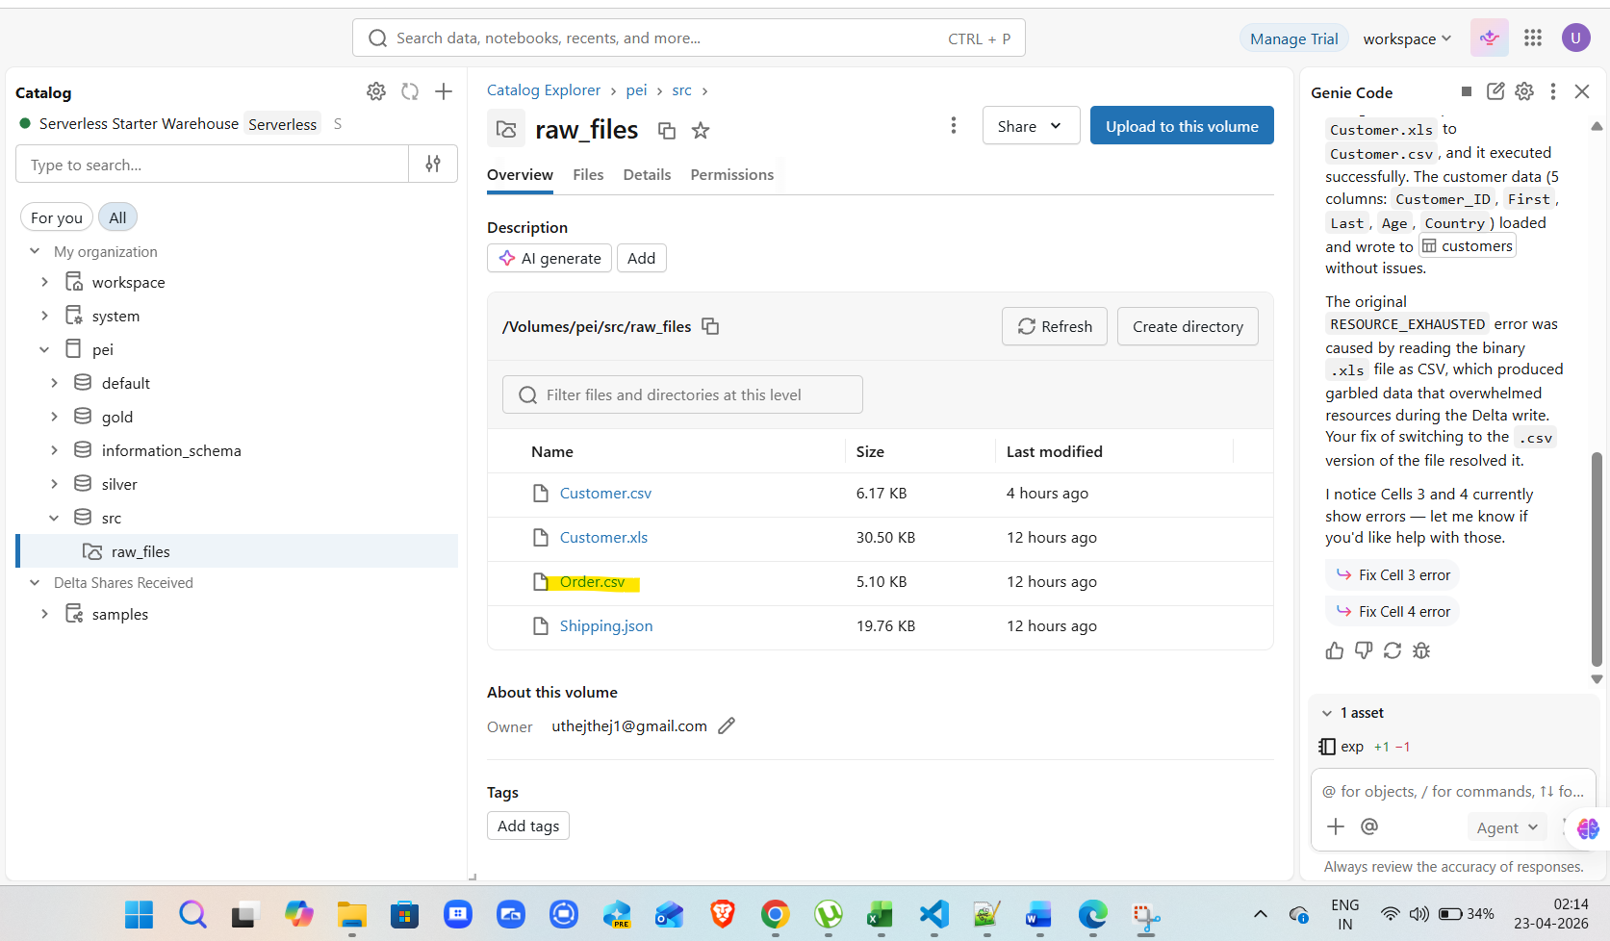

ORD_TC02

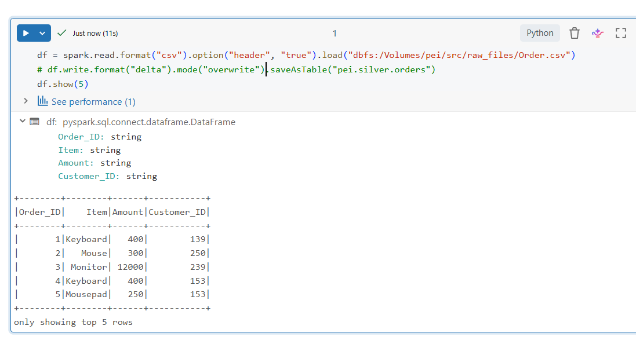

ORD_TC03

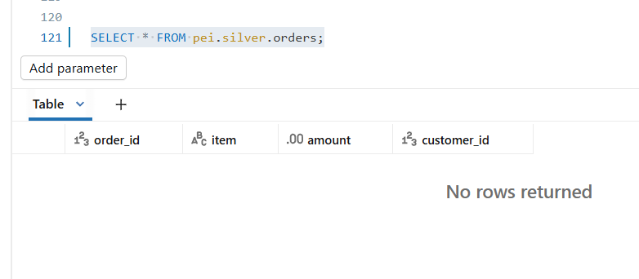

ORD_TC04
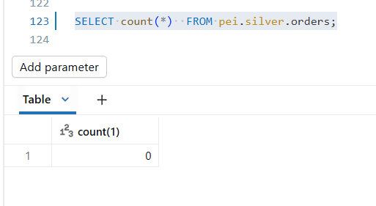

 | Post running workflow/job

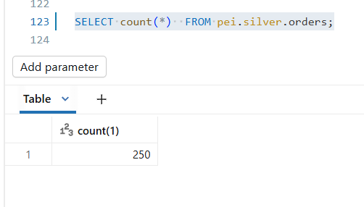

ORD_TC05
ORD_TC06
ORD_TC07
ORD_TC08
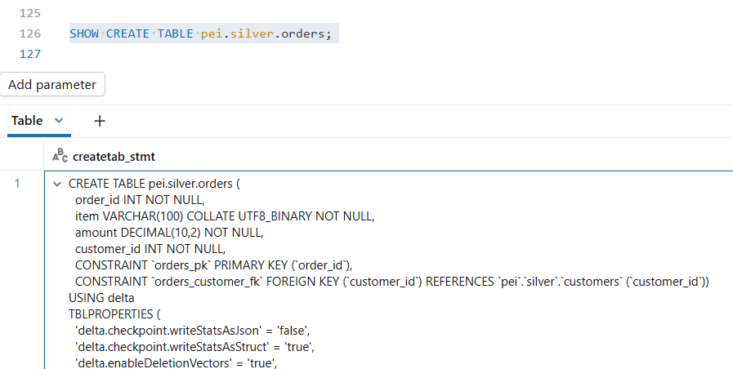
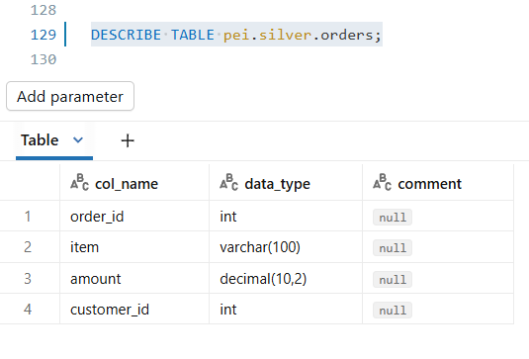

 | required metadata |  |  |  |  |  |  |  | actual metadata

 | Source_Column | Target_Column | Data_Type | Length | Nullable | Constraint |  |  | col_name | data_type | comment
 | Order_ID | order_id | INT |  | NOT NULL | PRIMARY KEY |  |  | order_id | int | null | TRUE
 | Item | item | VARCHAR | 100 | NOT NULL |  |  |  | item | varchar(100) | null | TRUE
 | Amount | amount | DECIMAL | (10,2) | NOT NULL |  |  |  | amount | decimal(10,2) | null | TRUE
 | Customer_ID | customer_id | INT |  | NOT NULL | FOREIGN KEY -> customers(customer_id) |  |  | customer_id | int | null | TRUE

 |  |  |  |  |  |  |  |  | CREATE TABLE pei.silver.orders (
 |  |  |  |  |  |  |  |  | order_id INT NOT NULL,
 |  |  |  |  |  |  |  |  | item VARCHAR(100) COLLATE UTF8_BINARY NOT NULL,
 |  |  |  |  |  |  |  |  | amount DECIMAL(10,2) NOT NULL,
 |  |  |  |  |  |  |  |  | customer_id INT NOT NULL,
 |  |  |  |  |  |  |  |  | CONSTRAINT `orders_pk` PRIMARY KEY (`order_id`),
 |  |  |  |  |  |  |  |  | CONSTRAINT `orders_customer_fk` FOREIGN KEY (`customer_id`) REFERENCES `pei`.`silver`.`customers` (`customer_id`))

ORD_TC09

 | source file |  | total no of records : 250 |  |  |  |  |  |  |  |  |  |  |  |  |  | silver layer

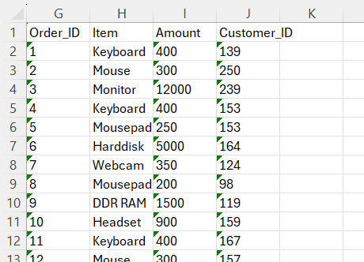

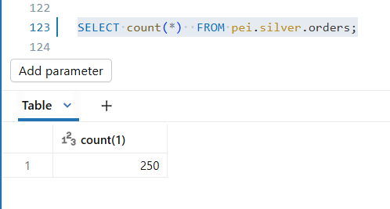

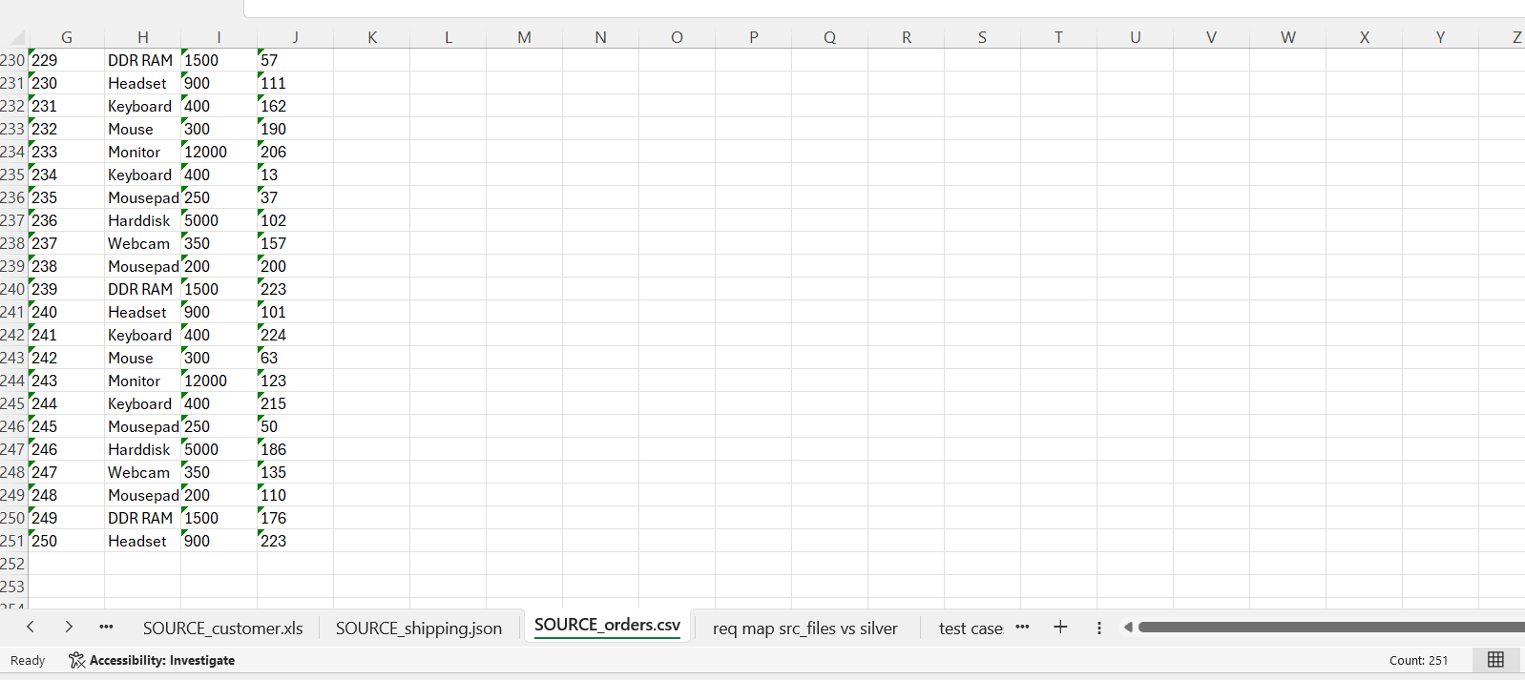

ORD_TC10

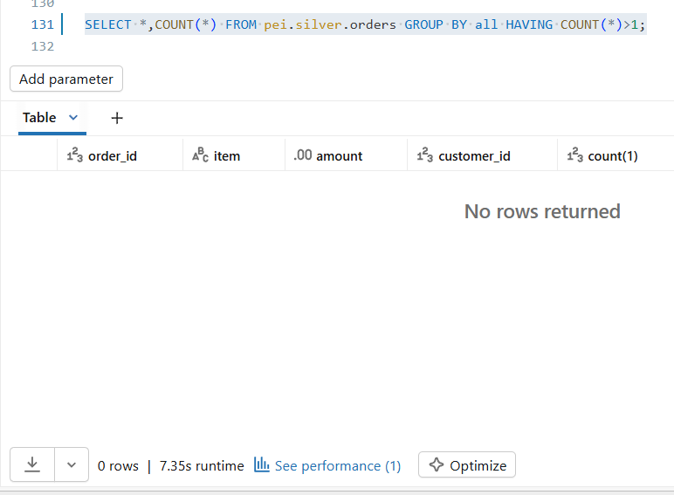

ORD_TC11

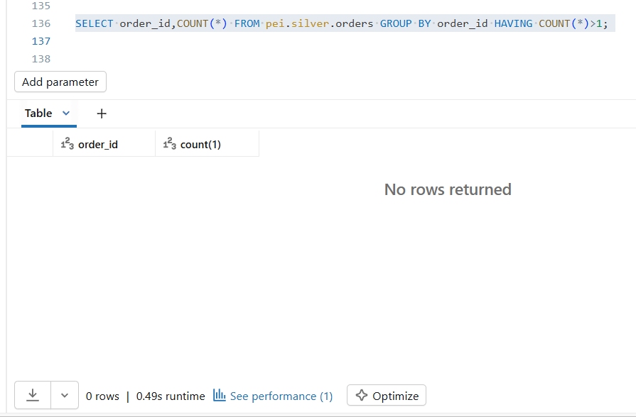

ORD_TC12

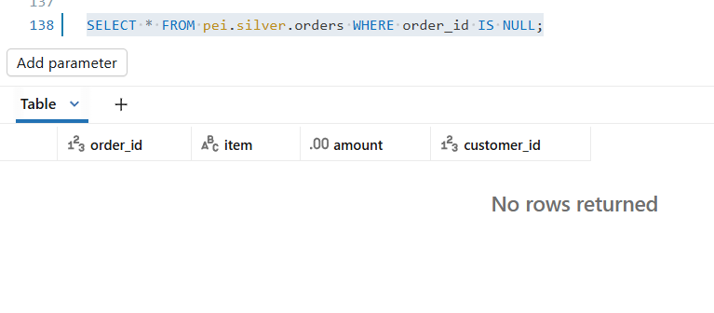

ORD_TC13

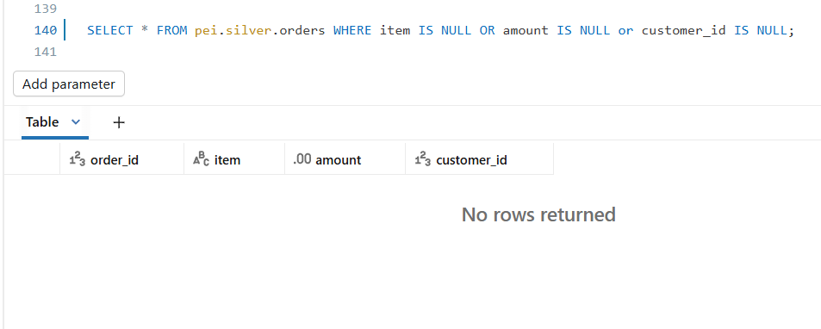

ORD_TC14

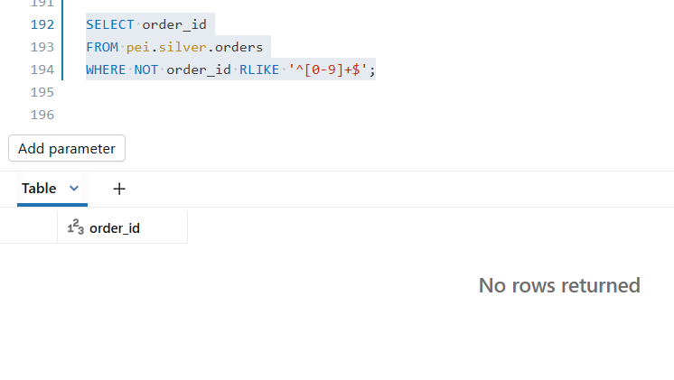

ORD_TC15

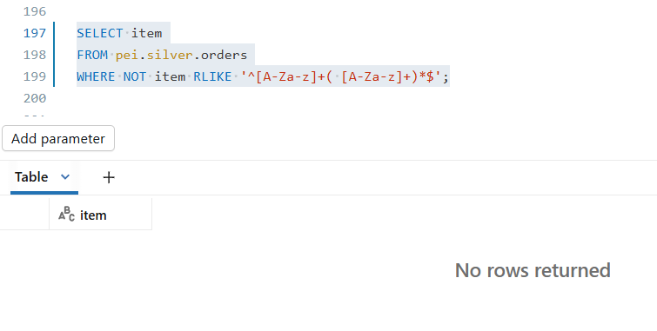

ORD_TC16

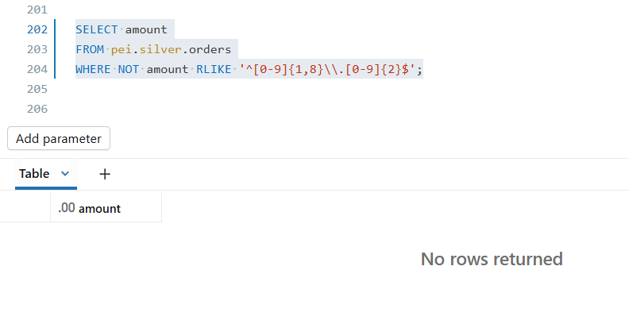

ORD_TC17

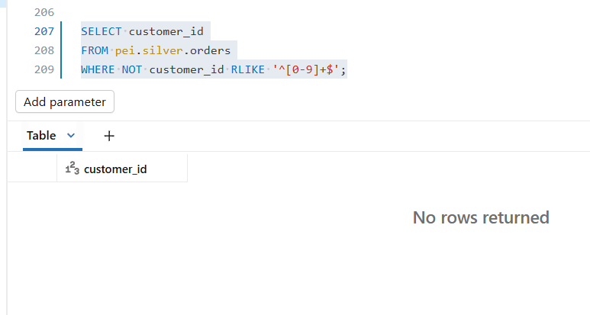

ORD_TC18

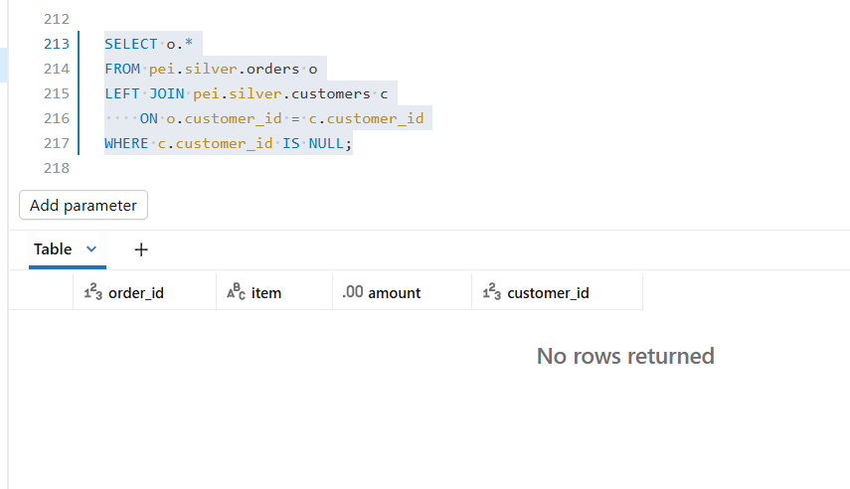

ORD_TC19

 | source file data |  |  |  |  |  | table data |  |  |  |  |  | data comparision

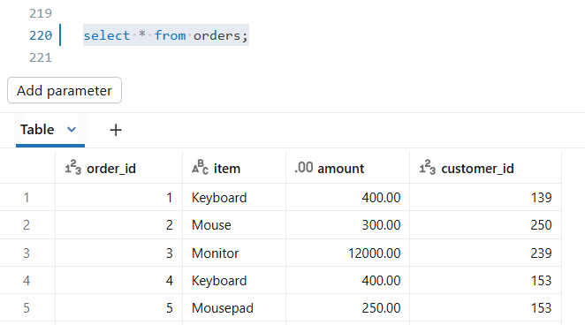

 |  |  |  |  |  |  |  |  |  |  |  |  |  |  |  |  | 250 | 250 | 0 | 250
 | Order_ID | Item | Amount | Customer_ID |  |  | order_id | item | amount | customer_id |  |  | TRUE | TRUE | TRUE | TRUE
 | 1 | Keyboard | 400 | 139 |  |  | 1 | Keyboard | 400.00 | 139 |  |  | TRUE | TRUE | FALSE | TRUE
 | 2 | Mouse | 300 | 250 |  |  | 2 | Mouse | 300.00 | 250 |  |  | TRUE | TRUE | FALSE | TRUE
 | 3 | Monitor | 12000 | 239 |  |  | 3 | Monitor | 12000.00 | 239 |  |  | TRUE | TRUE | FALSE | TRUE
 | 4 | Keyboard | 400 | 153 |  |  | 4 | Keyboard | 400.00 | 153 |  |  | TRUE | TRUE | FALSE | TRUE
 | 5 | Mousepad | 250 | 153 |  |  | 5 | Mousepad | 250.00 | 153 |  |  | TRUE | TRUE | FALSE | TRUE |  | Amount | amount |  | mismatch expected since there casting involved from int to float
 | 6 | Harddisk | 5000 | 164 |  |  | 6 | Harddisk | 5000.00 | 164 |  |  | TRUE | TRUE | FALSE | TRUE |  | 400 | 400.00
 | 7 | Webcam | 350 | 124 |  |  | 7 | Webcam | 350.00 | 124 |  |  | TRUE | TRUE | FALSE | TRUE |  | 300 | 300.00
 | 8 | Mousepad | 200 | 98 |  |  | 8 | Mousepad | 200.00 | 98 |  |  | TRUE | TRUE | FALSE | TRUE |  | 12000 | 12000.00
 | 9 | DDR RAM | 1500 | 119 |  |  | 9 | DDR RAM | 1500.00 | 119 |  |  | TRUE | TRUE | FALSE | TRUE
 | 10 | Headset | 900 | 159 |  |  | 10 | Headset | 900.00 | 159 |  |  | TRUE | TRUE | FALSE | TRUE
 | 11 | Keyboard | 400 | 167 |  |  | 11 | Keyboard | 400.00 | 167 |  |  | TRUE | TRUE | FALSE | TRUE
 | 12 | Mouse | 300 | 157 |  |  | 12 | Mouse | 300.00 | 157 |  |  | TRUE | TRUE | FALSE | TRUE
 | 13 | Monitor | 12000 | 49 |  |  | 13 | Monitor | 12000.00 | 49 |  |  | TRUE | TRUE | FALSE | TRUE
 | 14 | Keyboard | 400 | 234 |  |  | 14 | Keyboard | 400.00 | 234 |  |  | TRUE | TRUE | FALSE | TRUE
 | 15 | Mousepad | 250 | 202 |  |  | 15 | Mousepad | 250.00 | 202 |  |  | TRUE | TRUE | FALSE | TRUE
 | 16 | Harddisk | 5000 | 181 |  |  | 16 | Harddisk | 5000.00 | 181 |  |  | TRUE | TRUE | FALSE | TRUE
 | 17 | Webcam | 350 | 15 |  |  | 17 | Webcam | 350.00 | 15 |  |  | TRUE | TRUE | FALSE | TRUE
 | 18 | Mousepad | 200 | 177 |  |  | 18 | Mousepad | 200.00 | 177 |  |  | TRUE | TRUE | FALSE | TRUE
 | 19 | DDR RAM | 1500 | 5 |  |  | 19 | DDR RAM | 1500.00 | 5 |  |  | TRUE | TRUE | FALSE | TRUE
 | 20 | Headset | 900 | 225 |  |  | 20 | Headset | 900.00 | 225 |  |  | TRUE | TRUE | FALSE | TRUE
 | 21 | Keyboard | 400 | 171 |  |  | 21 | Keyboard | 400.00 | 171 |  |  | TRUE | TRUE | FALSE | TRUE
 | 22 | Mouse | 300 | 67 |  |  | 22 | Mouse | 300.00 | 67 |  |  | TRUE | TRUE | FALSE | TRUE
 | 23 | Monitor | 12000 | 68 |  |  | 23 | Monitor | 12000.00 | 68 |  |  | TRUE | TRUE | FALSE | TRUE
 | 24 | Keyboard | 400 | 86 |  |  | 24 | Keyboard | 400.00 | 86 |  |  | TRUE | TRUE | FALSE | TRUE
 | 25 | Mousepad | 250 | 8 |  |  | 25 | Mousepad | 250.00 | 8 |  |  | TRUE | TRUE | FALSE | TRUE
 | 26 | Harddisk | 5000 | 56 |  |  | 26 | Harddisk | 5000.00 | 56 |  |  | TRUE | TRUE | FALSE | TRUE
 | 27 | Webcam | 350 | 60 |  |  | 27 | Webcam | 350.00 | 60 |  |  | TRUE | TRUE | FALSE | TRUE
 | 28 | Mousepad | 200 | 188 |  |  | 28 | Mousepad | 200.00 | 188 |  |  | TRUE | TRUE | FALSE | TRUE
 | 29 | DDR RAM | 1500 | 33 |  |  | 29 | DDR RAM | 1500.00 | 33 |  |  | TRUE | TRUE | FALSE | TRUE
 | 30 | Headset | 900 | 157 |  |  | 30 | Headset | 900.00 | 157 |  |  | TRUE | TRUE | FALSE | TRUE
 | 31 | Keyboard | 400 | 87 |  |  | 31 | Keyboard | 400.00 | 87 |  |  | TRUE | TRUE | FALSE | TRUE
 | 32 | Mouse | 300 | 174 |  |  | 32 | Mouse | 300.00 | 174 |  |  | TRUE | TRUE | FALSE | TRUE
 | 33 | Monitor | 12000 | 158 |  |  | 33 | Monitor | 12000.00 | 158 |  |  | TRUE | TRUE | FALSE | TRUE
 | 34 | Keyboard | 400 | 134 |  |  | 34 | Keyboard | 400.00 | 134 |  |  | TRUE | TRUE | FALSE | TRUE
 | 35 | Mousepad | 250 | 209 |  |  | 35 | Mousepad | 250.00 | 209 |  |  | TRUE | TRUE | FALSE | TRUE
 | 36 | Harddisk | 5000 | 52 |  |  | 36 | Harddisk | 5000.00 | 52 |  |  | TRUE | TRUE | FALSE | TRUE
 | 37 | Webcam | 350 | 92 |  |  | 37 | Webcam | 350.00 | 92 |  |  | TRUE | TRUE | FALSE | TRUE
 | 38 | Mousepad | 200 | 105 |  |  | 38 | Mousepad | 200.00 | 105 |  |  | TRUE | TRUE | FALSE | TRUE
 | 39 | DDR RAM | 1500 | 99 |  |  | 39 | DDR RAM | 1500.00 | 99 |  |  | TRUE | TRUE | FALSE | TRUE
 | 40 | Headset | 900 | 249 |  |  | 40 | Headset | 900.00 | 249 |  |  | TRUE | TRUE | FALSE | TRUE
 | 41 | Keyboard | 400 | 200 |  |  | 41 | Keyboard | 400.00 | 200 |  |  | TRUE | TRUE | FALSE | TRUE
 | 42 | Mouse | 300 | 180 |  |  | 42 | Mouse | 300.00 | 180 |  |  | TRUE | TRUE | FALSE | TRUE
 | 43 | Monitor | 12000 | 61 |  |  | 43 | Monitor | 12000.00 | 61 |  |  | TRUE | TRUE | FALSE | TRUE
 | 44 | Keyboard | 400 | 126 |  |  | 44 | Keyboard | 400.00 | 126 |  |  | TRUE | TRUE | FALSE | TRUE
 | 45 | Mousepad | 250 | 172 |  |  | 45 | Mousepad | 250.00 | 172 |  |  | TRUE | TRUE | FALSE | TRUE
 | 46 | Harddisk | 5000 | 81 |  |  | 46 | Harddisk | 5000.00 | 81 |  |  | TRUE | TRUE | FALSE | TRUE
 | 47 | Webcam | 350 | 78 |  |  | 47 | Webcam | 350.00 | 78 |  |  | TRUE | TRUE | FALSE | TRUE
 | 48 | Mousepad | 200 | 222 |  |  | 48 | Mousepad | 200.00 | 222 |  |  | TRUE | TRUE | FALSE | TRUE
 | 49 | DDR RAM | 1500 | 194 |  |  | 49 | DDR RAM | 1500.00 | 194 |  |  | TRUE | TRUE | FALSE | TRUE
 | 50 | Headset | 900 | 150 |  |  | 50 | Headset | 900.00 | 150 |  |  | TRUE | TRUE | FALSE | TRUE
 | 51 | Keyboard | 400 | 146 |  |  | 51 | Keyboard | 400.00 | 146 |  |  | TRUE | TRUE | FALSE | TRUE
 | 52 | Mouse | 300 | 192 |  |  | 52 | Mouse | 300.00 | 192 |  |  | TRUE | TRUE | FALSE | TRUE
 | 53 | Monitor | 12000 | 193 |  |  | 53 | Monitor | 12000.00 | 193 |  |  | TRUE | TRUE | FALSE | TRUE
 | 54 | Keyboard | 400 | 24 |  |  | 54 | Keyboard | 400.00 | 24 |  |  | TRUE | TRUE | FALSE | TRUE
 | 55 | Mousepad | 250 | 125 |  |  | 55 | Mousepad | 250.00 | 125 |  |  | TRUE | TRUE | FALSE | TRUE
 | 56 | Harddisk | 5000 | 228 |  |  | 56 | Harddisk | 5000.00 | 228 |  |  | TRUE | TRUE | FALSE | TRUE
 | 57 | Webcam | 350 | 101 |  |  | 57 | Webcam | 350.00 | 101 |  |  | TRUE | TRUE | FALSE | TRUE
 | 58 | Mousepad | 200 | 64 |  |  | 58 | Mousepad | 200.00 | 64 |  |  | TRUE | TRUE | FALSE | TRUE
 | 59 | DDR RAM | 1500 | 164 |  |  | 59 | DDR RAM | 1500.00 | 164 |  |  | TRUE | TRUE | FALSE | TRUE
 | 60 | Headset | 900 | 244 |  |  | 60 | Headset | 900.00 | 244 |  |  | TRUE | TRUE | FALSE | TRUE
 | 61 | Keyboard | 400 | 118 |  |  | 61 | Keyboard | 400.00 | 118 |  |  | TRUE | TRUE | FALSE | TRUE
 | 62 | Mouse | 300 | 96 |  |  | 62 | Mouse | 300.00 | 96 |  |  | TRUE | TRUE | FALSE | TRUE
 | 63 | Monitor | 12000 | 221 |  |  | 63 | Monitor | 12000.00 | 221 |  |  | TRUE | TRUE | FALSE | TRUE
 | 64 | Keyboard | 400 | 190 |  |  | 64 | Keyboard | 400.00 | 190 |  |  | TRUE | TRUE | FALSE | TRUE
 | 65 | Mousepad | 250 | 198 |  |  | 65 | Mousepad | 250.00 | 198 |  |  | TRUE | TRUE | FALSE | TRUE
 | 66 | Harddisk | 5000 | 30 |  |  | 66 | Harddisk | 5000.00 | 30 |  |  | TRUE | TRUE | FALSE | TRUE
 | 67 | Webcam | 350 | 201 |  |  | 67 | Webcam | 350.00 | 201 |  |  | TRUE | TRUE | FALSE | TRUE
 | 68 | Mousepad | 200 | 144 |  |  | 68 | Mousepad | 200.00 | 144 |  |  | TRUE | TRUE | FALSE | TRUE
 | 69 | DDR RAM | 1500 | 136 |  |  | 69 | DDR RAM | 1500.00 | 136 |  |  | TRUE | TRUE | FALSE | TRUE
 | 70 | Headset | 900 | 50 |  |  | 70 | Headset | 900.00 | 50 |  |  | TRUE | TRUE | FALSE | TRUE
 | 71 | Keyboard | 400 | 70 |  |  | 71 | Keyboard | 400.00 | 70 |  |  | TRUE | TRUE | FALSE | TRUE
 | 72 | Mouse | 300 | 89 |  |  | 72 | Mouse | 300.00 | 89 |  |  | TRUE | TRUE | FALSE | TRUE
 | 73 | Monitor | 12000 | 151 |  |  | 73 | Monitor | 12000.00 | 151 |  |  | TRUE | TRUE | FALSE | TRUE
 | 74 | Keyboard | 400 | 112 |  |  | 74 | Keyboard | 400.00 | 112 |  |  | TRUE | TRUE | FALSE | TRUE
 | 75 | Mousepad | 250 | 70 |  |  | 75 | Mousepad | 250.00 | 70 |  |  | TRUE | TRUE | FALSE | TRUE
 | 76 | Harddisk | 5000 | 38 |  |  | 76 | Harddisk | 5000.00 | 38 |  |  | TRUE | TRUE | FALSE | TRUE
 | 77 | Webcam | 350 | 87 |  |  | 77 | Webcam | 350.00 | 87 |  |  | TRUE | TRUE | FALSE | TRUE
 | 78 | Mousepad | 200 | 211 |  |  | 78 | Mousepad | 200.00 | 211 |  |  | TRUE | TRUE | FALSE | TRUE
 | 79 | DDR RAM | 1500 | 249 |  |  | 79 | DDR RAM | 1500.00 | 249 |  |  | TRUE | TRUE | FALSE | TRUE
 | 80 | Headset | 900 | 238 |  |  | 80 | Headset | 900.00 | 238 |  |  | TRUE | TRUE | FALSE | TRUE
 | 81 | Keyboard | 400 | 247 |  |  | 81 | Keyboard | 400.00 | 247 |  |  | TRUE | TRUE | FALSE | TRUE
 | 82 | Mouse | 300 | 156 |  |  | 82 | Mouse | 300.00 | 156 |  |  | TRUE | TRUE | FALSE | TRUE
 | 83 | Monitor | 12000 | 129 |  |  | 83 | Monitor | 12000.00 | 129 |  |  | TRUE | TRUE | FALSE | TRUE
 | 84 | Keyboard | 400 | 39 |  |  | 84 | Keyboard | 400.00 | 39 |  |  | TRUE | TRUE | FALSE | TRUE
 | 85 | Mousepad | 250 | 193 |  |  | 85 | Mousepad | 250.00 | 193 |  |  | TRUE | TRUE | FALSE | TRUE
 | 86 | Harddisk | 5000 | 124 |  |  | 86 | Harddisk | 5000.00 | 124 |  |  | TRUE | TRUE | FALSE | TRUE
 | 87 | Webcam | 350 | 108 |  |  | 87 | Webcam | 350.00 | 108 |  |  | TRUE | TRUE | FALSE | TRUE
 | 88 | Mousepad | 200 | 91 |  |  | 88 | Mousepad | 200.00 | 91 |  |  | TRUE | TRUE | FALSE | TRUE
 | 89 | DDR RAM | 1500 | 193 |  |  | 89 | DDR RAM | 1500.00 | 193 |  |  | TRUE | TRUE | FALSE | TRUE
 | 90 | Headset | 900 | 161 |  |  | 90 | Headset | 900.00 | 161 |  |  | TRUE | TRUE | FALSE | TRUE
 | 91 | Keyboard | 400 | 99 |  |  | 91 | Keyboard | 400.00 | 99 |  |  | TRUE | TRUE | FALSE | TRUE
 | 92 | Mouse | 300 | 145 |  |  | 92 | Mouse | 300.00 | 145 |  |  | TRUE | TRUE | FALSE | TRUE
 | 93 | Monitor | 12000 | 229 |  |  | 93 | Monitor | 12000.00 | 229 |  |  | TRUE | TRUE | FALSE | TRUE
 | 94 | Keyboard | 400 | 80 |  |  | 94 | Keyboard | 400.00 | 80 |  |  | TRUE | TRUE | FALSE | TRUE
 | 95 | Mousepad | 250 | 172 |  |  | 95 | Mousepad | 250.00 | 172 |  |  | TRUE | TRUE | FALSE | TRUE
 | 96 | Harddisk | 5000 | 129 |  |  | 96 | Harddisk | 5000.00 | 129 |  |  | TRUE | TRUE | FALSE | TRUE
 | 97 | Webcam | 350 | 163 |  |  | 97 | Webcam | 350.00 | 163 |  |  | TRUE | TRUE | FALSE | TRUE
 | 98 | Mousepad | 200 | 195 |  |  | 98 | Mousepad | 200.00 | 195 |  |  | TRUE | TRUE | FALSE | TRUE
 | 99 | DDR RAM | 1500 | 86 |  |  | 99 | DDR RAM | 1500.00 | 86 |  |  | TRUE | TRUE | FALSE | TRUE
 | 100 | Headset | 900 | 231 |  |  | 100 | Headset | 900.00 | 231 |  |  | TRUE | TRUE | FALSE | TRUE
 | 101 | Keyboard | 400 | 226 |  |  | 101 | Keyboard | 400.00 | 226 |  |  | TRUE | TRUE | FALSE | TRUE
 | 102 | Mouse | 300 | 68 |  |  | 102 | Mouse | 300.00 | 68 |  |  | TRUE | TRUE | FALSE | TRUE
 | 103 | Monitor | 12000 | 242 |  |  | 103 | Monitor | 12000.00 | 242 |  |  | TRUE | TRUE | FALSE | TRUE
 | 104 | Keyboard | 400 | 53 |  |  | 104 | Keyboard | 400.00 | 53 |  |  | TRUE | TRUE | FALSE | TRUE
 | 105 | Mousepad | 250 | 107 |  |  | 105 | Mousepad | 250.00 | 107 |  |  | TRUE | TRUE | FALSE | TRUE
 | 106 | Harddisk | 5000 | 119 |  |  | 106 | Harddisk | 5000.00 | 119 |  |  | TRUE | TRUE | FALSE | TRUE
 | 107 | Webcam | 350 | 17 |  |  | 107 | Webcam | 350.00 | 17 |  |  | TRUE | TRUE | FALSE | TRUE
 | 108 | Mousepad | 200 | 152 |  |  | 108 | Mousepad | 200.00 | 152 |  |  | TRUE | TRUE | FALSE | TRUE
 | 109 | DDR RAM | 1500 | 8 |  |  | 109 | DDR RAM | 1500.00 | 8 |  |  | TRUE | TRUE | FALSE | TRUE
 | 110 | Headset | 900 | 32 |  |  | 110 | Headset | 900.00 | 32 |  |  | TRUE | TRUE | FALSE | TRUE
 | 111 | Keyboard | 400 | 243 |  |  | 111 | Keyboard | 400.00 | 243 |  |  | TRUE | TRUE | FALSE | TRUE
 | 112 | Mouse | 300 | 143 |  |  | 112 | Mouse | 300.00 | 143 |  |  | TRUE | TRUE | FALSE | TRUE
 | 113 | Monitor | 12000 | 167 |  |  | 113 | Monitor | 12000.00 | 167 |  |  | TRUE | TRUE | FALSE | TRUE
 | 114 | Keyboard | 400 | 69 |  |  | 114 | Keyboard | 400.00 | 69 |  |  | TRUE | TRUE | FALSE | TRUE
 | 115 | Mousepad | 250 | 186 |  |  | 115 | Mousepad | 250.00 | 186 |  |  | TRUE | TRUE | FALSE | TRUE
 | 116 | Harddisk | 5000 | 75 |  |  | 116 | Harddisk | 5000.00 | 75 |  |  | TRUE | TRUE | FALSE | TRUE
 | 117 | Webcam | 350 | 8 |  |  | 117 | Webcam | 350.00 | 8 |  |  | TRUE | TRUE | FALSE | TRUE
 | 118 | Mousepad | 200 | 4 |  |  | 118 | Mousepad | 200.00 | 4 |  |  | TRUE | TRUE | FALSE | TRUE
 | 119 | DDR RAM | 1500 | 184 |  |  | 119 | DDR RAM | 1500.00 | 184 |  |  | TRUE | TRUE | FALSE | TRUE
 | 120 | Headset | 900 | 96 |  |  | 120 | Headset | 900.00 | 96 |  |  | TRUE | TRUE | FALSE | TRUE
 | 121 | Keyboard | 400 | 35 |  |  | 121 | Keyboard | 400.00 | 35 |  |  | TRUE | TRUE | FALSE | TRUE
 | 122 | Mouse | 300 | 73 |  |  | 122 | Mouse | 300.00 | 73 |  |  | TRUE | TRUE | FALSE | TRUE
 | 123 | Monitor | 12000 | 131 |  |  | 123 | Monitor | 12000.00 | 131 |  |  | TRUE | TRUE | FALSE | TRUE
 | 124 | Keyboard | 400 | 151 |  |  | 124 | Keyboard | 400.00 | 151 |  |  | TRUE | TRUE | FALSE | TRUE
 | 125 | Mousepad | 250 | 249 |  |  | 125 | Mousepad | 250.00 | 249 |  |  | TRUE | TRUE | FALSE | TRUE
 | 126 | Harddisk | 5000 | 47 |  |  | 126 | Harddisk | 5000.00 | 47 |  |  | TRUE | TRUE | FALSE | TRUE
 | 127 | Webcam | 350 | 60 |  |  | 127 | Webcam | 350.00 | 60 |  |  | TRUE | TRUE | FALSE | TRUE
 | 128 | Mousepad | 200 | 191 |  |  | 128 | Mousepad | 200.00 | 191 |  |  | TRUE | TRUE | FALSE | TRUE
 | 129 | DDR RAM | 1500 | 107 |  |  | 129 | DDR RAM | 1500.00 | 107 |  |  | TRUE | TRUE | FALSE | TRUE
 | 130 | Headset | 900 | 13 |  |  | 130 | Headset | 900.00 | 13 |  |  | TRUE | TRUE | FALSE | TRUE
 | 131 | Keyboard | 400 | 70 |  |  | 131 | Keyboard | 400.00 | 70 |  |  | TRUE | TRUE | FALSE | TRUE
 | 132 | Mouse | 300 | 183 |  |  | 132 | Mouse | 300.00 | 183 |  |  | TRUE | TRUE | FALSE | TRUE
 | 133 | Monitor | 12000 | 98 |  |  | 133 | Monitor | 12000.00 | 98 |  |  | TRUE | TRUE | FALSE | TRUE
 | 134 | Keyboard | 400 | 23 |  |  | 134 | Keyboard | 400.00 | 23 |  |  | TRUE | TRUE | FALSE | TRUE
 | 135 | Mousepad | 250 | 95 |  |  | 135 | Mousepad | 250.00 | 95 |  |  | TRUE | TRUE | FALSE | TRUE
 | 136 | Harddisk | 5000 | 123 |  |  | 136 | Harddisk | 5000.00 | 123 |  |  | TRUE | TRUE | FALSE | TRUE
 | 137 | Webcam | 350 | 103 |  |  | 137 | Webcam | 350.00 | 103 |  |  | TRUE | TRUE | FALSE | TRUE
 | 138 | Mousepad | 200 | 63 |  |  | 138 | Mousepad | 200.00 | 63 |  |  | TRUE | TRUE | FALSE | TRUE
 | 139 | DDR RAM | 1500 | 96 |  |  | 139 | DDR RAM | 1500.00 | 96 |  |  | TRUE | TRUE | FALSE | TRUE
 | 140 | Headset | 900 | 138 |  |  | 140 | Headset | 900.00 | 138 |  |  | TRUE | TRUE | FALSE | TRUE
 | 141 | Keyboard | 400 | 59 |  |  | 141 | Keyboard | 400.00 | 59 |  |  | TRUE | TRUE | FALSE | TRUE
 | 142 | Mouse | 300 | 84 |  |  | 142 | Mouse | 300.00 | 84 |  |  | TRUE | TRUE | FALSE | TRUE
 | 143 | Monitor | 12000 | 143 |  |  | 143 | Monitor | 12000.00 | 143 |  |  | TRUE | TRUE | FALSE | TRUE
 | 144 | Keyboard | 400 | 10 |  |  | 144 | Keyboard | 400.00 | 10 |  |  | TRUE | TRUE | FALSE | TRUE
 | 145 | Mousepad | 250 | 53 |  |  | 145 | Mousepad | 250.00 | 53 |  |  | TRUE | TRUE | FALSE | TRUE
 | 146 | Harddisk | 5000 | 247 |  |  | 146 | Harddisk | 5000.00 | 247 |  |  | TRUE | TRUE | FALSE | TRUE
 | 147 | Webcam | 350 | 232 |  |  | 147 | Webcam | 350.00 | 232 |  |  | TRUE | TRUE | FALSE | TRUE
 | 148 | Mousepad | 200 | 229 |  |  | 148 | Mousepad | 200.00 | 229 |  |  | TRUE | TRUE | FALSE | TRUE
 | 149 | DDR RAM | 1500 | 20 |  |  | 149 | DDR RAM | 1500.00 | 20 |  |  | TRUE | TRUE | FALSE | TRUE
 | 150 | Headset | 900 | 89 |  |  | 150 | Headset | 900.00 | 89 |  |  | TRUE | TRUE | FALSE | TRUE
 | 151 | Keyboard | 400 | 208 |  |  | 151 | Keyboard | 400.00 | 208 |  |  | TRUE | TRUE | FALSE | TRUE
 | 152 | Mouse | 300 | 47 |  |  | 152 | Mouse | 300.00 | 47 |  |  | TRUE | TRUE | FALSE | TRUE
 | 153 | Monitor | 12000 | 23 |  |  | 153 | Monitor | 12000.00 | 23 |  |  | TRUE | TRUE | FALSE | TRUE
 | 154 | Keyboard | 400 | 114 |  |  | 154 | Keyboard | 400.00 | 114 |  |  | TRUE | TRUE | FALSE | TRUE
 | 155 | Mousepad | 250 | 247 |  |  | 155 | Mousepad | 250.00 | 247 |  |  | TRUE | TRUE | FALSE | TRUE
 | 156 | Harddisk | 5000 | 71 |  |  | 156 | Harddisk | 5000.00 | 71 |  |  | TRUE | TRUE | FALSE | TRUE
 | 157 | Webcam | 350 | 101 |  |  | 157 | Webcam | 350.00 | 101 |  |  | TRUE | TRUE | FALSE | TRUE
 | 158 | Mousepad | 200 | 8 |  |  | 158 | Mousepad | 200.00 | 8 |  |  | TRUE | TRUE | FALSE | TRUE
 | 159 | DDR RAM | 1500 | 172 |  |  | 159 | DDR RAM | 1500.00 | 172 |  |  | TRUE | TRUE | FALSE | TRUE
 | 160 | Headset | 900 | 246 |  |  | 160 | Headset | 900.00 | 246 |  |  | TRUE | TRUE | FALSE | TRUE
 | 161 | Keyboard | 400 | 89 |  |  | 161 | Keyboard | 400.00 | 89 |  |  | TRUE | TRUE | FALSE | TRUE
 | 162 | Mouse | 300 | 134 |  |  | 162 | Mouse | 300.00 | 134 |  |  | TRUE | TRUE | FALSE | TRUE
 | 163 | Monitor | 12000 | 166 |  |  | 163 | Monitor | 12000.00 | 166 |  |  | TRUE | TRUE | FALSE | TRUE
 | 164 | Keyboard | 400 | 85 |  |  | 164 | Keyboard | 400.00 | 85 |  |  | TRUE | TRUE | FALSE | TRUE
 | 165 | Mousepad | 250 | 221 |  |  | 165 | Mousepad | 250.00 | 221 |  |  | TRUE | TRUE | FALSE | TRUE
 | 166 | Harddisk | 5000 | 12 |  |  | 166 | Harddisk | 5000.00 | 12 |  |  | TRUE | TRUE | FALSE | TRUE
 | 167 | Webcam | 350 | 143 |  |  | 167 | Webcam | 350.00 | 143 |  |  | TRUE | TRUE | FALSE | TRUE
 | 168 | Mousepad | 200 | 193 |  |  | 168 | Mousepad | 200.00 | 193 |  |  | TRUE | TRUE | FALSE | TRUE
 | 169 | DDR RAM | 1500 | 236 |  |  | 169 | DDR RAM | 1500.00 | 236 |  |  | TRUE | TRUE | FALSE | TRUE
 | 170 | Headset | 900 | 214 |  |  | 170 | Headset | 900.00 | 214 |  |  | TRUE | TRUE | FALSE | TRUE
 | 171 | Keyboard | 400 | 55 |  |  | 171 | Keyboard | 400.00 | 55 |  |  | TRUE | TRUE | FALSE | TRUE
 | 172 | Mouse | 300 | 122 |  |  | 172 | Mouse | 300.00 | 122 |  |  | TRUE | TRUE | FALSE | TRUE
 | 173 | Monitor | 12000 | 13 |  |  | 173 | Monitor | 12000.00 | 13 |  |  | TRUE | TRUE | FALSE | TRUE
 | 174 | Keyboard | 400 | 181 |  |  | 174 | Keyboard | 400.00 | 181 |  |  | TRUE | TRUE | FALSE | TRUE
 | 175 | Mousepad | 250 | 203 |  |  | 175 | Mousepad | 250.00 | 203 |  |  | TRUE | TRUE | FALSE | TRUE
 | 176 | Harddisk | 5000 | 159 |  |  | 176 | Harddisk | 5000.00 | 159 |  |  | TRUE | TRUE | FALSE | TRUE
 | 177 | Webcam | 350 | 63 |  |  | 177 | Webcam | 350.00 | 63 |  |  | TRUE | TRUE | FALSE | TRUE
 | 178 | Mousepad | 200 | 94 |  |  | 178 | Mousepad | 200.00 | 94 |  |  | TRUE | TRUE | FALSE | TRUE
 | 179 | DDR RAM | 1500 | 67 |  |  | 179 | DDR RAM | 1500.00 | 67 |  |  | TRUE | TRUE | FALSE | TRUE
 | 180 | Headset | 900 | 86 |  |  | 180 | Headset | 900.00 | 86 |  |  | TRUE | TRUE | FALSE | TRUE
 | 181 | Keyboard | 400 | 23 |  |  | 181 | Keyboard | 400.00 | 23 |  |  | TRUE | TRUE | FALSE | TRUE
 | 182 | Mouse | 300 | 97 |  |  | 182 | Mouse | 300.00 | 97 |  |  | TRUE | TRUE | FALSE | TRUE
 | 183 | Monitor | 12000 | 55 |  |  | 183 | Monitor | 12000.00 | 55 |  |  | TRUE | TRUE | FALSE | TRUE
 | 184 | Keyboard | 400 | 146 |  |  | 184 | Keyboard | 400.00 | 146 |  |  | TRUE | TRUE | FALSE | TRUE
 | 185 | Mousepad | 250 | 66 |  |  | 185 | Mousepad | 250.00 | 66 |  |  | TRUE | TRUE | FALSE | TRUE
 | 186 | Harddisk | 5000 | 166 |  |  | 186 | Harddisk | 5000.00 | 166 |  |  | TRUE | TRUE | FALSE | TRUE
 | 187 | Webcam | 350 | 117 |  |  | 187 | Webcam | 350.00 | 117 |  |  | TRUE | TRUE | FALSE | TRUE
 | 188 | Mousepad | 200 | 249 |  |  | 188 | Mousepad | 200.00 | 249 |  |  | TRUE | TRUE | FALSE | TRUE
 | 189 | DDR RAM | 1500 | 195 |  |  | 189 | DDR RAM | 1500.00 | 195 |  |  | TRUE | TRUE | FALSE | TRUE
 | 190 | Headset | 900 | 197 |  |  | 190 | Headset | 900.00 | 197 |  |  | TRUE | TRUE | FALSE | TRUE
 | 191 | Keyboard | 400 | 70 |  |  | 191 | Keyboard | 400.00 | 70 |  |  | TRUE | TRUE | FALSE | TRUE
 | 192 | Mouse | 300 | 218 |  |  | 192 | Mouse | 300.00 | 218 |  |  | TRUE | TRUE | FALSE | TRUE
 | 193 | Monitor | 12000 | 92 |  |  | 193 | Monitor | 12000.00 | 92 |  |  | TRUE | TRUE | FALSE | TRUE
 | 194 | Keyboard | 400 | 235 |  |  | 194 | Keyboard | 400.00 | 235 |  |  | TRUE | TRUE | FALSE | TRUE
 | 195 | Mousepad | 250 | 24 |  |  | 195 | Mousepad | 250.00 | 24 |  |  | TRUE | TRUE | FALSE | TRUE
 | 196 | Harddisk | 5000 | 196 |  |  | 196 | Harddisk | 5000.00 | 196 |  |  | TRUE | TRUE | FALSE | TRUE
 | 197 | Webcam | 350 | 166 |  |  | 197 | Webcam | 350.00 | 166 |  |  | TRUE | TRUE | FALSE | TRUE
 | 198 | Mousepad | 200 | 57 |  |  | 198 | Mousepad | 200.00 | 57 |  |  | TRUE | TRUE | FALSE | TRUE
 | 199 | DDR RAM | 1500 | 229 |  |  | 199 | DDR RAM | 1500.00 | 229 |  |  | TRUE | TRUE | FALSE | TRUE
 | 200 | Headset | 900 | 178 |  |  | 200 | Headset | 900.00 | 178 |  |  | TRUE | TRUE | FALSE | TRUE
 | 201 | Keyboard | 400 | 109 |  |  | 201 | Keyboard | 400.00 | 109 |  |  | TRUE | TRUE | FALSE | TRUE
 | 202 | Mouse | 300 | 98 |  |  | 202 | Mouse | 300.00 | 98 |  |  | TRUE | TRUE | FALSE | TRUE
 | 203 | Monitor | 12000 | 207 |  |  | 203 | Monitor | 12000.00 | 207 |  |  | TRUE | TRUE | FALSE | TRUE
 | 204 | Keyboard | 400 | 28 |  |  | 204 | Keyboard | 400.00 | 28 |  |  | TRUE | TRUE | FALSE | TRUE
 | 205 | Mousepad | 250 | 208 |  |  | 205 | Mousepad | 250.00 | 208 |  |  | TRUE | TRUE | FALSE | TRUE
 | 206 | Harddisk | 5000 | 57 |  |  | 206 | Harddisk | 5000.00 | 57 |  |  | TRUE | TRUE | FALSE | TRUE
 | 207 | Webcam | 350 | 235 |  |  | 207 | Webcam | 350.00 | 235 |  |  | TRUE | TRUE | FALSE | TRUE
 | 208 | Mousepad | 200 | 29 |  |  | 208 | Mousepad | 200.00 | 29 |  |  | TRUE | TRUE | FALSE | TRUE
 | 209 | DDR RAM | 1500 | 40 |  |  | 209 | DDR RAM | 1500.00 | 40 |  |  | TRUE | TRUE | FALSE | TRUE
 | 210 | Headset | 900 | 106 |  |  | 210 | Headset | 900.00 | 106 |  |  | TRUE | TRUE | FALSE | TRUE
 | 211 | Keyboard | 400 | 239 |  |  | 211 | Keyboard | 400.00 | 239 |  |  | TRUE | TRUE | FALSE | TRUE
 | 212 | Mouse | 300 | 103 |  |  | 212 | Mouse | 300.00 | 103 |  |  | TRUE | TRUE | FALSE | TRUE
 | 213 | Monitor | 12000 | 118 |  |  | 213 | Monitor | 12000.00 | 118 |  |  | TRUE | TRUE | FALSE | TRUE
 | 214 | Keyboard | 400 | 92 |  |  | 214 | Keyboard | 400.00 | 92 |  |  | TRUE | TRUE | FALSE | TRUE
 | 215 | Mousepad | 250 | 176 |  |  | 215 | Mousepad | 250.00 | 176 |  |  | TRUE | TRUE | FALSE | TRUE
 | 216 | Harddisk | 5000 | 85 |  |  | 216 | Harddisk | 5000.00 | 85 |  |  | TRUE | TRUE | FALSE | TRUE
 | 217 | Webcam | 350 | 78 |  |  | 217 | Webcam | 350.00 | 78 |  |  | TRUE | TRUE | FALSE | TRUE
 | 218 | Mousepad | 200 | 151 |  |  | 218 | Mousepad | 200.00 | 151 |  |  | TRUE | TRUE | FALSE | TRUE
 | 219 | DDR RAM | 1500 | 97 |  |  | 219 | DDR RAM | 1500.00 | 97 |  |  | TRUE | TRUE | FALSE | TRUE
 | 220 | Headset | 900 | 223 |  |  | 220 | Headset | 900.00 | 223 |  |  | TRUE | TRUE | FALSE | TRUE
 | 221 | Keyboard | 400 | 198 |  |  | 221 | Keyboard | 400.00 | 198 |  |  | TRUE | TRUE | FALSE | TRUE
 | 222 | Mouse | 300 | 238 |  |  | 222 | Mouse | 300.00 | 238 |  |  | TRUE | TRUE | FALSE | TRUE
 | 223 | Monitor | 12000 | 96 |  |  | 223 | Monitor | 12000.00 | 96 |  |  | TRUE | TRUE | FALSE | TRUE
 | 224 | Keyboard | 400 | 221 |  |  | 224 | Keyboard | 400.00 | 221 |  |  | TRUE | TRUE | FALSE | TRUE
 | 225 | Mousepad | 250 | 113 |  |  | 225 | Mousepad | 250.00 | 113 |  |  | TRUE | TRUE | FALSE | TRUE
 | 226 | Harddisk | 5000 | 65 |  |  | 226 | Harddisk | 5000.00 | 65 |  |  | TRUE | TRUE | FALSE | TRUE
 | 227 | Webcam | 350 | 134 |  |  | 227 | Webcam | 350.00 | 134 |  |  | TRUE | TRUE | FALSE | TRUE
 | 228 | Mousepad | 200 | 153 |  |  | 228 | Mousepad | 200.00 | 153 |  |  | TRUE | TRUE | FALSE | TRUE
 | 229 | DDR RAM | 1500 | 57 |  |  | 229 | DDR RAM | 1500.00 | 57 |  |  | TRUE | TRUE | FALSE | TRUE
 | 230 | Headset | 900 | 111 |  |  | 230 | Headset | 900.00 | 111 |  |  | TRUE | TRUE | FALSE | TRUE
 | 231 | Keyboard | 400 | 162 |  |  | 231 | Keyboard | 400.00 | 162 |  |  | TRUE | TRUE | FALSE | TRUE
 | 232 | Mouse | 300 | 190 |  |  | 232 | Mouse | 300.00 | 190 |  |  | TRUE | TRUE | FALSE | TRUE
 | 233 | Monitor | 12000 | 206 |  |  | 233 | Monitor | 12000.00 | 206 |  |  | TRUE | TRUE | FALSE | TRUE
 | 234 | Keyboard | 400 | 13 |  |  | 234 | Keyboard | 400.00 | 13 |  |  | TRUE | TRUE | FALSE | TRUE
 | 235 | Mousepad | 250 | 37 |  |  | 235 | Mousepad | 250.00 | 37 |  |  | TRUE | TRUE | FALSE | TRUE
 | 236 | Harddisk | 5000 | 102 |  |  | 236 | Harddisk | 5000.00 | 102 |  |  | TRUE | TRUE | FALSE | TRUE
 | 237 | Webcam | 350 | 157 |  |  | 237 | Webcam | 350.00 | 157 |  |  | TRUE | TRUE | FALSE | TRUE
 | 238 | Mousepad | 200 | 200 |  |  | 238 | Mousepad | 200.00 | 200 |  |  | TRUE | TRUE | FALSE | TRUE
 | 239 | DDR RAM | 1500 | 223 |  |  | 239 | DDR RAM | 1500.00 | 223 |  |  | TRUE | TRUE | FALSE | TRUE
 | 240 | Headset | 900 | 101 |  |  | 240 | Headset | 900.00 | 101 |  |  | TRUE | TRUE | FALSE | TRUE
 | 241 | Keyboard | 400 | 224 |  |  | 241 | Keyboard | 400.00 | 224 |  |  | TRUE | TRUE | FALSE | TRUE
 | 242 | Mouse | 300 | 63 |  |  | 242 | Mouse | 300.00 | 63 |  |  | TRUE | TRUE | FALSE | TRUE
 | 243 | Monitor | 12000 | 123 |  |  | 243 | Monitor | 12000.00 | 123 |  |  | TRUE | TRUE | FALSE | TRUE
 | 244 | Keyboard | 400 | 215 |  |  | 244 | Keyboard | 400.00 | 215 |  |  | TRUE | TRUE | FALSE | TRUE
 | 245 | Mousepad | 250 | 50 |  |  | 245 | Mousepad | 250.00 | 50 |  |  | TRUE | TRUE | FALSE | TRUE
 | 246 | Harddisk | 5000 | 186 |  |  | 246 | Harddisk | 5000.00 | 186 |  |  | TRUE | TRUE | FALSE | TRUE
 | 247 | Webcam | 350 | 135 |  |  | 247 | Webcam | 350.00 | 135 |  |  | TRUE | TRUE | FALSE | TRUE
 | 248 | Mousepad | 200 | 110 |  |  | 248 | Mousepad | 200.00 | 110 |  |  | TRUE | TRUE | FALSE | TRUE
 | 249 | DDR RAM | 1500 | 176 |  |  | 249 | DDR RAM | 1500.00 | 176 |  |  | TRUE | TRUE | FALSE | TRUE
 | 250 | Headset | 900 | 223 |  |  | 250 | Headset | 900.00 | 223 |  |  | TRUE | TRUE | FALSE | TRUE

ORD_TC20

testcase execution - shipping
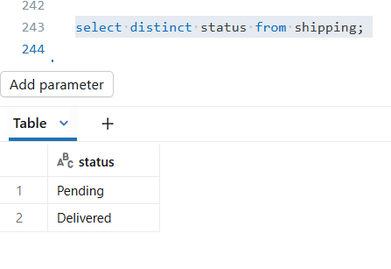
SHIP_TC01

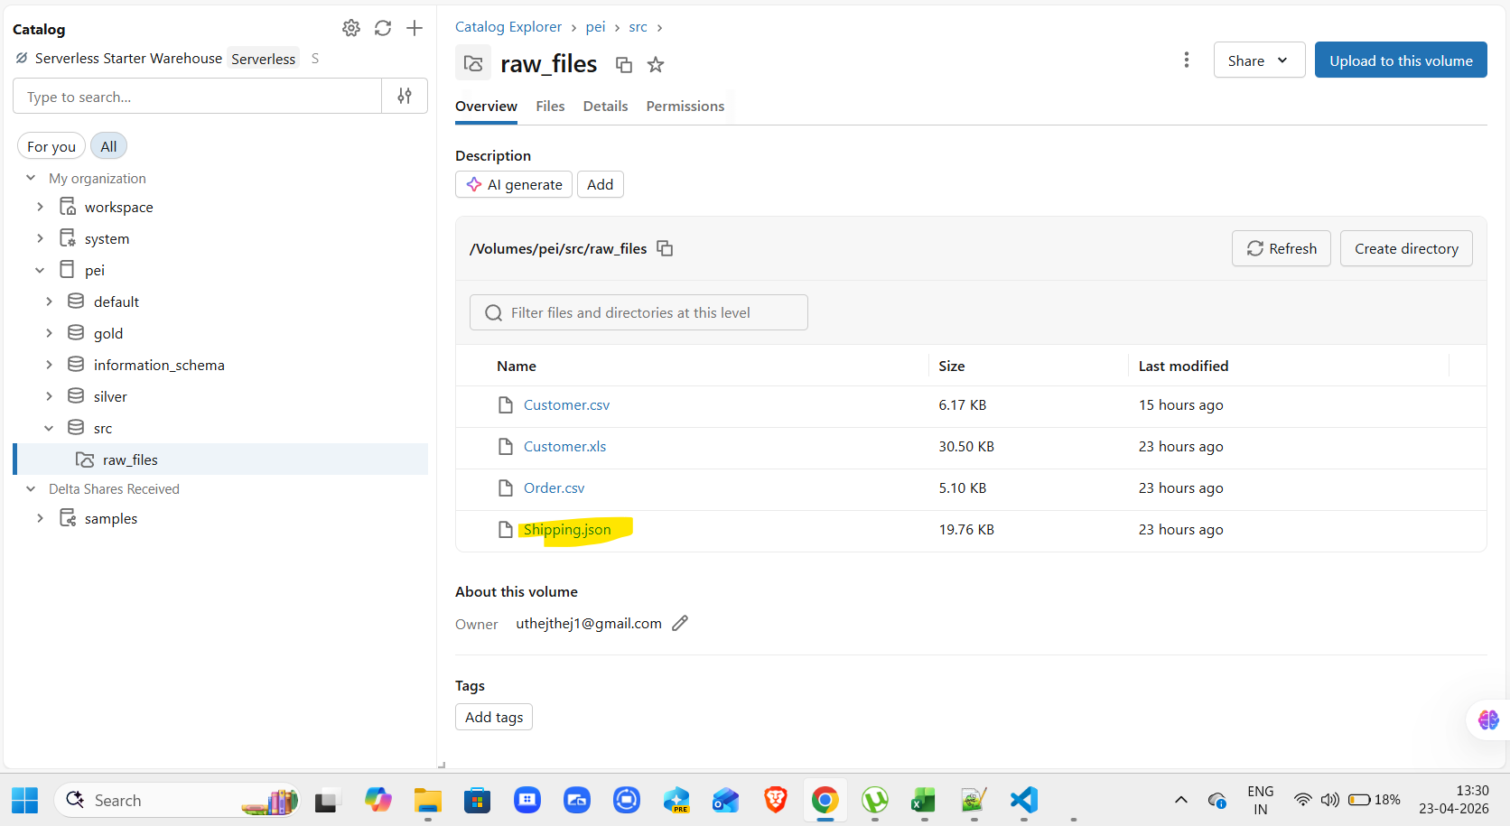

SHIP_TC02

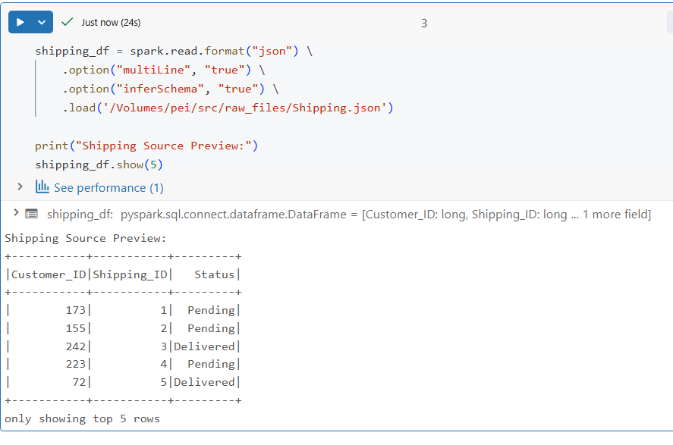

SHIP_TC03

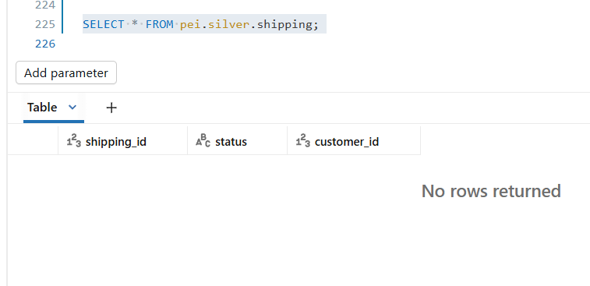

SHIP_TC04
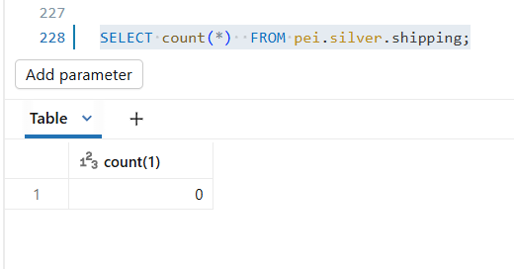

 | Post running workflow/job

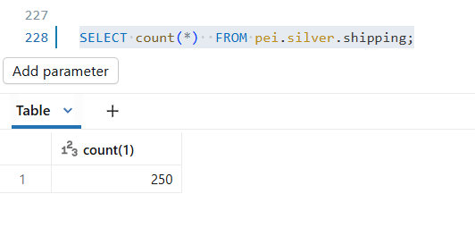

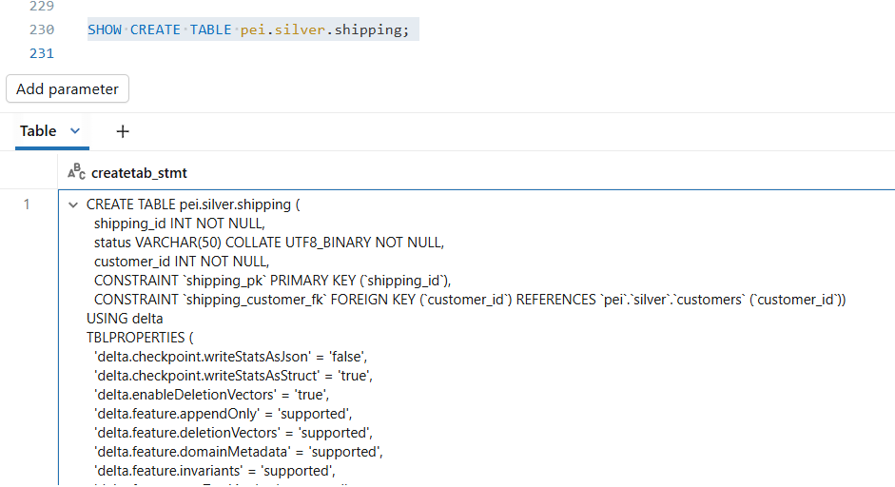
SHIP_TC05
SHIP_TC06
SHIP_TC07
SHIP_TC08



 | required metadata |  |  |  |  |  |  |  | actual metadata

 | Source_Column | Target_Column | Data_Type | Length | Nullable | Constraint |  |  | col_name | data_type | comment
 | Shipping_ID | shipping_id | INT |  | NOT NULL | PRIMARY KEY |  |  | shipping_id | int | null | TRUE
 | Status | status | VARCHAR | 50 | NOT NULL |  |  |  | status | varchar(50) | null | TRUE
 | Customer_ID | customer_id | INT |  | NOT NULL | FOREIGN KEY -> customers(customer_id) |  |  | customer_id | int | null | TRUE

 |  |  |  |  |  |  |  |  | CREATE TABLE pei.silver.shipping (
 |  |  |  |  |  |  |  |  | shipping_id INT NOT NULL,
 |  |  |  |  |  |  |  |  | status VARCHAR(50) COLLATE UTF8_BINARY NOT NULL,
 |  |  |  |  |  |  |  |  | customer_id INT NOT NULL,
 |  |  |  |  |  |  |  |  | CONSTRAINT `shipping_pk` PRIMARY KEY (`shipping_id`),
 |  |  |  |  |  |  |  |  | CONSTRAINT `shipping_customer_fk` FOREIGN KEY (`customer_id`) REFERENCES `pei`.`silver`.`customers` (`customer_id`))

SHIP_TC09

 | source file |  | total no of records : 250 |  |  |  |  |  |  | silver layer



SHIP_TC10



SHIP_TC11

SHIP_TC12



SHIP_TC13

SHIP_TC14



SHIP_TC15



SHIP_TC16



SHIP_TC17



SHIP_TC18
SHIP_TC20

 | source file data |  |  |  |  |  | table data |  |  |  |  |  | data comparision



 |  |  |  |  |  |  |  |  |  |  |  |  |  |  |  | 250 | 250 | 250
 | Shipping_ID | Status | Customer_ID |  |  |  | shipping_id | status | customer_id |  |  |  | TRUE | TRUE | TRUE
 | 1 | Pending | 173 |  |  |  | 1 | Pending | 173 |  |  |  | TRUE | TRUE | TRUE
 | 2 | Pending | 155 |  |  |  | 2 | Pending | 155 |  |  |  | TRUE | TRUE | TRUE
 | 3 | Delivered | 242 |  |  |  | 3 | Delivered | 242 |  |  |  | TRUE | TRUE | TRUE
 | 4 | Pending | 223 |  |  |  | 4 | Pending | 223 |  |  |  | TRUE | TRUE | TRUE
 | 5 | Delivered | 72 |  |  |  | 5 | Delivered | 72 |  |  |  | TRUE | TRUE | TRUE
 | 6 | Pending | 29 |  |  |  | 6 | Pending | 29 |  |  |  | TRUE | TRUE | TRUE
 | 7 | Pending | 236 |  |  |  | 7 | Pending | 236 |  |  |  | TRUE | TRUE | TRUE
 | 8 | Delivered | 193 |  |  |  | 8 | Delivered | 193 |  |  |  | TRUE | TRUE | TRUE
 | 9 | Pending | 199 |  |  |  | 9 | Pending | 199 |  |  |  | TRUE | TRUE | TRUE
 | 10 | Delivered | 17 |  |  |  | 10 | Delivered | 17 |  |  |  | TRUE | TRUE | TRUE
 | 11 | Pending | 157 |  |  |  | 11 | Pending | 157 |  |  |  | TRUE | TRUE | TRUE
 | 12 | Pending | 37 |  |  |  | 12 | Pending | 37 |  |  |  | TRUE | TRUE | TRUE
 | 13 | Delivered | 141 |  |  |  | 13 | Delivered | 141 |  |  |  | TRUE | TRUE | TRUE
 | 14 | Pending | 155 |  |  |  | 14 | Pending | 155 |  |  |  | TRUE | TRUE | TRUE
 | 15 | Delivered | 131 |  |  |  | 15 | Delivered | 131 |  |  |  | TRUE | TRUE | TRUE
 | 16 | Pending | 24 |  |  |  | 16 | Pending | 24 |  |  |  | TRUE | TRUE | TRUE
 | 17 | Pending | 186 |  |  |  | 17 | Pending | 186 |  |  |  | TRUE | TRUE | TRUE
 | 18 | Delivered | 177 |  |  |  | 18 | Delivered | 177 |  |  |  | TRUE | TRUE | TRUE
 | 19 | Pending | 129 |  |  |  | 19 | Pending | 129 |  |  |  | TRUE | TRUE | TRUE
 | 20 | Delivered | 6 |  |  |  | 20 | Delivered | 6 |  |  |  | TRUE | TRUE | TRUE
 | 21 | Pending | 193 |  |  |  | 21 | Pending | 193 |  |  |  | TRUE | TRUE | TRUE
 | 22 | Pending | 109 |  |  |  | 22 | Pending | 109 |  |  |  | TRUE | TRUE | TRUE
 | 23 | Delivered | 232 |  |  |  | 23 | Delivered | 232 |  |  |  | TRUE | TRUE | TRUE
 | 24 | Pending | 145 |  |  |  | 24 | Pending | 145 |  |  |  | TRUE | TRUE | TRUE
 | 25 | Delivered | 2 |  |  |  | 25 | Delivered | 2 |  |  |  | TRUE | TRUE | TRUE
 | 26 | Pending | 113 |  |  |  | 26 | Pending | 113 |  |  |  | TRUE | TRUE | TRUE
 | 27 | Pending | 58 |  |  |  | 27 | Pending | 58 |  |  |  | TRUE | TRUE | TRUE
 | 28 | Delivered | 93 |  |  |  | 28 | Delivered | 93 |  |  |  | TRUE | TRUE | TRUE
 | 29 | Pending | 182 |  |  |  | 29 | Pending | 182 |  |  |  | TRUE | TRUE | TRUE
 | 30 | Delivered | 205 |  |  |  | 30 | Delivered | 205 |  |  |  | TRUE | TRUE | TRUE
 | 31 | Pending | 161 |  |  |  | 31 | Pending | 161 |  |  |  | TRUE | TRUE | TRUE
 | 32 | Pending | 42 |  |  |  | 32 | Pending | 42 |  |  |  | TRUE | TRUE | TRUE
 | 33 | Delivered | 190 |  |  |  | 33 | Delivered | 190 |  |  |  | TRUE | TRUE | TRUE
 | 34 | Pending | 83 |  |  |  | 34 | Pending | 83 |  |  |  | TRUE | TRUE | TRUE
 | 35 | Delivered | 37 |  |  |  | 35 | Delivered | 37 |  |  |  | TRUE | TRUE | TRUE
 | 36 | Pending | 165 |  |  |  | 36 | Pending | 165 |  |  |  | TRUE | TRUE | TRUE
 | 37 | Pending | 137 |  |  |  | 37 | Pending | 137 |  |  |  | TRUE | TRUE | TRUE
 | 38 | Delivered | 245 |  |  |  | 38 | Delivered | 245 |  |  |  | TRUE | TRUE | TRUE
 | 39 | Pending | 54 |  |  |  | 39 | Pending | 54 |  |  |  | TRUE | TRUE | TRUE
 | 40 | Delivered | 11 |  |  |  | 40 | Delivered | 11 |  |  |  | TRUE | TRUE | TRUE
 | 41 | Pending | 111 |  |  |  | 41 | Pending | 111 |  |  |  | TRUE | TRUE | TRUE
 | 42 | Pending | 74 |  |  |  | 42 | Pending | 74 |  |  |  | TRUE | TRUE | TRUE
 | 43 | Delivered | 12 |  |  |  | 43 | Delivered | 12 |  |  |  | TRUE | TRUE | TRUE
 | 44 | Pending | 244 |  |  |  | 44 | Pending | 244 |  |  |  | TRUE | TRUE | TRUE
 | 45 | Delivered | 67 |  |  |  | 45 | Delivered | 67 |  |  |  | TRUE | TRUE | TRUE
 | 46 | Pending | 71 |  |  |  | 46 | Pending | 71 |  |  |  | TRUE | TRUE | TRUE
 | 47 | Pending | 185 |  |  |  | 47 | Pending | 185 |  |  |  | TRUE | TRUE | TRUE
 | 48 | Delivered | 175 |  |  |  | 48 | Delivered | 175 |  |  |  | TRUE | TRUE | TRUE
 | 49 | Pending | 9 |  |  |  | 49 | Pending | 9 |  |  |  | TRUE | TRUE | TRUE
 | 50 | Delivered | 189 |  |  |  | 50 | Delivered | 189 |  |  |  | TRUE | TRUE | TRUE
 | 51 | Pending | 91 |  |  |  | 51 | Pending | 91 |  |  |  | TRUE | TRUE | TRUE
 | 52 | Pending | 69 |  |  |  | 52 | Pending | 69 |  |  |  | TRUE | TRUE | TRUE
 | 53 | Delivered | 181 |  |  |  | 53 | Delivered | 181 |  |  |  | TRUE | TRUE | TRUE
 | 54 | Pending | 128 |  |  |  | 54 | Pending | 128 |  |  |  | TRUE | TRUE | TRUE
 | 55 | Delivered | 67 |  |  |  | 55 | Delivered | 67 |  |  |  | TRUE | TRUE | TRUE
 | 56 | Pending | 35 |  |  |  | 56 | Pending | 35 |  |  |  | TRUE | TRUE | TRUE
 | 57 | Pending | 30 |  |  |  | 57 | Pending | 30 |  |  |  | TRUE | TRUE | TRUE
 | 58 | Delivered | 156 |  |  |  | 58 | Delivered | 156 |  |  |  | TRUE | TRUE | TRUE
 | 59 | Pending | 30 |  |  |  | 59 | Pending | 30 |  |  |  | TRUE | TRUE | TRUE
 | 60 | Delivered | 119 |  |  |  | 60 | Delivered | 119 |  |  |  | TRUE | TRUE | TRUE
 | 61 | Pending | 68 |  |  |  | 61 | Pending | 68 |  |  |  | TRUE | TRUE | TRUE
 | 62 | Pending | 185 |  |  |  | 62 | Pending | 185 |  |  |  | TRUE | TRUE | TRUE
 | 63 | Delivered | 241 |  |  |  | 63 | Delivered | 241 |  |  |  | TRUE | TRUE | TRUE
 | 64 | Pending | 105 |  |  |  | 64 | Pending | 105 |  |  |  | TRUE | TRUE | TRUE
 | 65 | Delivered | 15 |  |  |  | 65 | Delivered | 15 |  |  |  | TRUE | TRUE | TRUE
 | 66 | Pending | 32 |  |  |  | 66 | Pending | 32 |  |  |  | TRUE | TRUE | TRUE
 | 67 | Pending | 112 |  |  |  | 67 | Pending | 112 |  |  |  | TRUE | TRUE | TRUE
 | 68 | Delivered | 232 |  |  |  | 68 | Delivered | 232 |  |  |  | TRUE | TRUE | TRUE
 | 69 | Pending | 86 |  |  |  | 69 | Pending | 86 |  |  |  | TRUE | TRUE | TRUE
 | 70 | Delivered | 137 |  |  |  | 70 | Delivered | 137 |  |  |  | TRUE | TRUE | TRUE
 | 71 | Pending | 195 |  |  |  | 71 | Pending | 195 |  |  |  | TRUE | TRUE | TRUE
 | 72 | Pending | 53 |  |  |  | 72 | Pending | 53 |  |  |  | TRUE | TRUE | TRUE
 | 73 | Delivered | 26 |  |  |  | 73 | Delivered | 26 |  |  |  | TRUE | TRUE | TRUE
 | 74 | Pending | 214 |  |  |  | 74 | Pending | 214 |  |  |  | TRUE | TRUE | TRUE
 | 75 | Delivered | 88 |  |  |  | 75 | Delivered | 88 |  |  |  | TRUE | TRUE | TRUE
 | 76 | Pending | 219 |  |  |  | 76 | Pending | 219 |  |  |  | TRUE | TRUE | TRUE
 | 77 | Pending | 22 |  |  |  | 77 | Pending | 22 |  |  |  | TRUE | TRUE | TRUE
 | 78 | Delivered | 112 |  |  |  | 78 | Delivered | 112 |  |  |  | TRUE | TRUE | TRUE
 | 79 | Pending | 204 |  |  |  | 79 | Pending | 204 |  |  |  | TRUE | TRUE | TRUE
 | 80 | Delivered | 24 |  |  |  | 80 | Delivered | 24 |  |  |  | TRUE | TRUE | TRUE
 | 81 | Pending | 49 |  |  |  | 81 | Pending | 49 |  |  |  | TRUE | TRUE | TRUE
 | 82 | Pending | 106 |  |  |  | 82 | Pending | 106 |  |  |  | TRUE | TRUE | TRUE
 | 83 | Delivered | 235 |  |  |  | 83 | Delivered | 235 |  |  |  | TRUE | TRUE | TRUE
 | 84 | Pending | 177 |  |  |  | 84 | Pending | 177 |  |  |  | TRUE | TRUE | TRUE
 | 85 | Delivered | 40 |  |  |  | 85 | Delivered | 40 |  |  |  | TRUE | TRUE | TRUE
 | 86 | Pending | 27 |  |  |  | 86 | Pending | 27 |  |  |  | TRUE | TRUE | TRUE
 | 87 | Pending | 58 |  |  |  | 87 | Pending | 58 |  |  |  | TRUE | TRUE | TRUE
 | 88 | Delivered | 199 |  |  |  | 88 | Delivered | 199 |  |  |  | TRUE | TRUE | TRUE
 | 89 | Pending | 66 |  |  |  | 89 | Pending | 66 |  |  |  | TRUE | TRUE | TRUE
 | 90 | Delivered | 28 |  |  |  | 90 | Delivered | 28 |  |  |  | TRUE | TRUE | TRUE
 | 91 | Pending | 3 |  |  |  | 91 | Pending | 3 |  |  |  | TRUE | TRUE | TRUE
 | 92 | Pending | 248 |  |  |  | 92 | Pending | 248 |  |  |  | TRUE | TRUE | TRUE
 | 93 | Delivered | 196 |  |  |  | 93 | Delivered | 196 |  |  |  | TRUE | TRUE | TRUE
 | 94 | Pending | 226 |  |  |  | 94 | Pending | 226 |  |  |  | TRUE | TRUE | TRUE
 | 95 | Delivered | 143 |  |  |  | 95 | Delivered | 143 |  |  |  | TRUE | TRUE | TRUE
 | 96 | Pending | 86 |  |  |  | 96 | Pending | 86 |  |  |  | TRUE | TRUE | TRUE
 | 97 | Pending | 48 |  |  |  | 97 | Pending | 48 |  |  |  | TRUE | TRUE | TRUE
 | 98 | Delivered | 160 |  |  |  | 98 | Delivered | 160 |  |  |  | TRUE | TRUE | TRUE
 | 99 | Pending | 106 |  |  |  | 99 | Pending | 106 |  |  |  | TRUE | TRUE | TRUE
 | 100 | Delivered | 218 |  |  |  | 100 | Delivered | 218 |  |  |  | TRUE | TRUE | TRUE
 | 101 | Pending | 228 |  |  |  | 101 | Pending | 228 |  |  |  | TRUE | TRUE | TRUE
 | 102 | Pending | 35 |  |  |  | 102 | Pending | 35 |  |  |  | TRUE | TRUE | TRUE
 | 103 | Delivered | 85 |  |  |  | 103 | Delivered | 85 |  |  |  | TRUE | TRUE | TRUE
 | 104 | Pending | 9 |  |  |  | 104 | Pending | 9 |  |  |  | TRUE | TRUE | TRUE
 | 105 | Delivered | 77 |  |  |  | 105 | Delivered | 77 |  |  |  | TRUE | TRUE | TRUE
 | 106 | Pending | 70 |  |  |  | 106 | Pending | 70 |  |  |  | TRUE | TRUE | TRUE
 | 107 | Pending | 135 |  |  |  | 107 | Pending | 135 |  |  |  | TRUE | TRUE | TRUE
 | 108 | Delivered | 161 |  |  |  | 108 | Delivered | 161 |  |  |  | TRUE | TRUE | TRUE
 | 109 | Pending | 150 |  |  |  | 109 | Pending | 150 |  |  |  | TRUE | TRUE | TRUE
 | 110 | Delivered | 56 |  |  |  | 110 | Delivered | 56 |  |  |  | TRUE | TRUE | TRUE
 | 111 | Pending | 234 |  |  |  | 111 | Pending | 234 |  |  |  | TRUE | TRUE | TRUE
 | 112 | Pending | 63 |  |  |  | 112 | Pending | 63 |  |  |  | TRUE | TRUE | TRUE
 | 113 | Delivered | 191 |  |  |  | 113 | Delivered | 191 |  |  |  | TRUE | TRUE | TRUE
 | 114 | Pending | 171 |  |  |  | 114 | Pending | 171 |  |  |  | TRUE | TRUE | TRUE
 | 115 | Delivered | 110 |  |  |  | 115 | Delivered | 110 |  |  |  | TRUE | TRUE | TRUE
 | 116 | Pending | 234 |  |  |  | 116 | Pending | 234 |  |  |  | TRUE | TRUE | TRUE
 | 117 | Pending | 246 |  |  |  | 117 | Pending | 246 |  |  |  | TRUE | TRUE | TRUE
 | 118 | Delivered | 173 |  |  |  | 118 | Delivered | 173 |  |  |  | TRUE | TRUE | TRUE
 | 119 | Pending | 21 |  |  |  | 119 | Pending | 21 |  |  |  | TRUE | TRUE | TRUE
 | 120 | Delivered | 104 |  |  |  | 120 | Delivered | 104 |  |  |  | TRUE | TRUE | TRUE
 | 121 | Pending | 216 |  |  |  | 121 | Pending | 216 |  |  |  | TRUE | TRUE | TRUE
 | 122 | Pending | 98 |  |  |  | 122 | Pending | 98 |  |  |  | TRUE | TRUE | TRUE
 | 123 | Delivered | 141 |  |  |  | 123 | Delivered | 141 |  |  |  | TRUE | TRUE | TRUE
 | 124 | Pending | 201 |  |  |  | 124 | Pending | 201 |  |  |  | TRUE | TRUE | TRUE
 | 125 | Delivered | 192 |  |  |  | 125 | Delivered | 192 |  |  |  | TRUE | TRUE | TRUE
 | 126 | Pending | 91 |  |  |  | 126 | Pending | 91 |  |  |  | TRUE | TRUE | TRUE
 | 127 | Pending | 50 |  |  |  | 127 | Pending | 50 |  |  |  | TRUE | TRUE | TRUE
 | 128 | Delivered | 40 |  |  |  | 128 | Delivered | 40 |  |  |  | TRUE | TRUE | TRUE
 | 129 | Pending | 72 |  |  |  | 129 | Pending | 72 |  |  |  | TRUE | TRUE | TRUE
 | 130 | Delivered | 128 |  |  |  | 130 | Delivered | 128 |  |  |  | TRUE | TRUE | TRUE
 | 131 | Pending | 90 |  |  |  | 131 | Pending | 90 |  |  |  | TRUE | TRUE | TRUE
 | 132 | Pending | 22 |  |  |  | 132 | Pending | 22 |  |  |  | TRUE | TRUE | TRUE
 | 133 | Delivered | 189 |  |  |  | 133 | Delivered | 189 |  |  |  | TRUE | TRUE | TRUE
 | 134 | Pending | 226 |  |  |  | 134 | Pending | 226 |  |  |  | TRUE | TRUE | TRUE
 | 135 | Delivered | 114 |  |  |  | 135 | Delivered | 114 |  |  |  | TRUE | TRUE | TRUE
 | 136 | Pending | 90 |  |  |  | 136 | Pending | 90 |  |  |  | TRUE | TRUE | TRUE
 | 137 | Pending | 69 |  |  |  | 137 | Pending | 69 |  |  |  | TRUE | TRUE | TRUE
 | 138 | Delivered | 100 |  |  |  | 138 | Delivered | 100 |  |  |  | TRUE | TRUE | TRUE
 | 139 | Pending | 47 |  |  |  | 139 | Pending | 47 |  |  |  | TRUE | TRUE | TRUE
 | 140 | Delivered | 129 |  |  |  | 140 | Delivered | 129 |  |  |  | TRUE | TRUE | TRUE
 | 141 | Pending | 26 |  |  |  | 141 | Pending | 26 |  |  |  | TRUE | TRUE | TRUE
 | 142 | Pending | 89 |  |  |  | 142 | Pending | 89 |  |  |  | TRUE | TRUE | TRUE
 | 143 | Delivered | 77 |  |  |  | 143 | Delivered | 77 |  |  |  | TRUE | TRUE | TRUE
 | 144 | Pending | 3 |  |  |  | 144 | Pending | 3 |  |  |  | TRUE | TRUE | TRUE
 | 145 | Delivered | 242 |  |  |  | 145 | Delivered | 242 |  |  |  | TRUE | TRUE | TRUE
 | 146 | Pending | 35 |  |  |  | 146 | Pending | 35 |  |  |  | TRUE | TRUE | TRUE
 | 147 | Pending | 195 |  |  |  | 147 | Pending | 195 |  |  |  | TRUE | TRUE | TRUE
 | 148 | Delivered | 15 |  |  |  | 148 | Delivered | 15 |  |  |  | TRUE | TRUE | TRUE
 | 149 | Pending | 117 |  |  |  | 149 | Pending | 117 |  |  |  | TRUE | TRUE | TRUE
 | 150 | Delivered | 78 |  |  |  | 150 | Delivered | 78 |  |  |  | TRUE | TRUE | TRUE
 | 151 | Pending | 106 |  |  |  | 151 | Pending | 106 |  |  |  | TRUE | TRUE | TRUE
 | 152 | Pending | 85 |  |  |  | 152 | Pending | 85 |  |  |  | TRUE | TRUE | TRUE
 | 153 | Delivered | 185 |  |  |  | 153 | Delivered | 185 |  |  |  | TRUE | TRUE | TRUE
 | 154 | Pending | 10 |  |  |  | 154 | Pending | 10 |  |  |  | TRUE | TRUE | TRUE
 | 155 | Delivered | 195 |  |  |  | 155 | Delivered | 195 |  |  |  | TRUE | TRUE | TRUE
 | 156 | Pending | 30 |  |  |  | 156 | Pending | 30 |  |  |  | TRUE | TRUE | TRUE
 | 157 | Pending | 15 |  |  |  | 157 | Pending | 15 |  |  |  | TRUE | TRUE | TRUE
 | 158 | Delivered | 118 |  |  |  | 158 | Delivered | 118 |  |  |  | TRUE | TRUE | TRUE
 | 159 | Pending | 87 |  |  |  | 159 | Pending | 87 |  |  |  | TRUE | TRUE | TRUE
 | 160 | Delivered | 23 |  |  |  | 160 | Delivered | 23 |  |  |  | TRUE | TRUE | TRUE
 | 161 | Pending | 128 |  |  |  | 161 | Pending | 128 |  |  |  | TRUE | TRUE | TRUE
 | 162 | Pending | 248 |  |  |  | 162 | Pending | 248 |  |  |  | TRUE | TRUE | TRUE
 | 163 | Delivered | 220 |  |  |  | 163 | Delivered | 220 |  |  |  | TRUE | TRUE | TRUE
 | 164 | Pending | 230 |  |  |  | 164 | Pending | 230 |  |  |  | TRUE | TRUE | TRUE
 | 165 | Delivered | 219 |  |  |  | 165 | Delivered | 219 |  |  |  | TRUE | TRUE | TRUE
 | 166 | Pending | 189 |  |  |  | 166 | Pending | 189 |  |  |  | TRUE | TRUE | TRUE
 | 167 | Pending | 185 |  |  |  | 167 | Pending | 185 |  |  |  | TRUE | TRUE | TRUE
 | 168 | Delivered | 9 |  |  |  | 168 | Delivered | 9 |  |  |  | TRUE | TRUE | TRUE
 | 169 | Pending | 133 |  |  |  | 169 | Pending | 133 |  |  |  | TRUE | TRUE | TRUE
 | 170 | Delivered | 224 |  |  |  | 170 | Delivered | 224 |  |  |  | TRUE | TRUE | TRUE
 | 171 | Pending | 215 |  |  |  | 171 | Pending | 215 |  |  |  | TRUE | TRUE | TRUE
 | 172 | Pending | 79 |  |  |  | 172 | Pending | 79 |  |  |  | TRUE | TRUE | TRUE
 | 173 | Delivered | 140 |  |  |  | 173 | Delivered | 140 |  |  |  | TRUE | TRUE | TRUE
 | 174 | Pending | 120 |  |  |  | 174 | Pending | 120 |  |  |  | TRUE | TRUE | TRUE
 | 175 | Delivered | 168 |  |  |  | 175 | Delivered | 168 |  |  |  | TRUE | TRUE | TRUE
 | 176 | Pending | 47 |  |  |  | 176 | Pending | 47 |  |  |  | TRUE | TRUE | TRUE
 | 177 | Pending | 143 |  |  |  | 177 | Pending | 143 |  |  |  | TRUE | TRUE | TRUE
 | 178 | Delivered | 140 |  |  |  | 178 | Delivered | 140 |  |  |  | TRUE | TRUE | TRUE
 | 179 | Pending | 27 |  |  |  | 179 | Pending | 27 |  |  |  | TRUE | TRUE | TRUE
 | 180 | Delivered | 35 |  |  |  | 180 | Delivered | 35 |  |  |  | TRUE | TRUE | TRUE
 | 181 | Pending | 194 |  |  |  | 181 | Pending | 194 |  |  |  | TRUE | TRUE | TRUE
 | 182 | Pending | 170 |  |  |  | 182 | Pending | 170 |  |  |  | TRUE | TRUE | TRUE
 | 183 | Delivered | 12 |  |  |  | 183 | Delivered | 12 |  |  |  | TRUE | TRUE | TRUE
 | 184 | Pending | 189 |  |  |  | 184 | Pending | 189 |  |  |  | TRUE | TRUE | TRUE
 | 185 | Delivered | 236 |  |  |  | 185 | Delivered | 236 |  |  |  | TRUE | TRUE | TRUE
 | 186 | Pending | 103 |  |  |  | 186 | Pending | 103 |  |  |  | TRUE | TRUE | TRUE
 | 187 | Pending | 100 |  |  |  | 187 | Pending | 100 |  |  |  | TRUE | TRUE | TRUE
 | 188 | Delivered | 137 |  |  |  | 188 | Delivered | 137 |  |  |  | TRUE | TRUE | TRUE
 | 189 | Pending | 157 |  |  |  | 189 | Pending | 157 |  |  |  | TRUE | TRUE | TRUE
 | 190 | Delivered | 154 |  |  |  | 190 | Delivered | 154 |  |  |  | TRUE | TRUE | TRUE
 | 191 | Pending | 158 |  |  |  | 191 | Pending | 158 |  |  |  | TRUE | TRUE | TRUE
 | 192 | Pending | 67 |  |  |  | 192 | Pending | 67 |  |  |  | TRUE | TRUE | TRUE
 | 193 | Delivered | 205 |  |  |  | 193 | Delivered | 205 |  |  |  | TRUE | TRUE | TRUE
 | 194 | Pending | 38 |  |  |  | 194 | Pending | 38 |  |  |  | TRUE | TRUE | TRUE
 | 195 | Delivered | 229 |  |  |  | 195 | Delivered | 229 |  |  |  | TRUE | TRUE | TRUE
 | 196 | Pending | 151 |  |  |  | 196 | Pending | 151 |  |  |  | TRUE | TRUE | TRUE
 | 197 | Pending | 1 |  |  |  | 197 | Pending | 1 |  |  |  | TRUE | TRUE | TRUE
 | 198 | Delivered | 100 |  |  |  | 198 | Delivered | 100 |  |  |  | TRUE | TRUE | TRUE
 | 199 | Pending | 38 |  |  |  | 199 | Pending | 38 |  |  |  | TRUE | TRUE | TRUE
 | 200 | Delivered | 8 |  |  |  | 200 | Delivered | 8 |  |  |  | TRUE | TRUE | TRUE
 | 201 | Pending | 209 |  |  |  | 201 | Pending | 209 |  |  |  | TRUE | TRUE | TRUE
 | 202 | Pending | 156 |  |  |  | 202 | Pending | 156 |  |  |  | TRUE | TRUE | TRUE
...
 | 248 | Delivered | 37 |  |  |  | 248 | Delivered | 37
 | 249 | Pending | 55 |  |  |  | 249 | Pending | 55
 | 250 | Delivered | 27 |  |  |  | 250 | Delivered | 27

SHIP_TC19

