REQ1_test_execution
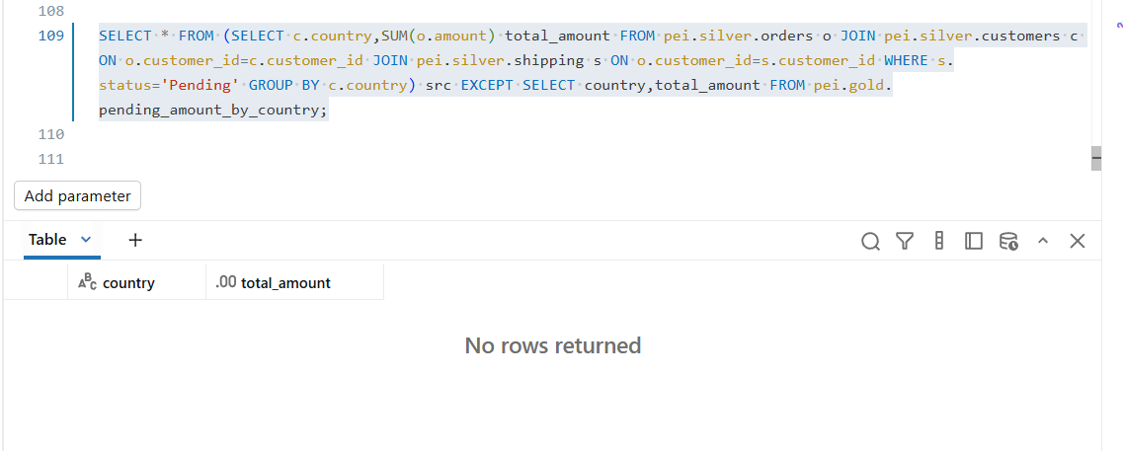
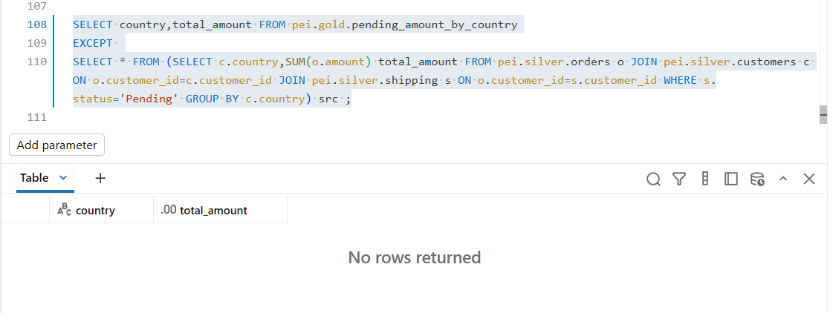
REQ1_TC01

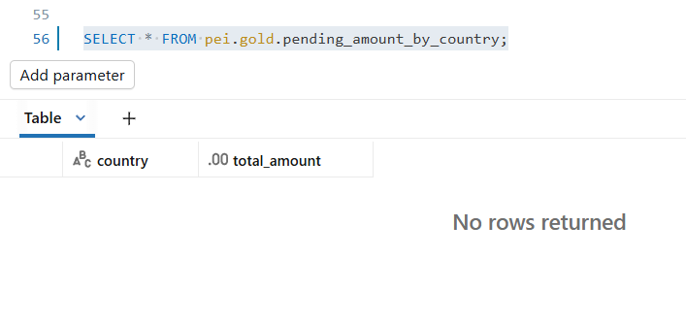

REQ1_TC02
REQ1_TC03
REQ1_TC04
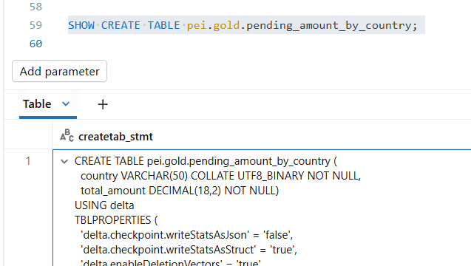
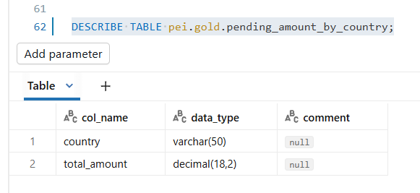
REQ1_TC05

 | required metadata |  |  |  |  |  |  | actual metadata

 | Source_Table | Source_Column | Target_Table | Target_Column | Data_Type | Length | Nullable | col_name | data_type | comment
 | customers | country | pending_amount_by_country | country | VARCHAR | 50 | NOT NULL | country | varchar(50) | null | TRUE | CREATE TABLE pei.gold.pending_amount_by_country (
 | orders | amount | pending_amount_by_country | total_amount | DECIMAL | 18,2 | NOT NULL | total_amount | decimal(18 2) | null | TRUE | country VARCHAR(50) COLLATE UTF8_BINARY NOT NULL,
 |  |  |  |  |  |  |  |  |  |  |  | total_amount DECIMAL(18,2) NOT NULL)
 |  |  |  |  |  |  |  |  |  |  |  | USING delta
 |  |  |  |  |  |  |  |  |  |  |  | TBLPROPERTIES (

REQ1_TC06

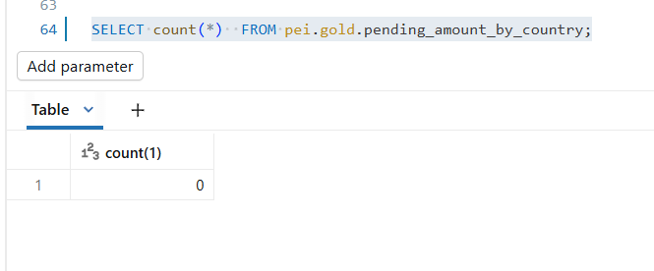

 | Post running workflow/job

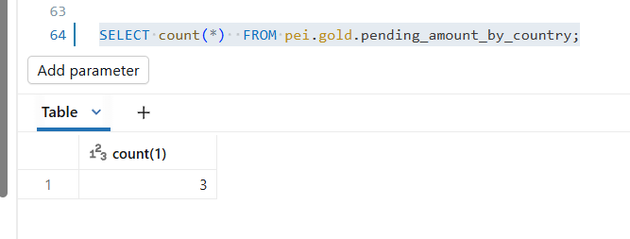

REQ1_TC07

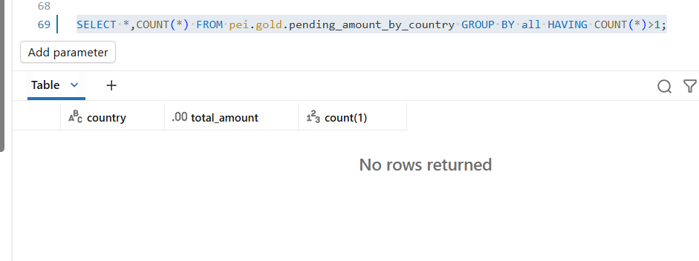

REQ1_TC08

REQ1_TC09

REQ1_TC10
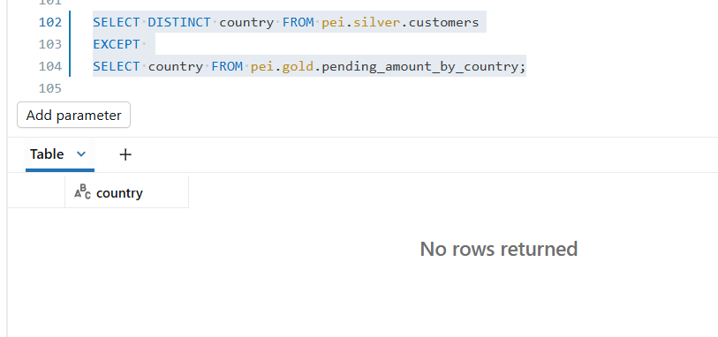

REQ1_TC11

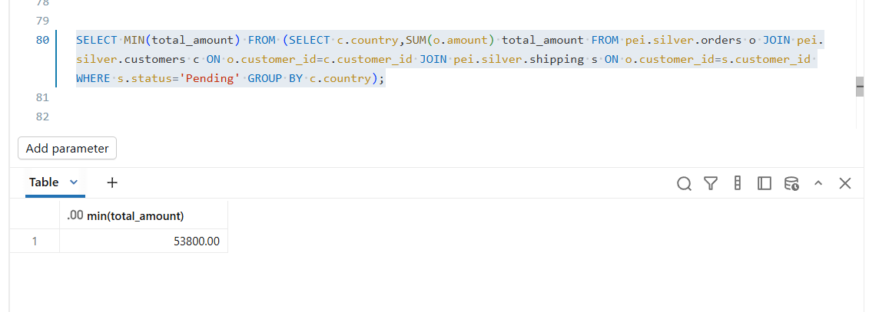

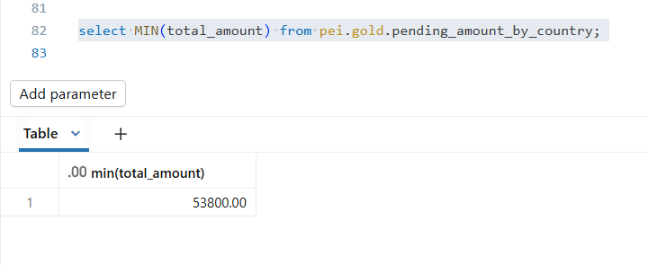

REQ1_TC12

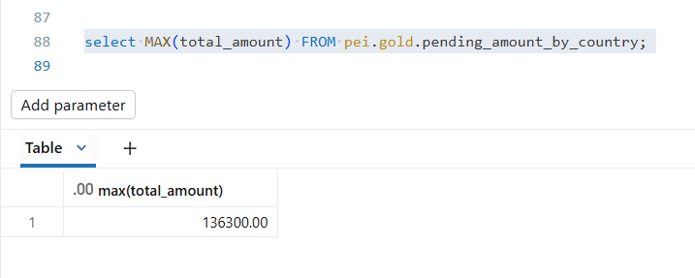

REQ1_TC13

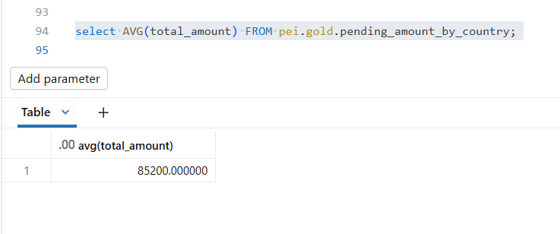

REQ1_TC14

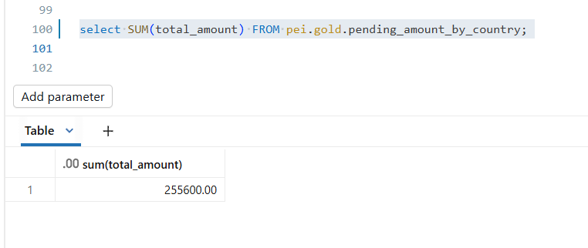

REQ1_TC15

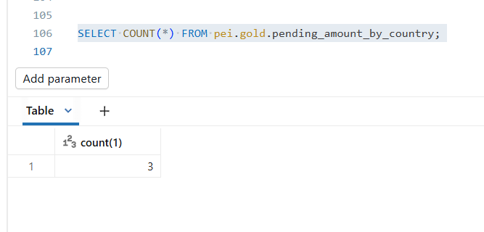

REQ1_TC16

REQ2_test_execution
REQ2_TC01

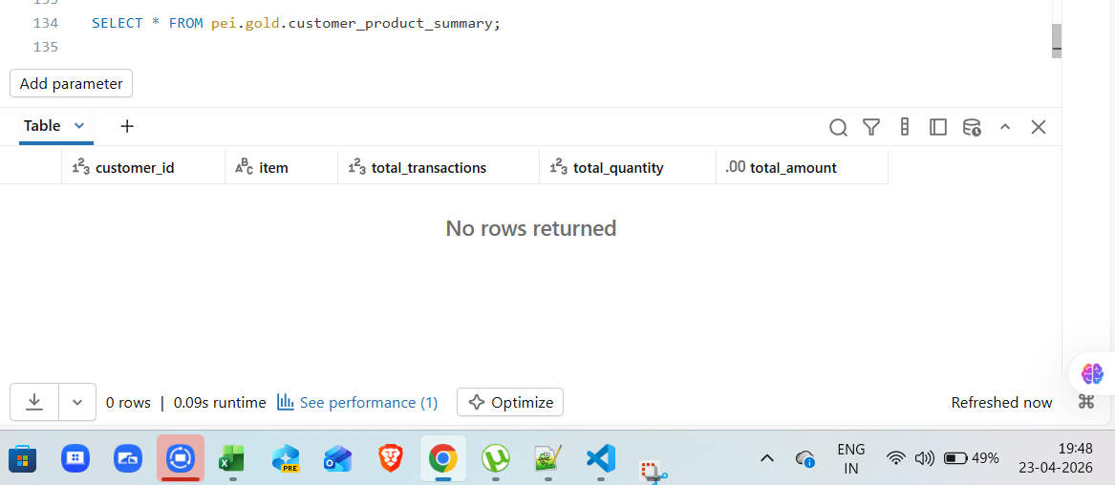

REQ2_TC02
REQ2_TC03
REQ2_TC04
REQ2_TC05
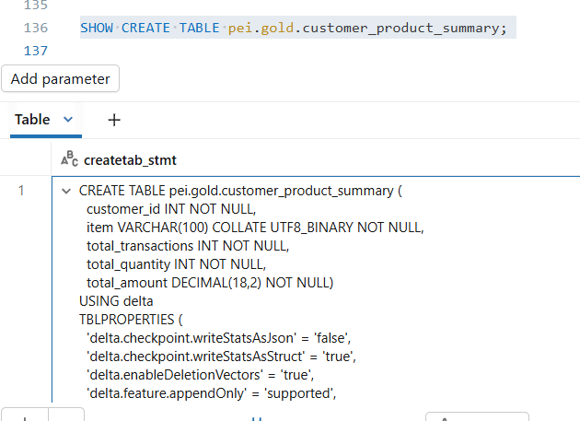
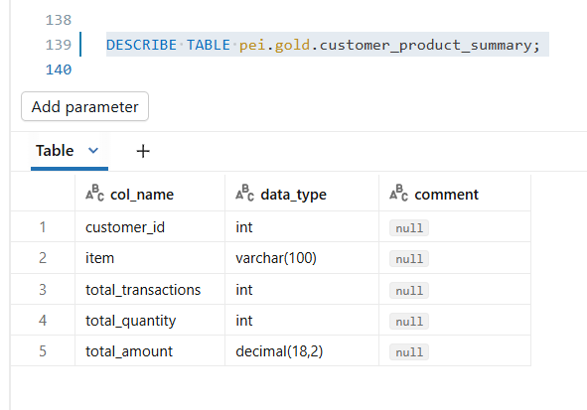

 | required metadata |  |  |  |  |  |  | actual metadata

 | Source_Table | Source_Column | Target_Table | Target_Column | Data_Type | Length | Nullable | col_name | data_type | comment
 | orders | customer_id | customer_product_summary | customer_id | INT |  | NOT NULL | customer_id | int | null | TRUE | CREATE TABLE pei.gold.customer_product_summary (
 | orders | item | customer_product_summary | item | VARCHAR | 100 | NOT NULL | item | varchar(100) | null | TRUE | customer_id INT NOT NULL,
 | orders | order_id | customer_product_summary | total_transactions | INT |  | NOT NULL | total_transactions | int | null | TRUE | item VARCHAR(100) COLLATE UTF8_BINARY NOT NULL,
 | orders | item | customer_product_summary | total_quantity | INT |  | NOT NULL | total_quantity | int | null | TRUE | total_transactions INT NOT NULL,
 | orders | amount | customer_product_summary | total_amount | DECIMAL | 18,2 | NOT NULL | total_amount | decimal(18 2) | null | TRUE | total_quantity INT NOT NULL,
 |  |  |  |  |  |  |  |  |  |  |  | total_amount DECIMAL(18,2) NOT NULL)
 |  |  |  |  |  |  |  |  |  |  |  | USING delta

REQ2_TC06

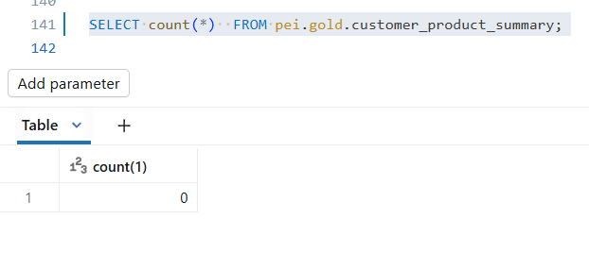

 | Post running workflow/job

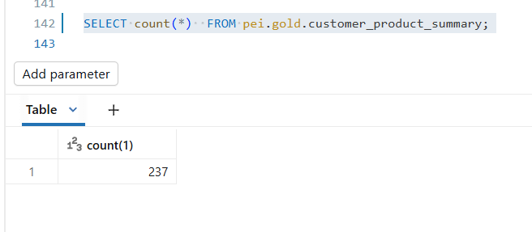

REQ2_TC07

REQ2_TC08

REQ2_TC09

REQ2_TC10

REQ2_TC11

REQ2_TC12

REQ2_TC13

REQ2_TC14

REQ2_TC15

REQ2_TC16

