Sheet2
Total Sales
62.582 k
Avg Sales
62.582 k

agenda
DASHBOARD

INTERACTIVE

Chart / Viz

Imp KPIs

Visual heirarchy / aesthetics

Layout

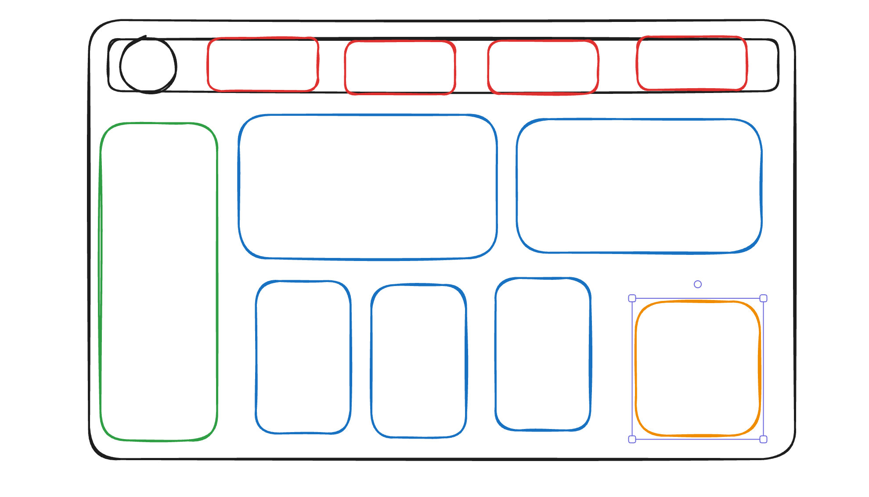

62582 | 62.582 k

Sum of Sales | Count of Item Identifier | Average of Sales | Average of Rating
1201681.4928 | 8523 | 140.99278339 | 3.9209198639

1.2017 M | 8.52 K | 140.99278339 | 3.92

Sheet3
