Sheet2
 | Student Id | Name | Course | Phn Num
 | 1201 | Jennifer | Bsc Phy | Fake num 1
 | 1202 | Shyaam | Bsc Chem | Fake num 2
 | 1203 | Meena | Ba History | Fake num 3 |  | MBA HR
 | 1204 | Arjun | MBA HR | Fake num 4
 | 1205 | Dolly | Ba Soci | Fake num 5
 | 1206 | Sonam | MBA Ops | Fake num 6

ROW

 | 18 | =ROW()
 | 16 | =ROW(B16)

COLUMN

 | 3 | =COLUMN()
 | 2 | =COLUMN(B22)

ROWS

 | 2 | =ROWS(D27:E28)

COLUMNS

 | 6 | =COLUMNS(A31:F31)

INDEX

mango | 1
banana | 2 |  | what value is at 3rd Index
apple | 3 |  | apple | =INDEX(B45:B50,3)
orange | 4
grapes | 5
pear | 6

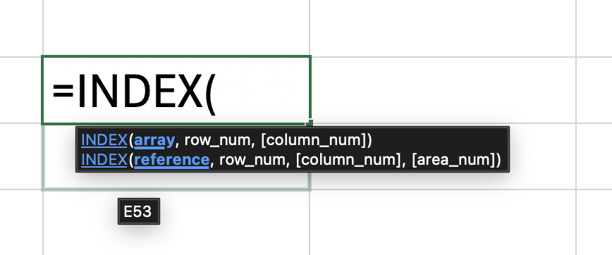

MATCH

 | mango
 | banana
 | apple |  | 4 | =MATCH("orange",C71:C76,0)
 | orange
 | grapes
 | pear

 |  |  |  |  | JUST LESS THAN THE LOOKUP VALUE

 | 1
 | 3 |  | #N/A | =MATCH(6,C80:C85,0)
 | 5 |  | 3 | =MATCH(6,C80:C85,1)
 | 8
 | 10 |  |  |  | JUST GREATER THAN LOOKUP VALUE
 | 22

 | LESS THAN |  | ARRAY must be in ASCENDING order

 | GREATER THAN |  | ARRAY must be in DESCENDING order

INDEX+MATCH

 |  | Groc A | Groc B | Groc C
 | Sugar | 2 | 10 | 15
 | Salt | 10 | 12 | 17
 | Pepper | 20 | 20 | 20
 | Soap | 6 | 4 | 8
 | Shampoo | 2 | 3 | 5

 |  | ITEM | GROC
 |  | Sugar | Groc B

 |  | PRICE | 10
 | =INDEX(D103:F107,MATCH(D110,C103:C107,0),MATCH(E110,D102:F102,0))

 | row num of item |  | 1
 | col of groc |  | 2

