agenda
Agenda

Percentile |  | Percentage

Relative |  | Absolute
% version of Rank |  | Out of 100

0 | 25 | 50 | 75 | 100
Min | 1st Quartile | Median | 3rd Quartile | Max
 | Q1 | Q2 | Q3

Population VS Sample

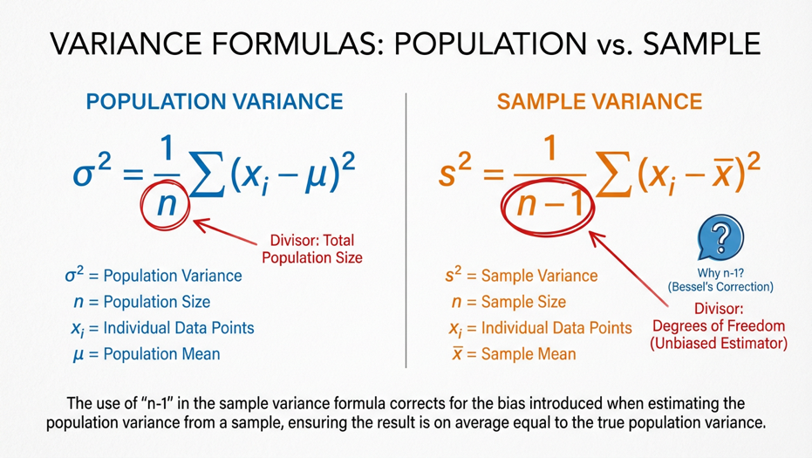

Population |  |  | Sample

var.P |  | var.S

OUTLIERS

 | Any value that does not follow the general trend

outlier
 |  | Person | Sal
 |  | p1 | 10000
 |  | p2 | 12000
 |  | p3 | 15000 |  | 169600
 |  | p4 | 800000
 |  | p5 | 11000

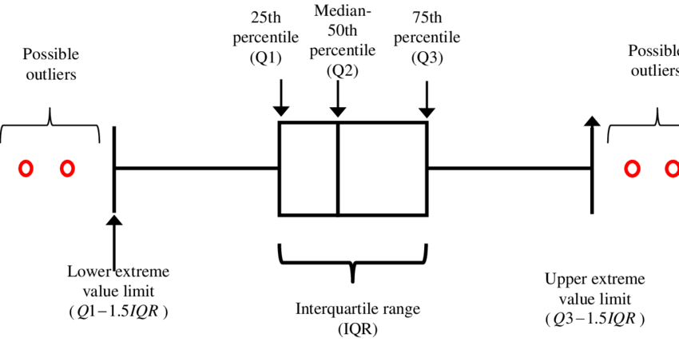

 | Any vlaue in the data is Outlier
 | when

 | value > q3 + 1.5 * (IQR) |  | UB
 | value < q1 - 1.5 * (IQR) |  | LB

13 |  | Min | 32 |  |  | 13
19 |  | 1st Quartile | 60.25 | Q1 |  | 19
20 |  | Median | 88.5 | Q2 |  | 20
22 |  | 3rd Quartile | 127.25 | Q3 |  | 22
32 |  | Max | 14007 |  |  | 32
39 |  |  |  |  |  | 39
57 |  | IQR | 67 |  |  | 57
58 |  |  |  |  |  | 58
61 |  |  |  |  |  | 61
72 |  | LB | -40.25 |  |  | 72
81 |  |  | 227.75 |  |  | 81
84 |  | UB |  |  |  | 84
93 |  |  |  |  |  | 93
97 |  |  |  |  |  | 97
121 |  |  |  |  |  | 121
126 |  |  |  |  |  | 126
131 |  |  |  |  |  | 131
135 |  |  |  |  |  | 135
137 |  |  |  |  |  | 137
14007 |  |  |  |  |  | 14007

regression
 |  | =5+1.8*B3+NORM.INV(RAND(),0,1)
 | Adv ( in LAKHS INR) | Sales ( in LAKHS INR)
 | 2.04 | 9.25
 | 2.38 | 9.48
 | 4.82 | 13.87 |  |  |  |  |  |  |  | SALES = 1.81*Adv + 4.24
 | 4.76 | 13.15
 | 4.09 | 11.32
 | 6.64 | 16.13
 | 3.20 | 10.79
 | 6.49 | 16.85
 | 7.86 | 18.30
 | 6.57 | 17.00
 | 6.01 | 15.07
 | 2.64 | 8.52
 | 1.98 | 8.14
 | 4.92 | 13.53
 | 4.06 | 11.79
 | 5.00 | 16.07
 | 6.12 | 15.80
 | 3.07 | 10.51 |  | SUMMARY OUTPUT
 | 7.73 | 19.08
 | 1.47 | 7.12 |  | Regression Statistics
 | 5.69 | 14.32 |  | Multiple R | 0.97276214925
 | 4.90 | 13.13 |  | R Square | 0.94626619901
 | 4.67 | 13.45 |  | Adjusted R Square | 0.94434713469
 | 4.18 | 13.09 |  | Standard Error | 0.84963837272
 | 3.94 | 11.52 |  | Observations | 30
 | 0.27 | 5.56
 | 5.22 | 16.08 |  | ANOVA
 | 1.20 | 8.12 |  |  | df | SS | MS | F | Significance F
 | 6.25 | 14.87 |  | Regression | 1 | 355.95248811 | 355.95248811 | 493.08727628 | 2.5652220952E-19
 | 0.52 | 4.69 |  | Residual | 28 | 20.212790203 | 0.72188536439
 |  |  |  | Total | 29 | 376.16527832

 |  |  |  |  | Coefficients | Standard Error | t Stat | P-value | Lower 95% | Upper 95% | Lower 99.0% | Upper 99.0%
 |  |  |  | Intercept | 5.5047389795 | 0.36383983771 | 15.129566389 | 5.2627672092E-15 | 4.7594468574 | 6.2500311015 | 4.4993540161 | 6.5101239428
 |  |  |  | Adv ( in LAKHS INR) | 1.7035412847 | 0.076716850461 | 22.205568587 | 2.5652220952E-19 | 1.5463939403 | 1.8606886291 | 1.4915524921 | 1.9155300773

 |  | =5+1.8*B44+0.5*A44+NORM.S.INV(RAND())

f1 | Adv ( in LAKHS INR) | Sales ( in LAKHS INR)
23 | 2.04 | 20.49 |  | SUMMARY OUTPUT
38 | 2.38 | 27.57
26 | 4.82 | 26.58 |  | Regression Statistics
-8 | 4.76 | 7.54 |  | Multiple R | 0.9965217822
36 | 4.09 | 29.27 |  | R Square | 0.99305566239
25 | 6.64 | 29.56 |  | Adjusted R Square | 0.99254126702
8 | 3.20 | 14.55 |  | Standard Error | 0.79231991074
11 | 6.49 | 22.39 |  | Observations | 30
28 | 7.86 | 32.10
11 | 6.57 | 21.52 |  | ANOVA |  | ENTIRE MODEL
38 | 6.01 | 35.26 |  |  | df | SS | MS | F | Significance F
24 | 2.64 | 21.48 |  | Regression | 2 | 2423.8607684 | 1211.9303842 | 1930.5299086 | 7.2780687736E-30
1 | 1.98 | 7.89 |  | Residual | 27 | 16.949812706 | 0.62777084096
12 | 4.92 | 20.41 |  | Total | 29 | 2440.8105811
10 | 4.06 | 17.48 |  |  | INDIVIDUAL VARIABLES
16 | 5.00 | 21.79 |  |  | Coefficients | Standard Error | t Stat | P-value | Lower 95% | Upper 95% | Lower 99.0% | Upper 99.0%
-6 | 6.12 | 13.00 |  | Intercept | 4.72 | 0.35211305573 | 13.41292367 | 1.8656905771E-13 | 4.0003892269 | 5.4453418529 | 3.7472718974 | 5.6984591824
35 | 3.07 | 27.53 |  | f1 | 0.49 | 0.0096159727284 | 51.438664652 | 1.7512757703E-28 | 0.47490245019 | 0.51436314276 | 0.46798998472 | 0.52127560823
-7 | 7.73 | 16.79 |  | Adv ( in LAKHS INR) | 1.84 | 0.07265094718 | 25.370537456 | 2.2705262296E-20 | 1.6941261461 | 1.9922610071 | 1.6419008355 | 2.0444863178
6 | 1.47 | 9.80
10 | 5.69 | 20.35
37 | 4.90 | 32.36
-8 | 4.67 | 9.06
18 | 4.18 | 21.98
31 | 3.94 | 27.64
1 | 0.27 | 4.66
23 | 5.22 | 26.65
-6 | 1.20 | 5.17
34 | 6.25 | 32.22
-4 | 0.52 | 4.82

 |  | =5+1.8*B84+NORM.S.INV(RAND())

f1 | Adv ( in LAKHS INR) | Sales ( in LAKHS INR)
23 | 2.04 | 7.53 | SUMMARY OUTPUT
38 | 2.38 | 9.44
26 | 4.82 | 12.47 | Regression Statistics
-8 | 4.76 | 14.30 | Multiple R | 0.96174906623
36 | 4.09 | 10.54 | R Square | 0.92496126639
25 | 6.64 | 17.96 | Adjusted R Square | 0.91940284168
8 | 3.20 | 11.18 | Standard Error | 1.1452601221
11 | 6.49 | 16.21 | Observations | 30
28 | 7.86 | 18.86
11 | 6.57 | 20.63 | ANOVA
38 | 6.01 | 15.77 |  | df | SS | MS | F | Significance F
24 | 2.64 | 9.93 | Regression | 2 | 436.52597649 | 218.26298824 | 166.40708733 | 6.5517029216E-16
1 | 1.98 | 7.22 | Residual | 27 | 35.413760178 | 1.3116207473
12 | 4.92 | 15.62 | Total | 29 | 471.93973667
10 | 4.06 | 12.51
16 | 5.00 | 13.78 |  | Coefficients | Standard Error | t Stat | P-value | Lower 95% | Upper 95% | Lower 99.0% | Upper 99.0%
-6 | 6.12 | 14.54 | Intercept | 4.8844825767 | 0.50896239732 | 9.59694194 | 0% | 3.8401779982 | 5.9287871553 | 3.4743091367 | 6.2946560168
35 | 3.07 | 10.60 | f1 | -0.014222355232 | 0.013899423644 | -1.0232334517 | 32% | -0.042741616827 | 0.014296906363 | -0.052733251437 | 0.024288540973
-7 | 7.73 | 19.87 | Adv ( in LAKHS INR) | 1.9022595348 | 0.10501343146 | 18.1144403 | 0% | 1.6867897715 | 2.1177292982 | 1.61130061 | 2.1932184597
6 | 1.47 | 8.12
10 | 5.69 | 14.47
37 | 4.90 | 13.66
-8 | 4.67 | 13.23
18 | 4.18 | 13.45
31 | 3.94 | 11.09
1 | 0.27 | 4.71
23 | 5.22 | 14.78
-6 | 1.20 | 7.54
34 | 6.25 | 17.13
-4 | 0.52 | 7.63

percentile
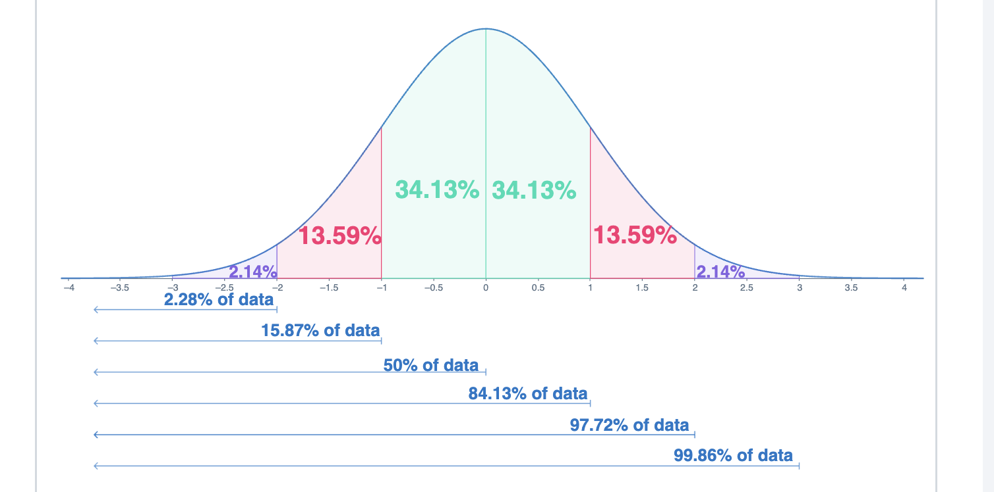
Percentile

% of Data / Obs / people / data points
behind you

57
61
131 | 137.5
135 | =PERCENTILE(B9:B28,95%)
20
126
58 | Link b/w Median & Percentile
32
97
137 | MEDIAN
19
147 | Middle of the sorted data
72
121
22
39 | Min | Max
84 | 13.00 | 147.00
81 | =MIN(B9:B28) | =MAX(B9:B28)
93
13 | 13 | 147
 | =PERCENTILE(B9:B28,0%) | =PERCENTILE(B9:B28,100%)

 | 0 | 25 | 50 | 75 | 100
 | Min | 1st Quartile | Median | 3rd Quartile | Max

Quartiles

 | in multiple of 25

57
61
131
135
20
126
58
32
97
137
19
147
72
121
22
39
84
81
93
13

13
19 | Min | 13
20 | 1st Quartile | 37.25
22 | Median | 76.5
32 | 3rd Quartile | 122.25
39 | Max | 147
57
58
61
72
81
84
93
97
121
126
131
135
137
147

