Sheet2
 | DATA TYPE
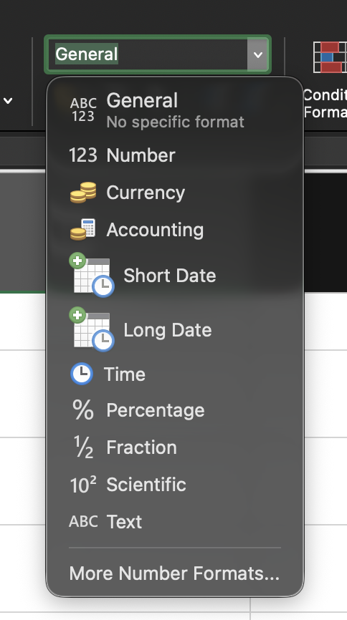

 | Number |  | 7448483.00

 |  | 377373 |  | 377,373.00
 |  | 38383.939 |  | 38,383.94
 |  | 8383.833 |  | 8,383.83
 |  | 8383.3999 |  | 8,383.40

 | Currency & Acc

 | Monetory values

 |  | ₹2.00 | £2.00 | $5.00

 | ₹377,373.00 |  | ₹377,373.00
 | ₹38,383.94 |  | ₹38,383.94
 | -₹5.00 |  | ₹(5.00)
 | ₹0.00 |  | ₹-

MM DD YYYY

DD MM YYYY

 | 1 | 1-Jan-00

 | 1901-01-01 | 3456.00

 | 1 | 1-Jan-00
 | 2 | 2-Jan-00

 | 46198.00 | 2026-06-25

 | Dates are stored independent to their Writing format

Short Date |  | Date, Month n Year

Long Date |  | Date Month Year and Day

 | 1 | 1900-01-01
 | 2 | 1900-01-02

 | 46198.00 | 2026-06-25

Time

 | hh mm ss | 0.1
 |  | 0.22
 | hh | 0 | start
 | hh-mm | 1 | end

 | 12 noon

 | 0 | 0:00:00
 | 1 | 1900-01-01 00:00:00
 | 0.5 | 12:00:00
 | 0.75 | 18:00:00
 | 0.25 | 6:00:00
 | 0.443 | 10:37:55

% |  | Frac |  | Scien

per cent |  |  |  | 10^ something..
per 100
out of 100 |  |  |  | 9E-11
 |  |  |  | 9 - 10 to power - (-11)
 |  |  |  | E: 10 raised to power
0.05 |  | 0.05 |  | 8383838383838
5.00% |  | 0.05

 |  |  |  | Very Large or small

 |  |  |  | 7373737733737

 |  |  | 233
 |  |  | 2.33 * 10^2

TEXT

 | String

 | Any combination of characters

