DATE
 | TODAY

 | 2026-08-25 | =TODAY()

 | 2024-01-26 | 45317

 | 2024 | 2024
 | =YEAR($C$11) | =YEAR(45317)

 | 1 | 1
 | =MONTH(C11) | =MONTH(45317)

 | 26 | 26
 | =DAY($C$11) | =DAY(45317)

 | DATE
 |  | YEAR
 |  | MONTH
 |  | DAY

 | 2002-11-13
 | =DATE(2002,11,13)

 | DATEVALUE

 | 37734 | =DATEVALUE("23/04/2003")

EOMONTH

START DATE |  | 2003-06-30
2003-02-08 |  | =EOMONTH(B45,4)

EDATE

START DATE |  | 2003-06-08
2003-02-08 |  | =EDATE(B51,4)

2025-02-19 |  | 3
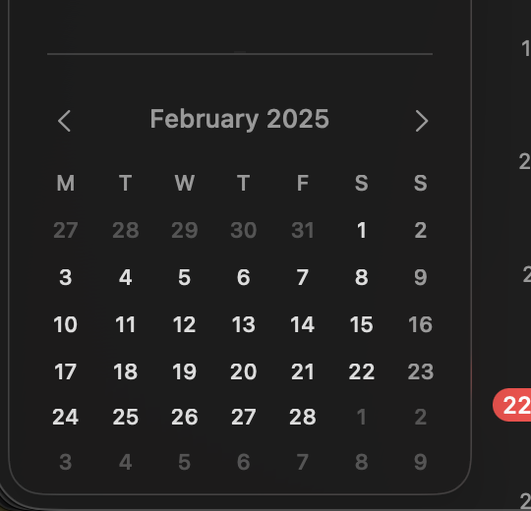

WEEKNUM |  | https://support.microsoft.com/en-us/excel/functions/weeknum-function

2025-02-19 |  | Which week is going on?
2026-08-25

 | 35

DOB | TODAY
2026-04-21 | 2026-08-25

17 | 35

18

start date | end date |  | 20
2024-12-04 | 2026-08-25 |  | =DATEDIF(B90,C90,"M")

 | "Y": Complete years between the two dates.
 | "M": Complete months between the two dates.
 | "D": Total number of days between the dates.
 | "YM": Remaining months after full years have been subtracted.
 | "YD": Remaining days assuming the start and end dates are in the same year

 | https://support.microsoft.com/en-us/excel/functions/datedif-function

