Sheet1
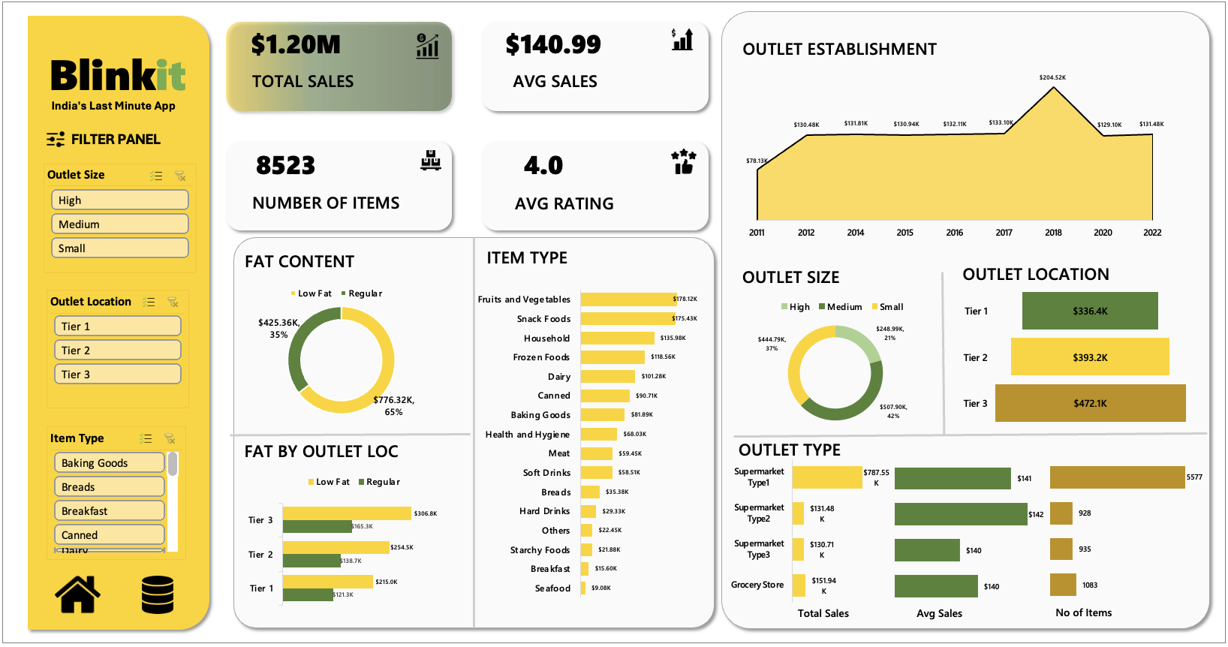

 | 87000
sjjs

 | ₹ 87.00K

Sheet2
BLINKIT SALES DASHBOARD

TOTAL SALES
PROFIT MARGIN %

87000
₹ 87.00K

