agenda
DATA Validation

VALIDATION |  | To cross Check |  | Ok or NOT??

Data Validation |  | Validating( cross checking) the data before that goes as an input to a formula or an expression

WHY it is imp |  |  | 5 | 2

 | IFERROR

 |  | 2.5 | =IFERROR(E11/F11,-1000000)

 | Name | Age | Dob
 |  | twelve
 |  | 12
 |  | 13
 |  | -100

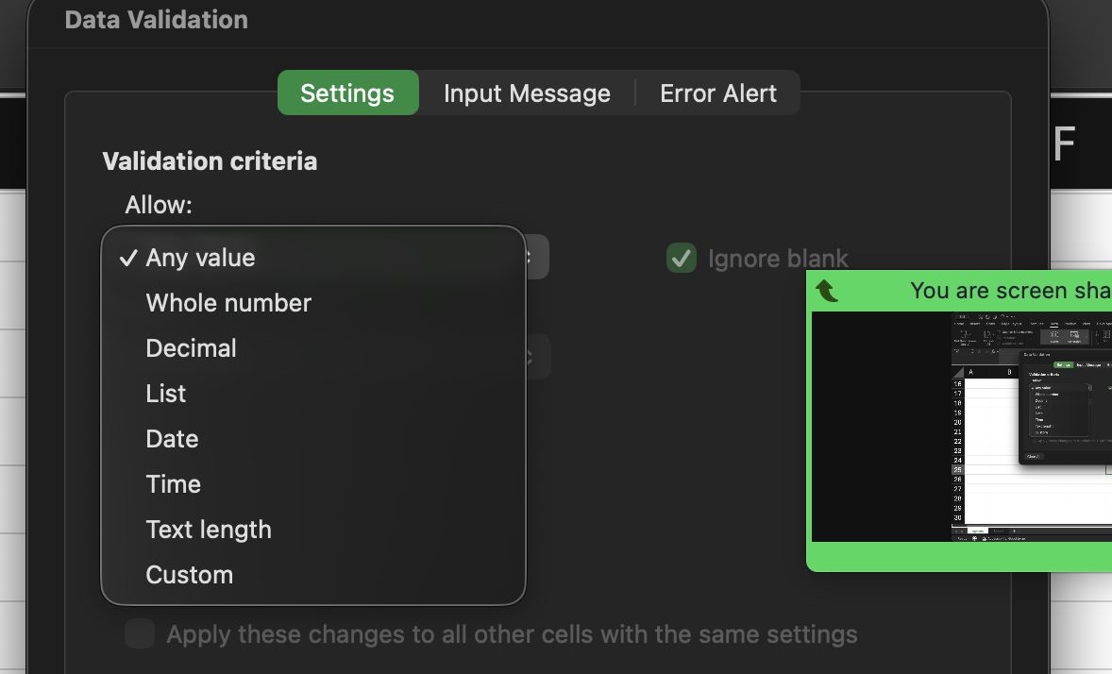

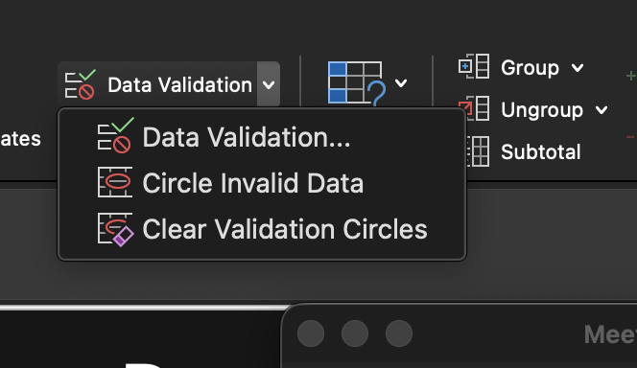

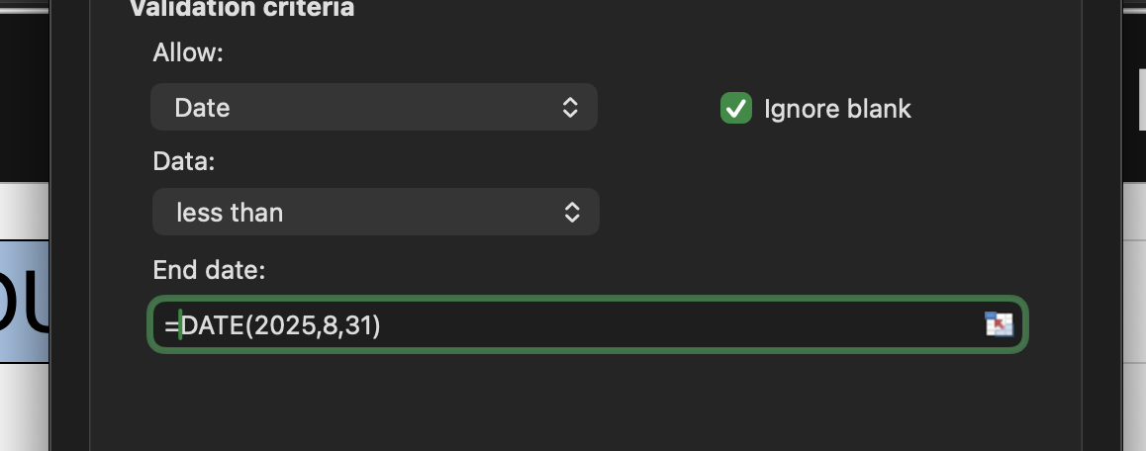

 | UG
 | PG
 | PhD
 | PostDoc

