agenda
Data Validation

Validating( cross checking) the data before that goes as an input to a formula or an expression

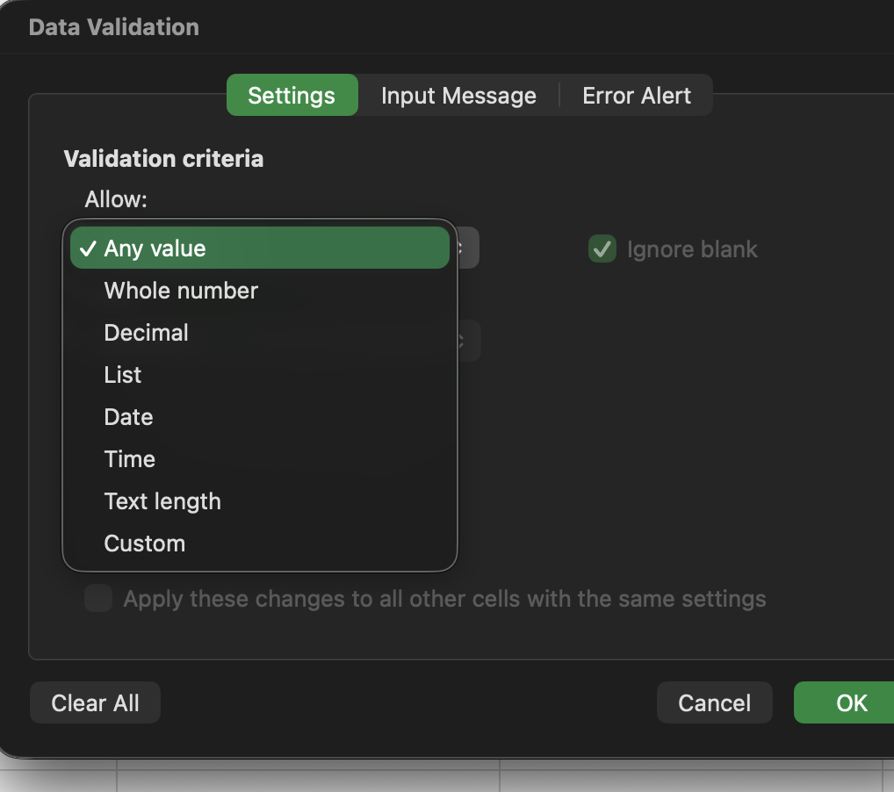

 | Bachelor
 | Master
 | PhD

