agenda
ADVANCE STATS

1) 3 Measures of central tendency

MEAN
 | Influenced by the OUTLIERs

Median

Mode

Measures of dispersion

RANGE |  | Max - Min

VAR

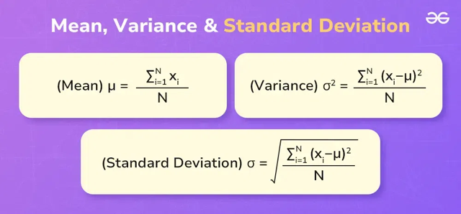
Std Dev

Sample VS Population

Population |  | Whole Data (in context)

Sample |  | Subset of the data

Sheet2
Salary |  |  | 4 | 5
10000 |  | MEAN | 15750 | 39600
15000 |  | Median | 16500 | 18000
20000
18000
135000

Salary | x_i-mu | (x_i-mu)^2
10000 | -5750 | 33062500
15000 | -750 | 562500
20000 | 4250 | 18062500
18000 | 2250 | 5062500

15750 |  | 14187500 |  | 18916666.667 | =VAR.S(B14:B17)

 |  | 3766.6297933 |  | 4349.3294502 | =STDEV.S(B14:B17)

Percentiles & Quartiles

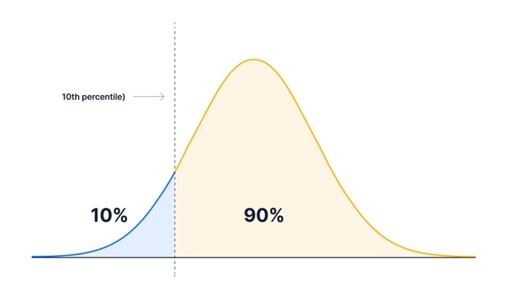

 | 29 |  | 85 | =PERCENTILE(C39:C58,50%)
 | -45
 | 371
 | 363 |  | 100% max
 | 303 |  | 0% min
 | -12 |  | 50% middle/Medianß
 | 103
 | 51
 | 64
 | 42
 | -35
 | 172
 | 363
 | 32
 | 350
 | -32
 | 245
 | 146
 | 326
 | 67

