agenda
AGENDA

Data Type | How we store / look /process a particular data

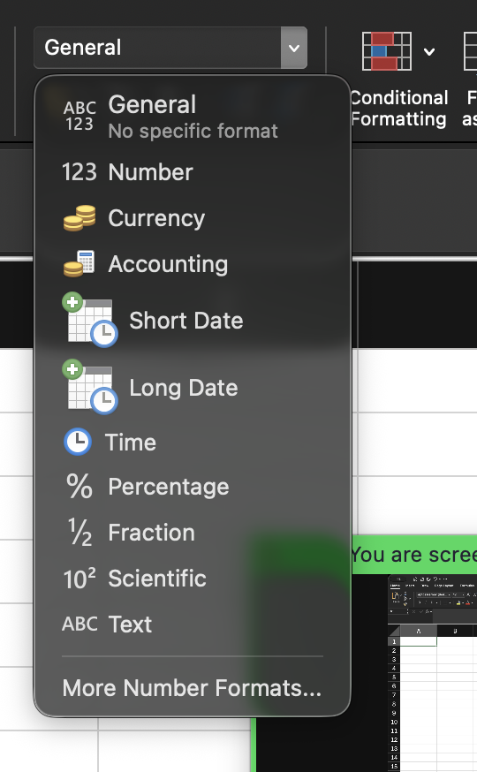
 |  | Numeric | Non Numeric

