AGENDA
STATISTICS

TYPES of analytics

1) Descreptive Analytics
2) Diagnostic
3) Predictive
4) Precreptive

 | 1) Measures of Central Tendency

 | Group representative but for Datasets

 | MEAN | (arithmetic mean & AVG)

 | MEDIAN |  |  | Middle value of the data in sorted order

 | MODE |  |  | Most repeated value

 | 2) MEDIAN |  | Middle value if we have odd number of observations

 |  |  | average of middle two if we have even number of Observation

 | 3) MODE |  | Value with max frequency

 |  |  | Most repeated Values

 | VARIANCE and STANDARD DEV

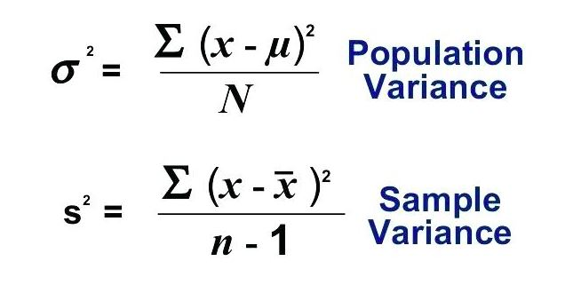

 | std dev is sqrt of var

Pop |  | actual data / bigger data

sample |  | subset data / smaller data

OUTLIER

Sheet2
35 |  | MEAN | 34.7 | =AVERAGE(B3:B12)
8 |  | MEDIAN | 35 | =MEDIAN(B3:B12)
61 |  | MODE | 35 | =MODE(B3:B12)
18 |  |  | 35 | =MODE.SNGL(B3:B12)
19 |  |  | 35 | =MODE.MULT(B3:B12)
44 |  |  | 8
35
8
49
70

 | p1 | 100000000
 | p2 | 30000 |  | 20023000
 | p3 | 25000
 | p4 | 0 |  | 30000
 | p5 | 60000

VARIANCE and STANDARD DEV

₹
35 |  | 418.01 | =VAR.P(B30:B39) |  | 20.445292857
8 |  | 464.45555556 | =VAR.S(B30:B39) |  | 21.551230952
61
18
19 |  | 20.445292857 | =STDEV.P(B30:B39)
44 |  | 21.551230952 | =STDEV.S(B30:B39)
35
8
49
70

RANGE |  | MAX - Min

QUARTILES

QUARTER

8
8 |  | QUARTILES |  | Border between QUARTERs
18
19 |  |  | Min | 8 | =QUARTILE($B$82:$B$91,0)
35 |  |  | 1st Quartile | 18.25 | =QUARTILE($B$82:$B$91,1)
35 |  |  | 2nd Quartile | 35 | =QUARTILE($B$82:$B$91,2)
44 |  |  | 3rd Quartile | 47.75 | =QUARTILE($B$82:$B$91,3)
49 |  |  | Max | 70 | =QUARTILE($B$82:$B$91,4)
61
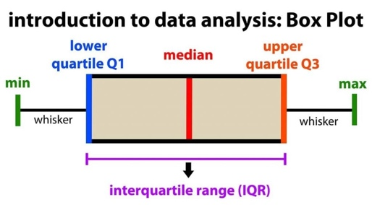
70

 |  | IQR | q3 - q1

 |  | OUTLIER

 |  |  | < | Q1 - 1.5 * IQR

 |  |  | > | Q3 + 1.5 * IQR

-800
8
18 |  | Q1 | 18.25
19 |  | Q2 | 35
35 |  | Q3 | 58
35
4004 |  | IQR | 39.75
49
61 |  | LB | -41.375
7000 |  | UP | 117.625

