agenda
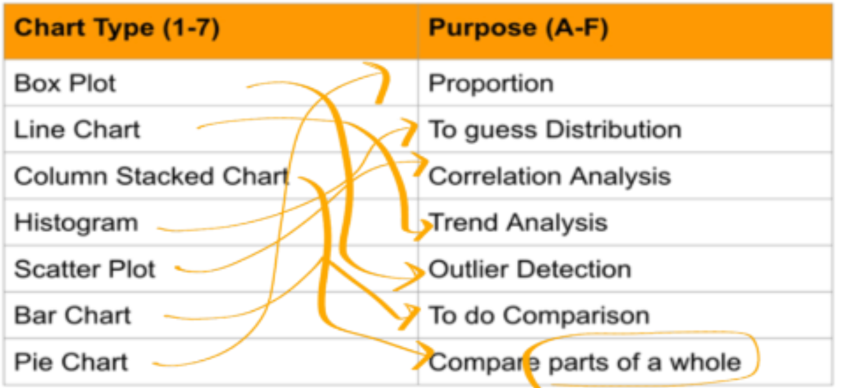
Data visualisation

A process of converting raw data and the insights into a visual

Line
 | Company 1 | Company 2
Jan | 309 | 428
Feb | 371 | 171
Mar | 187 | 331
Apr | 154 | 358
May | 455 | 123
Jun | 450 | 231
Jul | 206 | 229
Aug | 254 | 122
Sep | 416 | 231
Oct | 446 | 297
Nov | 411 | 434
Dec | 154 | 232

bar
 | Company 1 | Company 2
Jan | 309 | 428
Feb | 371 | 171
Mar | 187 | 331
Apr | 154 | 358
May | 455 | 123
Jun | 450 | 231
Jul | 206 | 229
Aug | 254 | 122
Sep | 416 | 231
Oct | 446 | 297
Nov | 411 | 434
Dec | 154 | 232

PIE
 | Revenue (in K)
Q1 | 400
Q2 | 260
Q3 | 300
Q4 | 640

 | 1600

boxplot
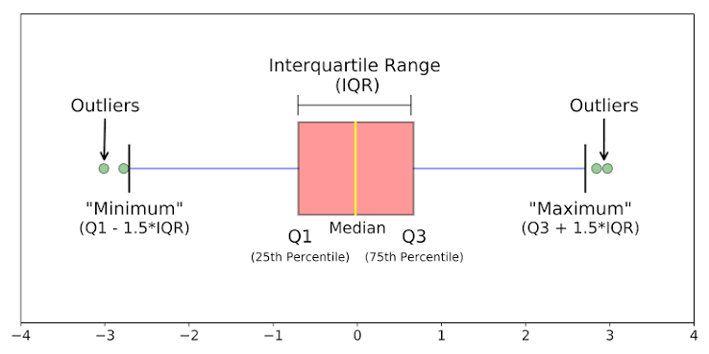

21 | 7
27 | 24
-60 | 8
-9 | 8
-8 | 70
-1 | -8
-2 | 19
12 | 16
14 | -8
-5 | 15
4 | 9
10 | -7
-1 | -2
-6 | 30
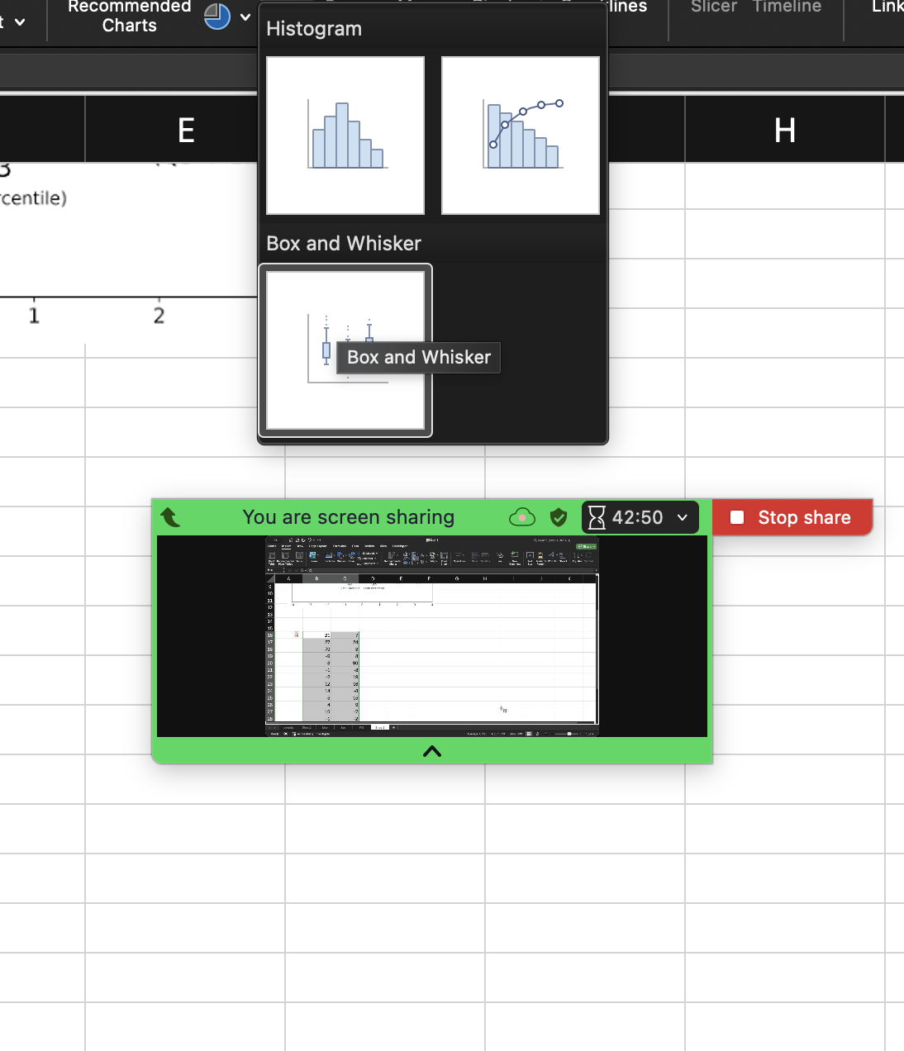
15 | 30
-5 | -6
10 | 19
30 | 29
0 | 15
-8 | 17

Sheet7
 |  | Y = -3*X + 7
X | e | Y
5 | -0.46884977164 | -8.4688497716
6 | 1.3038967886 | -9.6961032114
-3 | 1.3417606312 | 17.341760631
10 | 0.14303395492 | -22.856966045
1 | -1.9129300739 | 2.0870699261
-5 | -1.0300790057 | 20.969920994
-1 | -0.7492333254 | 9.2507666746
3 | -0.14304785306 | -2.1430478531
7 | -0.08076661485 | -14.080766615
-5 | 0.40145532969 | 22.40145533
10 | -0.011002362198 | -23.011002362
-5 | 1.2954919092 | 23.295491909
9 | -0.49958920029 | -20.4995892
3 | 0.30633172914 | -1.6936682709
-4 | 0.891648341 | 19.891648341
8 | -0.69390117126 | -17.693901171
5 | 0.13498304241 | -7.8650169576
-3 | 0.52976774753 | 16.529767748
0 | 0.84145771132 | 7.8414577113 | CORRELATION ANALYSIS
7 | -1.873571724 | -15.873571724

 |  |  | a value from -1 to 1

 |  |  | which tell how 1 var is related to another

 |  |  | -1 ==> VAR1 increases then VAR2 Decreases

 |  |  | +1 ==> VAR1 increases then VAR2 increases

 |  |  | 0 ==> NO relation b/w var

 |  |  | -0.99847214366

