agenda
Filling Data in Excel

 | By default everything is TEXT

 | only NUMERALs automatically become number

 | double click
 | f2 key
 | formula box

Autofill

Any pattern which excel can extend

Min 2 values are needed

Additive Sequences can be generated

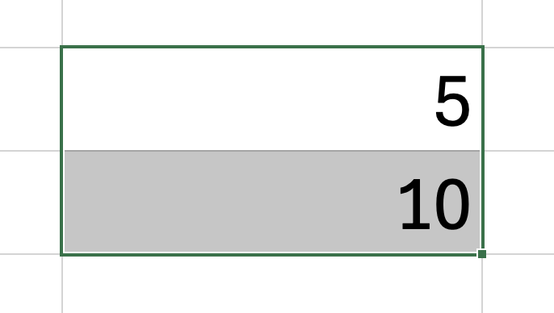

RELATIVE CELL REF |  |  | Both Row n Col can change |  |  | A4
ABSOLUTE CELL REF |  |  | HERE NEITHER ROW CAN CHANGE NOR MY COLUMN CAN CHNG |  |  | $A$4

MIXED CELL REF |  |  | ROW IS FIXED , column can chng |  |  | A$4
MIXED CELL REF |  |  | COLUMN is fixed but ROW CAN CHNG |  |  | $A4

 | Single CELL

Mirroring

 | 550 | 440

=<CELL ADDRESS>

=<SHEET_NAME>!<COL_NAME><ROW_Num>

 | RANGE |  |  | 1 | 4
 |  |  |  | 2 | 5
 | Rectangle |  |  | 3 | 6

 | From Top Left to Bottom Right

 | =<TOPLEFT>:<BOTTOMRIGHT>

 | =<SHEETNAME>!<TOPLEFT>:<BOTTOMRIGHT>

 | I65:J67 |  | RANGE

 | FORMULAs

13 |  | =SUM(2,3,8)

TABLE

Qts | Price/Unit | Disc
8 | 20 | 0%
10 | 440 | 0%
4 | 100 | 10%
5 | 300 | 15%
2 | 30 | 20%

