agenda
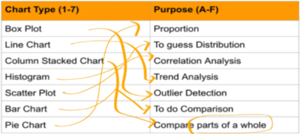
Data Vizualizations

Representing a process / Data / insights
using Visuals/ graphs / Charts

DECIDE THE MESSAGE/Insights you want to convey

Then choose Chart Typ

LINE
LINE Chart

Trends

stock price comp
 | Stock Price - 1 | Stock Price - 2
Jan | 681 | 653
Feb | 460 | 642
Mar | 679 | 469
Apr | 473 | 472
May | 536 | 404
Jun | 601 | 565
Jul | 597 | 656
Aug | 409 | 619
Sep | 705 | 541
Oct | 493 | 570
Nov | 698 | 659
Dec | 445 | 540

bar
 | Stock Price - 1 | Stock Price - 2
Jan | 574 | 641
Feb | 453 | 430
Mar | 568 | 397
Apr | 387 | 509
May | 616 | 654
Jun | 513 | 646
Jul | 695 | 415
Aug | 575 | 605
Sep | 588 | 548
Oct | 684 | 515
Nov | 376 | 579
Dec | 520 | 721

PIE
 | Revenue (in K)
Q1 | 400
Q2 | 260
Q3 | 300
Q4 | 640

