agenda
BASIC Statistics

MEASURES of CENTRAL TENDENCY

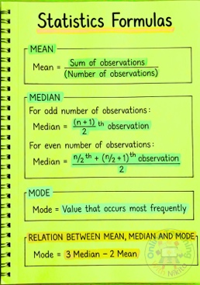
 | MEAN

 | MEDIAN

 | MODE

SUM

 | To add Data points

63 |  | =SUM(central_tendency!B69:B78)

#VALUE! |  | =SUM(2,3,4,7,"HELLO")

COUNTING

COUNT |  | Will Count the NUMBERS in cells

COUNTA |  | Counts every cell that is NOT EMPTY

COUNTBLANK |  | COUnTS the cell that are empty

