Sheet2
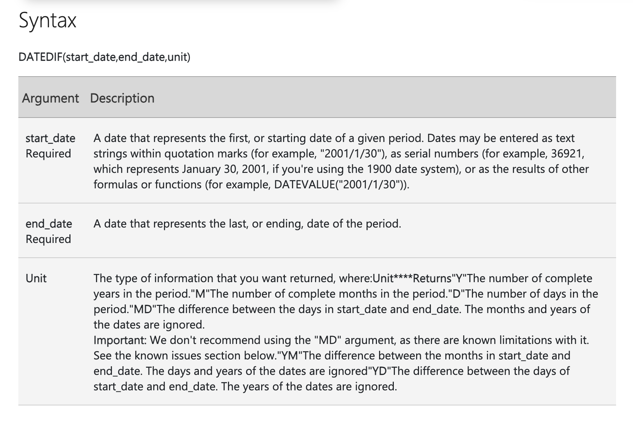
2026-10-03 |  | =TODAY()

2026-10-03 22:12:31 |  | =NOW()

DATE

2026-10-03 |  | =DATE(2026,10,3)

TIME

18:30:40 |  | =TIME(18,30,40)

 | 2018-04-26

2018 |  | =YEAR(C22)

4 |  | =MONTH(C22)

26 |  | =DAY(C22)

 | 16:12:17

16 |  | =HOUR(C34)
12 |  | =MINUTE(C34)
17 |  | =SECOND(C34)

 | 10/3/26
08/03/2006

38784 |  | =DATEVALUE(B44)

13:45:20

0.57314814815 |  | =TIMEVALUE(B49)

START | 2026-10-03

2026-06-03 |  | =EDATE(C56,-4)

2026-12-31 |  | =EOMONTH(C56,2)

 | 2026-10-03 | Sat

7 |  | =WEEKDAY(C67)

Default : Sun -- 1 Sat is Last(7)

 | 2026-10-03 | inside 40th Week of the year

40 |  | =WEEKNUM(C74)

https://support.microsoft.com/en-us/excel/functions/weeknum-function

START DATE |  | END DATE
2026-08-19 |  | 2026-12-10

113 |  | =DATEDIF(B84,D84,"D")

3 |  | =DATEDIF(B84,D84,"M")

