DuPont Analysis
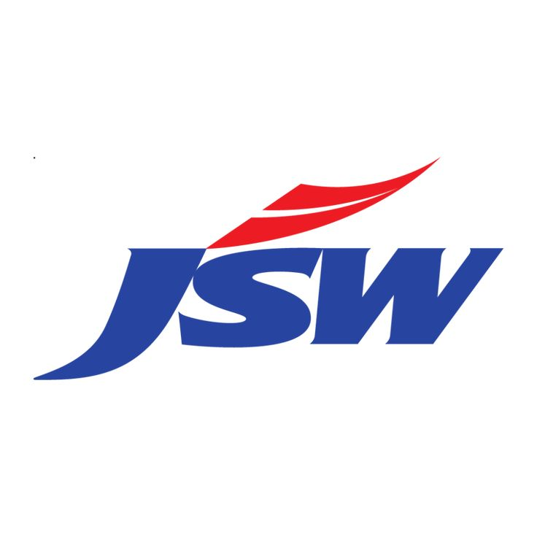
JSW STEEL LTD
(JSW Steel Ltd | BSE Code: 500228)
INR 1284
52 Week (High - INR 1231 & Low - INR 1210)

About the company

JSW Steel Limited is an Indian multinational steel producer based in Mumbai and is a flagship company of the JSW Group. After the merger of Bhushan Power & Steel, and Ispat Steel and Jindal Vijayanagar Steel Limited, JSW Steel became one of India's largest private sector steel companies. JSW Steel's history can be traced back to 1982, when the Jindal Group acquired Piramal Steel Limited, which operated a mini steel mill at Tarapur in Maharashtra and renamed it as Jindal Iron and Steel Company (JISCO). Soon after the acquisition the group set up its first steel plant in 1982 at Vasind, near Mumbai.As of July 2023, the installed with a production capacity of 29.7 MTPA in India and the United States. The company is aiming to boost the total steel production capacity to 38.5 MTPA by the financial year 2025.

Financial Summary

Net Profit (INR) Cr.
Revenue (INR) Cr.
Average Total Asset(INR) Cr.

Return On equity (INR) Cr.
Return On Asset (INR) Cr.
Financial Levarge (INR) Cr.

Recent Updates
Strong demand outlook: Management expects India's steel demand to grow 7–9% in FY27, supported by infrastructure spending, manufacturing growth, and construction activity.
Robust earnings recovery: Q4 FY26 adjusted profit more than doubled YoY, driven by higher steel prices, better realizations, and healthy domestic demand. Revenue increased 14.2% YoY.
Large capex pipeline: The company plans ₹22,000–24,000 crore capex in FY27, higher than FY26 spending, primarily for capacity expansion and operational efficiency improvements.
Capacity expansion remains a key focus: Management has reiterated its strategy to significantly increase domestic steelmaking capacity, believing India's structural growth story justifies aggressive expansion.
Margin improvement trend: EBITDA margins improved due to stronger steel prices and better operating leverage, despite elevated coking coal costs. Management expects domestic steel prices to remain broadly stable after recent increases.

Return on Equity (ROE)
Particulars | Mar-20 | Mar-21 | Mar-22 | Mar-23 | Mar-24 | Mar-25 | Mar-26

Net Profit | 4030 | 7911 | 20665 | 4144 | 8812 | 3504 | 22316
Averge Shareholder Equity | 53996.5 | 63909.5 | 90102 | 99343.5 | 110516.5 | 118330.5 | 139801
Retun On Equity | 7.46% | 12.38% | 22.94% | 4.17% | 7.97% | 2.96% | 15.96%

(ROE)- DuPont Equation
Particulars | Mar-20 | Mar-21 | Mar-22 | Mar-23 | Mar-24 | Mar-25 | Mar-26

Net Profit | 4030 | 7911 | 20665 | 4144 | 8812 | 3504 | 22316
Revenue | 73326 | 79839 | 146371 | 165960 | 175006 | 168824 | 185470
Net Profit Margin (A) | 5.50% | 9.91% | 14.12% | 2.50% | 5.04% | 2.08% | 12.03%

Revenue | 73326 | 79839 | 146371 | 165960 | 175006 | 168824 | 185470
Average Total Assets | 123308.5 | 139491.5 | 171824 | 203512 | 219218.5 | 234171.5 | 255060.5
Assest Turnover Ratio (B) | 0.59x | 0.57x | 0.85x | 0.82x | 0.80x | 0.72x | 0.73x

Average Total Asset | 123308.5 | 139491.5 | 171824 | 203512 | 219218.5 | 234171.5 | 255060.5
Total Equity | 53996.5 | 63909.5 | 90102 | 99343.5 | 110516.5 | 118330.5 | 139801
Equity Multiplyer (C) | 2.28x | 2.18x | 1.91x | 2.05x | 1.98x | 1.98x | 1.82x

Retun On Equity (A*B*C) | 7.46% | 12.38% | 22.94% | 4.17% | 7.97% | 2.96% | 15.96%

Return On Assest (ROA)
Particulars | Mar-20 | Mar-21 | Mar-22 | Mar-23 | Mar-24 | Mar-25 | Mar-26

Net Profit | 4030 | 7911 | 20665 | 4144 | 8812 | 3504 | 22316
Averge Total Assest | 123308.5 | 139491.5 | 171824 | 203512 | 219218.5 | 234171.5 | 255060.5
Retun On Asset | 3.27% | 5.67% | 12.03% | 2.04% | 4.02% | 1.50% | 8.75%

ROA - DuPont Equation
Particulars | Mar-20 | Mar-21 | Mar-22 | Mar-23 | Mar-24 | Mar-25 | Mar-26

Net Profit | 4030 | 7911 | 20665 | 4144 | 8812 | 3504 | 22316
Revenue | 73326 | 79839 | 146371 | 165960 | 175006 | 168824 | 185470
Net Profit Marin (A) | 5.50% | 9.91% | 14.12% | 2.50% | 5.04% | 2.08% | 12.03%

Revenue | 73326 | 79839 | 146371 | 165960 | 175006 | 168824 | 185470
Average Total Assets | 123308.5 | 139491.5 | 171824 | 203512 | 219218.5 | 234171.5 | 255060.5
Assest Turnover Ratio (B) | 0.59x | 0.57x | 0.85x | 0.82x | 0.80x | 0.72x | 0.73x

Retun On Asset (A*B) | 3.27% | 5.67% | 12.03% | 2.04% | 4.02% | 1.50% | 8.75%

DuPont Analysis
ROE of JSW Steel Ltd has been grown form 7.5% to 16% from FY2020 to FY2026 . . Both equity multiplyer and asset turnover ratio has decreased reasonable
Return on Equity of JSW Steel Ltd. is highest on FY 2026 with 16% and lowest in FY in 2025 with 3%. But we can see ROE has grown throught the years ,showing increase in profit on shareholders
Return on asset of PERSISTENT Ltd. is grown on yoy from 3.27% to 8.75% and the reason behind this growth is increase in net profit margin
Diclaimer - this report is for educatonal purpose only. The auothor of this reports is not liable for any losses due to the investment made on the basis of this report . Consult SEBI registerd advisor befor making any investment.

