Start
Sample Inventory List
accessible template
Contents
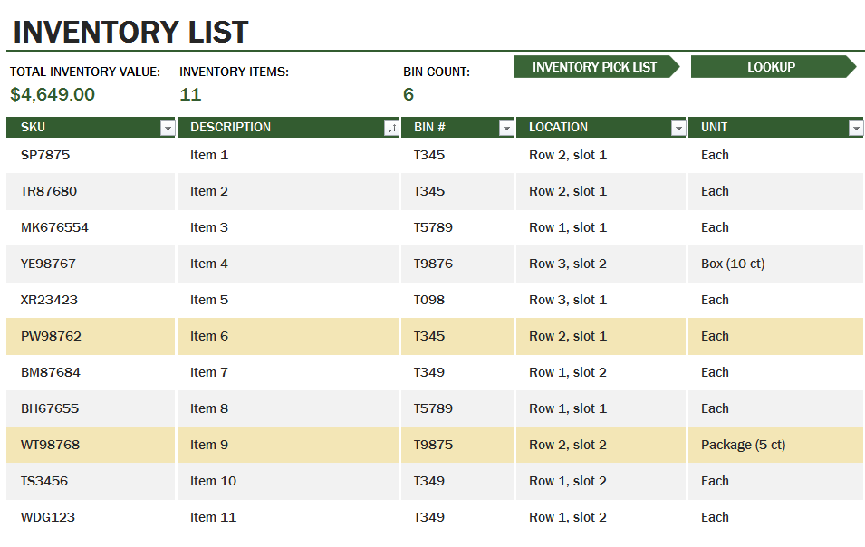
Learn how to create an accessible template in this worksheet using an Inventory List as an example. Each worksheet has accessible descriptions in column A, except Inventory List, Inventory Pick List and Lookup worksheets. These accessible instructions help users navigate the tutorial, but are not commonly used when creating templates. Columns B and C contain non-accessible descriptions. Column E contains images or data relevant to the worksheet topic. This worksheet has a title, subtitle and table of contents for all tabs in this workbook. Cell B11 has the Excel logo, cells C3 through C11 has an image of the accessible Invoice template and cell C11 has a navigation button that links to the Invoice worksheet to get started. Press UP or DOWN ARROW in column A to read through the document. Press CTRL+PG DOWN to go to the next worksheet.
Title: Sample Inventory List accessible template. Descriptions for how this invoice was made accessible are outlined beneath the Contents, in this column.
Contents. Navigate through each item listed below to learn how this sample Inventory List was made accessible, starting with the accessible Inventory List in the Inventory List worksheet. Inventory list template has 3 worksheets: Inventory List, Inventory Pick List and Lookup. The other worksheets describe how the template was made accessible.
Inventory List
Inventory List worksheet
Inventory Pick List
Inventory Pick List worksheet
Lookup
Lookup worksheet
Navigation Links
Navigation Links
Conditional Formatting
Conditional Formatting
Icon Sets
Icon Sets
Learn More
Learn More
Let's go >
Excel logo is in cell B12, Inventory List image and navigation button to Inventory List worksheet is in cell C12. | 

Spare Parts List
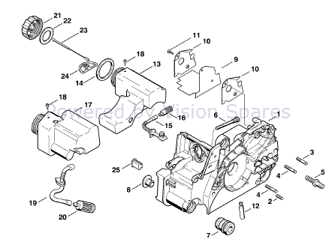
Spare Parts List
TOTAL INVENTORY VALUE: |  | INVENTORY ITEMS: | BIN COUNT:
 |  | 25 | 1
Ref. | Part no. | Megnevezés | BIN #
1 | 11300203033 | Stihl Motorház
2 | 11201625200 | Stihl Pin
3 | 11231625200 | Stihl Pin
4 | 11231625205 | Stihl Pin
5 | 11236642400 | Stihl Tőcsavar
6 | 11211226600 | Stihl karburátor csavar
7 | 11237912800 | Stihl rezgéscsillapító gumi
8 | 11237917300 | Stihl rezgéscsillapító gumi sapka
9 | 11300848303 | Stihl hővédő lap
10 | 11301453400 | Stihl Hővédő pajzs
11 | 91040038600 | Stihl P3x10 önmetsző csavar
12 | 11236403200 | Stihl komplett olajszivattyú 0.55mm
13 | 11,303,504,400 | Stihl olajtartály
14 | 0000 359 1241 | Stihl Tömítőgyűrű
15 | 11,306,479,400 | Stihl olajcső
16 | 11,236,403,800 | Stihl Pickup body
17 | 11,303,500,400 | Stihl üzemanyagtank
18 | 7473136810 | Stihl üzemanyagtartály szellőző
19 | 11,303,587,701 | Stihl tömlő
20 | 0000 350 3500 | Stihl üzemanyagszűrő
21 | 11,303,500,500 | Stihl olajtanksapka
22 | 0000 359 1240 | Stihl Tömítőgyűrű
23 | 42,263,500,900 | Stihl olajtanksapka kötél
24 | 0000 353 0605 | Stihl olajtanksapka horog
25 | 11,307,915,900 | Stihl Stop buffer

