Sheet2
year | pcey | gdpx | Predicted_Consumption
1960 | 1597.4 | 2501.8 | 1506.294
1961 | 1630.3 | 2560 | 1548.305
1962 | 1711.1 | 2715.2 | 1660.333
1963 | 1781.6 | 2834 | 1746.087
1964 | 1888.4 | 2998.6 | 1864.901
1965 | 2007.7 | 3191.1 | 2003.854
1966 | 2121.8 | 3399.1 | 2153.996
1967 | 2185 | 3484.6 | 2215.713
1968 | 2310.5 | 3652.7 | 2337.053
1969 | 2396.4 | 3765.4 | 2418.404
1970 | 2451.9 | 3771.9 | 2423.095
1971 | 2545.5 | 3898.6 | 2514.552
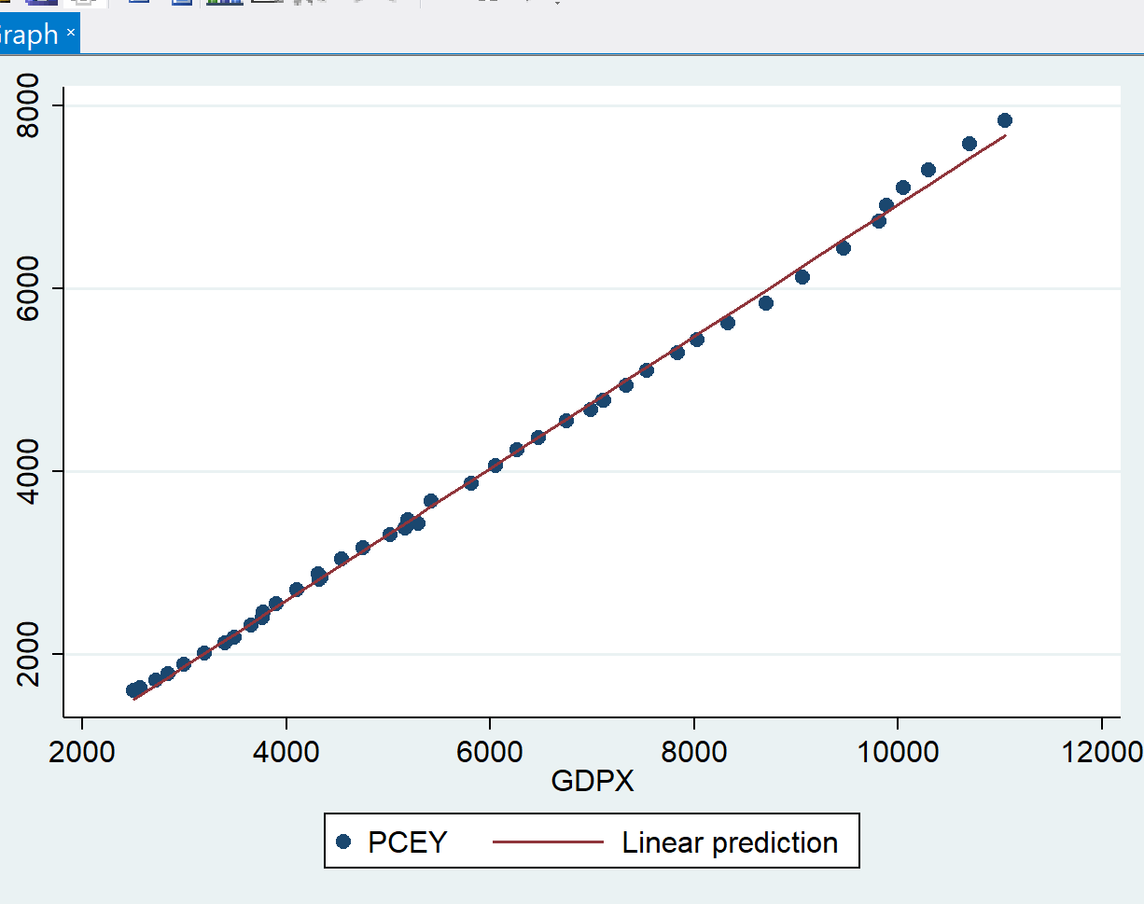
1972 | 2701.3 | 4105 | 2663.539
1973 | 2833.8 | 4341.5 | 2834.252
1974 | 2812.3 | 4319.6 | 2818.444
1975 | 2876.9 | 4311.2 | 2812.381
1976 | 3035.5 | 4540.9 | 2978.186
1977 | 3164.1 | 4750.5 | 3129.483
1978 | 3303.1 | 5015 | 3320.408
1979 | 3383.4 | 5173.4 | 3434.746
1980 | 3374.1 | 5161.7 | 3426.301
1981 | 3422.2 | 5291.7 | 3520.14
1982 | 3470.3 | 5189.3 | 3446.223
1983 | 3668.6 | 5423.8 | 3615.494
1984 | 3863.3 | 5813.6 | 3896.865
1985 | 4064 | 6053.7 | 4070.177
1986 | 4228.9 | 6263.6 | 4221.69
1987 | 4369.8 | 6475.1 | 4374.358
1988 | 4546.9 | 6742.7 | 4567.521
1989 | 4675 | 6981.4 | 4739.823
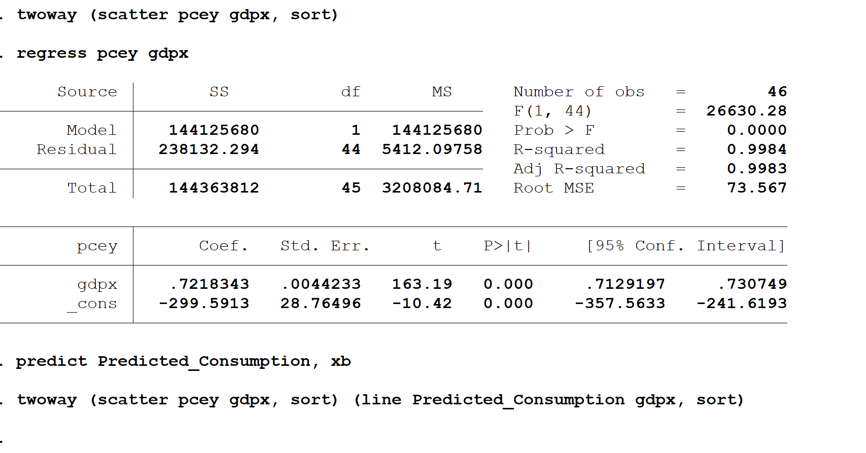
1990 | 4770.3 | 7112.5 | 4834.456
1991 | 4778.4 | 7100.5 | 4825.793
1992 | 4934.8 | 7336.6 | 4996.218
1993 | 5099.8 | 7532.7 | 5137.77
1994 | 5290.7 | 7835.5 | 5356.341
1995 | 5433.5 | 8031.7 | 5497.966
1996 | 5619.4 | 8328.9 | 5712.495
1997 | 5831.8 | 8703.5 | 5982.894
1998 | 6125.8 | 9066.9 | 6245.208
1999 | 6438.6 | 9470.3 | 6536.396
2000 | 6739.4 | 9817 | 6786.656
2001 | 6910.4 | 9890.7 | 6839.855
2002 | 7099.3 | 10048.8 | 6953.978
2003 | 7295.3 | 10301 | 7136.024
2004 | 7577.1 | 10703.5 | 7426.563
2005 | 7841.2 | 11048.6 | 7675.667

Sheet3
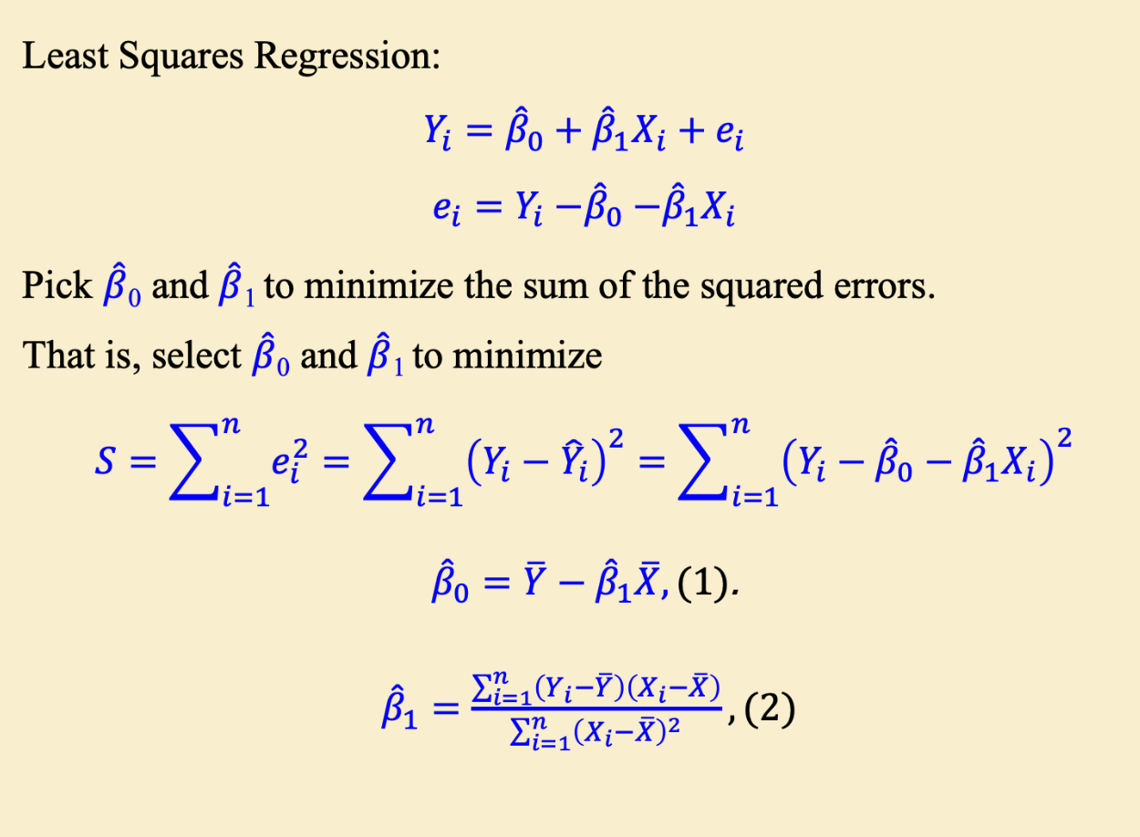
Y | X | Xi-XMEAN | Yi-YMEAN | C*D | C SQ | PREDICTION Y
1597.4 | 2501.8 | -3521.143478 | -2450.576087 | 8628830.007 | 12398451.39 | 1506.293823
1630.3 | 2560 | -3462.943478 | -2417.676087 | 8372275.638 | 11991977.53 | 1548.304581
1711.1 | 2715.2 | -3307.743478 | -2336.876087 | 7729786.636 | 10941166.92 | 1660.33327
1781.6 | 2834 | -3188.943478 | -2266.376087 | 7227345.242 | 10169360.51 | 1746.087189
1888.4 | 2998.6 | -3024.343478 | -2159.576087 | 6531299.854 | 9146653.474 | 1864.901121
2007.7 | 3191.1 | -2831.843478 | -2040.276087 | 5777742.531 | 8019337.485 | 2003.85423
2121.8 | 3399.1 | -2623.843478 | -1926.176087 | 5053984.564 | 6884554.598 | 2153.995772
2185 | 3484.6 | -2538.343478 | -1862.976087 | 4728873.2 | 6443187.614 | 2215.712608
2310.5 | 3652.7 | -2370.243478 | -1737.476087 | 4118241.364 | 5618054.146 | 2337.05296
2396.4 | 3765.4 | -2257.543478 | -1651.576087 | 3728504.824 | 5096502.556 | 2418.403689
2451.9 | 3771.9 | -2251.043478 | -1596.076087 | 3592836.666 | 5067196.741 | 2423.095613
2545.5 | 3898.6 | -2124.343478 | -1502.476087 | 3191775.277 | 4512835.214 | 2514.552023
2701.3 | 4105 | -1917.943478 | -1346.676087 | 2582848.618 | 3678507.186 | 2663.53863
2833.8 | 4341.5 | -1681.443478 | -1214.176087 | 2041568.463 | 2827252.171 | 2834.25245
2812.3 | 4319.6 | -1703.343478 | -1235.676087 | 2104780.804 | 2901379.005 | 2818.444278
2876.9 | 4311.2 | -1711.743478 | -1171.076087 | 2004581.854 | 2930065.735 | 2812.38087
3035.5 | 4540.9 | -1482.043478 | -1012.476087 | 1500533.582 | 2196452.871 | 2978.186217
3164.1 | 4750.5 | -1272.443478 | -883.876087 | 1124682.362 | 1619112.405 | 3129.482694
3303.1 | 5015 | -1007.943478 | -744.876087 | 750792.994 | 1015950.055 | 3320.407876
3383.4 | 5173.4 | -849.5434783 | -664.576087 | 564586.2805 | 721724.1215 | 3434.746434
3374.1 | 5161.7 | -861.2434783 | -673.876087 | 580371.385 | 741740.3288 | 3426.300973
3422.2 | 5291.7 | -731.2434783 | -625.776087 | 457594.6824 | 534717.0245 | 3520.139436
3470.3 | 5189.3 | -833.6434783 | -577.676087 | 481575.9024 | 694961.4488 | 3446.2236
3668.6 | 5423.8 | -599.1434783 | -379.376087 | 227300.7083 | 358972.9075 | 3615.493752
3863.3 | 5813.6 | -209.3434783 | -184.676087 | 38660.7344 | 43824.69189 | 3896.864776
4064 | 6053.7 | 30.75652174 | 16.02391304 | 492.8398299 | 945.9636295 | 4070.1772
4228.9 | 6263.6 | 240.6565217 | 180.923913 | 43540.51961 | 57915.56146 | 4221.690228
4369.8 | 6475.1 | 452.1565217 | 321.823913 | 145514.7811 | 204445.5202 | 4374.35819
4546.9 | 6742.7 | 719.7565217 | 498.923913 | 359103.7403 | 518049.4506 | 4567.521058
4675 | 6981.4 | 958.4565217 | 627.023913 | 600975.1587 | 918638.9041 | 4739.822914
4770.3 | 7112.5 | 1089.556522 | 722.323913 | 787012.7303 | 1187133.414 | 4834.455395
4778.4 | 7100.5 | 1077.556522 | 730.423913 | 787073.0511 | 1161128.058 | 4825.793383
4934.8 | 7336.6 | 1313.656522 | 886.823913 | 1164982.017 | 1725693.457 | 4996.21847 | Intercept | B0 | -299.591319
5099.8 | 7532.7 | 1509.756522 | 1051.823913 | 1587998.012 | 2279364.755 | 5137.770183
5290.7 | 7835.5 | 1812.556522 | 1242.723913 | 2252507.333 | 3285361.144 | 5356.34162
5433.5 | 8031.7 | 2008.756522 | 1385.523913 | 2783180.196 | 4035102.764 | 5497.965517 | Slope | B1 | 0.7218343359
5619.4 | 8328.9 | 2305.956522 | 1571.423913 | 3623635.221 | 5317435.48 | 5712.494682
5831.8 | 8703.5 | 2680.556522 | 1783.823913 | 4781640.824 | 7185383.266 | 5982.893824
6125.8 | 9066.9 | 3043.956522 | 2077.823913 | 6324805.651 | 9265671.306 | 6245.208421 | Regression Equation |  | Y=B0+B1X
6438.6 | 9470.3 | 3447.356522 | 2390.623913 | 8241332.938 | 11884266.99 | 6536.396393
6739.4 | 9817 | 3794.056522 | 2691.423913 | 10211414.45 | 14394864.89 | 6786.656357
6910.4 | 9890.7 | 3867.756522 | 2862.423913 | 11071158.76 | 14959540.51 | 6839.855547
7099.3 | 10048.8 | 4025.856522 | 3051.323913 | 12284192.28 | 16207520.73 | 6953.977556
7295.3 | 10301 | 4278.056522 | 3247.323913 | 13892235.24 | 18301767.6 | 7136.024175
7577.1 | 10703.5 | 4680.556522 | 3529.123913 | 16518263.95 | 21907609.35 | 7426.562496
7841.2 | 11048.6 | 5025.656522 | 3793.223913 | 19063440.5 | 25257223.47 | 7675.667525

4047.976087 | 6022.943478 |  |  | 199665874.4 | 276609000.7

