Main
FALLOW model
Forest, Agroforest, Low-value Land Or Waste?

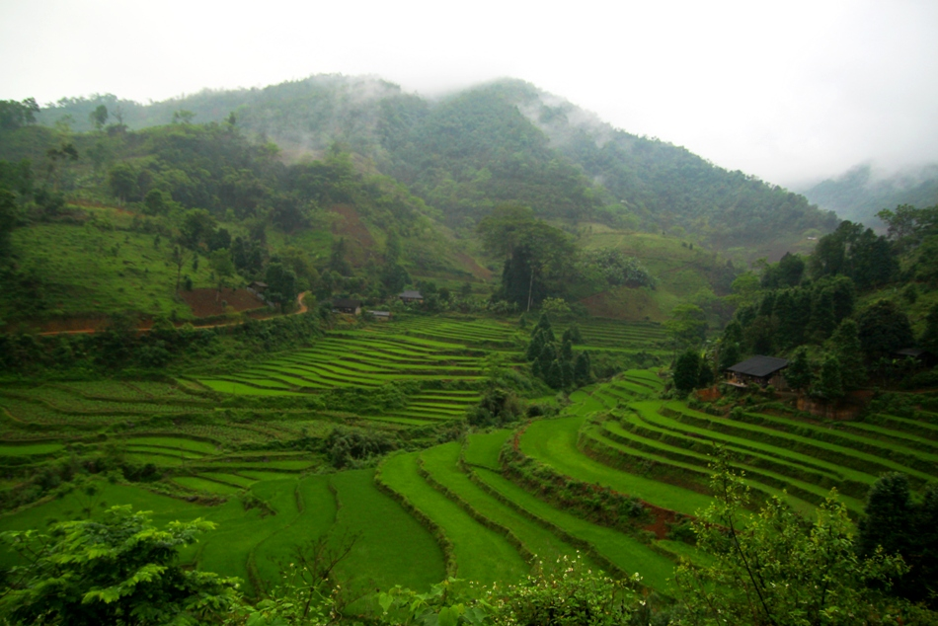
The model is designed to simulate landcover change at landscape level driven by stakeholders's decision on labour and land allocation, and it's consequence to local people's income and carbon storage in the landscape
Disclaimer and Copyright
Copy right, but do not copy wrong. The FALLOW model was developed on the basis of publicly funded research at the World Agroforestry Centre (ICRAF) and may be used for non-commercial research purposes in the interest of research or governmental institution as well as farmers of the world.
--------------------------------------------------------------------------------
For further information, consultation, and technical support please contact:
Rachmat Mulia (rmulia@cgiar.org)
Betha Lusiana (blusiana@cgiar.org)
Meine van Noordwijk (m.van-noordwijk@cgiar.org)
World Agroforestry centre (ICRAF)
Viet Nam office (Ha Noi, Viet Nam) and Southeast Asia Program (Bogor, Indonesia)

