1F
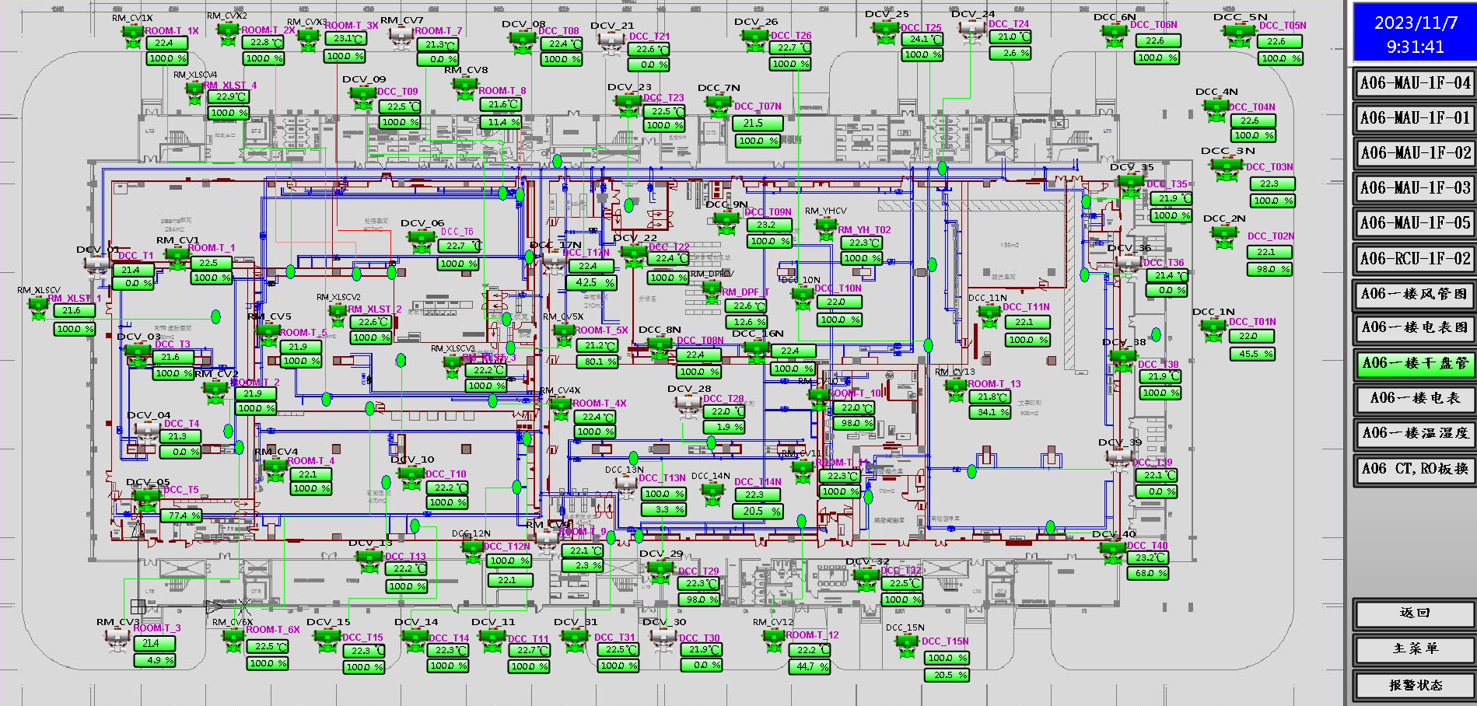
车间 | DCC名称 | 溫溼度看板 | 温度控制中值 | HIHI | HI | LO | LOLO | 湿度 | 看板點位 | 空调箱 | TCV_SP
镭射 | TCV_X01 | TTHT01 | 22±2 | 24 | 23.6 | 20.4 | 20 |  | A06_CR_1F_ROOM_CR_TT01 | MAU1-3 | 21.5
 | TCV_X03 |  |  |  |  |  |  |  |  |  | 22
 | TCV_X04 |  |  |  |  |  |  |  |  |  | 22
 | TCV_X05 |  |  |  |  |  |  |  |  |  | 22
 | TCV_XLS_01 |  |  |  |  |  |  |  |  |  | 21.5
 | TCV_02
 | TCV_01X |  |  |  |  |  |  |  |  |  | 22
 | TCV_03
 | TCV_01
 | TCV_06X |  |  |  |  |  |  |  |  |  | 22
 | TCV_01X | TTHT02 |  |  |  |  |  |  | A06_CR_1F_ROOM_CR_TT02 |  | 22
 | TCV_06X |  |  |  |  |  |  |  |  |  | 21.5
 | TCV_02X |  |  |  |  |  |  |  |  |  | 22
 | TCV_03X |  |  |  |  |  |  |  |  |  | 22
 | TCV_X06 |  |  |  |  |  |  |  |  |  | 22
 | TCV_XLS_02 |  |  |  |  |  |  |  |  |  | 22
 | TCV_X09 |  |  |  |  |  |  |  |  |  | 21.5
 | TCV_X08 |  |  |  |  |  |  |  |  |  | 22
 | TCV_X21 |  |  |  |  |  |  |  |  |  | 21.5
 | TCV_12N |  |  |  |  |  |  |  |  |  | 21
 | TCV_04X |  |  |  |  |  |  |  |  |  | 21.5
 | TCV_05X |  |  |  |  |  |  |  |  |  | 21.5
 | TCV_XLS_04 |  |  |  |  |  |  |  |  |  | 22
 | TCV_07 |  |  |  |  |  |  |  |  |  | 21.5
 | TCV_08 |  |  |  |  |  |  |  |  |  | 22
 | TCV_05 |  |  |  |  |  |  |  |  |  | 22
 | TCV_XLS_03 |  |  |  |  |  |  |  |  |  | 21.5
电测 | TCV_X10 | TTHT04 | 22±3 | 25 | 23.8 | 20.2 | 19 |  | A06_CR_1F_ROOM_TT04 | MAU1-1 | 22
 | TCV_X11 |  |  |  |  |  |  |  |  |  | 21.5
 | TCV_X13 |  |  |  |  |  |  |  |  |  | 21.5
 | TCV_X14 |  |  |  |  |  |  |  |  |  | 21.5
 | TCV_04 |  |  |  |  |  |  |  |  |  | 21.5
 | TCV_X15 |  |  |  |  |  |  |  |  |  | 21.5
压合、主冲 | TCV_X26 | TTHTCR_Tagv | 22±2 | 24 | 23.8 | 20.4 | 20 |  | A06_CR_1F_ROOM_CR_Tagv | MAU1-3 | 21.5
 | TCV_X29 |  |  |  |  |  |  |  |  |  | 21.5
 | TCV_X28 |  |  |  |  |  |  |  |  |  | 21.5
 | TCV_X22 |  |  |  |  |  |  |  |  |  | 22.5
 | TCV_X23 |  |  |  |  |  |  |  |  |  | 22.5
 | TCV_10N |  |  |  |  |  |  |  |  |  | 21.5
 | TCV_08N |  |  |  |  |  |  |  |  |  | 21.5
 | TCV_07N |  |  |  |  |  |  |  |  |  | 22.5
 | TCV_X25 |  |  |  |  |  |  |  |  |  | 21
 | TCV_X24 |  |  |  |  |  |  |  |  |  | 21.5
 | TCV_09N |  |  |  |  |  |  |  |  |  | 22
 | TCV_YH02 |  |  |  |  |  |  |  |  |  | 21
 | TCV_DPF01 |  |  |  |  |  |  |  |  |  | 22
 | TCV_16N |  |  |  |  |  |  |  |  |  | 21.5
银多利 | TCV_17N | TTHT12 | 22±2 | 24 | 23.6 | 20.4 | 20 |  | A06_CR_1F_ROOM_TT12 | MAU1-5 | 22.5
 | TCV_15N |  |  |  |  |  |  |  |  |  | 21.5
 | TCV_X30 |  |  |  |  |  |  |  |  |  | 21.5
 | TCV_X31 |  |  |  |  |  |  |  |  |  | 21.5
 | TCV_X32 |  |  |  |  |  |  |  |  |  | 21.5
 | TCV_10 |  |  |  |  |  |  |  |  |  | 21
 | TCV_07N |  |  |  |  |  |  |  |  |  | 22
 | TCV_TT61 |  |  |  |  |  |  |  |  |  | 21
 | TCV_13N |  |  |  |  |  |  |  |  |  | 21
 | TCV_14N |  |  |  |  |  |  |  |  |  | 21.5
 | TCV_11 |  |  |  |  |  |  |  |  |  | 21.5
 | TCV_09 |  |  |  |  |  |  |  |  |  | 22
 | TCV_12 |  |  |  |  |  |  |  |  |  | 21.5
文字印刷 | TCV_01N | TTHT09X |  |  |  |  |  |  | A06_CR_1F_ROOM_TT09X | MAU1-2 | 21.5
 | TCV_02N |  |  |  |  |  |  |  |  |  | 21.5
 | TCV_04N |  |  |  |  |  |  |  |  |  | 22.5
 | TCV_05N |  |  |  |  |  |  |  |  |  | 22.5
 | TCV_06N |  |  |  |  |  |  |  |  |  | 22.5
 | TCV_13 |  |  |  |  |  |  |  |  |  | 21
 | TCV_X36 |  |  |  |  |  |  |  |  |  | 21.5
 | TCV_X40 |  |  |  |  |  |  |  |  |  | 21.5
 | TCV_03N |  |  |  |  |  |  |  |  |  | 21
 | TCV_X39 |  |  |  |  |  |  |  |  |  | 22
 | TCV_X38 |  |  |  |  |  |  |  |  |  | 21
 | TCV_X35 |  |  |  |  |  |  |  |  |  | 21
 | TCV_TT60 |  |  |  |  |  |  |  |  |  | 21
 | TCV_11N |  |  |  |  |  |  |  |  |  | 21.5

2F
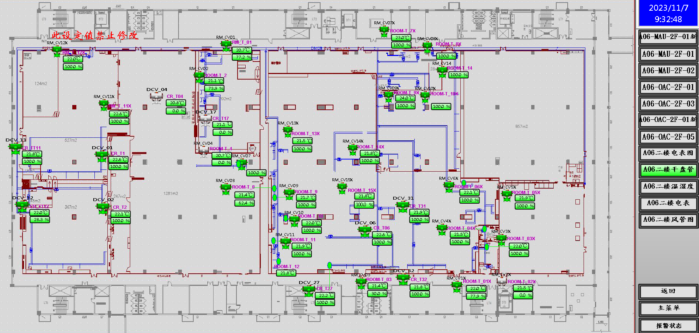
车间 | DCC名称 | 溫溼度看板 | 温度控制中值 | HIHI | HI | LO | LOLO | 湿度 | 看板點位 | 空调箱 | TCV_SP
干膜、曝光 | TCV_DCC_12_X | TTHT01 | 22±1.8 | 23.8 | 23.6 | 20.4 | 20.2 |  | A06_CR_2F_ROOM_CR_TT01 | MAU2-1 | 21.5
 | TCV_DCC_11_X |  |  |  |  |  |  |  |  |  | 21.5
 | TCV_DCC_01 |  |  |  |  |  |  |  |  |  | 21.5
 | TCV_DCC_11 |  |  |  |  |  |  |  |  |  | 22
 | TCV_DCC_12 | TTHT02 |  |  |  |  |  |  | A06_CR_2F_ROOM_CR_TT02 |  | 21.5
 | TCV_DCC_02 |  |  |  |  |  |  |  |  |  | 21.5
防焊 | TCV_DCC_13_X | TTHT14X |  |  |  |  |  |  | A06_CR_2F_ROOM_TT14X | MAU2-2 | 21
 | TCV_DCC_14_X |  |  |  |  |  |  |  |  |  | 21
 | TCV_DCC_07_X | TTHT_DCC_07_X |  |  |  |  |  |  | A06_2F_DCC_07_X_CV |  | 21.5
 | TCV_DCC_09_X | TTHT_DCC_09_X |  |  |  |  |  |  | A06_2F_DCC_09_X_CV |  | 21.5
 | TCV_DCC_15_X | TTHT_DCC_15_X |  |  |  |  |  |  | A06_2F_DCC_15_X_CV |  | 21.5
 | TCV_DCC_10_X | TTHT_DCC_10_X |  |  |  |  |  |  | A06_2F_DCC_10_X_CV |  | 21.5
 | TCV_DCC_05_X | TTHT_DCC_05_X |  |  |  |  |  |  | A06_2F_DCC_05_X_CV |  | 22
 | TCV_DCC_03_X | TTHT_DCC_03_X |  |  |  |  |  |  | A06_2F_DCC_03_X_CV |  | 21.5
 | TCV_DCC_01_X | TTHT_DCC_01_X |  |  |  |  |  |  | A06_2F_DCC_01_X_CV |  | 22
 | TCV_DCV_11 | TTHT_DCV_11 |  |  |  |  |  |  | A06_2F_DCV_11_CV |  | 21.5
 | TCV_DCV_12 | TTHT_DCV_12 |  |  |  |  |  |  | A06_2F_DCV_12_CV |  | 21.5
 | TCV_DCV_27 | TTHT_DCV_27 |  |  |  |  |  |  | A06_2F_DCV_27_CV |  | 21.5
 | TCV_DCV_06 | TTHT06 |  |  |  |  |  |  | A06_CR_2F_ROOM_CR_TT06 |  | 21.5
 | TCV_DCV_31 |  |  |  |  |  |  |  |  |  | 21.5
 | TCV_DCV_32 |  |  |  |  |  |  |  |  |  | 21.5
 | TCV_DCV_29 | TTHT_DCV_29 |  |  |  |  |  |  | A06_2F_DCV_29_CV |  | 21.5
 | TCV_DCC_06_X | TTHT_DCC_06_X |  |  |  |  |  |  | A06_2F_DCC_06_X_CV |  | 21.5
 | TCV_DCC_04_X | TTHT_DCC_04_X |  |  |  |  |  |  | A06_2F_DCC_04_X_CV |  | 21.5
 | TCV_DCC_02_X | TTHT_DCC_02_X |  |  |  |  |  |  | A06_2F_DCC_02_X_CV |  | 22

3F
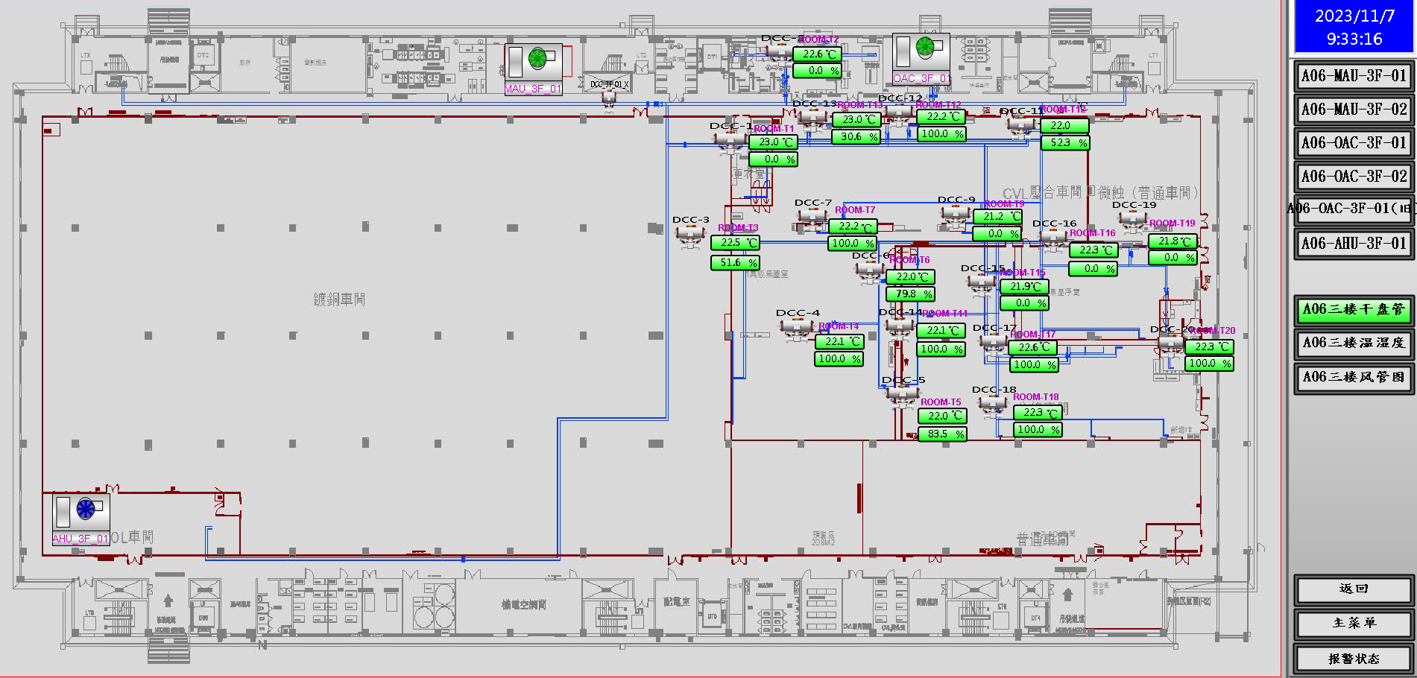
车间 | DCC名称 | 溫溼度看板 | 温度控制中值 | HIHI | HI | LO | LOLO | 湿度 | 看板點位 | 空调箱 | TCV_SP
CVL | TCV_11 | TTHT01 | 22±2 | 24 | 23.6 | 20.4 | 20 | 55±5 | A06_CR_3F_ROOM_KB_TT01 | MAU301 | 21
 | TCV_01 |  |  |  |  |  |  |  |  |  | 21.5
 | TCV_12 |  |  |  |  |  |  |  |  |  | 21
 | TCV_13 |  |  |  |  |  |  |  |  |  | 21
 | TCV_09N |  |  |  |  |  |  |  |  |  | 21.5
 | TCV_10N |  |  |  |  |  |  |  |  |  | 21.5
 | TCV_11N |  |  |  |  |  |  |  |  |  | 21.5
 | TCV_05 |  |  |  |  |  |  |  |  |  | 21.5
 | TCV_04 | TTHT02 |  |  |  |  |  |  | A06_CR_3F_ROOM_KB_TT02 |  | 21.5
 | TCV_12N |  |  |  |  |  |  |  |  |  | 21.5
 | TCV_03 |  |  |  |  |  |  |  |  |  | 21.5
 | TCV_07 |  |  |  |  |  |  |  |  |  | 21.5
 | TCV_14 | TTHT03 |  |  |  |  |  |  | A06_CR_3F_ROOM_KB_TT03 |  | 22
 | TCV_17 |  |  |  |  |  |  |  |  |  | 22
 | TCV_18 |  |  |  |  |  |  |  |  |  | 21.5
 | TCV_15 | TTHT04 |  |  |  |  |  |  | A06_CR_3F_ROOM_KB_TT04 |  | 21.5
 | TCV_16 |  |  |  |  |  |  |  |  |  | 22
 | TCV_20 |  |  |  |  |  |  |  |  |  | 21.5
 | TCV_09 |  |  |  |  |  |  |  |  |  | 21.5
 | TCV_19 |  |  |  |  |  |  |  |  |  | 21.5
 | TCV_06 | TTHT21 |  |  |  |  |  |  | A06_CR_3F_TTHT_TT21 |  | 21.5

4F
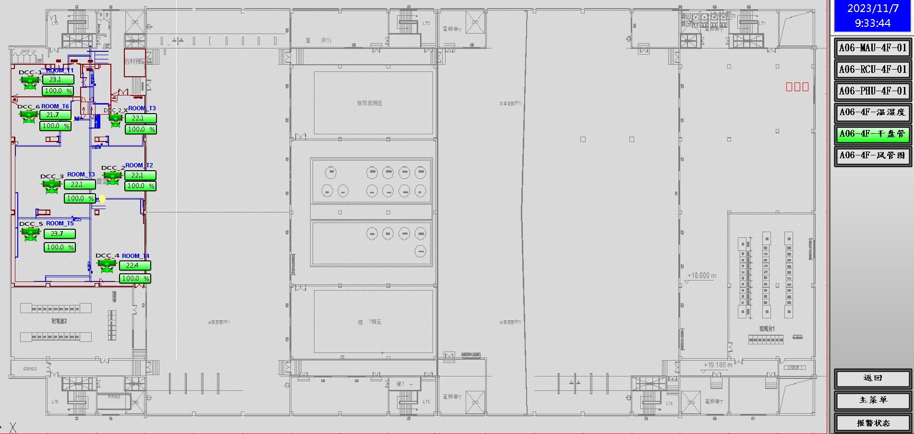
车间 | DCC名称 | 溫溼度看板 | 温度控制中值 | HIHI | HI | LO | LOLO | 湿度 | 看板點位 | 空调箱 | TCV_SP
空板检 | TCV_02X | TTHT01 | 22.5±2.5 | 25 | 24.6 | 20.4 | 20 |  | A06_CR_4F_ROOM_KB_TT01 | MAU401 | 22
 | TCV_01 |  |  |  |  |  |  |  |  |  | 22
 | TCV_02 |  |  |  |  |  |  |  |  |  | 22
 | TCV_04 |  |  |  |  |  |  |  |  |  | 22
 | TCV_05 |  |  |  |  |  |  |  |  |  | 21.5
 | TCV_06 |  |  |  |  |  |  |  |  |  | 22
 | TCV_02X | TTHT02 | 22.5±2.5 | 25 | 24.6 | 20.4 | 20 |  | A06_CR_4F_ROOM_KB_TT02 |  | 22
 | TCV_01 |  |  |  |  |  |  |  |  |  | 22
 | TCV_02 |  |  |  |  |  |  |  |  |  | 22
 | TCV_04 |  |  |  |  |  |  |  |  |  | 22
 | TCV_05 |  |  |  |  |  |  |  |  |  | 21.5

