1F
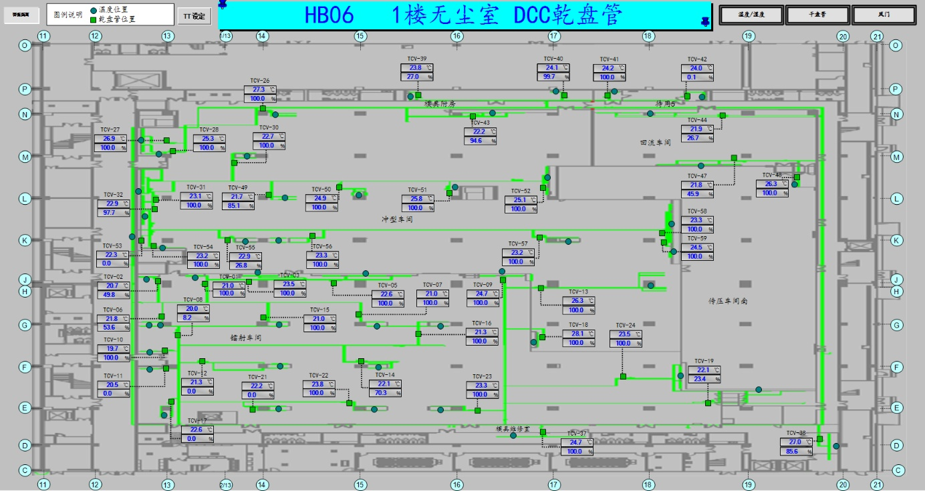
车间 | TCV名称 | 溫溼度看板 | SP | HIHI | HI | LO | LOLO | 濕度 | 看板点位 | 空调箱
鐳射車間 | TCV_01 | TTHT_02 | 22±2 | 24 | 23.6 | 20.4 | 20 | 50%~60% | A06_CR_1F_ROOM_TT_02 | MAU401/402/403/404/405
 | TCV_02
 | TCV_03
 | TCV_06
 | TCV_08
 | TCV_10
 | TCV_11
 | TCV_12
 | TCV_15
 | TCV_17
 | TCV_21
 | TCV_22
 | TCV_05 | TTHT_01 |  |  |  |  |  |  | A06_CR_1F_ROOM_TT_01
 | TCV_07
 | TCV_09
 | TCV_13
 | TCV_14
 | TCV_16
 | TCV_18
 | TCV_19
 | TCV_23
設備辦公室
 | TCV_24
沖型車間 | TCV_26 | TTHT_10 |  |  |  |  |  | 45%~65% | A06_CR_1F_ROOM_TT_10 | MAU201/202/203
 | TCV_27
 | TCV_28
 | TCV_30
 | TCV_31
 | TCV_32
 | TCV_43
 | TCV_47
 | TCV_48
 | TCV_49 | TTHT_14 |  |  |  |  |  |  | A06_CR_1F_ROOM_TT14
 | TCV_50
 | TCV_51
 | TCV_52
 | TCV_53
 | TCV_54
 | TCV_55
 | TCV_56
 | TCV_57
 | TCV_58
 | TCV_59
回流車間 | TCV_44 | TTHT_11 |  |  |  |  |  |  | A06_CR_1F_ROOM_TT_11
模具附房 | TCV_39 | TTHT_08 | 22±2 | 24 | 23.6 | 20.4 | 20 | 5%~75% | A06_CR_1F_ROOM_TT_08
 | TCV_40
 | TCV_41 | TTHT09 |  |  |  |  |  | 5%~70% | A06_CR_1F_ROOM_TT_09
 | TCV_42

2F
车间 | TCV名称 | 溫溼度看板 | SP | HIHI | HI | LO | LOLO | 濕度 | 看板点位 | 空调箱
防焊 | TCV_01 | TTHT_03 | 22±2 | 24 | 23.6 | 20.4 | 20 | 50%~60% | A06_CR_2F_ROOM_TT03 | 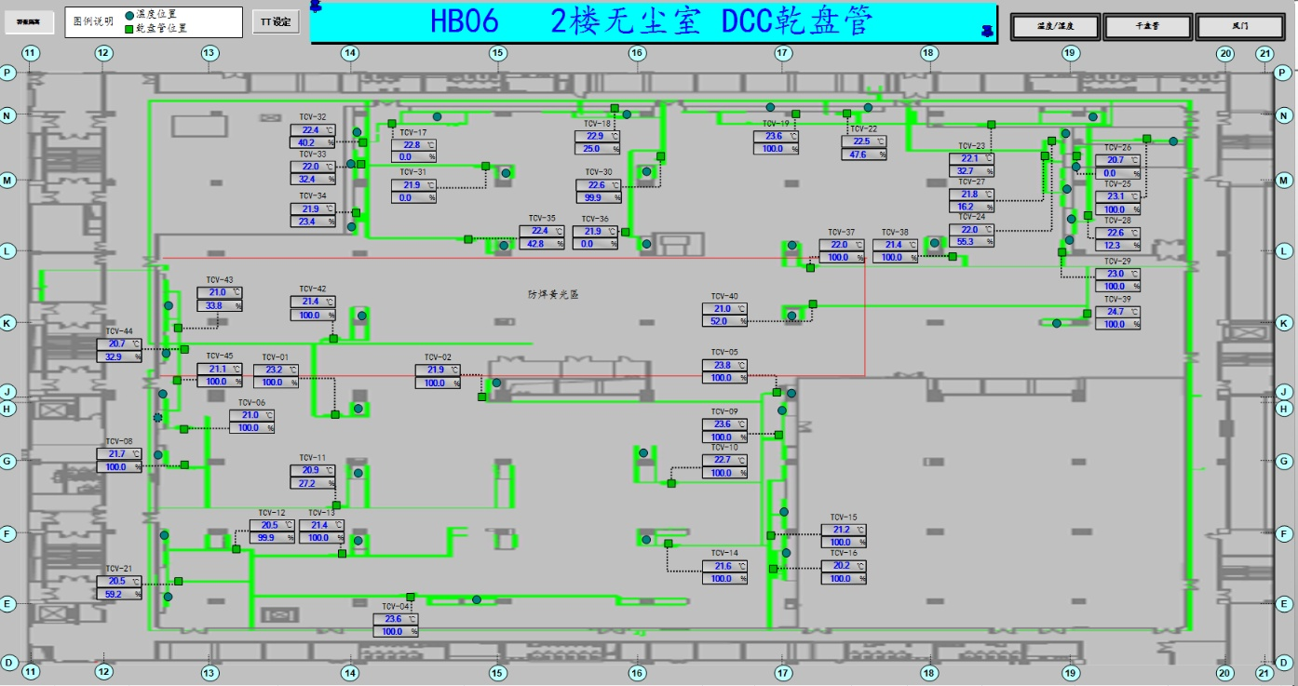 MAU401/402/403/404/405
 | TCV_02
 | TCV_06
 | TCV_08
 | TCV_11
 | TCV_12
 | TCV_13
 | TCV_21
 | TCV_42
 | TCV_43
 | TCV_44
 | TCV_45
 | TCV_04 | TTHT_01 |  |  |  |  |  | 40%~70% | A06_CR_2F_ROOM_TT_01
 | TCV_05
 | TCV_10
 | TCV_14
 | TCV_15
 | TCV_16
 | TCV_17 | TTHT_02 |  |  |  |  |  | 50%~60% | A06_CR_2F_ROOM_TT02 | M201/202/203
 | TCV_18
 | TCV_30
 | TCV_31
 | TCV_32
 | TCV_33
 | TCV_34
 | TCV_35
 | TCV_36
 | TCV_23 | TTHT_08 |  |  |  |  |  |  | A06_CR_2F_ROOM_TT08
 | TCV_24
 | TCV_37
 | TCV_38
 | TCV_40
 | TCV_23 | TTHT_07 | 20.5±3.5 | 24 | 23.6 | 17.4 | 17 | 45%~65% | A06_CR_2F_ROOM_TT07
 | TCV_24
 | TCV_25
 | TCV_27
 | TCV_29
 | TCV_19 | TCV_19 | 21.5±4 | 25.5 | 25 | 18 | 17.5 |  | A06_CR_2F_DCC_TT19
 | TCV_22 | TCV_22 |  |  |  |  |  |  | A06_CR_2F_DCC_TT22
 | TCV_26 | TCV_26 |  |  |  |  |  |  | A06_CR_2F_DCC_TT26
 | TCV_28 | TCV_28 |  |  |  |  |  |  | A06_CR_2F_DCC_TT28
 | TCV_37 | TTHT_04 | 22±2 | 24 | 23.8 | 20.2 | 20 | 45%~65% | A06_CR_2F_ROOM_TT04
 | TCV_38
 | TCV_39
 | TCV_40

3F
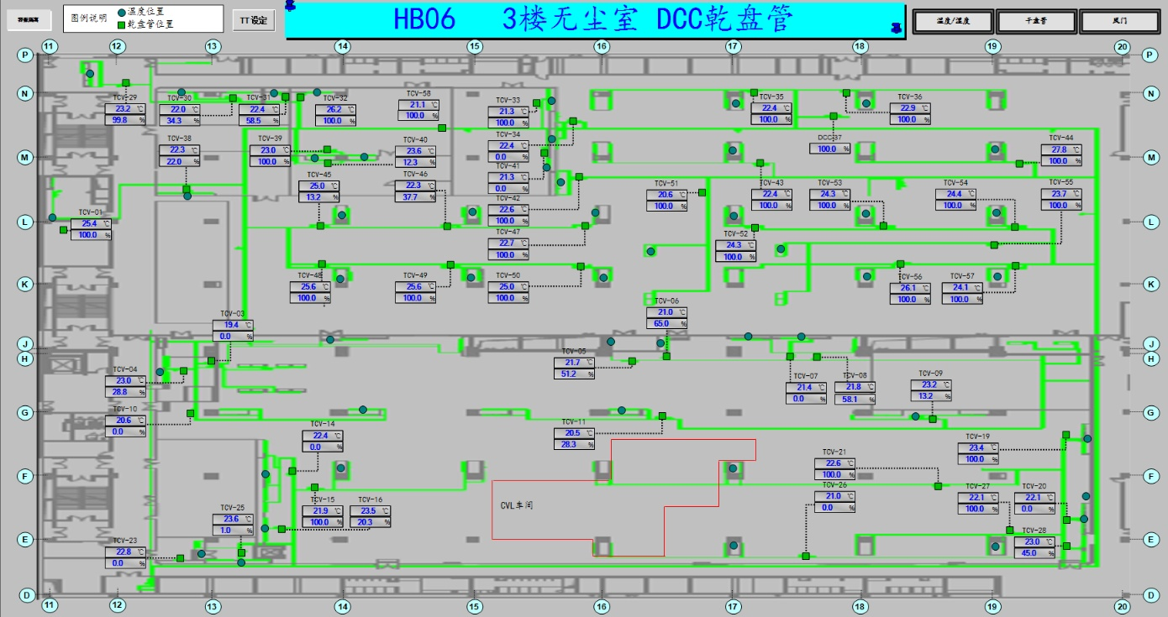
车间 | TCV名称 | 溫溼度看板 | SP | HIHI | HI | LO | LOLO | 濕度 | 看板点位 | 空调箱
CVL | TCV_03 | TTHT_02 | 22±2 | 24 | 23.6 | 20.4 | 20 | 45%~65% | A06_CR_3F_ROOM_TT_02 | MAU401/402/403/404/405
 | TCV_04
 | TCV_10
 | TCV_11
 | TCV_14
 | TCV_15
 | TCV_16
 | TCV_23
 | TCV_25
 | TCV_07 | TTHT_03 |  |  |  |  |  |  | A06_CR_3F_ROOM_TT_03
 | TCV_08
 | TCV_09
 | TCV_19
 | TCV_20
 | TCV_21
 | TCV_26
 | TCV_27
 | TCV_28
 | TCV_05 | TCV_05 | 21.75±3.75 | 25.5 | 25 | 18.5 | 18 | 45%~65% | A06_CR_3F_DCC_TT05
 | TCV_06 | TCV_06 |  |  |  |  |  |  | A06_CR_3F_DCC_TT06
中央供藥 | TCV_01 | TTHT_01 | 22.5±5.5 | 28 | 27 | 18 | 17 | 1%~100% | A06_CR_3F_ROOM_TT_01 | M201/202/203
貼膠壓合 | TCV_35 | TTHT_08 | 22±2 | 24 | 23.6 | 20.4 | 20 | 35%~75% | A06_CR_3F_ROOM_TT08
 | TCV_36
 | TCV_42
 | TCV_43
 | TCV_44
 | TCV_47
 | TCV_48
 | TCV_49
 | TCV_50
 | TCV_51
 | TCV_52
 | TCV_53
 | TCV_54
 | TCV_55
 | TCV_56
 | TCV_57
實驗室 | TCV_29 | TTHT_04 | 22±5 | 27 | 26 | 18 | 17 | 15%~65% | A06_CR_3F_ROOM_TT04
 | TCV_30
 | TCV_31
 | TCV_32 | TTHT_06 |  |  |  |  |  | 40%~60% | A06_CR_3F_ROOM_TT06
 | TCV_39
 | TCV_38 | TTHT_05 |  |  |  |  |  | 45%~65% | A06_CR_3F_ROOM_TT05
 | TCV_40 | TTHT_11 |  |  |  |  |  | 40%~65% | A06_CR_3F_ROOM_TT11
 | TCV_33 | TTHT_07 |  |  |  |  |  |  | A06_CR_3F_ROOM_TT07
 | TCV_34

4F
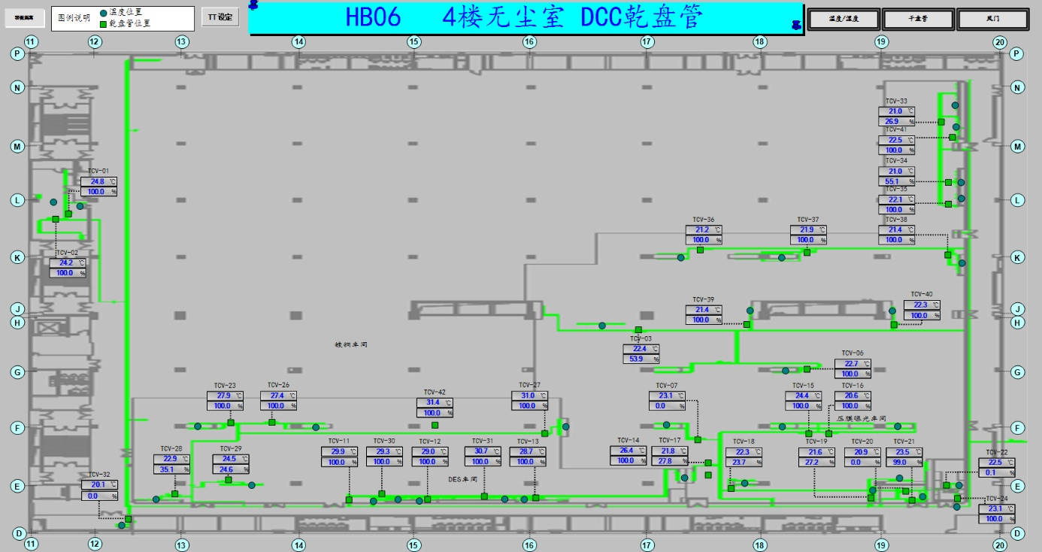
车间 | TCV名称 | 溫溼度看板 | SP | HIHI | HI | LO | LOLO | 濕度 | 看板点位 | 空调箱
DES | TCV_11 | TTHT_02 | 23±5 | 28 | 27 | 18.5 | 18 | 0%~100% | A06_CR_4F_ROOM_TT_02 | MAU401/402/403/404/405
 | TCV_12
 | TCV_13
 | TCV_23
 | TCV_26
 | TCV_27
 | TCV_28
 | TCV_29
 | TCV_30
 | TCV_31
 | TCV_42
壓膜曝光 | TCV_03 | TTHT_01 | 22±2 | 24 | 23.5 | 20.5 | 20 | 45%~65% | A06_CR_4F_ROOM_TT_01
 | TCV_07
 | TCV_14
 | TCV_15
 | TCV_16
 | TCV_17
 | TCV_18
 | TCV_19
 | TCV_20
 | TCV_22
 | TCV_24
 | TCV_36
 | TCV_21 | TTHT_03 |  |  |  |  |  | 40%~66% | A06_CR_4F_ROOM_TT_03
 | TCV_06 | TTHT_06 | 22±2 | 24 | 23 | 20.2 | 20 | 45%~65% | A06_CR_4F_ROOM_TT06 | MAU201/202/203
 | TCV_33
 | TCV_34
 | TCV_35
 | TCV_37
 | TCV_38
 | TCV_39
 | TCV_40
 | TCV_41

