1F
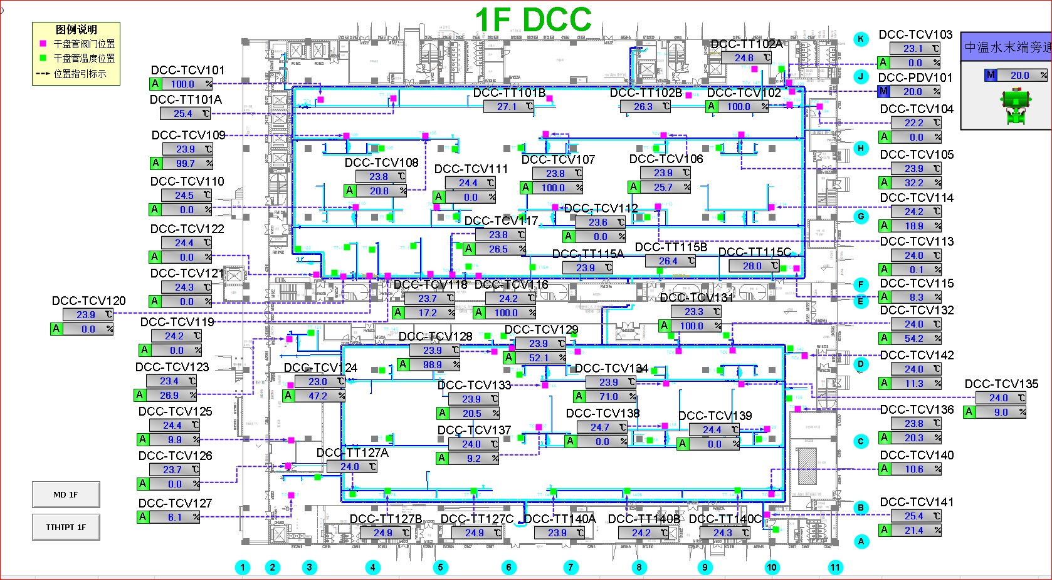
车间 | DCC名称 | 溫溼度看板 | 温度控制中值 | HIHI | HI | LO | LOLO | 湿度 | 看板點位 | 空调箱 | TCV_SP
模组车间 | TCV_02 | TTHT103 | 25±3 | 28 | 27 | 23 | 22 | 40%-60% | SB02_CR_1F_TTHT_TT03 | MAU101/MAU102 | 24.5
 | TCV_05 |  |  |  |  |  |  |  |  |  | 25
 | TCV_01 | TTHT101 |  |  |  |  |  |  | SB02_CR_1F_TTHT_TT01 |  | 24
 | TCV_08 |  |  |  |  |  |  |  |  |  | 23.5
 | TCV_09 |  |  |  |  |  |  |  |  |  | 23.5
 | TCV_10 |  |  |  |  |  |  |  |  |  | 24
 | TCV_07 | TTHT102 |  |  |  |  |  |  | SB02_CR_1F_TTHT_TT02 |  | 24.5
 | TCV_11 | TTHT105 |  |  |  |  |  |  | SB02_CR_1F_TTHT_TT05 |  | 24
 | TCV_06 | TTHT106 |  |  |  |  |  |  | SB02_CR_1F_TTHT_TT06 |  | 25
 | TCV_12 |  |  |  |  |  |  |  |  |  | 24
 | TCV_13 | TTHT113 |  |  |  |  |  |  | SB02_CR_1F_TTHT_TT13 |  | 23.5
 | TCV_14 |  |  |  |  |  |  |  |  |  | 23.5
 | TCV_15 |  |  |  |  |  |  |  |  |  | 24
线边仓 | TCV_20 | TTHT104 |  |  |  |  |  |  | SB02_CR_1F_TTHT_TT04 |  | 23.5
 | TCV_21 |  |  |  |  |  |  |  |  |  | 23.5
模组车间 | TCV_24 | TTHT107 |  |  |  |  |  |  | SB02_CR_1F_TTHT_TT07 | MAU103 | 24.5
 | TCV_28 | TTHT108 |  |  |  |  |  |  | SB02_CR_1F_TTHT_TT08 |  | 23.5
 | TCV_29 |  |  |  |  |  |  |  |  |  | 24.5
 | TCV_33 |  |  |  |  |  |  |  |  |  | 24.5
 | TCV_31 | TTHT109 |  |  |  |  |  |  | SB02_CR_1F_TTHT_TT09 |  | 24
 | TCV_32 |  |  |  |  |  |  |  |  |  | 24.5
 | TCV_34 |  |  |  |  |  |  |  |  |  | 24.5
 | TCV_35 |  |  |  |  |  |  |  |  |  | 25
 | TCV_36 |  |  |  |  |  |  |  |  |  | 24.5
 | TCV_42 |  |  |  |  |  |  |  |  |  | 25
 | TCV_27 | TTHT110 |  |  |  |  |  |  | SB02_CR_1F_TTHT_TT10 |  | 24
 | TCV_25 |  |  |  |  |  |  |  |  |  | 24.5
 | TCV_27 | TTHT111 |  |  |  |  |  |  | SB02_CR_1F_TTHT_TT11 |  | 24
 | TCV_37 |  |  |  |  |  |  |  |  |  | 24
 | TCV_38 | TTHT112 |  |  |  |  |  |  | SB02_CR_1F_TTHT_TT12 |  | 24
 | TCV_39 |  |  |  |  |  |  |  |  |  | 24
 | TCV_40 |  |  |  |  |  |  |  |  |  | 25

2F
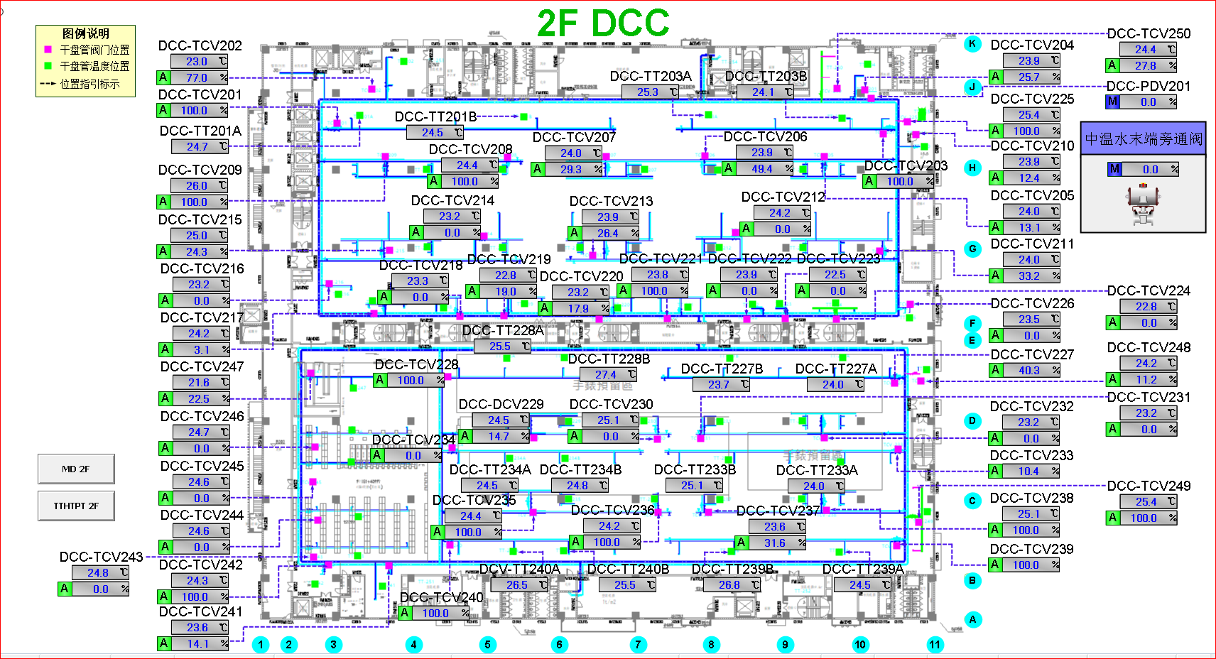
车间 | DCC名称 | 溫溼度看板 | 温度控制中值 | HIHI | HI | LO | LOLO | 湿度 | 看板點位 | 空调箱 | TCV_SP
模组车间 | TCV_01 | TTHT201 | 25±3 | 28 | 27 | 23 | 22 | 40%-60% | SB02_CR_2F_TTHT_TT01 | MAU201/MAU202 | 24
 | TCV_08 |  |  |  |  |  |  |  |  |  | 24
 | TCV_09 |  |  |  |  |  |  |  |  |  | 25
 | TCV_07 | TTHT202 |  |  |  |  |  |  | SB02_CR_2F_TTHT_TT02 |  | 24.5
 | TCV_08 |  |  |  |  |  |  |  |  |  | 24
 | TCV_03 | TTHT203 |  |  |  |  |  |  | SB02_CR_2F_TTHT_TT03 |  | 24.5
 | TCV_05 |  |  |  |  |  |  |  |  |  | 25
 | TCV_06 |  |  |  |  |  |  |  |  |  | 25
 | TCV_16 | TTHT204 |  |  |  |  |  |  | SB02_CR_2F_TTHT_TT04 |  | 25
 | TCV_18 |  |  |  |  |  |  |  |  |  | 23.5
 | TCV_13 | TTHT205 |  |  |  |  |  |  | SB02_CR_2F_TTHT_TT05 |  | 24.5
 | TCV_15 |  |  |  |  |  |  |  |  |  | 25
 | TCV_14 |  |  |  |  |  |  |  |  |  | 24.5
 | TCV_11 | TTHT206 |  |  |  |  |  |  | SB02_CR_2F_TTHT_TT06 |  | 24
 | TCV_12 |  |  |  |  |  |  |  |  |  | 24.5
 | TCV_24 |  |  |  |  |  |  |  |  |  | 24.5
 | TCV_26 |  |  |  |  |  |  |  |  |  | 24.5
模组车间 | TCV_27 | TTHT210 |  |  |  |  |  |  | SB02_CR_2F_TTHT_TT10 | MAU203/MAU204 | 24.5
 | TCV_32 |  |  |  |  |  |  |  |  |  | 23.5
 | TCV_33 |  |  |  |  |  |  |  |  |  | 24.5
 | TCV_28 | TTHT207 |  |  |  |  |  |  | SB02_CR_2F_TTHT_TT07 |  | 24.5
 | TCV_29 |  |  |  |  |  |  |  |  |  | 24.5
 | TCV_30 | TTHT208 |  |  |  |  |  |  | SB02_CR_2F_TTHT_TT08 |  | 24
 | TCV_34 |  |  |  |  |  |  |  |  |  | 23.5
 | TCV_31 | TTHT209 |  |  |  |  |  |  | SB02_CR_2F_TTHT_TT09 |  | 23.5
 | TCV_35 | TTHT211 |  |  |  |  |  |  | SB02_CR_2F_TTHT_TT11 |  | 24
 | TCV_40 |  |  |  |  |  |  |  |  |  | 24.5
 | TCV_34 | TTHT212 |  |  |  |  |  |  | SB02_CR_2F_TTHT_TT12 |  | 23.5
 | TCV_30 |  |  |  |  |  |  |  |  |  | 24
 | TCV_36 | TTHT213 |  |  |  |  |  |  | SB02_CR_2F_TTHT_TT13 |  | 24
 | TCV_37 |  |  |  |  |  |  |  |  |  | 24
 | TCV_38 | TTHT214 |  |  |  |  |  |  | SB02_CR_2F_TTHT_TT14 |  | 24
 | TCV_39 |  |  |  |  |  |  |  |  |  | 24.5

3F
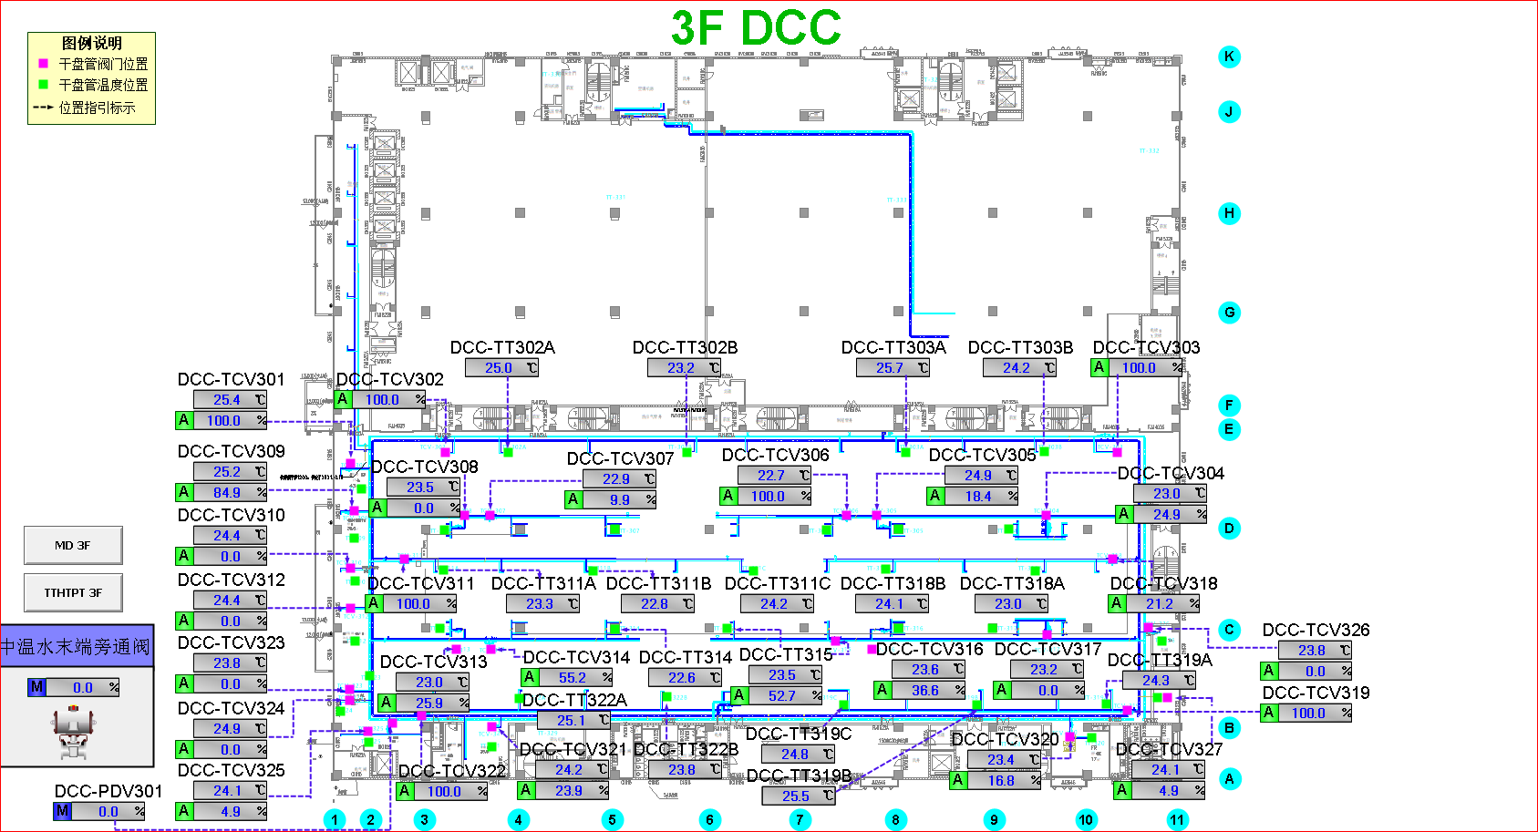
车间 | DCC名称 | 溫溼度看板 | 温度控制中值 | HIHI | HI | LO | LOLO | 湿度 | 看板點位 | 空调箱 | TCV_SP
模组车间 | TCV_19 | TTHT308 | 25±3 | 28 | 27 | 23 | 22 | 40%-60% | SB02_CR_3F_TTHT_TT08 | MAU301/MAU302 | 23
 | TCV_17 |  |  |  |  |  |  |  |  |  | 24
 | TCV_19 | TTHT311 |  |  |  |  |  |  | SB02_CR_3F_TTHT_TT11 |  | 23
 | TCV_08 | TTHT301 |  |  |  |  |  |  | SB02_CR_3F_TTHT_TT01 |  | 24
 | TCV_14 | TTHT305 |  |  |  |  |  |  | SB02_CR_3F_TTHT_TT05 |  | 23
 | TCV_05 | TTHT302 |  |  |  |  |  |  | SB02_CR_3F_TTHT_TT02 |  | 23.5
 | TCV_06 | TTHT303 |  |  |  |  |  |  | SB02_CR_3F_TTHT_TT03 |  | 24
 | TCV_03 | TTHT304 |  |  |  |  |  |  | SB02_CR_3F_TTHT_TT04 |  | 23.5
 | TCV_04 |  |  |  |  |  |  |  |  |  | 23
 | TCV_16 | TTHT306 |  |  |  |  |  |  | SB02_CR_3F_TTHT_TT06 |  | 24
 | TCV_16 | TTHT307 |  |  |  |  |  |  | SB02_CR_3F_TTHT_TT07 |  | 24
 | TCV_22 | TTHT309 |  |  |  |  |  |  | SB02_CR_3F_TTHT_TT09 |  | 24
 | TCV_13 |  |  |  |  |  |  |  |  |  | 24
 | TCV_14 |  |  |  |  |  |  |  |  |  | 23
 | TCV_15 | TTHT310 |  |  |  |  |  |  | SB02_CR_3F_TTHT_TT10 |  | 23.5
 | TCV_02 | TTHT312 |  |  |  |  |  |  | SB02_CR_3F_TTHT_TT12 |  | 24
 | TCV_07 |  |  |  |  |  |  |  |  |  | 24

5F
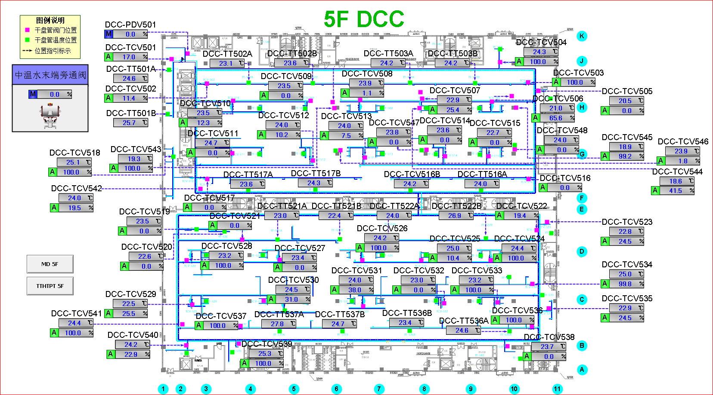
车间 | DCC名称 | 溫溼度看板 | 温度控制中值 | HIHI | HI | LO | LOLO | 湿度 | 看板點位 | 空调箱 | TCV_SP
千级无尘棚 | TCV_43 | TTHT518 | 18.5±1.5 | 20 | 19.8 | 17.2 | 17 | 40%-60% | SB02_CR_5F_TTHT_TT18 | MAU501/MAU502 | 18
 | TCV_44 | TTHT519 |  |  |  |  |  |  | SB02_CR_5F_TTHT_TT19 |  | 18
 | TCV_45 | TTHT520 |  |  |  |  |  |  | SB02_CR_5F_TTHT_TT20 |  | 18
 | TCV_46 | TTHT521 |  |  |  |  |  |  | SB02_CR_5F_TTHT_TT21 |  | 18
 | TCV_47 | TTHT522 |  |  |  |  |  |  | SB02_CR_5F_TTHT_TT22 |  | 18
 | TCV_48 | TTHT523 |  |  |  |  |  |  | SB02_CR_5F_TTHT_TT23 |  | 18
模组车间 | TCV_02 | TTHT501 | 25±3 | 28 | 27 | 23 | 22 |  | SB02_CR_5F_TTHT_TT01 |  | 24
 | TCV_09 |  |  |  |  |  |  |  |  |  | 24
 | TCV_10 |  |  |  |  |  |  |  |  |  | 24
 | TCV_11 | TTHT504 |  |  |  |  |  |  | SB02_CR_5F_TTHT_TT04 |  | 24
 | TCV_17 |  |  |  |  |  |  |  |  |  | 24
 | TCV_08 | TTHT505 |  |  |  |  |  |  | SB02_CR_5F_TTHT_TT05 |  | 24
 | TCV_12 |  |  |  |  |  |  |  |  |  | 24
 | TCV_13 |  |  |  |  |  |  |  |  |  | 24
 | TCV_14 | TTHT506 |  |  |  |  |  |  | SB02_CR_5F_TTHT_TT06 |  | 24
 | TCV_15 |  |  |  |  |  |  |  |  |  | 24
 | TCV_03 | TTHT503 |  |  |  |  |  |  | SB02_CR_5F_TTHT_TT03 |  | 24
 | TCV_05 |  |  |  |  |  |  |  |  |  | 24
 | TCV_06 |  |  |  |  |  |  |  |  |  | 24
 | TCV_07 |  |  |  |  |  |  |  |  |  | 24
实验室 | TCV_29 | TTHT515 | 23±1 | 24 | 23.8 | 22.3 | 22 | 50%±5% | SB02_CR_5F_TTHT_TT15 | MAU503/MAU504 | 23
 | TCV_41 |  |  |  |  |  |  |  |  |  | 23
模组车间 | TCV_22 | TTHT510 | 25±3 | 28 | 27 | 23 | 22 | 40%-60% | SB02_CR_5F_TTHT_TT10 |  | 24
 | TCV_24 |  |  |  |  |  |  |  |  |  | 24
 | TCV_26 | TTHT508 |  |  |  |  |  |  | SB02_CR_5F_TTHT_TT08 |  | 24
 | TCV_25 | TTHT509 |  |  |  |  |  |  | SB02_CR_5F_TTHT_TT09 |  | 24
 | TCV_21 | TTHT511 |  |  |  |  |  |  | SB02_CR_5F_TTHT_TT11 |  | 24
 | TCV_27 |  |  |  |  |  |  |  |  |  | 24
 | TCV_30 |  |  |  |  |  |  |  |  |  | 24
 | TCV_31 | TTHT512 |  |  |  |  |  |  | SB02_CR_5F_TTHT_TT12 |  | 24
 | TCV_32 | TTHT513 |  |  |  |  |  |  | SB02_CR_5F_TTHT_TT13 |  | 24
 | TCV_33 | TTHT514 |  |  |  |  |  |  | SB02_CR_5F_TTHT_TT14 |  | 24
 | TCV_34 |  |  |  |  |  |  |  |  |  | 24
 | TCV_36 |  |  |  |  |  |  |  |  |  | 24
 | TCV_37 | TTHT516 | 23±5 | 28 | 27 | 19 | 18 | 40%-60% | SB02_CR_5F_TTHT_TT16 |  | 24

6F
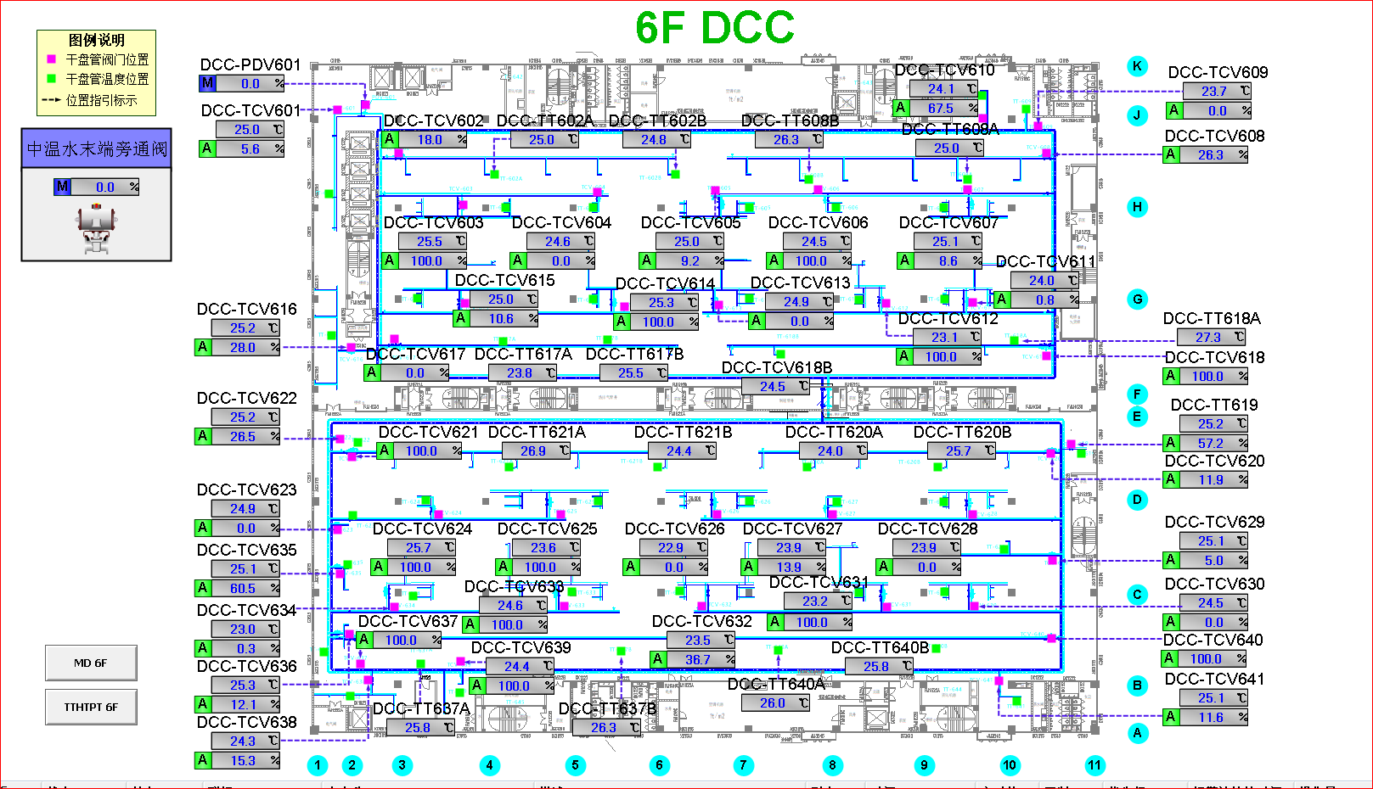
车间 | DCC名称 | 溫溼度看板 | 温度控制中值 | HIHI | HI | LO | LOLO | 湿度 | 看板點位 | 空调箱 | TCV_SP
模组车间 | TCV_03 | TTHT601 | 25±3 | 28 | 27 | 23 | 22 | 40%-60% | SB02_CR_6F_TTHT_TT01 | MAU601/MAU602 | 25
 | TCV_02 |  |  |  |  |  |  |  |  |  | 25
 | TCV_02 | TTHT602 |  |  |  |  |  |  | SB02_CR_6F_TTHT_TT02 |  | 25
 | TCV_04 |  |  |  |  |  |  |  |  |  | 24
 | TCV_05 |  |  |  |  |  |  |  |  |  | 24
 | TCV_03 | TTHT604 |  |  |  |  |  |  | SB02_CR_6F_TTHT_TT04 |  | 25
 | TCV_15 |  |  |  |  |  |  |  |  |  | 24.5
 | TCV_17 |  |  |  |  |  |  |  |  |  | 25
 | TCV_13 | TTHT605 |  |  |  |  |  |  | SB02_CR_6F_TTHT_TT05 |  | 23.5
 | TCV_17 |  |  |  |  |  |  |  |  |  | 25
 | TCV_14 |  |  |  |  |  |  |  |  |  | 24.5
 | TCV_06 | TTHT606 |  |  |  |  |  |  | SB02_CR_6F_TTHT_TT06 |  | 23.5
 | TCV_12 |  |  |  |  |  |  |  |  |  | 23.5
 | TCV_18 |  |  |  |  |  |  |  |  |  | 24
 | TCV_07 | TTHT603 |  |  |  |  |  |  | SB02_CR_6F_TTHT_TT03 |  | 24
 | TCV_08 |  |  |  |  |  |  |  |  |  | 23.5
 | TCV_11 |  |  |  |  |  |  |  |  |  | 24.5
模组车间 | TCV_20 | TTHT610 |  |  |  |  |  |  | SB02_CR_6F_TTHT_TT10 | MAU603/MAU604 | 24.5
 | TCV_28 |  |  |  |  |  |  |  |  |  | 24.5
 | TCV_29 |  |  |  |  |  |  |  |  |  | 24.5
 | TCV_21 | TTHT607 |  |  |  |  |  |  | SB02_CR_6F_TTHT_TT07 |  | 23
 | TCV_26 | TTHT608 |  |  |  |  |  |  | SB02_CR_6F_TTHT_TT08 |  | 24.5
 | TCV_40 | TTHT612 |  |  |  |  |  |  | SB02_CR_6F_TTHT_TT12 |  | 25
 | TCV_32 |  |  |  |  |  |  |  |  |  | 25
 | TCV_20 | TTHT609 |  |  |  |  |  |  | SB02_CR_6F_TTHT_TT09 |  | 24.5
 | TCV_27 |  |  |  |  |  |  |  |  |  | 24.5
 | TCV_40 | TTHT613 |  |  |  |  |  |  | SB02_CR_6F_TTHT_TT13 |  | 25
 | TCV_31 |  |  |  |  |  |  |  |  |  | 24.5
 | TCV_30 | TTHT614 |  |  |  |  |  |  | SB02_CR_6F_TTHT_TT14 |  | 25
 | TCV_40 |  |  |  |  |  |  |  |  |  | 25
 | TCV_24 | TTHT611 |  |  |  |  |  |  | SB02_CR_6F_TTHT_TT11 |  | 24
 | TCV_25 |  |  |  |  |  |  |  |  |  | 24.5
 | TCV_33 |  |  |  |  |  |  |  |  |  | 23.5
 | TCV_34 |  |  |  |  |  |  |  |  |  | 23.5
 | TCV_37 |  |  |  |  |  |  |  |  |  | 25

7F
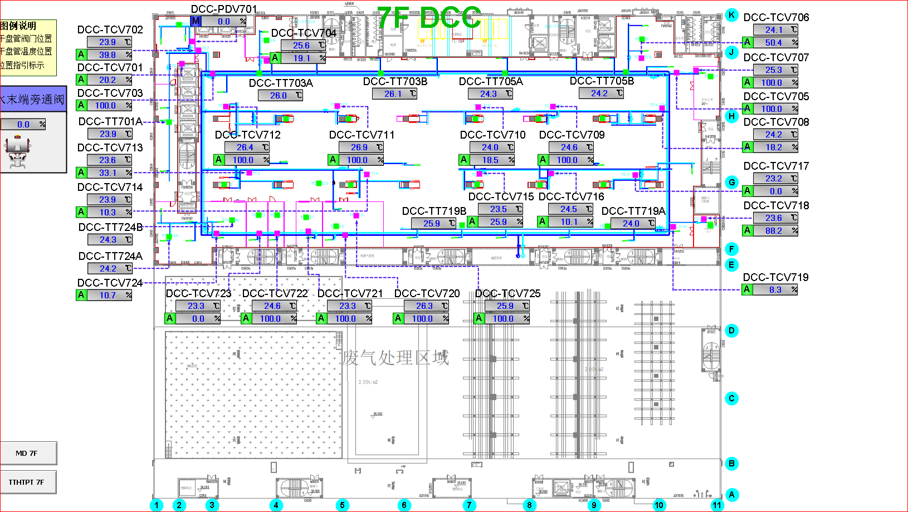
车间 | DCC名称 | 溫溼度看板 | 温度控制中值 | HIHI | HI | LO | LOLO | 湿度 | 看板點位 | 空调箱 | TCV_SP
模组车间 | TCV_03 | TTHT702 | 25±3 | 28 | 27 | 23 | 22 | 40%-60% | SB02_CR_7F_TTHT_TT02 | MAU701/MAU702 | 24.5
 | TCV_11 |  |  |  |  |  |  |  |  |  | 24
 | TCV_12 |  |  |  |  |  |  |  |  |  | 24
 | TCV_13 | TTHT704 |  |  |  |  |  |  | SB02_CR_7F_TTHT_TT04 |  | 24
 | TCV_05 | TTHT703 |  |  |  |  |  |  | SB02_CR_7F_TTHT_TT03 |  | 24
 | TCV_06 |  |  |  |  |  |  |  |  |  | 24
 | TCV_08 |  |  |  |  |  |  |  |  |  | 24
 | TCV_09 |  |  |  |  |  |  |  |  |  | 24.5
 | TCV_10 | TTHT705 |  |  |  |  |  |  | SB02_CR_7F_TTHT_TT05 |  | 24.5
 | TCV_14 |  |  |  |  |  |  |  |  |  | 23
 | TCV_15 |  |  |  |  |  |  |  |  |  | 24
 | TCV_16 | TTHT706 |  |  |  |  |  |  | SB02_CR_7F_TTHT_TT06 |  | 24.5
 | TCV_17 |  |  |  |  |  |  |  |  |  | 23
 | TCV_19 |  |  |  |  |  |  |  |  |  | 24

