Linear sheet
Speed | Energy (Wh/km)
10 | 40
20 | 50
30 | 62
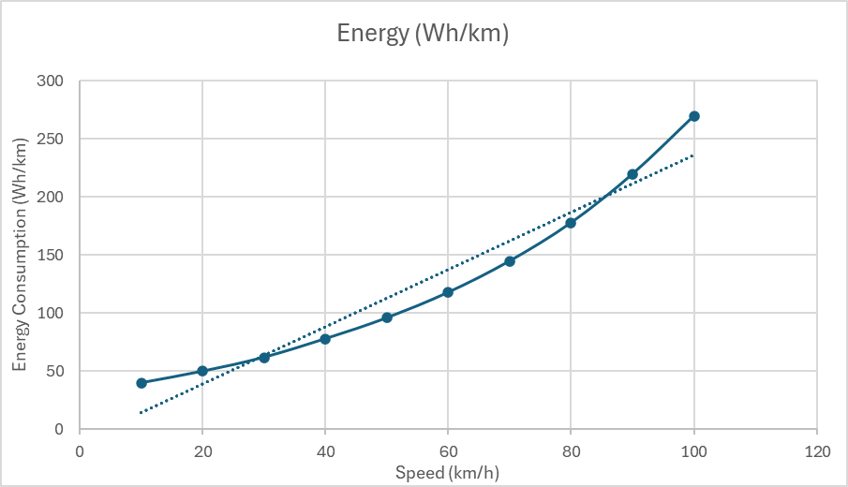
40 | 78
50 | 96
60 | 118
70 | 145
80 | 178
90 | 220
100 | 270

Polynomial sheet
Speed | Energy (Wh/km)
10 | 40
20 | 50
30 | 62
40 | 78
50 | 96
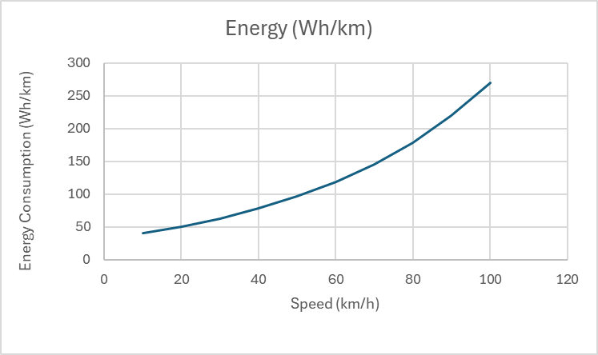
60 | 118
70 | 145
80 | 178
90 | 220
100 | 270

