stm32 AUVIC
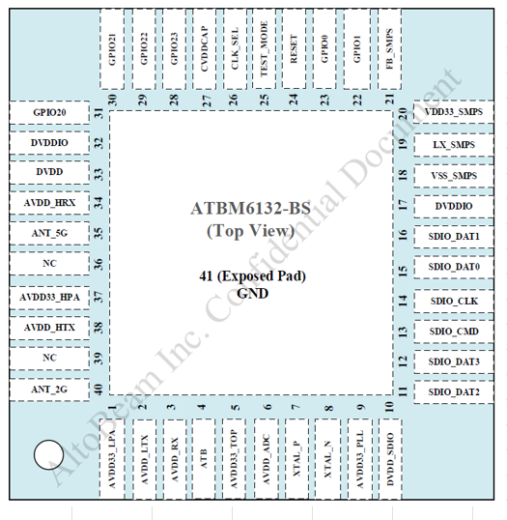
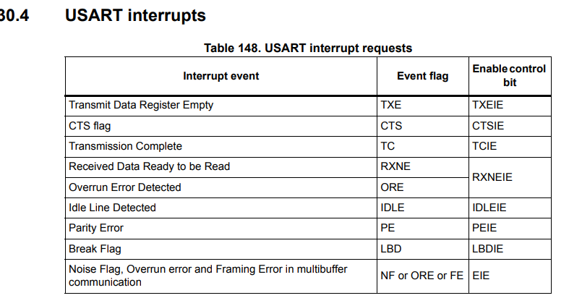
STM32F429I-DISC1 |  | practice board ERIC |  |  |  |  |  | tutorials/Embedded_Systems/embedded_systems_bare_metal_programming_ground_up.md at master · a5221985/tutorials · GitHub
 | https://www.st.com/en/evaluation-tools/32f429idiscovery.html#documentation
data | https://www.st.com/en/microcontrollers-microprocessors/stm32f429-439/documentation.html |  |  |  |  |  |  |  |  | buffer for transmitting

Steps for configering a GPIO pin

 | enable clock for gpio(x)
 | enable clock for what you are using pin for (uart,pwm..etc)

 | Set pin to desired mode (Input,Output, AF mode, Analog mode)
if AF mode | Select which AF number (AF0....AF15)

 | stm32f4xx.h
 | init RCC for uart |  |  |  |  |  |  |  | #include "stm32f4xx.h" // Include the STM32F4xx header for register definitions
 | config baud rate |  | 16MHz | 115200 BR |  | stm formula = F / 16*BR
 | init interrupts |  |  |  |  | uart div = 8.68 |  |  | // Function prototypes
 |  |  |  |  |  | m = 8 |  |  | void UART_Init(void);
 | cb2102 usb uart |  |  |  |  | frac = 0.68 *16 (b/c 4 bits for frac) |  |  | void LED_Init(void);
 | may need to install driver on PC |  |  |  |  | frac = 10.8 |  |  | void Process_Command(char *cmd);
 | TXD = GRN |  |  |  |  | frac rounded = 11 |  |  | void UART_SendString(const char *str);
 | RXD=YELLOW |  |  |  |  | m= 0x8 | 0x8 |  | void USART2_IRQHandler(void);
 | GND=ORNG |  |  |  |  | frac = 0xb
 | RED=+5V |  |  |  |  | uart_brr = 0xb8 |  |  | // Command buffer and index
 |  |  |  |  |  |  |  |  | #define CMD_BUFFER_SIZE 50
 |  |  |  |  |  |  |  |  | char cmd_buffer[CMD_BUFFER_SIZE];
 |  |  |  |  |  |  |  |  | uint8_t cmd_index = 0;

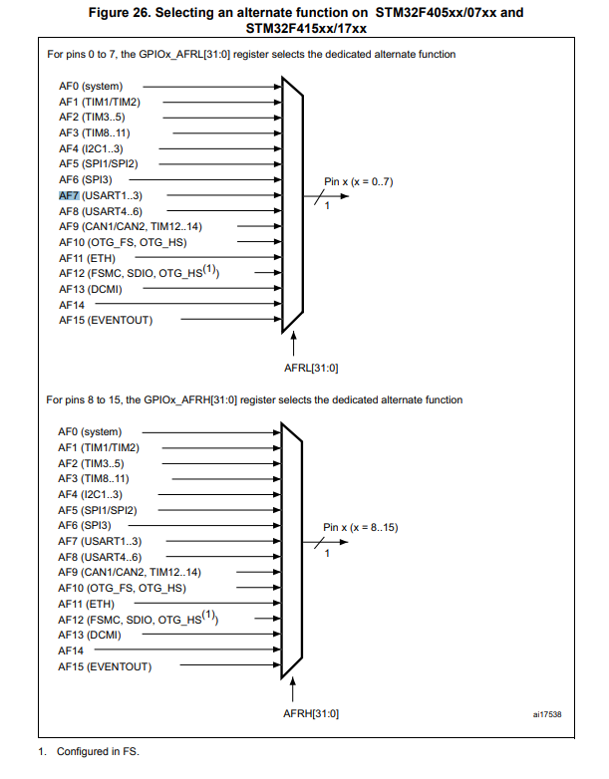
 |  |  |  |  |  |  |  |  | // 1. UART Initialization
 |  |  |  |  |  |  |  |  | void UART_Init(void)
 |  |  |  |  |  |  |  |  | {
 |  |  |  |  |  |  |  |  | // Enable the USART2 clock on APB1
 |  |  |  |  |  |  |  |  | RCC->APB1ENR |= RCC_APB1ENR_USART2EN;

 |  |  |  |  |  |  |  |  | // Enable GPIOA clock for PA2 (TX) and PA3 (RX)
 |  |  |  |  |  |  |  |  | RCC->AHB1ENR |= RCC_AHB1ENR_GPIOAEN; | TODO

 |  |  |  |  |  |  |  |  | // Set PA2 and PA3 to alternate function mode (AF7 for USART2) | create interrupt that triggers on above
 |  |  |  |  |  |  |  |  | GPIOA->MODER &= ~(GPIO_MODER_MODER2 | GPIO_MODER_MODER3); // Clear the bits first
 |  |  |  |  |  |  |  |  | GPIOA->MODER |= (GPIO_MODER_MODER2_1 | GPIO_MODER_MODER3_1); // Set alternate function mode | case 1 : TXE ready for transmitting since empty
 |  |  |  |  |  |  |  |  | GPIOA->AFR[0] |= (7 << 8) | (7 << 12); // Set AF7 (USART2) for PA2 and PA3 | case 2: RXNE data is in receive buffer and ready to be received
 |  |  |  |  |  |  |  |  |  | case3: transmission complete
 |  |  |  |  |  |  |  |  | // Configure the baud rate
 |  |  |  |  |  |  |  |  | USART2->BRR = (16000000 / 115200); // Assuming PCLK1 is 16 MHz for 115200 baud | try triggering interrupt when receiving a byte
 |  |  |  |  |  |  |  |  |  | first enable RXNIE
 |  |  |  |  |  |  |  |  | // Enable USART, TX, RX and RXNE interrupt
 |  |  |  |  |  |  |  |  | USART2->CR1 = USART_CR1_UE | USART_CR1_TE | USART_CR1_RE | USART_CR1_RXNEIE;

 |  |  |  |  |  |  |  |  | // Enable USART2 interrupt in NVIC
 |  |  |  |  |  |  |  |  | NVIC_EnableIRQ(USART2_IRQn); | char buf[]="beeb"
 |  |  |  |  |  |  |  |  | } | volatile uint8_t idx = 0;

 |  |  |  |  |  |  |  |  |  | void interruptFunc (void) {

 |  |  |  |  | USART CR1 |  |  |  |  |  | if (TX register is empty) {
 |  |  |  |  | UE | usart enable |  |  |  |  |  | if (buf[idx] != '\0' |  | and idx not outta bounds
 |  |  |  |  | TE | transmitter enable |  |  |  |  |  |  | uart4 DR = buf[idx]
 |  |  |  |  | RE | reciever enable |  |  |  |  |  |  | idx++;
 |  |  |  |  | RXNEIE: RXNE interrupt enable |  |  |  |  |  |  | else
 |  |  |  |  | This bit is set and cleared by software.
 |  |  |  |  | 0: Interrupt is inhibited
 |  |  |  |  | 1: An USART interrupt is generated whenever ORE=1 or RXNE=1 in the USART_SR
 |  |  |  |  | register
 |  |  |  |  |  |  |  |  |  | }

 |  |  |  |  |  |  |  |  | // 3. UART Interrupt Handler
 |  |  |  |  |  |  |  |  | void USART2_IRQHandler(void)
 |  |  |  |  |  |  |  |  | {
 |  |  |  |  | if usart sr rxne flag set |  |  |  | if (USART2->SR & USART_SR_RXNE) // Check if the RXNE flag is set
 |  |  |  |  |  |  |  |  | {
 |  |  |  |  | then means not empty and data waiting |  |  |  | char received = USART2->DR; // Read the received byte

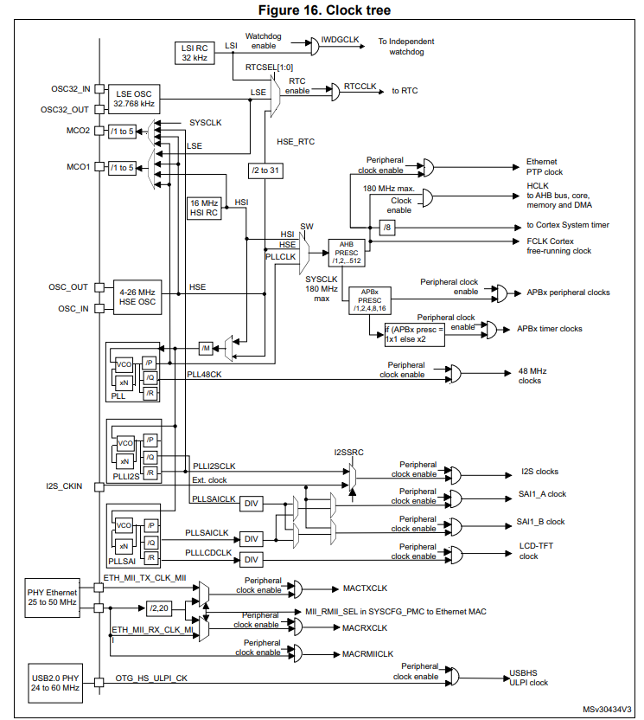
 |  |  |  |  | data is in usart dr |  |  |  | if (received == '\r') // End of command (Enter key)
 |  |  |  |  |  |  |  |  | {
 |  |  |  |  |  |  |  |  | cmd_buffer[cmd_index] = '\0'; // Null-terminate the string
 |  |  |  |  |  |  |  |  | Process_Command(cmd_buffer); // Process the command
 |  |  |  |  |  |  |  |  | cmd_index = 0; // Reset the buffer index
 |  |  |  |  |  |  |  |  | }
 |  |  |  |  |  |  |  |  | else if (cmd_index < CMD_BUFFER_SIZE - 1)
 |  |  |  |  |  |  |  |  | {
 |  |  |  |  |  |  |  |  | cmd_buffer[cmd_index++] = received; // Store the received byte
 |  |  |  |  |  |  |  |  | }
 |  |  |  |  |  |  |  |  | }
 |  |  |  |  |  |  |  |  | }

 |  |  |  |  |  |  |  |  | // 4. Command Processing
 |  |  |  |  |  |  |  |  | void Process_Command(char *cmd)
 |  |  |  |  |  |  |  |  | {
 |  |  |  |  |  |  |  |  | if (strcmp(cmd, "LED on") == 0)
 |  |  |  |  |  |  |  |  | {
 |  |  |  |  |  |  |  |  | LED_On();
 |  |  |  |  |  |  |  |  | UART_SendString("LED turned on\r\n");
 |  |  |  |  |  |  |  |  | }
 |  |  |  |  |  |  |  |  | else if (strcmp(cmd, "LED off") == 0)
 |  |  |  |  |  |  |  |  | {
 |  |  |  |  |  |  |  |  | LED_Off();
 |  |  |  |  |  |  |  |  | UART_SendString("LED turned off\r\n");
 |  |  |  |  |  |  |  |  | }
 |  |  |  |  |  |  |  |  | else
 |  |  |  |  |  |  |  |  | {
 |  |  |  |  |  |  |  |  | UART_SendString("Unknown command\r\n");
 |  |  |  |  |  |  |  |  | }
 |  |  |  |  |  |  |  |  | }

 |  |  |  |  |  |  |  |  | void UART_SendString(const char *str)
 |  |  |  |  |  |  |  |  | {
 |  |  |  |  |  |  |  |  | while (*str)
 |  |  |  |  |  |  |  |  | {
 |  |  |  |  |  |  |  |  | while (!(USART2->SR & USART_SR_TXE)); // Wait until TXE (Transmit Data Register Empty)
 |  |  |  |  |  |  |  |  | USART2->DR = (*str++); // Send the next byte
 |  |  |  |  |  |  |  |  | }
 |  |  |  |  |  |  |  |  | }

 |  |  |  |  |  |  |  |  | // 5. Main Function
 |  |  |  |  |  |  |  |  | int main(void)
 |  |  |  |  |  |  |  |  | {
 |  |  |  |  |  |  |  |  | // Initialize system
 |  |  |  |  |  |  |  |  | SystemInit();
https://stm32f4-discovery.net/2015/01/properly-set-clock-speed-stm32f4xx-devices/
 |  |  |  |  |  |  |  |  | // Initialize UART and LED
 |  |  |  |  |  |  |  |  | UART_Init();
 |  |  |  |  |  |  |  |  | LED_Init();

 |  |  |  |  |  |  |  |  | // Main loop
 |  |  |  |  |  |  |  |  | while (1)
 |  |  |  |  |  |  |  |  | {
 |  |  |  |  |  |  |  |  | // Main loop can handle other tasks if needed
 |  |  |  |  |  |  |  |  | }
 |  |  |  |  |  |  |  |  | }

 | Timers | PWM | resolution is how high we count and number of duty%'s

 | freq |  | 72Mhz is counting 72M per second
 | resolution |  | 8-bit resolution is counting up to 256

 |  |  | 72M/256 = 218KHz = PWM freq

 |  |  | ARR is same as resolution

 |  |  | Prescaler is used to slow down sys clock for use

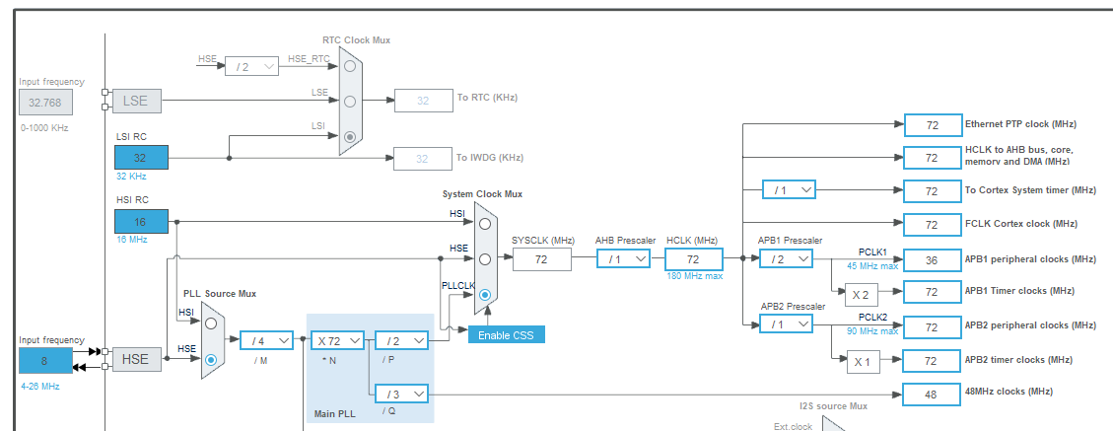

 |  |  | 2024-10-21
 |  |  | try no clock sys config so default HSI at 16MHz set BRR to that test
 |  |  | if not create a whole new project and use autogenerated code to test uart
 |  |  | try not using sysclockupdate()

 |  |  |  |  |  | 16Mhz is default HSI
 |  |  |  |  |  | 72Mhz is default sys clk

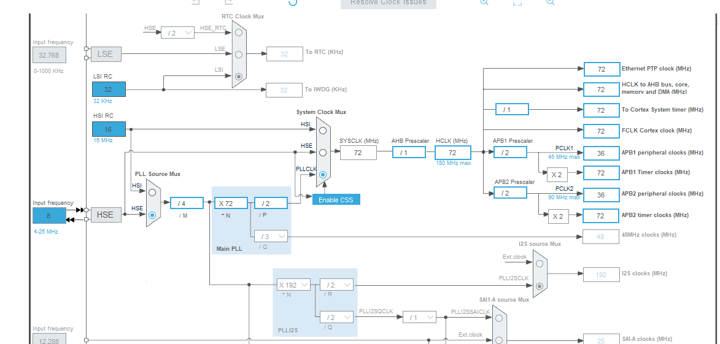



Timers

look at timer interrupt initialiation and function

notes to do
test with tim3 intterrupt
a timer and test if interrupt happens when reaches max count

 | void TIM2_INIT(void) {
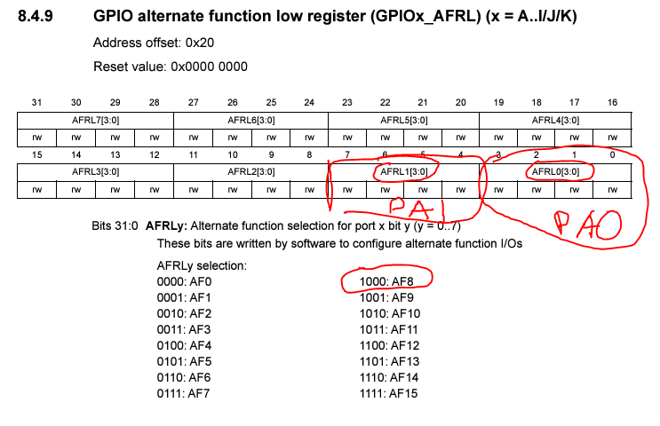
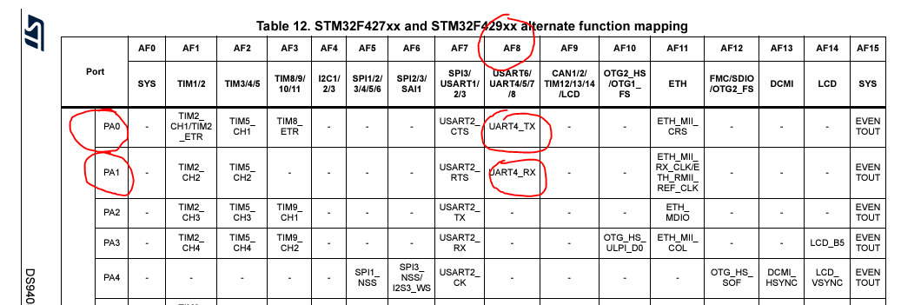

 |  |  |  |  |  |  |  | 1000 1000

 |  | wack note when debugging dont stop inbetween "timings"
 |  | for example RXNE rx not empty resets to 0 after some time so better to set breakpoint after the if statement in the Interrupt

