Inputs

INPUTS | GROUND TEMPERATURE [K] | GROUND PRESSURE [Pa] | GROUND LEVEL ALTITUDE [m] | LAPSE RATE [K/m] | SURFACE ROUGHNESS HEIGHT [µm] | LAUNCH ROD LENGTH [m] | LAUNCH ROD ANGLE [°] | MAIN CHUTE DEPLOYMENT ALTITUDE [m] | AVERAGE WIND SPEED [m] | TURBULENCE INTENSITY | STANDARD DEVIATION OF TURBULENCE
INITIAL VALUES | 322 | 85847 | 1376 | -0.0098 | 10 | 5 | 2.5 | 304 | 5

FinGeometry
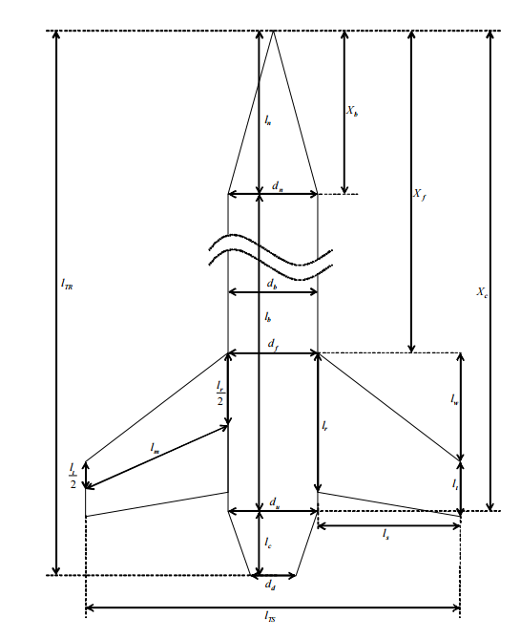
FIN GEOMETRY
Tip Chord [m] | 0.0126
Fin Height [m] | 0.17
Root Chord [m] | 0.305
Sweep Length [m] | 0.28
Median Length [m] | 0.21633871591
Max Fin Diameter [m] | 0.485
Body Diameter @ Fins [m] | 0.157
Weight of One Fin [kg] | 0.30613
Fin Reference Length [m] | 2.119
Fin Thickness [m] | 0.00476
Number of Fins | 3
Exposed Area [m2] | 0.026996
Planform Area [m2] | 0.0509385
Centre of Mass [m] | 0.1110852225

Thrust Curve
M1845 | 98 | 597 | P | 3.772 | 6.682 | AT
Time (s) | Thrust Force (N)
0 | 0
0.024 | 2261.638
0.067 | 2115.94
1.032 | 2268.261
1.354 | 2433.828
2.253 | 2288.129
2.406 | 2149.053
2.578 | 1821.232
3.065 | 1579.504
3.583 | 1410.627
3.838 | 1364.268
3.913 | 1218.569
3.995 | 685.445
4.109 | 400.671
4.352 | 248.35
4.498 | 33.113
4.729 | 0

