Design Regulator
 LM(2)5143/-Q1 Synchronous Buck Controller Design Tool
 |  |  |  |  |  |  |  |  |  |  |  |  | http://www.ti.com/product/lm5175
About |  | xx |  |  | = Input Box |  |  |  |  |  |  |  | TERMS OF USE

Step 1: Operating Specifications
36V...51V
C_{IN}
C_{VCC1}
D_{BOOT1}
D_{BOOT2}
C_{VCC2}
1328µF
2.2μF
2.2μF
 |  |  | Input Voltage – Min, VIN(min) | 36 | V
 |  |  | Input Voltage – Nom, VIN(nom) | 45 | V
 |  |  | Input Voltage – Max, VIN(max) | 51 | V
 |  |  | Output Voltage, VOUT | 24 | V |  |  | Output Voltage, VOUT2 | 5 | V
R_{S1}
Q₁
C_{BOOT1}
C_{BOOT2}
Q₃
R_{S2}
 |  |  | Full Load Output Current, IOUT | 60 | A |  |  | Full Load Output Current, IOUT2 | 12 | A
2.2mΩ
L_{O1}
L_{O2}
2.2mΩ
 |  |  | Switching Frequency, FSW | 220 | kHz
24V
 |  |  | Frequency Set Resistor, RT | 100 | kΩ
60A
C_{O1}
10µH
10µH
C_{O2}
 |  |  | Ambient Temperature, TA | 25 | °C
102µF
Q₂
Q₄
102µF
LM5143A-Q1
Step 2: Current Sense Resistors
 |  |  | Required IOCP Setpoint at VIN(nom) | 60 | A |  |  | Required IOCP Setpoint at VIN(nom) | 16 | A
 |  |  | Recommended Sense Resistance | 2.2 | mΩ |  |  | Recommended Sense Resistance | 3.5 | mΩ
R_{T}
 |  |  | Sense Resistance, RS | 2.2 | mΩ |  |  | Sense Resistance, RS2 | 4 | mΩ
 |  |  | Min Inductor Sat Current, ILO(SAT) | 33.2 | A |  |  | Min Inductor Sat Current, ILO2(SAT) | 18.3 | A
100kΩ
Connect to 5V rail
 |  |  | Max power loss in shunt | 2.17 | W |  |  | Max power loss in shunt RS2 | 0.78 | W
C_{VCCX}
 |  |  | VIN(min) | 62.7 | A |  |  | VIN(min) | 13.7 | A
2.2μF
 |  | IOUT(typ) at OCP Inception: | VIN(nom) | 61.3 | A |  | IOUT2(typ) at OCP Inception: | VIN(nom) | 13.6 | A
 |  |  | VIN(max) | 60.6 | A |  |  | VIN(max) | 13.5 | A
C_{C1}
R_{C1}
12kΩ
5.6nF
Step 3: Buck Inductances
 |  |  | Ch1 Recommended Inductance | 10.00 | µH |  |  | Ch2 Recommended Inductance | 3.79 | µH
 |  |  | Ch1 Inductance, LO1 | 10 | µH |  |  | Ch2 Inductance, LO2 | 2.2 | µH
C_{C2}
C_{D}
 |  |  | Ch1 Inductor DCR | 1.4 | mΩ |  |  | Ch2 Inductor DCR | 5 | mΩ
120pF
10nF
 |  |  | DIL as a % at VIN(nom) | 17 | % |  |  | DIL2 as a % at VIN(nom) | 78 | %
C_{VDDA}
C_{RES}
Css
470nF
100nF
470nF
Step 4: Output Capacitors
 |  |  | Output Voltage Ripple Spec | 20 | mVpk-pk |  |  | Ch2 Output Voltage Ripple Spec | 50 | mVpk-pk
 |  |  | Minimum Output Capacitance | 145.1 | µF |  |  | Ch2 Minimum Output Capacitance | 106.5 | µF
 |  |  | Output Capacitance (derated), COUT | 204 | µF |  |  | Ch2 Output Cap (derated), COUT2 | 120 | µF | ** For Single-Output Operation in 2-Phase Mode, tie MODE to VDDA and use FB1 to set VOUT **

 |  |  | Maximum Permitted ESR | 3 | mΩ |  |  | Ch2 Maximum Permitted ESR | 2 | mΩ
 |  |  | Output Capacitor ESR | 2 | mΩ |  |  | Ch2 Output Capacitor ESR | 2 | mΩ | ** Tie VCCX to GND if not used **
 |  |  | Resulting Output Voltage Ripple (max) | 18 | mVpk-pk |  |  | Resulting Output Voltage Ripple (max) | 48 | mVpk-pk
 |  |  | Output Capacitor RMS Current (max) | 1.67 | A (rms) |  |  | Output Capacitor RMS Current (max) | 2.75 | A (rms)

Step 5: Input Capacitors
 |  |  | Input Voltage Ripple Spec | 100 | mVpk-pk
 |  |  | Minimum Input Capacitance | 341 | µF
 |  |  | Input Capacitance, CIN | 1328 | µF
 |  |  | Maximum Permitted ESR | 2.3 | mΩ
 |  |  | Input Capacitor ESR | 1.5 | mΩ
 |  |  | Resulting Input Voltage Ripple (max) | 75 | mVpk-pk
 |  |  | Input Capacitor RMS Current (max) | 15.00 | A (rms)

Step 6: Soft-start, Hiccup, Dither, DEMB, MODE
 |  |  | Soft-Start Time, tSS | 3 | ms
 |  |  | Soft-Start Capacitance, CSS | 100 | nF
 |  |  | Hiccup Fault Time, tRES | 30 | ms
 |  |  | RES Capacitance, CRES | 470 | nF
 |  |  | Modulating Frequency | 9 | kHz
 |  |  | DITH Capacitance, Cd | 10 | nF
 |  |  | *Tie DEMB to AGND
 |  |  | * Tie MODE to VDDA

Step 7: Compensation Design
 |  |  | Load Pole Frequency | 2306 | Hz |  |  | Ch2 Load Pole Frequency | 4421 | Hz
 |  |  | ESR Zero Frequency | 390 | kHz |  |  | Ch2 ESR Zero Frequency | 663 | kHz
 |  |  | Desired Crossover Frequency | 22 | kHz |  |  | Ch2 Desired Crossover Frequency | 66 | kHz
Crossover Frequency = 20.7 kHz
 |  |  | Error Amp Pole Frequency | 0.4 | Hz |  |  | Ch2 Error Amp Pole Frequency | 1.7 | Hz
Phase Margin = 65°
 |  |  | Upper Feedback Resistor | 390 | kΩ |  |  | * Tie FB2 to AGND for Ch2 5V Out | 115 | kΩ
 |  |  | Lower Feedback Resistor | 10 | kΩ |  |  |  | 15.8 | kΩ

Compensation Components
 | Calculated / | Std Values | Std Values |  | Actual P/Z Frequencies
RC1 | 12.4 | 12.4 | 12 | kΩ | 0 | Hz (FPEA)
CC1 | 5.8 | 5.6 | 5.6 | nF | 2.4 | kHz (FZCOMP)
CC2 | 110 | 120 | 120 | pF | 105 | kHz (FPCOMP)
RC2 | 16.6 | 16.5 | 16.5 | kΩ | 2 | Hz (FPEA2)
CC3 | 1.5 | 1.5 | 1.5 | nF | 6.4 | kHz (FZCOMP2)
CC4 | 81 | 82 | 82 | pF | 109 | kHz (FPCOMP2) |  |  |  |  |  | ** Specify Inductor Core Loss ** | 0.3 | W

Efficiency / Power Loss Analyzer

Step 8: Efficiency
 |  |  |  |  | Power MOSFETs | (Q1, Q2) |  | Power MOSFETs | (Q3, Q4)
 |  |  |  | IGC025S08S1, IGC025S08S1 |  |  | NVMFS5H663, NVMFS5C628NL
 |  |  |  | High-side | Low-side |  | High-side | Low-side
98.9%
99.2%
 |  |  | On-State Resistance, RDS(on) | 1.8 | 1.8 | mΩ | 6 | 2.5 | mΩ
 |  |  | Total Gate Charge, QG | 12 | 12 | nC | 8 | 25 | nC
 |  |  | Gate-Drain Charge, QGD | 3.1 | 3.1 | nC | 1.4 | 4.5 | nC
 |  |  | Gate-Source Charge, QGS | 3.6 | 3.6 | nC | 3.8 | 12 | nC
 |  |  | Output Charge, QOSS |  | 40 | nC |  | 30 | nC
 |  |  | Output Capacitance, COSS | 570 | 570 | pF | 213 | 1700 | pF
 |  |  | Gate Resistance, RG | 0.5 | 0.5 | Ω | 0.5 | 0.5 | Ω
 |  |  | Transconductance, gFS | 300 | 300 | S | 64 | 280 | S
 |  |  | Gate-Source Threshold Voltage, VTH | 2.8 | 2.8 | V | 2.9 | 3 | V
 |  |  | Body Diode Forward Voltage, VBD | 0 | 0 | V | 0.7 | 0.7 | V
 |  |  | Body Diode Rev Recovery Charge, QRR |  | 0 | nC |  | 60 | nC
 |  |  | Thermal Resistance, θJA | 38 | 38 | °C/W | 50 | 38 | °C/W

External Schottky Diode (if applicable)
 |  |  | Schottky Fwd Voltage, VFWDsch | 0.72 | 0 | V
 |  |  | Schottky Rev Recovery Charge, QRRsch | 4.5 | 0 | nC

Step 9: IC Power Loss
 |  |  | IC Power Dissipation | 0.48 | W
 |  |  | IC Junction Temperature (estimate) | 41.5 | °C

BOM & Schematic
36V...51V
C_{IN}
C_{VCC1}
D_{BOOT1}
D_{BOOT2}
C_{VCC2}
1328µF
2.2μF
2.2μF

R_{S1}
C_{BOOT1}
C_{BOOT2}
R_{S2}
L_{O1}
2.2mΩ
Q₁
Q₃
L_{O2}
2.2mΩ
24V
60A
C_{O1}
10µH
10µH
C_{O2}
Q₂
Q₄
102µF
102µF
LM5143A-Q1

R_{T}

100kΩ

C_{VCCX}
2.2μF
C_{C1}
R_{C1}
5.6nF
12kΩ

C_{C2}
C_{D}
120pF
10nF
Css
C_{VDDA}
C_{RES}
100nF
470nF
470nF

** Tie DEMB to VDDA for FPWM, AGND for DCM ** |  |  |  |  |  | ** Tie VCCX to GND if not used **
** Tie MODE to VDDA for Single, AGND for Dual Outputs **
** For Dual-Output Operation, tie FB1/FB2 to to VDDA for Fixed 3.3V, AGND for Fixed 5V Output **
** For Single-Output Operation in 2-Phase Mode, tie MODE to VDDA and use FB1 to set VOUT. Connect FB2 to AGND to disable EA of channel 2 **
** For Single-Output Operation in 3-Phase or 4-Phase Mode, tie all MODE pins to VDDA. Use FB1 of master IC to set VOUT. Connect FB2 of master IC to AGND. Connect FB2 of slave IC to VDDA to configure it as a slave **
VIN = 36 V to 51 V, VOUT = 24 V, IOUT = 60 A, Fsw = 220 kHz, Current Limit = 60 A
High Efficiency Synchronous Buck Regulator BOM
Count | Ref Des | Value | Description |  | Size | Part Number | MFR
2 | CBOOT1, CBOOT2 | 0.1µF | Capacitor, Ceramic, 0.1-µF, 25V, X7R, 20% |  | 0603 | Std | Std
1 | CC1 | 5.6nF | Capacitor, Ceramic, 5.6-nF, 16V, X7R, 10% |  | 0603 | Std | Std
1 | CC2 | 120pF | Capacitor, Ceramic, 120-pF, 50V, NP0, 5% |  | 0603 | Std | Std
1 | CC3 | N/A | N/A |  | - | - | -
1 | CC4 | N/A | N/A |  | - | - | -
1 | CRES | 470nF | Capacitor, Ceramic, 470-nF, 16V, X7R, 10% |  | 0603 | Std | Std
1 | CDITH | 10nF | Capacitor, Ceramic, 10-nF, 16V, X7R, 10% |  | 0603 | Std | Std
133 | CIN | 10µF | Capacitor, Ceramic, 10-µF, 50V, X7R, 20% |  | 1210 | Std | Std
5 | COUT | 47µF | Capacitor, Ceramic, 47-µF, 10V, X7R, 20% |  | 1210 | Std | Std
2 | CSS1, CSS2 | 100nF | Capacitor, Ceramic, 100-nF, 16V, X7R, 10% |  | 0603 | Std | Std
3 | CVCC1, CVCC2, CVCCX | 2.2µF | Capacitor, Ceramic, 2.2-µF, 25V, X7R, 20% |  | 0603 | Std | Std
1 | CVDDA | 0.47µF | Capacitor, Ceramic, 0.47-µF, 25V, X7R, 20% |  | 0603 | Std | Std
2 | DBOOT1, DBOOT2 | See description | Schottky Diode, 60V, 200mA |  | - | - | Various
1 | LO1 | 10µH | Inductor, 10µH, 1.4mΩ, >39A |  | - | - | Various
1 | LO2 | 10µH | Inductor, 10µH, 1.4mΩ, >39A |  | - | - | Various
2 | Q1, Q2 | See description | MOSFET, N-CH, 40V, 1.8mΩ |  | Std | IGC025S08S1, IGC025S08S1 | -
2 | Q3, Q4 | See description | MOSFET, N-CH, 40V, 6mΩ |  | Std | IGC025S08S1, IGC025S08S1 | -
1 | RC1 | 12k | Resistor, Chip, 12-kΩ, 1/16W, 1% |  | 0603 | Std | Std
1 | RC2 | N/A | N/A |  | - | - | -
1 | RS1 | 2.2m | Resistor, Chip, 2.2-mΩ, 2W, 1% |  | 0508 | Std | Std
1 | RS2 | 2.2m | Resistor, Chip, 2.2-mΩ, 2W, 1% |  | 0508 | Std | Std
1 | RT | 100k | Resistor, Chip, 100-kΩ, 1/16W, 1% |  | 0603 | Std | Std
1 | RFB1 | 390k | Resistor, Chip, 390-kΩ, 1/16W, 1% |  | 0603 | Std | Std
1 | RFB2 | 10k | Resistor, Chip, 10-kΩ, 1/16W, 1% |  | 0603 | Std | Std
1 | RFB3 | N/A | N/A |  | - | - | -
1 | RFB4 | N/A | N/A |  | - | - | -
2 | RPGOOD1, RPGOOD2 | 100k | Resistor, Chip, 100-kΩ, 1/16W, 1% |  | 0603 | Std | Std
2 | RPG1, RPG2 | 100k | Resistor, Chip, 100-kΩ, 1/16W, 1% |  | 0603 | Std | Std
1 | RDEMB | 100k | Resistor, Chip, 100-kΩ, 1/16W, 1% |  | 0603 | Std | Std
1 | RVIN | 2.2 | Resistor, Chip, 2.2-Ω, 1/16W, 1% |  | 0603 | Std | Std
1 | U1 | LM5143A-Q1 | IC, LM5143A-Q1, Buck PWM Controller, 3.5V–65V Input |  | VQFN-40 | LM5143QRHARQ1 | TI

NOTES:
** For information on TI NexFETTM MOSFETs, see ** |  |  | http://www.ti.com/nexfet | **
** Inductor saturation current should be higher than the peak inductor current at the OCP setpoint for all input voltages and operating temperatures **
** Effective input and output capacitances should be appropriately derated for applied voltage and temperature, particularly with ceramics **

EVM
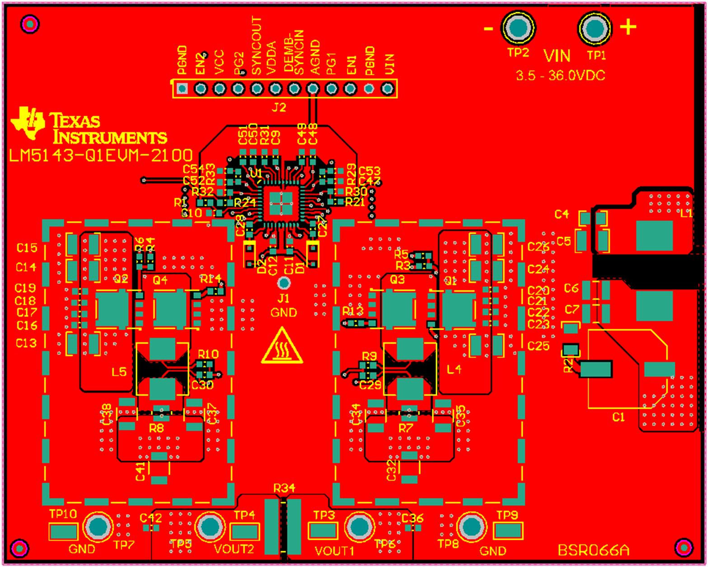
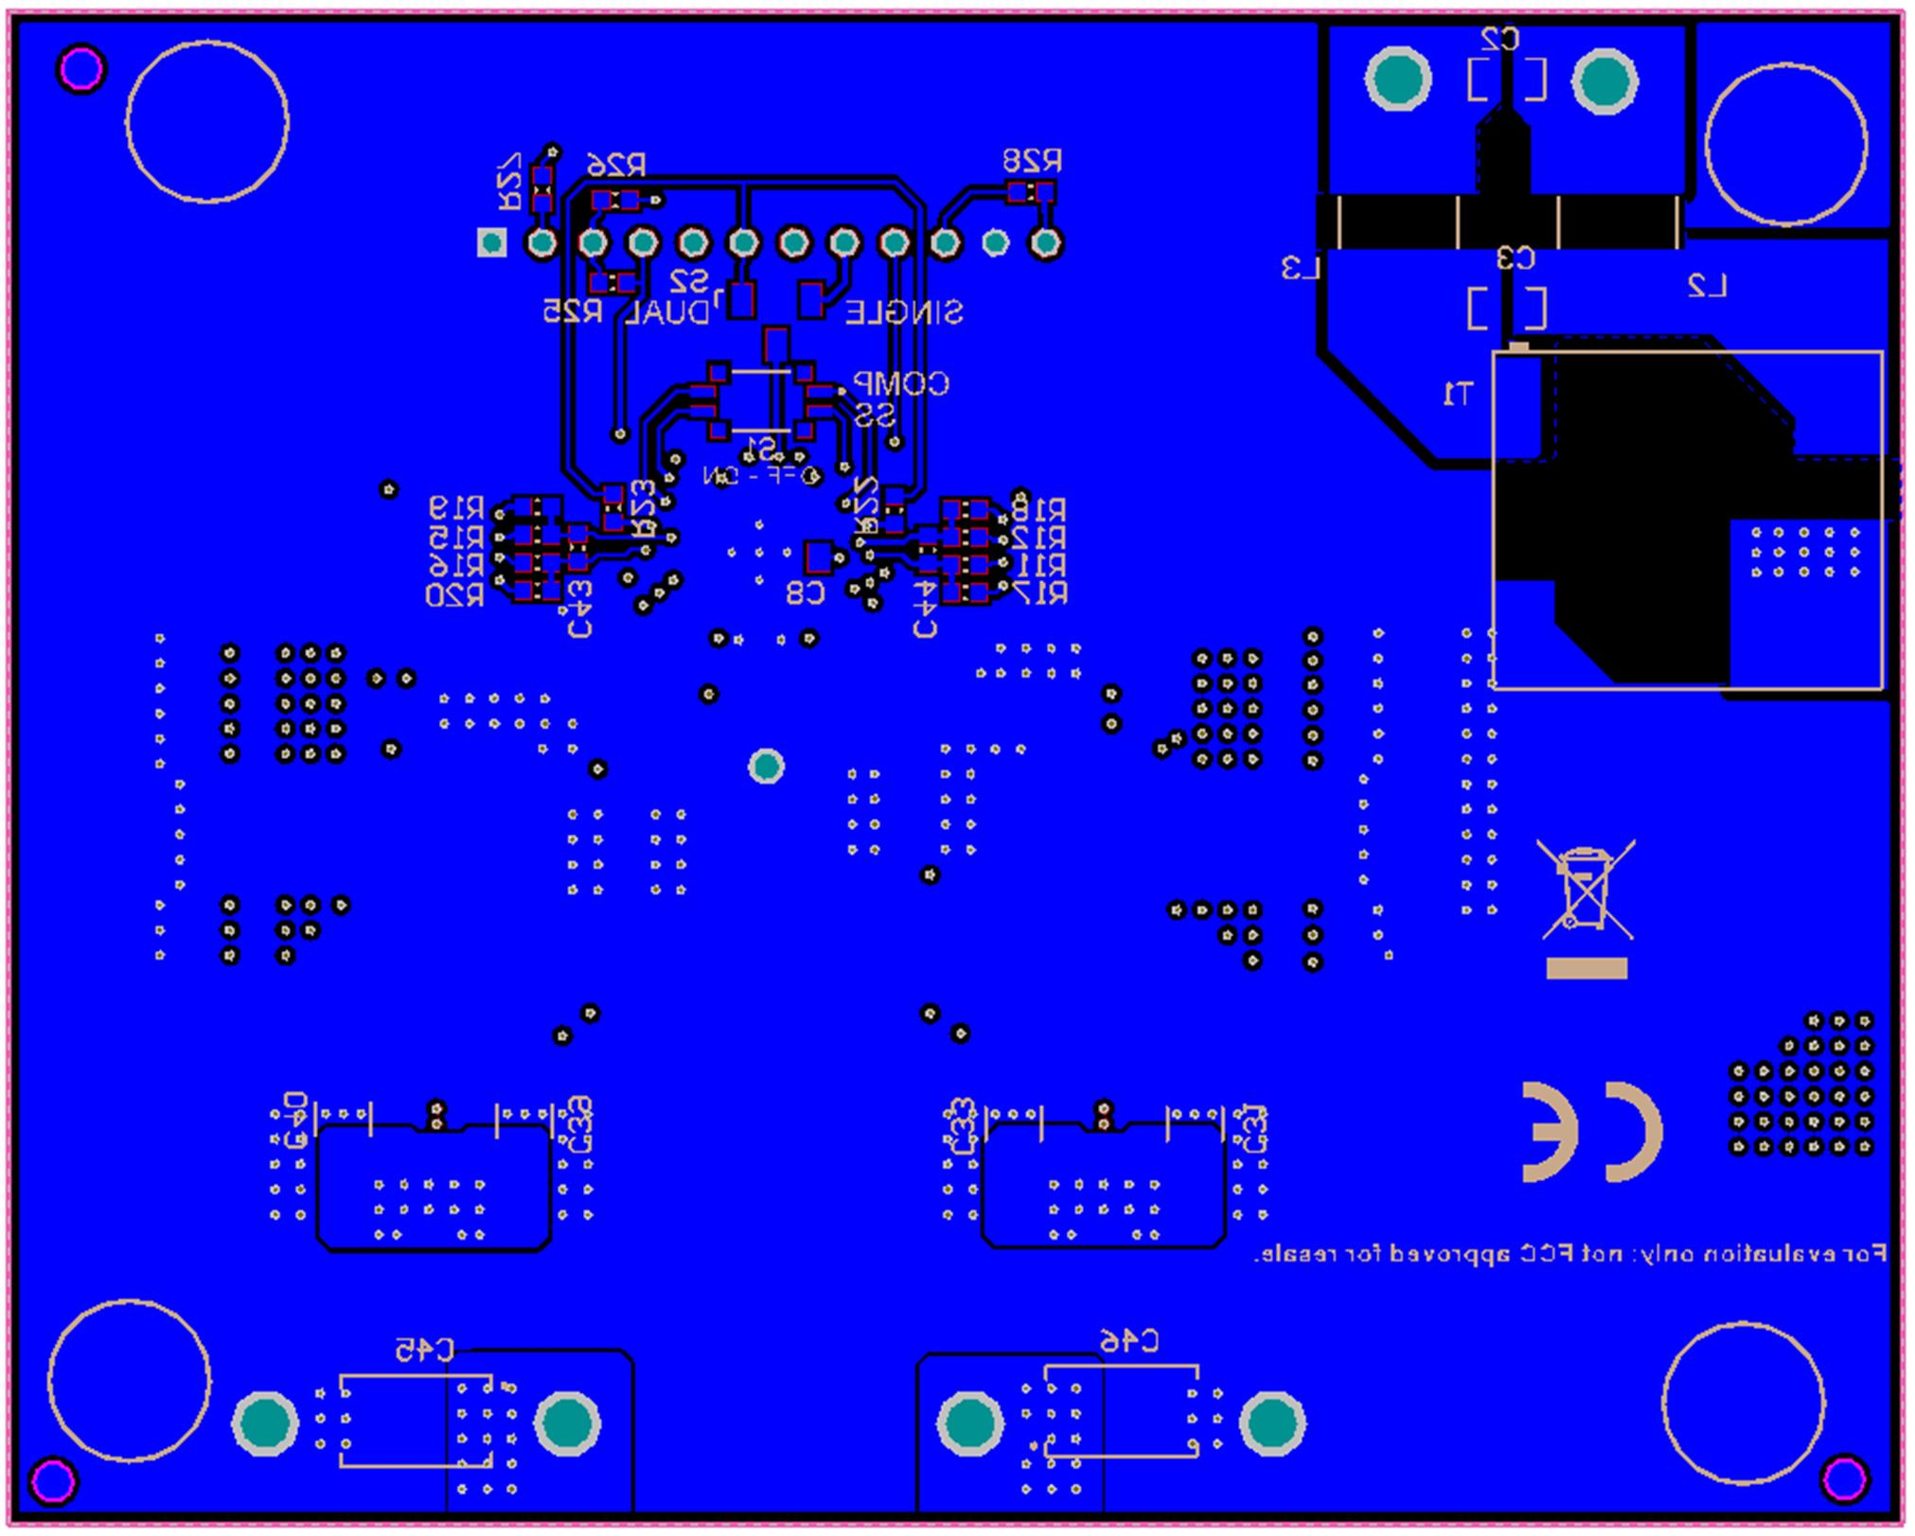
LM(2)5143/-Q1 Quickstart Design Tool

 | LM5143-Q1EVM-2100 PCB Layout

