Charts (Task 4)
 | Task 4 - Please create a seasonal chart for each field and total below. The charts should be formatted in the same way as this one:
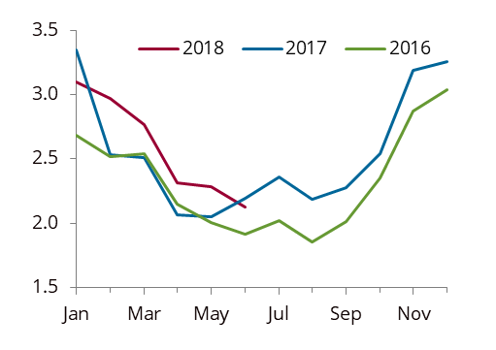

Seasonal Charts

First |  | Second
 | 2016 | 2017 | 2018
Jan | 0.2 | 0.5 | 0.5
Feb | 0.1 | 0.3 | 0.4
Mar | 0.1 | 0.2 | 0.3
Apr | 0.1 | 0.2 | 0.2
May | 0.0 | 0.2 | 0.0
Jun | 0.1 | 0.1
Jul | 0.1 | 0.0
Aug | 0.3 | 0.2
Sep | 0.1 | 0.2
Oct | 0.1 | 0.1
Nov | 0.1 | 0.5
Dec | 0.1 | 0.6
 | 2016 | 2017 | 2018
Jan | 3.6 | 3.4 | 3.5
Feb | 3.3 | 3.1 | 3.1
Mar | 3.6 | 3.4 | 3.5
Apr | 3.3 | 3.3 | 3.3
May | 2.4 | 2.2 | 3.1
Jun | 1.6 | 2.3
Jul | 1.8 | 3.2
Aug | 1.1 | 3.2
Sep | 1.4 | 2.5
Oct | 3.1 | 3.3
Nov | 3.3 | 3.5
Dec | 3.4 | 3.4

 | 2016 | 2017 | 2018
Jan | 7.4 | 7.5 | 7.3
Feb | 6.9 | 6.6 | 6.5
Mar | 5.5 | 7.4 | 7.3
Apr | 5.5 | 7.1 | 6.7
May | 7.9 | 6.7 | 6.6
Jun | 6.5 | 6.2
Jul | 7.1 | 7.4
Aug | 6.6 | 7.0
Sep | 4.9 | 6.8
Oct | 7.6 | 7.3
Nov | 7.3 | 6.9
Dec | 7.3 | 7.1
Third |  | Total
 | 2016 | 2017 | 2018
Jan | 11.2 | 11.5 | 11.3
Feb | 10.4 | 10.1 | 10.1
Mar | 9.2 | 11.1 | 11.0
Apr | 8.9 | 10.5 | 10.1
May | 10.3 | 9.1 | 9.7
Jun | 8.2 | 8.6
Jul | 9.0 | 10.6
Aug | 8.0 | 10.4
Sep | 6.3 | 9.5
Oct | 10.8 | 10.8
Nov | 10.7 | 10.9
Dec | 10.7 | 11.1

