GDP Summary
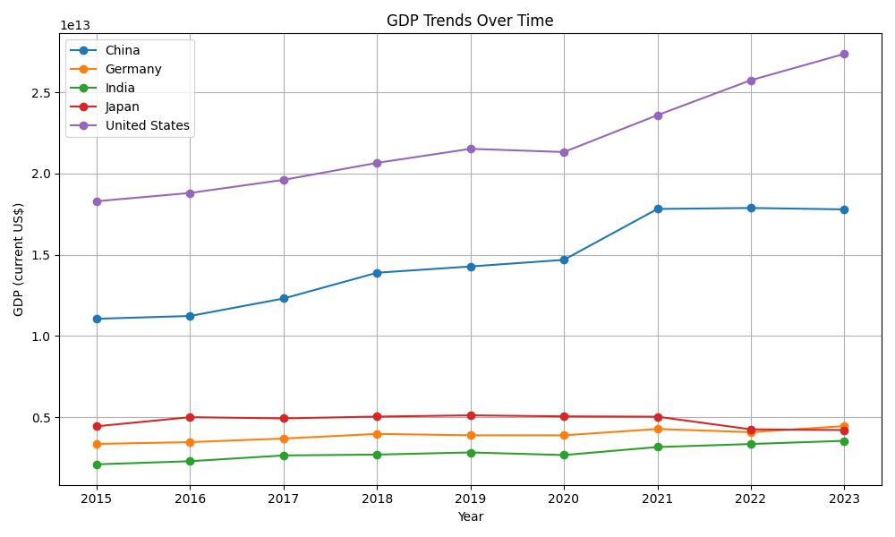
date | China | Germany | India | Japan | United States
2015-01-01 | $11,061,572,618,579 | $3,357,585,719,352 | $2,103,588,360,044 | $4,444,930,651,964 | $18,295,019,000,000
2016-01-01 | $11,233,313,730,349 | $3,469,853,463,946 | $2,294,796,885,664 | $5,003,677,627,544 | $18,804,913,000,000
2017-01-01 | $12,310,491,333,981 | $3,690,849,152,518 | $2,651,474,262,756 | $4,930,837,369,151 | $19,612,102,000,000
2018-01-01 | $13,894,907,857,881 | $3,974,443,355,020 | $2,702,929,641,648 | $5,040,880,939,325 | $20,656,516,000,000
2019-01-01 | $14,279,968,506,272 | $3,889,177,589,255 | $2,835,606,256,559 | $5,117,993,853,017 | $21,521,395,000,000
2020-01-01 | $14,687,744,162,801 | $3,887,727,161,914 | $2,674,851,578,587 | $5,055,587,093,502 | $21,322,950,000,000
2021-01-01 | $17,820,459,508,852 | $4,278,503,934,690 | $3,167,270,623,261 | $5,034,620,784,585 | $23,594,031,000,000
2022-01-01 | $17,881,783,387,001 | $4,082,469,490,798 | $3,353,470,496,886 | $4,256,410,760,724 | $25,744,108,000,000
2023-01-01 | $17,794,781,986,105 | $4,456,081,016,706 | $3,549,918,918,778 | $4,212,945,159,781 | $27,360,935,000,000

GDP Growth Rate
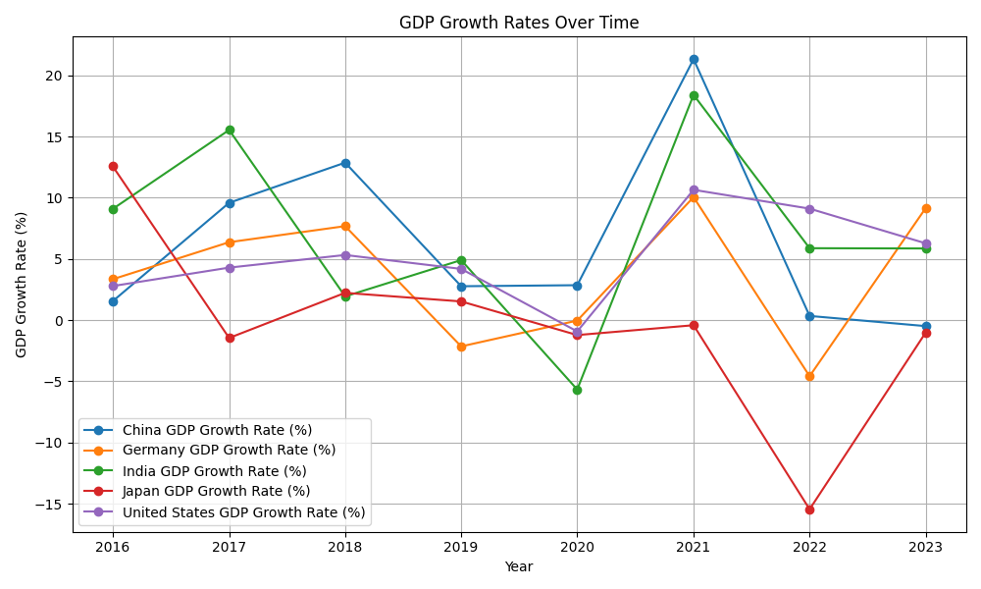
date | China GDP Growth Rate (%) | Germany GDP Growth Rate (%) | India GDP Growth Rate (%) | Japan GDP Growth Rate (%) | United States GDP Growth Rate (%)
2015-01-01
2016-01-01 | 155.26% | 334.37% | 908.96% | 1257.04% | 278.71%
2017-01-01 | 958.91% | 636.90% | 1554.29% | -145.57% | 429.24%
2018-01-01 | 1287.05% | 768.37% | 194.06% | 223.17% | 532.54%
2019-01-01 | 277.12% | -214.54% | 490.86% | 152.98% | 418.70%
2020-01-01 | 285.56% | -3.73% | -566.91% | -121.94% | -92.21%
2021-01-01 | 2132.88% | 1005.15% | 1840.92% | -41.47% | 1065.09%
2022-01-01 | 34.41% | -458.18% | 587.89% | -1545.72% | 911.28%
2023-01-01 | -48.65% | 915.16% | 585.81% | -102.12% | 628.04%

