Sheet1
STIEBEL ELTRON
 | THREE PHASE TANKLESS INSTANT GEYSERS
SL NO | PRODUCT NAME | PRODUCT IMAGE | DESCRIPTION | SHOWER TYPE
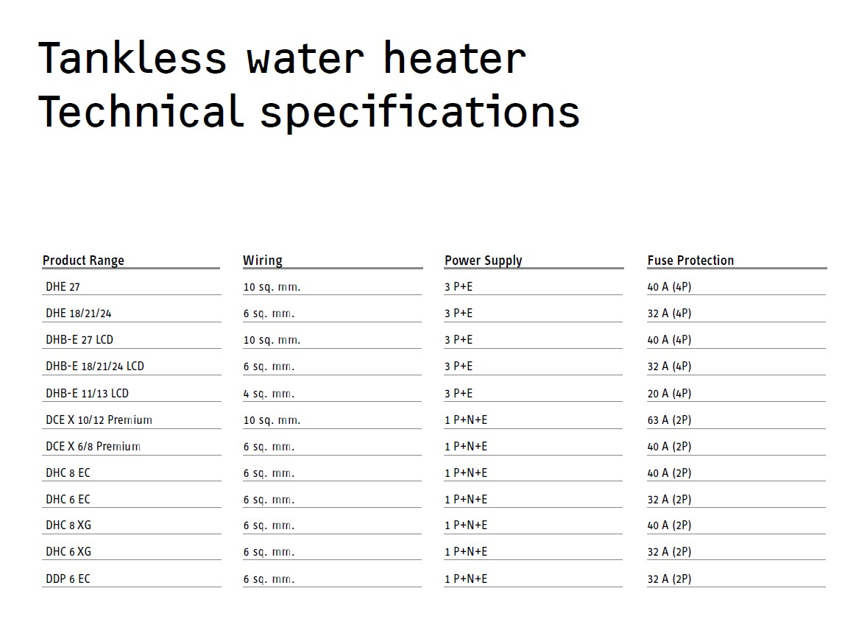
1 | DHB-E 11/13 LCD |  | › Made in Germany › Instantaneous water heater with electronic control › Accurate hot temperature from 20°C to 60°C with 3i technology | BASIC / HANDSHOWER
2 | DHB-E 18/21/24 LCD |  |  | BASIC RAIN SHOWER / LARGE RAIN SHOWER
3 | DHB-E 27 LCD |  |  | BODY JETS / TUBS

4 | DHE 18/21/24 |  | › Made in Germany › Instantaneous water heater with full electronic control › Precise hot temperature from 20°C to 60°C with 4i technology | BASIC RAIN SHOWER / LARGE RAIN SHOWER
5 | DHE 27 |  |  | BODY JETS / TUBS
 | SINGLE PHASE TANKLESS INSTANT GEYSERS
6 | DCE-X 6/8 Premium |  | › Made in Germany › Instantaneous water heater with full electronic control › Precise hot temperature up to 60°C with 4i technology | SMALL SHOWER
7 | DCE X 10/12 Premium
8 | DHC 6 EC (IN) |  | › Electronic controlled › 3-step temperature selection (40°C, 50°C, 60°C) with 3i technology › Compact, space-saving design | KITCHEN SINK
9 | DHC 8 EC (IN)
10 | DHC 6 XG (IN) |  | › Temperature adjustment via stepless power control › Ideal for low flow application › Extra slimline design | KITCHEN SINK
11 | DHC 8 XG (IN)
12 | DDP 6 EC (IN) |  | › Compact, space-saving design › Automatic on/off control with flow switch › Anti-scalding and overheating protection with thermal cut-out › High-pressure, heatresistant copper tank › ELCB for enhanced safety
 | AIR-TO-WATER HEAT PUMPS
13 | WWK 302 H |  | › Engineered by Germany’s market leader › Spring loaded roll-bond heat exchanger for maximum efficiency up to 98% › Quiet operation due to encased compressor › 220 L and 300 L Monoblock Heat Pump
14 | WWK 223 electronic |  | › Engineered by Germany’s market leader › Spring loaded roll-bond heat exchanger for maximum efficiency up to 98% › Quiet operation due to encased compressor › 220 L and 300 L Monoblock Heat Pump › Designed for Indian applications
15 | WWK 303 electronic
 | POWERLESS WATER FILTERS
16 | Fountain 7S | 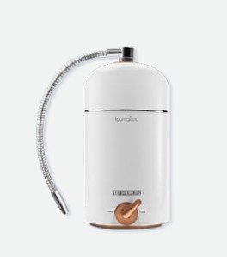 | › Control set consisting of control 7-in-1 ultrafiltration removes 100% of bacteria › NSF 42 & 53 certified for safe, highquality drinking water › No electricity needed for reliable, energy-efficient operation. › Smart filter indicator › 360° flexible dispenser for greater reach and convenience › One-way nozzle prevents external contamination › Durable ceramic valve ensures smooth operation
17 | Stream 5S | 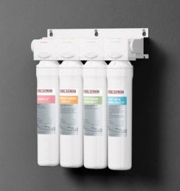 | › 5-stage filtration with 0.01-micron UF membrane › 100% bacteria-free water › Antibacterial silver ions provide double protection of the water filter › Large carbon layers for great-tasting, purified water › No electricity, no storage tank, no water wastage › Push & Click encapsulated filters for quick, tool-free replacement › Compact, space-saving design for easy installation

