1
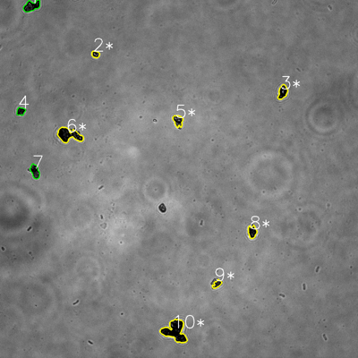
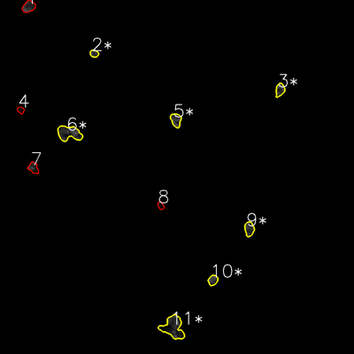
═══════════════ DETECTION REPORT ═══════════════
Source: 1 1 N NO 1_ch00.tif
Parameters: Gray Thresh=53, Fluor Thresh=5, Overlap=80%

┌─── SUMMARY ───┐
Grayscale bacteria: 10
Fluorescence bacteria: 11
Co-localized pairs: 7
Co-localization rate: 70.0%

┌─── CO-LOCALIZED PAIRS (7) ───┐
Gray | Fluor | Overlap | G.Area | F.Area | Intersect
────────────────────────────────────────────────────────────
2 | 2 | 100.0% | 486 | 560 | 486
3 | 3 | 85.0% | 1117 | 1044 | 950
5 | 5 | 99.5% | 1005 | 1273 | 1000
6 | 6 | 96.7% | 2683 | 3051 | 2594
8 | 9 | 100.0% | 965 | 1245 | 965
9 | 10 | 90.0% | 551 | 883 | 496
10 | 11 | 93.5% | 3969 | 4036 | 3711

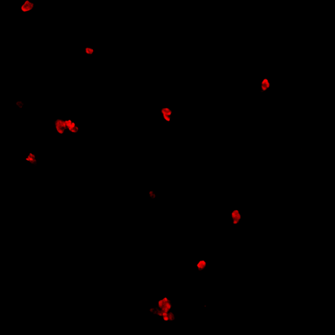
┌─── GRAYSCALE CHANNEL (10 bacteria) ───┐
ID | * | Area | Mode | Max | Centroid (Y, X)
───────────────────────────────────────────────────────
1 |  | 1489 | 0.0 | 164 | (20.2, 105.9)
2 | * | 486 | 0.0 | 192 | (181.8, 320.1)
3 | * | 1117 | 0.0 | 237 | (308.5, 947.5)
4 |  | 606 | 0.0 | 133 | (373.2, 69.6)
5 | * | 1005 | 13.0 | 186 | (404.9, 596.7)
6 | * | 2683 | 0.0 | 172 | (452.3, 230.6)
7 |  | 1088 | 0.0 | 124 | (574.3, 117.1)
8 | * | 965 | 0.0 | 112 | (777.1, 845.4)
9 | * | 551 | 13.0 | 133 | (951.8, 727.3)
10 | * | 3969 | 0.0 | 138 | (1109.7, 586.7)
───────────────────────────────────────────────────────
Stats: Area μ=1395.9 σ=1047.0 | Intensity(mode) μ=2.6

┌─── FLUORESCENCE CHANNEL (11 bacteria) ───┐
ID | * | Area | Mode | Max | Centroid (Y, X)
───────────────────────────────────────────────────────
1 |  | 1316 | 76.0 | 76 | (22.3, 97.3)
2 | * | 560 | 37.0 | 76 | (181.6, 319.2)
3 | * | 1044 | 76.0 | 76 | (304.6, 949.1)
4 |  | 410 | 7.0 | 23 | (373.3, 70.0)
5 | * | 1273 | 76.0 | 76 | (406.8, 596.3)
6 | * | 3051 | 76.0 | 76 | (451.6, 234.2)
7 |  | 971 | 0.0 | 76 | (569.1, 113.4)
8 |  | 426 | 0.0 | 35 | (697.0, 544.9)
9 | * | 1245 | 45.0 | 76 | (776.0, 844.9)
10 | * | 883 | 76.0 | 76 | (949.7, 721.8)
11 | * | 4036 | 0.0 | 76 | (1109.9, 587.0)
───────────────────────────────────────────────────────
Stats: Area μ=1383.2 σ=1084.2 | Intensity(mode) μ=42.6

Legend: * = Co-localized | Yellow contours = Co-localized

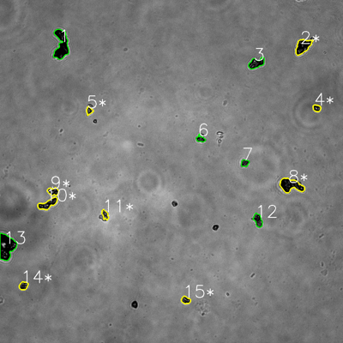
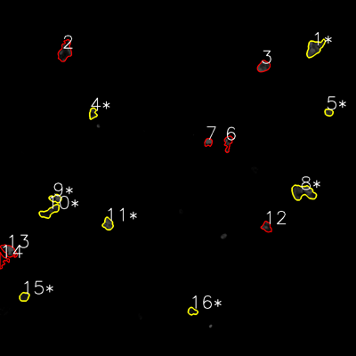
═══════════════ DETECTION REPORT ═══════════════
Source: 1 1 N NO 2_ch00.tif
Parameters: Gray Thresh=53, Fluor Thresh=5, Overlap=80%

┌─── SUMMARY ───┐
Grayscale bacteria: 15
Fluorescence bacteria: 16
Co-localized pairs: 9
Co-localization rate: 60.0%

┌─── CO-LOCALIZED PAIRS (9) ───┐
Gray | Fluor | Overlap | G.Area | F.Area | Intersect
────────────────────────────────────────────────────────────
2 | 1 | 98.4% | 2068 | 2261 | 2035
4 | 5 | 96.8% | 537 | 533 | 520
5 | 4 | 96.3% | 464 | 706 | 447
8 | 8 | 94.1% | 2773 | 2876 | 2609
9 | 9 | 91.4% | 835 | 829 | 763
10 | 10 | 92.7% | 1571 | 1524 | 1457
11 | 11 | 100.0% | 564 | 1057 | 564
14 | 15 | 99.4% | 700 | 771 | 696
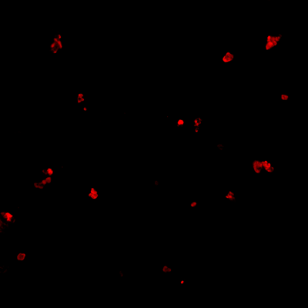
15 | 16 | 91.1% | 639 | 603 | 582

┌─── GRAYSCALE CHANNEL (15 bacteria) ───┐
ID | * | Area | Mode | Max | Centroid (Y, X)
───────────────────────────────────────────────────────
1 |  | 3593 | 0.0 | 179 | (156.6, 214.7)
2 | * | 2068 | 0.0 | 193 | (162.1, 1059.7)
3 |  | 1454 | 0.0 | 236 | (221.2, 896.4)
4 | * | 537 | 0.0 | 236 | (378.3, 1108.2)
5 | * | 464 | 28.0 | 216 | (387.3, 312.4)
6 |  | 513 | 13.0 | 131 | (485.8, 701.5)
7 |  | 543 | 28.0 | 122 | (570.6, 856.7)
8 | * | 2773 | 0.0 | 218 | (648.1, 1017.2)
9 | * | 835 | 0.0 | 197 | (669.8, 185.9)
10 | * | 1571 | 0.0 | 225 | (713.5, 167.2)
11 | * | 564 | 58.0 | 227 | (751.2, 367.6)
12 |  | 1049 | 28.0 | 153 | (770.3, 902.5)
13 |  | 3950 | 0.0 | 228 | (862.9, 22.6)
14 | * | 700 | 0.0 | 222 | (999.5, 82.2)
15 | * | 639 | 13.0 | 190 | (1050.0, 649.7)
───────────────────────────────────────────────────────
Stats: Area μ=1416.9 σ=1126.2 | Intensity(mode) μ=11.2

┌─── FLUORESCENCE CHANNEL (16 bacteria) ───┐
ID | * | Area | Mode | Max | Centroid (Y, X)
───────────────────────────────────────────────────────
1 | * | 2261 | 76.0 | 76 | (161.6, 1060.6)
2 |  | 2197 | 10.0 | 76 | (172.3, 219.2)
3 |  | 1216 | 76.0 | 76 | (223.8, 888.4)
4 | * | 706 | 40.0 | 76 | (382.3, 312.8)
5 | * | 533 | 42.0 | 66 | (378.6, 1108.2)
6 |  | 961 | 0.0 | 76 | (481.5, 768.9)
7 |  | 574 | 76.0 | 76 | (479.3, 702.1)
8 | * | 2876 | 33.0 | 76 | (648.1, 1021.1)
9 | * | 829 | 76.0 | 76 | (669.1, 187.1)
10 | * | 1524 | 16.0 | 59 | (713.1, 166.9)
11 | * | 1057 | 76.0 | 76 | (754.9, 363.9)
12 |  | 857 | 18.0 | 76 | (764.7, 898.9)
13 |  | 1478 | 76.0 | 76 | (844.9, 30.3)
14 |  | 743 | 0.0 | 27 | (878.4, 9.5)
15 | * | 771 | 25.0 | 58 | (1000.2, 81.7)
16 | * | 603 | 16.0 | 39 | (1049.4, 648.6)
───────────────────────────────────────────────────────
Stats: Area μ=1199.1 σ=674.3 | Intensity(mode) μ=41.0

Legend: * = Co-localized | Yellow contours = Co-localized

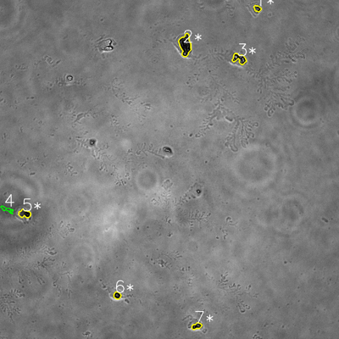
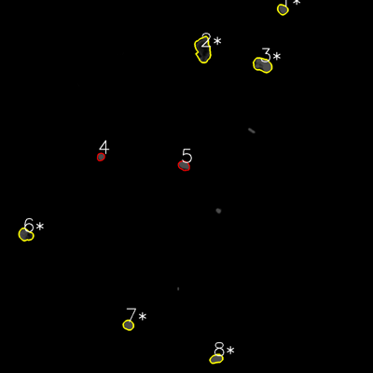
═══════════════ DETECTION REPORT ═══════════════
Source: 1 1 N NO 3_ch00.tif
Parameters: Gray Thresh=53, Fluor Thresh=5, Overlap=80%

┌─── SUMMARY ───┐
Grayscale bacteria: 7
Fluorescence bacteria: 8
Co-localized pairs: 6
Co-localization rate: 85.7%

┌─── CO-LOCALIZED PAIRS (6) ───┐
Gray | Fluor | Overlap | G.Area | F.Area | Intersect
────────────────────────────────────────────────────────────
1 | 1 | 100.0% | 419 | 844 | 419
2 | 2 | 100.0% | 2374 | 3146 | 2374
3 | 3 | 100.0% | 1150 | 2116 | 1150
5 | 6 | 98.5% | 904 | 1381 | 890
6 | 7 | 100.0% | 511 | 838 | 511
7 | 8 | 100.0% | 592 | 916 | 592

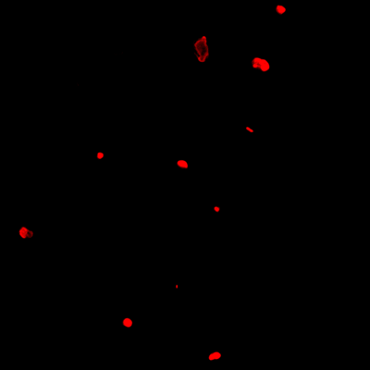
┌─── GRAYSCALE CHANNEL (7 bacteria) ───┐
ID | * | Area | Mode | Max | Centroid (Y, X)
───────────────────────────────────────────────────────
1 | * | 419 | 28.0 | 212 | (30.1, 911.1)
2 | * | 2374 | 0.0 | 255 | (159.2, 655.7)
3 | * | 1150 | 0.0 | 255 | (207.7, 847.4)
4 |  | 427 | 73.0 | 105 | (740.9, 23.9)
5 | * | 904 | 0.0 | 117 | (756.4, 86.8)
6 | * | 511 | 0.0 | 154 | (1045.6, 414.8)
7 | * | 592 | 0.0 | 167 | (1154.3, 696.0)
───────────────────────────────────────────────────────
Stats: Area μ=911.0 σ=647.6 | Intensity(mode) μ=14.4

┌─── FLUORESCENCE CHANNEL (8 bacteria) ───┐
ID | * | Area | Mode | Max | Centroid (Y, X)
───────────────────────────────────────────────────────
1 | * | 844 | 76.0 | 76 | (30.5, 908.9)
2 | * | 3146 | 18.0 | 76 | (159.2, 653.2)
3 | * | 2116 | 76.0 | 76 | (208.9, 844.4)
4 |  | 475 | 76.0 | 76 | (504.4, 324.1)
5 |  | 875 | 76.0 | 76 | (532.9, 591.6)
6 | * | 1381 | 76.0 | 76 | (755.2, 82.4)
7 | * | 838 | 76.0 | 76 | (1045.7, 412.8)
8 | * | 916 | 76.0 | 76 | (1154.3, 695.8)
───────────────────────────────────────────────────────
Stats: Area μ=1323.9 σ=829.6 | Intensity(mode) μ=68.8

Legend: * = Co-localized | Yellow contours = Co-localized

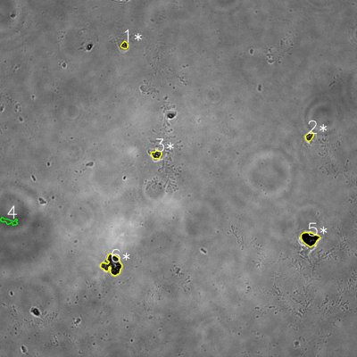
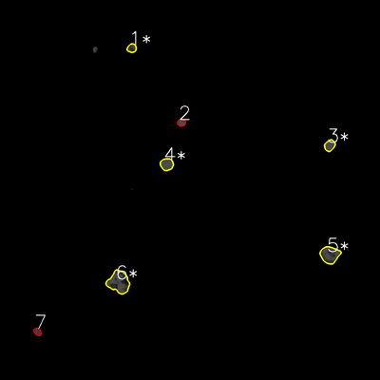
═══════════════ DETECTION REPORT ═══════════════
Source: 1 1 N NO 4_ch00.tif
Parameters: Gray Thresh=53, Fluor Thresh=5, Overlap=80%

┌─── SUMMARY ───┐
Grayscale bacteria: 6
Fluorescence bacteria: 7
Co-localized pairs: 5
Co-localization rate: 83.3%

┌─── CO-LOCALIZED PAIRS (5) ───┐
Gray | Fluor | Overlap | G.Area | F.Area | Intersect
────────────────────────────────────────────────────────────
1 | 1 | 100.0% | 435 | 629 | 435
2 | 3 | 100.0% | 608 | 920 | 608
3 | 4 | 100.0% | 745 | 1253 | 745
5 | 5 | 98.8% | 2092 | 2550 | 2067
6 | 6 | 98.7% | 3055 | 3678 | 3016

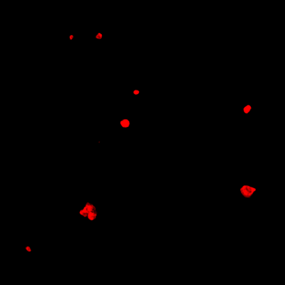
┌─── GRAYSCALE CHANNEL (6 bacteria) ───┐
ID | * | Area | Mode | Max | Centroid (Y, X)
───────────────────────────────────────────────────────
1 | * | 435 | 0.0 | 220 | (152.1, 418.3)
2 | * | 608 | 43.0 | 194 | (458.4, 1040.2)
3 | * | 745 | 28.0 | 255 | (519.2, 526.2)
4 |  | 733 | 73.0 | 103 | (744.0, 30.5)
5 | * | 2092 | 0.0 | 94 | (802.4, 1041.1)
6 | * | 3055 | 0.0 | 228 | (890.4, 378.0)
───────────────────────────────────────────────────────
Stats: Area μ=1278.0 σ=962.7 | Intensity(mode) μ=24.0

┌─── FLUORESCENCE CHANNEL (7 bacteria) ───┐
ID | * | Area | Mode | Max | Centroid (Y, X)
───────────────────────────────────────────────────────
1 | * | 629 | 76.0 | 76 | (152.0, 416.1)
2 |  | 475 | 76.0 | 76 | (387.2, 573.1)
3 | * | 920 | 76.0 | 76 | (459.3, 1041.1)
4 | * | 1253 | 76.0 | 76 | (518.9, 526.6)
5 | * | 2550 | 76.0 | 76 | (804.4, 1041.4)
6 | * | 3678 | 76.0 | 76 | (891.2, 374.9)
7 |  | 437 | 56.0 | 76 | (1047.9, 118.6)
───────────────────────────────────────────────────────
Stats: Area μ=1420.3 σ=1142.6 | Intensity(mode) μ=73.1

Legend: * = Co-localized | Yellow contours = Co-localized

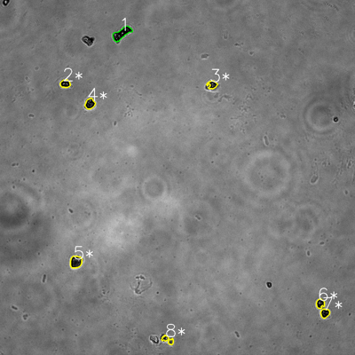
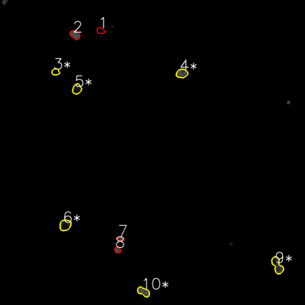
═══════════════ DETECTION REPORT ═══════════════
Source: 1 1 N NO 5_ch00.tif
Parameters: Gray Thresh=53, Fluor Thresh=5, Overlap=80%

┌─── SUMMARY ───┐
Grayscale bacteria: 8
Fluorescence bacteria: 10
Co-localized pairs: 7
Co-localization rate: 87.5%

┌─── CO-LOCALIZED PAIRS (7) ───┐
Gray | Fluor | Overlap | G.Area | F.Area | Intersect
────────────────────────────────────────────────────────────
2 | 3 | 84.2% | 720 | 619 | 606
3 | 4 | 100.0% | 649 | 1231 | 649
4 | 5 | 98.5% | 928 | 1091 | 914
5 | 6 | 99.7% | 1348 | 1535 | 1344
6 | 9 | 100.0% | 695 | 1827 | 695
7 | 9 | 100.0% | 728 | 1827 | 728
8 | 10 | 100.0% | 582 | 1217 | 582

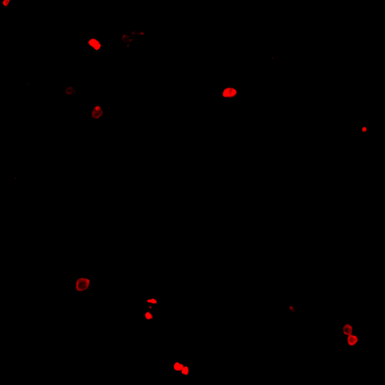
┌─── GRAYSCALE CHANNEL (8 bacteria) ───┐
ID | * | Area | Mode | Max | Centroid (Y, X)
───────────────────────────────────────────────────────
1 |  | 1721 | 0.0 | 232 | (113.2, 411.2)
2 | * | 720 | 0.0 | 186 | (283.0, 220.4)
3 | * | 649 | 0.0 | 169 | (286.2, 717.4)
4 | * | 928 | 0.0 | 146 | (350.8, 303.9)
5 | * | 1348 | 0.0 | 202 | (885.2, 256.4)
6 | * | 695 | 0.0 | 185 | (1026.1, 1082.4)
7 | * | 728 | 0.0 | 122 | (1058.7, 1098.3)
8 | * | 582 | 0.0 | 242 | (1148.5, 566.8)
───────────────────────────────────────────────────────
Stats: Area μ=921.4 σ=377.5 | Intensity(mode) μ=0.0

┌─── FLUORESCENCE CHANNEL (10 bacteria) ───┐
ID | * | Area | Mode | Max | Centroid (Y, X)
───────────────────────────────────────────────────────
1 |  | 599 | 0.0 | 40 | (120.6, 395.4)
2 |  | 1051 | 76.0 | 76 | (136.9, 295.0)
3 | * | 619 | 5.0 | 35 | (282.7, 218.5)
4 | * | 1231 | 76.0 | 76 | (288.9, 715.5)
5 | * | 1091 | 18.0 | 76 | (350.1, 302.4)
6 | * | 1535 | 18.0 | 76 | (885.7, 256.4)
7 |  | 435 | 76.0 | 76 | (938.7, 473.4)
8 |  | 526 | 76.0 | 76 | (983.2, 462.9)
9 | * | 1827 | 32.0 | 76 | (1044.2, 1090.8)
10 | * | 1217 | 76.0 | 76 | (1147.9, 564.6)
───────────────────────────────────────────────────────
Stats: Area μ=1013.1 σ=439.3 | Intensity(mode) μ=45.3

Legend: * = Co-localized | Yellow contours = Co-localized

2
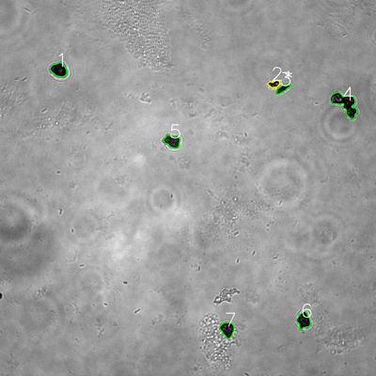
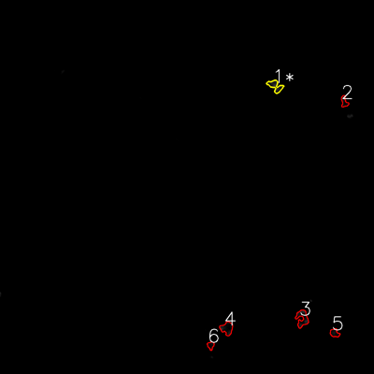
═══════════════ DETECTION REPORT ═══════════════
Source: 2 2 P 1_ch00.tif
Parameters: Gray Thresh=53, Fluor Thresh=5, Overlap=80%

┌─── SUMMARY ───┐
Grayscale bacteria: 7
Fluorescence bacteria: 6
Co-localized pairs: 1
Co-localization rate: 14.3%

┌─── CO-LOCALIZED PAIRS (1) ───┐
Gray | Fluor | Overlap | G.Area | F.Area | Intersect
────────────────────────────────────────────────────────────
2 | 1 | 86.2% | 668 | 1071 | 576

┌─── GRAYSCALE CHANNEL (7 bacteria) ───┐
ID | * | Area | Mode | Max | Centroid (Y, X)
───────────────────────────────────────────────────────
1 |  | 1782 | 0.0 | 105 | (222.8, 187.7)
2 | * | 668 | 18.0 | 255 | (268.0, 874.3)
3 |  | 774 | 18.0 | 116 | (283.0, 901.9)
4 |  | 3644 | 0.0 | 196 | (330.1, 1101.2)

5 |  | 1619 | 38.0 | 129 | (450.8, 549.7)
6 |  | 1739 | 0.0 | 141 | (1022.8, 968.8)
7 |  | 1692 | 21.0 | 125 | (1051.6, 725.3)
───────────────────────────────────────────────────────
Stats: Area μ=1702.6 σ=903.7 | Intensity(mode) μ=13.6

┌─── FLUORESCENCE CHANNEL (6 bacteria) ───┐
ID | * | Area | Mode | Max | Centroid (Y, X)
───────────────────────────────────────────────────────
1 | * | 1071 | 0.0 | 65 | (275.9, 883.1)
2 |  | 526 | 0.0 | 32 | (326.5, 1104.5)
3 |  | 1389 | 0.0 | 57 | (1021.6, 969.4)
4 |  | 1226 | 0.0 | 59 | (1053.2, 728.0)
5 |  | 601 | 0.0 | 36 | (1068.3, 1073.4)
6 |  | 414 | 0.0 | 26 | (1108.1, 675.9)
───────────────────────────────────────────────────────
Stats: Area μ=871.2 σ=373.1 | Intensity(mode) μ=0.0

Legend: * = Co-localized | Yellow contours = Co-localized

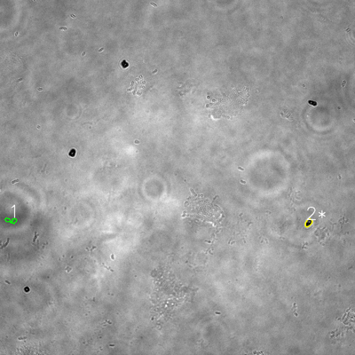
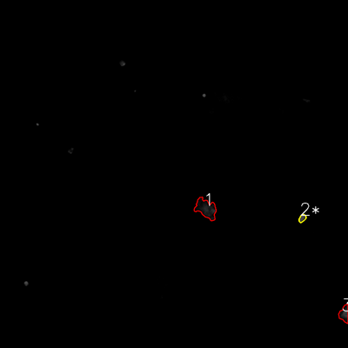
═══════════════ DETECTION REPORT ═══════════════
Source: 2 2 P 2_ch00.tif
Parameters: Gray Thresh=53, Fluor Thresh=5, Overlap=80%

┌─── SUMMARY ───┐
Grayscale bacteria: 2
Fluorescence bacteria: 3
Co-localized pairs: 1
Co-localization rate: 50.0%

┌─── CO-LOCALIZED PAIRS (1) ───┐
Gray | Fluor | Overlap | G.Area | F.Area | Intersect
────────────────────────────────────────────────────────────
2 | 2 | 99.3% | 459 | 489 | 456

┌─── GRAYSCALE CHANNEL (2 bacteria) ───┐
ID | * | Area | Mode | Max | Centroid (Y, X)
───────────────────────────────────────────────────────
1 |  | 422 | 88.0 | 134 | (745.2, 37.1)
2 | * | 459 | 0.0 | 183 | (752.8, 1042.8)
───────────────────────────────────────────────────────
Stats: Area μ=440.5 σ=18.5 | Intensity(mode) μ=44.0

┌─── FLUORESCENCE CHANNEL (3 bacteria) ───┐
ID | * | Area | Mode | Max | Centroid (Y, X)
───────────────────────────────────────────────────────
1 |  | 3593 | 0.0 | 59 | (719.5, 710.2)
2 | * | 489 | 76.0 | 76 | (752.7, 1042.5)
3 |  | 1427 | 16.0 | 76 | (1082.4, 1186.9)
───────────────────────────────────────────────────────
Stats: Area μ=1836.3 σ=1299.8 | Intensity(mode) μ=30.7

Legend: * = Co-localized | Yellow contours = Co-localized

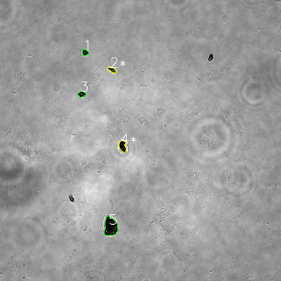
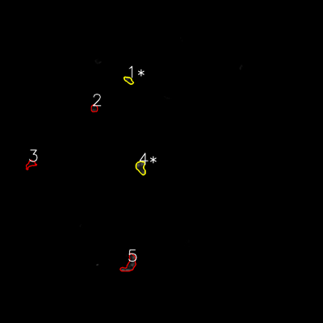
═══════════════ DETECTION REPORT ═══════════════
Source: 2 2 P 3_ch00.tif
Parameters: Gray Thresh=53, Fluor Thresh=5, Overlap=80%

┌─── SUMMARY ───┐
Grayscale bacteria: 5
Fluorescence bacteria: 5
Co-localized pairs: 2
Co-localization rate: 40.0%

┌─── CO-LOCALIZED PAIRS (2) ───┐
Gray | Fluor | Overlap | G.Area | F.Area | Intersect
────────────────────────────────────────────────────────────
2 | 1 | 91.2% | 599 | 572 | 546
4 | 4 | 90.9% | 1261 | 1239 | 1146

┌─── GRAYSCALE CHANNEL (5 bacteria) ───┐
ID | * | Area | Mode | Max | Centroid (Y, X)
───────────────────────────────────────────────────────
1 |  | 563 | 0.0 | 176 | (224.4, 363.5)
2 | * | 599 | 27.0 | 136 | (298.6, 478.6)
3 |  | 637 | 11.0 | 181 | (402.0, 349.1)

4 | * | 1261 | 0.0 | 87 | (624.1, 523.6)
5 |  | 3707 | 0.0 | 184 | (968.2, 472.4)
───────────────────────────────────────────────────────
Stats: Area μ=1353.4 σ=1204.6 | Intensity(mode) μ=7.6

┌─── FLUORESCENCE CHANNEL (5 bacteria) ───┐
ID | * | Area | Mode | Max | Centroid (Y, X)
───────────────────────────────────────────────────────
1 | * | 572 | 22.0 | 58 | (298.1, 478.0)
2 |  | 532 | 13.0 | 55 | (402.6, 350.0)
3 |  | 630 | 0.0 | 22 | (610.1, 113.9)
4 | * | 1239 | 76.0 | 76 | (622.0, 523.3)
5 |  | 1800 | 76.0 | 76 | (980.9, 482.8)
───────────────────────────────────────────────────────
Stats: Area μ=954.6 σ=495.2 | Intensity(mode) μ=37.4

Legend: * = Co-localized | Yellow contours = Co-localized

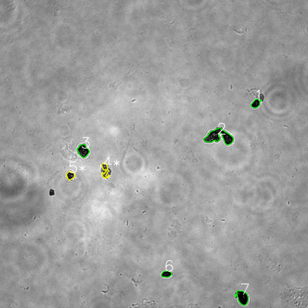
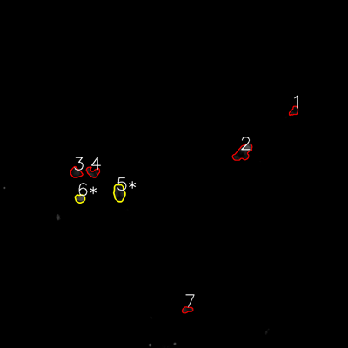
═══════════════ DETECTION REPORT ═══════════════
Source: 2 2 P 4_ch00.tif
Parameters: Gray Thresh=53, Fluor Thresh=5, Overlap=80%

┌─── SUMMARY ───┐
Grayscale bacteria: 7
Fluorescence bacteria: 7
Co-localized pairs: 2
Co-localization rate: 28.6%

┌─── CO-LOCALIZED PAIRS (2) ───┐
Gray | Fluor | Overlap | G.Area | F.Area | Intersect
────────────────────────────────────────────────────────────
4 | 5 | 99.2% | 962 | 1846 | 954
5 | 6 | 88.8% | 774 | 775 | 687

┌─── GRAYSCALE CHANNEL (7 bacteria) ───┐
ID | * | Area | Mode | Max | Centroid (Y, X)
───────────────────────────────────────────────────────
1 |  | 888 | 0.0 | 122 | (403.0, 997.2)
2 |  | 3860 | 0.0 | 191 | (532.3, 853.7)
3 |  | 1616 | 18.0 | 138 | (587.3, 323.9)

4 | * | 962 | 45.0 | 191 | (663.6, 409.1)
5 | * | 774 | 19.0 | 182 | (683.5, 274.2)
6 |  | 774 | 0.0 | 82 | (1067.7, 648.3)
7 |  | 1919 | 0.0 | 118 | (1158.9, 944.3)
───────────────────────────────────────────────────────
Stats: Area μ=1541.9 σ=1032.6 | Intensity(mode) μ=11.7

┌─── FLUORESCENCE CHANNEL (7 bacteria) ───┐
ID | * | Area | Mode | Max | Centroid (Y, X)
───────────────────────────────────────────────────────
1 |  | 643 | 9.0 | 48 | (382.6, 1013.9)
2 |  | 2400 | 76.0 | 76 | (525.8, 837.4)
3 |  | 1080 | 10.0 | 48 | (595.3, 261.7)
4 |  | 1056 | 13.0 | 64 | (593.9, 320.4)
5 | * | 1846 | 22.0 | 65 | (665.2, 410.8)
6 | * | 775 | 76.0 | 76 | (684.6, 275.6)
7 |  | 612 | 19.0 | 54 | (1068.0, 645.6)
───────────────────────────────────────────────────────
Stats: Area μ=1201.7 σ=624.4 | Intensity(mode) μ=32.1

Legend: * = Co-localized | Yellow contours = Co-localized

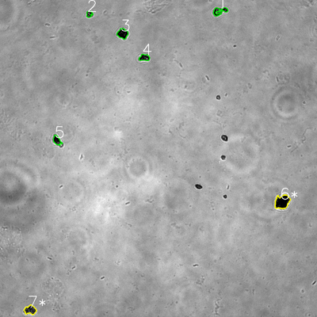
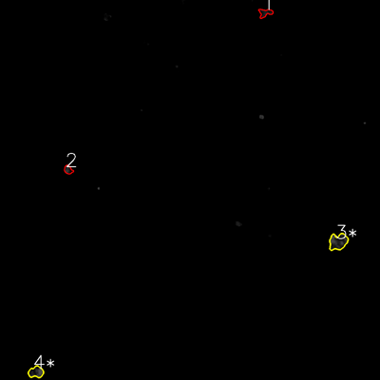
═══════════════ DETECTION REPORT ═══════════════
Source: 2 2 P 5_ch00.tif
Parameters: Gray Thresh=53, Fluor Thresh=5, Overlap=80%

┌─── SUMMARY ───┐
Grayscale bacteria: 7
Fluorescence bacteria: 4
Co-localized pairs: 2
Co-localization rate: 28.6%

┌─── CO-LOCALIZED PAIRS (2) ───┐
Gray | Fluor | Overlap | G.Area | F.Area | Intersect
────────────────────────────────────────────────────────────
6 | 3 | 94.3% | 2298 | 2319 | 2167
7 | 4 | 98.4% | 1153 | 1317 | 1134

┌─── GRAYSCALE CHANNEL (7 bacteria) ───┐
ID | * | Area | Mode | Max | Centroid (Y, X)
───────────────────────────────────────────────────────
1 |  | 916 | 0.0 | 174 | (42.1, 831.2)
2 |  | 419 | 0.0 | 242 | (53.1, 338.1)
3 |  | 1183 | 0.0 | 80 | (127.2, 464.1)

4 |  | 759 | 0.0 | 255 | (218.1, 546.7)
5 |  | 753 | 0.0 | 123 | (531.3, 215.5)
6 | * | 2298 | 0.0 | 165 | (764.1, 1068.0)
7 | * | 1153 | 0.0 | 207 | (1173.3, 114.4)
───────────────────────────────────────────────────────
Stats: Area μ=1068.7 σ=557.1 | Intensity(mode) μ=0.0

┌─── FLUORESCENCE CHANNEL (4 bacteria) ───┐
ID | * | Area | Mode | Max | Centroid (Y, X)
───────────────────────────────────────────────────────
1 |  | 778 | 22.0 | 49 | (40.4, 837.4)
2 |  | 548 | 0.0 | 70 | (536.0, 215.5)
3 | * | 2319 | 22.0 | 76 | (763.4, 1067.9)
4 | * | 1317 | 76.0 | 76 | (1175.0, 113.7)
───────────────────────────────────────────────────────
Stats: Area μ=1240.5 σ=682.4 | Intensity(mode) μ=30.0

Legend: * = Co-localized | Yellow contours = Co-localized

3
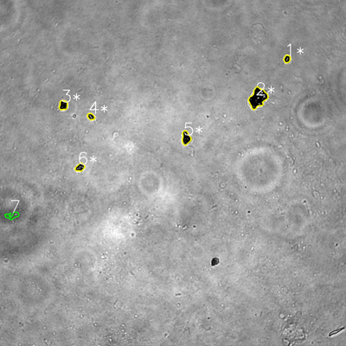
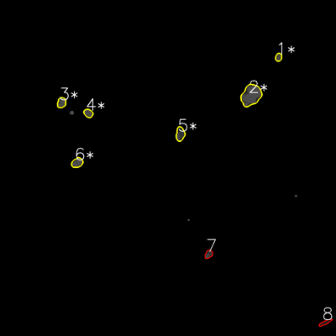
═══════════════ DETECTION REPORT ═══════════════
Source: 3 3 N NO 1_ch00.tif
Parameters: Gray Thresh=53, Fluor Thresh=5, Overlap=80%

┌─── SUMMARY ───┐
Grayscale bacteria: 7
Fluorescence bacteria: 8
Co-localized pairs: 6
Co-localization rate: 85.7%

┌─── CO-LOCALIZED PAIRS (6) ───┐
Gray | Fluor | Overlap | G.Area | F.Area | Intersect
────────────────────────────────────────────────────────────
1 | 1 | 97.7% | 478 | 524 | 467
2 | 2 | 100.0% | 3165 | 4227 | 3165
3 | 3 | 97.7% | 783 | 910 | 765
4 | 4 | 100.0% | 441 | 752 | 441
5 | 5 | 96.5% | 1092 | 1244 | 1054
6 | 6 | 100.0% | 663 | 1094 | 663

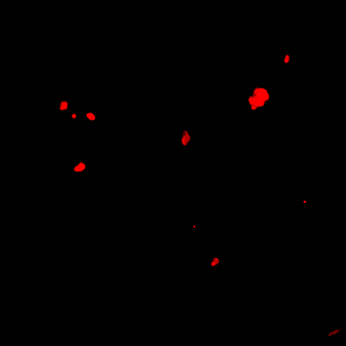
┌─── GRAYSCALE CHANNEL (7 bacteria) ───┐
ID | * | Area | Mode | Max | Centroid (Y, X)
───────────────────────────────────────────────────────
1 | * | 478 | 0.0 | 255 | (204.2, 995.4)
2 | * | 3165 | 0.0 | 255 | (339.9, 894.1)
3 | * | 783 | 0.0 | 108 | (364.7, 219.4)
4 | * | 441 | 0.0 | 255 | (404.3, 315.2)
5 | * | 1092 | 0.0 | 117 | (478.4, 644.9)
6 | * | 663 | 0.0 | 217 | (580.2, 277.2)
7 |  | 675 | 77.0 | 191 | (747.4, 42.3)
───────────────────────────────────────────────────────
Stats: Area μ=1042.4 σ=889.2 | Intensity(mode) μ=11.0

┌─── FLUORESCENCE CHANNEL (8 bacteria) ───┐
ID | * | Area | Mode | Max | Centroid (Y, X)
───────────────────────────────────────────────────────
1 | * | 524 | 76.0 | 76 | (204.3, 994.8)
2 | * | 4227 | 76.0 | 76 | (340.3, 896.7)
3 | * | 910 | 76.0 | 76 | (366.5, 219.7)
4 | * | 752 | 76.0 | 76 | (404.3, 315.4)
5 | * | 1244 | 76.0 | 76 | (478.5, 643.6)
6 | * | 1094 | 76.0 | 76 | (581.1, 275.8)
7 |  | 638 | 54.0 | 76 | (907.9, 745.1)
8 |  | 524 | 30.0 | 58 | (1151.9, 1161.0)
───────────────────────────────────────────────────────
Stats: Area μ=1239.1 σ=1155.3 | Intensity(mode) μ=67.5

Legend: * = Co-localized | Yellow contours = Co-localized

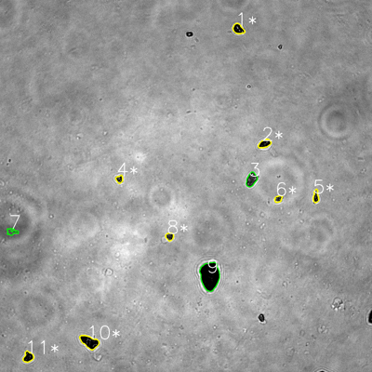
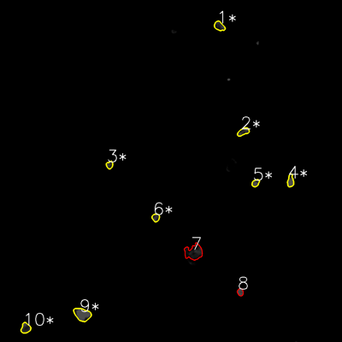
═══════════════ DETECTION REPORT ═══════════════
Source: 3 3 N NO 2_ch00.tif
Parameters: Gray Thresh=53, Fluor Thresh=5, Overlap=80%

┌─── SUMMARY ───┐
Grayscale bacteria: 11
Fluorescence bacteria: 10
Co-localized pairs: 8
Co-localization rate: 72.7%

┌─── CO-LOCALIZED PAIRS (8) ───┐
Gray | Fluor | Overlap | G.Area | F.Area | Intersect
────────────────────────────────────────────────────────────
1 | 1 | 90.5% | 911 | 901 | 824
2 | 2 | 92.6% | 828 | 808 | 767
4 | 3 | 97.0% | 439 | 477 | 426
5 | 4 | 99.7% | 584 | 754 | 582
6 | 5 | 99.5% | 411 | 515 | 409
8 | 6 | 99.4% | 515 | 581 | 512
10 | 9 | 99.1% | 1797 | 2054 | 1780
11 | 10 | 97.6% | 873 | 951 | 852

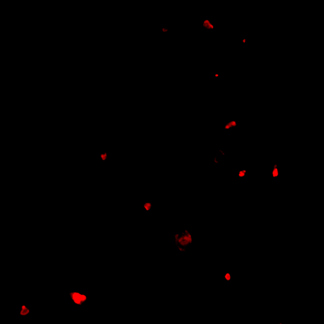
┌─── GRAYSCALE CHANNEL (11 bacteria) ───┐
ID | * | Area | Mode | Max | Centroid (Y, X)
───────────────────────────────────────────────────────
1 | * | 911 | 0.0 | 221 | (93.3, 768.5)
2 | * | 828 | 0.0 | 115 | (463.2, 853.7)
3 |  | 1162 | 0.0 | 247 | (579.0, 811.0)
4 | * | 439 | 38.0 | 255 | (577.9, 385.2)
5 | * | 584 | 0.0 | 255 | (633.6, 1018.8)
6 | * | 411 | 29.0 | 255 | (641.6, 897.6)
7 |  | 498 | 88.0 | 120 | (747.6, 38.2)
8 | * | 515 | 0.0 | 145 | (763.1, 547.1)
9 |  | 4553 | 0.0 | 88 | (889.7, 676.9)
10 | * | 1797 | 0.0 | 162 | (1103.0, 288.4)
11 | * | 873 | 0.0 | 108 | (1151.4, 90.9)
───────────────────────────────────────────────────────
Stats: Area μ=1142.8 σ=1145.6 | Intensity(mode) μ=14.1

┌─── FLUORESCENCE CHANNEL (10 bacteria) ───┐
ID | * | Area | Mode | Max | Centroid (Y, X)
───────────────────────────────────────────────────────
1 | * | 901 | 23.0 | 76 | (91.6, 769.5)
2 | * | 808 | 25.0 | 76 | (462.2, 853.6)
3 | * | 477 | 33.0 | 76 | (578.7, 384.5)
4 | * | 754 | 76.0 | 76 | (635.0, 1019.3)
5 | * | 515 | 76.0 | 76 | (642.1, 896.6)
6 | * | 581 | 51.0 | 76 | (763.4, 546.4)
7 |  | 2544 | 0.0 | 61 | (885.0, 679.8)
8 |  | 448 | 76.0 | 76 | (1024.8, 843.2)
9 | * | 2054 | 76.0 | 76 | (1103.2, 288.7)
10 | * | 951 | 28.0 | 76 | (1151.2, 89.9)
───────────────────────────────────────────────────────
Stats: Area μ=1003.3 σ=677.7 | Intensity(mode) μ=46.4

Legend: * = Co-localized | Yellow contours = Co-localized

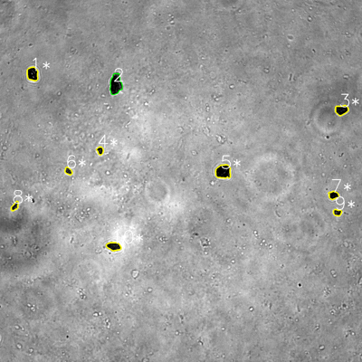
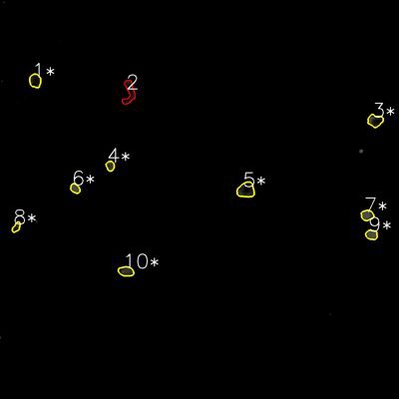
═══════════════ DETECTION REPORT ═══════════════
Source: 3 3 N NO 3_ch00.tif
Parameters: Gray Thresh=53, Fluor Thresh=5, Overlap=80%

┌─── SUMMARY ───┐
Grayscale bacteria: 10
Fluorescence bacteria: 10
Co-localized pairs: 9
Co-localization rate: 90.0%

┌─── CO-LOCALIZED PAIRS (9) ───┐
Gray | Fluor | Overlap | G.Area | F.Area | Intersect
────────────────────────────────────────────────────────────
1 | 1 | 81.0% | 1377 | 1135 | 1115
3 | 3 | 93.7% | 1114 | 1282 | 1044
4 | 4 | 100.0% | 451 | 585 | 451
5 | 5 | 91.2% | 1901 | 1887 | 1734
6 | 6 | 100.0% | 452 | 627 | 452
7 | 7 | 100.0% | 710 | 939 | 710
8 | 8 | 96.9% | 482 | 500 | 467
9 | 9 | 100.0% | 487 | 819 | 487
10 | 10 | 93.4% | 1047 | 1064 | 978
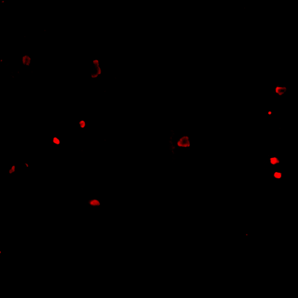
┌─── GRAYSCALE CHANNEL (10 bacteria) ───┐
ID | * | Area | Mode | Max | Centroid (Y, X)
───────────────────────────────────────────────────────
1 | * | 1377 | 0.0 | 213 | (244.9, 107.7)
2 |  | 2132 | 0.0 | 150 | (279.2, 383.5)
3 | * | 1114 | 0.0 | 111 | (364.6, 1132.1)
4 | * | 451 | 0.0 | 110 | (499.1, 331.9)
5 | * | 1901 | 0.0 | 187 | (568.9, 739.9)
6 | * | 452 | 30.0 | 147 | (567.1, 226.7)
7 | * | 710 | 0.0 | 141 | (647.1, 1105.5)
8 | * | 482 | 0.0 | 192 | (683.6, 49.3)
9 | * | 487 | 0.0 | 118 | (704.3, 1118.1)
10 | * | 1047 | 23.0 | 108 | (816.6, 377.0)
───────────────────────────────────────────────────────
Stats: Area μ=1015.3 σ=588.7 | Intensity(mode) μ=5.3

┌─── FLUORESCENCE CHANNEL (10 bacteria) ───┐
ID | * | Area | Mode | Max | Centroid (Y, X)
───────────────────────────────────────────────────────
1 | * | 1135 | 14.0 | 44 | (242.7, 105.8)
2 |  | 1457 | 0.0 | 54 | (277.6, 388.4)
3 | * | 1282 | 0.0 | 76 | (363.0, 1128.1)
4 | * | 585 | 61.0 | 76 | (499.0, 331.4)
5 | * | 1887 | 18.0 | 71 | (571.5, 739.8)
6 | * | 627 | 76.0 | 76 | (566.9, 226.0)
7 | * | 939 | 76.0 | 76 | (647.3, 1104.4)
8 | * | 500 | 22.0 | 60 | (683.2, 49.1)
9 | * | 819 | 76.0 | 76 | (706.0, 1117.4)
10 | * | 1064 | 45.0 | 73 | (816.0, 379.0)
───────────────────────────────────────────────────────
Stats: Area μ=1029.5 σ=410.7 | Intensity(mode) μ=38.8

Legend: * = Co-localized | Yellow contours = Co-localized

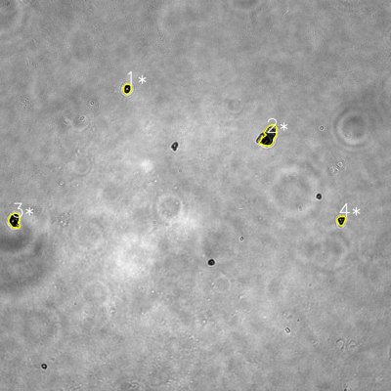
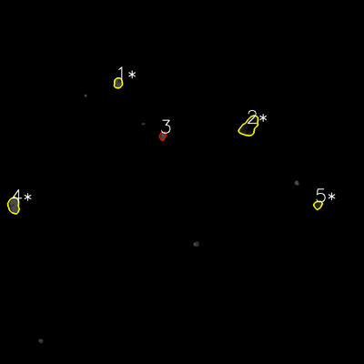
═══════════════ DETECTION REPORT ═══════════════
Source: 3 3 N NO 4_ch00.tif
Parameters: Gray Thresh=53, Fluor Thresh=5, Overlap=80%

┌─── SUMMARY ───┐
Grayscale bacteria: 4
Fluorescence bacteria: 5
Co-localized pairs: 4
Co-localization rate: 100.0%

┌─── CO-LOCALIZED PAIRS (4) ───┐
Gray | Fluor | Overlap | G.Area | F.Area | Intersect
────────────────────────────────────────────────────────────
1 | 1 | 99.8% | 598 | 770 | 597
2 | 2 | 98.6% | 2152 | 2695 | 2122
3 | 4 | 99.9% | 1240 | 1593 | 1239
4 | 5 | 93.5% | 569 | 568 | 532

┌─── GRAYSCALE CHANNEL (4 bacteria) ───┐
ID | * | Area | Mode | Max | Centroid (Y, X)
───────────────────────────────────────────────────────
1 | * | 598 | 0.0 | 255 | (272.5, 390.2)
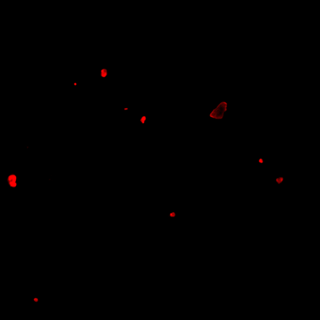
2 | * | 2152 | 0.0 | 254 | (416.6, 825.6)
3 | * | 1240 | 0.0 | 255 | (676.5, 44.6)
4 | * | 569 | 0.0 | 249 | (676.3, 1047.3)
───────────────────────────────────────────────────────
Stats: Area μ=1139.8 σ=643.0 | Intensity(mode) μ=0.0

┌─── FLUORESCENCE CHANNEL (5 bacteria) ───┐
ID | * | Area | Mode | Max | Centroid (Y, X)
───────────────────────────────────────────────────────
1 | * | 770 | 76.0 | 76 | (273.5, 389.3)
2 | * | 2695 | 13.0 | 71 | (416.2, 821.8)
3 |  | 469 | 76.0 | 76 | (448.1, 536.2)
4 | * | 1593 | 76.0 | 76 | (677.2, 45.1)
5 | * | 568 | 39.0 | 71 | (675.6, 1047.9)
───────────────────────────────────────────────────────
Stats: Area μ=1219.0 σ=837.4 | Intensity(mode) μ=56.0

Legend: * = Co-localized | Yellow contours = Co-localized

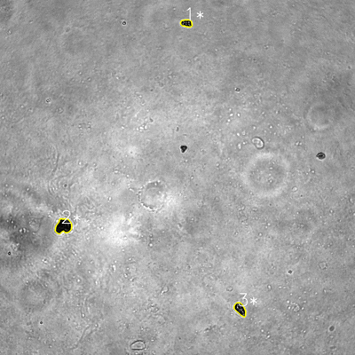
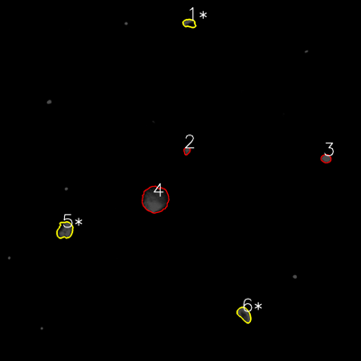
═══════════════ DETECTION REPORT ═══════════════
Source: 3 3 N NO 5_ch00.tif
Parameters: Gray Thresh=53, Fluor Thresh=5, Overlap=80%

┌─── SUMMARY ───┐
Grayscale bacteria: 3
Fluorescence bacteria: 6
Co-localized pairs: 3
Co-localization rate: 100.0%

┌─── CO-LOCALIZED PAIRS (3) ───┐
Gray | Fluor | Overlap | G.Area | F.Area | Intersect
────────────────────────────────────────────────────────────
1 | 1 | 98.3% | 802 | 919 | 788
2 | 5 | 95.3% | 2198 | 2324 | 2095
3 | 6 | 100.0% | 1238 | 1574 | 1238

┌─── GRAYSCALE CHANNEL (3 bacteria) ───┐
ID | * | Area | Mode | Max | Centroid (Y, X)
───────────────────────────────────────────────────────
1 | * | 802 | 0.0 | 188 | (78.5, 630.4)
2 | * | 2198 | 0.0 | 126 | (764.5, 214.6)
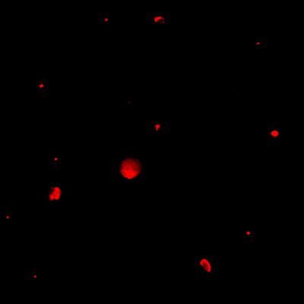
3 | * | 1238 | 0.0 | 255 | (1045.0, 811.8)
───────────────────────────────────────────────────────
Stats: Area μ=1412.7 σ=583.1 | Intensity(mode) μ=0.0

┌─── FLUORESCENCE CHANNEL (6 bacteria) ───┐
ID | * | Area | Mode | Max | Centroid (Y, X)
───────────────────────────────────────────────────────
1 | * | 919 | 76.0 | 76 | (77.4, 629.3)
2 |  | 405 | 76.0 | 76 | (501.5, 620.9)
3 |  | 739 | 76.0 | 76 | (527.2, 1083.7)
4 |  | 6166 | 76.0 | 76 | (662.8, 516.1)
5 | * | 2324 | 76.0 | 76 | (765.0, 215.8)
6 | * | 1574 | 76.0 | 76 | (1045.4, 812.2)
───────────────────────────────────────────────────────
Stats: Area μ=2021.2 σ=1955.4 | Intensity(mode) μ=76.0

Legend: * = Co-localized | Yellow contours = Co-localized

