4
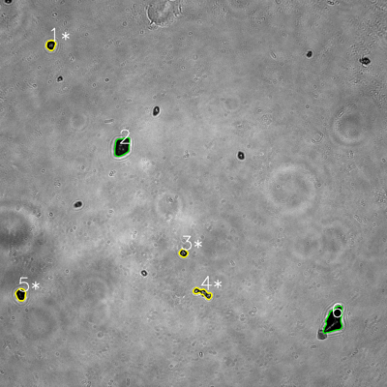
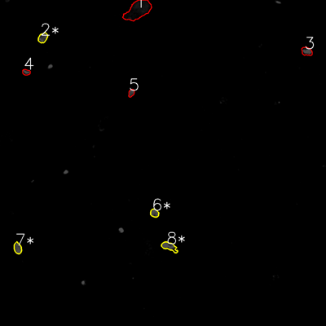
═══════════════ DETECTION REPORT ═══════════════
Source: 4 4 N NO 1_ch00.tif
Parameters: Gray Thresh=53, Fluor Thresh=5, Overlap=80%

┌─── SUMMARY ───┐
Grayscale bacteria: 6
Fluorescence bacteria: 8
Co-localized pairs: 4
Co-localization rate: 66.7%

┌─── CO-LOCALIZED PAIRS (4) ───┐
Gray | Fluor | Overlap | G.Area | F.Area | Intersect
────────────────────────────────────────────────────────────
1 | 2 | 99.5% | 743 | 951 | 739
3 | 6 | 100.0% | 520 | 731 | 520
4 | 8 | 88.0% | 982 | 1298 | 864
5 | 7 | 87.6% | 946 | 921 | 829

┌─── GRAYSCALE CHANNEL (6 bacteria) ───┐
ID | * | Area | Mode | Max | Centroid (Y, X)
───────────────────────────────────────────────────────
1 | * | 743 | 0.0 | 173 | (139.7, 157.5)
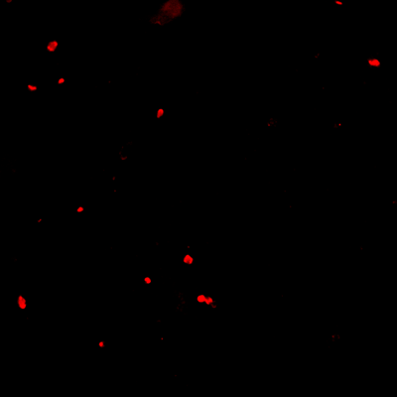
2 |  | 2172 | 14.0 | 132 | (454.7, 377.9)
3 | * | 520 | 5.0 | 225 | (784.7, 568.5)
4 | * | 982 | 22.0 | 255 | (908.3, 629.0)
5 | * | 946 | 0.0 | 85 | (913.1, 64.5)
6 |  | 3261 | 0.0 | 181 | (993.4, 1035.3)
───────────────────────────────────────────────────────
Stats: Area μ=1437.3 σ=969.3 | Intensity(mode) μ=6.8

┌─── FLUORESCENCE CHANNEL (8 bacteria) ───┐
ID | * | Area | Mode | Max | Centroid (Y, X)
───────────────────────────────────────────────────────
1 |  | 4966 | 0.0 | 39 | (37.3, 507.9)
2 | * | 951 | 76.0 | 76 | (139.1, 157.7)
3 |  | 972 | 76.0 | 76 | (189.1, 1129.2)
4 |  | 506 | 76.0 | 76 | (265.7, 96.4)
5 |  | 487 | 76.0 | 76 | (342.0, 483.2)
6 | * | 731 | 76.0 | 76 | (784.4, 568.6)
7 | * | 921 | 76.0 | 76 | (913.4, 65.0)
8 | * | 1298 | 76.0 | 76 | (907.8, 623.1)
───────────────────────────────────────────────────────
Stats: Area μ=1354.0 σ=1387.6 | Intensity(mode) μ=66.5

Legend: * = Co-localized | Yellow contours = Co-localized

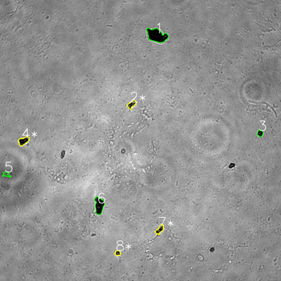
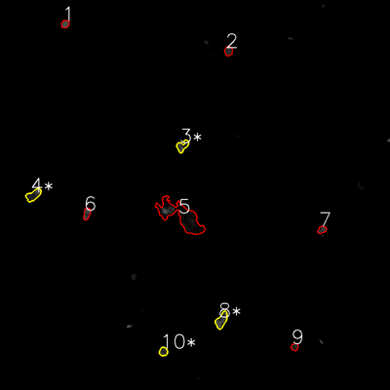
═══════════════ DETECTION REPORT ═══════════════
Source: 4 4 N NO 2_ch00.tif
Parameters: Gray Thresh=53, Fluor Thresh=5, Overlap=80%

┌─── SUMMARY ───┐
Grayscale bacteria: 8
Fluorescence bacteria: 10
Co-localized pairs: 4
Co-localization rate: 50.0%

┌─── CO-LOCALIZED PAIRS (4) ───┐
Gray | Fluor | Overlap | G.Area | F.Area | Intersect
────────────────────────────────────────────────────────────
2 | 3 | 82.8% | 800 | 834 | 662
4 | 4 | 90.2% | 1135 | 1139 | 1024
7 | 8 | 99.5% | 791 | 1226 | 787
8 | 10 | 100.0% | 428 | 552 | 428

┌─── GRAYSCALE CHANNEL (8 bacteria) ───┐
ID | * | Area | Mode | Max | Centroid (Y, X)
───────────────────────────────────────────────────────
1 |  | 3801 | 0.0 | 162 | (151.7, 669.5)
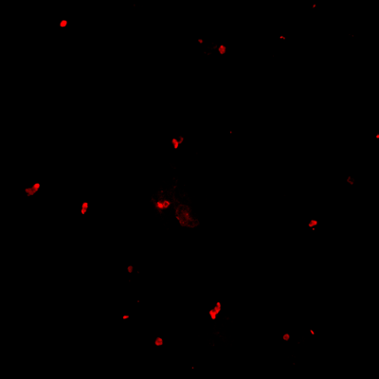
2 | * | 800 | 34.0 | 204 | (445.5, 562.2)
3 |  | 571 | 0.0 | 105 | (568.4, 1110.7)
4 | * | 1135 | 0.0 | 112 | (601.8, 100.3)
5 |  | 431 | 92.0 | 119 | (744.6, 27.2)
6 |  | 2239 | 0.0 | 113 | (877.1, 423.4)
7 | * | 791 | 18.0 | 169 | (980.3, 682.0)
8 | * | 428 | 36.0 | 174 | (1080.3, 502.7)
───────────────────────────────────────────────────────
Stats: Area μ=1274.5 σ=1102.0 | Intensity(mode) μ=22.5

┌─── FLUORESCENCE CHANNEL (10 bacteria) ───┐
ID | * | Area | Mode | Max | Centroid (Y, X)
───────────────────────────────────────────────────────
1 |  | 463 | 76.0 | 76 | (73.9, 200.3)
2 |  | 570 | 39.0 | 76 | (156.7, 703.2)
3 | * | 834 | 76.0 | 76 | (449.3, 561.1)
4 | * | 1139 | 76.0 | 76 | (600.1, 103.1)
5 |  | 6865 | 0.0 | 76 | (665.2, 557.2)
6 |  | 616 | 76.0 | 76 | (657.5, 267.1)
7 |  | 481 | 48.0 | 76 | (706.8, 990.5)
8 | * | 1226 | 76.0 | 76 | (985.3, 681.6)
9 |  | 403 | 30.0 | 60 | (1067.2, 906.5)
10 | * | 552 | 45.0 | 68 | (1081.6, 502.6)
───────────────────────────────────────────────────────
Stats: Area μ=1314.9 σ=1869.5 | Intensity(mode) μ=54.2

Legend: * = Co-localized | Yellow contours = Co-localized

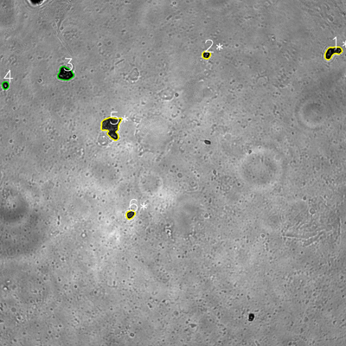
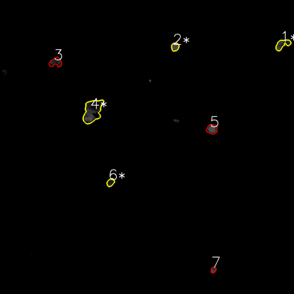
═══════════════ DETECTION REPORT ═══════════════
Source: 4 4 N NO 3_ch00.tif
Parameters: Gray Thresh=53, Fluor Thresh=5, Overlap=80%

┌─── SUMMARY ───┐
Grayscale bacteria: 6
Fluorescence bacteria: 7
Co-localized pairs: 4
Co-localization rate: 66.7%

┌─── CO-LOCALIZED PAIRS (4) ───┐
Gray | Fluor | Overlap | G.Area | F.Area | Intersect
────────────────────────────────────────────────────────────
1 | 1 | 94.3% | 1626 | 1587 | 1533
2 | 2 | 100.0% | 598 | 833 | 598
5 | 4 | 96.0% | 3549 | 5494 | 3406
6 | 6 | 95.7% | 704 | 752 | 674

┌─── GRAYSCALE CHANNEL (6 bacteria) ───┐
ID | * | Area | Mode | Max | Centroid (Y, X)
───────────────────────────────────────────────────────
1 | * | 1626 | 0.0 | 157 | (180.9, 1153.1)
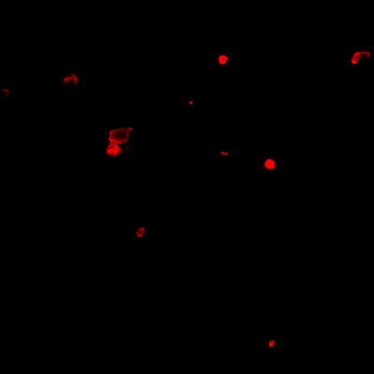
2 | * | 598 | 0.0 | 255 | (190.2, 715.4)
3 |  | 1942 | 0.0 | 167 | (255.8, 226.4)
4 |  | 495 | 0.0 | 255 | (295.9, 18.6)
5 | * | 3549 | 29.0 | 203 | (440.4, 386.6)
6 | * | 704 | 29.0 | 121 | (743.9, 452.4)
───────────────────────────────────────────────────────
Stats: Area μ=1485.7 σ=1069.7 | Intensity(mode) μ=9.7

┌─── FLUORESCENCE CHANNEL (7 bacteria) ───┐
ID | * | Area | Mode | Max | Centroid (Y, X)
───────────────────────────────────────────────────────
1 | * | 1587 | 37.0 | 76 | (181.0, 1152.8)
2 | * | 833 | 76.0 | 76 | (191.4, 714.5)
3 |  | 1364 | 0.0 | 69 | (254.4, 227.4)
4 | * | 5494 | 0.0 | 76 | (453.7, 377.5)
5 |  | 1391 | 76.0 | 76 | (527.3, 865.1)
6 | * | 752 | 27.0 | 66 | (744.6, 451.2)
7 |  | 437 | 54.0 | 76 | (1101.6, 871.0)
───────────────────────────────────────────────────────
Stats: Area μ=1694.0 σ=1597.4 | Intensity(mode) μ=38.6

Legend: * = Co-localized | Yellow contours = Co-localized

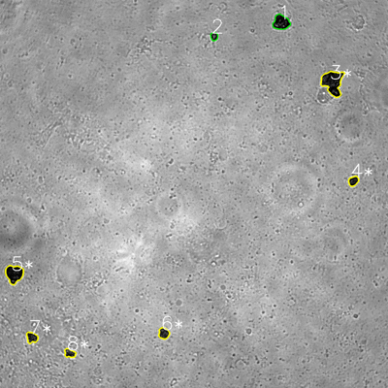
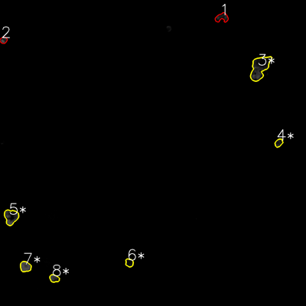
═══════════════ DETECTION REPORT ═══════════════
Source: 4 4 N NO 4_ch00.tif
Parameters: Gray Thresh=53, Fluor Thresh=5, Overlap=80%

┌─── SUMMARY ───┐
Grayscale bacteria: 8
Fluorescence bacteria: 8
Co-localized pairs: 6
Co-localization rate: 75.0%

┌─── CO-LOCALIZED PAIRS (6) ───┐
Gray | Fluor | Overlap | G.Area | F.Area | Intersect
────────────────────────────────────────────────────────────
3 | 3 | 82.3% | 3710 | 4904 | 3053
4 | 4 | 94.5% | 745 | 730 | 704
5 | 5 | 94.4% | 2400 | 2499 | 2265
6 | 6 | 84.7% | 920 | 781 | 779
7 | 7 | 100.0% | 927 | 1403 | 927
8 | 8 | 96.4% | 730 | 884 | 704

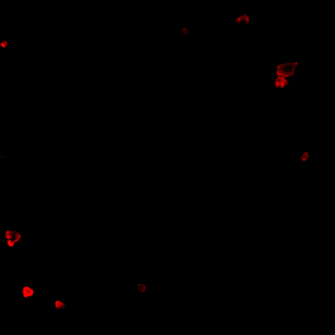
┌─── GRAYSCALE CHANNEL (8 bacteria) ───┐
ID | * | Area | Mode | Max | Centroid (Y, X)
───────────────────────────────────────────────────────
1 |  | 1871 | 0.0 | 159 | (69.1, 869.4)
2 |  | 473 | 19.0 | 200 | (112.3, 662.2)
3 | * | 3710 | 0.0 | 138 | (254.9, 1028.7)
4 | * | 745 | 8.0 | 124 | (559.7, 1093.0)
5 | * | 2400 | 0.0 | 126 | (846.9, 43.9)
6 | * | 920 | 27.0 | 117 | (1030.8, 506.5)
7 | * | 927 | 18.0 | 122 | (1043.9, 98.6)
8 | * | 730 | 28.0 | 180 | (1092.4, 215.7)
───────────────────────────────────────────────────────
Stats: Area μ=1472.0 σ=1043.3 | Intensity(mode) μ=12.5

┌─── FLUORESCENCE CHANNEL (8 bacteria) ───┐
ID | * | Area | Mode | Max | Centroid (Y, X)
───────────────────────────────────────────────────────
1 |  | 1233 | 0.0 | 60 | (68.8, 870.0)
2 |  | 562 | 76.0 | 76 | (157.5, 13.8)
3 | * | 4904 | 0.0 | 76 | (265.4, 1018.4)
4 | * | 730 | 28.0 | 53 | (560.3, 1093.0)
5 | * | 2499 | 76.0 | 76 | (850.3, 43.5)
6 | * | 781 | 10.0 | 42 | (1030.4, 507.2)
7 | * | 1403 | 76.0 | 76 | (1045.6, 99.6)
8 | * | 884 | 10.0 | 76 | (1091.9, 212.8)
───────────────────────────────────────────────────────
Stats: Area μ=1624.5 σ=1365.2 | Intensity(mode) μ=34.5

Legend: * = Co-localized | Yellow contours = Co-localized

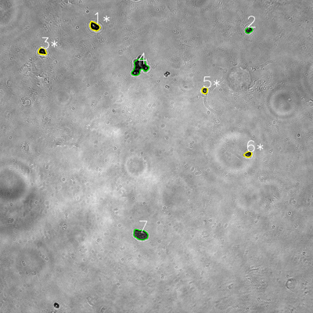
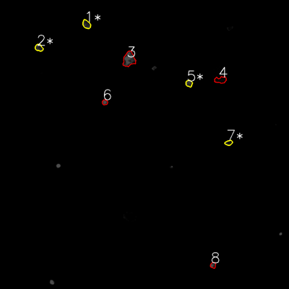
═══════════════ DETECTION REPORT ═══════════════
Source: 4 4 N NO 5_ch00.tif
Parameters: Gray Thresh=53, Fluor Thresh=5, Overlap=80%

┌─── SUMMARY ───┐
Grayscale bacteria: 7
Fluorescence bacteria: 8
Co-localized pairs: 4
Co-localization rate: 57.1%

┌─── CO-LOCALIZED PAIRS (4) ───┐
Gray | Fluor | Overlap | G.Area | F.Area | Intersect
────────────────────────────────────────────────────────────
1 | 1 | 83.4% | 994 | 893 | 829
3 | 2 | 95.1% | 654 | 718 | 622
5 | 5 | 99.6% | 451 | 599 | 449
6 | 7 | 89.2% | 507 | 501 | 452

┌─── GRAYSCALE CHANNEL (7 bacteria) ───┐
ID | * | Area | Mode | Max | Centroid (Y, X)
───────────────────────────────────────────────────────
1 | * | 994 | 0.0 | 255 | (100.8, 362.5)
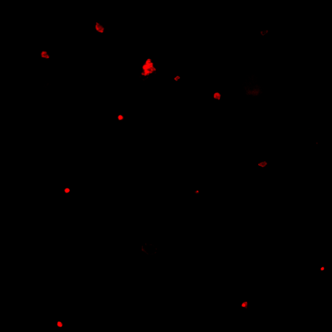
2 |  | 481 | 0.0 | 224 | (114.9, 954.1)
3 | * | 654 | 0.0 | 106 | (196.8, 162.0)
4 |  | 2490 | 15.0 | 255 | (255.9, 535.5)
5 | * | 451 | 26.0 | 231 | (346.6, 784.5)
6 | * | 507 | 15.0 | 224 | (591.4, 951.3)
7 |  | 1699 | 37.0 | 221 | (899.4, 539.0)
───────────────────────────────────────────────────────
Stats: Area μ=1039.4 σ=720.3 | Intensity(mode) μ=13.3

┌─── FLUORESCENCE CHANNEL (8 bacteria) ───┐
ID | * | Area | Mode | Max | Centroid (Y, X)
───────────────────────────────────────────────────────
1 | * | 893 | 32.0 | 72 | (100.8, 359.2)
2 | * | 718 | 40.0 | 71 | (198.2, 161.6)
3 |  | 2348 | 76.0 | 76 | (246.2, 535.5)
4 |  | 1013 | 0.0 | 20 | (331.8, 916.0)
5 | * | 599 | 56.0 | 76 | (346.5, 784.9)
6 |  | 401 | 76.0 | 76 | (424.7, 435.2)
7 | * | 501 | 23.0 | 51 | (592.8, 949.7)
8 |  | 442 | 76.0 | 76 | (1101.1, 884.8)
───────────────────────────────────────────────────────
Stats: Area μ=864.4 σ=595.9 | Intensity(mode) μ=47.4

Legend: * = Co-localized | Yellow contours = Co-localized

5
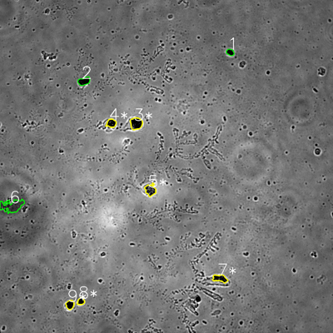
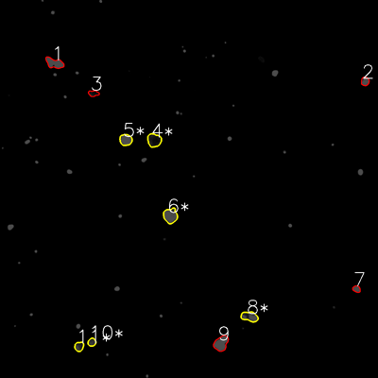
═══════════════ DETECTION REPORT ═══════════════
Source: 5 5 N NO 1_ch00.tif
Parameters: Gray Thresh=53, Fluor Thresh=5, Overlap=80%

┌─── SUMMARY ───┐
Grayscale bacteria: 9
Fluorescence bacteria: 11
Co-localized pairs: 6
Co-localization rate: 66.7%

┌─── CO-LOCALIZED PAIRS (6) ───┐
Gray | Fluor | Overlap | G.Area | F.Area | Intersect
────────────────────────────────────────────────────────────
3 | 4 | 93.8% | 1523 | 1481 | 1428
4 | 5 | 98.9% | 824 | 1130 | 815
5 | 6 | 99.8% | 1236 | 1654 | 1234
7 | 8 | 99.0% | 1049 | 1311 | 1038
8 | 10 | 93.1% | 524 | 514 | 488
9 | 11 | 85.6% | 764 | 687 | 654

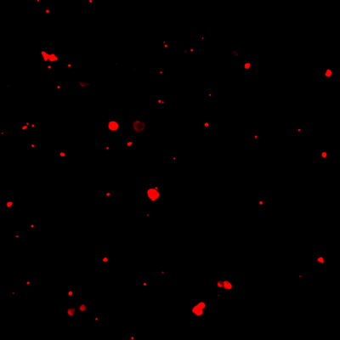
┌─── GRAYSCALE CHANNEL (9 bacteria) ───┐
ID | * | Area | Mode | Max | Centroid (Y, X)
───────────────────────────────────────────────────────
1 |  | 513 | 0.0 | 80 | (188.4, 829.4)
2 |  | 978 | 0.0 | 93 | (292.3, 302.7)
3 | * | 1523 | 0.0 | 157 | (445.0, 490.6)
4 | * | 824 | 0.0 | 141 | (444.0, 401.0)
5 | * | 1236 | 34.0 | 221 | (684.5, 541.9)
6 |  | 2670 | 63.0 | 127 | (741.8, 42.9)
7 | * | 1049 | 0.0 | 150 | (1003.3, 792.8)
8 | * | 524 | 0.0 | 124 | (1085.7, 291.5)
9 | * | 764 | 0.0 | 114 | (1097.9, 252.1)
───────────────────────────────────────────────────────
Stats: Area μ=1120.1 σ=627.3 | Intensity(mode) μ=10.8

┌─── FLUORESCENCE CHANNEL (11 bacteria) ───┐
ID | * | Area | Mode | Max | Centroid (Y, X)
───────────────────────────────────────────────────────
1 |  | 1387 | 76.0 | 76 | (200.4, 173.0)
2 |  | 580 | 76.0 | 76 | (258.0, 1158.9)
3 |  | 499 | 0.0 | 41 | (296.4, 296.7)
4 | * | 1481 | 16.0 | 54 | (445.1, 489.4)
5 | * | 1130 | 76.0 | 76 | (443.9, 399.2)
6 | * | 1654 | 76.0 | 76 | (684.8, 541.0)
7 |  | 416 | 76.0 | 76 | (917.4, 1131.9)
8 | * | 1311 | 76.0 | 76 | (1005.0, 792.3)
9 |  | 1664 | 76.0 | 76 | (1090.0, 701.8)
10 | * | 514 | 44.0 | 67 | (1086.2, 291.4)
11 | * | 687 | 27.0 | 74 | (1099.8, 251.1)
───────────────────────────────────────────────────────
Stats: Area μ=1029.4 σ=472.6 | Intensity(mode) μ=56.3

Legend: * = Co-localized | Yellow contours = Co-localized

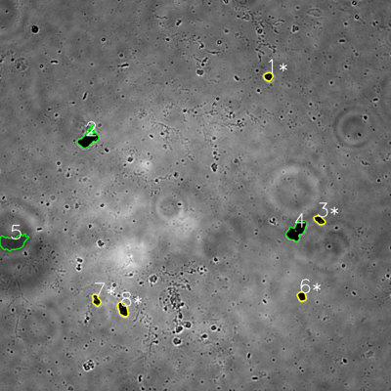
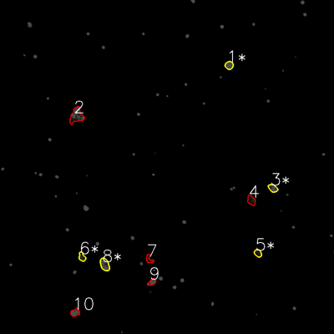
═══════════════ DETECTION REPORT ═══════════════
Source: 5 5 N NO 2_ch00.tif
Parameters: Gray Thresh=53, Fluor Thresh=5, Overlap=80%

┌─── SUMMARY ───┐
Grayscale bacteria: 8
Fluorescence bacteria: 10
Co-localized pairs: 5
Co-localization rate: 62.5%

┌─── CO-LOCALIZED PAIRS (5) ───┐
Gray | Fluor | Overlap | G.Area | F.Area | Intersect
────────────────────────────────────────────────────────────
1 | 1 | 100.0% | 554 | 675 | 554
3 | 3 | 99.1% | 652 | 699 | 646
6 | 5 | 88.9% | 606 | 547 | 539
7 | 6 | 85.8% | 632 | 571 | 542
8 | 8 | 98.8% | 1019 | 1160 | 1007

┌─── GRAYSCALE CHANNEL (8 bacteria) ───┐
ID | * | Area | Mode | Max | Centroid (Y, X)
───────────────────────────────────────────────────────
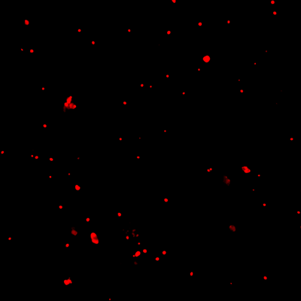
1 | * | 554 | 0.0 | 136 | (234.9, 823.6)
2 |  | 2024 | 0.0 | 186 | (426.5, 270.5)
3 | * | 652 | 0.0 | 152 | (675.2, 980.3)
4 |  | 2327 | 0.0 | 183 | (707.9, 910.5)
5 |  | 2977 | 58.0 | 96 | (743.8, 39.7)
6 | * | 606 | 0.0 | 79 | (909.7, 926.1)
7 | * | 632 | 0.0 | 166 | (921.4, 295.4)
8 | * | 1019 | 0.0 | 119 | (949.4, 377.1)
───────────────────────────────────────────────────────
Stats: Area μ=1348.9 σ=891.3 | Intensity(mode) μ=7.2

┌─── FLUORESCENCE CHANNEL (10 bacteria) ───┐
ID | * | Area | Mode | Max | Centroid (Y, X)
───────────────────────────────────────────────────────
1 | * | 675 | 76.0 | 76 | (234.5, 823.3)
2 |  | 1919 | 76.0 | 76 | (416.0, 274.7)
3 | * | 699 | 76.0 | 76 | (676.0, 980.4)
4 |  | 771 | 9.0 | 51 | (719.7, 902.9)
5 | * | 547 | 32.0 | 61 | (909.6, 926.6)
6 | * | 571 | 9.0 | 57 | (922.9, 294.6)
7 |  | 471 | 0.0 | 63 | (931.0, 536.1)
8 | * | 1160 | 76.0 | 76 | (950.1, 376.1)
9 |  | 503 | 76.0 | 76 | (1013.3, 545.8)
10 |  | 683 | 76.0 | 76 | (1122.7, 270.0)
───────────────────────────────────────────────────────
Stats: Area μ=799.9 σ=416.5 | Intensity(mode) μ=50.6

Legend: * = Co-localized | Yellow contours = Co-localized

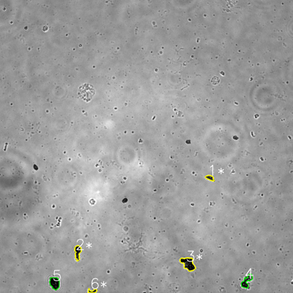
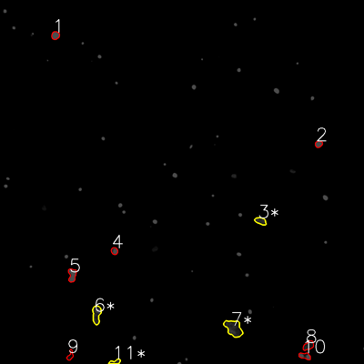
═══════════════ DETECTION REPORT ═══════════════
Source: 5 5 N NO 3_ch00.tif
Parameters: Gray Thresh=53, Fluor Thresh=5, Overlap=80%

┌─── SUMMARY ───┐
Grayscale bacteria: 6
Fluorescence bacteria: 11
Co-localized pairs: 4
Co-localization rate: 66.7%

┌─── CO-LOCALIZED PAIRS (4) ───┐
Gray | Fluor | Overlap | G.Area | F.Area | Intersect
────────────────────────────────────────────────────────────
1 | 3 | 100.0% | 537 | 673 | 537
2 | 6 | 95.5% | 1155 | 1308 | 1103
3 | 7 | 96.4% | 2225 | 2320 | 2144
6 | 11 | 90.7% | 428 | 415 | 388

┌─── GRAYSCALE CHANNEL (6 bacteria) ───┐
ID | * | Area | Mode | Max | Centroid (Y, X)
───────────────────────────────────────────────────────
1 | * | 537 | 40.0 | 103 | (728.3, 859.5)
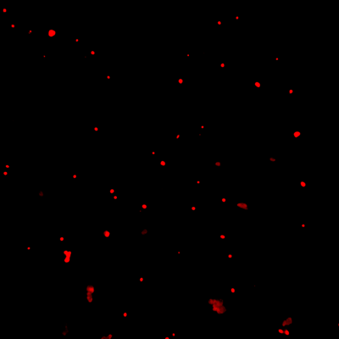
2 | * | 1155 | 15.0 | 122 | (1033.0, 318.1)
3 | * | 2225 | 0.0 | 136 | (1080.3, 770.5)
4 |  | 1287 | 0.0 | 173 | (1151.7, 1010.2)
5 |  | 1589 | 0.0 | 87 | (1159.2, 223.7)
6 | * | 428 | 28.0 | 105 | (1192.4, 378.6)
───────────────────────────────────────────────────────
Stats: Area μ=1203.5 σ=612.0 | Intensity(mode) μ=13.8

┌─── FLUORESCENCE CHANNEL (11 bacteria) ───┐
ID | * | Area | Mode | Max | Centroid (Y, X)
───────────────────────────────────────────────────────
1 |  | 569 | 76.0 | 76 | (116.8, 182.6)
2 |  | 423 | 76.0 | 76 | (474.9, 1050.5)
3 | * | 673 | 37.0 | 60 | (728.5, 859.1)
4 |  | 422 | 76.0 | 76 | (827.3, 377.2)
5 |  | 899 | 76.0 | 76 | (906.5, 237.9)
6 | * | 1308 | 37.0 | 76 | (1036.4, 318.1)
7 | * | 2320 | 30.0 | 71 | (1082.1, 770.2)
8 |  | 771 | 25.0 | 51 | (1139.2, 1016.8)
9 |  | 407 | 0.0 | 36 | (1172.0, 231.5)
10 |  | 647 | 76.0 | 76 | (1173.6, 1005.1)
11 | * | 415 | 18.0 | 58 | (1193.1, 379.5)
───────────────────────────────────────────────────────
Stats: Area μ=804.9 σ=544.3 | Intensity(mode) μ=47.9

Legend: * = Co-localized | Yellow contours = Co-localized

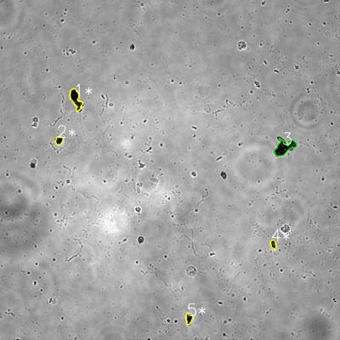
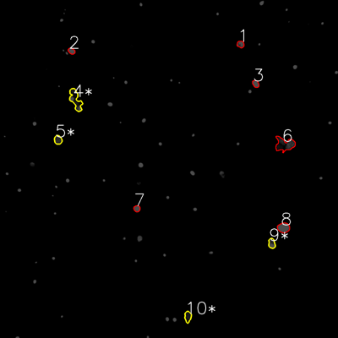
═══════════════ DETECTION REPORT ═══════════════
Source: 5 5 N NO 4_ch00.tif
Parameters: Gray Thresh=53, Fluor Thresh=5, Overlap=80%

┌─── SUMMARY ───┐
Grayscale bacteria: 5
Fluorescence bacteria: 10
Co-localized pairs: 4
Co-localization rate: 80.0%

┌─── CO-LOCALIZED PAIRS (4) ───┐
Gray | Fluor | Overlap | G.Area | F.Area | Intersect
────────────────────────────────────────────────────────────
1 | 4 | 90.3% | 1845 | 1931 | 1666
2 | 5 | 88.3% | 635 | 690 | 561
4 | 9 | 100.0% | 498 | 680 | 498
5 | 10 | 97.6% | 711 | 740 | 694

┌─── GRAYSCALE CHANNEL (5 bacteria) ───┐
ID | * | Area | Mode | Max | Centroid (Y, X)
───────────────────────────────────────────────────────
1 | * | 1845 | 0.0 | 142 | (349.2, 267.3)
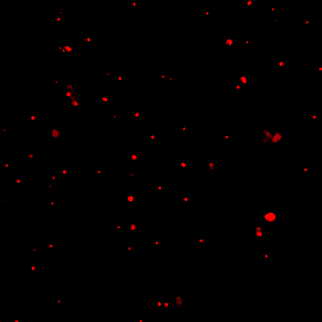
2 | * | 635 | 0.0 | 98 | (495.4, 208.4)
3 |  | 2569 | 6.0 | 113 | (520.4, 1003.6)
4 | * | 498 | 23.0 | 131 | (862.6, 964.6)
5 | * | 711 | 0.0 | 91 | (1124.1, 667.1)
───────────────────────────────────────────────────────
Stats: Area μ=1251.6 σ=815.8 | Intensity(mode) μ=5.8

┌─── FLUORESCENCE CHANNEL (10 bacteria) ───┐
ID | * | Area | Mode | Max | Centroid (Y, X)
───────────────────────────────────────────────────────
1 |  | 494 | 76.0 | 76 | (157.1, 854.0)
2 |  | 411 | 76.0 | 76 | (181.3, 253.9)
3 |  | 466 | 76.0 | 76 | (297.4, 907.7)
4 | * | 1931 | 76.0 | 76 | (354.0, 268.1)
5 | * | 690 | 37.0 | 61 | (496.5, 206.0)
6 |  | 2391 | 0.0 | 71 | (512.8, 1010.7)
7 |  | 422 | 76.0 | 76 | (740.5, 486.0)
8 |  | 1228 | 76.0 | 76 | (808.4, 1006.8)
9 | * | 680 | 76.0 | 76 | (864.2, 964.8)
10 | * | 740 | 25.0 | 40 | (1124.2, 666.9)
───────────────────────────────────────────────────────
Stats: Area μ=945.3 σ=656.7 | Intensity(mode) μ=59.4

Legend: * = Co-localized | Yellow contours = Co-localized

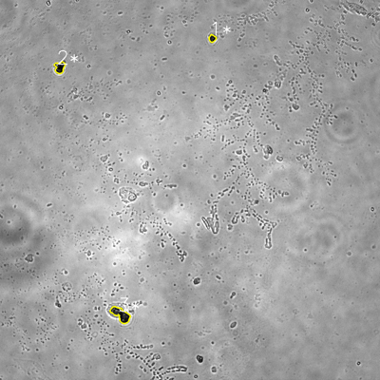
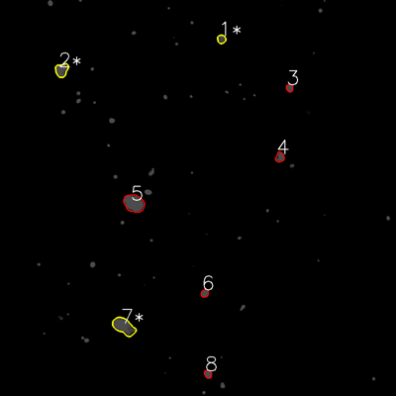
═══════════════ DETECTION REPORT ═══════════════
Source: 5 5 N NO 5_ch00.tif
Parameters: Gray Thresh=53, Fluor Thresh=5, Overlap=80%

┌─── SUMMARY ───┐
Grayscale bacteria: 3
Fluorescence bacteria: 8
Co-localized pairs: 3
Co-localization rate: 100.0%

┌─── CO-LOCALIZED PAIRS (3) ───┐
Gray | Fluor | Overlap | G.Area | F.Area | Intersect
────────────────────────────────────────────────────────────
1 | 1 | 96.1% | 407 | 534 | 391
2 | 2 | 100.0% | 898 | 1237 | 898
3 | 7 | 96.1% | 1821 | 2577 | 1750

┌─── GRAYSCALE CHANNEL (3 bacteria) ───┐
ID | * | Area | Mode | Max | Centroid (Y, X)
───────────────────────────────────────────────────────
1 | * | 407 | 24.0 | 98 | (121.2, 670.3)
2 | * | 898 | 0.0 | 255 | (212.8, 188.6)
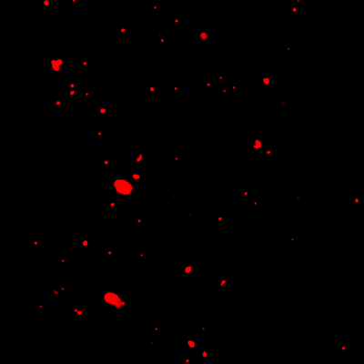
3 | * | 1821 | 24.0 | 192 | (993.2, 381.3)
───────────────────────────────────────────────────────
Stats: Area μ=1042.0 σ=586.2 | Intensity(mode) μ=16.0

┌─── FLUORESCENCE CHANNEL (8 bacteria) ───┐
ID | * | Area | Mode | Max | Centroid (Y, X)
───────────────────────────────────────────────────────
1 | * | 534 | 76.0 | 76 | (118.6, 671.0)
2 | * | 1237 | 76.0 | 76 | (212.4, 186.9)
3 |  | 405 | 76.0 | 76 | (266.6, 877.4)
4 |  | 655 | 76.0 | 76 | (476.2, 847.9)
5 |  | 2698 | 76.0 | 76 | (616.2, 405.9)
6 |  | 447 | 76.0 | 76 | (888.6, 620.3)
7 | * | 2577 | 76.0 | 76 | (989.2, 375.2)
8 |  | 465 | 76.0 | 76 | (1133.6, 630.1)
───────────────────────────────────────────────────────
Stats: Area μ=1127.2 σ=906.8 | Intensity(mode) μ=76.0

Legend: * = Co-localized | Yellow contours = Co-localized

6
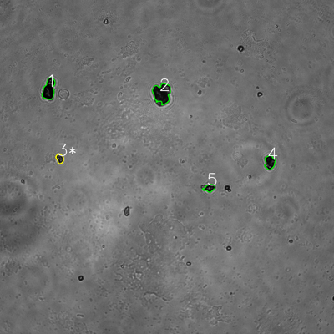
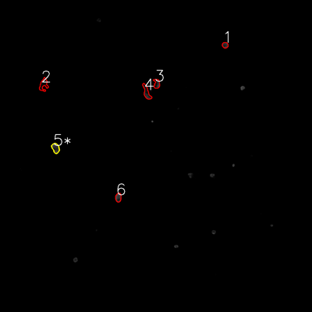
═══════════════ DETECTION REPORT ═══════════════
Source: 6 6 P 1_ch00.tif
Parameters: Gray Thresh=53, Fluor Thresh=5, Overlap=80%

┌─── SUMMARY ───┐
Grayscale bacteria: 5
Fluorescence bacteria: 6
Co-localized pairs: 1
Co-localization rate: 20.0%

┌─── CO-LOCALIZED PAIRS (1) ───┐
Gray | Fluor | Overlap | G.Area | F.Area | Intersect
────────────────────────────────────────────────────────────
3 | 5 | 99.4% | 705 | 842 | 701

┌─── GRAYSCALE CHANNEL (5 bacteria) ───┐
ID | * | Area | Mode | Max | Centroid (Y, X)
───────────────────────────────────────────────────────
1 |  | 2576 | 0.0 | 138 | (321.1, 175.9)
2 |  | 3520 | 12.0 | 140 | (335.3, 581.6)
3 | * | 705 | 18.0 | 161 | (569.7, 214.8)
4 |  | 1465 | 8.0 | 192 | (583.3, 969.0)

5 |  | 818 | 9.0 | 170 | (675.4, 752.3)
───────────────────────────────────────────────────────
Stats: Area μ=1816.8 σ=1080.3 | Intensity(mode) μ=9.4

┌─── FLUORESCENCE CHANNEL (6 bacteria) ───┐
ID | * | Area | Mode | Max | Centroid (Y, X)
───────────────────────────────────────────────────────
1 |  | 423 | 37.0 | 76 | (173.5, 865.8)
2 |  | 971 | 0.0 | 30 | (325.3, 167.6)
3 |  | 650 | 0.0 | 76 | (322.1, 602.9)
4 |  | 965 | 0.0 | 71 | (355.2, 563.8)
5 | * | 842 | 42.0 | 76 | (569.6, 213.7)
6 |  | 633 | 76.0 | 76 | (759.5, 455.1)
───────────────────────────────────────────────────────
Stats: Area μ=747.3 σ=197.5 | Intensity(mode) μ=25.8

Legend: * = Co-localized | Yellow contours = Co-localized

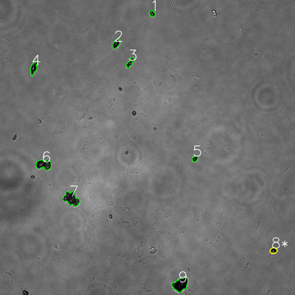
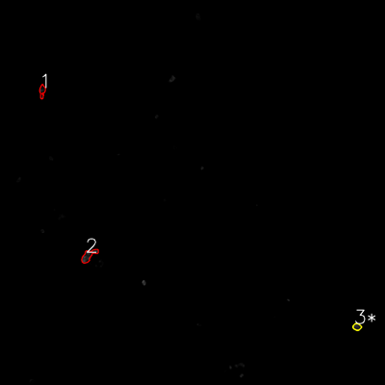
═══════════════ DETECTION REPORT ═══════════════
Source: 6 6 P 2_ch00.tif
Parameters: Gray Thresh=53, Fluor Thresh=5, Overlap=80%

┌─── SUMMARY ───┐
Grayscale bacteria: 9
Fluorescence bacteria: 3
Co-localized pairs: 1
Co-localization rate: 11.1%

┌─── CO-LOCALIZED PAIRS (1) ───┐
Gray | Fluor | Overlap | G.Area | F.Area | Intersect
────────────────────────────────────────────────────────────
8 | 3 | 82.4% | 527 | 434 | 434

┌─── GRAYSCALE CHANNEL (9 bacteria) ───┐
ID | * | Area | Mode | Max | Centroid (Y, X)
───────────────────────────────────────────────────────
1 |  | 448 | 13.0 | 229 | (54.6, 619.1)
2 |  | 739 | 0.0 | 185 | (178.3, 472.3)
3 |  | 717 | 20.0 | 243 | (255.0, 529.2)
4 |  | 1068 | 11.0 | 192 | (275.9, 137.1)

5 |  | 411 | 16.0 | 136 | (645.9, 792.9)
6 |  | 1928 | 9.0 | 176 | (669.7, 178.3)
7 |  | 2624 | 23.0 | 172 | (808.0, 290.3)
8 | * | 527 | 0.0 | 213 | (1019.0, 1112.5)
9 |  | 2577 | 0.0 | 107 | (1157.3, 734.3)
───────────────────────────────────────────────────────
Stats: Area μ=1226.6 σ=853.2 | Intensity(mode) μ=10.2

┌─── FLUORESCENCE CHANNEL (3 bacteria) ───┐
ID | * | Area | Mode | Max | Centroid (Y, X)
───────────────────────────────────────────────────────
1 |  | 536 | 0.0 | 60 | (283.9, 131.4)
2 |  | 1107 | 0.0 | 76 | (796.7, 276.0)
3 | * | 434 | 10.0 | 59 | (1018.6, 1112.6)
───────────────────────────────────────────────────────
Stats: Area μ=692.3 σ=296.2 | Intensity(mode) μ=3.3

Legend: * = Co-localized | Yellow contours = Co-localized

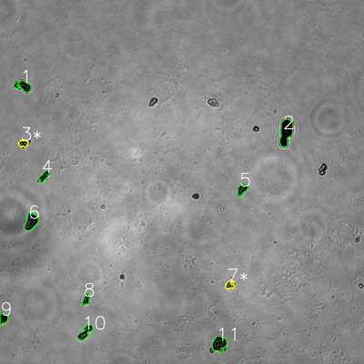
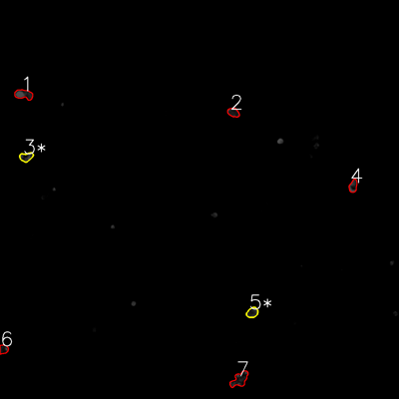
═══════════════ DETECTION REPORT ═══════════════
Source: 6 6 P 3_ch00.tif
Parameters: Gray Thresh=53, Fluor Thresh=5, Overlap=80%

┌─── SUMMARY ───┐
Grayscale bacteria: 11
Fluorescence bacteria: 7
Co-localized pairs: 2
Co-localization rate: 18.2%

┌─── CO-LOCALIZED PAIRS (2) ───┐
Gray | Fluor | Overlap | G.Area | F.Area | Intersect
────────────────────────────────────────────────────────────
3 | 3 | 99.3% | 545 | 819 | 541
7 | 5 | 99.7% | 576 | 824 | 574

┌─── GRAYSCALE CHANNEL (11 bacteria) ───┐
ID | * | Area | Mode | Max | Centroid (Y, X)
───────────────────────────────────────────────────────
1 |  | 1305 | 0.0 | 136 | (283.6, 76.4)
2 |  | 2900 | 0.0 | 72 | (434.7, 942.5)
3 | * | 545 | 28.0 | 191 | (472.5, 76.5)

4 |  | 776 | 21.0 | 143 | (580.7, 145.5)
5 |  | 878 | 21.0 | 136 | (623.8, 798.2)
6 |  | 1823 | 14.0 | 117 | (730.7, 102.5)
7 | * | 576 | 39.0 | 193 | (939.2, 757.4)
8 |  | 631 | 21.0 | 112 | (986.8, 284.1)
9 |  | 751 | 0.0 | 71 | (1049.8, 11.0)
10 |  | 1293 | 14.0 | 207 | (1095.8, 280.7)
11 |  | 1845 | 0.0 | 142 | (1133.3, 722.6)
───────────────────────────────────────────────────────
Stats: Area μ=1211.2 σ=696.7 | Intensity(mode) μ=14.4

┌─── FLUORESCENCE CHANNEL (7 bacteria) ───┐
ID | * | Area | Mode | Max | Centroid (Y, X)
───────────────────────────────────────────────────────
1 |  | 1248 | 76.0 | 76 | (283.8, 71.2)
2 |  | 749 | 27.0 | 76 | (338.2, 701.9)
3 | * | 819 | 39.0 | 76 | (472.0, 78.7)
4 |  | 723 | 76.0 | 76 | (559.5, 1062.2)
5 | * | 824 | 35.0 | 75 | (939.9, 758.8)
6 |  | 591 | 13.0 | 76 | (1050.4, 10.9)
7 |  | 1572 | 22.0 | 76 | (1140.9, 720.8)
───────────────────────────────────────────────────────
Stats: Area μ=932.3 σ=322.3 | Intensity(mode) μ=41.1

Legend: * = Co-localized | Yellow contours = Co-localized

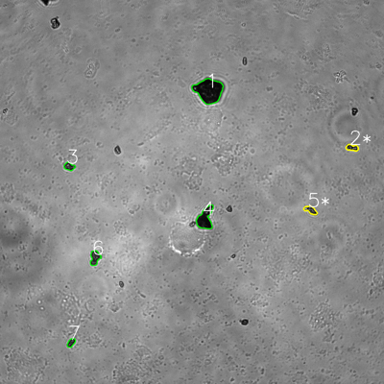
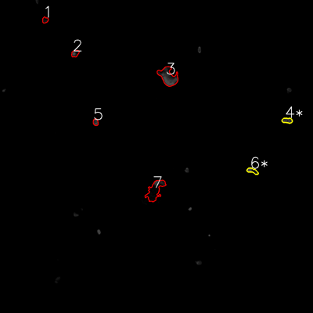
═══════════════ DETECTION REPORT ═══════════════
Source: 6 6 P 4_ch00.tif
Parameters: Gray Thresh=53, Fluor Thresh=5, Overlap=80%

┌─── SUMMARY ───┐
Grayscale bacteria: 7
Fluorescence bacteria: 7
Co-localized pairs: 2
Co-localization rate: 28.6%

┌─── CO-LOCALIZED PAIRS (2) ───┐
Gray | Fluor | Overlap | G.Area | F.Area | Intersect
────────────────────────────────────────────────────────────
2 | 4 | 95.9% | 605 | 648 | 580
5 | 6 | 80.2% | 691 | 626 | 554

┌─── GRAYSCALE CHANNEL (7 bacteria) ───┐
ID | * | Area | Mode | Max | Centroid (Y, X)
───────────────────────────────────────────────────────
1 |  | 5193 | 14.0 | 171 | (283.3, 652.4)
2 | * | 605 | 28.0 | 159 | (461.5, 1100.4)
3 |  | 629 | 32.0 | 215 | (520.2, 216.3)
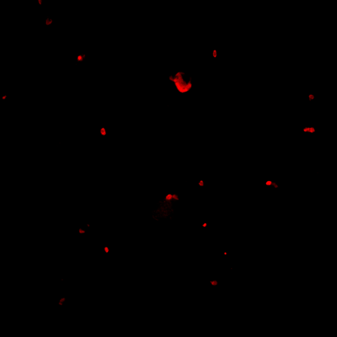
4 |  | 2455 | 17.0 | 147 | (682.3, 641.2)
5 | * | 691 | 36.0 | 255 | (656.3, 970.6)
6 |  | 1073 | 46.0 | 159 | (805.5, 296.5)
7 |  | 491 | 43.0 | 148 | (1071.1, 222.3)
───────────────────────────────────────────────────────
Stats: Area μ=1591.0 σ=1599.4 | Intensity(mode) μ=30.9

┌─── FLUORESCENCE CHANNEL (7 bacteria) ───┐
ID | * | Area | Mode | Max | Centroid (Y, X)
───────────────────────────────────────────────────────
1 |  | 415 | 13.0 | 35 | (76.6, 173.0)
2 |  | 583 | 76.0 | 76 | (205.1, 288.0)
3 |  | 3480 | 76.0 | 76 | (293.9, 644.6)
4 | * | 648 | 44.0 | 76 | (461.9, 1101.0)
5 |  | 434 | 44.0 | 76 | (468.3, 366.6)
6 | * | 626 | 76.0 | 76 | (655.1, 967.8)
7 |  | 3172 | 0.0 | 76 | (729.7, 594.6)
───────────────────────────────────────────────────────
Stats: Area μ=1336.9 σ=1263.4 | Intensity(mode) μ=47.0

Legend: * = Co-localized | Yellow contours = Co-localized

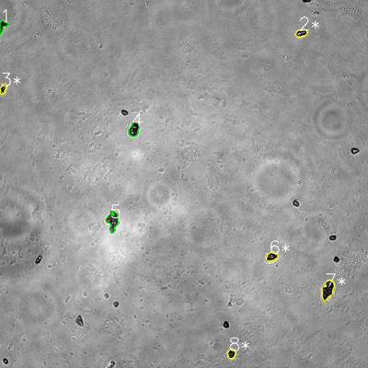
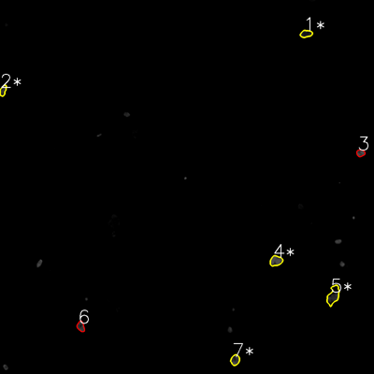
═══════════════ DETECTION REPORT ═══════════════
Source: 6 6 P 5_ch00.tif
Parameters: Gray Thresh=53, Fluor Thresh=5, Overlap=80%

┌─── SUMMARY ───┐
Grayscale bacteria: 8
Fluorescence bacteria: 7
Co-localized pairs: 5
Co-localization rate: 62.5%

┌─── CO-LOCALIZED PAIRS (5) ───┐
Gray | Fluor | Overlap | G.Area | F.Area | Intersect
────────────────────────────────────────────────────────────
2 | 1 | 96.1% | 699 | 705 | 672
3 | 2 | 98.6% | 498 | 531 | 491
6 | 4 | 100.0% | 827 | 1022 | 827
7 | 5 | 85.2% | 1867 | 1654 | 1590
8 | 7 | 99.2% | 642 | 753 | 637

┌─── GRAYSCALE CHANNEL (8 bacteria) ───┐
ID | * | Area | Mode | Max | Centroid (Y, X)
───────────────────────────────────────────────────────
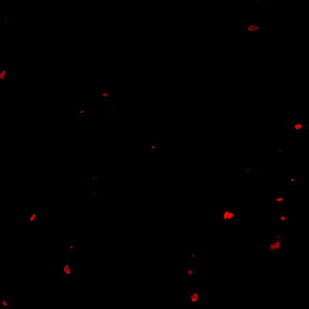
1 |  | 625 | 0.0 | 111 | (84.1, 8.9)
2 | * | 699 | 0.0 | 255 | (108.1, 982.2)
3 | * | 498 | 0.0 | 255 | (290.5, 9.9)
4 |  | 1186 | 22.0 | 255 | (422.0, 437.2)
5 |  | 1657 | 48.0 | 242 | (720.8, 367.6)
6 | * | 827 | 25.0 | 192 | (837.2, 885.7)
7 | * | 1867 | 0.0 | 149 | (945.5, 1068.6)
8 | * | 642 | 0.0 | 152 | (1153.5, 754.7)
───────────────────────────────────────────────────────
Stats: Area μ=1000.1 σ=482.1 | Intensity(mode) μ=11.9

┌─── FLUORESCENCE CHANNEL (7 bacteria) ───┐
ID | * | Area | Mode | Max | Centroid (Y, X)
───────────────────────────────────────────────────────
1 | * | 705 | 22.0 | 56 | (108.3, 982.1)
2 | * | 531 | 42.0 | 70 | (290.5, 9.6)
3 |  | 485 | 76.0 | 76 | (491.0, 1156.9)
4 | * | 1022 | 76.0 | 76 | (836.9, 885.4)
5 | * | 1654 | 0.0 | 73 | (947.7, 1069.4)
6 |  | 612 | 48.0 | 76 | (1047.5, 259.3)
7 | * | 753 | 76.0 | 76 | (1154.9, 754.4)
───────────────────────────────────────────────────────
Stats: Area μ=823.1 σ=376.6 | Intensity(mode) μ=48.6

Legend: * = Co-localized | Yellow contours = Co-localized

