7
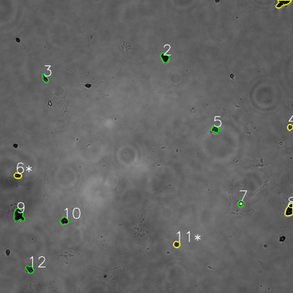
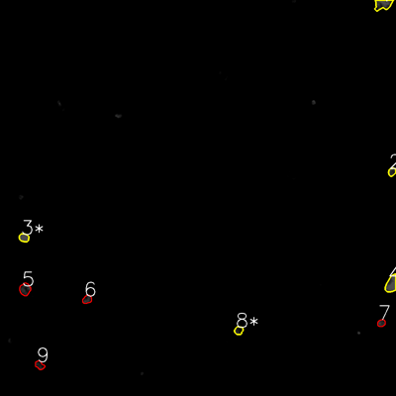
═══════════════ DETECTION REPORT ═══════════════
Source: 7 7 P 1_ch00.tif
Parameters: Gray Thresh=53, Fluor Thresh=5, Overlap=80%

┌─── SUMMARY ───┐
Grayscale bacteria: 12
Fluorescence bacteria: 9
Co-localized pairs: 5
Co-localization rate: 41.7%

┌─── CO-LOCALIZED PAIRS (5) ───┐
Gray | Fluor | Overlap | G.Area | F.Area | Intersect
────────────────────────────────────────────────────────────
1 | 1 | 91.1% | 1244 | 1332 | 1133
4 | 2 | 100.0% | 409 | 449 | 409
6 | 3 | 98.7% | 541 | 612 | 534
8 | 4 | 99.0% | 1275 | 1315 | 1262
11 | 8 | 92.6% | 527 | 515 | 488

┌─── GRAYSCALE CHANNEL (12 bacteria) ───┐
ID | * | Area | Mode | Max | Centroid (Y, X)
───────────────────────────────────────────────────────
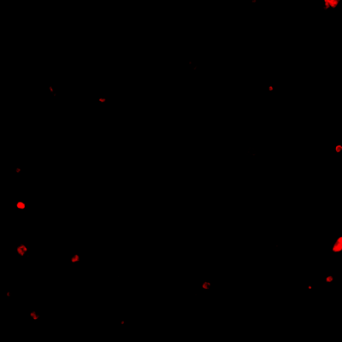
1 | * | 1244 | 0.0 | 129 | (12.8, 1157.4)
2 |  | 924 | 7.0 | 78 | (235.6, 674.7)
3 |  | 500 | 17.0 | 171 | (321.6, 184.8)
4 | * | 409 | 14.0 | 154 | (520.7, 1188.0)
5 |  | 625 | 40.0 | 122 | (529.5, 881.0)
6 | * | 541 | 9.0 | 132 | (719.2, 72.3)
7 |  | 457 | 255.0 | 255 | (833.5, 986.5)
8 | * | 1275 | 0.0 | 89 | (860.3, 1185.5)
9 |  | 1631 | 0.0 | 107 | (881.1, 76.3)
10 |  | 726 | 14.0 | 111 | (904.5, 263.4)
11 | * | 527 | 38.0 | 129 | (1000.6, 723.5)
12 |  | 694 | 26.0 | 136 | (1103.0, 121.5)
───────────────────────────────────────────────────────
Stats: Area μ=796.1 σ=373.9 | Intensity(mode) μ=35.0

┌─── FLUORESCENCE CHANNEL (9 bacteria) ───┐
ID | * | Area | Mode | Max | Centroid (Y, X)
───────────────────────────────────────────────────────
1 | * | 1332 | 76.0 | 76 | (13.1, 1160.7)
2 | * | 449 | 35.0 | 76 | (520.7, 1187.8)
3 | * | 612 | 76.0 | 76 | (720.1, 72.6)
4 | * | 1315 | 76.0 | 76 | (860.8, 1185.6)
5 |  | 989 | 35.0 | 68 | (876.5, 75.6)
6 |  | 555 | 40.0 | 64 | (907.1, 264.0)
7 |  | 420 | 25.0 | 70 | (978.8, 1155.6)
8 | * | 515 | 0.0 | 57 | (1001.3, 723.1)
9 |  | 534 | 19.0 | 54 | (1106.6, 120.0)
───────────────────────────────────────────────────────
Stats: Area μ=746.8 σ=345.4 | Intensity(mode) μ=42.4

Legend: * = Co-localized | Yellow contours = Co-localized

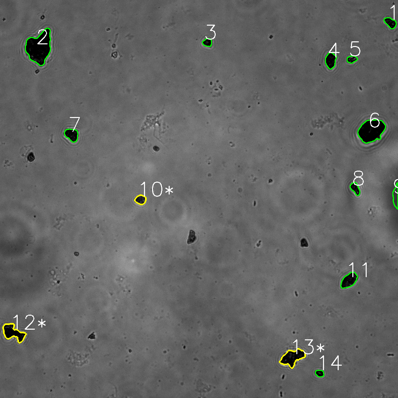
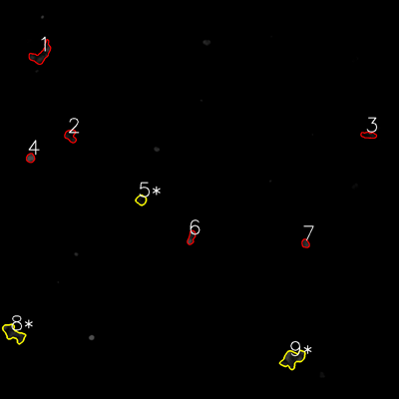
═══════════════ DETECTION REPORT ═══════════════
Source: 7 7 P 2_ch00.tif
Parameters: Gray Thresh=53, Fluor Thresh=5, Overlap=80%

┌─── SUMMARY ───┐
Grayscale bacteria: 14
Fluorescence bacteria: 9
Co-localized pairs: 3
Co-localization rate: 21.4%

┌─── CO-LOCALIZED PAIRS (3) ───┐
Gray | Fluor | Overlap | G.Area | F.Area | Intersect
────────────────────────────────────────────────────────────
10 | 5 | 94.6% | 728 | 714 | 689
12 | 8 | 90.6% | 2142 | 2064 | 1941
13 | 9 | 90.7% | 2560 | 2542 | 2321

┌─── GRAYSCALE CHANNEL (14 bacteria) ───┐
ID | * | Area | Mode | Max | Centroid (Y, X)
───────────────────────────────────────────────────────
1 |  | 827 | 0.0 | 64 | (68.0, 1177.0)
2 |  | 5598 | 0.0 | 78 | (141.9, 117.2)
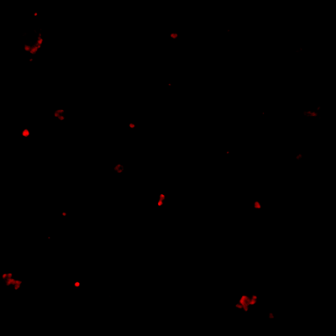
3 |  | 537 | 0.0 | 50 | (127.1, 625.0)
4 |  | 1218 | 0.0 | 45 | (181.2, 997.7)
5 |  | 527 | 0.0 | 117 | (177.6, 1061.4)
6 |  | 4266 | 0.0 | 79 | (394.8, 1119.9)
7 |  | 1204 | 2.0 | 44 | (407.2, 214.8)
8 |  | 727 | 8.0 | 78 | (568.2, 1071.5)
9 |  | 883 | 54.0 | 69 | (591.9, 1193.1)
10 | * | 728 | 24.0 | 97 | (601.9, 424.6)
11 |  | 1609 | 0.0 | 79 | (843.8, 1052.9)
12 | * | 2142 | 0.0 | 76 | (1003.7, 39.2)
13 | * | 2560 | 0.0 | 77 | (1077.7, 881.3)
14 |  | 436 | 0.0 | 68 | (1125.9, 964.8)
───────────────────────────────────────────────────────
Stats: Area μ=1661.6 σ=1483.9 | Intensity(mode) μ=6.3

┌─── FLUORESCENCE CHANNEL (9 bacteria) ───┐
ID | * | Area | Mode | Max | Centroid (Y, X)
───────────────────────────────────────────────────────
1 |  | 1975 | 0.0 | 62 | (163.4, 123.3)
2 |  | 951 | 13.0 | 45 | (408.3, 212.2)
3 |  | 698 | 0.0 | 36 | (406.4, 1108.4)
4 |  | 545 | 76.0 | 76 | (475.0, 91.4)
5 | * | 714 | 0.0 | 35 | (601.5, 424.3)
6 |  | 684 | 30.0 | 76 | (714.1, 575.5)
7 |  | 461 | 44.0 | 63 | (732.3, 918.6)
8 | * | 2064 | 23.0 | 64 | (1002.8, 40.5)
9 | * | 2542 | 25.0 | 75 | (1079.3, 879.8)
───────────────────────────────────────────────────────
Stats: Area μ=1181.6 σ=740.6 | Intensity(mode) μ=23.4

Legend: * = Co-localized | Yellow contours = Co-localized

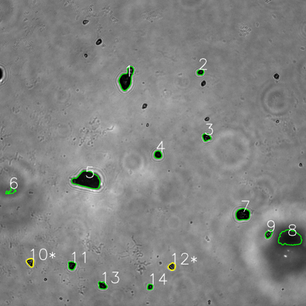
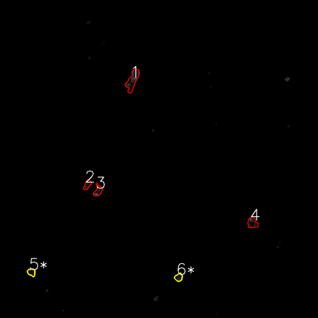
═══════════════ DETECTION REPORT ═══════════════
Source: 7 7 P 3_ch00.tif
Parameters: Gray Thresh=53, Fluor Thresh=5, Overlap=80%

┌─── SUMMARY ───┐
Grayscale bacteria: 14
Fluorescence bacteria: 6
Co-localized pairs: 2
Co-localization rate: 14.3%

┌─── CO-LOCALIZED PAIRS (2) ───┐
Gray | Fluor | Overlap | G.Area | F.Area | Intersect
────────────────────────────────────────────────────────────
10 | 5 | 88.5% | 714 | 655 | 632
12 | 6 | 96.2% | 633 | 683 | 609

┌─── GRAYSCALE CHANNEL (14 bacteria) ───┐
ID | * | Area | Mode | Max | Centroid (Y, X)
───────────────────────────────────────────────────────
1 |  | 3202 | 0.0 | 196 | (309.4, 495.6)
2 |  | 495 | 0.0 | 104 | (282.8, 786.1)
3 |  | 750 | 0.0 | 126 | (538.1, 809.4)

4 |  | 751 | 0.0 | 86 | (606.5, 619.4)
5 |  | 5314 | 11.0 | 79 | (706.2, 342.2)
6 |  | 481 | 82.0 | 105 | (749.6, 43.4)
7 |  | 2121 | 0.0 | 79 | (840.9, 952.0)
8 |  | 4348 | 34.0 | 60 | (933.1, 1136.5)
9 |  | 644 | 16.0 | 194 | (917.5, 1053.6)
10 | * | 714 | 0.0 | 202 | (1028.7, 119.1)
11 |  | 784 | 0.0 | 86 | (1041.0, 281.6)
12 | * | 633 | 25.0 | 158 | (1045.1, 674.2)
13 |  | 775 | 0.0 | 156 | (1119.3, 401.6)
14 |  | 425 | 0.0 | 130 | (1125.1, 588.3)
───────────────────────────────────────────────────────
Stats: Area μ=1531.2 σ=1544.4 | Intensity(mode) μ=12.0

┌─── FLUORESCENCE CHANNEL (6 bacteria) ───┐
ID | * | Area | Mode | Max | Centroid (Y, X)
───────────────────────────────────────────────────────
1 |  | 2371 | 0.0 | 76 | (303.1, 500.0)
2 |  | 690 | 10.0 | 53 | (697.3, 329.2)
3 |  | 909 | 76.0 | 76 | (720.2, 369.9)
4 |  | 1203 | 0.0 | 76 | (841.3, 952.7)
5 | * | 655 | 19.0 | 54 | (1027.4, 118.6)
6 | * | 683 | 25.0 | 54 | (1046.4, 674.1)
───────────────────────────────────────────────────────
Stats: Area μ=1085.2 σ=605.7 | Intensity(mode) μ=21.7

Legend: * = Co-localized | Yellow contours = Co-localized

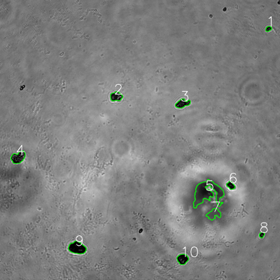
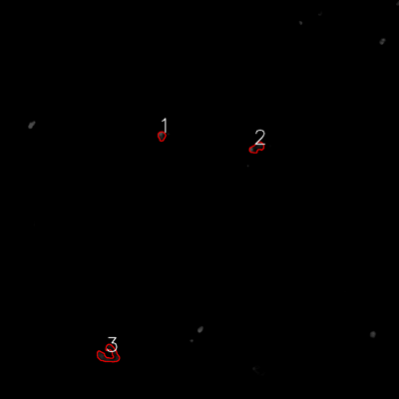
═══════════════ DETECTION REPORT ═══════════════
Source: 7 7 P 4_ch00.tif
Parameters: Gray Thresh=53, Fluor Thresh=5, Overlap=80%

┌─── SUMMARY ───┐
Grayscale bacteria: 10
Fluorescence bacteria: 3
Co-localized pairs: 0
Co-localization rate: 0.0%

┌─── CO-LOCALIZED PAIRS (0) ───┐
Gray | Fluor | Overlap | G.Area | F.Area | Intersect
────────────────────────────────────────────────────────────
No co-localized bacteria detected

┌─── GRAYSCALE CHANNEL (10 bacteria) ───┐
ID | * | Area | Mode | Max | Centroid (Y, X)
───────────────────────────────────────────────────────
1 |  | 426 | 0.0 | 122 | (123.3, 1150.7)
2 |  | 1596 | 16.0 | 218 | (413.4, 498.0)
3 |  | 1630 | 16.0 | 138 | (443.7, 782.1)
4 |  | 2313 | 0.0 | 184 | (674.4, 77.9)

5 |  | 8234 | 68.0 | 102 | (826.9, 888.4)
6 |  | 821 | 0.0 | 91 | (794.7, 988.8)
7 |  | 1866 | 80.0 | 101 | (917.5, 916.1)
8 |  | 407 | 0.0 | 142 | (1006.4, 1121.7)
9 |  | 3059 | 0.0 | 93 | (1062.4, 330.4)
10 |  | 1677 | 0.0 | 139 | (1110.2, 782.4)
───────────────────────────────────────────────────────
Stats: Area μ=2202.9 σ=2156.3 | Intensity(mode) μ=18.0

┌─── FLUORESCENCE CHANNEL (3 bacteria) ───┐
ID | * | Area | Mode | Max | Centroid (Y, X)
───────────────────────────────────────────────────────
1 |  | 487 | 0.0 | 76 | (408.9, 486.0)
2 |  | 909 | 0.0 | 76 | (443.6, 772.2)
3 |  | 1819 | 0.0 | 51 | (1067.1, 326.7)
───────────────────────────────────────────────────────
Stats: Area μ=1071.7 σ=555.8 | Intensity(mode) μ=0.0

Legend: * = Co-localized | Yellow contours = Co-localized

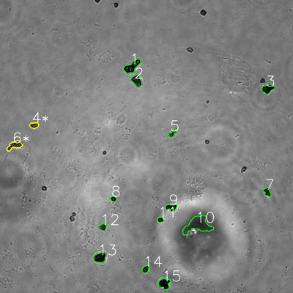
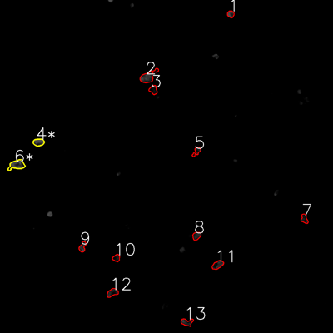
═══════════════ DETECTION REPORT ═══════════════
Source: 7 7 P 5_ch00.tif
Parameters: Gray Thresh=53, Fluor Thresh=5, Overlap=80%

┌─── SUMMARY ───┐
Grayscale bacteria: 15
Fluorescence bacteria: 13
Co-localized pairs: 2
Co-localization rate: 13.3%

┌─── CO-LOCALIZED PAIRS (2) ───┐
Gray | Fluor | Overlap | G.Area | F.Area | Intersect
────────────────────────────────────────────────────────────
4 | 4 | 100.0% | 681 | 844 | 681
6 | 6 | 88.4% | 1441 | 1470 | 1274

┌─── GRAYSCALE CHANNEL (15 bacteria) ───┐
ID | * | Area | Mode | Max | Centroid (Y, X)
───────────────────────────────────────────────────────
1 |  | 2162 | 13.0 | 237 | (272.5, 540.4)
2 |  | 1457 | 19.0 | 133 | (330.8, 559.8)
3 |  | 1404 | 0.0 | 85 | (363.5, 1097.1)
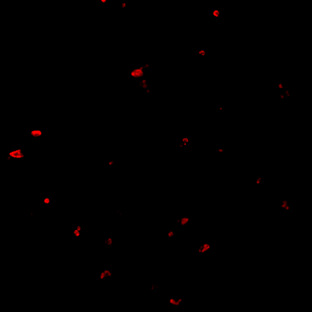
4 | * | 681 | 30.0 | 163 | (513.3, 139.3)
5 |  | 624 | 36.0 | 151 | (546.9, 705.5)
6 | * | 1441 | 39.0 | 188 | (595.3, 60.3)
7 |  | 798 | 16.0 | 146 | (786.3, 1094.6)
8 |  | 451 | 28.0 | 157 | (814.4, 464.3)
9 |  | 1050 | 11.0 | 162 | (849.2, 701.5)
10 |  | 5087 | 53.0 | 103 | (921.6, 810.1)
11 |  | 462 | 16.0 | 138 | (900.0, 656.8)
12 |  | 679 | 36.0 | 175 | (930.5, 420.8)
13 |  | 1637 | 8.0 | 86 | (1054.6, 409.7)
14 |  | 654 | 0.0 | 121 | (1102.2, 596.1)
15 |  | 1603 | 0.0 | 107 | (1161.8, 672.7)
───────────────────────────────────────────────────────
Stats: Area μ=1346.0 σ=1116.4 | Intensity(mode) μ=20.3

┌─── FLUORESCENCE CHANNEL (13 bacteria) ───┐
ID | * | Area | Mode | Max | Centroid (Y, X)
───────────────────────────────────────────────────────
1 |  | 486 | 76.0 | 76 | (51.0, 831.2)
2 |  | 1631 | 0.0 | 76 | (276.2, 533.6)
3 |  | 696 | 0.0 | 43 | (323.4, 552.5)
4 | * | 844 | 76.0 | 76 | (512.6, 139.1)
5 |  | 526 | 0.0 | 75 | (545.2, 709.0)
6 | * | 1470 | 76.0 | 76 | (593.9, 60.8)
7 |  | 616 | 19.0 | 45 | (788.5, 1096.5)
8 |  | 674 | 33.0 | 56 | (849.8, 708.5)
9 |  | 617 | 48.0 | 76 | (889.8, 297.2)
10 |  | 518 | 0.0 | 44 | (929.7, 419.2)
11 |  | 916 | 44.0 | 66 | (954.3, 784.4)
12 |  | 879 | 10.0 | 60 | (1054.5, 405.0)
13 |  | 797 | 0.0 | 72 | (1160.9, 673.2)
───────────────────────────────────────────────────────
Stats: Area μ=820.8 σ=340.0 | Intensity(mode) μ=29.4

Legend: * = Co-localized | Yellow contours = Co-localized

8
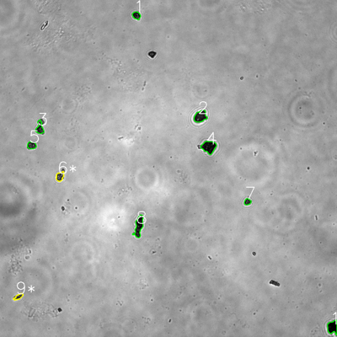
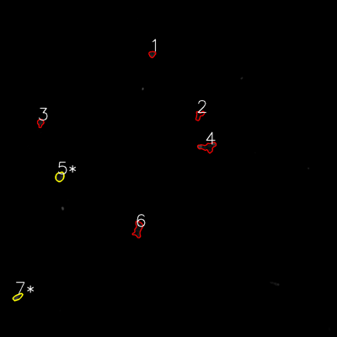
═══════════════ DETECTION REPORT ═══════════════
Source: 8 8 P 1_ch00.tif
Parameters: Gray Thresh=53, Fluor Thresh=5, Overlap=80%

┌─── SUMMARY ───┐
Grayscale bacteria: 10
Fluorescence bacteria: 7
Co-localized pairs: 2
Co-localization rate: 20.0%

┌─── CO-LOCALIZED PAIRS (2) ───┐
Gray | Fluor | Overlap | G.Area | F.Area | Intersect
────────────────────────────────────────────────────────────
6 | 5 | 97.3% | 696 | 801 | 677
9 | 7 | 96.4% | 422 | 529 | 407

┌─── GRAYSCALE CHANNEL (10 bacteria) ───┐
ID | * | Area | Mode | Max | Centroid (Y, X)
───────────────────────────────────────────────────────
1 |  | 606 | 13.0 | 122 | (55.0, 485.8)
2 |  | 1420 | 27.0 | 170 | (414.6, 713.4)
3 |  | 836 | 29.0 | 178 | (455.6, 141.5)

4 |  | 1733 | 12.0 | 84 | (523.0, 743.7)
5 |  | 658 | 45.0 | 184 | (517.6, 112.5)
6 | * | 696 | 38.0 | 179 | (628.2, 213.3)
7 |  | 413 | 23.0 | 120 | (718.5, 881.1)
8 |  | 1650 | 16.0 | 134 | (805.5, 494.2)
9 | * | 422 | 31.0 | 141 | (1056.6, 65.6)
10 |  | 1336 | 0.0 | 79 | (1164.7, 1184.2)
───────────────────────────────────────────────────────
Stats: Area μ=977.0 σ=481.0 | Intensity(mode) μ=23.4

┌─── FLUORESCENCE CHANNEL (7 bacteria) ───┐
ID | * | Area | Mode | Max | Centroid (Y, X)
───────────────────────────────────────────────────────
1 |  | 408 | 25.0 | 56 | (192.7, 541.7)
2 |  | 588 | 0.0 | 28 | (410.4, 709.8)
3 |  | 492 | 28.0 | 48 | (437.2, 143.9)
4 |  | 1342 | 0.0 | 76 | (523.1, 739.1)
5 | * | 801 | 14.0 | 56 | (629.2, 212.8)
6 |  | 1229 | 14.0 | 51 | (816.2, 491.5)
7 | * | 529 | 49.0 | 75 | (1057.4, 62.8)
───────────────────────────────────────────────────────
Stats: Area μ=769.9 σ=346.1 | Intensity(mode) μ=18.6

Legend: * = Co-localized | Yellow contours = Co-localized

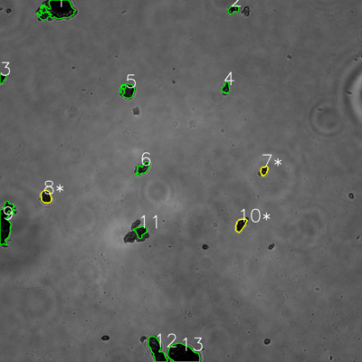
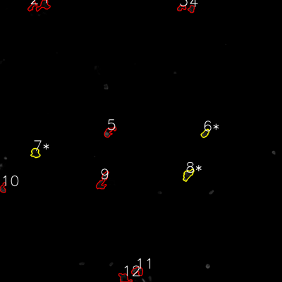
═══════════════ DETECTION REPORT ═══════════════
Source: 8 8 P 2_ch00.tif
Parameters: Gray Thresh=53, Fluor Thresh=5, Overlap=80%

┌─── SUMMARY ───┐
Grayscale bacteria: 13
Fluorescence bacteria: 12
Co-localized pairs: 3
Co-localization rate: 23.1%

┌─── CO-LOCALIZED PAIRS (3) ───┐
Gray | Fluor | Overlap | G.Area | F.Area | Intersect
────────────────────────────────────────────────────────────
7 | 6 | 93.8% | 581 | 729 | 545
8 | 7 | 85.2% | 1205 | 1107 | 1027
10 | 8 | 96.7% | 1083 | 1304 | 1047

┌─── GRAYSCALE CHANNEL (13 bacteria) ───┐
ID | * | Area | Mode | Max | Centroid (Y, X)
───────────────────────────────────────────────────────
1 |  | 5318 | 0.0 | 87 | (32.2, 192.0)
2 |  | 778 | 10.0 | 157 | (30.3, 773.5)

3 |  | 456 | 0.0 | 55 | (259.6, 7.7)
4 |  | 682 | 18.0 | 110 | (291.6, 749.1)
5 |  | 1571 | 18.0 | 64 | (300.8, 423.8)
6 |  | 1148 | 24.0 | 102 | (558.4, 473.5)
7 | * | 581 | 24.0 | 139 | (565.6, 875.4)
8 | * | 1205 | 11.0 | 69 | (652.3, 152.7)
9 |  | 4191 | 0.0 | 107 | (737.1, 17.6)
10 | * | 1083 | 11.0 | 86 | (745.2, 797.6)
11 |  | 1050 | 18.0 | 84 | (766.8, 466.3)
12 |  | 2910 | 0.0 | 79 | (1159.6, 519.3)
13 |  | 5016 | 0.0 | 74 | (1172.7, 605.4)
───────────────────────────────────────────────────────
Stats: Area μ=1999.2 σ=1679.0 | Intensity(mode) μ=10.3

┌─── FLUORESCENCE CHANNEL (12 bacteria) ───┐
ID | * | Area | Mode | Max | Centroid (Y, X)
───────────────────────────────────────────────────────
1 |  | 1411 | 0.0 | 35 | (22.6, 185.2)
2 |  | 667 | 0.0 | 39 | (26.7, 136.9)
3 |  | 574 | 0.0 | 46 | (34.3, 771.8)
4 |  | 596 | 23.0 | 61 | (38.1, 814.9)
5 |  | 1113 | 76.0 | 76 | (561.0, 465.0)
6 | * | 729 | 27.0 | 63 | (567.6, 873.2)
7 | * | 1107 | 0.0 | 44 | (651.2, 150.5)
8 | * | 1304 | 16.0 | 76 | (743.2, 799.5)
9 |  | 1756 | 0.0 | 61 | (771.1, 436.6)
10 |  | 719 | 0.0 | 70 | (800.1, 12.7)
11 |  | 1181 | 0.0 | 60 | (1153.0, 585.6)
12 |  | 1303 | 0.0 | 69 | (1183.6, 529.2)
───────────────────────────────────────────────────────
Stats: Area μ=1038.3 σ=361.9 | Intensity(mode) μ=11.8

Legend: * = Co-localized | Yellow contours = Co-localized

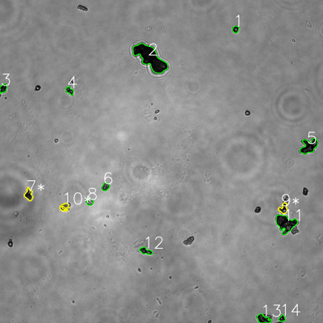
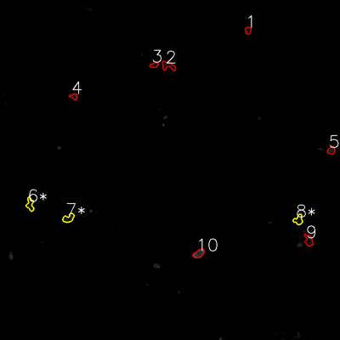
═══════════════ DETECTION REPORT ═══════════════
Source: 8 8 P 3_ch00.tif
Parameters: Gray Thresh=53, Fluor Thresh=5, Overlap=80%

┌─── SUMMARY ───┐
Grayscale bacteria: 14
Fluorescence bacteria: 10
Co-localized pairs: 3
Co-localization rate: 21.4%

┌─── CO-LOCALIZED PAIRS (3) ───┐
Gray | Fluor | Overlap | G.Area | F.Area | Intersect
────────────────────────────────────────────────────────────
7 | 6 | 82.8% | 928 | 816 | 768
9 | 8 | 90.4% | 802 | 764 | 725
10 | 7 | 81.4% | 617 | 835 | 502

┌─── GRAYSCALE CHANNEL (14 bacteria) ───┐
ID | * | Area | Mode | Max | Centroid (Y, X)
───────────────────────────────────────────────────────
1 |  | 489 | 8.0 | 181 | (108.9, 875.2)
2 |  | 6975 | 8.0 | 96 | (214.7, 558.3)

3 |  | 689 | 8.0 | 113 | (328.0, 11.7)
4 |  | 580 | 33.0 | 130 | (336.9, 258.4)
5 |  | 2355 | 0.0 | 168 | (543.2, 1148.1)
6 |  | 646 | 46.0 | 164 | (693.5, 392.0)
7 | * | 928 | 20.0 | 252 | (722.9, 106.7)
8 |  | 449 | 63.0 | 227 | (751.1, 333.3)
9 | * | 802 | 20.0 | 204 | (774.8, 1052.8)
10 | * | 617 | 42.0 | 188 | (768.9, 239.1)
11 |  | 3431 | 16.0 | 180 | (830.2, 1060.9)
12 |  | 817 | 20.0 | 217 | (932.6, 540.9)
13 |  | 1180 | 0.0 | 114 | (1185.4, 978.1)
14 |  | 416 | 8.0 | 176 | (1182.9, 1048.1)
───────────────────────────────────────────────────────
Stats: Area μ=1455.3 σ=1734.2 | Intensity(mode) μ=20.9

┌─── FLUORESCENCE CHANNEL (10 bacteria) ───┐
ID | * | Area | Mode | Max | Centroid (Y, X)
───────────────────────────────────────────────────────
1 |  | 404 | 0.0 | 42 | (107.2, 875.8)
2 |  | 902 | 0.0 | 33 | (232.2, 593.5)
3 |  | 407 | 9.0 | 50 | (229.7, 544.3)
4 |  | 426 | 9.0 | 58 | (340.6, 261.1)
5 |  | 570 | 32.0 | 48 | (530.9, 1169.5)
6 | * | 816 | 0.0 | 56 | (721.2, 106.4)
7 | * | 835 | 33.0 | 53 | (770.1, 241.9)
8 | * | 764 | 7.0 | 46 | (775.7, 1053.2)
9 |  | 832 | 14.0 | 45 | (848.9, 1089.8)
10 |  | 886 | 76.0 | 76 | (895.1, 701.7)
───────────────────────────────────────────────────────
Stats: Area μ=684.2 σ=197.9 | Intensity(mode) μ=18.0

Legend: * = Co-localized | Yellow contours = Co-localized

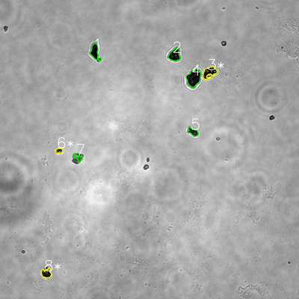
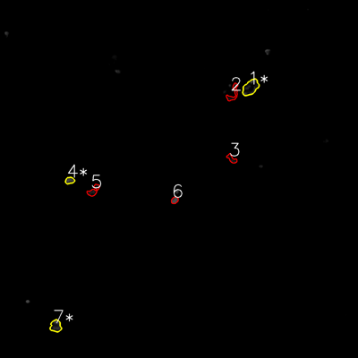
═══════════════ DETECTION REPORT ═══════════════
Source: 8 8 P 4_ch00.tif
Parameters: Gray Thresh=53, Fluor Thresh=5, Overlap=80%

┌─── SUMMARY ───┐
Grayscale bacteria: 8
Fluorescence bacteria: 7
Co-localized pairs: 3
Co-localization rate: 37.5%

┌─── CO-LOCALIZED PAIRS (3) ───┐
Gray | Fluor | Overlap | G.Area | F.Area | Intersect
────────────────────────────────────────────────────────────
3 | 1 | 91.9% | 1830 | 2067 | 1681
6 | 4 | 93.6% | 481 | 542 | 450
8 | 7 | 83.3% | 1159 | 1171 | 965

┌─── GRAYSCALE CHANNEL (8 bacteria) ───┐
ID | * | Area | Mode | Max | Centroid (Y, X)
───────────────────────────────────────────────────────
1 |  | 1558 | 0.0 | 119 | (208.3, 381.4)
2 |  | 1712 | 13.0 | 125 | (220.5, 700.6)

3 | * | 1830 | 14.0 | 255 | (290.6, 840.1)
4 |  | 2913 | 13.0 | 98 | (312.7, 777.6)
5 |  | 868 | 19.0 | 202 | (529.4, 774.7)
6 | * | 481 | 34.0 | 210 | (604.7, 236.3)
7 |  | 591 | 54.0 | 172 | (631.1, 313.4)
8 | * | 1159 | 16.0 | 101 | (1097.2, 185.9)
───────────────────────────────────────────────────────
Stats: Area μ=1389.0 σ=744.6 | Intensity(mode) μ=20.4

┌─── FLUORESCENCE CHANNEL (7 bacteria) ───┐
ID | * | Area | Mode | Max | Centroid (Y, X)
───────────────────────────────────────────────────────
1 | * | 2067 | 0.0 | 76 | (293.0, 839.8)
2 |  | 840 | 0.0 | 76 | (312.4, 781.3)
3 |  | 530 | 0.0 | 51 | (532.4, 776.7)
4 | * | 542 | 54.0 | 76 | (604.9, 233.7)
5 |  | 813 | 0.0 | 45 | (639.0, 313.6)
6 |  | 424 | 76.0 | 76 | (671.0, 585.4)
7 | * | 1171 | 16.0 | 76 | (1092.8, 186.7)
───────────────────────────────────────────────────────
Stats: Area μ=912.4 σ=526.0 | Intensity(mode) μ=20.9

Legend: * = Co-localized | Yellow contours = Co-localized

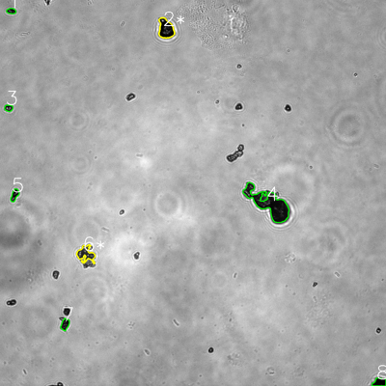
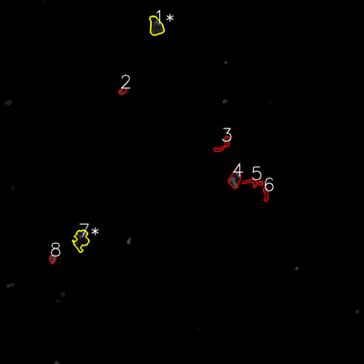
═══════════════ DETECTION REPORT ═══════════════
Source: 8 8 P 5_ch00.tif
Parameters: Gray Thresh=53, Fluor Thresh=5, Overlap=80%

┌─── SUMMARY ───┐
Grayscale bacteria: 8
Fluorescence bacteria: 8
Co-localized pairs: 2
Co-localization rate: 25.0%

┌─── CO-LOCALIZED PAIRS (2) ───┐
Gray | Fluor | Overlap | G.Area | F.Area | Intersect
────────────────────────────────────────────────────────────
2 | 1 | 89.7% | 2288 | 2143 | 2052
6 | 7 | 83.9% | 1662 | 2298 | 1395

┌─── GRAYSCALE CHANNEL (8 bacteria) ───┐
ID | * | Area | Mode | Max | Centroid (Y, X)
───────────────────────────────────────────────────────
1 |  | 407 | 9.0 | 132 | (34.2, 34.8)
2 | * | 2288 | 0.0 | 255 | (89.5, 515.6)
3 |  | 424 | 18.0 | 251 | (335.7, 26.6)
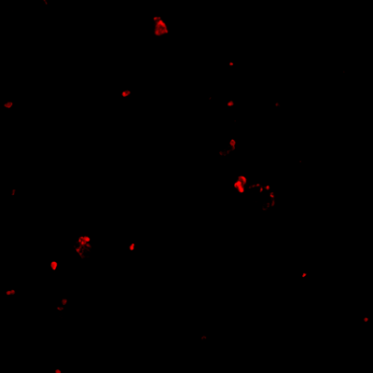
4 |  | 6936 | 15.0 | 214 | (633.3, 836.9)
5 |  | 663 | 10.0 | 155 | (606.2, 45.5)
6 | * | 1662 | 46.0 | 202 | (790.8, 266.3)
7 |  | 704 | 13.0 | 144 | (1008.4, 202.0)
8 |  | 885 | 0.0 | 74 | (1188.6, 1179.9)
───────────────────────────────────────────────────────
Stats: Area μ=1746.1 σ=2054.8 | Intensity(mode) μ=13.9

┌─── FLUORESCENCE CHANNEL (8 bacteria) ───┐
ID | * | Area | Mode | Max | Centroid (Y, X)
───────────────────────────────────────────────────────
1 | * | 2143 | 32.0 | 76 | (86.4, 514.4)
2 |  | 440 | 18.0 | 76 | (300.3, 404.7)
3 |  | 856 | 0.0 | 65 | (476.1, 737.1)
4 |  | 1590 | 76.0 | 76 | (591.8, 774.2)
5 |  | 730 | 0.0 | 71 | (602.2, 836.1)
6 |  | 526 | 0.0 | 76 | (639.8, 876.4)
7 | * | 2298 | 0.0 | 76 | (790.6, 267.0)
8 |  | 465 | 76.0 | 76 | (853.5, 173.1)
───────────────────────────────────────────────────────
Stats: Area μ=1131.0 σ=717.7 | Intensity(mode) μ=25.2

Legend: * = Co-localized | Yellow contours = Co-localized

9
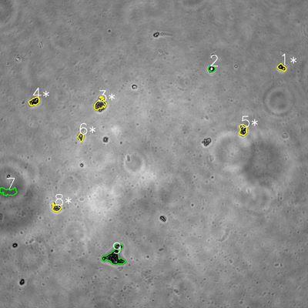
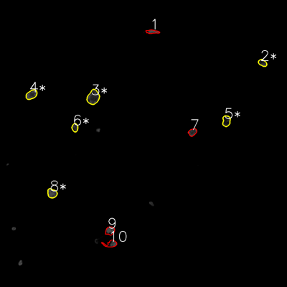
═══════════════ DETECTION REPORT ═══════════════
Source: 9 9 N NO 1_ch00.tif
Parameters: Gray Thresh=53, Fluor Thresh=5, Overlap=80%

┌─── SUMMARY ───┐
Grayscale bacteria: 9
Fluorescence bacteria: 10
Co-localized pairs: 6
Co-localization rate: 66.7%

┌─── CO-LOCALIZED PAIRS (6) ───┐
Gray | Fluor | Overlap | G.Area | F.Area | Intersect
────────────────────────────────────────────────────────────
1 | 2 | 100.0% | 621 | 756 | 621
3 | 3 | 100.0% | 1324 | 2384 | 1324
4 | 4 | 100.0% | 959 | 1367 | 959
5 | 5 | 100.0% | 996 | 1198 | 996
6 | 6 | 100.0% | 492 | 710 | 492
8 | 8 | 100.0% | 743 | 1209 | 743

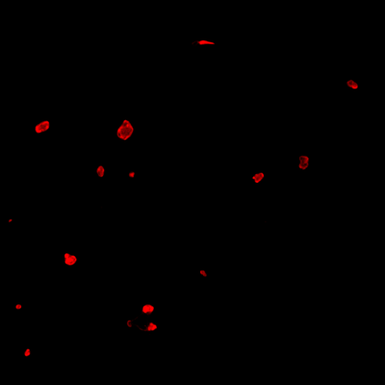
┌─── GRAYSCALE CHANNEL (9 bacteria) ───┐
ID | * | Area | Mode | Max | Centroid (Y, X)
───────────────────────────────────────────────────────
1 | * | 621 | 0.0 | 255 | (262.9, 1097.5)
2 |  | 432 | 16.0 | 108 | (266.8, 824.6)
3 | * | 1324 | 38.0 | 255 | (405.6, 389.9)
4 | * | 959 | 0.0 | 255 | (394.9, 133.3)
5 | * | 996 | 22.0 | 255 | (505.5, 946.5)
6 | * | 492 | 24.0 | 255 | (533.4, 314.6)
7 |  | 1456 | 83.0 | 106 | (746.4, 32.3)
8 | * | 743 | 52.0 | 255 | (809.5, 220.0)
9 |  | 3312 | 0.0 | 255 | (997.0, 446.6)
───────────────────────────────────────────────────────
Stats: Area μ=1148.3 σ=833.5 | Intensity(mode) μ=26.1

┌─── FLUORESCENCE CHANNEL (10 bacteria) ───┐
ID | * | Area | Mode | Max | Centroid (Y, X)
───────────────────────────────────────────────────────
1 |  | 664 | 76.0 | 76 | (132.5, 636.8)
2 | * | 756 | 28.0 | 76 | (263.0, 1097.6)
3 | * | 2384 | 39.0 | 76 | (406.5, 389.8)
4 | * | 1367 | 76.0 | 76 | (395.4, 131.7)
5 | * | 1198 | 23.0 | 75 | (505.7, 946.3)
6 | * | 710 | 43.0 | 76 | (533.7, 313.2)
7 |  | 828 | 76.0 | 76 | (552.7, 804.9)
8 | * | 1209 | 76.0 | 76 | (808.3, 217.6)
9 |  | 1049 | 76.0 | 76 | (964.8, 459.8)
10 |  | 1043 | 76.0 | 76 | (1019.6, 463.4)
───────────────────────────────────────────────────────
Stats: Area μ=1120.8 σ=477.2 | Intensity(mode) μ=58.9

Legend: * = Co-localized | Yellow contours = Co-localized

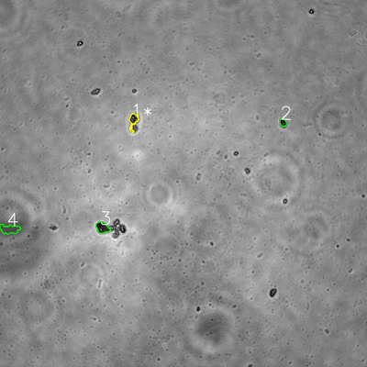
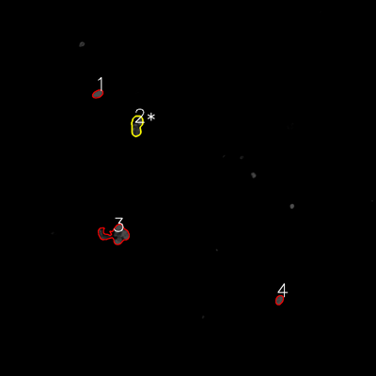
═══════════════ DETECTION REPORT ═══════════════
Source: 9 9 N NO 2_ch00.tif
Parameters: Gray Thresh=53, Fluor Thresh=5, Overlap=80%

┌─── SUMMARY ───┐
Grayscale bacteria: 4
Fluorescence bacteria: 4
Co-localized pairs: 1
Co-localization rate: 25.0%

┌─── CO-LOCALIZED PAIRS (1) ───┐
Gray | Fluor | Overlap | G.Area | F.Area | Intersect
────────────────────────────────────────────────────────────
1 | 2 | 100.0% | 922 | 1869 | 922

┌─── GRAYSCALE CHANNEL (4 bacteria) ───┐
ID | * | Area | Mode | Max | Centroid (Y, X)
───────────────────────────────────────────────────────
1 | * | 922 | 44.0 | 255 | (393.6, 435.9)
2 |  | 450 | 0.0 | 148 | (400.5, 925.3)
3 |  | 1202 | 33.0 | 174 | (744.1, 334.5)
4 |  | 1496 | 80.0 | 104 | (749.3, 31.2)
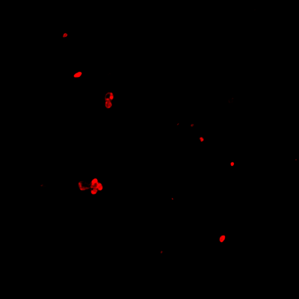
───────────────────────────────────────────────────────
Stats: Area μ=1017.5 σ=385.4 | Intensity(mode) μ=39.2

┌─── FLUORESCENCE CHANNEL (4 bacteria) ───┐
ID | * | Area | Mode | Max | Centroid (Y, X)
───────────────────────────────────────────────────────
1 |  | 642 | 76.0 | 76 | (299.7, 311.8)
2 | * | 1869 | 76.0 | 76 | (400.7, 436.6)
3 |  | 3489 | 76.0 | 76 | (748.0, 367.9)
4 |  | 570 | 76.0 | 76 | (957.1, 891.7)
───────────────────────────────────────────────────────
Stats: Area μ=1642.5 σ=1184.5 | Intensity(mode) μ=76.0

Legend: * = Co-localized | Yellow contours = Co-localized

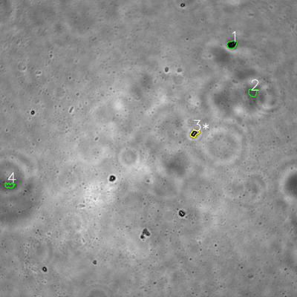
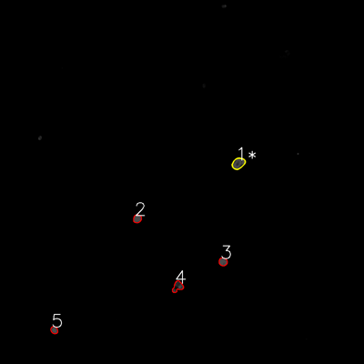
═══════════════ DETECTION REPORT ═══════════════
Source: 9 9 N NO 3_ch00.tif
Parameters: Gray Thresh=53, Fluor Thresh=5, Overlap=80%

┌─── SUMMARY ───┐
Grayscale bacteria: 4
Fluorescence bacteria: 5
Co-localized pairs: 1
Co-localization rate: 25.0%

┌─── CO-LOCALIZED PAIRS (1) ───┐
Gray | Fluor | Overlap | G.Area | F.Area | Intersect
────────────────────────────────────────────────────────────
3 | 1 | 100.0% | 699 | 1190 | 699

┌─── GRAYSCALE CHANNEL (4 bacteria) ───┐
ID | * | Area | Mode | Max | Centroid (Y, X)
───────────────────────────────────────────────────────
1 |  | 973 | 0.0 | 197 | (179.5, 937.0)
2 |  | 807 | 82.0 | 103 | (374.3, 1020.9)
3 | * | 699 | 0.0 | 255 | (538.7, 785.5)
4 |  | 554 | 83.0 | 109 | (749.1, 38.3)
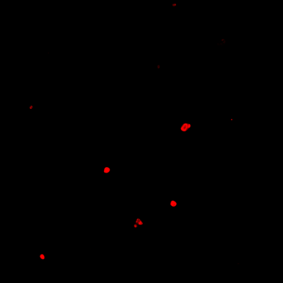
───────────────────────────────────────────────────────
Stats: Area μ=758.2 σ=153.1 | Intensity(mode) μ=41.2

┌─── FLUORESCENCE CHANNEL (5 bacteria) ───┐
ID | * | Area | Mode | Max | Centroid (Y, X)
───────────────────────────────────────────────────────
1 | * | 1190 | 76.0 | 76 | (538.7, 785.8)
2 |  | 588 | 76.0 | 76 | (720.9, 452.5)
3 |  | 597 | 76.0 | 76 | (862.9, 735.1)
4 |  | 880 | 76.0 | 76 | (944.7, 585.6)
5 |  | 451 | 76.0 | 76 | (1088.0, 178.6)
───────────────────────────────────────────────────────
Stats: Area μ=741.2 σ=264.3 | Intensity(mode) μ=76.0

Legend: * = Co-localized | Yellow contours = Co-localized

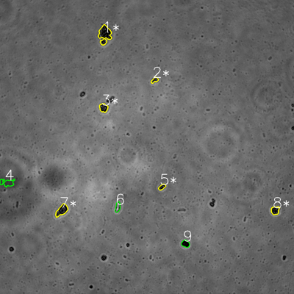
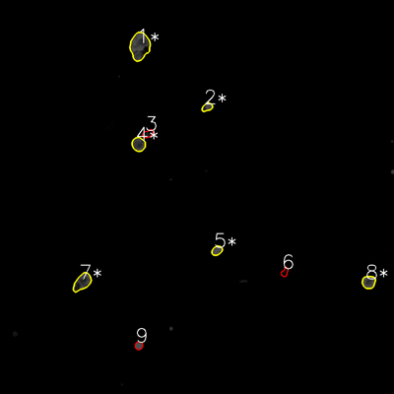
═══════════════ DETECTION REPORT ═══════════════
Source: 9 9 N NO 4_ch00.tif
Parameters: Gray Thresh=53, Fluor Thresh=5, Overlap=80%

┌─── SUMMARY ───┐
Grayscale bacteria: 9
Fluorescence bacteria: 9
Co-localized pairs: 6
Co-localization rate: 66.7%

┌─── CO-LOCALIZED PAIRS (6) ───┐
Gray | Fluor | Overlap | G.Area | F.Area | Intersect
────────────────────────────────────────────────────────────
1 | 1 | 100.0% | 2651 | 3952 | 2651
2 | 2 | 99.8% | 438 | 611 | 437
3 | 4 | 100.0% | 964 | 1373 | 964
5 | 5 | 100.0% | 455 | 708 | 455
7 | 7 | 100.0% | 1563 | 2036 | 1563
8 | 8 | 100.0% | 893 | 1252 | 893

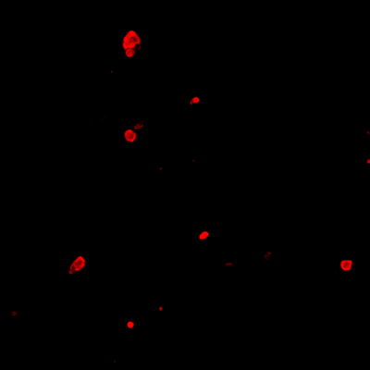
┌─── GRAYSCALE CHANNEL (9 bacteria) ───┐
ID | * | Area | Mode | Max | Centroid (Y, X)
───────────────────────────────────────────────────────
1 | * | 2651 | 0.0 | 192 | (140.5, 427.6)
2 | * | 438 | 25.0 | 135 | (326.9, 631.3)
3 | * | 964 | 0.0 | 171 | (439.8, 422.6)
4 |  | 1218 | 61.0 | 76 | (745.7, 28.8)
5 | * | 455 | 0.0 | 103 | (763.2, 661.1)
6 |  | 668 | 255.0 | 255 | (845.0, 480.6)
7 | * | 1563 | 0.0 | 141 | (858.6, 252.2)
8 | * | 893 | 0.0 | 108 | (858.9, 1122.9)
9 |  | 769 | 0.0 | 60 | (994.7, 757.0)
───────────────────────────────────────────────────────
Stats: Area μ=1068.8 σ=652.9 | Intensity(mode) μ=37.9

┌─── FLUORESCENCE CHANNEL (9 bacteria) ───┐
ID | * | Area | Mode | Max | Centroid (Y, X)
───────────────────────────────────────────────────────
1 | * | 3952 | 76.0 | 76 | (140.6, 425.6)
2 | * | 611 | 76.0 | 76 | (326.3, 630.9)
3 |  | 573 | 7.0 | 50 | (407.5, 450.0)
4 | * | 1373 | 76.0 | 76 | (439.4, 422.0)
5 | * | 708 | 76.0 | 76 | (763.1, 660.6)
6 |  | 419 | 4.0 | 36 | (828.7, 867.1)
7 | * | 2036 | 76.0 | 76 | (859.2, 250.6)
8 | * | 1252 | 76.0 | 76 | (859.2, 1123.0)
9 |  | 470 | 76.0 | 76 | (1052.6, 422.8)
───────────────────────────────────────────────────────
Stats: Area μ=1266.0 σ=1074.5 | Intensity(mode) μ=60.3

Legend: * = Co-localized | Yellow contours = Co-localized

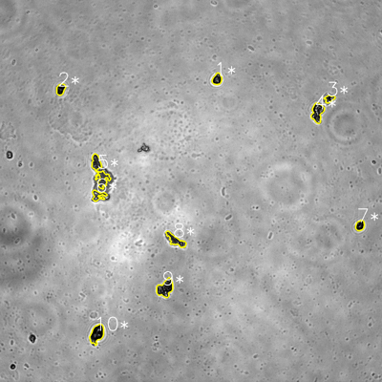
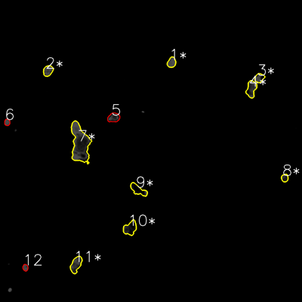
═══════════════ DETECTION REPORT ═══════════════
Source: 9 9 N NO 5_ch00.tif
Parameters: Gray Thresh=53, Fluor Thresh=5, Overlap=80%

┌─── SUMMARY ───┐
Grayscale bacteria: 10
Fluorescence bacteria: 12
Co-localized pairs: 10
Co-localization rate: 100.0%

┌─── CO-LOCALIZED PAIRS (10) ───┐
Gray | Fluor | Overlap | G.Area | F.Area | Intersect
────────────────────────────────────────────────────────────
1 | 1 | 100.0% | 845 | 1091 | 845
2 | 2 | 100.0% | 781 | 1280 | 781
3 | 3 | 98.7% | 539 | 1025 | 532
4 | 4 | 96.4% | 1718 | 1984 | 1657
5 | 7 | 100.0% | 2585 | 8322 | 2585
6 | 7 | 100.0% | 899 | 8322 | 899
7 | 8 | 90.0% | 719 | 677 | 647
8 | 9 | 99.9% | 1311 | 1820 | 1310
9 | 10 | 96.4% | 2065 | 2140 | 1991
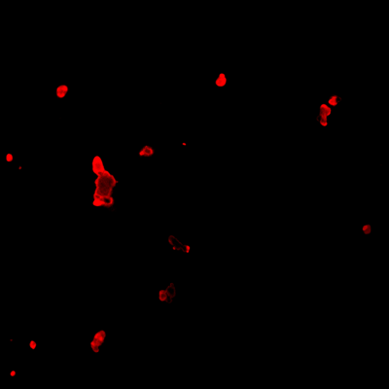
10 | 11 | 94.8% | 1902 | 2052 | 1804

┌─── GRAYSCALE CHANNEL (10 bacteria) ───┐
ID | * | Area | Mode | Max | Centroid (Y, X)
───────────────────────────────────────────────────────
1 | * | 845 | 16.0 | 164 | (248.6, 681.9)
2 | * | 781 | 0.0 | 111 | (280.2, 190.7)
3 | * | 539 | 33.0 | 221 | (310.0, 1034.8)
4 | * | 1718 | 0.0 | 255 | (353.0, 997.1)
5 | * | 2585 | 66.0 | 182 | (539.3, 313.3)
6 | * | 899 | 61.0 | 255 | (613.9, 308.4)
7 | * | 719 | 0.0 | 173 | (708.4, 1130.8)
8 | * | 1311 | 38.0 | 216 | (754.7, 552.0)
9 | * | 2065 | 0.0 | 255 | (905.3, 518.9)
10 | * | 1902 | 0.0 | 176 | (1048.8, 304.3)
───────────────────────────────────────────────────────
Stats: Area μ=1336.4 σ=656.8 | Intensity(mode) μ=21.4

┌─── FLUORESCENCE CHANNEL (12 bacteria) ───┐
ID | * | Area | Mode | Max | Centroid (Y, X)
───────────────────────────────────────────────────────
1 | * | 1091 | 76.0 | 76 | (247.9, 681.8)
2 | * | 1280 | 76.0 | 76 | (281.1, 190.7)
3 | * | 1025 | 76.0 | 76 | (309.4, 1030.6)
4 | * | 1984 | 76.0 | 76 | (353.2, 998.7)
5 |  | 1404 | 0.0 | 76 | (467.2, 451.7)
6 |  | 476 | 76.0 | 76 | (485.9, 28.4)
7 | * | 8322 | 76.0 | 76 | (571.0, 318.1)
8 | * | 677 | 27.0 | 65 | (707.0, 1131.5)
9 | * | 1820 | 0.0 | 76 | (754.2, 549.1)
10 | * | 2140 | 0.0 | 65 | (906.5, 517.1)
11 | * | 2052 | 40.0 | 76 | (1050.8, 302.1)
12 |  | 458 | 76.0 | 76 | (1063.3, 100.7)
───────────────────────────────────────────────────────
Stats: Area μ=1894.1 σ=2020.5 | Intensity(mode) μ=49.9

Legend: * = Co-localized | Yellow contours = Co-localized

