Review_1_1 N NO 1_ch00.tif
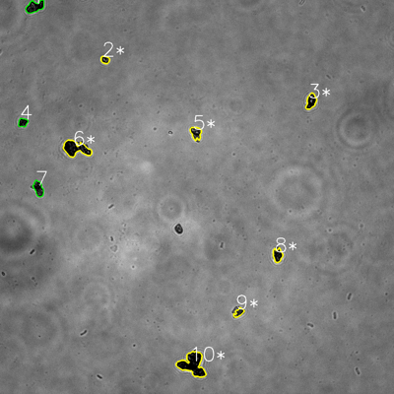
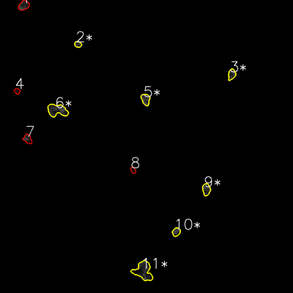

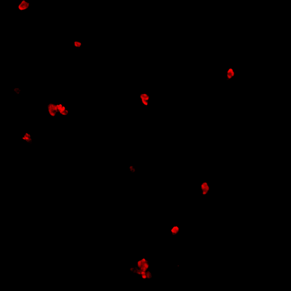
═══════════════ DETECTION REPORT ═══════════════ Source: 1 N NO 1_ch00.tif Parameters: Gray Thresh=53, Fluor Thresh=5, Overlap=80% ┌─── SUMMARY ───┐ Grayscale bacteria: 10 Fluorescence bacteria: 11 Co-localized pairs: 7 Co-localization rate: 70.0% ┌─── CO-LOCALIZED PAIRS (7) ───┐ Gray Fluor Overlap G.Area F.Area Intersect ──────────────────────────────────────────────────────────── 2 2 100.0% 486 560 486 3 3 85.0% 1117 1044 950 5 5 99.5% 1005 1273 1000 6 6 96.7% 2683 3051 2594 8 9 100.0% 965 1245 965 9 10 90.0% 551 883 496 10 11 93.5% 3969 4036 3711 ┌─── GRAYSCALE CHANNEL (10 bacteria) ───┐ ID * Area Mode Max Centroid (Y, X) ─────────────────────────────────────────────────────── 1 1489 0.0 164 (20.2, 105.9) 2 * 486 0.0 192 (181.8, 320.1) 3 * 1117 0.0 237 (308.5, 947.5) 4 606 0.0 133 (373.2, 69.6) 5 * 1005 13.0 186 (404.9, 596.7) 6 * 2683 0.0 172 (452.3, 230.6) 7 1088 0.0 124 (574.3, 117.1) 8 * 965 0.0 112 (777.1, 845.4) 9 * 551 13.0 133 (951.8, 727.3) 10 * 3969 0.0 138 (1109.7, 586.7) ─────────────────────────────────────────────────────── Stats: Area μ=1395.9 σ=1047.0 | Intensity(mode) μ=2.6 ┌─── FLUORESCENCE CHANNEL (11 bacteria) ───┐ ID * Area Mode Max Centroid (Y, X) ─────────────────────────────────────────────────────── 1 1316 76.0 76 (22.3, 97.3) 2 * 560 37.0 76 (181.6, 319.2) 3 * 1044 76.0 76 (304.6, 949.1) 4 410 7.0 23 (373.3, 70.0) 5 * 1273 76.0 76 (406.8, 596.3) 6 * 3051 76.0

Review_2_1 N NO 2_ch00.tif
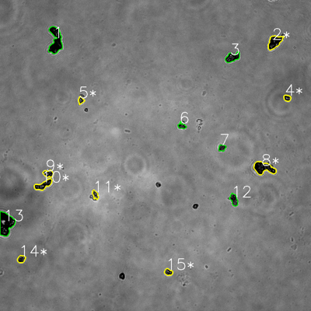
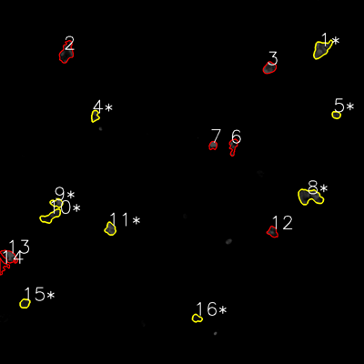

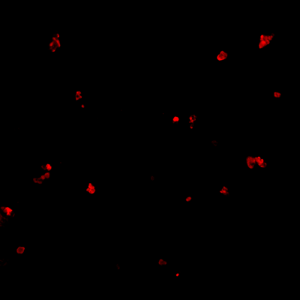
═══════════════ DETECTION REPORT ═══════════════ Source: 1 N NO 2_ch00.tif Parameters: Gray Thresh=53, Fluor Thresh=5, Overlap=80% ┌─── SUMMARY ───┐ Grayscale bacteria: 15 Fluorescence bacteria: 16 Co-localized pairs: 9 Co-localization rate: 60.0% ┌─── CO-LOCALIZED PAIRS (9) ───┐ Gray Fluor Overlap G.Area F.Area Intersect ──────────────────────────────────────────────────────────── 2 1 98.4% 2068 2261 2035 4 5 96.8% 537 533 520 5 4 96.3% 464 706 447 8 8 94.1% 2773 2876 2609 9 9 91.4% 835 829 763 10 10 92.7% 1571 1524 1457 11 11 100.0% 564 1057 564 14 15 99.4% 700 771 696 15 16 91.1% 639 603 582 ┌─── GRAYSCALE CHANNEL (15 bacteria) ───┐ ID * Area Mode Max Centroid (Y, X) ─────────────────────────────────────────────────────── 1 3593 0.0 179 (156.6, 214.7) 2 * 2068 0.0 193 (162.1, 1059.7) 3 1454 0.0 236 (221.2, 896.4) 4 * 537 0.0 236 (378.3, 1108.2) 5 * 464 28.0 216 (387.3, 312.4) 6 513 13.0 131 (485.8, 701.5) 7 543 28.0 122 (570.6, 856.7) 8 * 2773 0.0 218 (648.1, 1017.2) 9 * 835 0.0 197 (669.8, 185.9) 10 * 1571 0.0 225 (713.5, 167.2) 11 * 564 58.0 227 (751.2, 367.6) 12 1049 28.0 153 (770.3, 902.5) 13 3950 0.0 228 (862.9, 22.6) 14 * 700 0.0 222 (999.5, 82.2) 15 * 639 13.0 190 (1050.0, 649.7) ─────────────────────────────────────────────────────── Stats: Area μ=1416.9 σ=1126.2 | Intensity(mode) μ=11.2 ┌─── FLUORESCENCE CHANNEL (16 bacteria) ───┐ ID * Area Mode Max

Review_3_1 N NO 3_ch00.tif
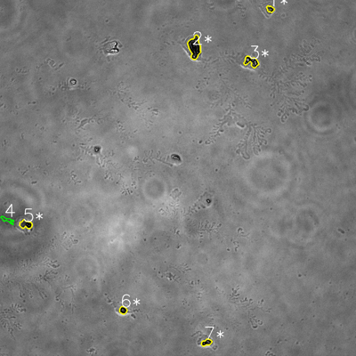
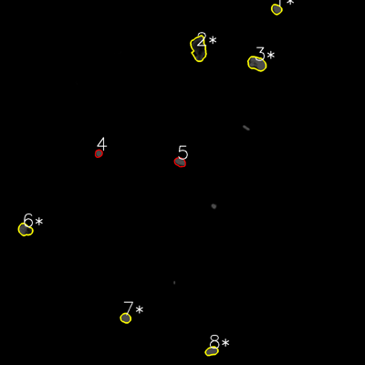

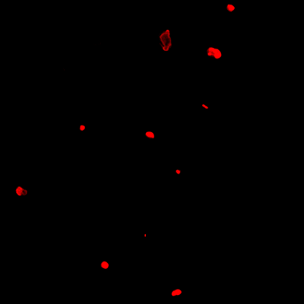
═══════════════ DETECTION REPORT ═══════════════ Source: 1 N NO 3_ch00.tif Parameters: Gray Thresh=53, Fluor Thresh=5, Overlap=80% ┌─── SUMMARY ───┐ Grayscale bacteria: 7 Fluorescence bacteria: 8 Co-localized pairs: 6 Co-localization rate: 85.7% ┌─── CO-LOCALIZED PAIRS (6) ───┐ Gray Fluor Overlap G.Area F.Area Intersect ──────────────────────────────────────────────────────────── 1 1 100.0% 419 844 419 2 2 100.0% 2374 3146 2374 3 3 100.0% 1150 2116 1150 5 6 98.5% 904 1381 890 6 7 100.0% 511 838 511 7 8 100.0% 592 916 592 ┌─── GRAYSCALE CHANNEL (7 bacteria) ───┐ ID * Area Mode Max Centroid (Y, X) ─────────────────────────────────────────────────────── 1 * 419 28.0 212 (30.1, 911.1) 2 * 2374 0.0 255 (159.2, 655.7) 3 * 1150 0.0 255 (207.7, 847.4) 4 427 73.0 105 (740.9, 23.9) 5 * 904 0.0 117 (756.4, 86.8) 6 * 511 0.0 154 (1045.6, 414.8) 7 * 592 0.0 167 (1154.3, 696.0) ─────────────────────────────────────────────────────── Stats: Area μ=911.0 σ=647.6 | Intensity(mode) μ=14.4 ┌─── FLUORESCENCE CHANNEL (8 bacteria) ───┐ ID * Area Mode Max Centroid (Y, X) ─────────────────────────────────────────────────────── 1 * 844 76.0 76 (30.5, 908.9) 2 * 3146 18.0 76 (159.2, 653.2) 3 * 2116 76.0 76 (208.9, 844.4) 4 475 76.0 76 (504.4, 324.1) 5 875 76.0 76 (532.9, 591.6) 6 * 1381 76.0 76 (755.2, 82.4) 7 * 838 76.0 76 (1045.7, 412.8) 8 * 916 76.0 76 (1154.3, 695.8) ─────────────────────────────────────────────────────── Stats: Area μ=1323.9

Review_4_1 N NO 4_ch00.tif
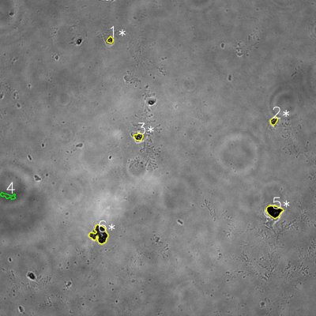
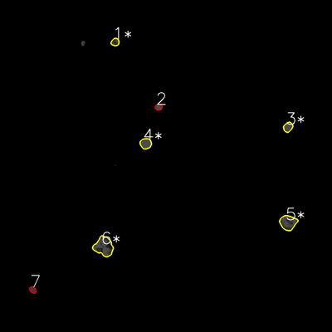

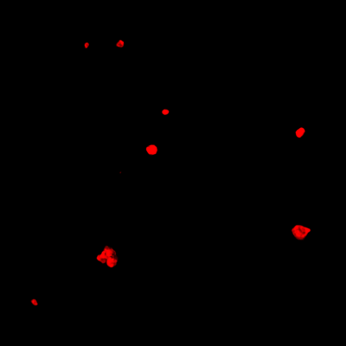
═══════════════ DETECTION REPORT ═══════════════ Source: 1 N NO 4_ch00.tif Parameters: Gray Thresh=53, Fluor Thresh=5, Overlap=80% ┌─── SUMMARY ───┐ Grayscale bacteria: 6 Fluorescence bacteria: 7 Co-localized pairs: 5 Co-localization rate: 83.3% ┌─── CO-LOCALIZED PAIRS (5) ───┐ Gray Fluor Overlap G.Area F.Area Intersect ──────────────────────────────────────────────────────────── 1 1 100.0% 435 629 435 2 3 100.0% 608 920 608 3 4 100.0% 745 1253 745 5 5 98.8% 2092 2550 2067 6 6 98.7% 3055 3678 3016 ┌─── GRAYSCALE CHANNEL (6 bacteria) ───┐ ID * Area Mode Max Centroid (Y, X) ─────────────────────────────────────────────────────── 1 * 435 0.0 220 (152.1, 418.3) 2 * 608 43.0 194 (458.4, 1040.2) 3 * 745 28.0 255 (519.2, 526.2) 4 733 73.0 103 (744.0, 30.5) 5 * 2092 0.0 94 (802.4, 1041.1) 6 * 3055 0.0 228 (890.4, 378.0) ─────────────────────────────────────────────────────── Stats: Area μ=1278.0 σ=962.7 | Intensity(mode) μ=24.0 ┌─── FLUORESCENCE CHANNEL (7 bacteria) ───┐ ID * Area Mode Max Centroid (Y, X) ─────────────────────────────────────────────────────── 1 * 629 76.0 76 (152.0, 416.1) 2 475 76.0 76 (387.2, 573.1) 3 * 920 76.0 76 (459.3, 1041.1) 4 * 1253 76.0 76 (518.9, 526.6) 5 * 2550 76.0 76 (804.4, 1041.4) 6 * 3678 76.0 76 (891.2, 374.9) 7 437 56.0 76 (1047.9, 118.6) ─────────────────────────────────────────────────────── Stats: Area μ=1420.3 σ=1142.6 | Intensity(mode) μ=73.1 Legend: * = Co-localized | Yellow contours = Co-localized

Review_5_1 N NO 5_ch00.tif
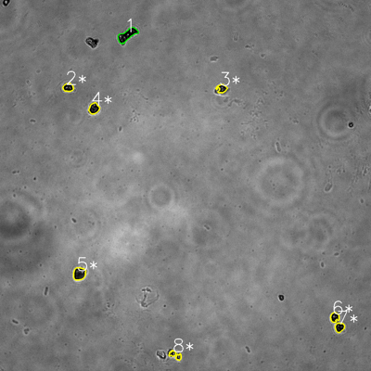
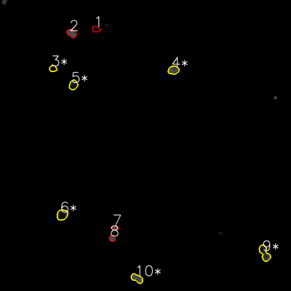

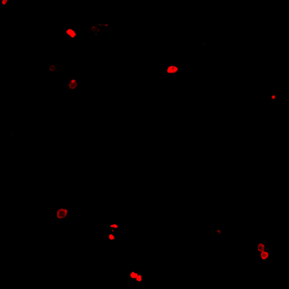
═══════════════ DETECTION REPORT ═══════════════ Source: 1 N NO 5_ch00.tif Parameters: Gray Thresh=53, Fluor Thresh=5, Overlap=80% ┌─── SUMMARY ───┐ Grayscale bacteria: 8 Fluorescence bacteria: 10 Co-localized pairs: 7 Co-localization rate: 87.5% ┌─── CO-LOCALIZED PAIRS (7) ───┐ Gray Fluor Overlap G.Area F.Area Intersect ──────────────────────────────────────────────────────────── 2 3 84.2% 720 619 606 3 4 100.0% 649 1231 649 4 5 98.5% 928 1091 914 5 6 99.7% 1348 1535 1344 6 9 100.0% 695 1827 695 7 9 100.0% 728 1827 728 8 10 100.0% 582 1217 582 ┌─── GRAYSCALE CHANNEL (8 bacteria) ───┐ ID * Area Mode Max Centroid (Y, X) ─────────────────────────────────────────────────────── 1 1721 0.0 232 (113.2, 411.2) 2 * 720 0.0 186 (283.0, 220.4) 3 * 649 0.0 169 (286.2, 717.4) 4 * 928 0.0 146 (350.8, 303.9) 5 * 1348 0.0 202 (885.2, 256.4) 6 * 695 0.0 185 (1026.1, 1082.4) 7 * 728 0.0 122 (1058.7, 1098.3) 8 * 582 0.0 242 (1148.5, 566.8) ─────────────────────────────────────────────────────── Stats: Area μ=921.4 σ=377.5 | Intensity(mode) μ=0.0 ┌─── FLUORESCENCE CHANNEL (10 bacteria) ───┐ ID * Area Mode Max Centroid (Y, X) ─────────────────────────────────────────────────────── 1 599 0.0 40 (120.6, 395.4) 2 1051 76.0 76 (136.9, 295.0) 3 * 619 5.0 35 (282.7, 218.5) 4 * 1231 76.0 76 (288.9, 715.5) 5 * 1091 18.0 76 (350.1, 302.4) 6 * 1535 18.0 76 (885.7, 256.4) 7 435 76.0 76 (938.7, 473.4) 8 526 76.0

