Review_1_2 P 1_ch00.tif
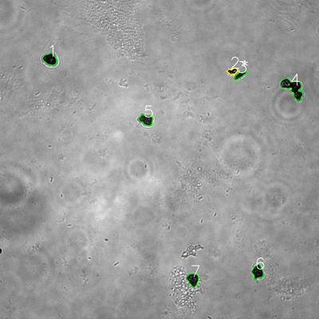
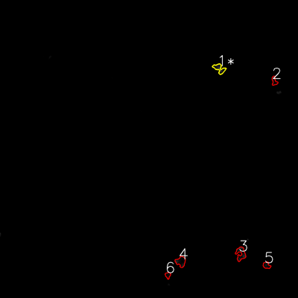


═══════════════ DETECTION REPORT ═══════════════ Source: 2 P 1_ch00.tif Parameters: Gray Thresh=53, Fluor Thresh=5, Overlap=80% ┌─── SUMMARY ───┐ Grayscale bacteria: 7 Fluorescence bacteria: 6 Co-localized pairs: 1 Co-localization rate: 14.3% ┌─── CO-LOCALIZED PAIRS (1) ───┐ Gray Fluor Overlap G.Area F.Area Intersect ──────────────────────────────────────────────────────────── 2 1 86.2% 668 1071 576 ┌─── GRAYSCALE CHANNEL (7 bacteria) ───┐ ID * Area Mode Max Centroid (Y, X) ─────────────────────────────────────────────────────── 1 1782 0.0 105 (222.8, 187.7) 2 * 668 18.0 255 (268.0, 874.3) 3 774 18.0 116 (283.0, 901.9) 4 3644 0.0 196 (330.1, 1101.2) 5 1619 38.0 129 (450.8, 549.7) 6 1739 0.0 141 (1022.8, 968.8) 7 1692 21.0 125 (1051.6, 725.3) ─────────────────────────────────────────────────────── Stats: Area μ=1702.6 σ=903.7 | Intensity(mode) μ=13.6 ┌─── FLUORESCENCE CHANNEL (6 bacteria) ───┐ ID * Area Mode Max Centroid (Y, X) ─────────────────────────────────────────────────────── 1 * 1071 0.0 65 (275.9, 883.1) 2 526 0.0 32 (326.5, 1104.5) 3 1389 0.0 57 (1021.6, 969.4) 4 1226 0.0 59 (1053.2, 728.0) 5 601 0.0 36 (1068.3, 1073.4) 6 414 0.0 26 (1108.1, 675.9) ─────────────────────────────────────────────────────── Stats: Area μ=871.2 σ=373.1 | Intensity(mode) μ=0.0 Legend: * = Co-localized | Yellow contours = Co-localized

Review_2_2 P 2_ch00.tif
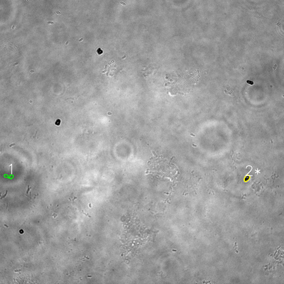
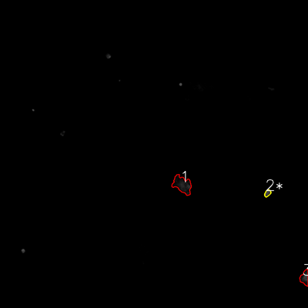


═══════════════ DETECTION REPORT ═══════════════ Source: 2 P 2_ch00.tif Parameters: Gray Thresh=53, Fluor Thresh=5, Overlap=80% ┌─── SUMMARY ───┐ Grayscale bacteria: 2 Fluorescence bacteria: 3 Co-localized pairs: 1 Co-localization rate: 50.0% ┌─── CO-LOCALIZED PAIRS (1) ───┐ Gray Fluor Overlap G.Area F.Area Intersect ──────────────────────────────────────────────────────────── 2 2 99.3% 459 489 456 ┌─── GRAYSCALE CHANNEL (2 bacteria) ───┐ ID * Area Mode Max Centroid (Y, X) ─────────────────────────────────────────────────────── 1 422 88.0 134 (745.2, 37.1) 2 * 459 0.0 183 (752.8, 1042.8) ─────────────────────────────────────────────────────── Stats: Area μ=440.5 σ=18.5 | Intensity(mode) μ=44.0 ┌─── FLUORESCENCE CHANNEL (3 bacteria) ───┐ ID * Area Mode Max Centroid (Y, X) ─────────────────────────────────────────────────────── 1 3593 0.0 59 (719.5, 710.2) 2 * 489 76.0 76 (752.7, 1042.5) 3 1427 16.0 76 (1082.4, 1186.9) ─────────────────────────────────────────────────────── Stats: Area μ=1836.3 σ=1299.8 | Intensity(mode) μ=30.7 Legend: * = Co-localized | Yellow contours = Co-localized

Review_3_2 P 3_ch00.tif
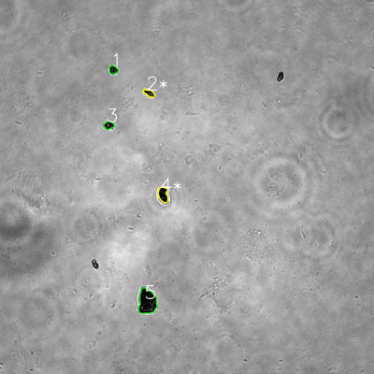
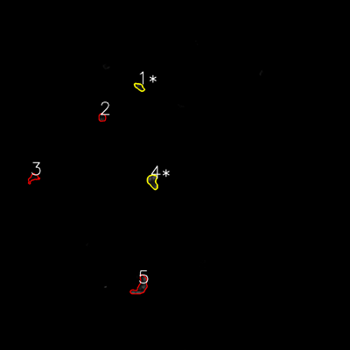


═══════════════ DETECTION REPORT ═══════════════ Source: 2 P 3_ch00.tif Parameters: Gray Thresh=53, Fluor Thresh=5, Overlap=80% ┌─── SUMMARY ───┐ Grayscale bacteria: 5 Fluorescence bacteria: 5 Co-localized pairs: 2 Co-localization rate: 40.0% ┌─── CO-LOCALIZED PAIRS (2) ───┐ Gray Fluor Overlap G.Area F.Area Intersect ──────────────────────────────────────────────────────────── 2 1 91.2% 599 572 546 4 4 90.9% 1261 1239 1146 ┌─── GRAYSCALE CHANNEL (5 bacteria) ───┐ ID * Area Mode Max Centroid (Y, X) ─────────────────────────────────────────────────────── 1 563 0.0 176 (224.4, 363.5) 2 * 599 27.0 136 (298.6, 478.6) 3 637 11.0 181 (402.0, 349.1) 4 * 1261 0.0 87 (624.1, 523.6) 5 3707 0.0 184 (968.2, 472.4) ─────────────────────────────────────────────────────── Stats: Area μ=1353.4 σ=1204.6 | Intensity(mode) μ=7.6 ┌─── FLUORESCENCE CHANNEL (5 bacteria) ───┐ ID * Area Mode Max Centroid (Y, X) ─────────────────────────────────────────────────────── 1 * 572 22.0 58 (298.1, 478.0) 2 532 13.0 55 (402.6, 350.0) 3 630 0.0 22 (610.1, 113.9) 4 * 1239 76.0 76 (622.0, 523.3) 5 1800 76.0 76 (980.9, 482.8) ─────────────────────────────────────────────────────── Stats: Area μ=954.6 σ=495.2 | Intensity(mode) μ=37.4 Legend: * = Co-localized | Yellow contours = Co-localized

Review_4_2 P 4_ch00.tif
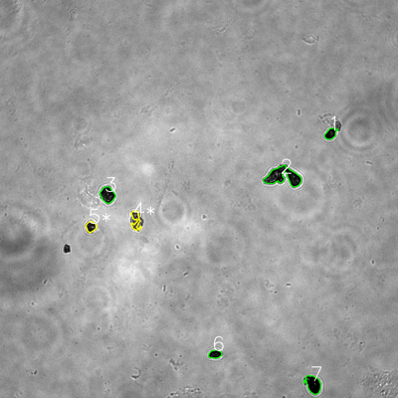
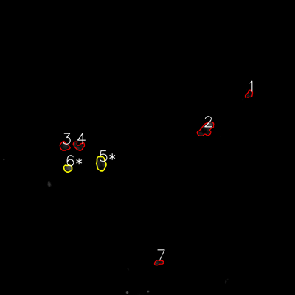


═══════════════ DETECTION REPORT ═══════════════ Source: 2 P 4_ch00.tif Parameters: Gray Thresh=53, Fluor Thresh=5, Overlap=80% ┌─── SUMMARY ───┐ Grayscale bacteria: 7 Fluorescence bacteria: 7 Co-localized pairs: 2 Co-localization rate: 28.6% ┌─── CO-LOCALIZED PAIRS (2) ───┐ Gray Fluor Overlap G.Area F.Area Intersect ──────────────────────────────────────────────────────────── 4 5 99.2% 962 1846 954 5 6 88.8% 774 775 687 ┌─── GRAYSCALE CHANNEL (7 bacteria) ───┐ ID * Area Mode Max Centroid (Y, X) ─────────────────────────────────────────────────────── 1 888 0.0 122 (403.0, 997.2) 2 3860 0.0 191 (532.3, 853.7) 3 1616 18.0 138 (587.3, 323.9) 4 * 962 45.0 191 (663.6, 409.1) 5 * 774 19.0 182 (683.5, 274.2) 6 774 0.0 82 (1067.7, 648.3) 7 1919 0.0 118 (1158.9, 944.3) ─────────────────────────────────────────────────────── Stats: Area μ=1541.9 σ=1032.6 | Intensity(mode) μ=11.7 ┌─── FLUORESCENCE CHANNEL (7 bacteria) ───┐ ID * Area Mode Max Centroid (Y, X) ─────────────────────────────────────────────────────── 1 643 9.0 48 (382.6, 1013.9) 2 2400 76.0 76 (525.8, 837.4) 3 1080 10.0 48 (595.3, 261.7) 4 1056 13.0 64 (593.9, 320.4) 5 * 1846 22.0 65 (665.2, 410.8) 6 * 775 76.0 76 (684.6, 275.6) 7 612 19.0 54 (1068.0, 645.6) ─────────────────────────────────────────────────────── Stats: Area μ=1201.7 σ=624.4 | Intensity(mode) μ=32.1 Legend: * = Co-localized | Yellow contours = Co-localized

Review_5_2 P 5_ch00.tif
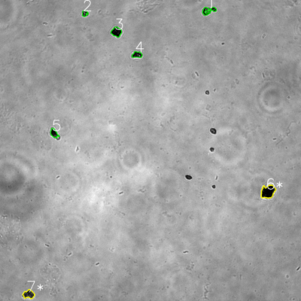
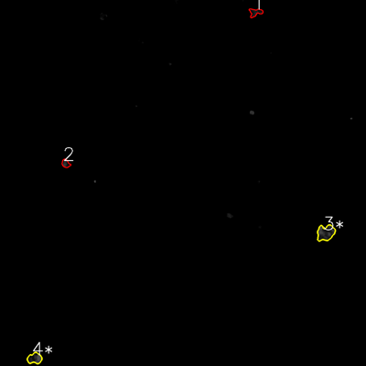


═══════════════ DETECTION REPORT ═══════════════ Source: 2 P 5_ch00.tif Parameters: Gray Thresh=53, Fluor Thresh=5, Overlap=80% ┌─── SUMMARY ───┐ Grayscale bacteria: 7 Fluorescence bacteria: 4 Co-localized pairs: 2 Co-localization rate: 28.6% ┌─── CO-LOCALIZED PAIRS (2) ───┐ Gray Fluor Overlap G.Area F.Area Intersect ──────────────────────────────────────────────────────────── 6 3 94.3% 2298 2319 2167 7 4 98.4% 1153 1317 1134 ┌─── GRAYSCALE CHANNEL (7 bacteria) ───┐ ID * Area Mode Max Centroid (Y, X) ─────────────────────────────────────────────────────── 1 916 0.0 174 (42.1, 831.2) 2 419 0.0 242 (53.1, 338.1) 3 1183 0.0 80 (127.2, 464.1) 4 759 0.0 255 (218.1, 546.7) 5 753 0.0 123 (531.3, 215.5) 6 * 2298 0.0 165 (764.1, 1068.0) 7 * 1153 0.0 207 (1173.3, 114.4) ─────────────────────────────────────────────────────── Stats: Area μ=1068.7 σ=557.1 | Intensity(mode) μ=0.0 ┌─── FLUORESCENCE CHANNEL (4 bacteria) ───┐ ID * Area Mode Max Centroid (Y, X) ─────────────────────────────────────────────────────── 1 778 22.0 49 (40.4, 837.4) 2 548 0.0 70 (536.0, 215.5) 3 * 2319 22.0 76 (763.4, 1067.9) 4 * 1317 76.0 76 (1175.0, 113.7) ─────────────────────────────────────────────────────── Stats: Area μ=1240.5 σ=682.4 | Intensity(mode) μ=30.0 Legend: * = Co-localized | Yellow contours = Co-localized

