Review_1_3 N NO 1_ch00.tif
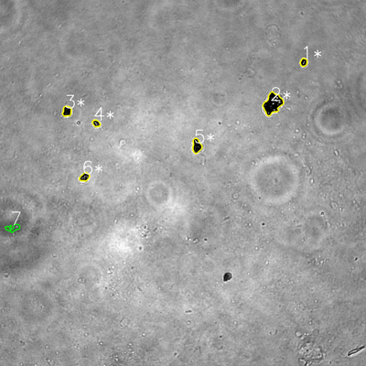
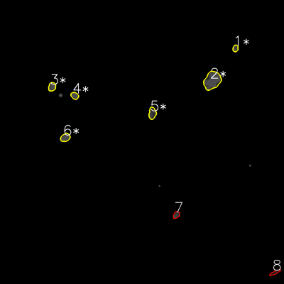

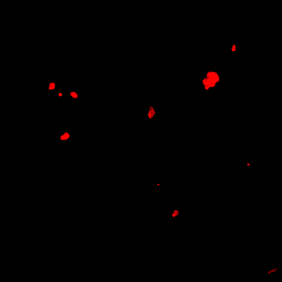
═══════════════ DETECTION REPORT ═══════════════ Source: 3 N NO 1_ch00.tif Parameters: Gray Thresh=53, Fluor Thresh=5, Overlap=80% ┌─── SUMMARY ───┐ Grayscale bacteria: 7 Fluorescence bacteria: 8 Co-localized pairs: 6 Co-localization rate: 85.7% ┌─── CO-LOCALIZED PAIRS (6) ───┐ Gray Fluor Overlap G.Area F.Area Intersect ──────────────────────────────────────────────────────────── 1 1 97.7% 478 524 467 2 2 100.0% 3165 4227 3165 3 3 97.7% 783 910 765 4 4 100.0% 441 752 441 5 5 96.5% 1092 1244 1054 6 6 100.0% 663 1094 663 ┌─── GRAYSCALE CHANNEL (7 bacteria) ───┐ ID * Area Mode Max Centroid (Y, X) ─────────────────────────────────────────────────────── 1 * 478 0.0 255 (204.2, 995.4) 2 * 3165 0.0 255 (339.9, 894.1) 3 * 783 0.0 108 (364.7, 219.4) 4 * 441 0.0 255 (404.3, 315.2) 5 * 1092 0.0 117 (478.4, 644.9) 6 * 663 0.0 217 (580.2, 277.2) 7 675 77.0 191 (747.4, 42.3) ─────────────────────────────────────────────────────── Stats: Area μ=1042.4 σ=889.2 | Intensity(mode) μ=11.0 ┌─── FLUORESCENCE CHANNEL (8 bacteria) ───┐ ID * Area Mode Max Centroid (Y, X) ─────────────────────────────────────────────────────── 1 * 524 76.0 76 (204.3, 994.8) 2 * 4227 76.0 76 (340.3, 896.7) 3 * 910 76.0 76 (366.5, 219.7) 4 * 752 76.0 76 (404.3, 315.4) 5 * 1244 76.0 76 (478.5, 643.6) 6 * 1094 76.0 76 (581.1, 275.8) 7 638 54.0 76 (907.9, 745.1) 8 524 30.0 58 (1151.9, 1161.0) ─────────────────────────────────────────────────────── Stats: Area μ=1239

Review_2_3 N NO 2_ch00.tif
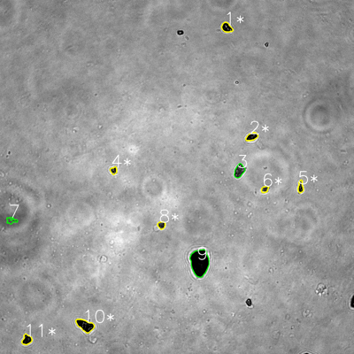
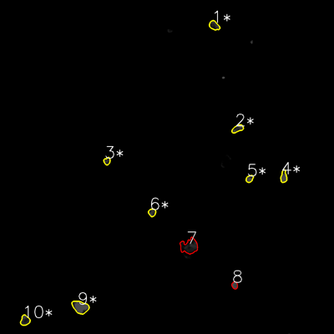

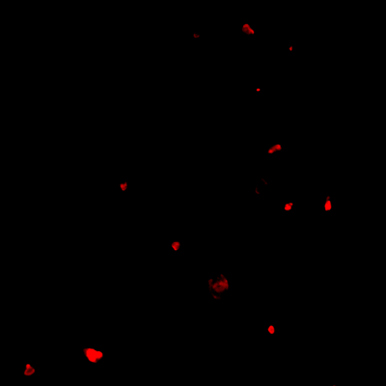
═══════════════ DETECTION REPORT ═══════════════ Source: 3 N NO 2_ch00.tif Parameters: Gray Thresh=53, Fluor Thresh=5, Overlap=80% ┌─── SUMMARY ───┐ Grayscale bacteria: 11 Fluorescence bacteria: 10 Co-localized pairs: 8 Co-localization rate: 72.7% ┌─── CO-LOCALIZED PAIRS (8) ───┐ Gray Fluor Overlap G.Area F.Area Intersect ──────────────────────────────────────────────────────────── 1 1 90.5% 911 901 824 2 2 92.6% 828 808 767 4 3 97.0% 439 477 426 5 4 99.7% 584 754 582 6 5 99.5% 411 515 409 8 6 99.4% 515 581 512 10 9 99.1% 1797 2054 1780 11 10 97.6% 873 951 852 ┌─── GRAYSCALE CHANNEL (11 bacteria) ───┐ ID * Area Mode Max Centroid (Y, X) ─────────────────────────────────────────────────────── 1 * 911 0.0 221 (93.3, 768.5) 2 * 828 0.0 115 (463.2, 853.7) 3 1162 0.0 247 (579.0, 811.0) 4 * 439 38.0 255 (577.9, 385.2) 5 * 584 0.0 255 (633.6, 1018.8) 6 * 411 29.0 255 (641.6, 897.6) 7 498 88.0 120 (747.6, 38.2) 8 * 515 0.0 145 (763.1, 547.1) 9 4553 0.0 88 (889.7, 676.9) 10 * 1797 0.0 162 (1103.0, 288.4) 11 * 873 0.0 108 (1151.4, 90.9) ─────────────────────────────────────────────────────── Stats: Area μ=1142.8 σ=1145.6 | Intensity(mode) μ=14.1 ┌─── FLUORESCENCE CHANNEL (10 bacteria) ───┐ ID * Area Mode Max Centroid (Y, X) ─────────────────────────────────────────────────────── 1 * 901 23.0 76 (91.6, 769.5) 2 * 808 25.0 76 (462.2, 853.6) 3 * 477 33.0 76 (578.7, 384.5) 4 * 754 76.0 76

Review_3_3 N NO 3_ch00.tif
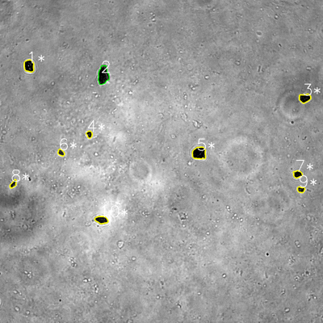
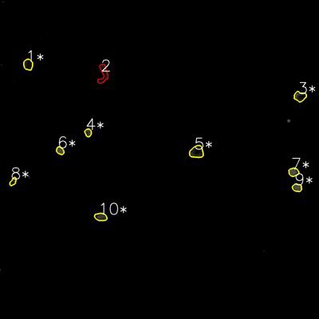

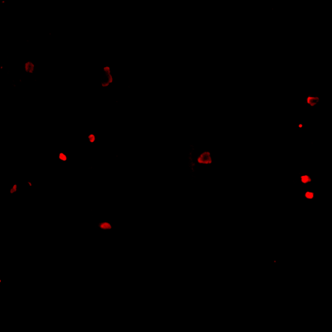
═══════════════ DETECTION REPORT ═══════════════ Source: 3 N NO 3_ch00.tif Parameters: Gray Thresh=53, Fluor Thresh=5, Overlap=80% ┌─── SUMMARY ───┐ Grayscale bacteria: 10 Fluorescence bacteria: 10 Co-localized pairs: 9 Co-localization rate: 90.0% ┌─── CO-LOCALIZED PAIRS (9) ───┐ Gray Fluor Overlap G.Area F.Area Intersect ──────────────────────────────────────────────────────────── 1 1 81.0% 1377 1135 1115 3 3 93.7% 1114 1282 1044 4 4 100.0% 451 585 451 5 5 91.2% 1901 1887 1734 6 6 100.0% 452 627 452 7 7 100.0% 710 939 710 8 8 96.9% 482 500 467 9 9 100.0% 487 819 487 10 10 93.4% 1047 1064 978 ┌─── GRAYSCALE CHANNEL (10 bacteria) ───┐ ID * Area Mode Max Centroid (Y, X) ─────────────────────────────────────────────────────── 1 * 1377 0.0 213 (244.9, 107.7) 2 2132 0.0 150 (279.2, 383.5) 3 * 1114 0.0 111 (364.6, 1132.1) 4 * 451 0.0 110 (499.1, 331.9) 5 * 1901 0.0 187 (568.9, 739.9) 6 * 452 30.0 147 (567.1, 226.7) 7 * 710 0.0 141 (647.1, 1105.5) 8 * 482 0.0 192 (683.6, 49.3) 9 * 487 0.0 118 (704.3, 1118.1) 10 * 1047 23.0 108 (816.6, 377.0) ─────────────────────────────────────────────────────── Stats: Area μ=1015.3 σ=588.7 | Intensity(mode) μ=5.3 ┌─── FLUORESCENCE CHANNEL (10 bacteria) ───┐ ID * Area Mode Max Centroid (Y, X) ─────────────────────────────────────────────────────── 1 * 1135 14.0 44 (242.7, 105.8) 2 1457 0.0 54 (277.6, 388.4) 3 * 1282 0.0 76 (363.0, 1128.1) 4 * 585 61.0 76

Review_4_3 N NO 4_ch00.tif
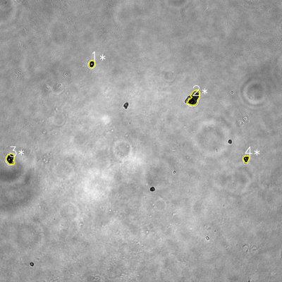
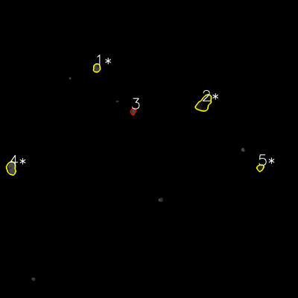

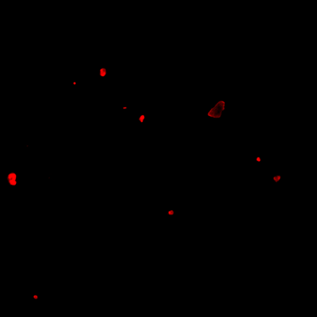
═══════════════ DETECTION REPORT ═══════════════ Source: 3 N NO 4_ch00.tif Parameters: Gray Thresh=53, Fluor Thresh=5, Overlap=80% ┌─── SUMMARY ───┐ Grayscale bacteria: 4 Fluorescence bacteria: 5 Co-localized pairs: 4 Co-localization rate: 100.0% ┌─── CO-LOCALIZED PAIRS (4) ───┐ Gray Fluor Overlap G.Area F.Area Intersect ──────────────────────────────────────────────────────────── 1 1 99.8% 598 770 597 2 2 98.6% 2152 2695 2122 3 4 99.9% 1240 1593 1239 4 5 93.5% 569 568 532 ┌─── GRAYSCALE CHANNEL (4 bacteria) ───┐ ID * Area Mode Max Centroid (Y, X) ─────────────────────────────────────────────────────── 1 * 598 0.0 255 (272.5, 390.2) 2 * 2152 0.0 254 (416.6, 825.6) 3 * 1240 0.0 255 (676.5, 44.6) 4 * 569 0.0 249 (676.3, 1047.3) ─────────────────────────────────────────────────────── Stats: Area μ=1139.8 σ=643.0 | Intensity(mode) μ=0.0 ┌─── FLUORESCENCE CHANNEL (5 bacteria) ───┐ ID * Area Mode Max Centroid (Y, X) ─────────────────────────────────────────────────────── 1 * 770 76.0 76 (273.5, 389.3) 2 * 2695 13.0 71 (416.2, 821.8) 3 469 76.0 76 (448.1, 536.2) 4 * 1593 76.0 76 (677.2, 45.1) 5 * 568 39.0 71 (675.6, 1047.9) ─────────────────────────────────────────────────────── Stats: Area μ=1219.0 σ=837.4 | Intensity(mode) μ=56.0 Legend: * = Co-localized | Yellow contours = Co-localized

Review_5_3 N NO 5_ch00.tif
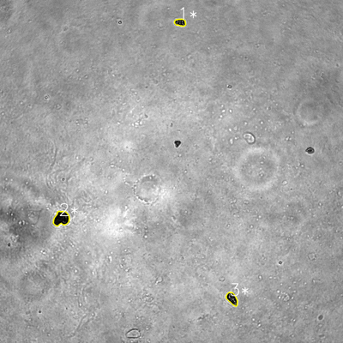
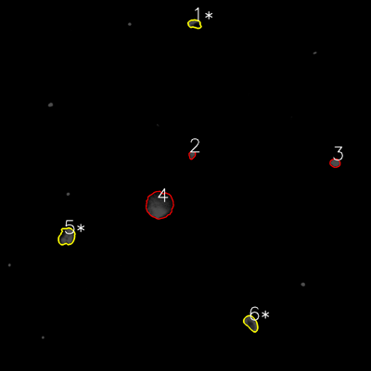

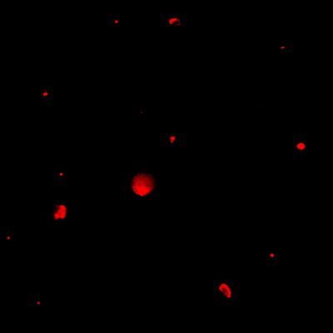
═══════════════ DETECTION REPORT ═══════════════ Source: 3 N NO 5_ch00.tif Parameters: Gray Thresh=53, Fluor Thresh=5, Overlap=80% ┌─── SUMMARY ───┐ Grayscale bacteria: 3 Fluorescence bacteria: 6 Co-localized pairs: 3 Co-localization rate: 100.0% ┌─── CO-LOCALIZED PAIRS (3) ───┐ Gray Fluor Overlap G.Area F.Area Intersect ──────────────────────────────────────────────────────────── 1 1 98.3% 802 919 788 2 5 95.3% 2198 2324 2095 3 6 100.0% 1238 1574 1238 ┌─── GRAYSCALE CHANNEL (3 bacteria) ───┐ ID * Area Mode Max Centroid (Y, X) ─────────────────────────────────────────────────────── 1 * 802 0.0 188 (78.5, 630.4) 2 * 2198 0.0 126 (764.5, 214.6) 3 * 1238 0.0 255 (1045.0, 811.8) ─────────────────────────────────────────────────────── Stats: Area μ=1412.7 σ=583.1 | Intensity(mode) μ=0.0 ┌─── FLUORESCENCE CHANNEL (6 bacteria) ───┐ ID * Area Mode Max Centroid (Y, X) ─────────────────────────────────────────────────────── 1 * 919 76.0 76 (77.4, 629.3) 2 405 76.0 76 (501.5, 620.9) 3 739 76.0 76 (527.2, 1083.7) 4 6166 76.0 76 (662.8, 516.1) 5 * 2324 76.0 76 (765.0, 215.8) 6 * 1574 76.0 76 (1045.4, 812.2) ─────────────────────────────────────────────────────── Stats: Area μ=2021.2 σ=1955.4 | Intensity(mode) μ=76.0 Legend: * = Co-localized | Yellow contours = Co-localized

