Review_1_4 N NO 1_ch00.tif
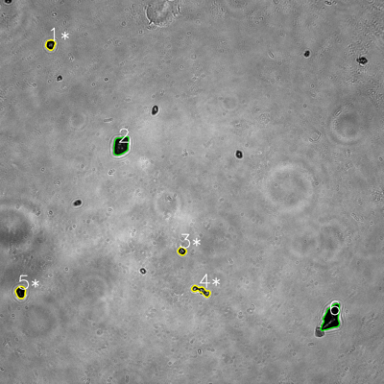
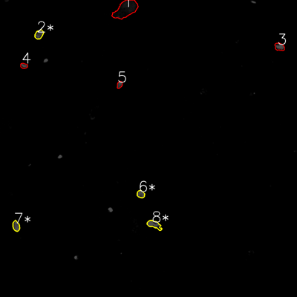

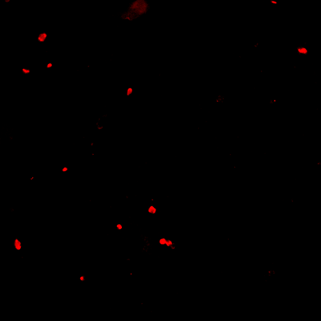
═══════════════ DETECTION REPORT ═══════════════ Source: 4 N NO 1_ch00.tif Parameters: Gray Thresh=53, Fluor Thresh=5, Overlap=80% ┌─── SUMMARY ───┐ Grayscale bacteria: 6 Fluorescence bacteria: 8 Co-localized pairs: 4 Co-localization rate: 66.7% ┌─── CO-LOCALIZED PAIRS (4) ───┐ Gray Fluor Overlap G.Area F.Area Intersect ──────────────────────────────────────────────────────────── 1 2 99.5% 743 951 739 3 6 100.0% 520 731 520 4 8 88.0% 982 1298 864 5 7 87.6% 946 921 829 ┌─── GRAYSCALE CHANNEL (6 bacteria) ───┐ ID * Area Mode Max Centroid (Y, X) ─────────────────────────────────────────────────────── 1 * 743 0.0 173 (139.7, 157.5) 2 2172 14.0 132 (454.7, 377.9) 3 * 520 5.0 225 (784.7, 568.5) 4 * 982 22.0 255 (908.3, 629.0) 5 * 946 0.0 85 (913.1, 64.5) 6 3261 0.0 181 (993.4, 1035.3) ─────────────────────────────────────────────────────── Stats: Area μ=1437.3 σ=969.3 | Intensity(mode) μ=6.8 ┌─── FLUORESCENCE CHANNEL (8 bacteria) ───┐ ID * Area Mode Max Centroid (Y, X) ─────────────────────────────────────────────────────── 1 4966 0.0 39 (37.3, 507.9) 2 * 951 76.0 76 (139.1, 157.7) 3 972 76.0 76 (189.1, 1129.2) 4 506 76.0 76 (265.7, 96.4) 5 487 76.0 76 (342.0, 483.2) 6 * 731 76.0 76 (784.4, 568.6) 7 * 921 76.0 76 (913.4, 65.0) 8 * 1298 76.0 76 (907.8, 623.1) ─────────────────────────────────────────────────────── Stats: Area μ=1354.0 σ=1387.6 | Intensity(mode) μ=66.5 Legend: * = Co-localized | Yellow contours = Co-localized

Review_2_4 N NO 2_ch00.tif
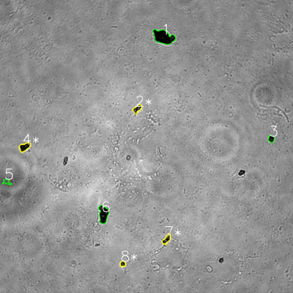
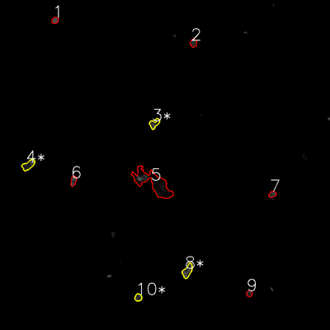

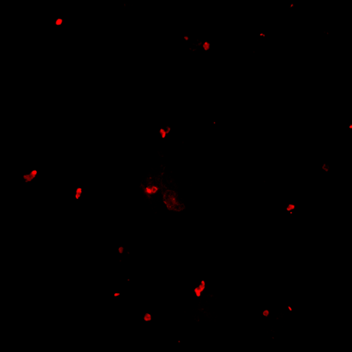
═══════════════ DETECTION REPORT ═══════════════ Source: 4 N NO 2_ch00.tif Parameters: Gray Thresh=53, Fluor Thresh=5, Overlap=80% ┌─── SUMMARY ───┐ Grayscale bacteria: 8 Fluorescence bacteria: 10 Co-localized pairs: 4 Co-localization rate: 50.0% ┌─── CO-LOCALIZED PAIRS (4) ───┐ Gray Fluor Overlap G.Area F.Area Intersect ──────────────────────────────────────────────────────────── 2 3 82.8% 800 834 662 4 4 90.2% 1135 1139 1024 7 8 99.5% 791 1226 787 8 10 100.0% 428 552 428 ┌─── GRAYSCALE CHANNEL (8 bacteria) ───┐ ID * Area Mode Max Centroid (Y, X) ─────────────────────────────────────────────────────── 1 3801 0.0 162 (151.7, 669.5) 2 * 800 34.0 204 (445.5, 562.2) 3 571 0.0 105 (568.4, 1110.7) 4 * 1135 0.0 112 (601.8, 100.3) 5 431 92.0 119 (744.6, 27.2) 6 2239 0.0 113 (877.1, 423.4) 7 * 791 18.0 169 (980.3, 682.0) 8 * 428 36.0 174 (1080.3, 502.7) ─────────────────────────────────────────────────────── Stats: Area μ=1274.5 σ=1102.0 | Intensity(mode) μ=22.5 ┌─── FLUORESCENCE CHANNEL (10 bacteria) ───┐ ID * Area Mode Max Centroid (Y, X) ─────────────────────────────────────────────────────── 1 463 76.0 76 (73.9, 200.3) 2 570 39.0 76 (156.7, 703.2) 3 * 834 76.0 76 (449.3, 561.1) 4 * 1139 76.0 76 (600.1, 103.1) 5 6865 0.0 76 (665.2, 557.2) 6 616 76.0 76 (657.5, 267.1) 7 481 48.0 76 (706.8, 990.5) 8 * 1226 76.0 76 (985.3, 681.6) 9 403 30.0 60 (1067.2, 906.5) 10 * 552 45.0 68 (1081.6, 502.6) ─────────

Review_3_4 N NO 3_ch00.tif
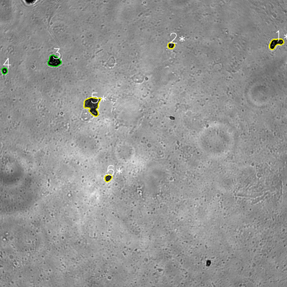
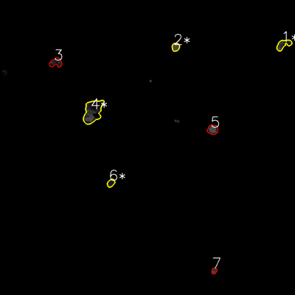

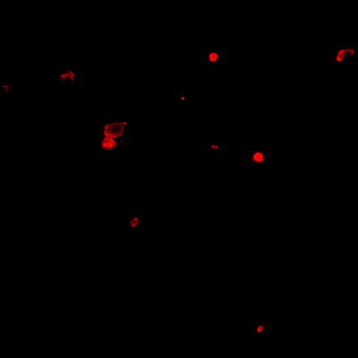
═══════════════ DETECTION REPORT ═══════════════ Source: 4 N NO 3_ch00.tif Parameters: Gray Thresh=53, Fluor Thresh=5, Overlap=80% ┌─── SUMMARY ───┐ Grayscale bacteria: 6 Fluorescence bacteria: 7 Co-localized pairs: 4 Co-localization rate: 66.7% ┌─── CO-LOCALIZED PAIRS (4) ───┐ Gray Fluor Overlap G.Area F.Area Intersect ──────────────────────────────────────────────────────────── 1 1 94.3% 1626 1587 1533 2 2 100.0% 598 833 598 5 4 96.0% 3549 5494 3406 6 6 95.7% 704 752 674 ┌─── GRAYSCALE CHANNEL (6 bacteria) ───┐ ID * Area Mode Max Centroid (Y, X) ─────────────────────────────────────────────────────── 1 * 1626 0.0 157 (180.9, 1153.1) 2 * 598 0.0 255 (190.2, 715.4) 3 1942 0.0 167 (255.8, 226.4) 4 495 0.0 255 (295.9, 18.6) 5 * 3549 29.0 203 (440.4, 386.6) 6 * 704 29.0 121 (743.9, 452.4) ─────────────────────────────────────────────────────── Stats: Area μ=1485.7 σ=1069.7 | Intensity(mode) μ=9.7 ┌─── FLUORESCENCE CHANNEL (7 bacteria) ───┐ ID * Area Mode Max Centroid (Y, X) ─────────────────────────────────────────────────────── 1 * 1587 37.0 76 (181.0, 1152.8) 2 * 833 76.0 76 (191.4, 714.5) 3 1364 0.0 69 (254.4, 227.4) 4 * 5494 0.0 76 (453.7, 377.5) 5 1391 76.0 76 (527.3, 865.1) 6 * 752 27.0 66 (744.6, 451.2) 7 437 54.0 76 (1101.6, 871.0) ─────────────────────────────────────────────────────── Stats: Area μ=1694.0 σ=1597.4 | Intensity(mode) μ=38.6 Legend: * = Co-localized | Yellow contours = Co-localized

Review_4_4 N NO 4_ch00.tif
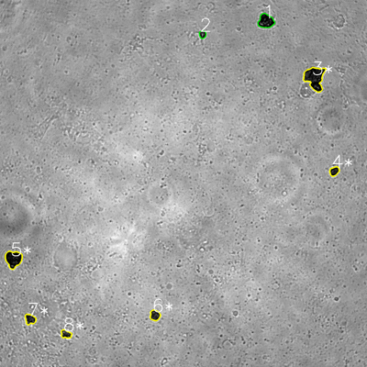
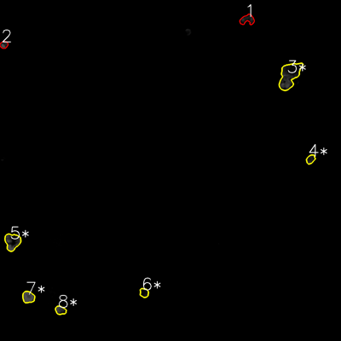

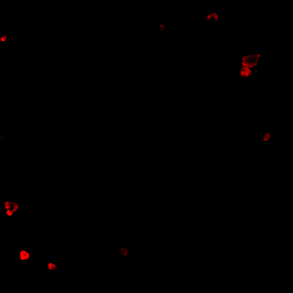
═══════════════ DETECTION REPORT ═══════════════ Source: 4 N NO 4_ch00.tif Parameters: Gray Thresh=53, Fluor Thresh=5, Overlap=80% ┌─── SUMMARY ───┐ Grayscale bacteria: 8 Fluorescence bacteria: 8 Co-localized pairs: 6 Co-localization rate: 75.0% ┌─── CO-LOCALIZED PAIRS (6) ───┐ Gray Fluor Overlap G.Area F.Area Intersect ──────────────────────────────────────────────────────────── 3 3 82.3% 3710 4904 3053 4 4 94.5% 745 730 704 5 5 94.4% 2400 2499 2265 6 6 84.7% 920 781 779 7 7 100.0% 927 1403 927 8 8 96.4% 730 884 704 ┌─── GRAYSCALE CHANNEL (8 bacteria) ───┐ ID * Area Mode Max Centroid (Y, X) ─────────────────────────────────────────────────────── 1 1871 0.0 159 (69.1, 869.4) 2 473 19.0 200 (112.3, 662.2) 3 * 3710 0.0 138 (254.9, 1028.7) 4 * 745 8.0 124 (559.7, 1093.0) 5 * 2400 0.0 126 (846.9, 43.9) 6 * 920 27.0 117 (1030.8, 506.5) 7 * 927 18.0 122 (1043.9, 98.6) 8 * 730 28.0 180 (1092.4, 215.7) ─────────────────────────────────────────────────────── Stats: Area μ=1472.0 σ=1043.3 | Intensity(mode) μ=12.5 ┌─── FLUORESCENCE CHANNEL (8 bacteria) ───┐ ID * Area Mode Max Centroid (Y, X) ─────────────────────────────────────────────────────── 1 1233 0.0 60 (68.8, 870.0) 2 562 76.0 76 (157.5, 13.8) 3 * 4904 0.0 76 (265.4, 1018.4) 4 * 730 28.0 53 (560.3, 1093.0) 5 * 2499 76.0 76 (850.3, 43.5) 6 * 781 10.0 42 (1030.4, 507.2) 7 * 1403 76.0 76 (1045.6, 99.6) 8 * 884 10.0 76 (1091.9, 212.8) ──────────────────

Review_5_4 N NO 5_ch00.tif
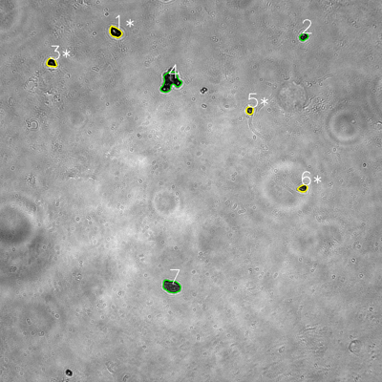
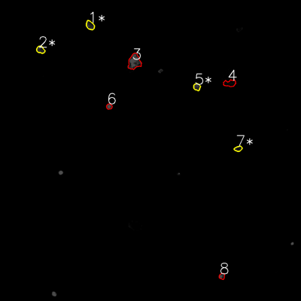

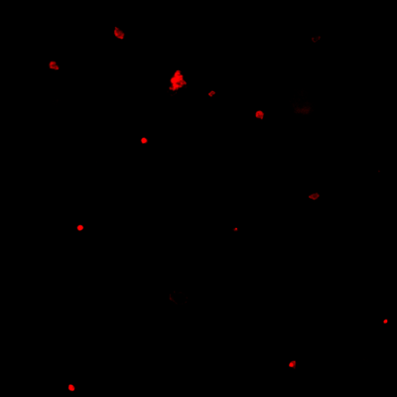
═══════════════ DETECTION REPORT ═══════════════ Source: 4 N NO 5_ch00.tif Parameters: Gray Thresh=53, Fluor Thresh=5, Overlap=80% ┌─── SUMMARY ───┐ Grayscale bacteria: 7 Fluorescence bacteria: 8 Co-localized pairs: 4 Co-localization rate: 57.1% ┌─── CO-LOCALIZED PAIRS (4) ───┐ Gray Fluor Overlap G.Area F.Area Intersect ──────────────────────────────────────────────────────────── 1 1 83.4% 994 893 829 3 2 95.1% 654 718 622 5 5 99.6% 451 599 449 6 7 89.2% 507 501 452 ┌─── GRAYSCALE CHANNEL (7 bacteria) ───┐ ID * Area Mode Max Centroid (Y, X) ─────────────────────────────────────────────────────── 1 * 994 0.0 255 (100.8, 362.5) 2 481 0.0 224 (114.9, 954.1) 3 * 654 0.0 106 (196.8, 162.0) 4 2490 15.0 255 (255.9, 535.5) 5 * 451 26.0 231 (346.6, 784.5) 6 * 507 15.0 224 (591.4, 951.3) 7 1699 37.0 221 (899.4, 539.0) ─────────────────────────────────────────────────────── Stats: Area μ=1039.4 σ=720.3 | Intensity(mode) μ=13.3 ┌─── FLUORESCENCE CHANNEL (8 bacteria) ───┐ ID * Area Mode Max Centroid (Y, X) ─────────────────────────────────────────────────────── 1 * 893 32.0 72 (100.8, 359.2) 2 * 718 40.0 71 (198.2, 161.6) 3 2348 76.0 76 (246.2, 535.5) 4 1013 0.0 20 (331.8, 916.0) 5 * 599 56.0 76 (346.5, 784.9) 6 401 76.0 76 (424.7, 435.2) 7 * 501 23.0 51 (592.8, 949.7) 8 442 76.0 76 (1101.1, 884.8) ─────────────────────────────────────────────────────── Stats: Area μ=864.4 σ=595.9 | Intensity(mode) μ=47.4 Legend: * = Co-localized | Yellow contours = Co-localized

